Sheet1
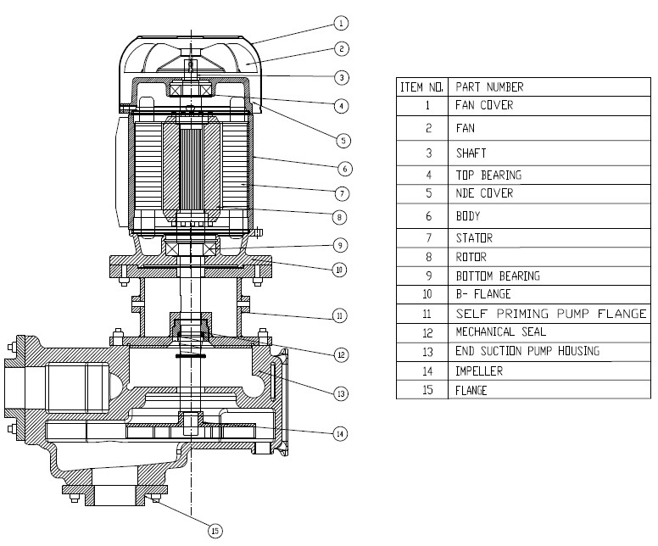
Model: | RSP-series pumps |  |  | Speciality (if Any):
 |  |  |  | Special Code: |  | NA
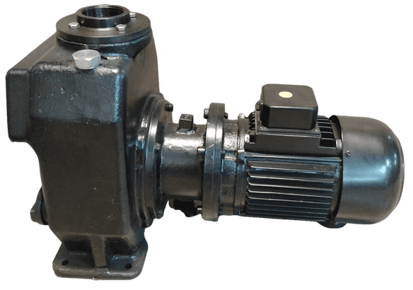 |  |  |  | Description of Speciality

Technical Data
Power (kW) |  | 2.2/1.5/0.75 | Rated Current (A) |  | 4.5/3.4/1.8
Voltage (V) |  | 415V | Efficiency Level |  | IE3
Frequency (Hz) |  | 50Hz | Insulation Class |  | F
RPM |  | 2800 | Duty |  | S1
Material Of Construction
Impeller |  | SS 410 | Mechanical seal |  | SiC
Impeller cover |  | CAST IRON | Bush Bearings |  | NO
Stem (pump body) |  | CAST IRON | Shaft |  | SS 410
Operating conditions
Max Ambient Temp. |  | 40 deg. Cel | Installation |  |  | HORIZONTAL
Max. Liquid Temp |  | 60 deg. cel | Suction |  |  | SIDE
Max On/Off Cycle |  | 20/ Hr | Max. Viscocity (for given motor rating) |  |  | 45 CST
(Please Check with factory for more information on this)
Dimensional Details
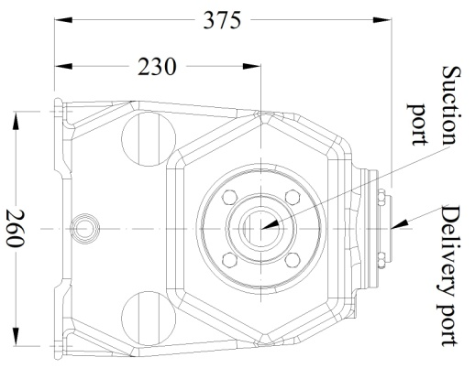 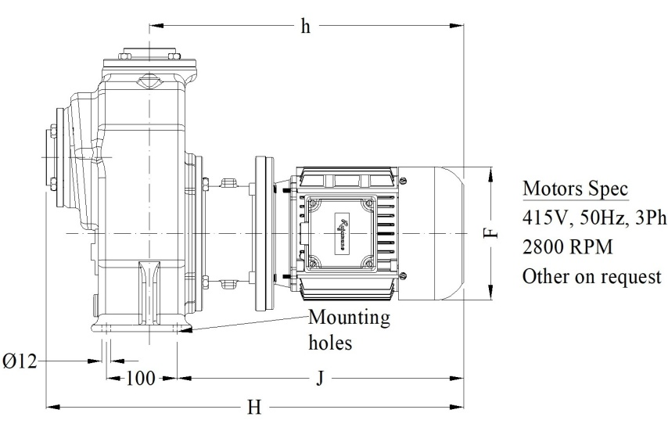 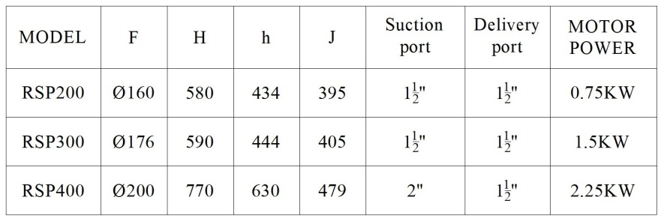

HQ Performance Curve
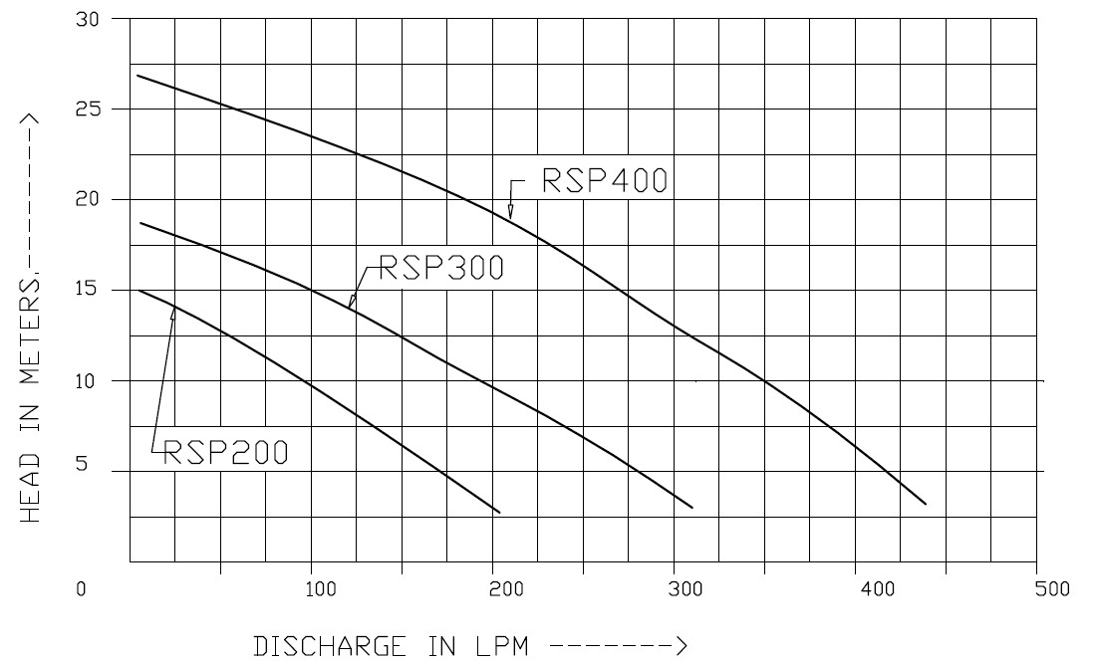

Parts List- Cross Section View (2D)

