Sheet1
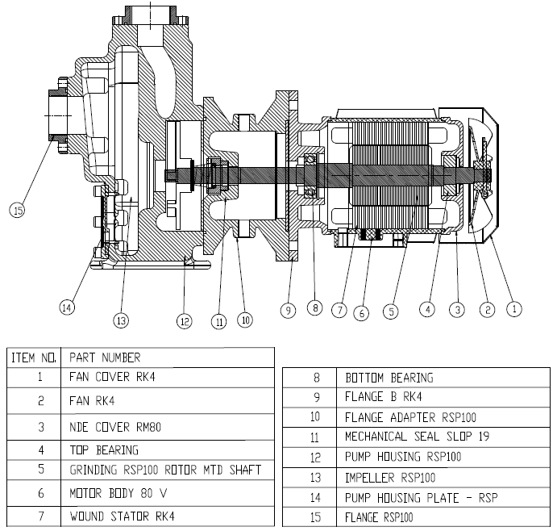
Model: | RSP100 |  |  | Speciality (if Any):
 |  |  |  | Special Code: |  | NA
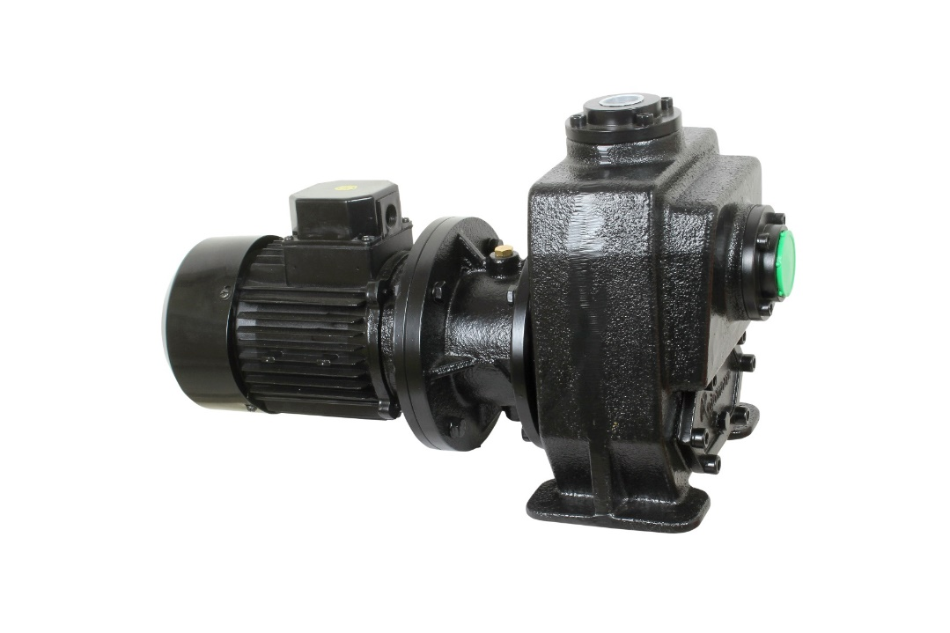 |  |  |  | Description of Speciality
 |  |  |  | Pump is designed to pump coolant along with machined chips, the chip size can be Max. 10 mm length, for longer chips length consult factory. Pump can handle 2 to 3 % of chips to the volume of flow rate

Technical Data
Power (kW) |  | 0.75 | Rated Current (A) |  | 1.8
Voltage (V) |  | 415 | Efficiency Level |  | IE2
Frequency (Hz) |  | 50 | Insulation Class |  | F
RPM |  | 2800 | Duty |  | S1
Inlet / Outlet Size |  | 1 1/2" / 1" | Flow (LPM) @Head(M) |  | 100 LPM @ 2m
Material of construction
Impeller |  | C.I | Mechanical seal |  | SILICON CARBIDE
Impeller cover |  | C.I | Bush Bearings |  | NA
Stem (pump body) |  | C.I | Shaft |  | SS410
Operating conditions
Max Ambient Temp. |  | 40 | Installation |  |  | HARIZONTAL
Max. Liquid Temp |  | 60 | Suction |  |  | SIDE
Max On/Off Cycle |  | 20 / Hr | Max. Viscocity (for given motor rating) |  |  | 5 CST
(Please Check with factory for more information on this)
Dimensional Details
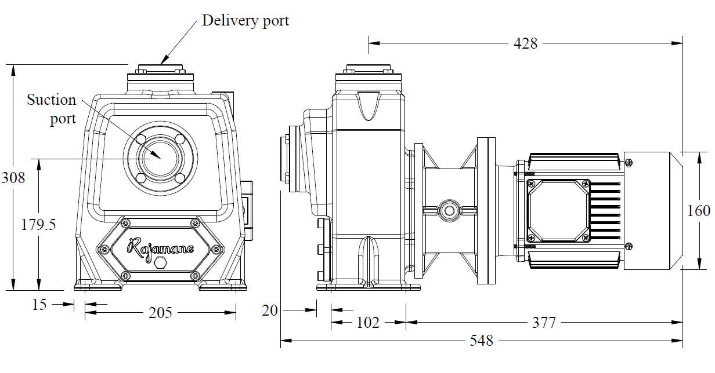

HQ Performance Curve
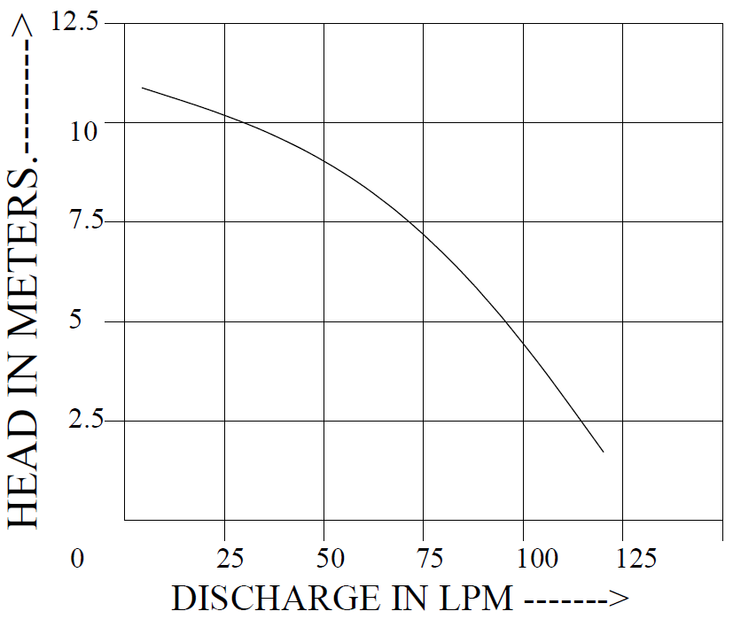

Parts List- Cross Section View (2D)

