Sheet1
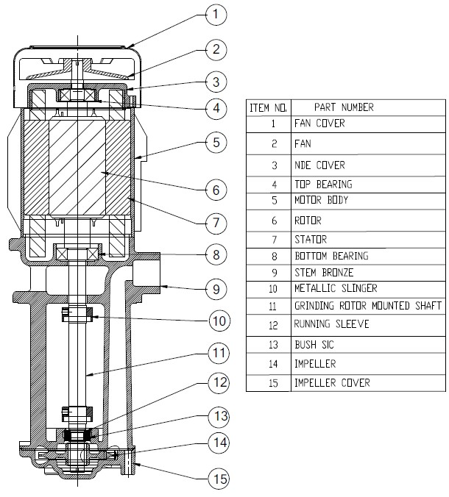
Model: | RTA13/150 |  |  | Speciality (if Any):
 |  |  |  | Special Code: |  | _
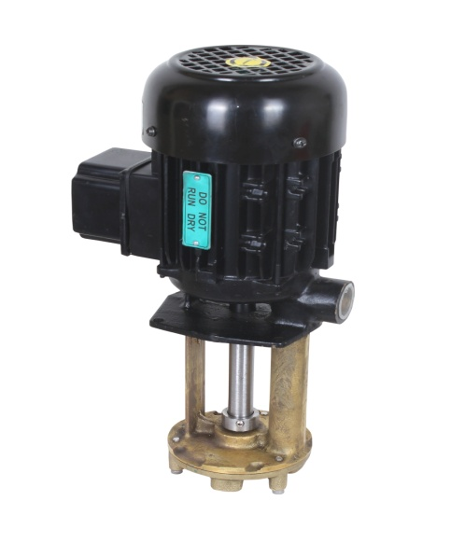 |  |  |  | Description of Speciality

Technical Data
Power (kW) |  | 0.45 | Rated Current (A) |  | 1.2
Voltage (V) |  | 415 | Efficiency Level |  | NA
Frequency (Hz) |  | 50 | Insulation Class |  | F
RPM |  | 2800 | Duty |  | S1
Outlet Size |  | 3/4" | Flow (LPM) @Head(M) |  | 20LPM @ 13m
Material Of Construction
Impeller |  | Bronze / SS | Mechanical seal |  | NA
Impeller cover |  | Bronze / SS | Bush Bearings |  | CARBIDE
Stem (pump body) |  | Bronze / SS | Shaft |  | SS304
Operating conditions
Max Ambient Temp. |  | 40 Deg Cel | Installation |  |  | Vertical
Max. Liquid Temp |  | 80 Deg Cel | Min. Filtration level |  |  | 50 microns
Max On/Off Cycle |  | 40 per hour | Max. Viscocity (for given motor rating) |  |  | 90 CST
(Please Check with factory for more information on this)
Dimensional Details
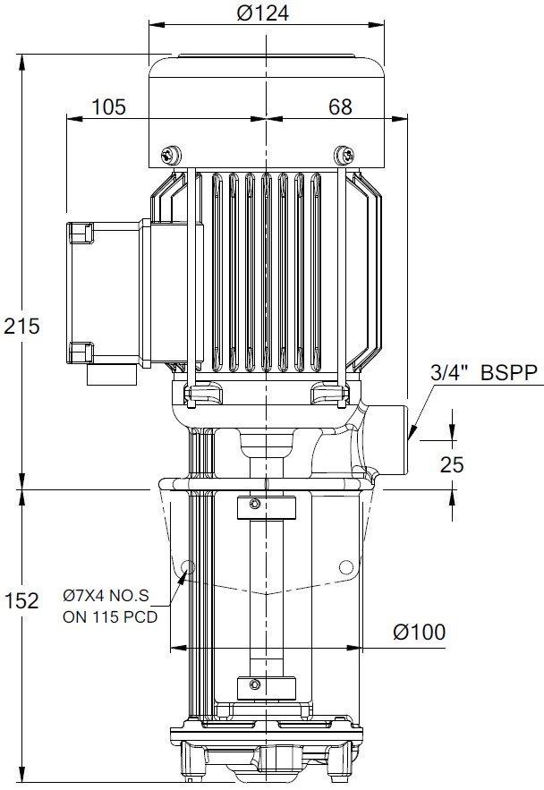

HQ Performance Curve
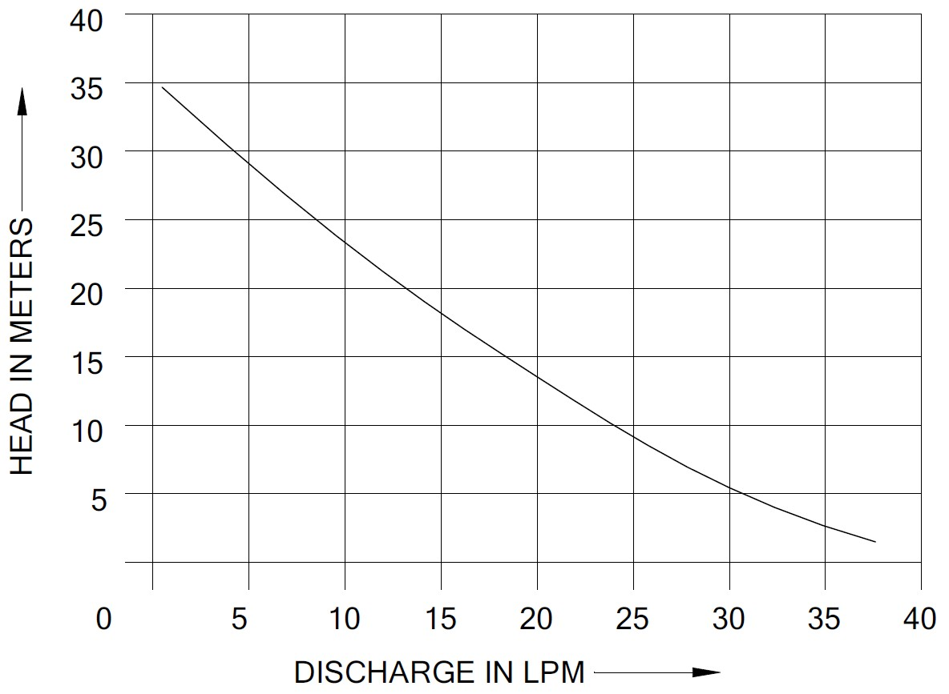

Parts List- Cross Section View (2D)

