Sheet1
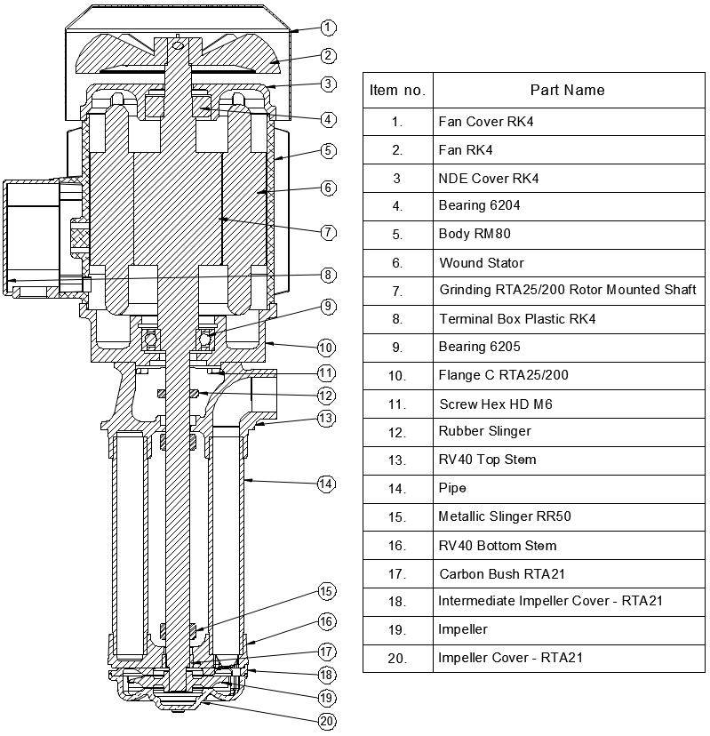
Model: | RTA25/200 |  |  | Speciality (if Any):
 |  |  |  | Special Code:
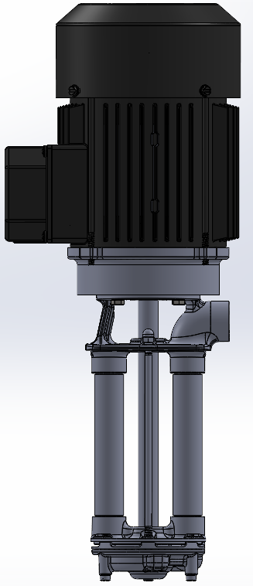 |  |  |  | Description of Speciality

Technical Data
Power (kW) |  | 1.1 | Rated Current (A) |  | 4.5 / 2.6
Voltage (V) |  | 220/440 | Efficiency Level |  | IE2
Frequency (Hz) |  | 50 | Insulation Class |  | F
RPM |  | 2800 | Duty |  | S1
Outlet Size |  | 3/4" | Flow Max. / HeadMax. |  | 70 LPM / 60 Meter
Material Of Construction
Impeller |  | Bronze / SS | Mechanical seal |  | NA
Impeller cover |  | Bronze / SS | Bush Bearings |  | Carbon
Stem (pump body) |  | SS | Shaft |  | SS410

Operating conditions
Max Ambient Temp. |  | 40℃ | Installation |  |  | Vertical
Max. Liquid Temp |  | 200℃ | Min. Filtration level |  |  | ≤ 200 microns
Max On/Off Cycle |  | 40 / Hr | Max. Viscocity (for given motor rating) |  |  | 15 CST
(Please Check with factory for more information on this)
Dimensional Details
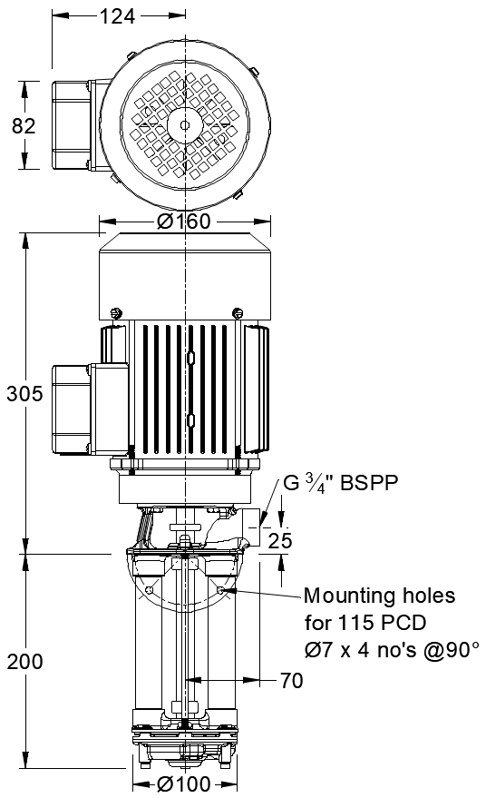

HQ Performance Curve
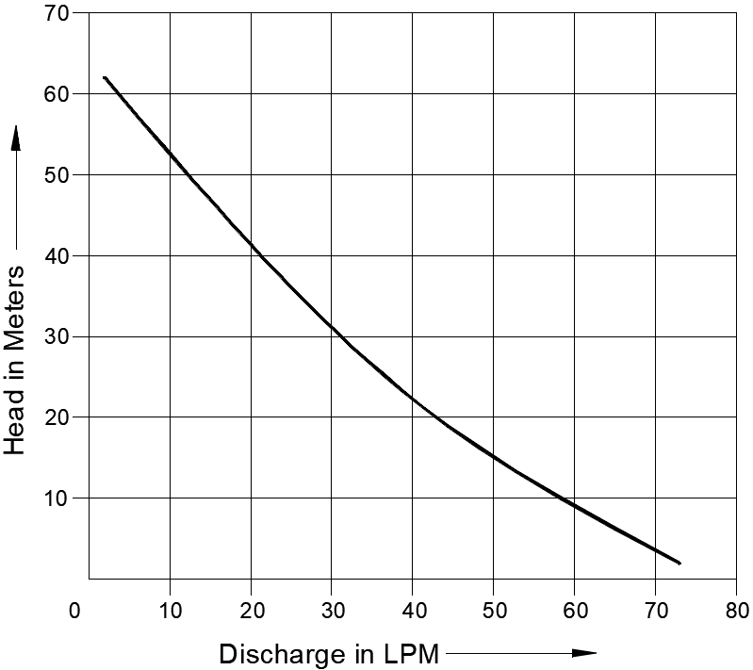

Parts List- Cross Section View (2D)

