Sheet1
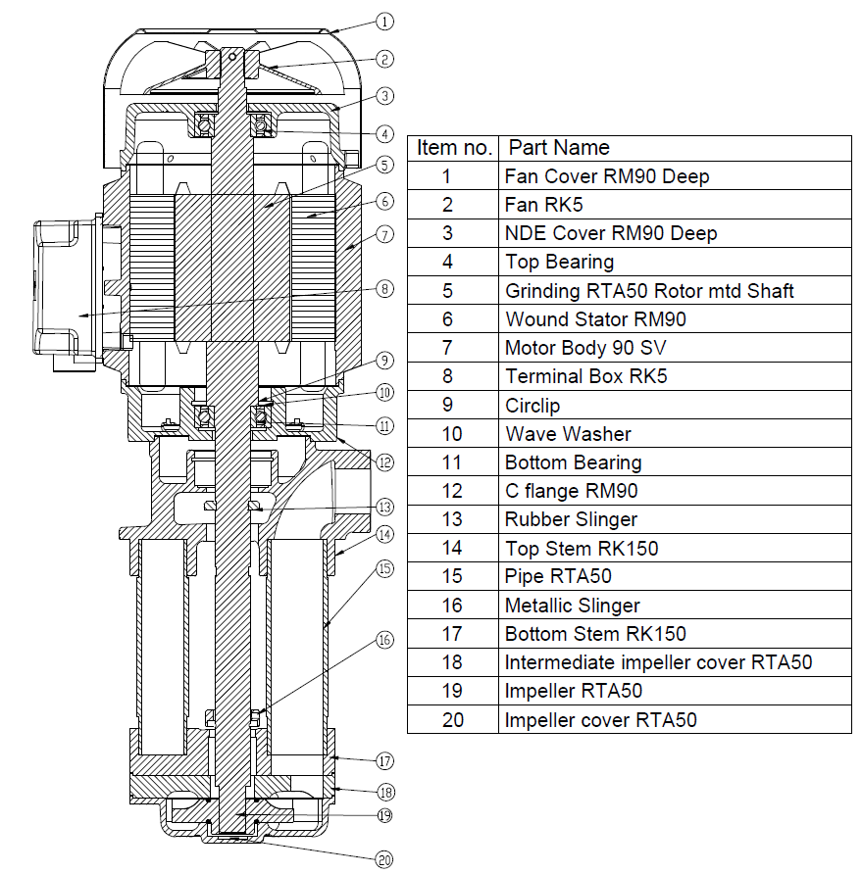
Model: | RTA50 |  |  | Speciality (if Any):
 |  |  |  | Special Code:
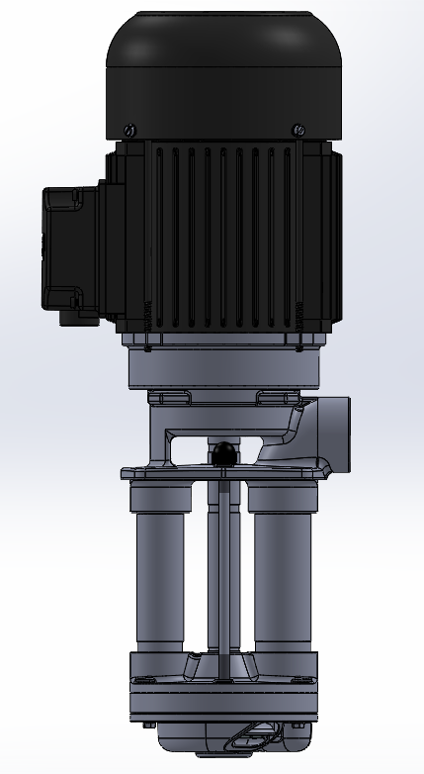 |  |  |  | Description of Speciality

Technical Data
Power (kW) |  | 2.2 | Rated Current (A) |  | 4.5
Voltage (V) |  | 415 | Efficiency Level |  | IE2
Frequency (Hz) |  | 50 /60 Hz | Insulation Class |  | F
RPM |  | 2800/3440 | Duty |  | S1
Outlet Size |  | G1" BSPP | Flow (LPM) @Head(M) |  | 50LPM@33 M - 50Hz 50LPM@40 M - 60Hz
Material Of Construction
Impeller |  | BRASS / G.M | Mechanical seal |  | NA
Impeller cover |  | BRASS / G.M | Bush Bearings |  | CARBON
Stem (pump body) |  | S.S | Shaft |  | SS304
Operating conditions
Max Ambient Temp. |  | 40 ° C | Installation |  |  | Vertical
Max. Liquid Temp |  | 120 ° C | Min. Filtration level |  |  | < 200 microns
Max On/Off Cycle |  | 40 / hr | Max. Viscocity (for given motor rating) |  |  | 90 mm2 /sec
(Please Check with factory for more information on this)
Dimensional Details
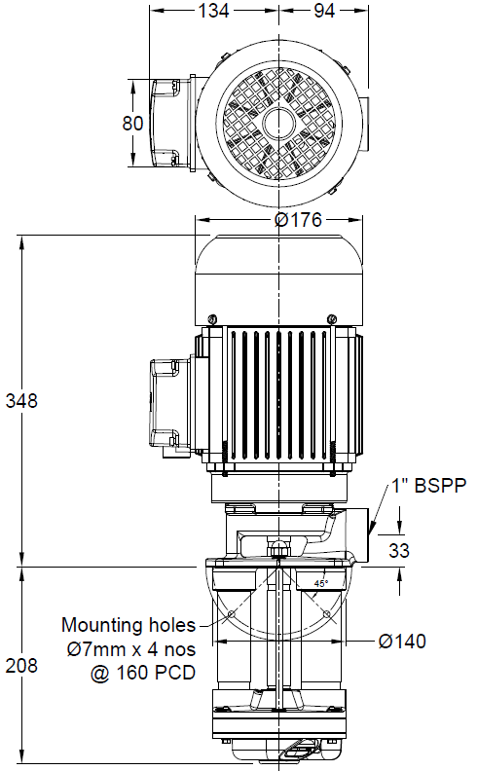

HQ Performance Curve
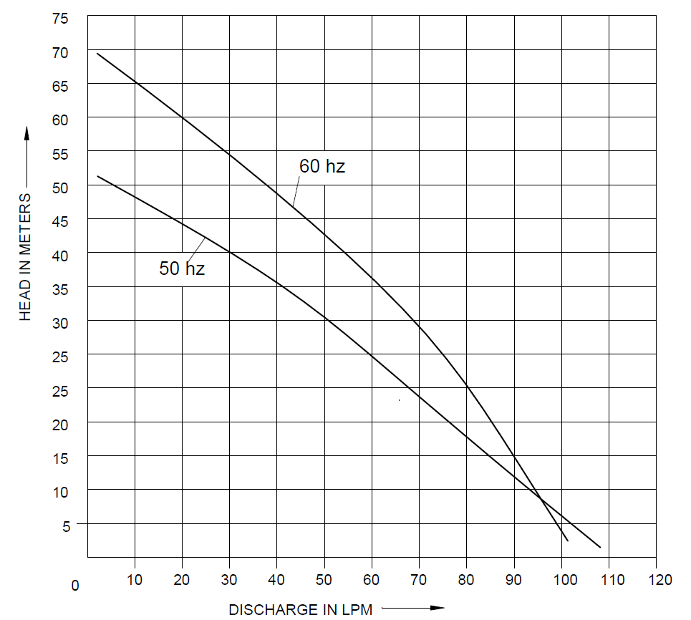

Parts List- Cross Section View (2D)

