Sheet1
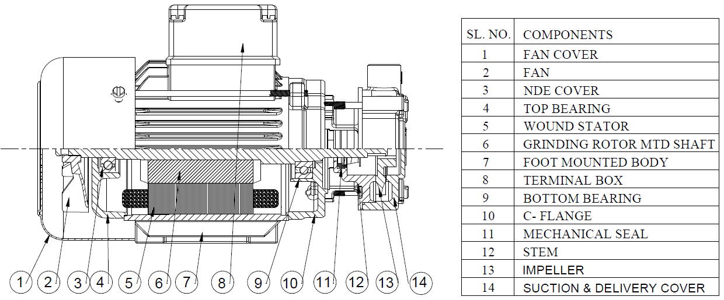
Model: | RTAH10 |  |  | Speciality (if Any):
 |  |  |  | Special Code: |  | NA
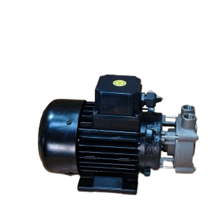 |  |  |  | Description of Speciality

Technical Data
Power (kW) |  | 0.18 | Frequency (Hz) |  | 50
Voltage (V) |  | 230 / 1Ph | Efficiency Level |  | NA
Rated Current (A) |  | 2.1 / 1Ph | Insulation Class |  | F
RPM |  | 2800 | Duty |  | S1
Inlet / Outlet Size |  | 3/8" , 3/8" | Flow (LPM) @Head(M) |  | 7.5LPM@25M

Impeller |  | BRASS | Mechanical seal |  | Ceramic
Impeller cover |  | SS304 | Bush Bearings |  | NA
Stem (pump body) |  | SS304 | Shaft |  | SS410
Operating conditions
Max Ambient Temp. |  | 40 | Installation |  |  | Horizontal
Max. Liquid Temp. |  | 80 | Suction |  |  | Top
Max On/Off Cycle |  | 20 / Hr | Max. Viscocity (for given motor rating) |  |  | 15 CST
(Please Check with factory for more information on this)
Dimensional Details
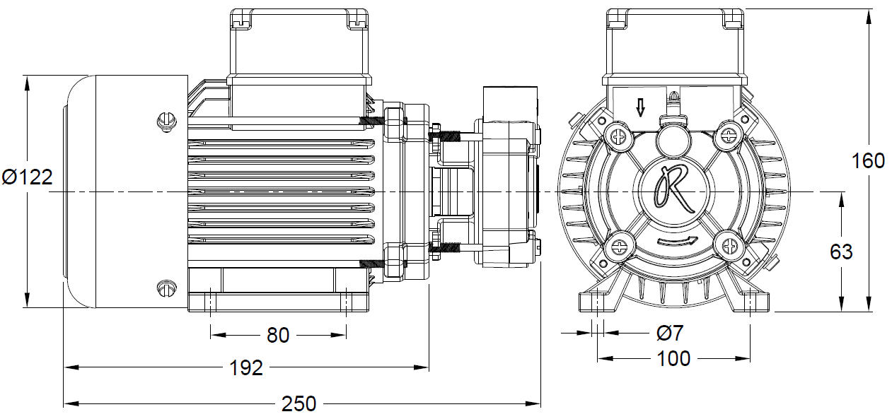

HQ Performance Curve
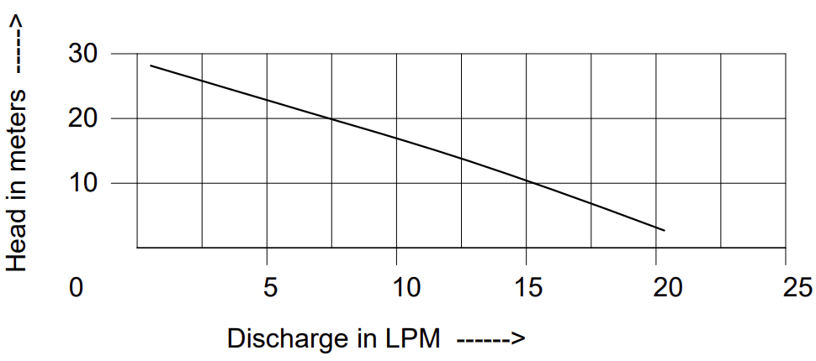

Parts List- Cross Section View (2D)

