Sheet1
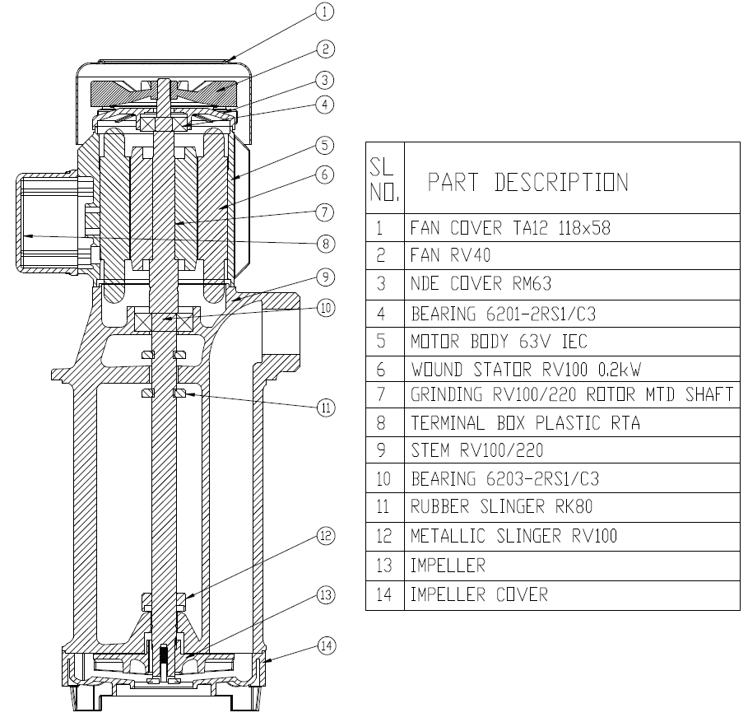
Model: | RXP100/ 220 |  |  | Speciality (if Any):
 |  |  |  | Special Code: |  | NA
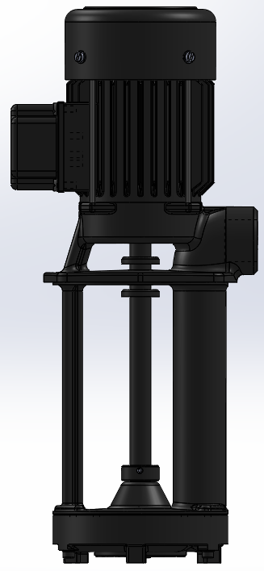 |  |  |  | Description of Speciality

Technical Data
Power (kW) |  | 0.5 | Rated Current (A) |  | 1.35
Voltage (V) |  | 415 | Efficiency Level |  | IE2
Frequency (Hz) |  | 50 | Insulation Class |  | F
RPM |  | 2800 | Duty |  | S1
Outlet Size |  | 1 " | Flow (LPM) @Head(M) |  | 100 LPM@3 M

Impeller |  | CAST IRON | Mechanical seal |  | NA
Impeller cover |  | CAST IRON | Bush Bearings |  | YES
Stem (pump body) |  | CAST IRON | Shaft |  | SS410
Operating conditions
Max Ambient Temp. |  | 40 | Installation |  |  | VERTICAL
Max. Liquid Temp |  | 60 | Suction |  |  | SIDE
Max On/Off Cycle |  | 40 / Hr | Max. Viscocity (for given motor rating) |  |  | 90 CST
(Please Check with factory for more information on this)
Dimensional Details
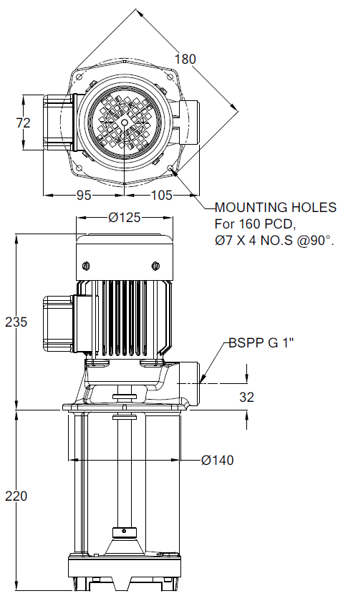

HQ Performance Curve
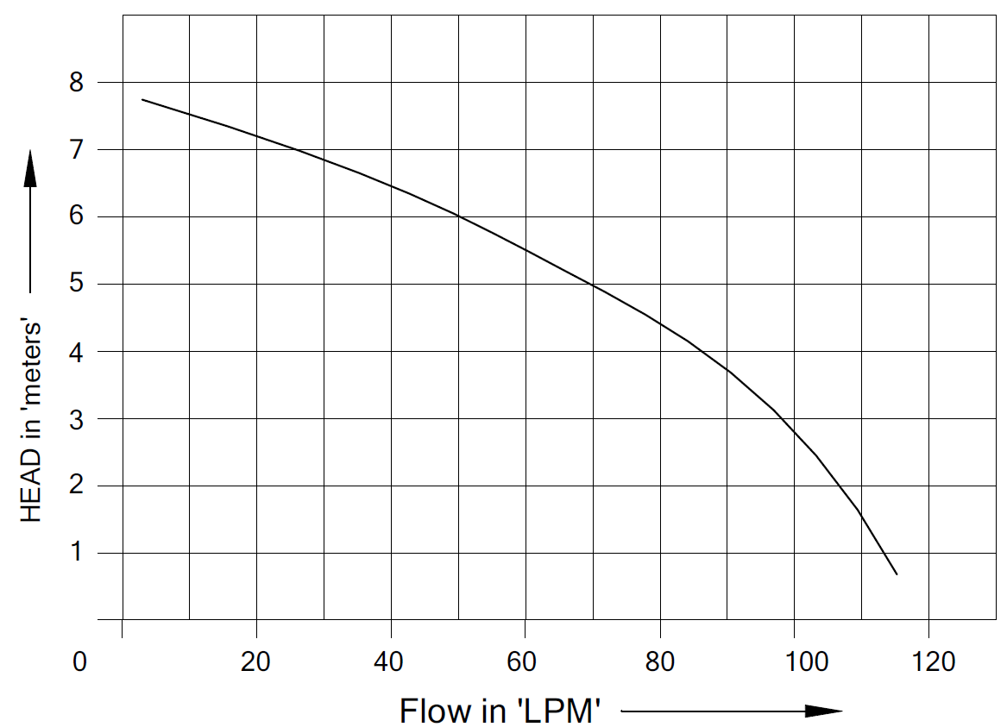

Parts List- Cross Section View (2D)

