Sheet1
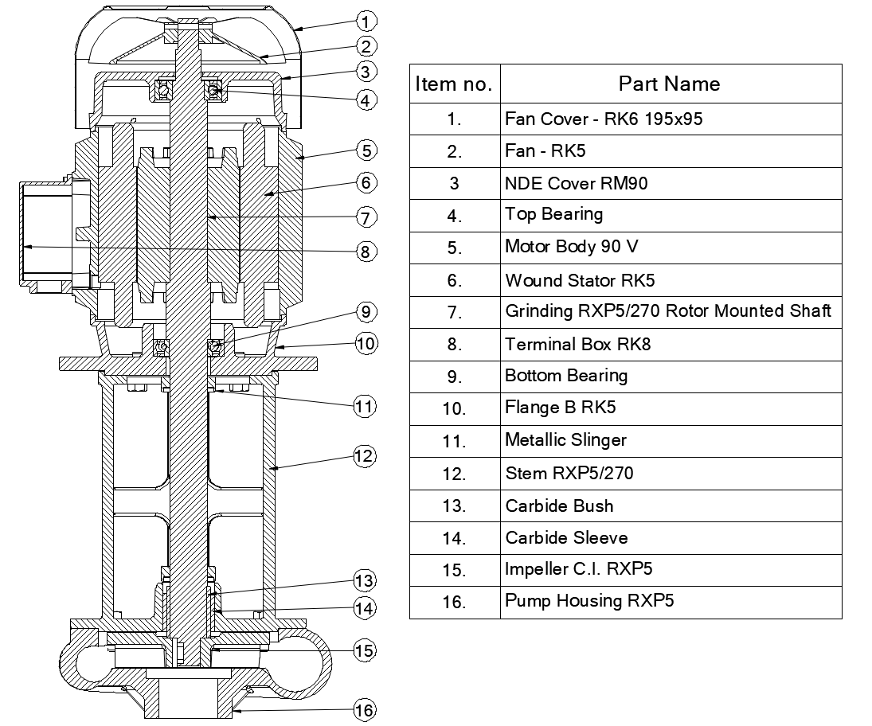
Model: | RXP5/270 |  |  | Speciality (if Any):
 |  |  |  | Special Code:
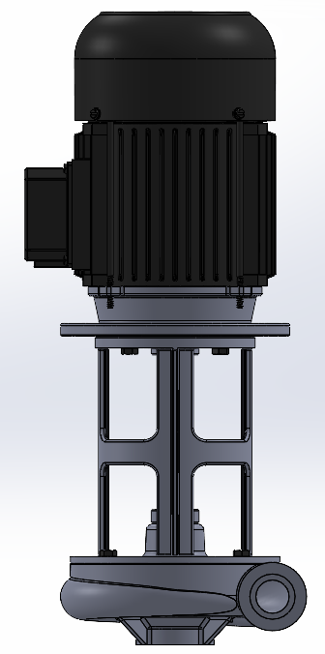 |  |  |  | Description of Speciality
 |  |  |  | Pump works on the vortex principle. Chips are transferred without coming in contact with impeller. Pump is designed to pump coolant along with machined chips, the chip size can be Max. 10 mm length, for longer chips length consult factory.

Technical Data
Power (kW) |  | 1.5 | Rated Current (A) |  | 3.4
Voltage (V) |  | 415 | Efficiency Level |  | IE2
Frequency (Hz) |  | 50 | Insulation Class |  | F
RPM |  | 2800 | Duty |  | S1
Outlet Size |  | 1 1/4" BSPP | Flow (LPM) @Head(M) |  | 75 LPM @ 10M
Material Of Construction
Impeller |  | Cast Iron | Mechanical seal |  | NA
Impeller cover |  | Cast Iron | Bush Bearings |  | Carbide
Stem (pump body) |  | Cast Iron | Shaft |  | SS410

Operating conditions
Max Ambient Temp. |  | 40℃ | Installation |  |  | VERTICAL
Max. Liquid Temp |  | 80℃ | Min. Filtration level |  |  | < 200 MICRONS
Max On/Off Cycle |  | 40 /Hr | Max. Viscocity (for given motor rating) (For higher viscosity contact factory) |  |  | 15 CST
(Please Check with factory for more information on this)
Dimensional Details
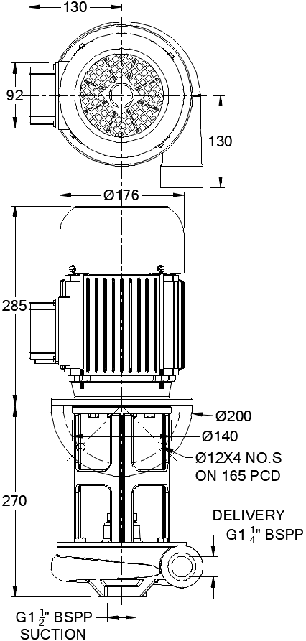

HQ Performance Curve
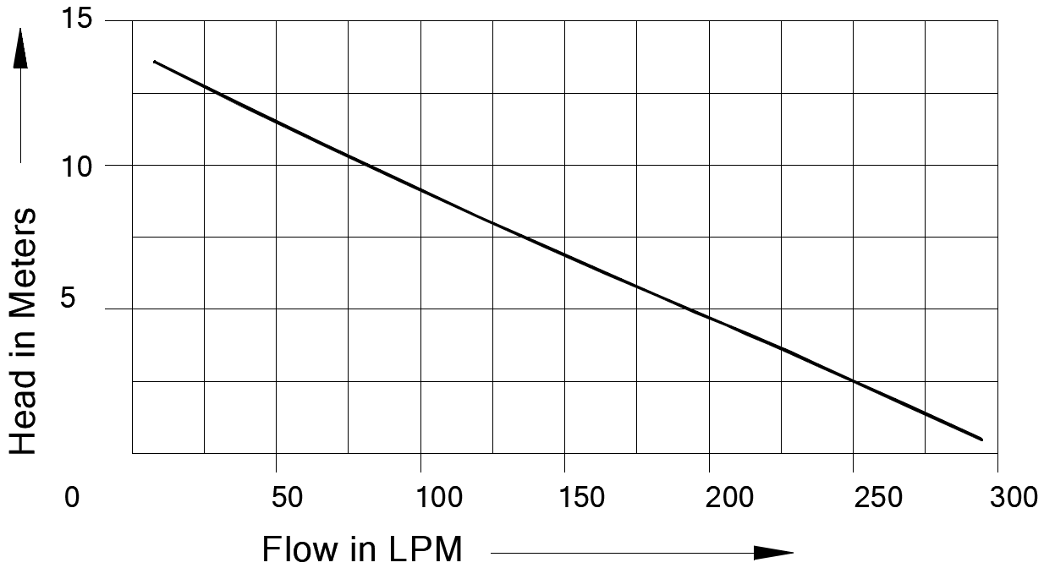

Parts List- Cross Section View (2D)

