Sheet1
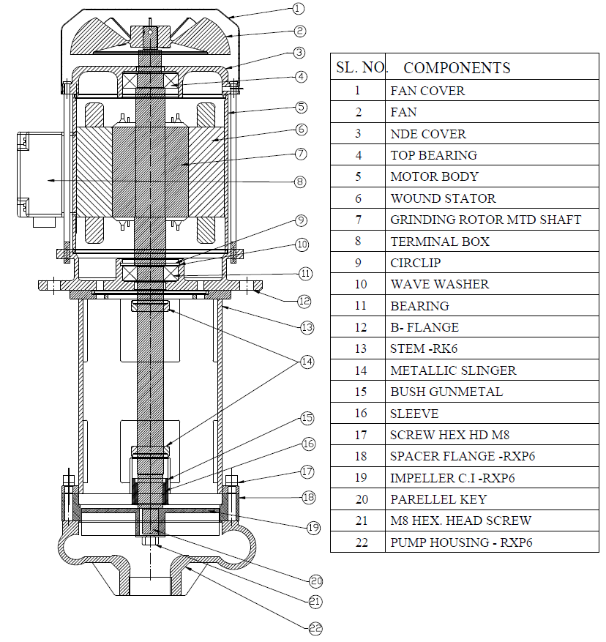
Model: | RXP6 |  |  | Speciality (if Any):
 |  |  |  | Special Code: |  | 13
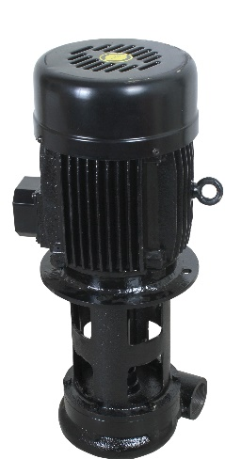 |  |  |  | Description of Speciality
 |  |  |  | Pump works on the vortex principle. Chips are transferred without coming in contact with impeller. Pump is designed to pump coolant along with machined chips, the chip size can be Max. 30 mm length, for longer chips length consult factory. Pump can handle 2 to 3 % of chips to the volume of flow rate

Technical Data
Power (kW) |  | 2.25 KW | Rated Current (A) |  | 8.2/ 4.5 A
Voltage (V) |  | 230/ 415 V | Efficiency Level |  | IE2
Frequency (Hz) |  | 50 | Insulation Class |  | F
RPM |  | 2800 | Duty |  | S1
Outlet Size |  | 1 1/2" | Flow (LPM) @Head(M) |  | 200 @ 10 M
Material Of Construction
Impeller |  | CAST IRON | Mechanical seal |  | NA
Impeller cover |  | CAST IRON | Bush Bearings |  | CARBIDE
Stem (pump body) |  | CAST IRON | Shaft |  | SS410

Operating conditions
Max Ambient Temp. |  | 40 Deg Cel | Installation |  |  | Vertical
Max. Liquid Temp |  | 80 Deg Cel | Min. Filtration level |  |  | NA
Max On/Off Cycle |  | 40 / hr | Max. Viscocity (for given motor rating) |  |  | 5 cst
(Please Check with factory for more information on this)
Dimensional Details
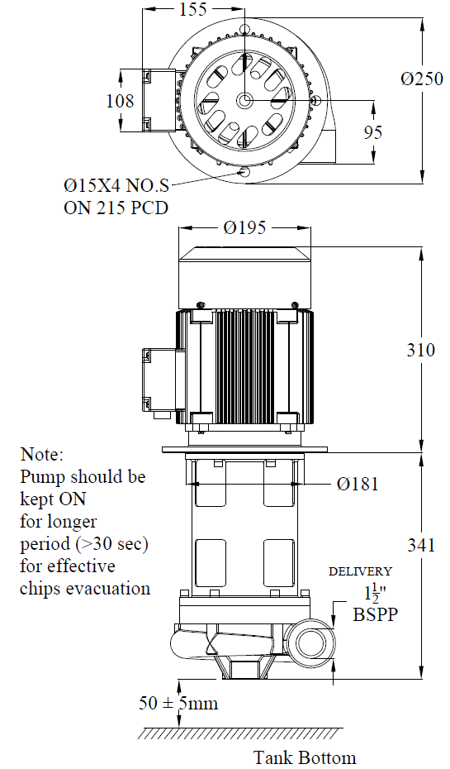

HQ Performance Curve
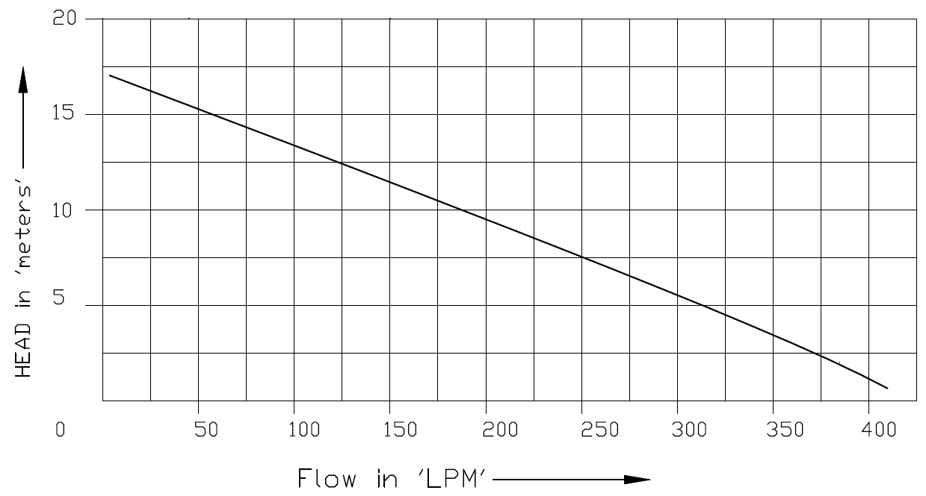

Parts List- Cross Section View (2D)

