6.Star Schema
Star Schema

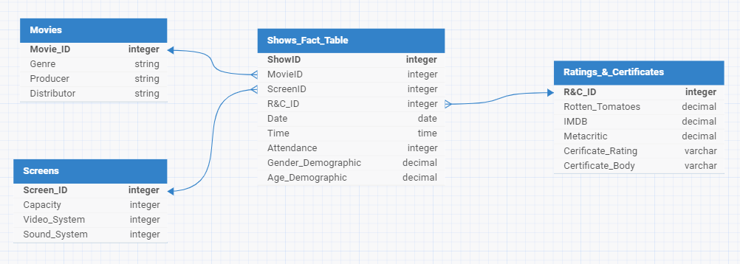
Star Schema Image | Possible Star Schema Queries
 | Sno | Business Question Addressed | SQL query
 | 1 | Find total number of shows for any movie | SELECT count(Show_ID) from show_fact_table where Movie_ID = 200;
 | 2 | Find total attendance for any movie | SELECT sum(Attendance) from show_fact_table where show_fact_table.Movie_ID = 12;
 | 3 | find all shows with more females than males | SELECT * from show_fact_table where show_fact_table.Gender_Demographic < 0.5;
 | 4 | Find genre with the highest attendance | SELECT Distributor, COUNT(Movie_ID) as Movie_Count FROM movie_dim GROUP BY Distributor ORDER BY Movie_Count desc LIMIT 1;

