HowToUse
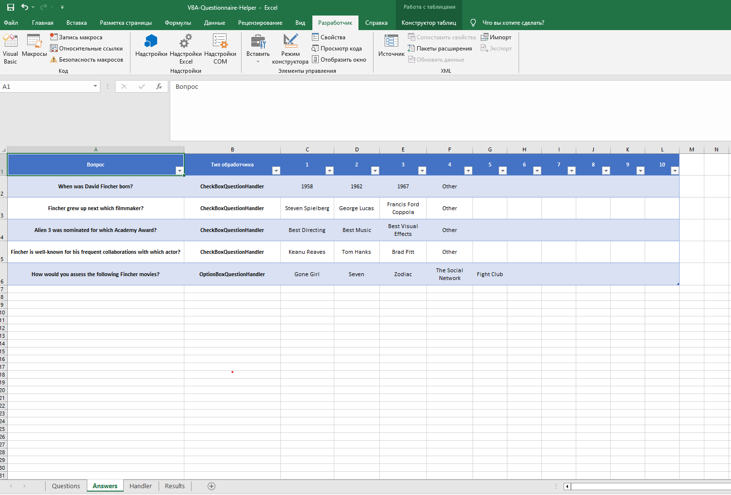
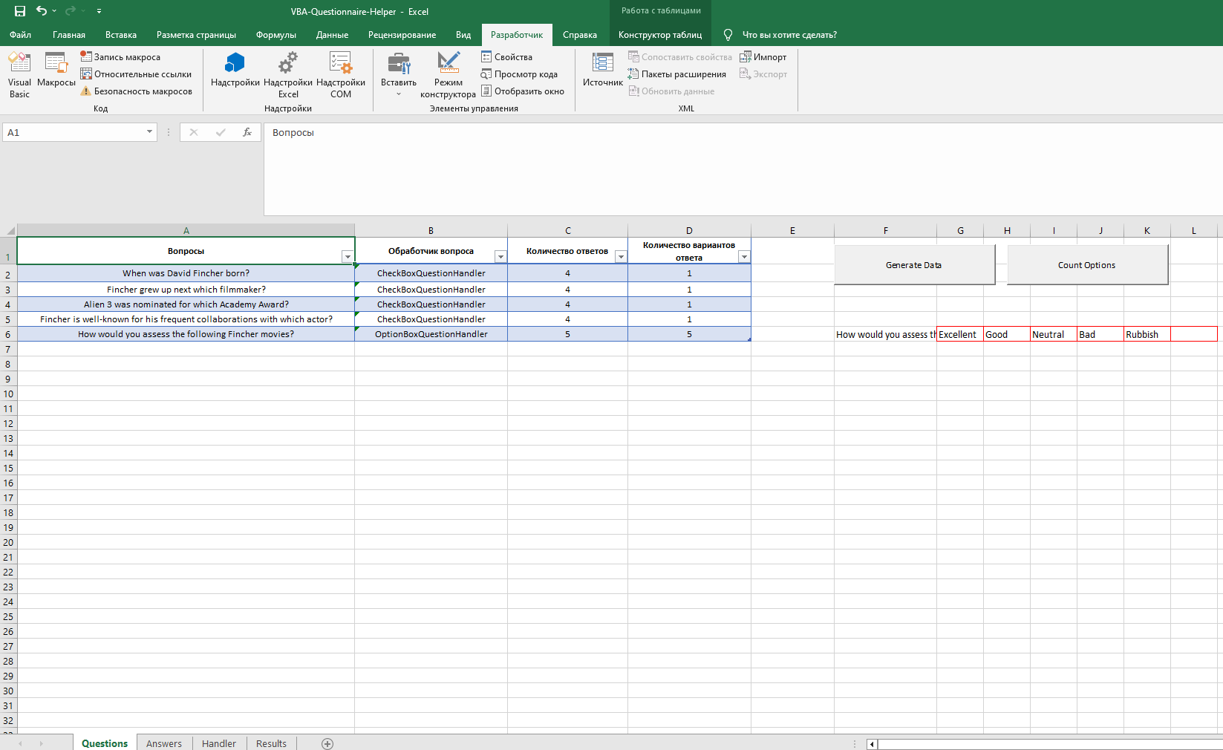

1. In column "Question" you should enter your questions | 4. After finishing with questions, the following step is to press button "Generate Data"
2. In column "Type of handler" you should enter type of handler for every questions | 5. Table with red borders will turn up. You should enter in there options for questions with OptionBoxQuestionHandler
3. Then you should enter answers for every questions | 6. Press button "Count Options". Column "D" will be filled by options quantity

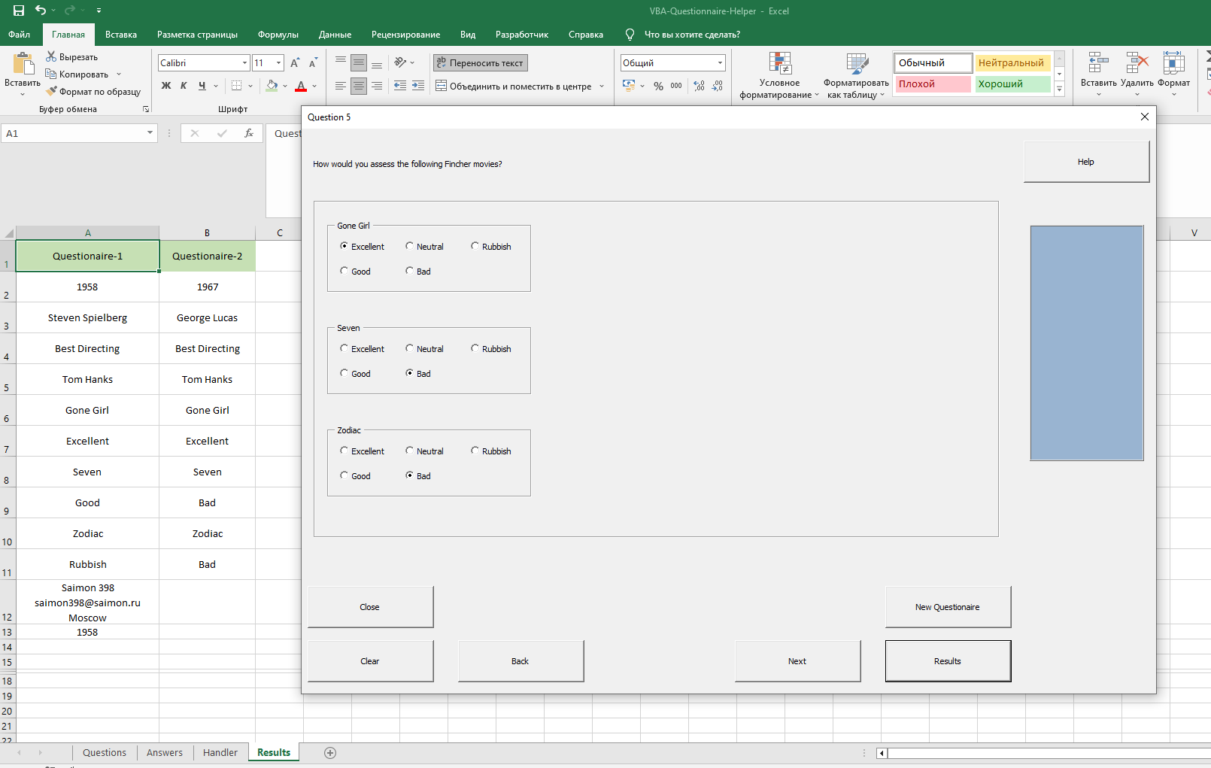
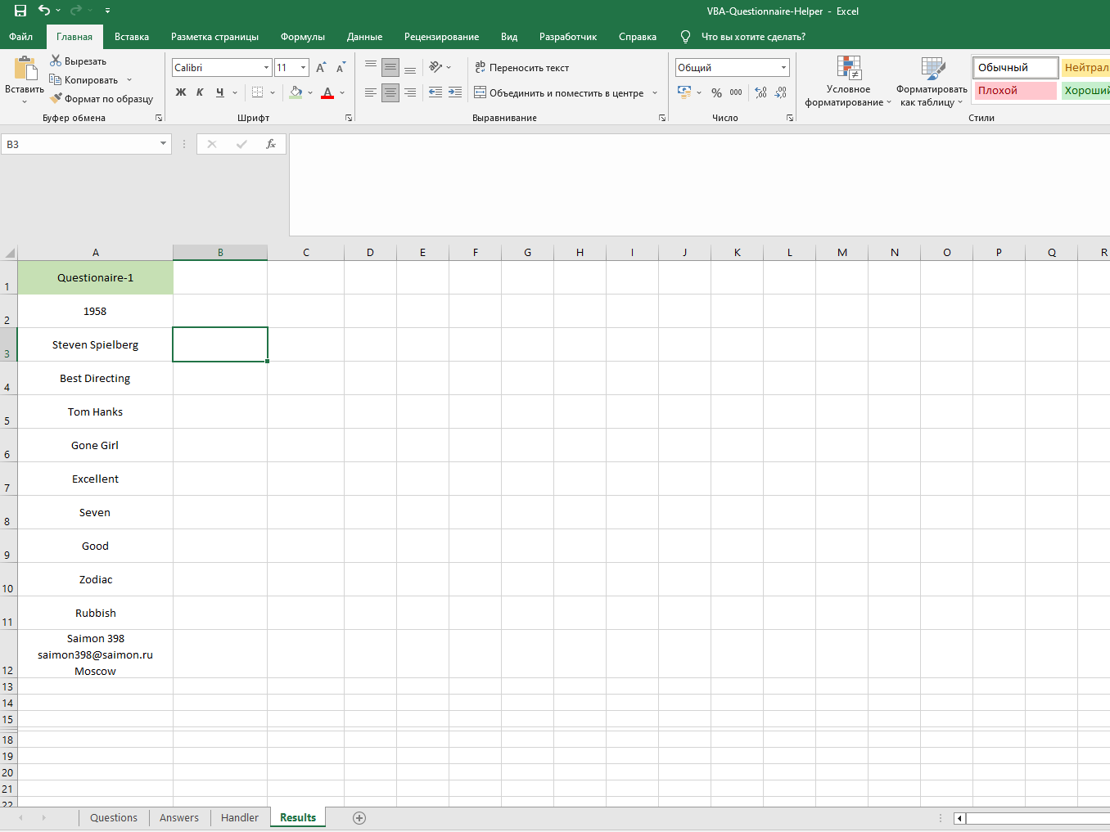

7. On sheet "Handler" you should press "Activate" button | 10. Your answers will be displayed on sheet "Results"
8. It will activate user form which you will operate with | 11. After finishing one page, you can move to another one by pressing "New Questionaire"
9. Answer questions you entered earlier on each page. Before moving to other page - press "Results" | 12. Press "Clear" to remove results from the sheet when you are done

