AEON habitat
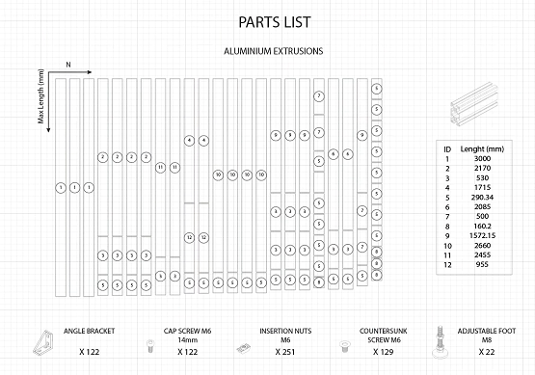
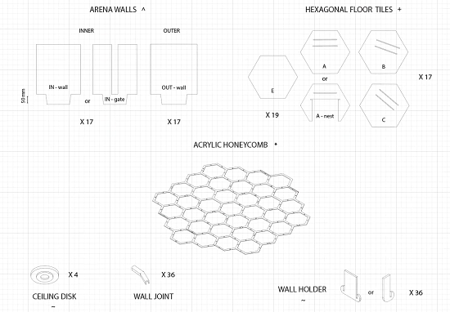
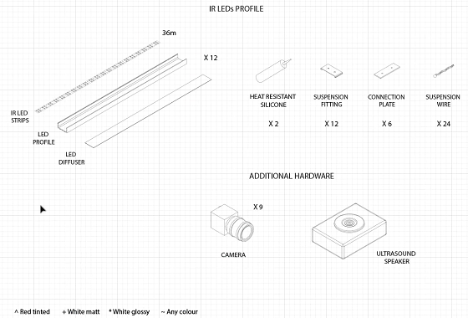
Inventory list |  |  |  |  |  | Total Inventory value | £17,573.00

Item name | Item category | Part Number | Description | Supplier | Quantity | Unit price | Total price | Link | Notes
Aluminum extrusion | Arena Frame | 389-9819 | Aluminum extrusion | Bosch Rexroth/RS | 25 | £112.83 | £2,820.75 | Aluminum extrusion
Adjustable foot | Arena Frame | 390-2230 | Adjustable foot | Bosch Rexroth/RS | 22 | £4.51 | £99.22 | Adjustable foot
Countersunk screw M6 12mm | Arena Frame | 232-8451 | Countersunk screw M6 12mm | RS | 3 | £14.31 | £42.93 | Countersunk screw | bag of 50
Angle bracket | Arena Frame | 437-1479 | Angle bracket | Bosch Rexroth/RS | 150 | £7.72 | £1,158.00 | Angle bracket | 4 screws and 4 insertion nuts included
Hex tile | Acrylic |  | Hex tile | Direct Plastic | 40 | £16.48 | £659.20 | Hex tile
Wall | Acrylic |  | Wall | Direct Plastic | 40 | £17.66 | £706.40 | Wall
Honeycomb | Acrylic |  | Honeycomb | Direct Plastic | 6 | £76.00 | £456.00 | Honeycomb
Metal hex | Metal | ALUMINUM AW6082-T6 2mm 450x400 | Metal hex | Thames stock holders | 1 | £39.88 | £39.88 | Metal hex
Lenses | Optic | A4Z2812CS-MPIR | Lenses | Computar | 5 | £90.00 | £450.00 | Lenses
Lenses | Optic | 68-667 | Lenses | Edmund Optics | 4 | £386.75 | £1,547.00 | Lenses
Cameras | Optic | BFS-U3-16S2M-CS | Cameras | Teledyne Flir | 9 | £297.00 | £2,673.00 | Cameras
Wago clamps | Miscellaneous | 124-0170 | Wago clamps | RS | 2 | £33.37 | £66.74 | Wago clamps
USB Hub | Miscellaneous | 123-8109 | USB Hub | StartTech/RS | 1 | £212.70 | £212.70 | USB Hub
Modular PSU | Electronics | CP-9020196-UK | Modular PSU | Corsair | 1 | £107.99 | £107.99 | Modular PSU
IR LED Strips | Lighting | DC12V SMD3528-1200-IR | IR LED Strips | LEDLightsWorld | 8 | £72.00 | £576.00 | IR LED Strips
LED driver | Electronics | 738-2387 | LED driver | Mean Well/RS | 6 | £47.10 | £282.60 | LED driver
LED profile | Lighting | 100.713 | LED profile | LED Technologies | 12 | £45.13 | £541.56 | LED profile
Tripod adapter | Miscellaneous | ACC-01-0016 | Tripod adapter | Teledyne Flir | 9 | £30.00 | £270.00 | Tripod adapter
GPIO cables | Miscellaneous | ACC-01-3010 | GPIO cables | Teledyne Flir | 9 | £35.10 | £315.90 | GPIO cables
USB locking cables | Miscellaneous | ACC-01-2300 | USB locking cables | Teledyne Flir | 9 | £19.70 | £177.30 | USB locking cables
Tripod adapter | Miscellaneous | AP25E6M | Tripod adapter | Thorlabs | 9 | £1.70 | £15.30 | Tripod adapter
Microphone | Electronics | 238823 | Microphone | Nhbs | 1 | £225.00 | £225.00 | Microphone
C-mount adapter | Miscellaneous | ACC-01-5004 | C-mount adapter | Teledyne Flir | 4 | £9.40 | £37.60 | C-mount adapter
IR Filter | Optic | 2020OFS-850 | IR Filter | Pixelteq | 9 | £81.20 | £730.80 | IR Filter
Thermal sealant | Miscellaneous | 458-783 | Thermal sealant | RS | 1 | £69.18 | £69.18 | Thermal sealant
Rotating Clamp | Miscellaneous | SWC/M-P5 | Rotating Clamp | Thorlabs | 2 | £98.42 | £196.84 | Rotating Clamp
Cable Bracket | Miscellaneous | 179-8496 | Cable Bracket | Bosch Rexroth/RS | 3 | £14.92 | £44.76 | Cable Bracket
Optical post | Miscellaneous | TR50/M-P5 | Optical post | Thorlabs | 2 | £19.89 | £39.78 | Optical post
Post holder | Miscellaneous | PH50/M-P5 | Post holder | Thorlabs | 1 | £32.00 | £32.00 | Post holder
Output expander | Harp | OEPS-1108 | Output expander |  | 3 | £227.51 | £682.53 | Output expander
Magnetic encoder | Harp | OEPS-1113 | Magnetic encoder |  | 3 | £67.56 | £202.68 | Magnetic encoder
RFID Reader | Harp | OEPS-2094 | RFID Reader |  | 6 | £179.57 | £1,077.42 | RFID Reader
Behaviour board | Harp | OEPS-1216 | Behaviour board |  | 1 | £423.64 | £423.64 | Behaviour board
Timestamp generator | Harp | OEPS-1158 | Timestamp generator |  | 1 | £291.14 | £291.14 | Timestamp generator
Camera controller | Harp | OEPS-1170 | Camera controller |  | 1 | £280.68 | £280.68 | Camera controller
Camera controller breakout | Harp | OEPS-1172 | Camera controller breakout |  | 1 | £20.48 | £20.48 | Camera controller breakout
3D printer | Miscellaneous |  | Wall jont |  |  |  | £- | 3D printer
3D printed material | Miscellaneous |  | Wall jont |  |  |  | £- | 3D printed material | Vero Clear + Vero Black plus +Tango Black
 |  |  |  |  |  |  | £-
 |  |  |  |  |  |  | £-
 |  |  |  |  |  |  | £-
 |  |  |  |  |  |  | £-

