DID_01
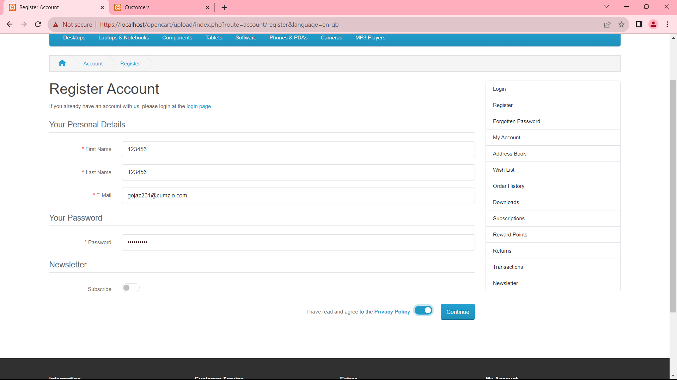
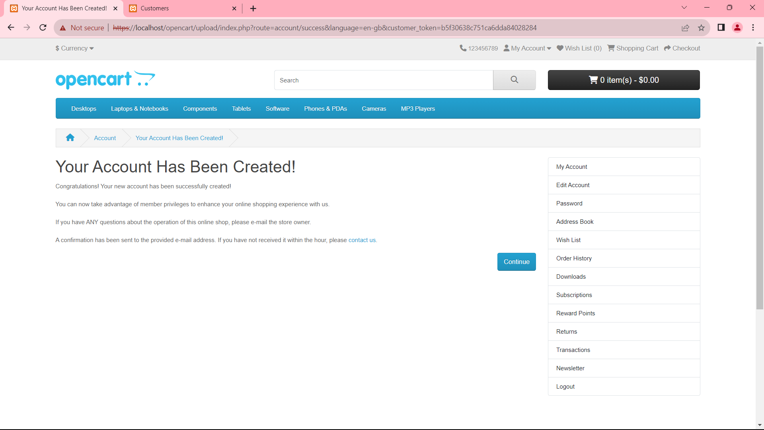
Objective | Evidence
To verify or check when in First name and Last name is filled with numbers and other fields are filled with valid details

DID_02
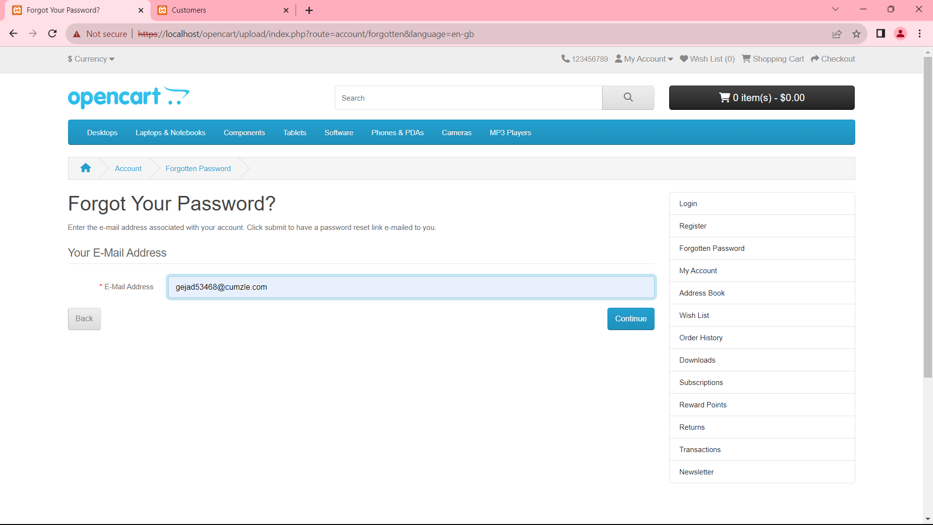
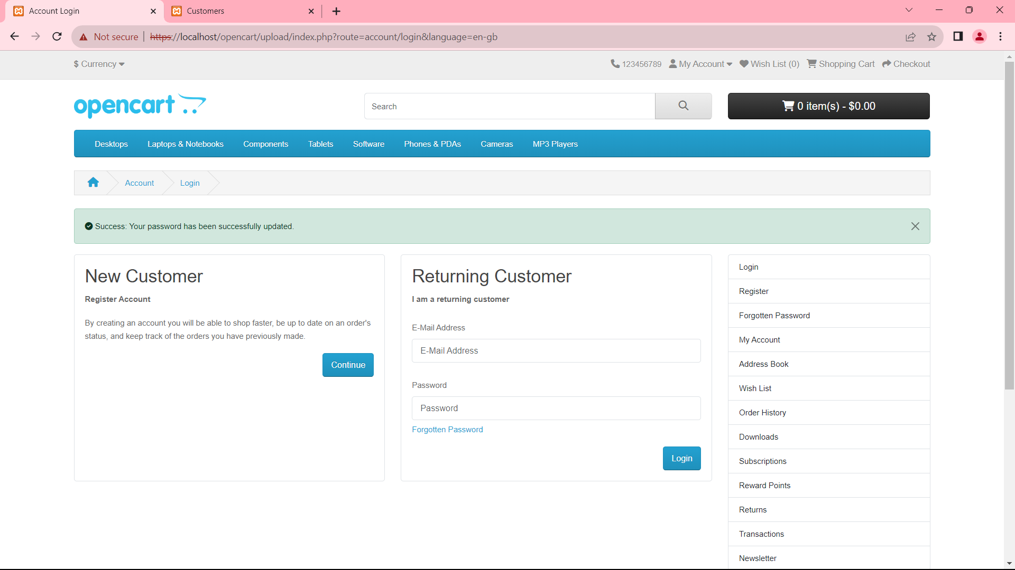
Objective | Evidence
To verify or check when E-mail Address is entered valid

DID_03
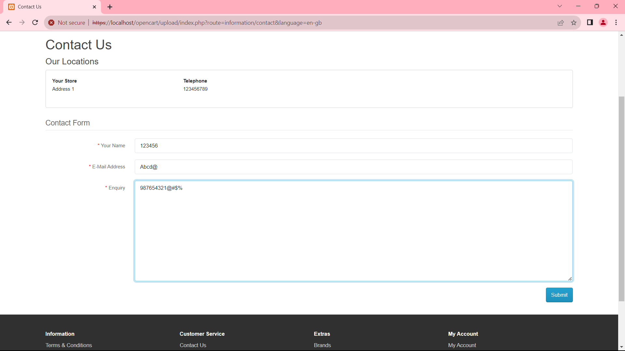
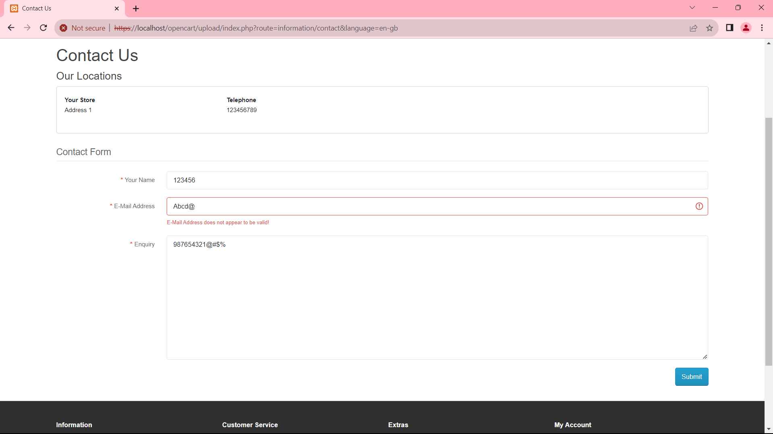
Objective | Evidence
To verify or check when all the fields entered with invalid details

