Sheet1
Employee Name : | BODDU SANDEEP | ID:
Employee Aisemi Mail id: |  | UAN No:
Joining Date:

EMPLOYEE PERSONAL DETAILS *** (Please share the soft copy of aadhar, PAN and passport)
Mr. | BODDU SANDEEP |  | 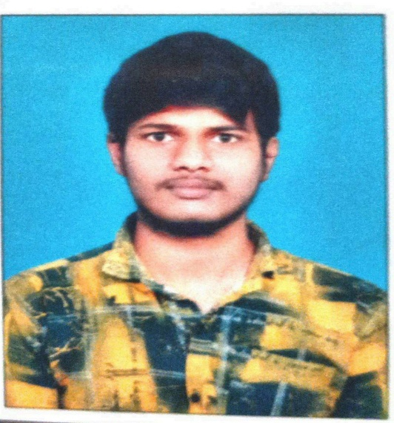 Passport Photo
DOB (As per Aadhar) | 25-Aug-2000
Gender | Male
Nationality | Indian
Mobile No | 7730852504
International Worker(Yes/No) | No
Differently Abled (Yes/No) | No
Marital Status | Un - Married
Personal Mail Id | sandeepbodduhfs5s6@gmail.com

Aadhar No | 9221 3221 3083
PAN No | NXRPS0932N
Passport No | ZA081947
Permanent Address | HNO:1-130 ,Main Road Chirumarthy,Nalgonda 508374

EMPLOYEE FAMILY DETAILS
Mother's Name | BODDU SAIDAMMA | Father's Name | BODDU SRINIVAS
Mobile No | 9618661009 | Mobile No | 9912527791
DOB |  | DOB
Occupation | Farmer | Occupation | Farmer

Spouse Name (If Applicable)
Mobile No
DOB
Occupation

EDUCATION DETAILS *** (Please share the SSC, 12th, Bachelor's, Master's education certificate)
CBSE (10th) | TSBSE | INTERMEDIATE | TSBIE
Year Of Passing | 2015 | Year Of Passing | 2017
Institute Name | ZPHS AGA MOTHKUR | Institute Name | SRI GOUTHAMI JR COLLEGE,MIRYALAGUDA
CGPA | 8.3 | Percentage | 85%

Bachelor's Degree | B.TECH(ECE) | Master's Degree
Institute Name | Mahatma Gandhi University,Nalgonda | Institute Name
Year Of Passing | 2022 | Year Of Passing
Percentage | 68.3 | Percentage

EMPLOYMENT DETAILS *** (Please share the previous employement relieving and experience letters)
Company - 1 (Latest) |  | Company - 2
Company Name |  | Company Name
Desigation |  | Desigation
Experience in Yrs. |  | Experience in Yrs.
Joining Date |  | Joining Date
Relieving Date |  | Relieving Date
Email id |  | Email id

Company - 3 |  | Company - 4
Company Name |  | Company Name
Desigation |  | Desigation
Experience in Yrs. |  | Experience in Yrs.
Joining Date |  | Joining Date
Relieving Date |  | Relieving Date
Email id |  | Email id

INSURANCE DETAILS
Dependant Name - 1 |  | Dependant Name - 2
Dependant Name |  | Dependant Name
DOB |  | DOB
Address |  | Address
Phone Number |  | Phone Number

Nominee Name
DOB
Address
Phone Number

PF DETAILS *** (Please share the pervious company PF service history)
PF Acount No
UAN No

