Block-Diagram
Block Diagram | 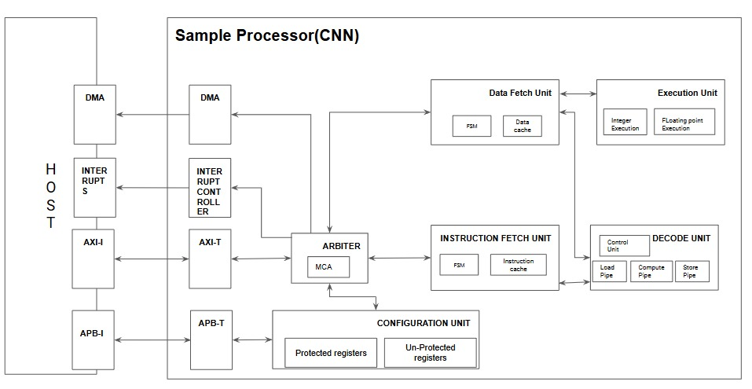
 |  |  |  |  |  |  |  |  | 0.00001
S.No. | Design Hierarchy(Part/Sub-Part) | Sub Part 1 | Sub Part 2 | Sub Part 3 | Description | Gate Count | FIT Permanent | FM Distribution Permanent | Bit Count | FIT Transient | FM Distribution Transient
1 | Arbiter | Arbiter |  |  | The Arbiter access to shared resources among modules such as DMA, AXI-T, APB-T, and the Configuration Unit. It centrally manages resource requests, resolves contention using prioritization, and regulates data flow between the host and processing units like the Data Fetch Unit and Instruction Fetch Unit.

 |  |  |  |  |  |  | 0 | #DIV/0! |  | 0

