bugs
Bug_ID | Description | Steps | Actual_Result | Expected_Result | Severity | Priority | Proof | Error_Type
#bug_0001 | Title: In Category section of Item selection page. when sub- categories are being shown, the parent categories are not being shown | 1. click on Category button (ER-1) 2. check for the parent category (ER-2) | 1. sub-categories are expanded 2. parent categories are not showing | 1. parent categories should have shown | Average |  | 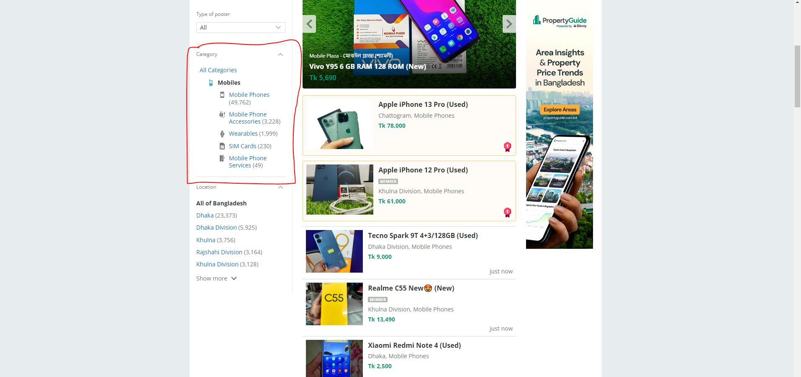
#bug_0002 | Title: In Location section of Item selection page. when areas under location are being shown, the parent locations are not being shown | 1. click on Location button (ER-1) 2. check for the Location(ER-2) | 1. areas are expanded 2. Location are not showing | 1. location should have shown | Average |  | 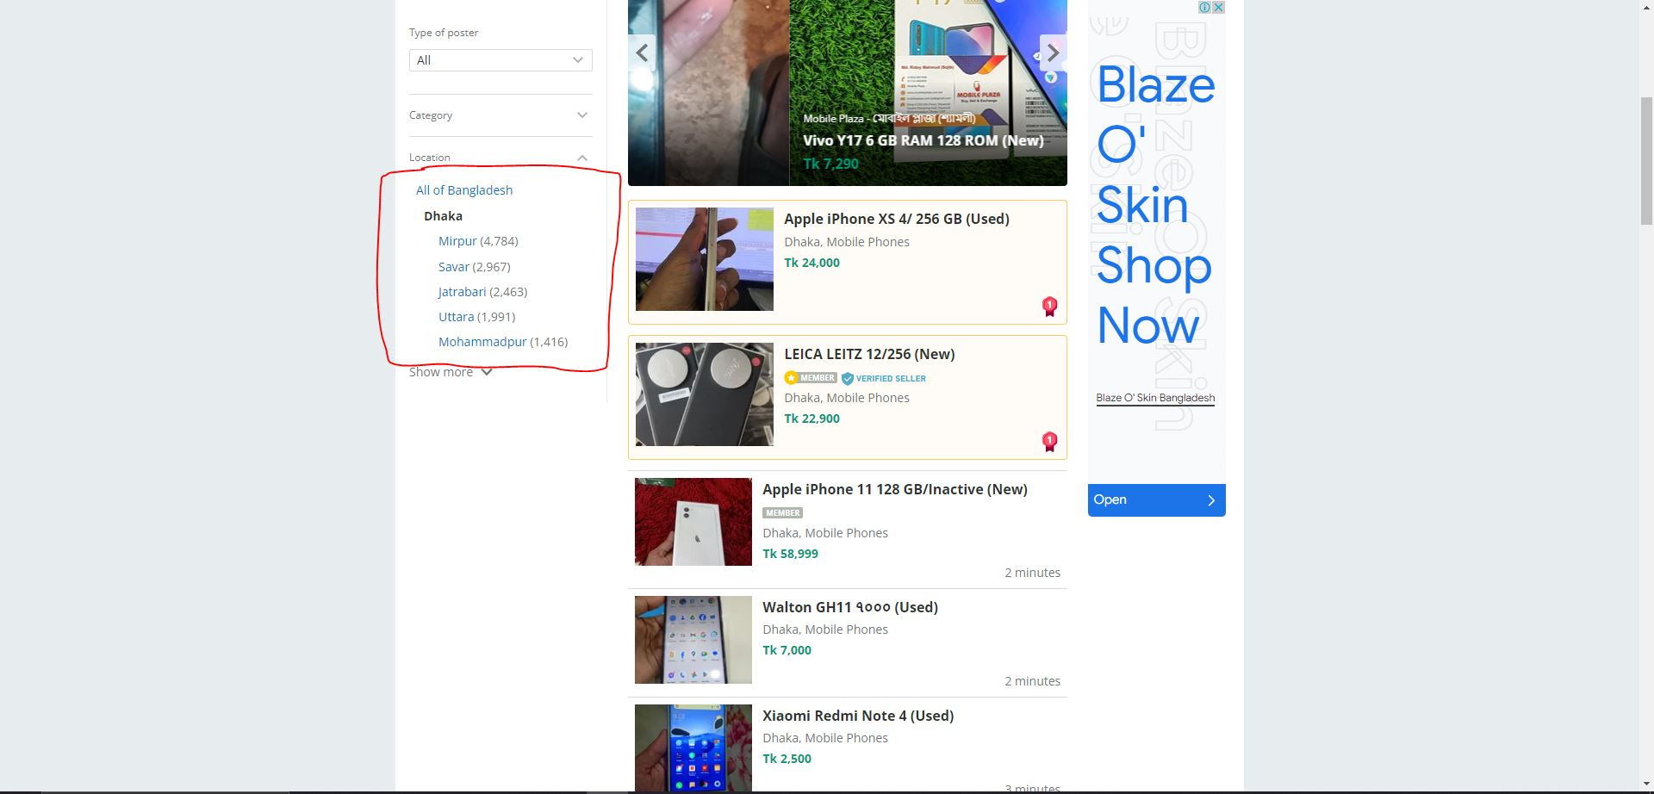
#bug_0003 | Title: One user is able to promote other's Ad (promotion of ad should be self oriented) | 1. click on an item in list 2. scroll down the item descriptor page 3. check for Promote this ad button | 1. move the item descriptor page for that item 2. Promote this ad button existed | 1. Promote this ad button should not be there | Major |  | 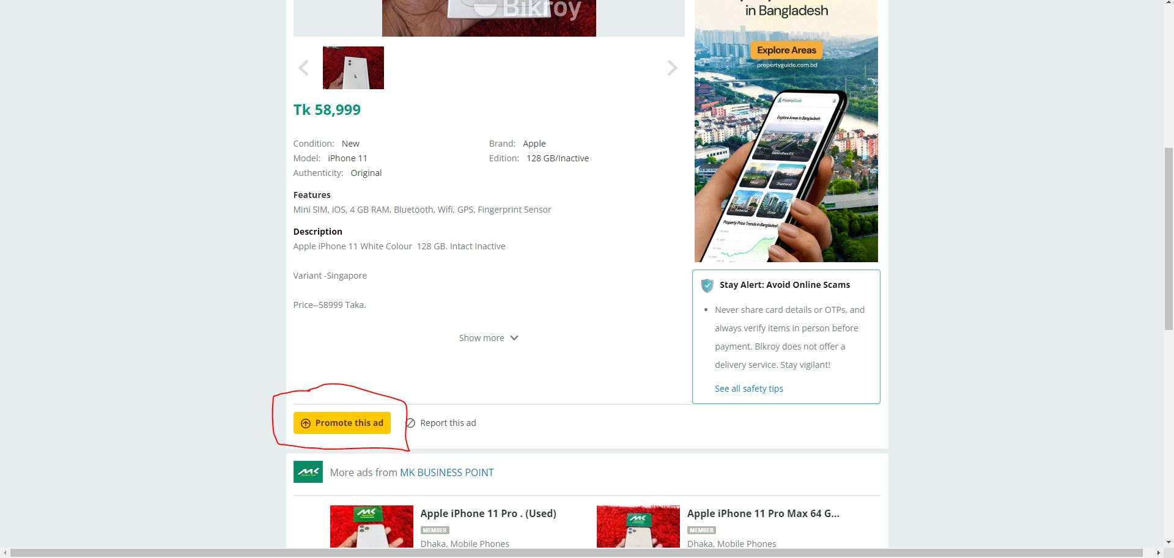
#bug_0004 | Title: showing more that 25 ads in the list (different top ads are included) | 1. check under the items list title 2. it shows 25 items per page 3. count items included the top ads | 1. the count was 27 items including top ads | 1. the count should be 25 items | Average |  | 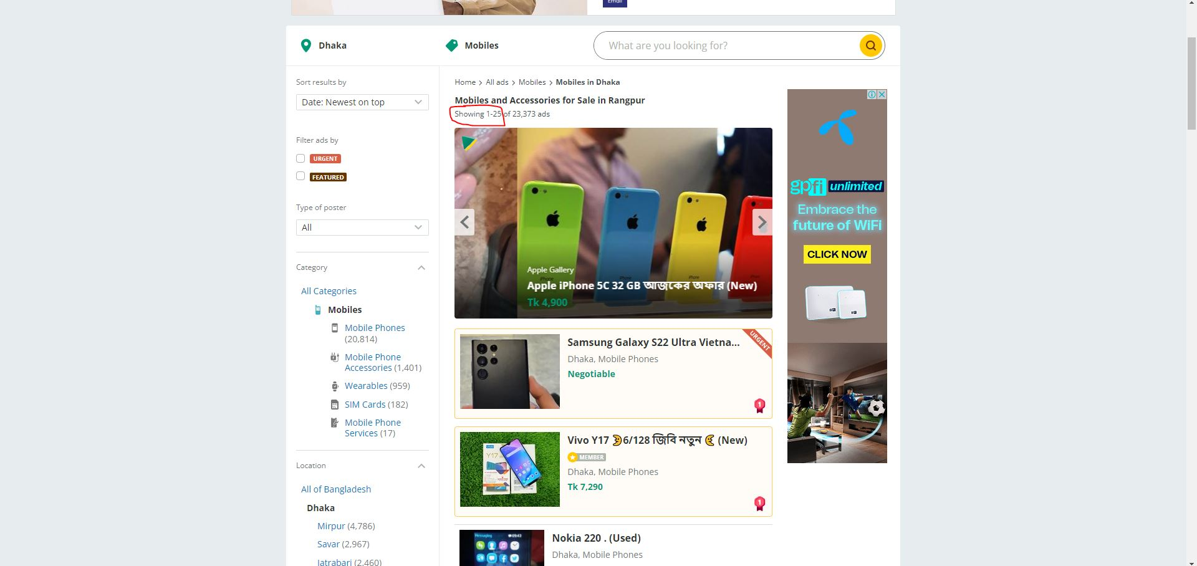
#bug_0005 | Title: clicking on 'all categories'>'mobile' is showing the title 'Mobiles and Accessories for Sale in Bangladesh' | 1. click on All categories 2. click on Mobiles 3. check items list title | 1. displayed title 'Mobiles and Accessories for Sale in Bangladesh' | 1. should display 'Moblies for Sale in Bangladesh | Minor |  | 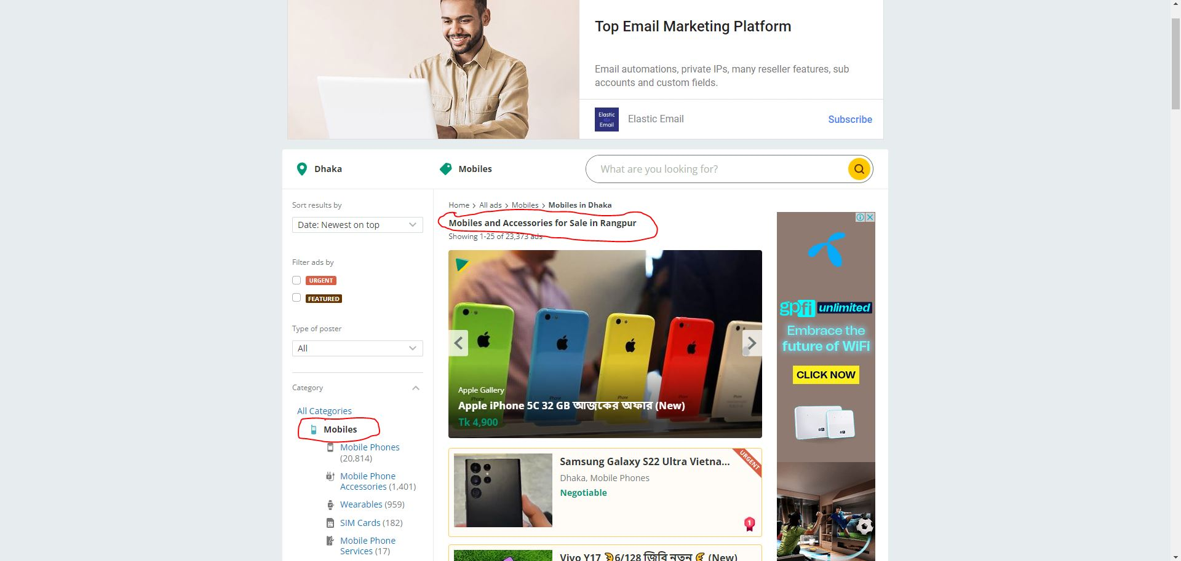
#bug_0006 | Title: soudi arabia county is present in All of Bangladesh location | 1. click Show More button in Location section of item selection page | 1. soudi arabia county is present in All of Bangladesh location | 1. Soudi Arabia button should have same lavel like 'All of Bangladesh' button | Minor |  | 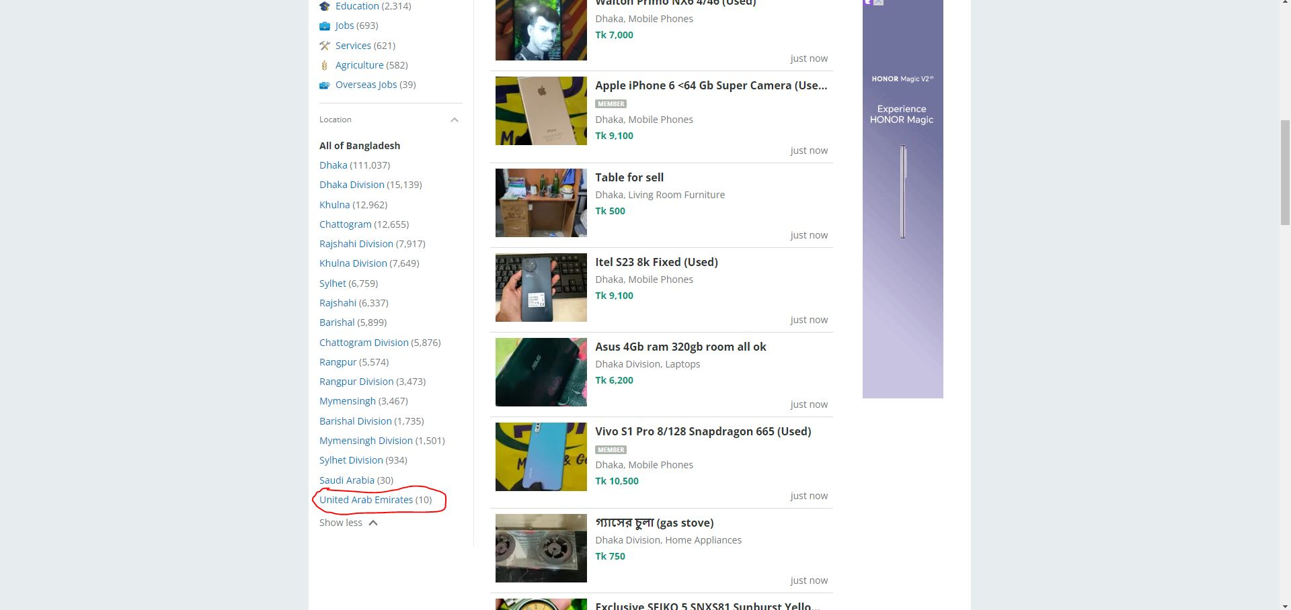
#bug_0007 | Title: categories should be in alphabetic order | 1. click Show More button in Category section of item selection page | 1. catogory names are not in alphabatic sequence | 1. Category name should be in alphabatic order to find Categories easily | Minor |  | 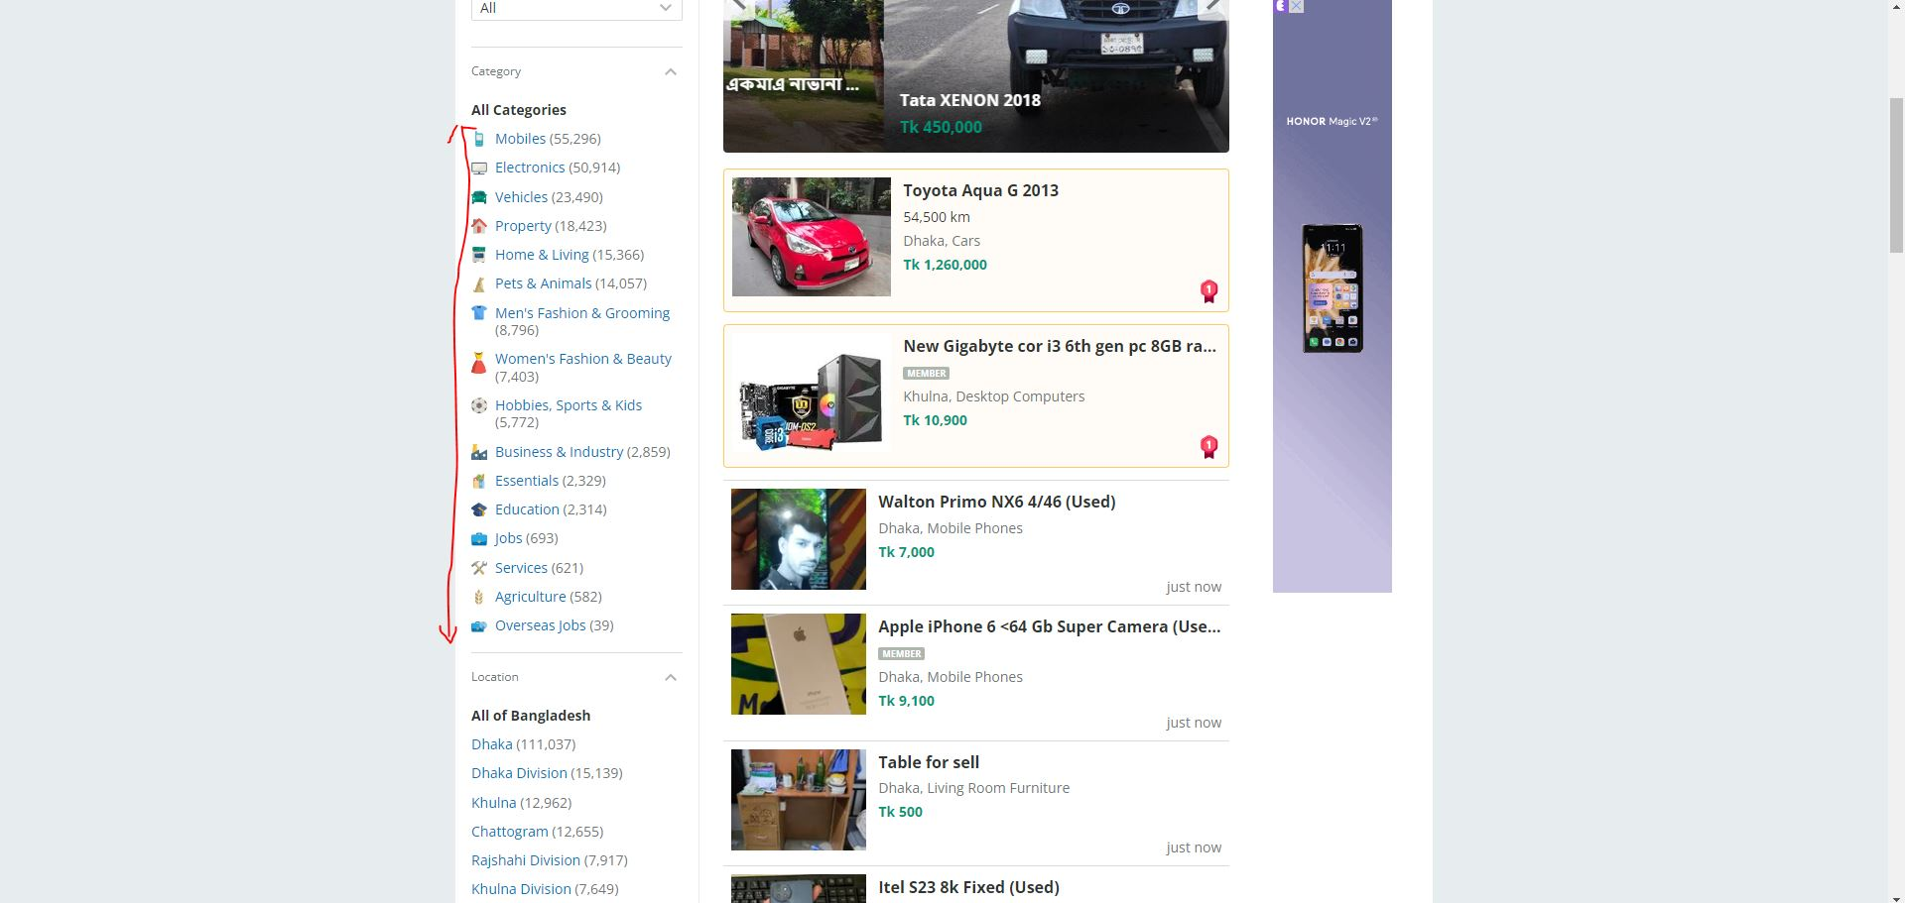
#bug_0008 | Title: Location should be in alphabetic order | 1. click Show More button in Location section of item selection page | 1. Location names are not in alphabatic sequence | 1. Location should be in alphabatic order to find Location easily | Minor |  | 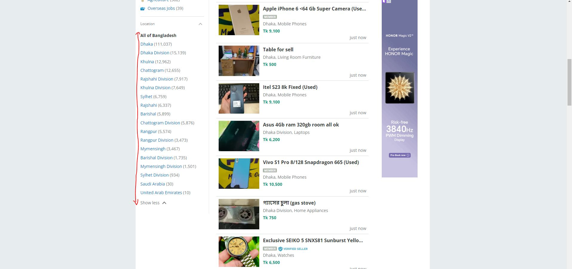
#bug_0009 | Title: clicking on 'all categories'>'Home & Living'>'Office & Shop Furniture' provides the title 'Office Furniture for Sale in Bangladesh' | 1. click Home & Living 2. click on Office & Shop Furniture | 1. displayed 'Office Furniture for Sale in Bangladesh' as title | 1. Should display 'Office and shop Furniture for Sale in Bangladesh' | Minor |  | 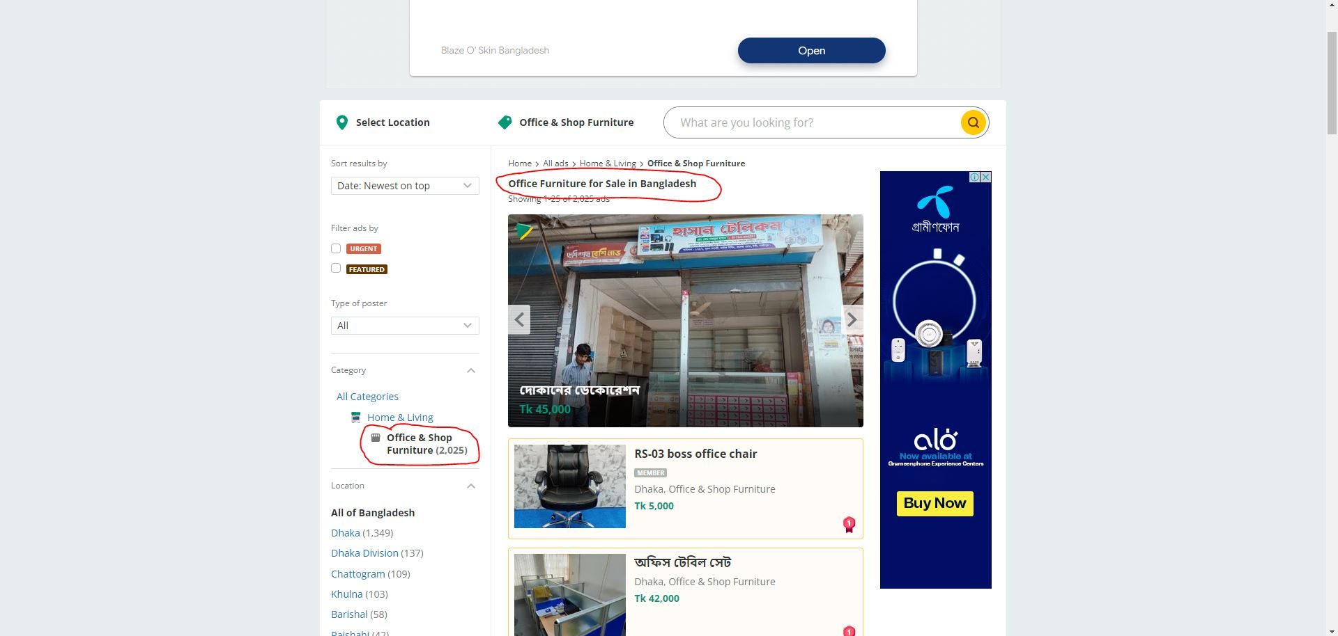
#bug_0010 | Title: clicking on 'all categories'>'Pets & Animals'>'Other Pets & Animals' provides the title 'All type of Pets and Animals for Sale in Bangladesh' | 1. click on 'Pets & Animals' 2. click on Other Pets & Animals | 1. displayed All type of Pets and Animals for Sale in Bangladesh as title | 1. Should display 'Other type of Pets and Animals for Sale in Bangladesh' as title | Minor |  | 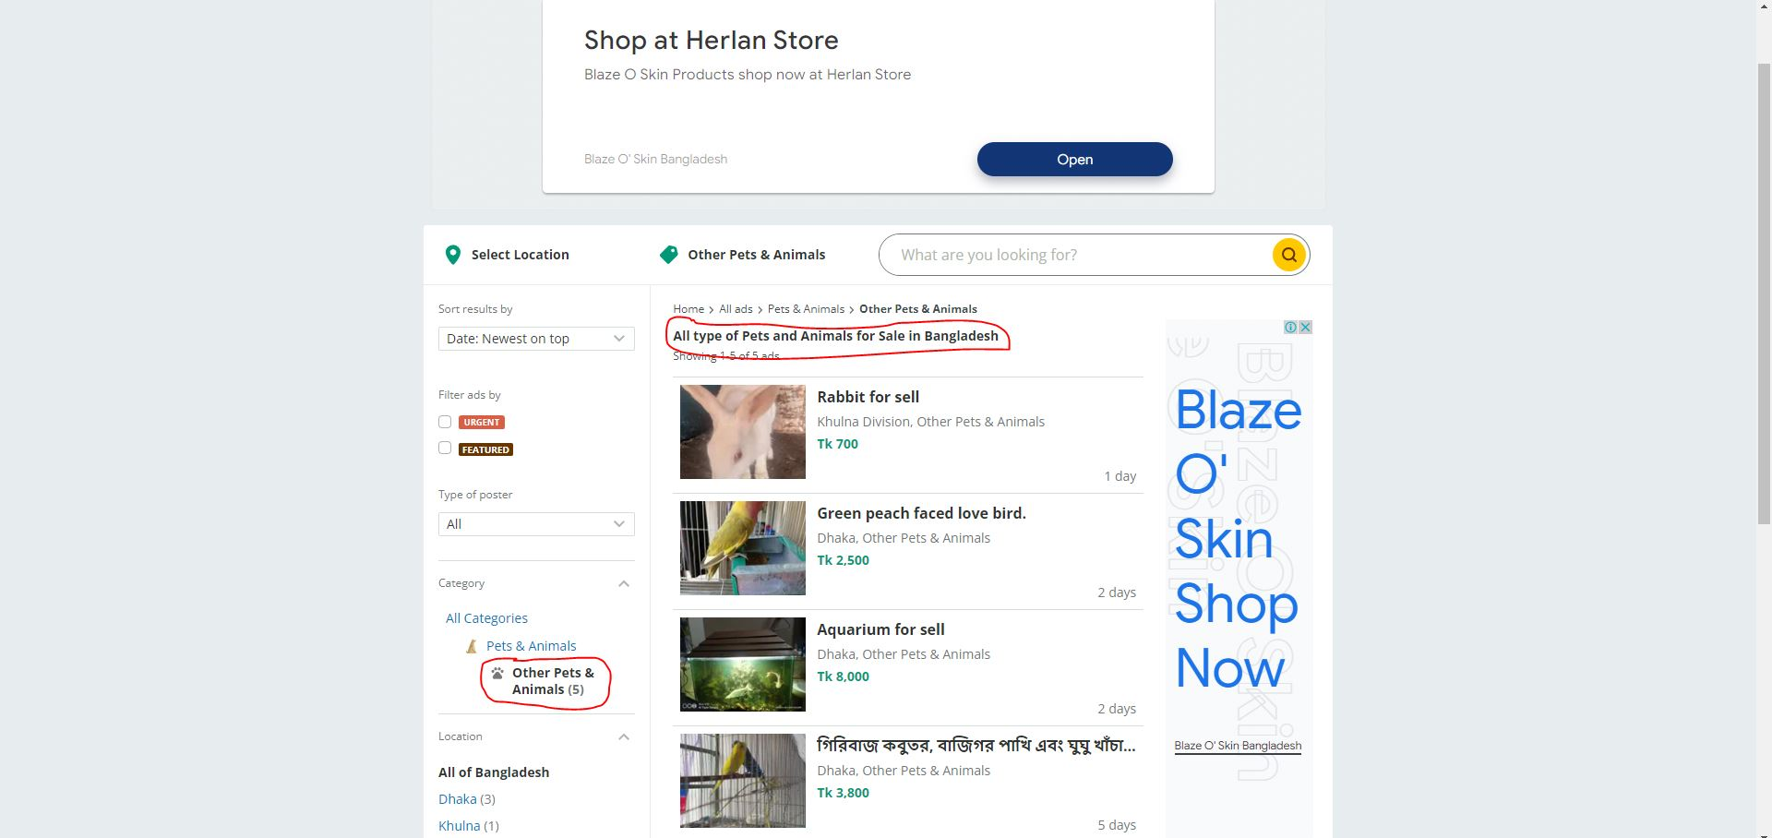
#bug_0011 | Title: clicking on 'all categories'>'Men's Fashion & Grooming'>'Baby Boy's Fashion' provides the title 'Fashion Items for Body Boys in Bangladesh' (title spelling) | 1. click on 'Men's Fashion & Grooming' 2. click on 'Baby Boy's Fashion' | 1. The spelling of the title is wrong | 1. Should display 'Fashion Items for Baby Boys in Bangladesh' | Minor |  | 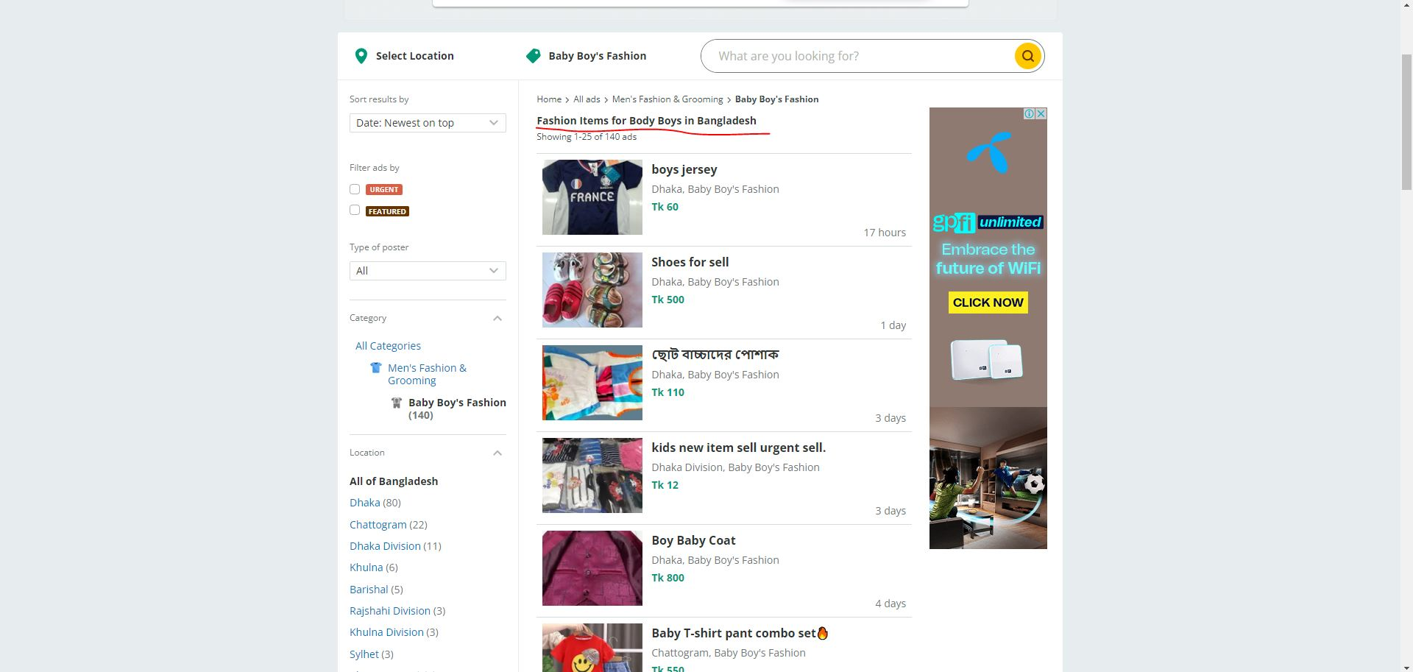
#bug_0012 | Title: clicking on 'all categories'>'Hobbies, Sports & Kids'>'Other Hobby, Sport & Kids items' provides the title 'Kids & Sports Items for Sale in Bangladesh' | 1. click on 'Hobbies, Sports & Kids 2. click on Other Hobby, Sport & Kids items | 1. There is no mention of Other in the title 'Kids & Sports Items for Sale in Bangladesh' | 1. Should display 'Other Kids & Sports Items for Sale in Bangladesh' as title | Minor |  | 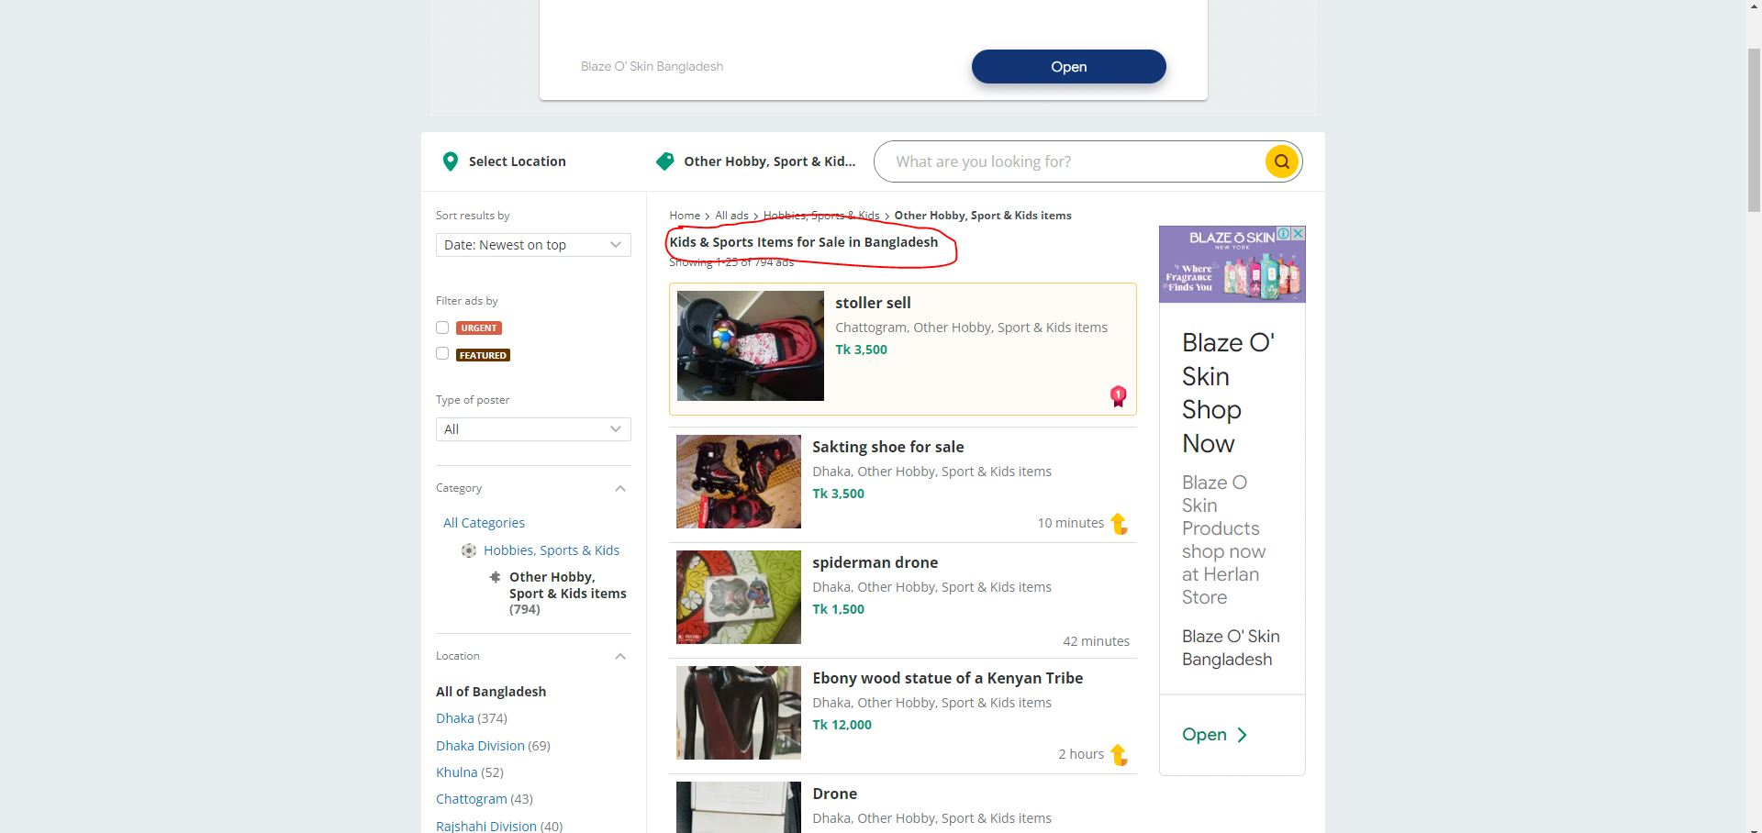
#bug_0013 | Title: clicking on 'all categories'>'Business & Industry'>'Other Business & Industry Items' provides the title 'General Business and industry items for sale in Bangladesh' | 1. click on 'Business & Industry 2. click on 'Other Business & Industry Items' | 1. displayed title 'General Business and industry items for sale in Bangladesh' | 1. Should display 'Other Business and industry items for sale in Bangladesh' as title | Minor |  | 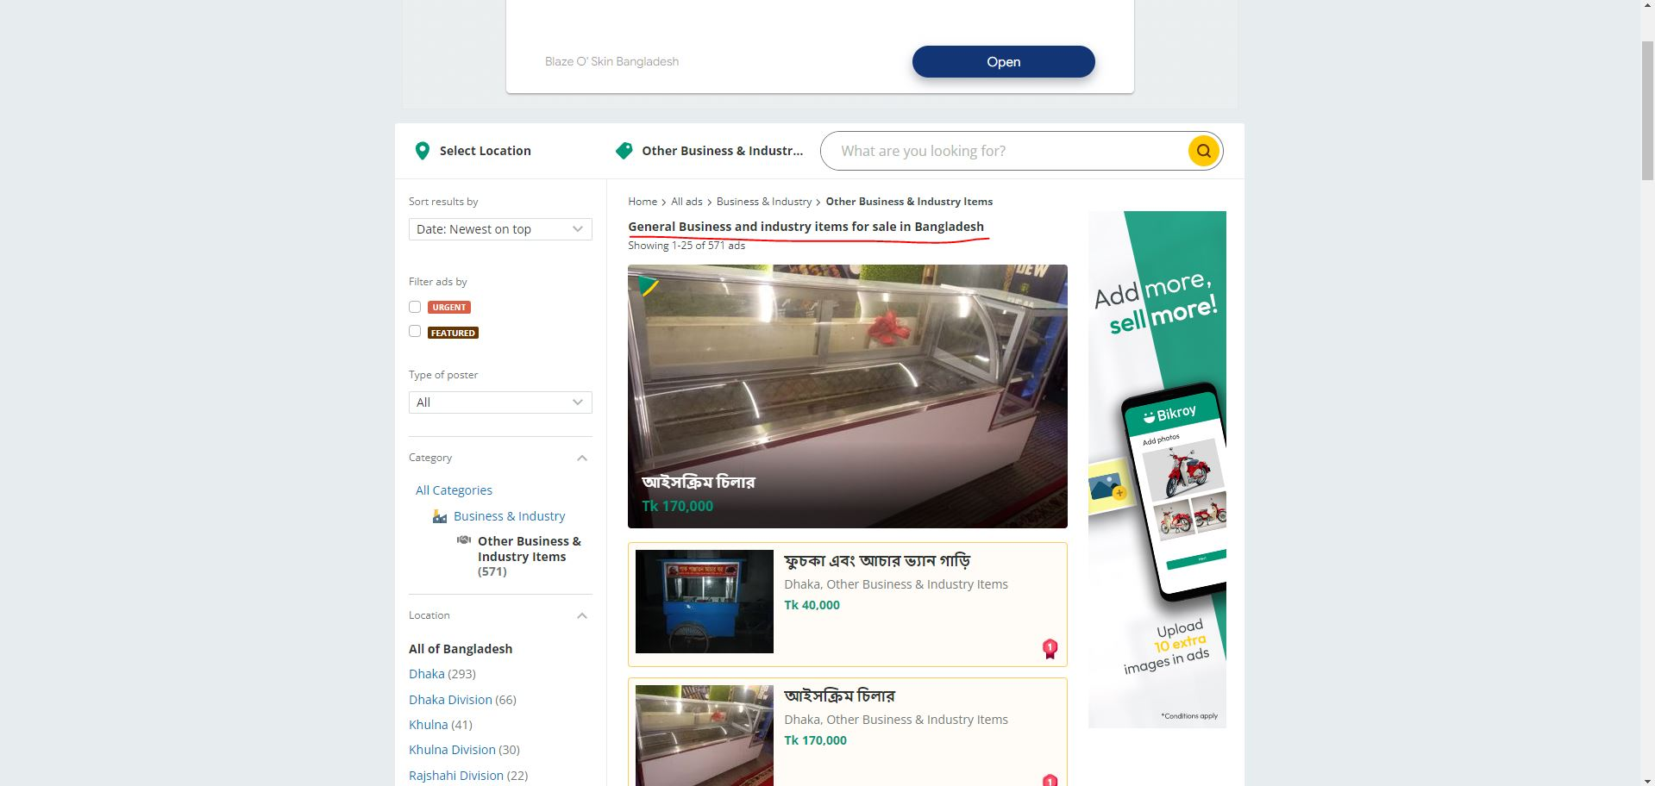
#bug_0014 | Title: clicking on 'all categories'>'Essentials'>'Other Essentials' provides the title 'Buy Cooking Gas Online in Bangladesh' | 1. click on Essestials 2. click on 'Other Essentials' | 1. displayed title 'Buy Cooking Gas Online in Bangladesh' | 1. Should display 'Buy Cooking Gas Online in Bangladesh' as title | Average |  | 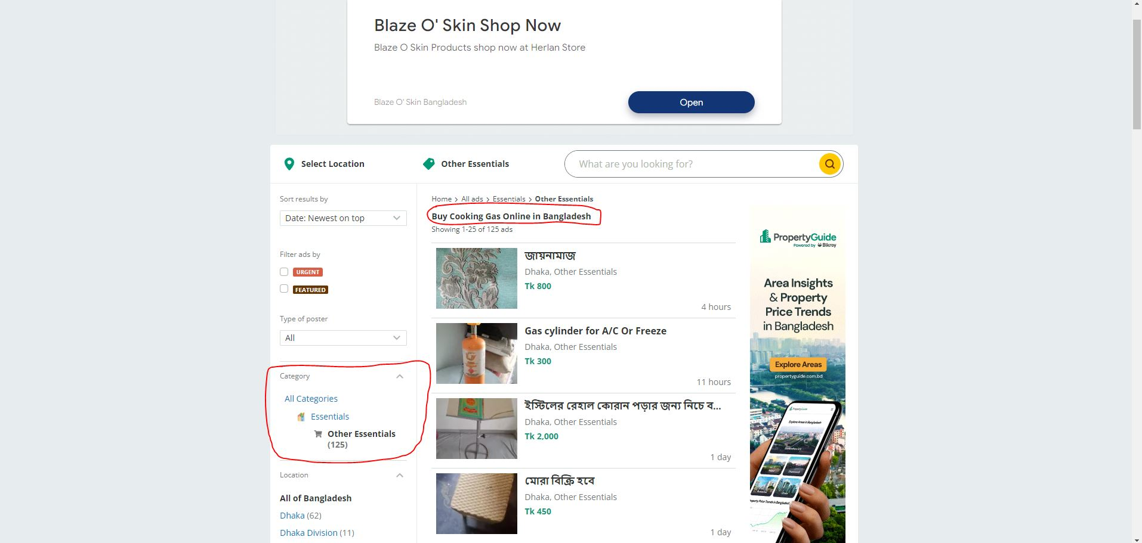
#bug_0015 | Title: clicking on 'all categories'>'Education'>'Other Education' provides the title 'Educational assistance services in Bangladesh' | 1. click on Education 2. click on Other Education | 1. displayed title 'Educational assistance services in Bangladesh' | 1. Should display 'Educational services in Bangladesh' as title | Minor |  | 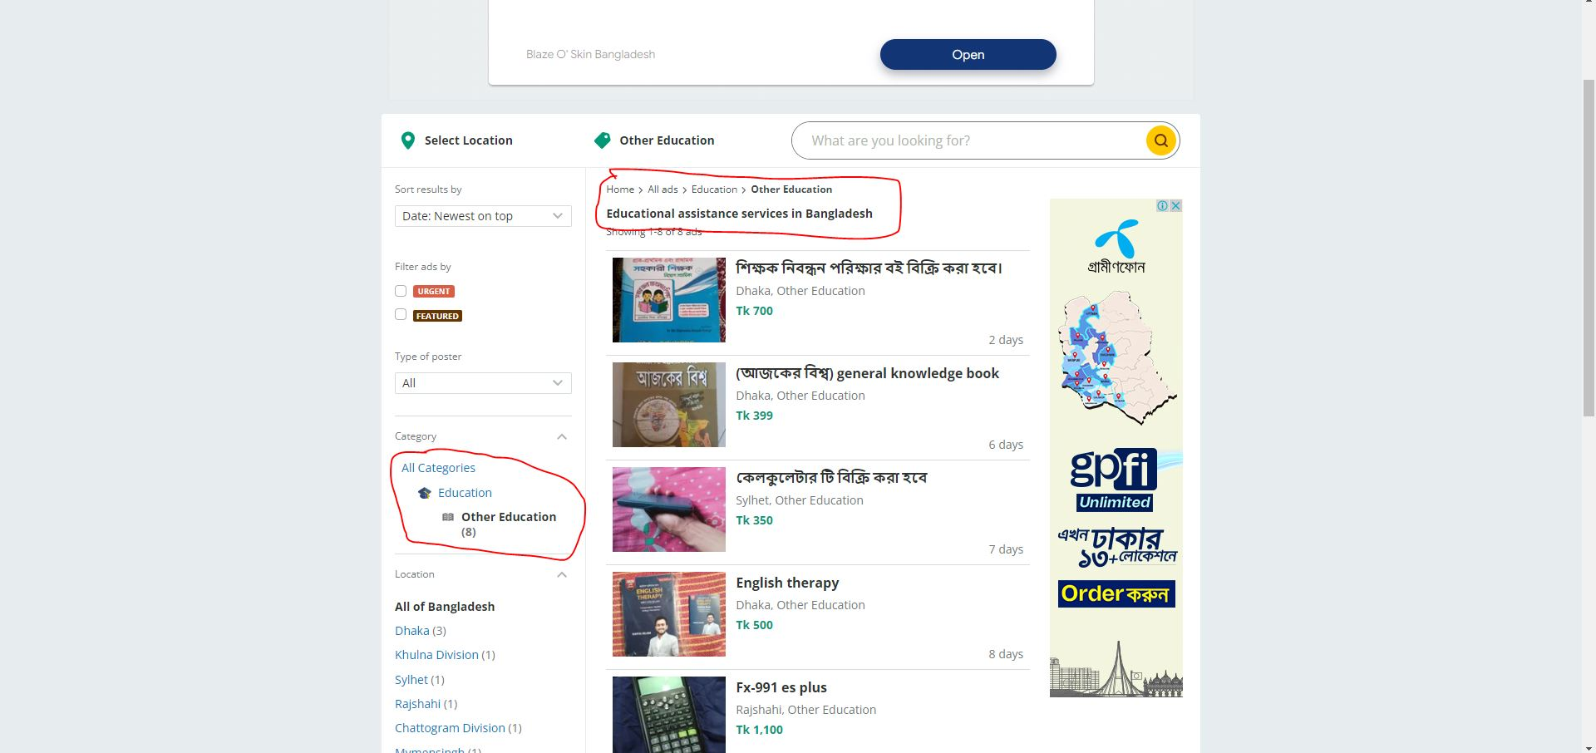
#bug_0016 | Title: clicking on 'all categories'>'Agriculture'>'Other Agriculture' provides the title 'All types of Agricultural Items for Sale in Bangladesh' | 1. click on Agriculture 2. click on Other Agriculture | 1. displayed title 'All types of Agricultural Items for Sale in Bangladesh' | 1. Should display 'Other types of Agricultural Items for Sale in Bangladesh' as title | Minor |  | 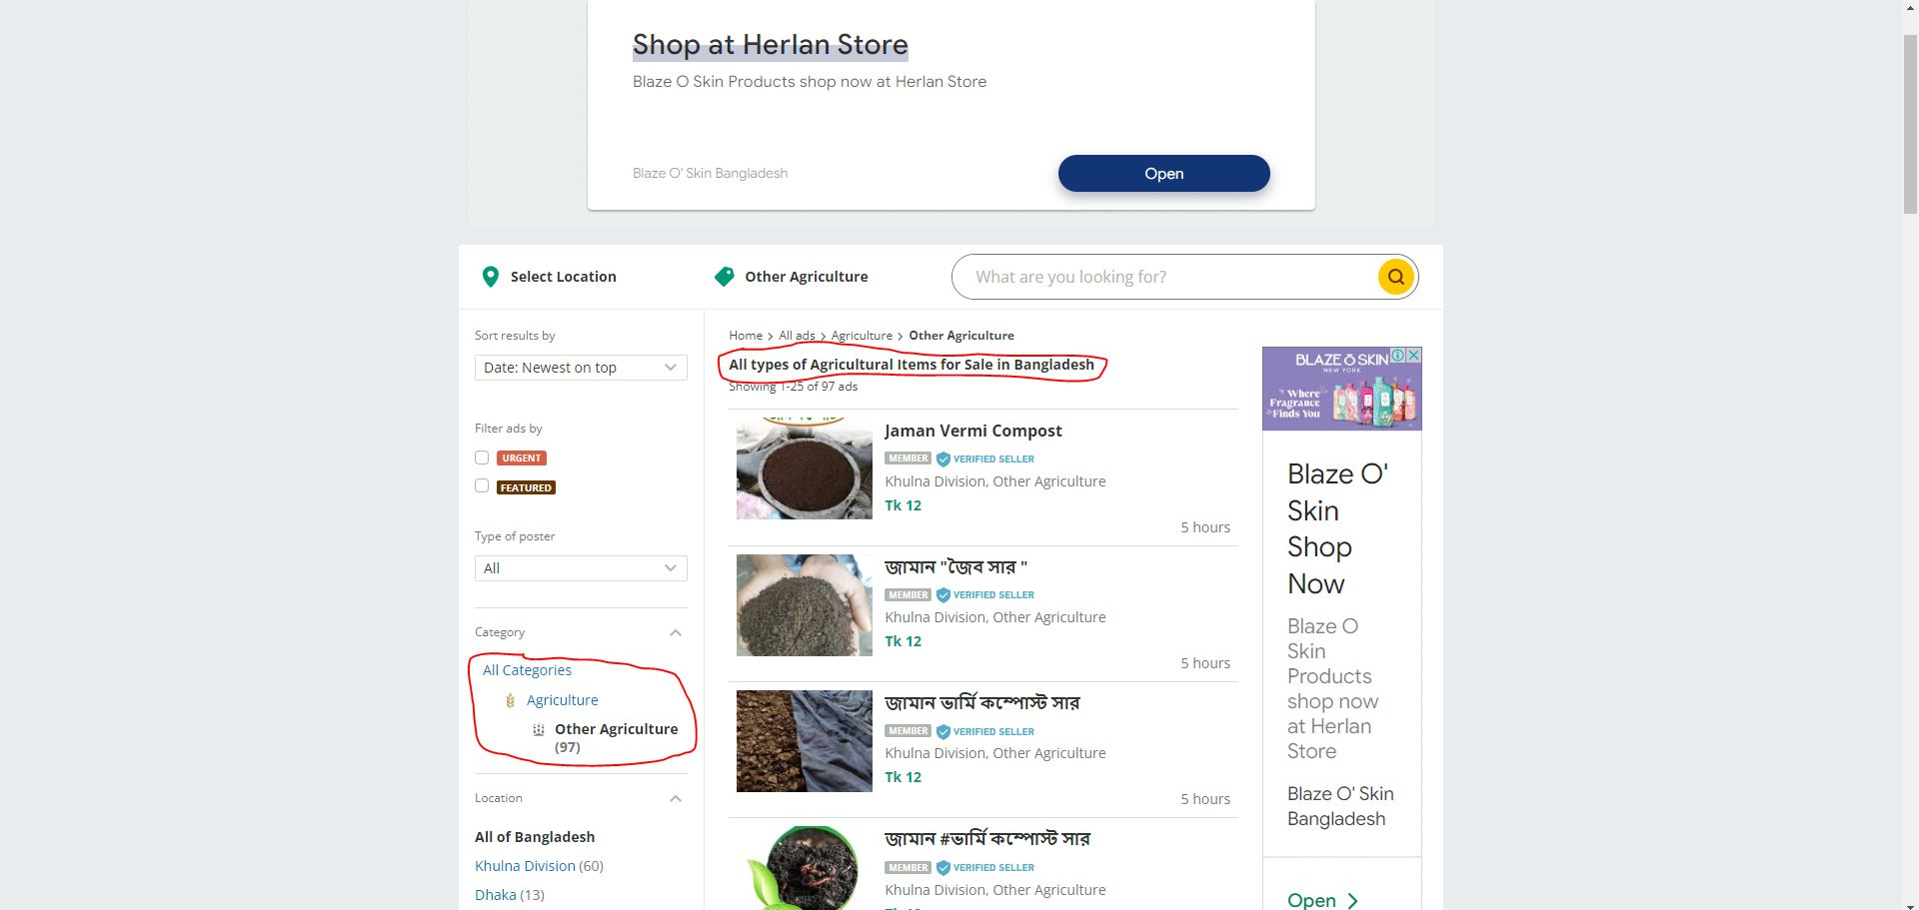
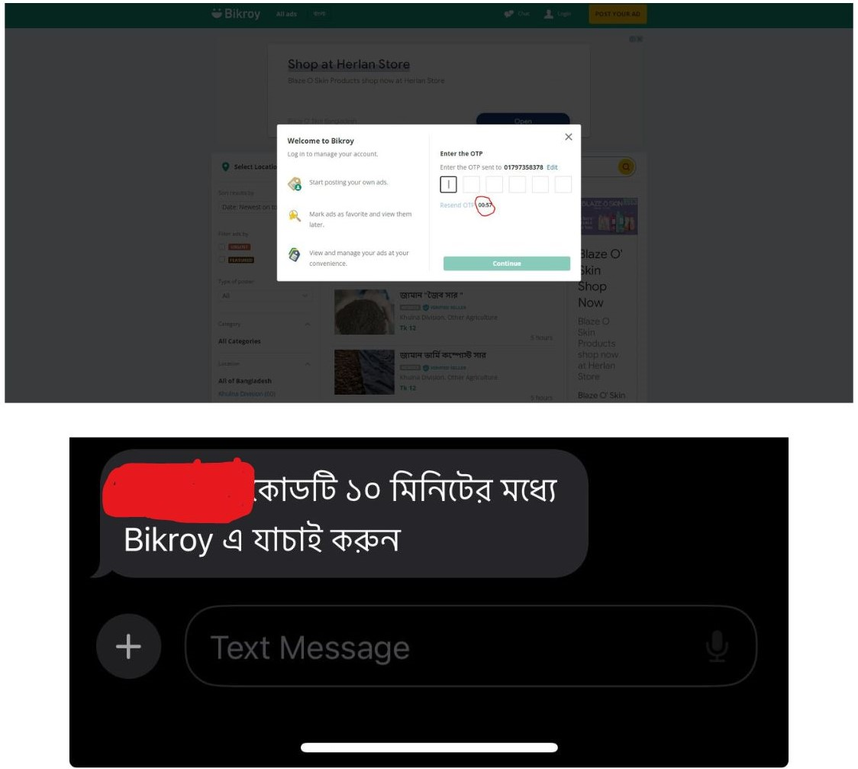
#bug_0017 | Title: phone number login OTP expiry durations are not showing same in phone(10 mins) and website(60secs) | 1. click on Login 2. put number as value of input field for the login 3. click on continue | 1. in website the expiry duration of OTP was 60 seconds and the phone shows 10 minutes as expiry duration | 1. after 60 seconds OTP should not have worked | Major

