PRD
Product Requirement Document (PRD) - Version: 1.0

Template Name |  | Job Marketplace
Goals & Objective |  | The goal is to find relevant job, to attract and hire suitable candidates quickly and to maintain a functional, secure and engaging platform. From this website user can : - Job seekers can manage job profile - Job seekers can search for jobs - Can generate notifications - Employers can create job posts - View a list of candidates who applied for their job postings - Users can update their profile information
Client Information
Product Type |  | Web Application
Domain |  | Web2
Access Layers |  | Job Seekers, Employers and Admin
Design Required |  | Yes

Phase | Item No | Specification [Role] | User Story | Acceptance Criteria | UI Screen / Wireframe | Tags
Feature: 1 |  | Autthentication
phase 1 | 1 | 1. Sign-Up Menu | -Full Name: User inputs their full name. -Email: Must be an unregistered email address (system checks for uniqueness). -Address: Must be a valid address -Password: Minimum 8 characters, including at least one special character. -Confirm Password: Must exactly match the password. -Signup (Button): Registers the user if all validations pass, and the email is unique in the database. - | -The email field will only accept a valid and unique email address. -If the email is already associated with an account, an error message will display: "This email is already registered. Please use a different one." -Passwords must be at least 8 characters in length. -If the entered password does not meet this requirement, the system will show: "Invalid password. It must be at least 8 characters long." -A "Confirm Password" field is included to verify the user’s password. -If the two passwords do not match, the system will display: "Passwords do not match. Please re-enter." -Users are required to select an account type (e.g., Personal or Business) via a dropdown or radio button. -If no option is chosen, a prompt will appear: "You must select an account type to continue." -Once the signup process is complete, users will be redirected to their personalized dashboard. | 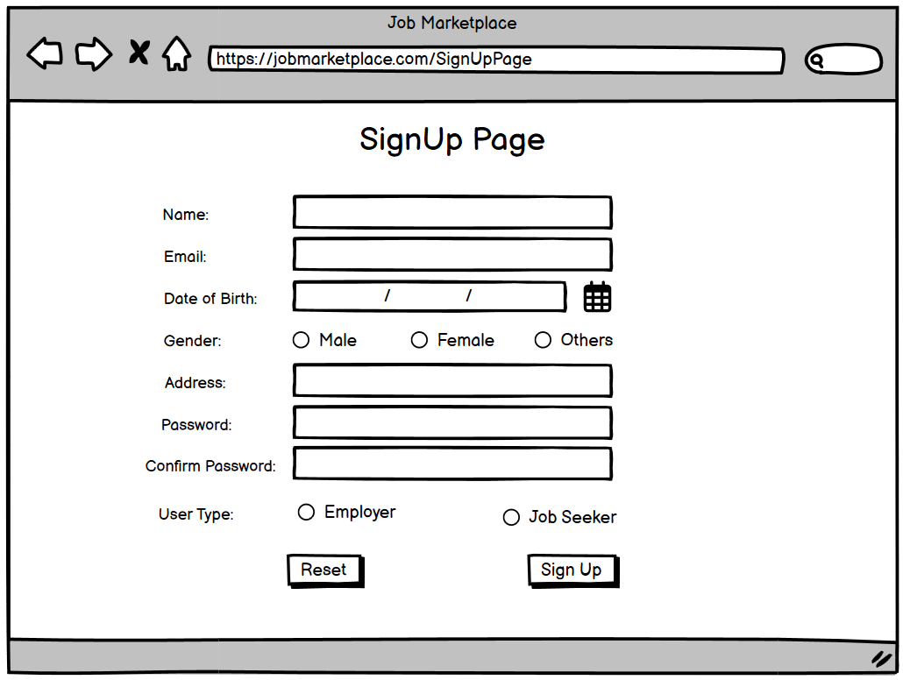 | signup
phase 1 | 2 | Signin | - Input Email (field) - Input Password (field) - Login (button) - Create Account (link) - Reset Password (link) | - The email must correspond to an email stored in the database. - The password must match the one associated with the email in the database. - If the email and password are correct, the user will be redirected to the dashboard. - If the email or password is incorrect, an error message will appear: *"Email or password is incorrect!"* - Clicking on **Signup** will navigate the user to the signup page. - Clicking on **Forgot Password** will redirect the user to the password recovery page. | 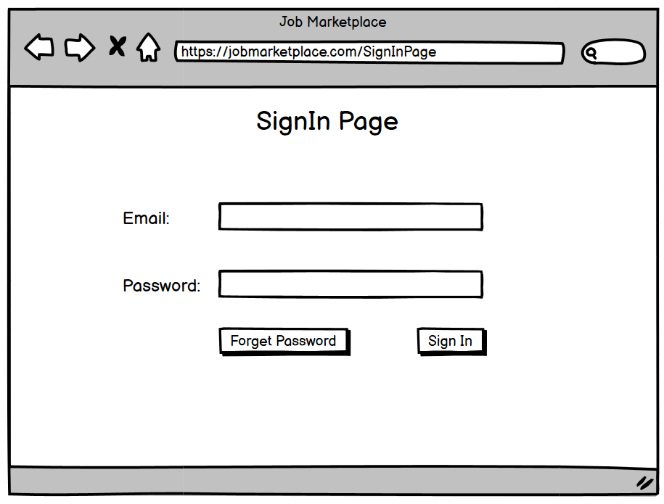 | signin
phase 1 | 3 | Forgot password | - Input email address (field) - Click **Send Code** (button) - Enter the new password (field) - Confirm the new password by re-typing it (field) - Click **Update Password** (button) to save the new password D18 |  | 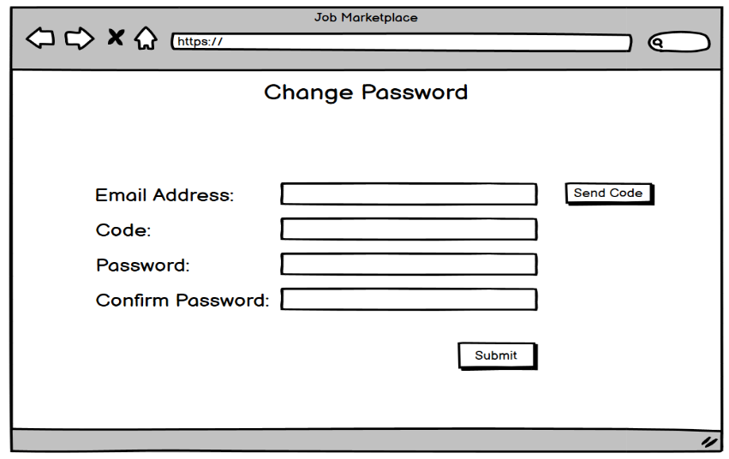 | forgot_password
Feature: 2 |  | Menu
phase 1 | 4 | Menu [Job Seeker] | --Dashboard -View Profile -Edit profile -Job Search -Job Applications - Change profile picture - Notifications - Change password - About | - clicking dashboard will take user to dashboard page -To phone number, email, or bank account-Generate a payment request -Categorized by date or type (e.g., received, sent, pending) -Utilities, mobile recharge, subscriptions, etc. -Budget tracking, savings goals, or investment options | 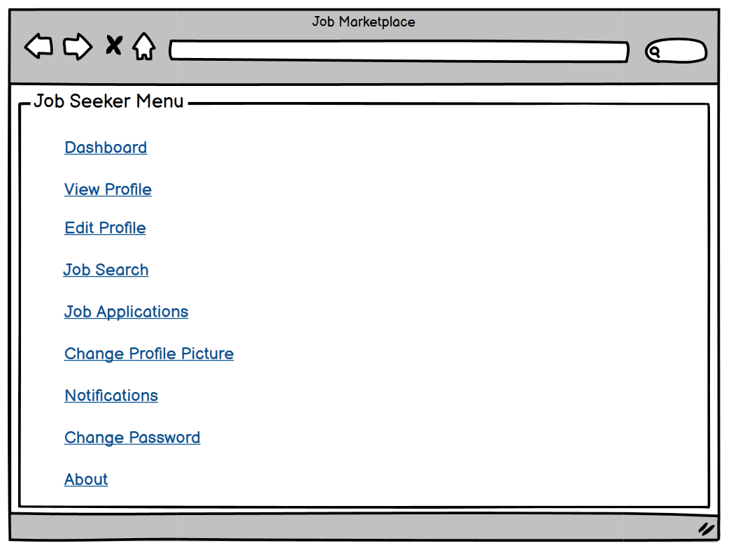 | Menu
phase 1 | 5 | Menu[Employer] | -Dashboard -View Profile -Edit profile -Job Search -Candidate management - Change profile picture - Notifications - Change password - About | - Clicking Dashboard will take the user to their payment dashboard. - Clicking Send Payment will navigate the user to the send money page. - Clicking Transaction Ledger will direct the user to the public ledger page. - Clicking Recent Transactions will take the user to the latest transaction page. - Clicking Initiate Transfer will guide the user to the mine payment blocks page. - Clicking Verify Transactions will lead the user to the verify blocks page. - Clicking View Account will bring the user to their profile page. - Clicking Edit Account will take the user to the profile editing page. - Clicking Update Profile Picture will navigate to the profile photo change page. - Clicking Change Password will direct the user to the password update page. | 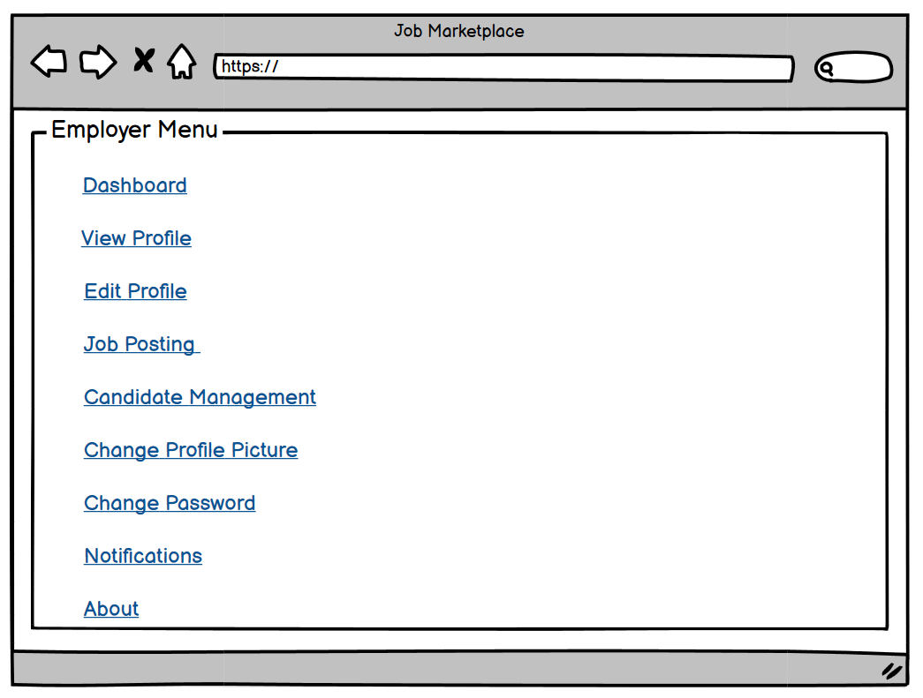
phase 1 | 6 | Menu[Admin] | -Dashboard -User Management -Job Management -Communication Management - Change profile picture - Change password - About | - Show appropriate balance (should not be less than 0) - Clicking transaction history link will take the user to the transaction history page - Public key is shown - Private key is only shown when clicked | 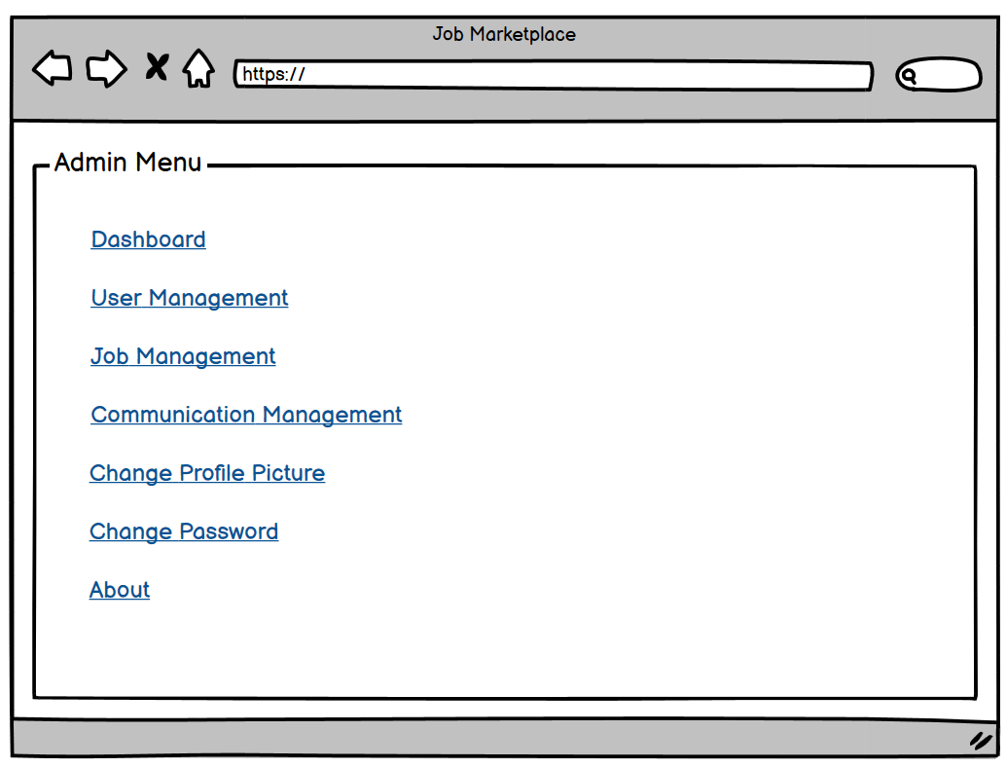
Feature: 3 |  | Edit Profile
phase 1 | 7 | Top bar | - Clicking on the logo will redirect the user to the dashboard - Clicking on logout will log the user out - Clicking on the username will take the user to their profile page | - logout should erase cookie and user should not be able to go to dashboard without login again | 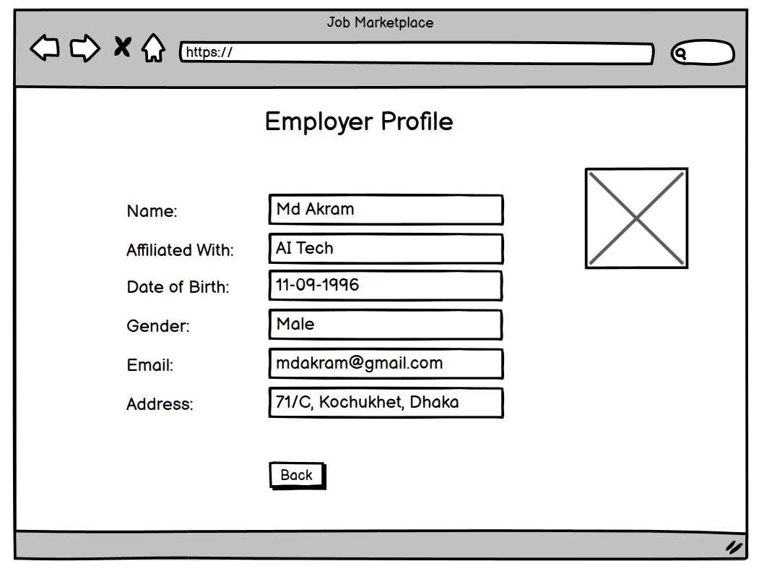
phase 1 | 8 | Bottom Bar | none | none | 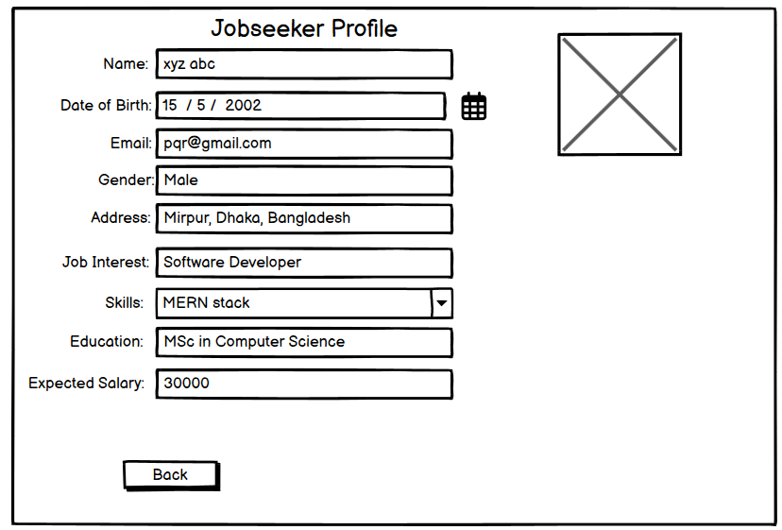
Feature: 4 |  | Send Money
phase 2 | 9 | Send Money[user][miner] | --Wallet balance -Linked E25Debit/credit card -Mobile number -Email address -Username -Bank account details (for direct transfer) | --Will show wallet balance [The amount must be less than or equals to user's current balance] -IF linked with Debit or Credit card Then Automatically show information -Must Be Used In Sing Up -Must Be enter Valid email address -Must Be Valid User Name -Bank Account information must Be Correct otherwise Transfer will be failed | 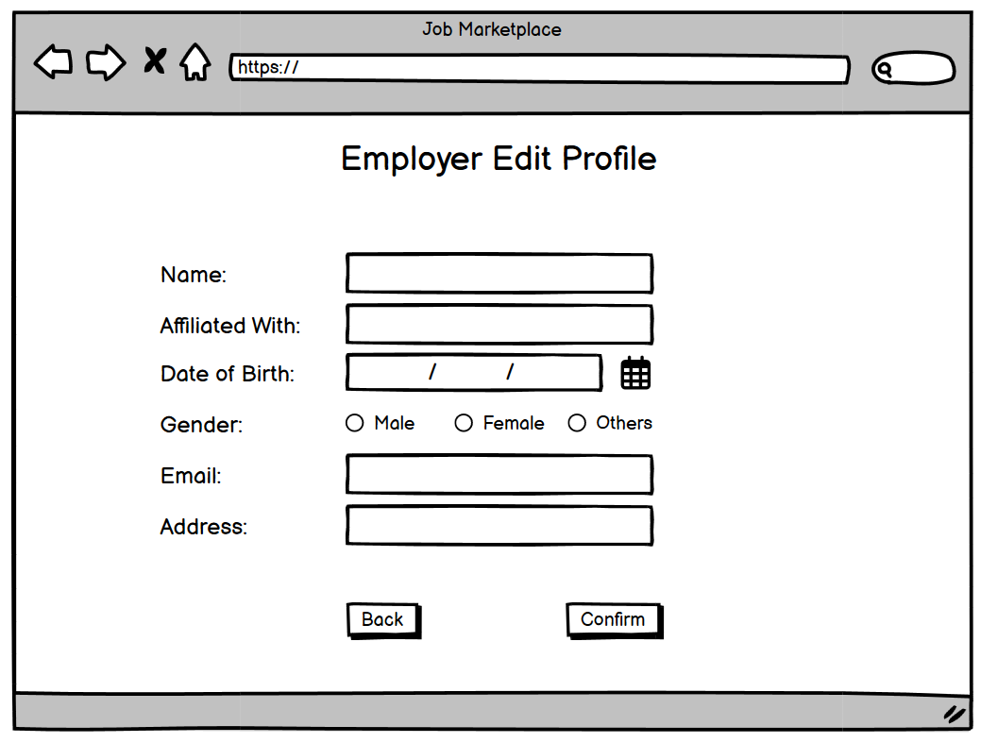 | 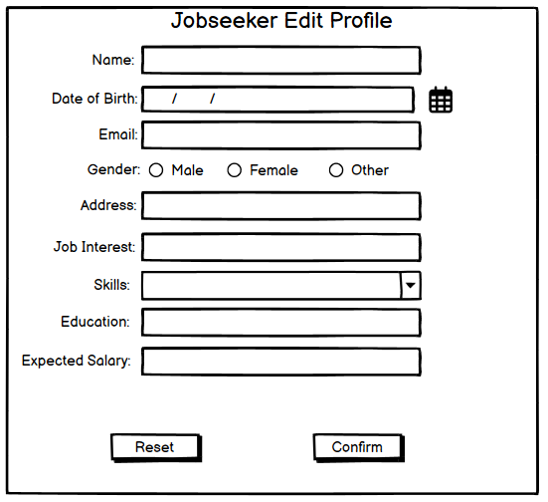

phase 2 | 10 | Public Ledger[user][miner] | - User can see transaction ID, time, and transaction amount. - User can click on any row to see the details of the transaction, which will redirect them to the transaction details page. | - Transaction ID, time, and transaction amount should be displayed in the list. - Clicking on any row will redirect the user to the transaction details page. | 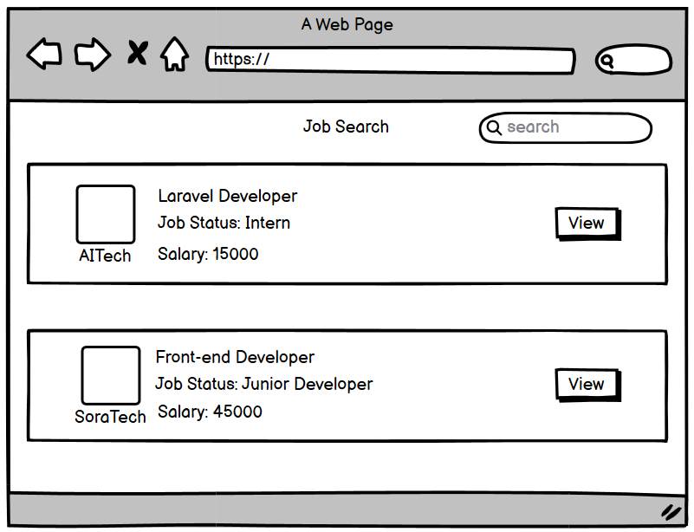
Feature: 6 |  | About Information
phase 2 | 11 | About | -All the Information a user will need to know. |  | 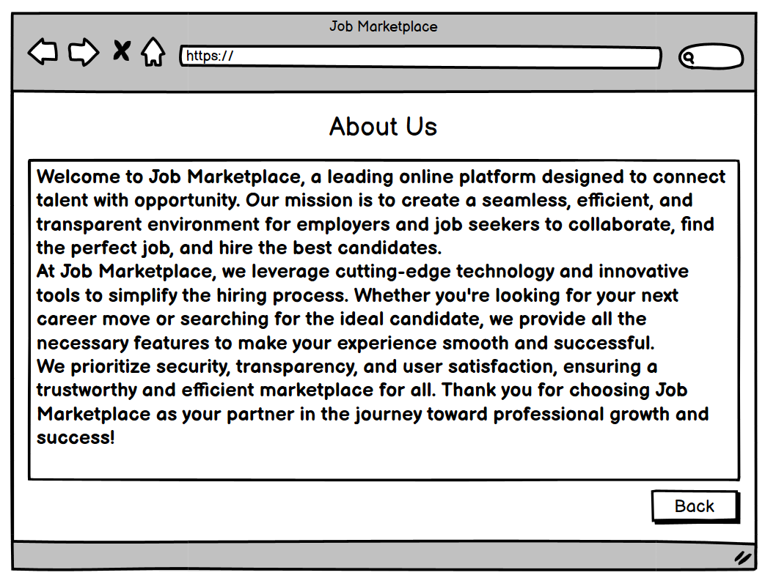
Feature: 7 |  | Mempool
phase 2 | 12 | Mempool[miner] | - unconfirmed trx ids (text) - trx fee (in btc) - click add button(button) - number of added trx(number) - total fees(number) - go(button) |  | 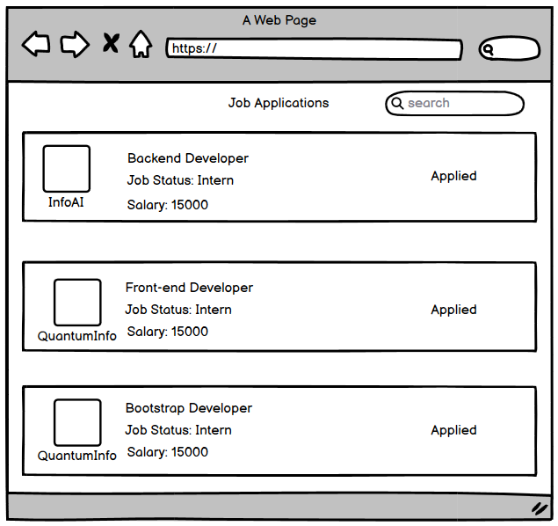
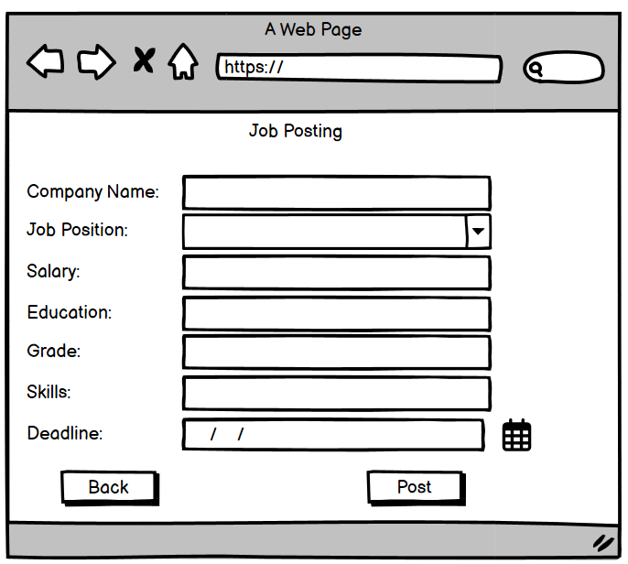
Feature: 8 |  | Mine Blocks
phase 2 | 13 | Mine Blocks[miner] | - current block no(number) - nonce(can be input) - data(all transactions) - prev hash(previous block hash) - hash(current hash with given data) - try mining with given nonce( button - it'll generate a hash with given nonce,blockno,data,prevhash and check if it's less than target) - mine (it'll try all possible nonce to find a hash which is less than target) | - block number should be 1 + previous block number. Genesis block number is 1 - default nonce value is one - data should include all valid transaction in the block - prev hash should be the hash of previous block - "try mining with given nonce" button will try to mine using the given nonce - mine button will find a valid hash that is less than the target and notify miner that it's ready to be added to the verification list
Feature: 9 |  | Verify Blocks
phase 2 | 14 | Verify Blocks[miner] | -- Current block number (uneditable number) - Nonce (uneditable text) - Data (all transaction details) - Previous hash (uneditable previous block hash) - Hash (current hash with given data) - Miners can verify if the mined block's hash value meets the target condition. - After verification, miners can confirm the block. If 51% of miners confirm that the block has no tampered data, the block will be added to the blockchain. - Verify (button) - Confirm (button) | - Block number should be 1 + previous block number. The genesis block's number is 1 and has no previous hash. - The correct nonce value should be set. - Data should include all transactions in the block. - Prev hash should be the hash of the previous block. - Clicking on confirm will not work before verifying. - Clicking on verify will prompt the message: "It's a valid block!" - Clicking on the confirm button will increment the number of confirmations for the block. | 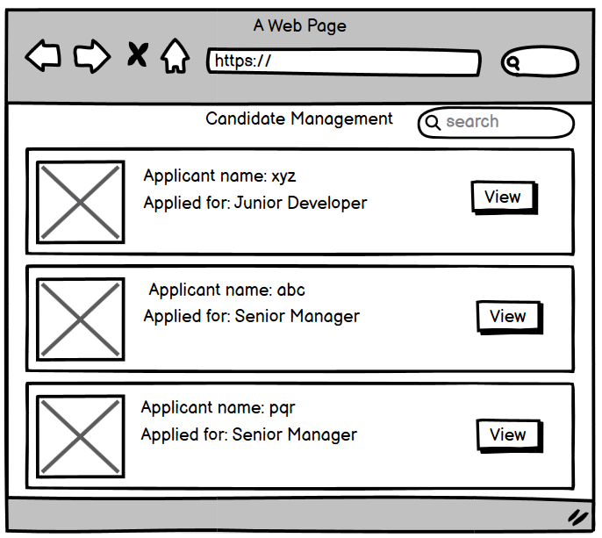
Feature: 10 |  | Profile
phase 1 | 15 | View Profile[miner][user] | - Full name of user (view) - Phone number of user (view) - Date of birth of user (view) - Gender of user (view) - User type (miner/user) - Edit (link button) | - No null values - Edit button should take user to edit page
phase 1 | 16 | Edit Profile[miner][user] | - can edit name - can edit email - can edit phone - can edit date of birth - can edit gender - can click on save button | - No fields should have null values. - Email must be in the correct format [xyz@abc.com]. - Phone number must be in the correct format [11 digits]. - Date of birth should indicate the user is at least 15 years old. - Clicking the save button will either display an error if the rules are not met, or show a success message confirming the changes.
phase 1 | 17 | Change Profile Photo[miner][user] | - The current profile image of the user/miner is displayed. - The user can select a new photo from their device. - After selecting a new photo, the user can confirm the change by pressing the confirm button. | - The current or default image is displayed. - The input file should be an image in PNG or JPG format, not any other format. - The confirm button should redirect the user to the view profile page after confirming the image change.
phase 1 | 18 | Change Password[miner][user] | - type current password - type new password - type new password again | - The user can enter the current password, which should match the password stored in the database. - The new password (input) must be at least 8 characters long. If not, an "Invalid password" message will be displayed. - The re-entered password must match the new password. If they don't match, a "Passwords do not match" message will be shown. - Clicking the save button will store the new credentials in the database, and the user will be prompted with a message: *"Successfully changed"* or *"Something went wrong"*.
Feature: 11 |  | Notifications
phase 3 | 19 | Notification | - Users can view a unique reference ID for each transaction. - Users can track the transaction status (e.g., pending, processing, or confirmed). - The exact amount of money involved in the transaction is displayed. - Users can see the transaction fees charged. - Users can view the account or method (e.g., wallet, bank, or card) from which the money was sent. - Users can see the recipient's details (e.g., wallet address, bank account, email, or phone number). | - Unique Transaction ID - Transaction Status (pending, processing, or confirmed) - Transaction Amount - Transaction Fee - Source of Funds (wallet, bank, or card) - Recipient Details (wallet address, bank account, email, or phone number) | 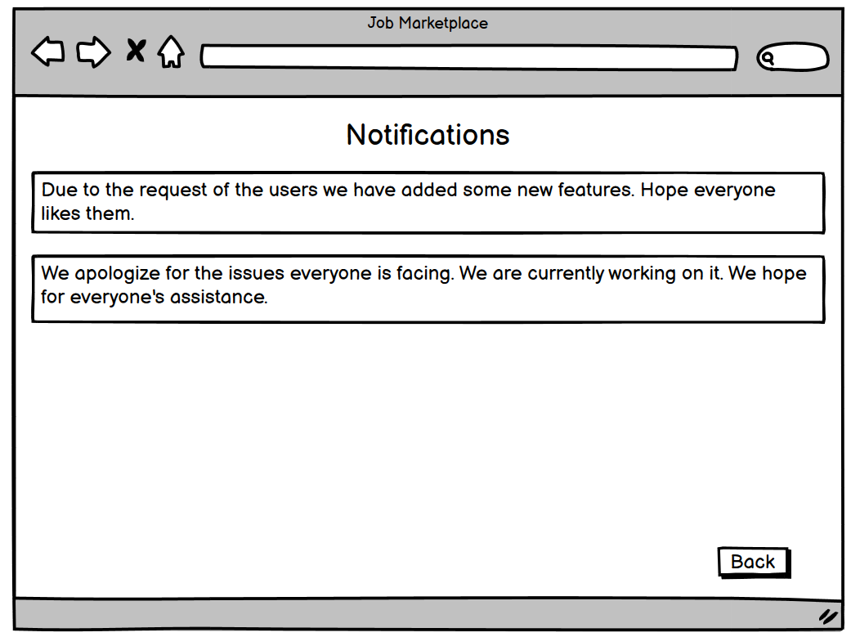
phase 3 | 20 | Communications management | - User can see the unique transaction hash ID. - User can see the transaction status (pending or confirmed). - User can see the transaction amount. - User can see the transaction fee. - User can see the source of the funds (wallet, bank, or card). - User can see the recipient details (wallet, bank, or phone number). - Transaction time is displayed. - Age of the transaction is shown. - Input and input value are displayed. - Output and output value are shown. - Fee details are displayed. - Size of the transaction is also visible. | - hash id must be unque - trx status must be set - amount should be number and positive value - fee should be a number - the address of sender must be shown - the address of receiver is also shown - trx time : when the trx happened is set to see - age = current time - trx time - input (integer number) & input value(decimal) - output (integer number) & output value(decimal) - fee must be set - size of trx in bytes | 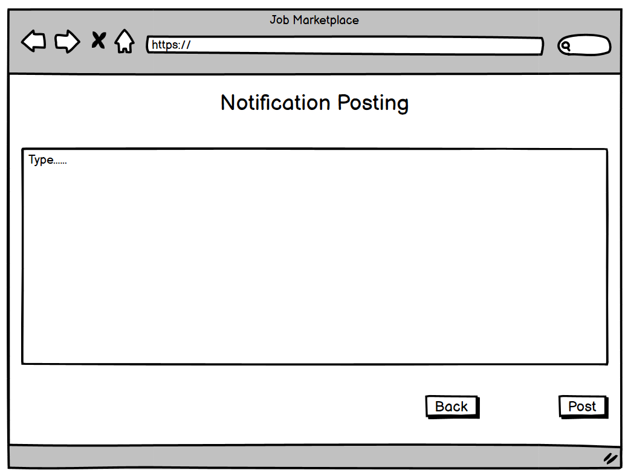
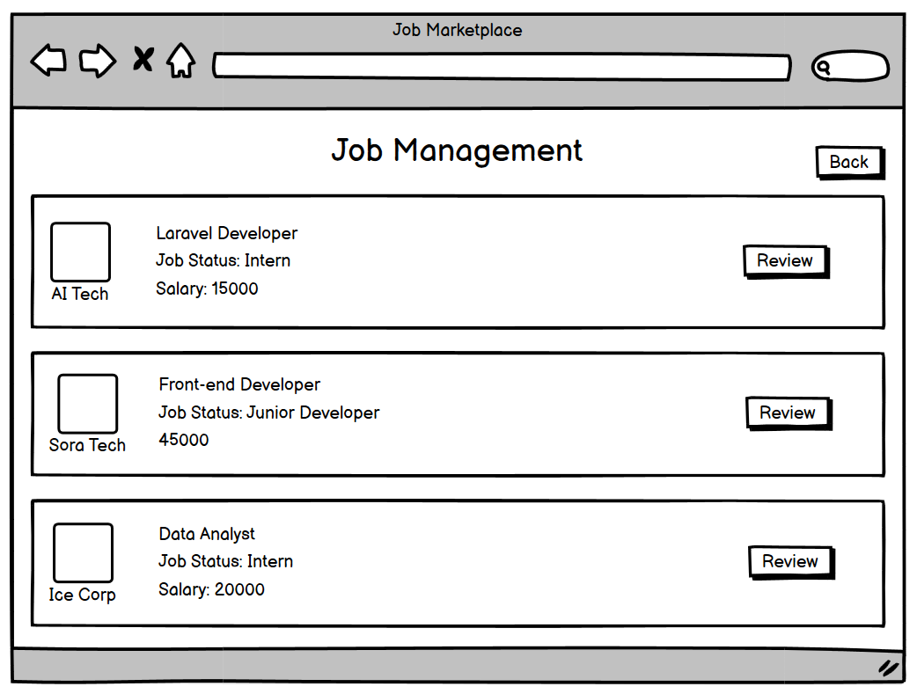
Feature: 12 |  | Block details
phase 3 | 21 | Bitcoin Block[miner][user] | - Block number - miner name - block BTC(sum of all trx) - value(BTC in dollar) - more(link) | Everything should be valid & verified
phase 3 | 22 | More[miner][user] | - Block number - miner name - block BTC(sum of all trx) - value(BTC in dollar) - distance(mins since mined) - depth(number of blocks that have been added after this block+1) - trx(number of transactions) - input(number of inputs) - output(number of outputs) - fees(total fees generated to verify all transaction) - Reward(block reward. currently 6.5 btc) - Nonce(number) - size (mb) | Everything should be valid & verified | 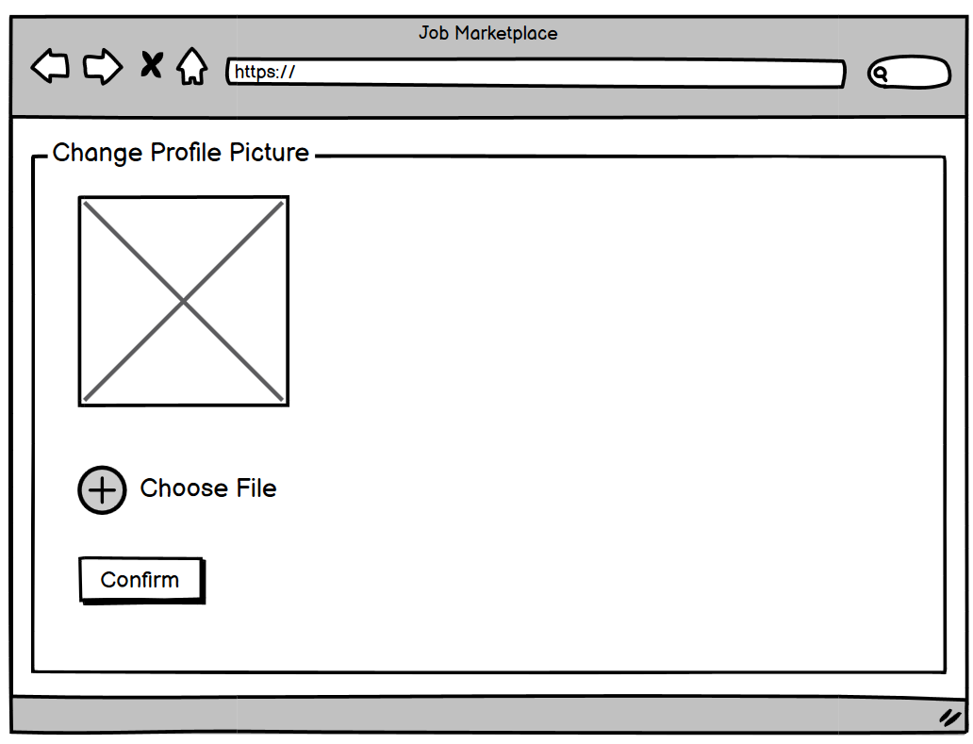
Feature: 13 |  | Notification
phase 3 | 23 | View all notification | - Users can receive alerts when a transaction is confirmed or when funds are received. - Users can set price alerts for specific digital payment methods (e.g., exchange rates) and receive notifications when the price reaches a certain threshold. - Users can receive alerts for unusual activity on their account, or when action is needed to secure their account. | - Notifications should be relevant and provide users with valuable information related to their account, transactions, or the broader digital payment system. - Notifications should be accurate and provide correct information. Any errors or discrepancies should be promptly corrected.
Feature: 14 |  | Fllowed User
phase 3 | 24 | View All Followed User | - All the followed user should visible over here. | - All the followed user should visible over here if user follow them.
phase 3 | 25 | View Terms and Condition | - All the term and condition should visible over here. | - The user should be presented with a clear and concise summary of the terms and conditions before agreeing to them.
phase 3

