Table 1
Valuation report
 |  | Dated : |  |  |  |  |  |  |  |  |  |  | 2026-07-20
1 |  | Purpose of valuation |  |  |  |  |  |  |  |  |  |  | Fair Market Value
2 |  | Date of inspection and valuation |  |  |  |  |  |  |  |  |  |  | 20/07/2026
3 |  | Valuation requested by |  |  |  |  |  |  |  |  |  |  | DCB Bank Limited
4 |  | Suburb name |  |  |  |  |  |  |  |  |  |  | Na
5 |  | Case no. |  |  |  |  |  |  |  |  |  |  | APPL01876802
6 |  | Type of loan |  |  |  |  |  |  |  |  |  |  | Mortgage
7 |  | Project name (if any) |  |  |  |  |  |  |  |  |  |  | Na
8 |  | Name of the Borrower / Applicant |  |  |  |  |  |  |  |  |  |  | Mr.- Mukesh Shrivasta
9 |  | Name of the Co-Borrowers / Co applicant |  |  |  |  |  |  |  |  |  |  | NA
10 |  | Property address |  |  |  |  |  |  |  |  |  |  | Property Situated At Part Of Survey no.-2494/1, Gali no.- 02, Ward no.- 27, Durga Nagar Vidisha, Dist- Vidisha MP
11 |  | Property Pincode |  |  |  |  |  |  |  |  |  |  | 464001
12 |  | Property owner (as per doc.) |  |  |  |  |  |  |  |  |  |  | Mr.- Mukesh Shrivasta S/O Mr.- Ishwari Prsad & Mr.- Ishwari Prasad S/O Mr.- Chironjilal
13 |  | Documents submitted |  |  |  |  |  |  |  |  |  |  | Yes
14 |  | Brief description of the property |  |  |  |  |  |  |  |  |  |  | Commercial
15 |  | Type of the property (Independent House / Flat / Office / Shop / Plot) New / Resale Ready property / Under Construction |  |  |  |  |  |  |  |  |  |  | Commercial
16 |  | Name of access road |  |  |  |  |  |  |  |  |  |  | CC Road
17 |  | S. No. , Plot No. and C.T.S. No. |  |  |  |  |  |  |  |  |  |  | Na
18 |  | Classification of locality |  |  |  |  |  |  |  |  |  |  | Middle class
19 |  | Proximity to civic amenities |  |  |  |  |  |  |  |  |  |  | Railway station : 01 Km |  |  |  |  |  |  |  |  | Bus stand : 02 Km |  |  |  | Hospital : 01 Km
20 |  | Mode of transport to the property
21 |  | Land freehold or leasehold, term of lease, period expired, balance and lease rent: |  |  |  |  |  |  |  |  |  |  | Free Hold
22 |  | Jurisdiction / Local Municipal body / Town Planning / Development Authority Area / Panchayat |  |  |  |  |  |  |  |  |  |  | Nagar Palika
23 |  | Approvals for drawings from mun. authorities / occupation certificate. ULC clearance /F.S.I. available and balance for future use / F.S.I from T.D.R |  |  |  |  |  |  |  |  |  |  | Na
24 |  | Name of the co-operative Housing Society Registration No. of Society No. of shares held and certificate no. outgoes per month |  |  |  |  |  |  |  |  |  |  | Na
25 |  | Boundary details As per Docs |  |  |  |  |  |  |  |  |  |  | North : |  |  |  |  |  |  |  |  | Self Land
 |  |  |  |  |  |  |  |  |  |  |  |  | South : |  |  |  |  |  |  |  |  | Gali
 |  |  |  |  |  |  |  |  |  |  |  |  | East : |  |  |  |  |  |  |  |  | Gali
 |  |  |  |  |  |  |  |  |  |  |  |  | West : |  |  |  |  |  |  |  |  | Seller Land
 |  | Boundary details as per actual |  |  |  |  |  |  |  |  |  |  | North : |  |  |  |  |  |  |  |  | Road
 |  |  |  |  |  |  |  |  |  |  |  |  | South : |  |  |  |  |  |  |  |  | 6' Gali
 |  |  |  |  |  |  |  |  |  |  |  |  | East : |  |  |  |  |  |  |  |  | 1' Gali Then H/O Gupta Ji
 |  |  |  |  |  |  |  |  |  |  |  |  | West : |  |  |  |  |  |  |  |  | H/O Anshul Gupta
 |  |  |  |  |  |  |  |  |  |  |  |  | Version 2.4 dated 04/06/2025
26 |  | Whether property falls in the list published by M/C for unauthorized properties |  |  |  |  |  |  |  |  |  |  | NA
27 |  | Property is easily identifiable |  |  |  |  |  |  |  |  |  |  | No
28 |  | Whether property was identified on our own |  |  |  |  |  |  |  |  |  |  | No
29 |  | If No, your representative was accompanied with customer / Sales |  |  |  |  |  |  |  |  |  |  | NA
30 |  | Property is demarcated |  |  |  |  |  |  |  |  |  |  | Yes
31 |  | Geo positioning of the property (latitude & longitude) |  |  |  |  |  |  |  |  |  |  | 23.517193, 77.816018
II) Details of structure and specifications
1 |  | Year of construction of building |  |  |  |  |  |  |  |  |  | 2000
2 |  | Age of the property |  |  |  |  |  |  |  |  |  | 26 Years
3 |  | Estimated future life |  |  |  |  |  |  |  |  |  | 34 Years
4 |  | Present condition of building |  |  |  |  |  |  |  |  |  | Average
5 |  | Any immediate repairs required with cost of the same |  |  |  |  |  |  |  |  |  | No
6 |  | Type of construction |  |  |  |  |  |  |  |  |  | R.C.C
7 |  | Permitted use of the property |  |  |  |  |  |  |  |  |  | Residential
8 |  | Actual use of the property |  |  |  |  |  |  |  |  |  | Commercial
9 |  | No. of floors for building and additional structures: |  |  |  |  |  |  |  |  |  | 02
10 |  | No. of lifts with capacity and type |  |  |  |  |  |  |  |  |  | 0
11 |  | Type of underground, overhead tanks and pumps |  |  |  |  |  |  |  |  |  | Yes
12 |  | Flooring in open spaces / stilts and staircase |  |  |  |  |  |  |  |  |  | Yes
13 |  | Compound wall and gated |  |  |  |  |  |  |  |  |  | Yes
14 |  | Building elevation |  |  |  |  |  |  |  |  |  | Average
15 |  | Other amenities and special amenities and features |  |  |  |  |  |  |  |  |  | Yes
16 |  | General comments on specifications |  |  |  |  |  |  |  |  |  | Na
17 |  | No. of floors |  |  |  |  |  |  |  |  |  | 02
18 |  | No. of flats on each floor |  |  |  |  |  |  |  |  |  | Na
19 |  | Accommodation details |  |  |  |  |  |  |  |  |  | Basement :
 |  |  |  |  |  |  |  |  |  |  |  | G. Floor : Commercial
 |  |  |  |  |  |  |  |  |  |  |  | F. Floor : Commercial
 |  |  |  |  |  |  |  |  |  |  |  | S. Floor :
 |  |  |  |  |  |  |  |  |  |  |  | T. Floor :
III) Details for the property under reference:
1 |  | Balconies to rooms separate or merged |  |  |  |  |  |  |  |  |  | No
2 |  | Walls, plaster and painting |  |  |  |  |  |  |  |  |  | Yes
3 |  | Doors and windows |  |  |  |  |  |  |  |  |  | Yes
4 |  | Type of flooring |  |  |  |  |  |  |  |  |  | CC
5 |  | Flooring in toilets / W.C. / bath, dado |  |  |  |  |  |  |  |  |  | Na
6 |  | Kitchen platform type and sink |  |  |  |  |  |  |  |  |  | Na
7 |  | Toilets plumbing lines concealed / open type of plumbing and san. Fittings, any special fittings, ceiling |  |  |  |  |  |  |  |  |  | Concealed
8 |  | Electrical installation open or concealed wiring |  |  |  |  |  |  |  |  |  | Concealed
 |  | Type of switches tel. Points, T.V / cable points |  |  |  |  |  |  |  |  |  | Na
9 |  | Risk of demolition (Valuers views) (Low, medium, high) |  |  |  |  |  |  |  |  |  | Low
10 |  | In case the property has mixed use, define the area being used for purpose |  |  |  |  |  |  |  |  |  | Na
11 |  | Is the mixed use of the property permitted or is it unauthorized |  |  |  |  |  |  |  |  |  | NA
12 |  | Property currently occupied by |  |  |  |  |  |  |  |  |  | U/C
13 |  | If self Occupied, then since when |  |  |  |  |  |  |  |  |  | Self Occuiped 03 Years
 |  | Version 2.4 dated 04/06/2025
IV) Assumptions, data available and basis- for the purpose of valuation.
1 |  | Drawings and approvals |  |  |  |  |  |  |  |  |  | Not seen
2 |  | Plot area |  |  |  |  |  |  |  |  |  | 1531 Years
3 |  | Age of the property |  |  |  |  |  |  |  |  |  | 26 Years
4 |  | Estimated future Life |  |  |  |  |  |  |  |  |  | 34 years
5 |  | Present condition of property and structure |  |  |  |  |  |  |  |  |  | Average
6 |  | Comments on specifications and amenities |  |  |  |  |  |  |  |  |  | Average
7 |  | Market rates of land for similar properties in the vicinity and surrounding area (as inquired from local estate agents) |  |  |  |  |  |  |  |  |  | 3000 - 4000
V) Valuation of the property –
(a) For Ready Properties -
In view of the data available and basis for valuation, the valuation of the property under reference will as under –
Area of property (Permitted as per FSI / building byelaws) |  |  |  |  |  |  |  |  | Floor |  |  |  |  |  |  |  |  | Actual area (approx) |  |  |  |  |  | Permissible area (as per bye laws)
 |  |  |  |  |  |  |  |  | Basement |  |  |  |  |  |  |  |  |  |  |  |  |  |  | 0
 |  |  |  |  |  |  |  |  | G. Floor |  |  |  |  |  |  |  |  | 1531 Sqft |  |  |  |  |  | 0
 |  |  |  |  |  |  |  |  | F. Floor |  |  |  |  |  |  |  |  | 1531 Sqft |  |  |  |  |  | 0
 |  |  |  |  |  |  |  |  | S. Floor |  |  |  |  |  |  |  |  | 0 |  |  |  |  |  | 0
 |  |  |  |  |  |  |  |  | T. Floor |  |  |  |  |  |  |  |  | 0 |  |  |  |  |  | 0
 |  |  |  |  |  |  |  |  | TOTAL |  |  |  |  |  |  |  |  | #VALUE! |  |  |  |  |  | 0 Sq. ft
Built up / Saleable area |  |  |  |  |  |  |  |  | 3062
Carpet area (approx) |  |  |  |  |  |  |  |  | 2449
Land area as per sale Deed |  |  |  |  |  |  |  |  | 750 Sqft
Adherence to building byelaws / FSI |  |  |  |  |  |  |  |  | Yes / No. If No, details of deviation as under -
Deviation from building byelaws (if any) |  |  |  |  |  |  |  |  | Plot coverage % |  |  |  |  |  |  |  |  | FSI / byelaws
(i) For Land & Building
A |  | Land area |  |  |  |  |  | Rate adopted |  |  |  |  |  |  |  |  |  |  |  | Land value
 |  | 750 |  |  |  |  |  | 3000 |  |  |  |  |  |  |  |  |  |  |  | 2250000
B |  | BUA (as per FSI) |  |  |  |  |  | Rate adopted (after depn) |  |  |  |  |  |  |  |  |  |  |  | Less – Repairs
 |  | 750 |  |  |  |  |  | 3000 |  |  |  |  |  |  |  |  |  |  |  | 2250000
C |  |  |  |  |  |  |  |  |  |  |  |  |  |  |  |  |  |  |  | 4500000
(ii) For Flat / Shop / floor
Built up area |  |  |  | Rate adopted |  |  |  |  |  |  |  |  |  | Amenities |  |  |  |  |  |  |  |  |  | Market value

(b) For Under Construction Properties –
1 |  | If Under construction (then mention the level of construction / Slab)
2 |  | Stage of construction
3 |  | Estimated date of completion
4 |  | Is the estimate given by customer valid or not (HL - Self construction) |  |  |  |  |  |  |  | Yes / No. If No, details to be provided.
 |  | Version 2.4 dated 04/06/2025
5 |  | Any comments on Cost Estimate
Area of property (Permitted as per approved plan) |  |  |  |  |  |  |  |  |  | Floor |  |  |  |  |  |  |  | Actual area (approx) |  |  |  |  | Permissible as per plan
 |  |  |  |  |  |  |  |  |  | Basement |  |  |  |  |  |  |  | Sq. ft. |  |  |  |  | Sq. ft.
 |  |  |  |  |  |  |  |  |  | G. Floor |  |  |  |  |  |  |  | Sq. ft. |  |  |  |  | Sq. ft.
 |  |  |  |  |  |  |  |  |  | F. Floor |  |  |  |  |  |  |  | Sq. ft. |  |  |  |  | Sq. ft.
 |  |  |  |  |  |  |  |  |  | S. Floor |  |  |  |  |  |  |  | Sq. ft. |  |  |  |  | Sq. ft.
 |  |  |  |  |  |  |  |  |  | T. Floor |  |  |  |  |  |  |  | Sq. ft. |  |  |  |  | Nil
 |  |  |  |  |  |  |  |  |  | TOTAL |  |  |  |  |  |  |  | Sq. ft. |  |  |  |  | Sq. ft
Built up / Saleable area |  |  |  |  |  |  |  |  |  | 0 Sq. ft
Carpet area (approx) |  |  |  |  |  |  |  |  |  | 0 Sq. ft
Land area as per sale agreement |  |  |  |  |  |  |  |  |  | 0 Sq Ft
Adherence to Sanction Plan |  |  |  |  |  |  |  |  |  | Yes / No. If No, details of deviation is as under -
Deviation from Sanction Plan (if any) |  |  |  |  |  |  |  |  |  | Plot coverage % |  |  |  |  |  |  |  | Sanction Plan
(i) For Land & Building
A |  | Land area |  |  |  | Rate adopted |  |  |  |  |  |  |  |  |  |  |  |  | Land value

B |  | BUA as per plan |  |  |  | Rate adopted (after depn) |  |  |  |  |  |  |  |  |  |  |  |  | Less - Repairs

C |  | Total Value of Building (A+B) (as per plan)
(ii) For Flat / Shop / floor
 | Built up area |  |  |  | Rate adopted |  |  |  |  |  |  |  |  |  | Amenities |  |  |  |  |  |  |  |  |  | Market value

Stage of Construction
 | Details of Stage of Construction
 | Percentage of completion (%) |  |  |  |  |  | 100% |  |  |  |  |  |  |  |  |  | Percentage Recommended |  |  |  |  |  | 100%
Final Valuation Recommended:
Area Type |  |  |  | Area in Sq ft |  |  |  |  |  | Rate per Sq ft |  |  |  |  |  | Fair Market Value |  |  |  |  |  | Realisable Value |  |  | Insurance Value |  | Forced / Distress Value
Land/Plot |  |  |  | 750 |  |  |  |  |  | 3000 |  |  |  |  |  | 2,250,000 |  |  |  |  |  | 1,800,000 |  |  |  |  | 2,025,000
Saleable Area / BUA |  |  |  | 750 |  |  |  |  |  | 1200 |  |  |  |  |  | 900,000 |  |  |  |  |  | 720,000 |  |  |  |  | 810,000
Amenities Cost
Other – (provide description)
Total Area Sq ft |  |  |  | 1500 |  |  |  |  |  | 4200 |  |  |  |  |  | 3,150,000 |  |  |  |  |  | 2,520,000 |  |  |  |  | 2,835,000
Remarks (If any) -
1 |  | We have visited the property on the basis of provided sale deed by the institute.
2 |  | We have received a copy of sale deed in favor of Mr.- Mukesh Shrivasta S/O Mr.- Ishwari Prsad & Mr.- Ishwari Prasad S/O Mr.- Chironjilal for valuation purpose.
3 |  | According to the docs plot area is 750 Sq Ft, But in Actual measuremen area is 1531 Sqft, We Consider lower Area for Valuation that is 750 Sqft.
4 |  | The Property not identified based on provided docs. Hence Sending Nill Report.
5 |  | Bua considered as per DCB Bank Norms.
6
8 |  | At a time of technical visit we found a one shop on GF having an area is 10X20 = 200 Sq ft, Which is on rent for Customer Sister Mrs.- Manisha Shrivastava W/O Rajkumar Shrivastava.
Version 2.4 dated 04/06/2025
VI) Marketability
 | 1 |  | For sale |  |  |  |  |  |  |  | Good |  |  |  | Good |  |  |  |  |  | Good |  | Other (remarks, if any)
 | 2 |  | For lease - estimated rental Income |  |  |  |  |  |  |  | Good |  |  |  | Good |  |  |  |  |  | Good |  | Other (remarks, if any)
VII) Declaration
 | 1 |  | I have no direct or indirect interest in the property valued
 | 2 |  | Information furnished in the report is true and correct to the best of my knowledge and belief
3 |  | Ownership papers / Sale deed may please be verified at your end to ascertain the right title & areas
4 |  | Fair market value indicated in the report is an opinion of the value prevailing on the date of the said report and is based on market feedback on values of similar properties. Client is free to obtain other independent opinions on the same. Fair, market value of such properties / localities may increase or decrease, depending on the future market conditions & scenarios. Report does not certify or confirm any ownership or title of the property that has been valued.
5 |  | No structural survey was conducted by us
6 |  | Validity of this report is for 180 days from date
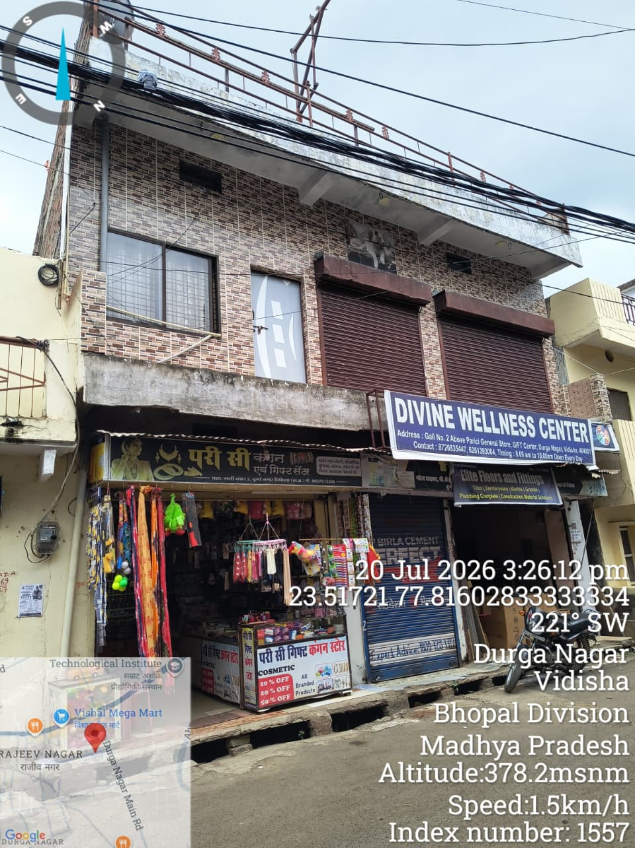 |  |  |  |  |  |  |  |  |  |  |  | 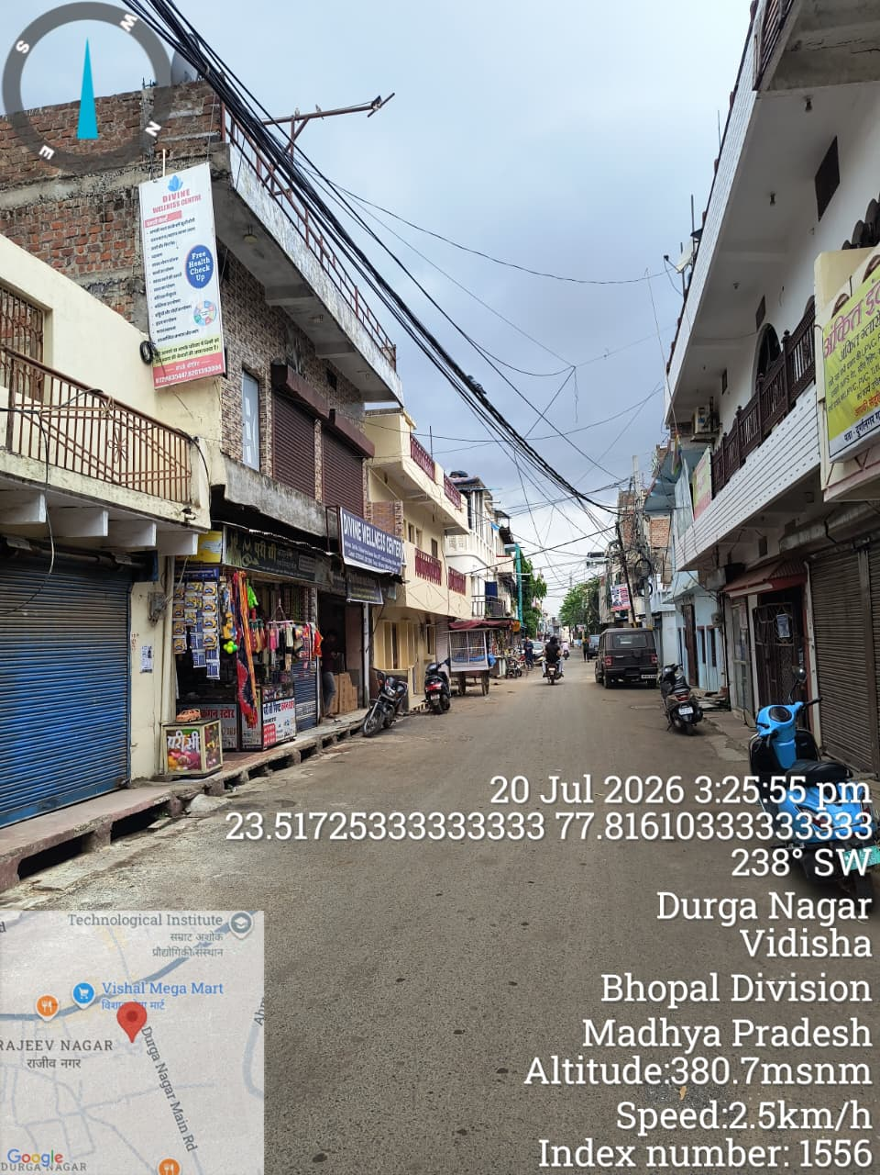

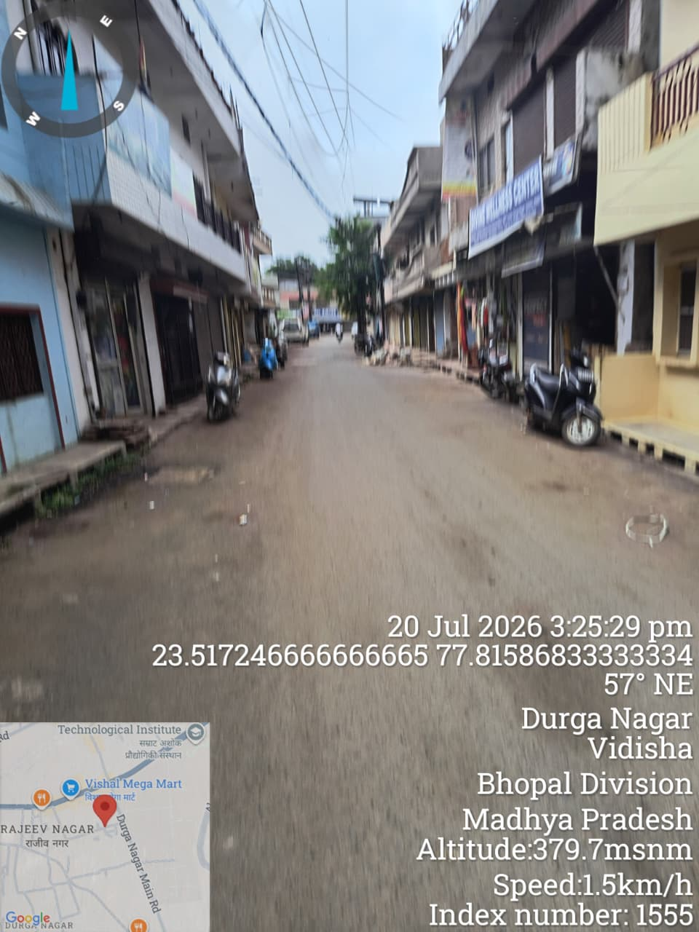 |  |  |  |  |  |  |  |  |  |  |  | 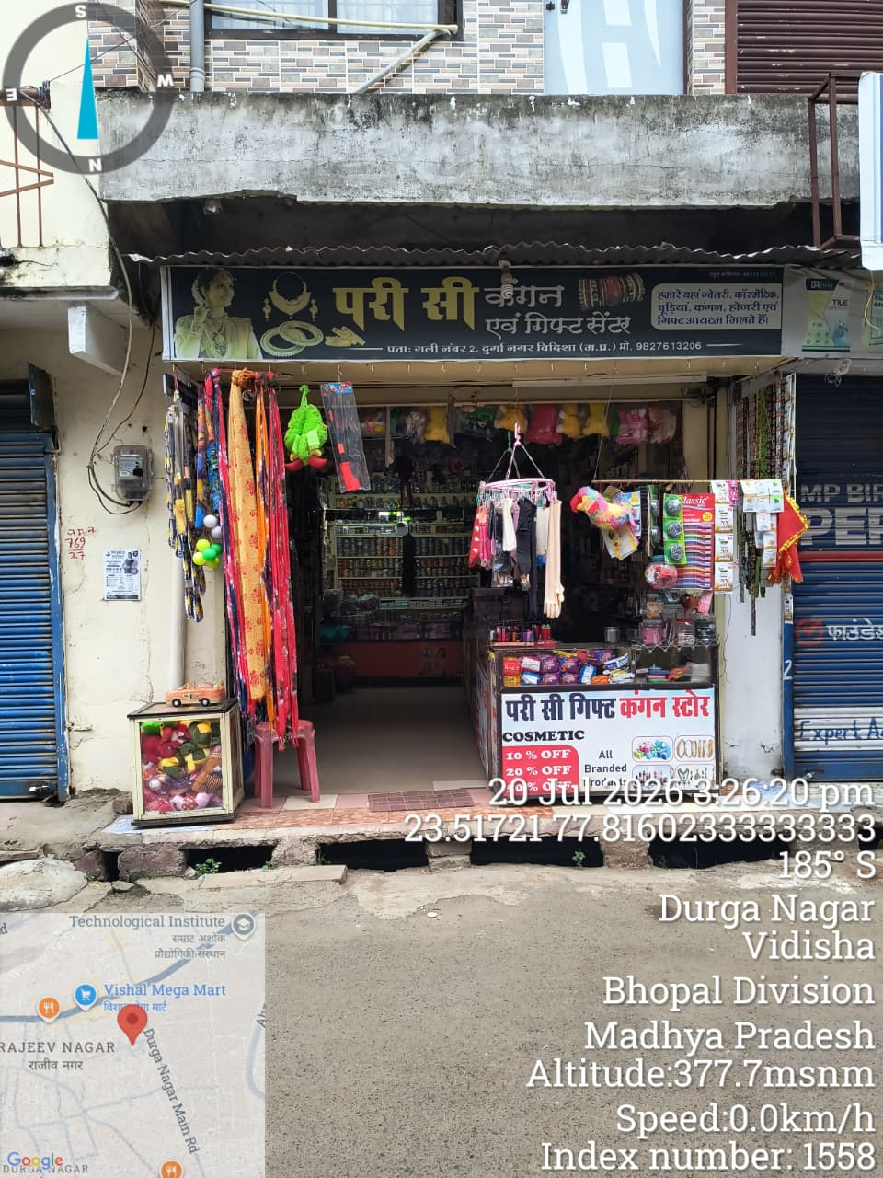

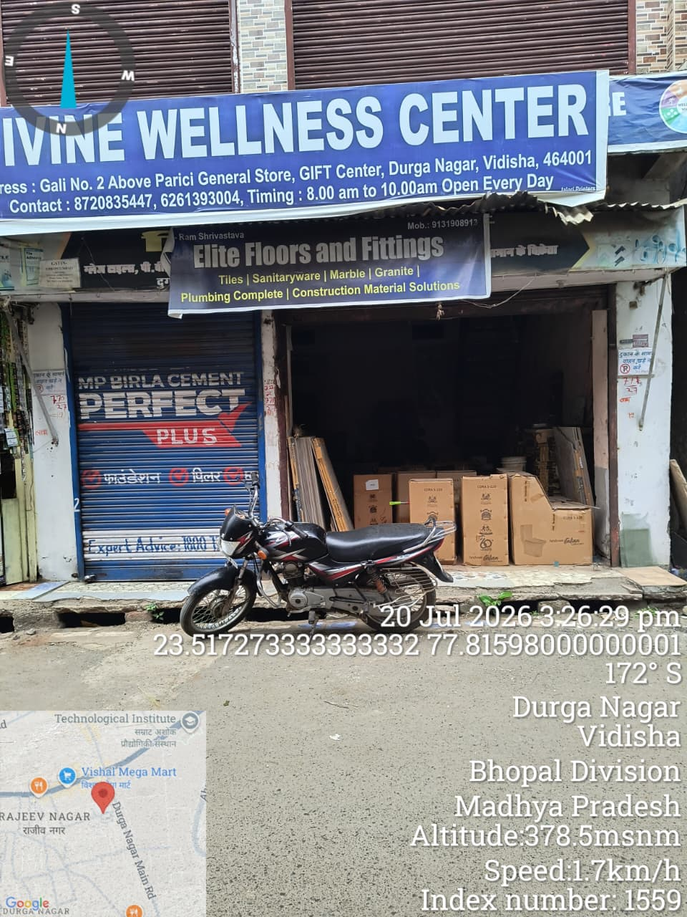 |  |  |  |  |  |  |  |  |  |  |  | 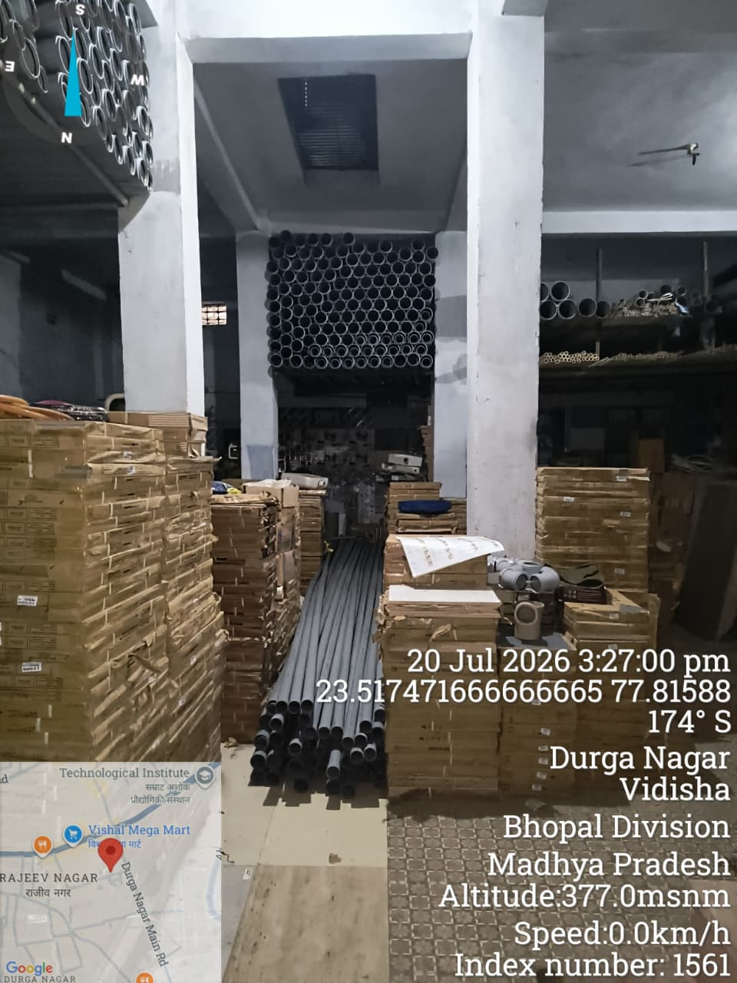

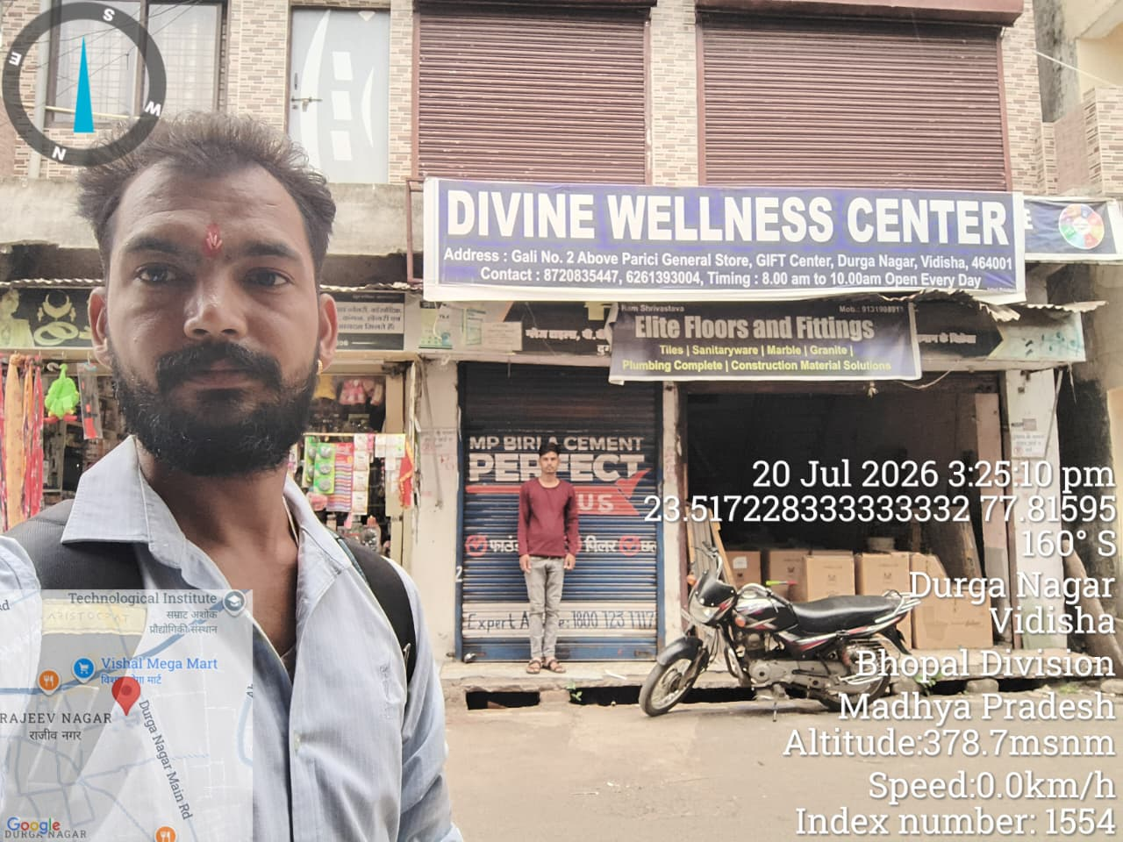 |  |  |  |  |  |  |  |  |  |  |  | 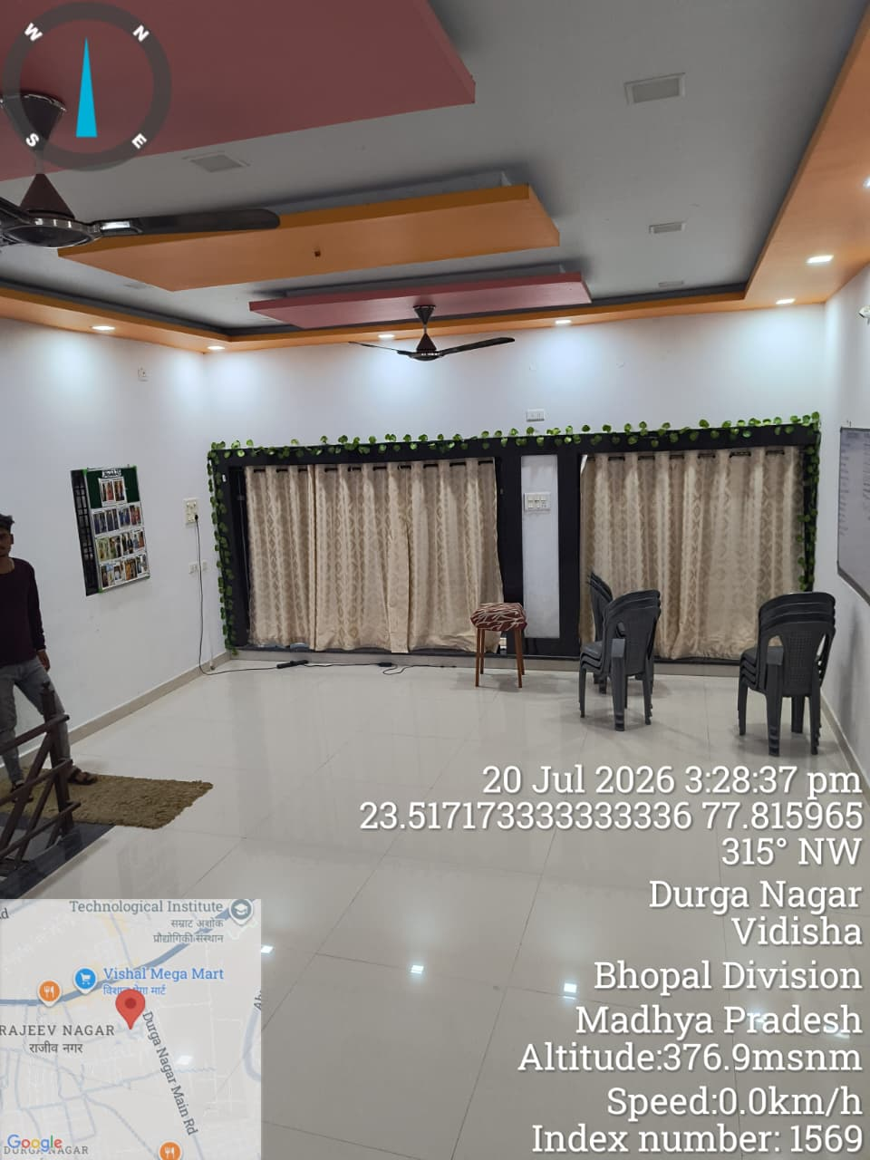

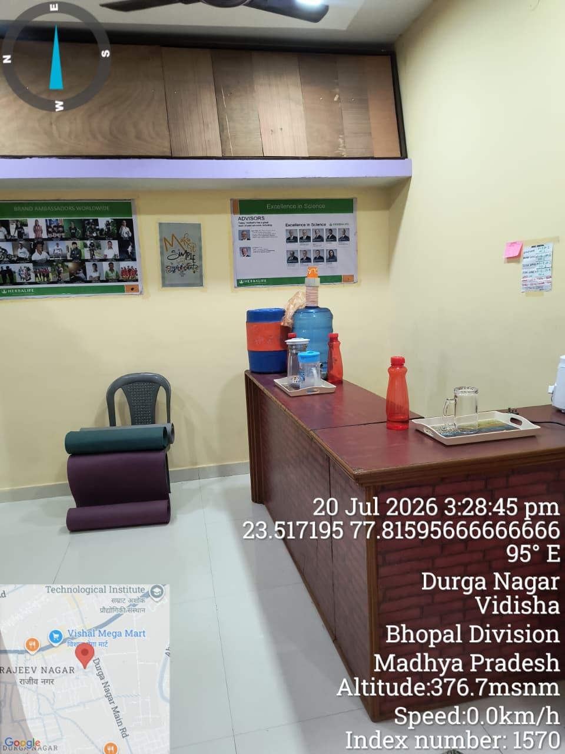 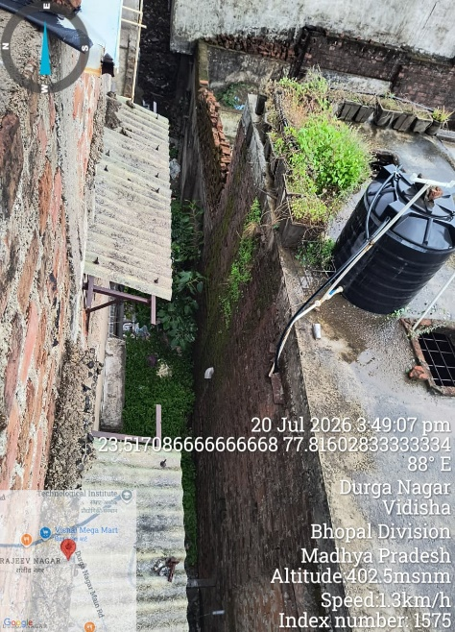 |  |  |  |  |  |  |  |  |  |  |  | 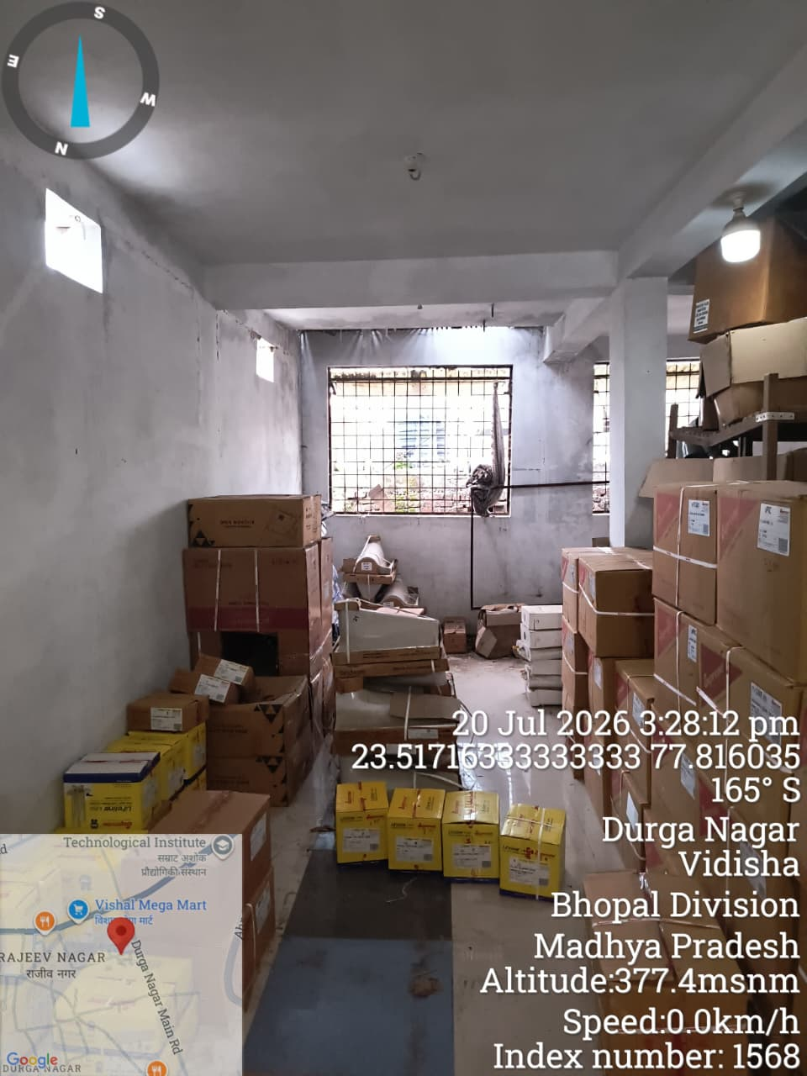

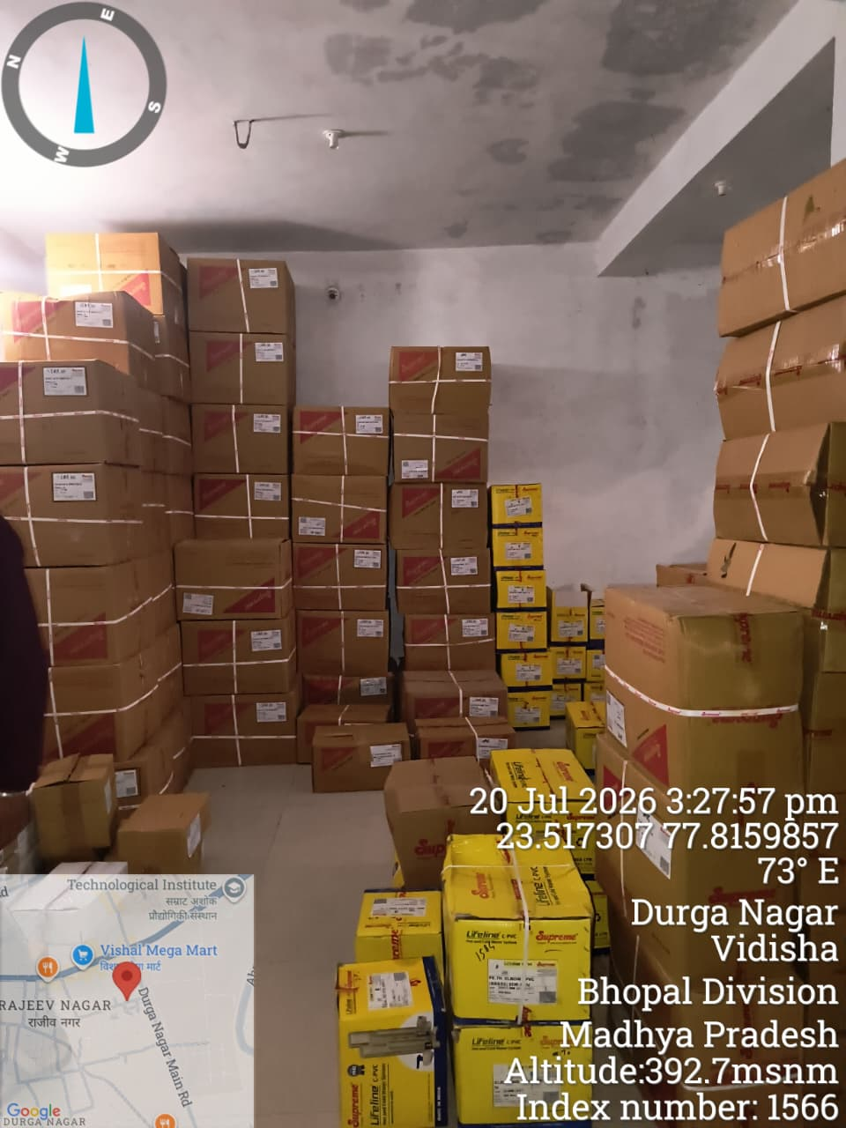 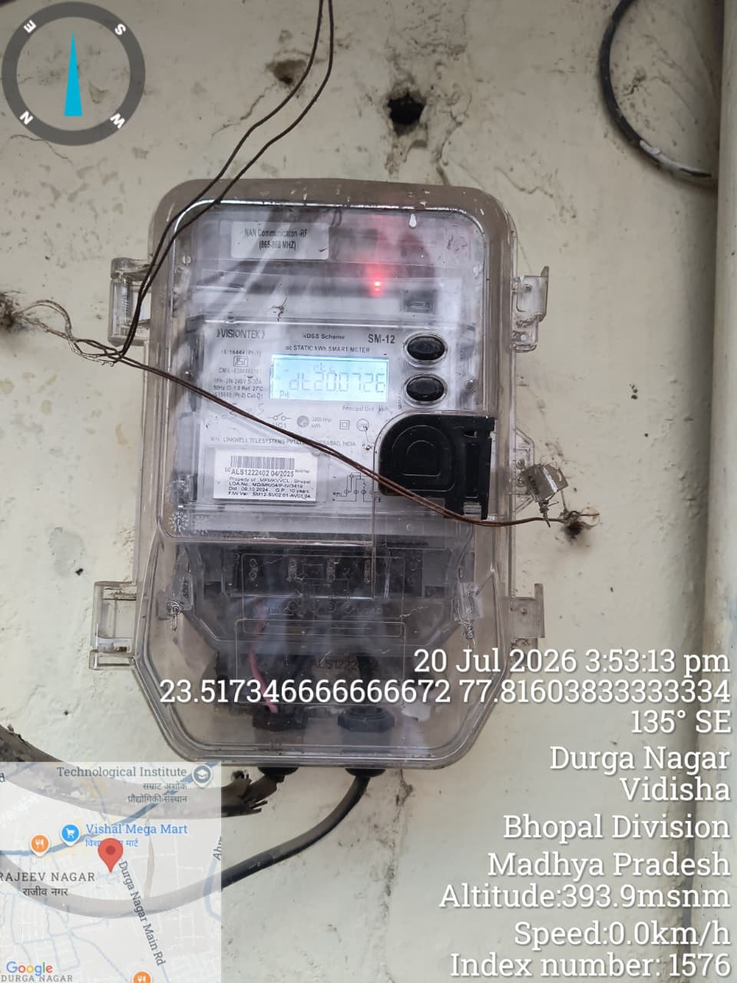 |  |  |  |  |  |  |  |  |  |  |  | 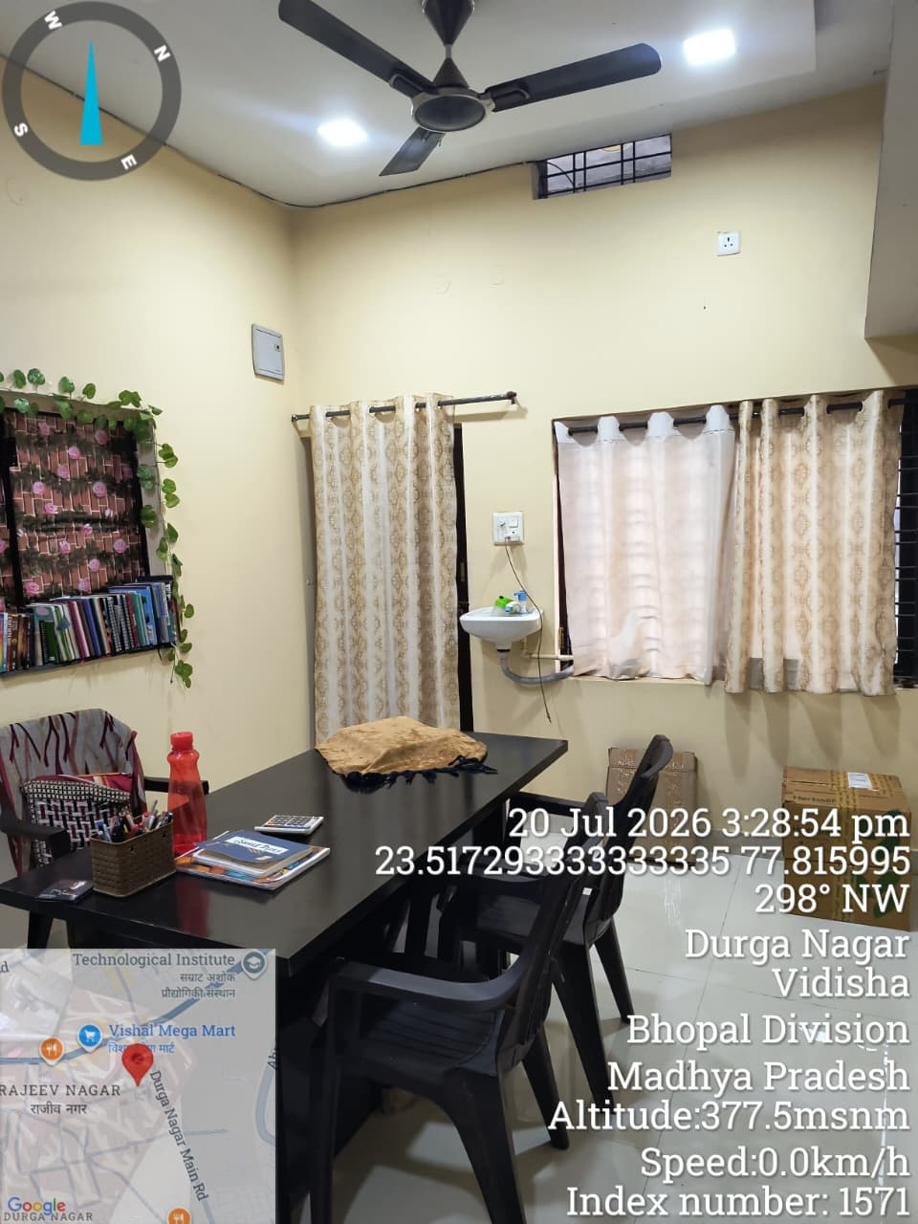

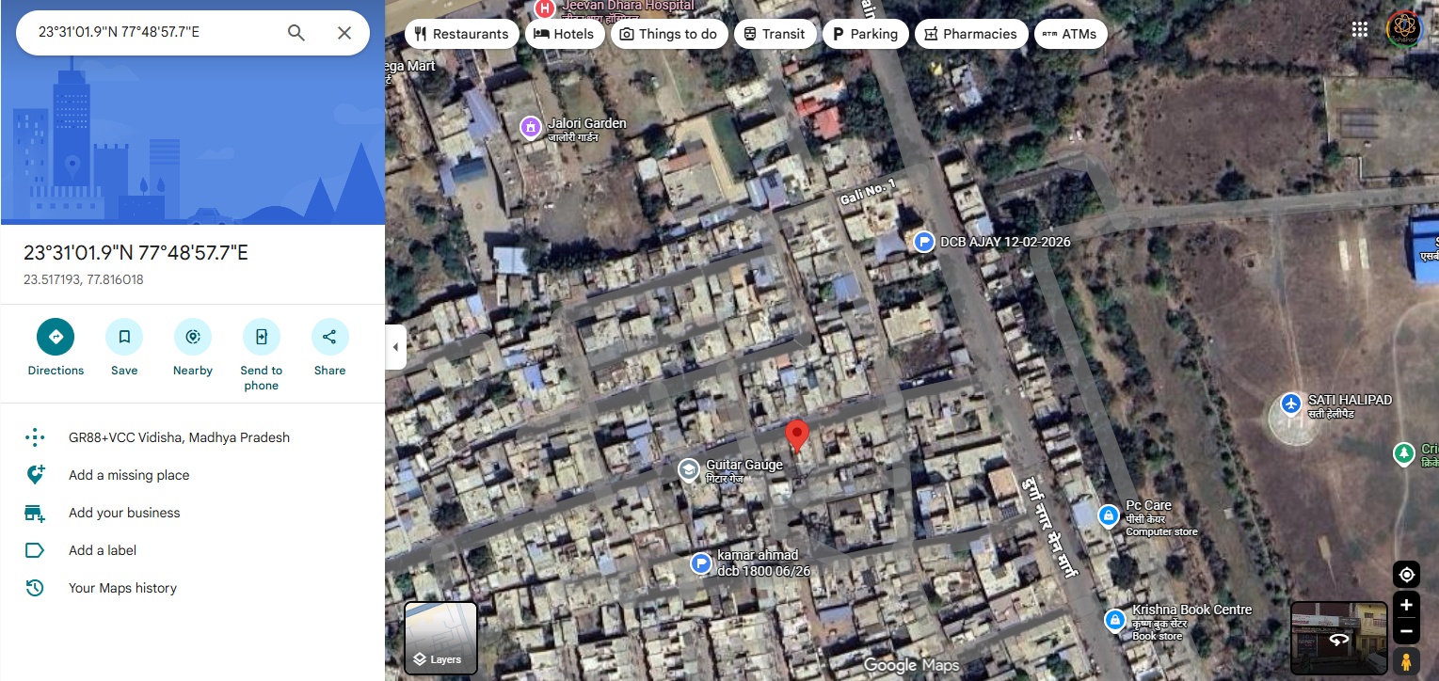 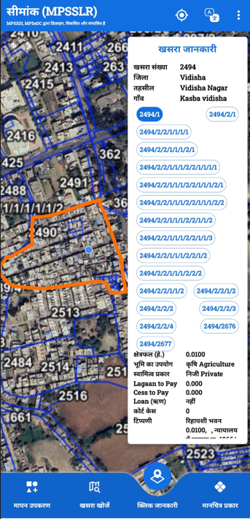
 |  | I have deputed my representative Mr.Ritik to inspect the property, who has personally inspected the property on
Place: Vidisha For M/s (AUTHORIZED SIGNATORY)
2026-07-20
DCB Bank Ltd |  |  |  |  |  |  |  |  |  |  |  |  |  |  |  |  |  |  | Version 2.4 dated 04/06/2025

