Table 1
TECHNICAL APPRAISAL REPORT
SBFC FINANCE LTD.
LOAN APPLICATION DETAILS
BRANCH NAME | SHAJAPUR | APPLICANT NAME | MR.- BALWAN SINGH PANWAR | APPL NO: | SBFCLAP0000499765
PRODUCT | LAP | MOBILE NO | 9009930499
ADDRESS DETAILS ONLY
ADDRESS AS PER SITE INSPECTION | PROPERTY SITUATED AT DRONE PATTA PLOT NO.- 228, PART OF SURVEY NO. 447, VILL- BAJJAHEDA , TEHSIL & DIST- SHAJAPUR MP 465001 |  |  |  | MATCHED
ADDRESS AS PER DOCUMENT | PROPERTY SITUATED AT DRONE PATTA PLOT NO.- 228, PART OF SURVEY NO. 447, VILL- BAJJAHEDA , TEHSIL & DIST- SHAJAPUR MP 465001
FLAT NO. | NA | HOUSE NO. | NA | PLOT NO. | NA
BUILDING NAME - | NA | WING NAME/NO. | NA | STREET NAME/NO. -
FLOOR NO. | 1 | SURVEY NO./ KHASRA NO. - | 228 | KHEWAT/KHATONI/D AG NO. - | NA
VILLAGE/LOCATION/ MOUZA | BAJJAHEDA | STAGE/ SECTOR/ PHASE/BUILDING/WARD NO. | NA | LANDMARK - | NEAR BY SHRI RAM TEMPLE
CITY / TEHSIL/ TALUKA/TOWN - | SHAJAPUR | DISTRICT | SHAJAPUR | STATE | MP
NAME OF NEAREST BRANCH | SHAJAPUR | PINCODE - | 465001 | PROPERTY TYPE | RESIDENTIAL
PROPERTY DEMARCATION STATUS* | YES | DISTANCE FROM NEAREST BRANCH (KMS.)* | 6 KM | STRUCTURE TYPE | RCC
TECHNICAL DOCUMENTS DETAILS
DOCUMENT NAME |  | RECD TYPE* | REF NO* | REF DATE* | DETAILS OF APPROVAL*
LAYOUT PLAN |  | NA | NA | NA | NA
FLOOR PLAN |  | NA | NA | NA | NA
CONSTRUCTION PERMISSION / BUILDING PERMISSION |  | NA | NA | NA | NA
NON AGRICULTURAL PERMISSION/ DIVERSION ORDER |  | NA | NA | NA | NA
SALE DEED/CO-OWNERSHIP/TITLE DOCUMENT |  | DRONE PATTA & CO OWNERSHIP DRAFTING | NA | NA | NA
LOCATION SKETCH/ ROUTE MAP |  | NA | NA | NA | NA
PROPERTY TAX RECIEPT |  | NA | NA | NA | NA
Occupancy Certificate- If applicable |  | NA | NA
ELECTRICITY BILL |  | NA | NA | NA | NA
CONSTRUCTION / IMPROVEMENT/EXTENSION ESTIMATE FROM GOVERNMENT LICENSED ENGINEER/ARCHITECT |  | NA | NA | NA | NA
REMARKS ON DOCUMENTS VERIFIED |  | Yes
BOUNDARIES
DIRECTIONS | NORTH | SOUTH | EAST | WEST
AS PER DRAFTING | RASTA | ANTAR SINGH | KISHORE SINGH | ELKAR SINGH
AS PER DRONE PATTA DOCUMENT* | DRONE PATTA PLOT NO 213 H/O ANOP SINGH , AND DRONE PATTA PLOT NO 214 UMMED SINGH, | DRONE PATTA PLOT NO 229, H/O ANTAR SINGH | DRONE PATTA PLOT NO 227, H/O KISHOR SINGH | DRONE PATTA PLOT NO 152 GOVT ROAD
AS PER SITE INVESTIGATION* | DRONE PATTA PLOT NO 213 H/O ANOP SINGH , AND DRONE PATTA PLOT NO 214 UMMED SINGH, | DRONE PATTA PLOT NO 229, H/O ANTAR SINGH | DRONE PATTA PLOT NO 227, H/O KISHOR SINGH | DRONE PATTA PLOT NO 152 GOVT ROAD

APPROVAL AUTHORITY | IMC | AGE OF PROPERTY * | 01 YEAR | RESIDUAL AGE OF PROPERTY* | 59 YEARS
APPROVAL PLAN DETAIL | NA | OCCUPANCY STATUS * | HIS WIFE | OCCUPANT NAME * | MRS.- LILA BAI
SELLER NAME | NA | PERSON MET AT SITE | MRS.- LILA BAI | WIDTH OF THE APPROACH ROAD | 10 FT
OWNER NAME | BALWAN SINGH PANWAR S/O GOPAL SINGH & LILA BAI W/O BALWAN SINGH PANWAR | RELATION OF APPLICANT WITH PERSON MET AT SITE* | WIFE | PROPERTY/DWELLIN G UNIT TYPE * | G.F.
NO. OF TENANT (IF TENANTED) | NA | PROPERTY IDENTIFICATION STATUS* | NO | PROPERTY COMPLETION STATUS* | 100%
PERSON MET AT SITE - NAME & CONTACT NO.* |  | NEGATIVE AREA/COMMUNITY DOMINATED AREA | NO | No
SURROUNDING EXTERNAL AMENITIES
SR.NO. | PREMISES LIST | APPROX. DISTANCE FROM PROPERTY (IN KMS) | NAME OF THE PREMISES/DESCRIPTION
1 | NEAREST RAILWAY STATION* | 5-10 Kms | SHAJAPUR
2 | NEAREST HOSPITAL* | 5-10 Kms | SHAJAPUR
3 | NEAREST HIGHWAY/MAJOR ROAD* | 5-10 Kms | SHAJAPUR
4 | NEAREST SCHOOL/COLLEGE* | 5-10 Kms | SHAJAPUR
5 | ANY OTHER FACILITY NEARBY | 5-10 Kms | SHAJAPUR
5 | CDA( Community Dominate Area) | NO
FLOOR DETAILS
FLOOR | BS | GF | FF | SF | TF
ACTUAL BUILTUP |  | 1450 Sqft
AS PER PERMISIBLE FSI/APPROVE PLAN |  | 1450 Sqft
Adopted area details in SQ.ft. |  | 1450 Sqft
UNIT DETAIL FLOOR WISE | No. of room/Kitchen/Bathroom/sh op/office etc | No. of room/Kitchen/Bathroom/sho p/office etc | No. of room/Kitchen/Bathr oom/shop/office etc | No. of room/Kitchen/Bathro om/shop/office etc | No. of room/Kitchen/Bathroom/shop/office etc
G.F | 3 ROOM, 1 HALL, KITCHEN, 1 LET/BAT
AREA DETAILS
AREA TYPE | AS PER DOCUMENTS PROVIDED* (IN SQ.FT.) | AS PER PHYSICAL MEASUREMENT* (IN SQ.FT.) | FINAL AREA CONSIDERED* (IN SQ.FT.) | AREA IN SQUARE METER | REMARKS ON AREA OF PROPERTY*
PLOT AREA | 1732 | 1450 | 1450 | 134.758 | EAST TO WEST -( IRREGULAR ) NORTH TO SOUTH- ( IRREGULAR )
EXISTING CARPET |  | 1160 | 1160 | 107.80669145
EXISTING BUILT UP |  | 1450 | 1450 | 134.758
 |  |  |  | 0.000
VALUATION DETAILS (LAP)
PARAMETERS | AREA TYPE * | AREA (SQ. FEET) * | RATE/SFT * | VALUATION* | CURRENCY
(A) AREA VALUATION | PLOT AREA | 1450 | 300 | 435000 | Rs.
 | EXISTING BUILT UP AREA | 1450 | 1300 | 1885000 | Rs.
TOTAL MARKET VALUE (A + B + C) |  |  | 2320000 |  | Rs.
DISTRESS VALUE OF PROPERTY = 75% OF FAIR MARKET VALUERS |  |  | 1740000 |  | Rs.
Valuation Method |  |  | Land + Building
CURRECT STAGE OF CUNSTRUCTION |  |  | 100%
VALUATION DETAILS (HL)
PARAMETERS | AREA TYPE * | AREA (SQ. FEET) * | RATE/SFT * | VALUATION* | CURRENCY
(A) AREA VALUATION | PLOT AREA |  |  | - | Rs.
 | PROPOSED BUILT UP AREA |  |  |  | Rs.
TOTAL MARKET VALUE (A + B + C) |  |  | - |  | Rs.
RE-SALEABILITY & MARKETABILITY OF PROPERTY* |  | Average
SURROUNDING DEVELOPMENT STATUS* |  | >25% | OCCUPANCY LEVEL* |  | >40%
REMARKS ON THE PROPERTY
1 | The subject property is G.F ( Residential house ) situated within the Gp limits.
2 | The Property Identified as Per Given Drone Patta And Local Enquiry.
3 | We have visited the subjected property on the basis of provided ( DRONE PATTA & CO OWNERSHIP DRAFTING) in favour of (BALWAN SINGH PANWAR S/O GOPAL SINGH & LILA BAI W/O BALWAN SINGH PANWAR) for valuation purpose.
4 | As Per Drone Patta Plot Area Is 161 SQM 1732 Sq ft. And As Per Site Inspection Mesured Plot area is 1450 Sq ft (Which Is Iregullar Shaped). We Considered Lower Side Area For Valuation That Is 1450 Sq ft.
5 | The Existing Bua 1450 Sq ft Of Rcc Construction Actual Bua Considered As Per Company Policy.
6 | E meter And E bill Not Found At Site.
7 | Wrong Boundaries mentioned in provided Drafting Revised To Be Taken Before Disburments.
8 | The Valuation Has Been Released As Per SBFC Policy.
GEO CO-ORDINATES | LATITUDE* | 23.464833 | LONGITUDE* |  | 76.281917

TECHNICAL VISIT DONE BY* | ER.- NIKHIL |  | REPORT PREPARED BY | ER.- OP MEENA
TECHNICAL VISIT DATE* | 2026-07-09 |  | REPORT PREPARED DATE | 2026-07-09
GOOGLE MAP SKETCH
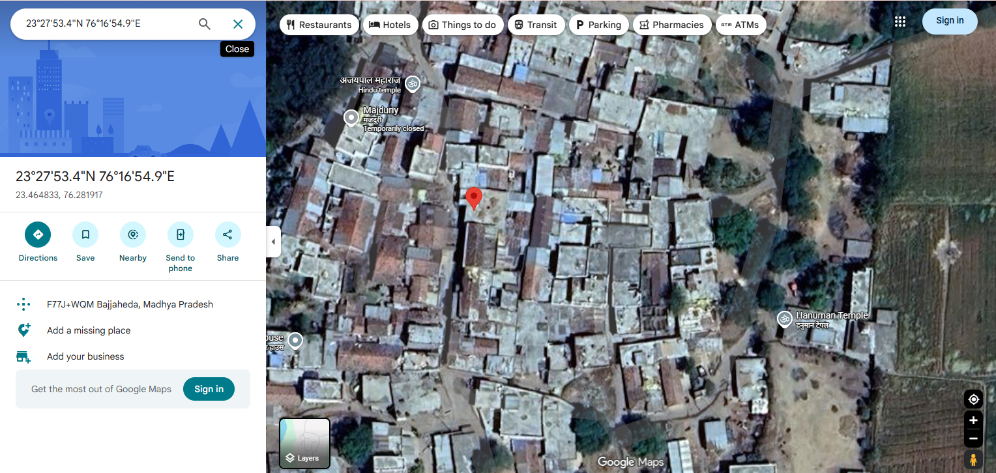 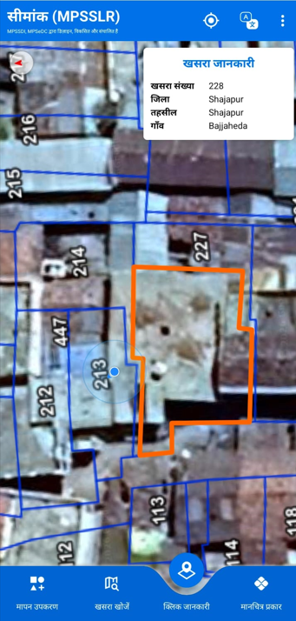

PROPERTY PHOTO
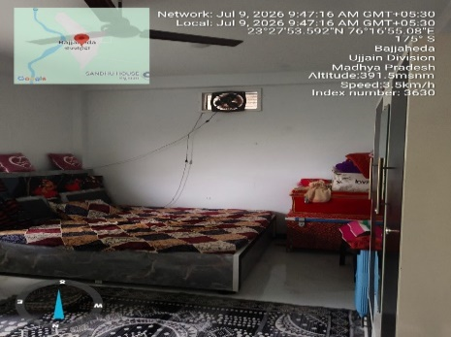 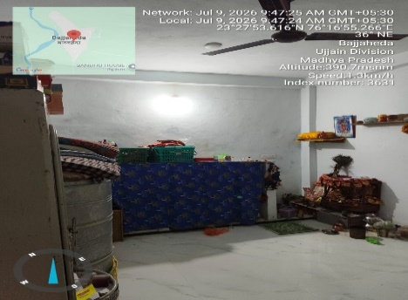 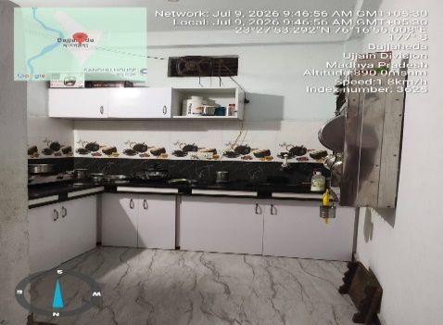 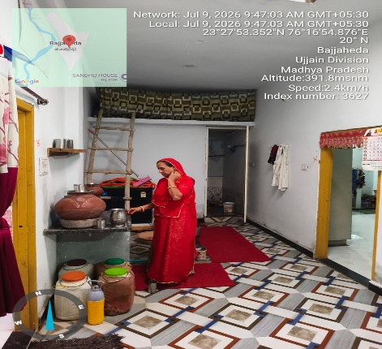 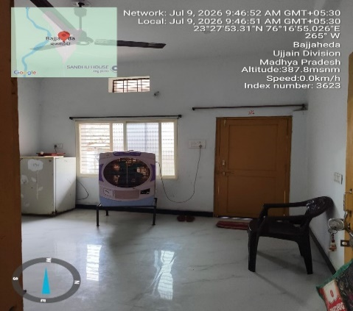 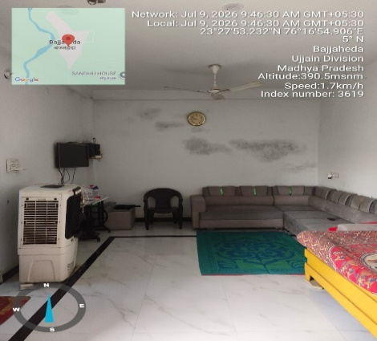 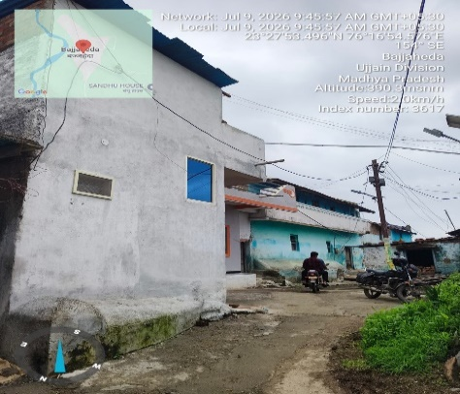 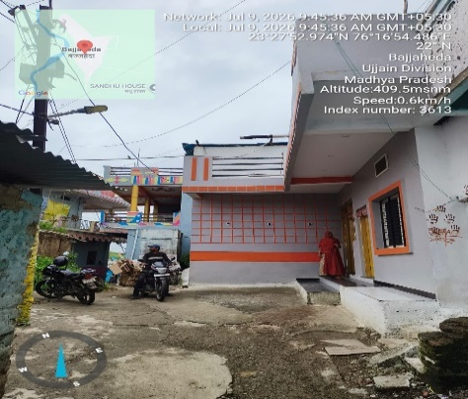 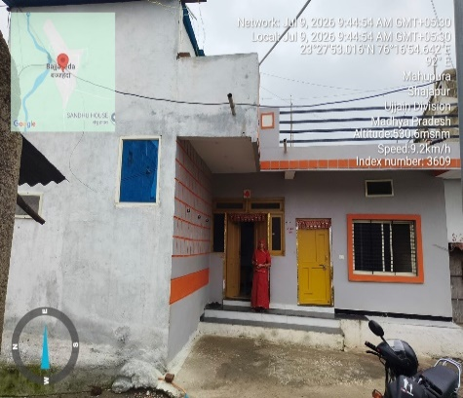

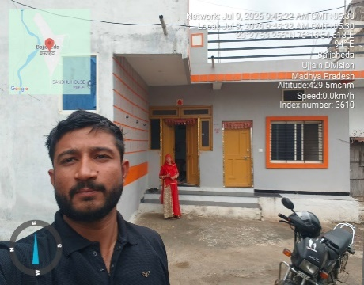 |  | 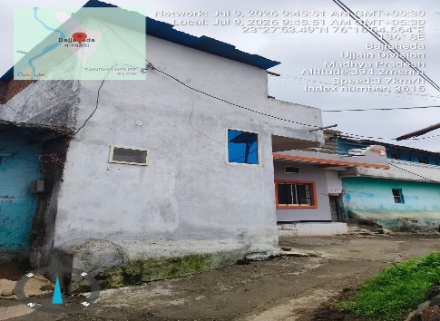 |  | 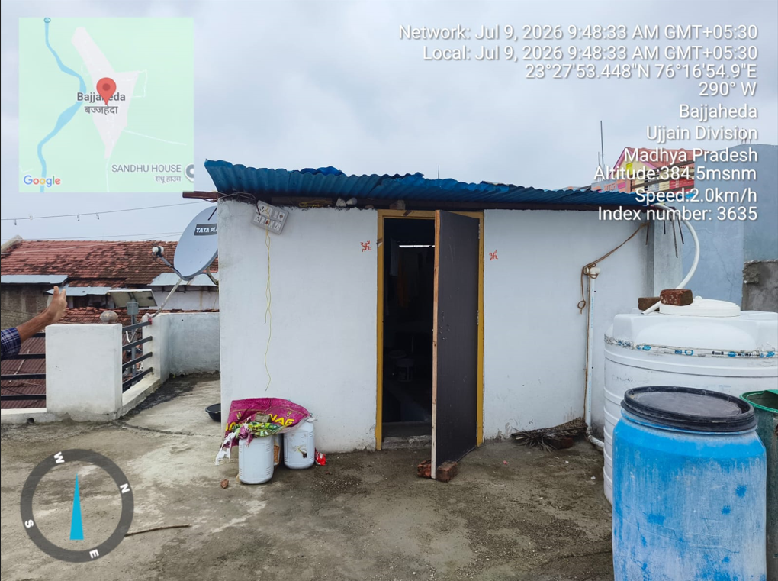
PROPERTY SKETCH
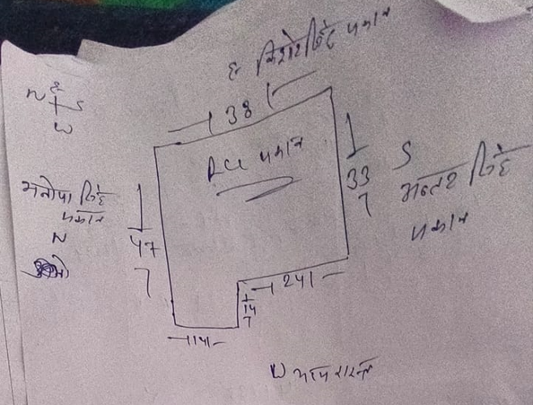 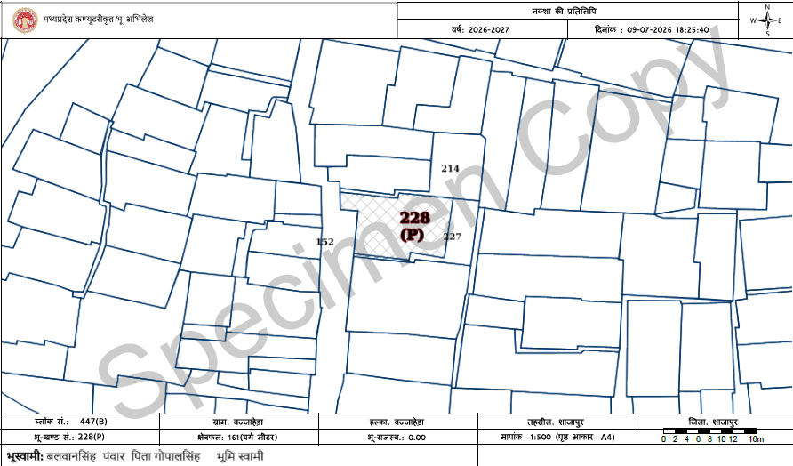

DRON KHASRA LAYOUT/COLONY LAYOUT

