Overview
Data Input Spreadsheet Overview

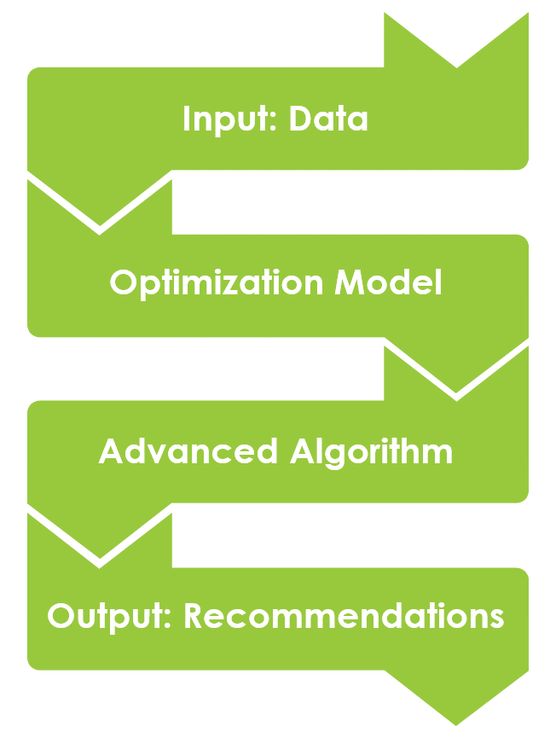
Purpose: This data input spreadsheet collects all the case study specific data that is
fed into the optimization model. An advanced algorithm then considers this data along
with any/all constraints specified to determine the best possible solution(s). Those
solutions are then returned to the user as specific recommendations for action (e.g.
haul 2,340 bbl of produced water from production pad A to completions pad B on
Tuesday, March 23). See Figure 1 for a process illustration.

Note 1: None of this data is stored in the model permanently. The model and the data
are intentionally kept separated within the optimization framework.

Note 2: Data is assumed to be deterministic initially. Eventually, users will be able
to specify which inputs are uncertain, and the framework will aim to determine
"robustified" recommendations that are near-optimal across a range of uncertainty
realizations (i.e., "stochastic optimization").

Data Input Tabs | Description

Production Pads | List of all production pads to be considered
Completion Pads | List of all completion pads to be considered
SWD Sites | List of all disposal sites to be considered
Drive Times | Estimated drive times between locations
Completions Demand | Forecasted water demand at completions sites
Flowback Rates | Forecasted flowback rates (post-completions)
Production Rates | Forecated production rates (post-flowback)
Disposal Capacity | Forecasted disposal capacity
Freshwater Costs | Cost for sourcing freshwater for frac | Figure 1: Illustration of the optimization workflow
Reuse Costs | Cost for FR/chemicals to reuse produced water
Disposal Costs | Cost for disposing produced water
Hauling Rates | Cost for hauling produced water via trucks
Transfer Lines | List of all existing water transfer lines
Pipeline Expansion | Cost for installing new transfer lines

Schematic
