Q,(B(i)
Sex v/s Smoker
Count of SMOKER | Column Labels
Row Labels | no | yes | Grand Total
female | 547 | 115 | 662
male | 517 | 159 | 676
Grand Total | 1064 | 274 | 1338

Q.(B(ii))
Row Labels | Sum of CHARGES$
63-67 | 969416.64302
58-62 | 2272227.7929
Smoker Graph
53-57 | 2212393.7734
48-52 | 2218275.026
43-47 | 2306397.144
38-42 | 1428174.3774
33-37 | 1661380.84
28-32 | 1394013.8001
23-27 | 1434292.3936
18-22 | 1859253.2002
Grand Total | 17755824.991

Q(B(iii)
Bmi v/s Charges
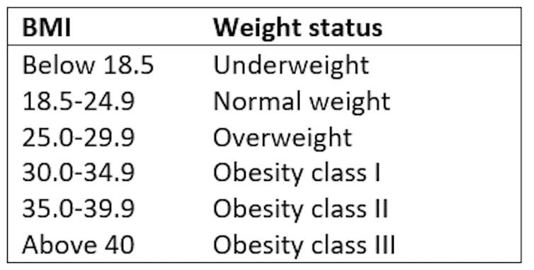
Row Labels | Sum of CHARGES$
15.96-20.96 | 539328.74374
20.96-25.96 | 2747343.6983
25.96-30.96 | 4749663.7601
30.96-35.96 | 5271569.8582
35.96-40.96 | 3282554.8738
40.96-45.96 | 875137.31763
45.96-50.96 | 244561.87801
50.96-55.96 | 45664.8609
Grand Total | 17755824.991

Q(B(iv)
Row Labels | Sum of CHARGES$
no | 8974061
female | 4792977
Smokers V/S Charges
male | 4181085
yes | 8781764
female | 3528085
male | 5253679
Grand Total | 17755824.991

Q1.(c)
SEX | (All)

Count of SMOKER | Column Labels
Row Labels | no | yes | Grand Total
northeast | 257 | 67 | 324
Region v/s Smoker
northwest | 267 | 58 | 325
southeast | 273 | 91 | 364
southwest | 267 | 58 | 325
Grand Total | 1064 | 274 | 1338

Q1.(d)
Row Labels | Average of CHARGES$
northeast | 13406.384516
no | 9165.5316717
Region v/s Charges
yes | 29673.536473
northwest | 12417.575374
no | 8556.4637152
yes | 30192.003182
southeast | 14735.411438
no | 8032.2163089
yes | 34844.996824
southwest | 12346.937377
no | 8019.2845131
yes | 32269.063494
Grand Total | 13270.422265

Q.(e)
Row Labels | Sum of CHARGES$
5 | 158149
4 | 346266
Children v/s Charges
3 | 2410785
2 | 3617655
1 | 4124900
0 | 7098070
Grand Total | 17755825

Q(f)
Region V/s Children V/s Charges
Average of CHARGES$ | Column Labels
Row Labels | 0 | 1 | 2 | 3 | 4 | 5 | Grand Total
northeast | 11626.462658 | 16310.206403 | 13615.152722 | 14409.913296 | 14485.19312 | 6978.9734833 | 13406.384516
northwest | 11324.370919 | 10230.256309 | 13464.314687 | 17786.160672 | 11347.018725 | 8965.79575 | 12417.575374
southeast | 14309.868378 | 13687.041971 | 15728.470623 | 18449.846015 | 14451.023972 | 10115.441542 | 14735.411438
southwest | 11938.504986 | 10406.484953 | 17483.485559 | 10402.442259 | 14933.260533 | 8444.158625 | 12346.937377
Grand Total | 12365.975602 | 12731.171832 | 15073.563734 | 15355.318367 | 13850.656311 | 8786.0352472 | 13270.422265

Q(g)
Count of SEX | Column Labels
Row Labels | female | male | Grand Total
no | 547 | 517 | 1064
yes | 115 | 159 | 274
Grand Total | 662 | 676 | 1338

Dashboard
THE FINAL INSURANCE CLAIM REPORT
Sex v/s Smoker
 | no | yes
female | 547 | 115
male | 517 | 159
Smoker Graph
 | Total
63-67 | 969416.64302
58-62 | 2272227.7929
53-57 | 2212393.7734
48-52 | 2218275.026
43-47 | 2306397.144
38-42 | 1428174.3774
33-37 | 1661380.84
28-32 | 1394013.8001
23-27 | 1434292.3936
18-22 | 1859253.2002
Smokers V/S Charges
 | Total
female | 4792977
male | 4181085
female | 3528085
male | 5253679

Region v/s Smoker
 | no | yes
northeast | 257 | 67
northwest | 267 | 58
southeast | 273 | 91
southwest | 267 | 58
Region v/s Charges
 | Total
no | 9165.5316717
yes | 29673.536473
no | 8556.4637152
yes | 30192.003182
no | 8032.2163089
yes | 34844.996824
no | 8019.2845131
yes | 32269.063494
Children v/s Charges
 | Total
5 | 158149
4 | 346266
3 | 2410785
2 | 3617655
1 | 4124900
0 | 7098070

Region v/s Children v/s Charges
 | 0 | 1 | 2 | 3 | 4 | 5
northeast | 11626.462658 | 16310.206403 | 13615.152722 | 14409.913296 | 14485.19312 | 6978.9734833
northwest | 11324.370919 | 10230.256309 | 13464.314687 | 17786.160672 | 11347.018725 | 8965.79575
southeast | 14309.868378 | 13687.041971 | 15728.470623 | 18449.846015 | 14451.023972 | 10115.441542
southwest | 11938.504986 | 10406.484953 | 17483.485559 | 10402.442259 | 14933.260533 | 8444.158625
Sex v/s Smoker
 | female | male
no | 547 | 517
yes | 115 | 159

