tt_ob_agri
KPI: TT_OB_Agri (tt_ob_agri)
Unit: hours · Registered model: extra_trees · n=129

Train / Test / CV metrics
View | RMSE | MAE | R² | Notes
Training (full data, in-sample) | 1.7238 | 0.7708 | 0.9966 | Apparent error — registered model refit on all rows.
Test (holdout 103/26) | 11.1022 | 6.4502 | 0.8421 | Fresh clone fit on 80% (random_state=42), scored on 20%.
CV 5-fold (mean ± std) | 8.9425 ± 2.964 | 4.2526 ± 1.3663 | 0.9006 ± 0.0394 | KFold(shuffle=True, random_state=42).
CV pooled OOF | 9.4423 | 4.2635 | 0.8994 | Metrics on the stitched-back OOF prediction vector.

Per-fold cross-validation
fold | RMSE | MAE | R²
1 | 11.1021 | 6.4486 | 0.8421
2 | 5.6765 | 2.9597 | 0.9268
3 | 13.4203 | 5.1013 | 0.89
4 | 8.453 | 3.9175 | 0.8857
5 | 6.0607 | 2.8357 | 0.9582
mean | 8.9425 | 4.2526 | 0.9006
std | 2.964 | 1.3663 | 0.0394

Residual statistics (out-of-fold)
mean | std | |resid| mean | min | max | q05 | q50 | q95
0.6481 | 9.4567 | 4.2635 | -32.8254 | 47.8879 | -9.5005 | -0.0433 | 17.1515

Prediction intervals (90%)
Method | Half-width | n calibration | Median σ̂ | Mean σ̂ | Empirical coverage
Split-conformal (OOF residuals) | 13.6917 | 129

Residual plot (pred-vs-actual · residual-vs-fitted)
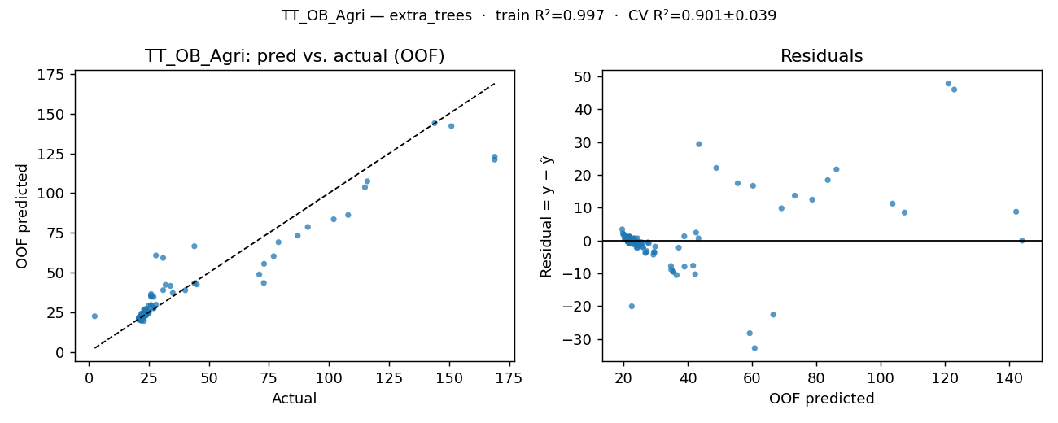

OOF residuals (one row per simulation run)
row | y_true | y_pred_oof | residual
0 | 22.5 | 22.185778 | 0.314222
1 | 22.9 | 22.735278 | 0.164722
2 | 40.2 | 38.921167 | 1.278833
3 | 25 | 24.332833 | 0.667167
4 | 21.4 | 20.856778 | 0.543222
5 | 21.6 | 21.911722 | -0.311722
6 | 22.7 | 24.1645 | -1.4645
7 | 91.2 | 78.737167 | 12.462833
8 | 21.7 | 20.011722 | 1.688278
9 | 2.5 | 22.573278 | -20.073278
10 | 23.3 | 26.899278 | -3.599278
11 | 72.9 | 43.496667 | 29.403333
12 | 22 | 22.135389 | -0.135389
13 | 23 | 23.312333 | -0.312333
14 | 31 | 38.973167 | -7.973167
15 | 24 | 24.416444 | -0.416444
16 | 22 | 19.786833 | 2.213167
17 | 22 | 20.208056 | 1.791944
18 | 22 | 24.080056 | -2.080056
19 | 116 | 107.455333 | 8.544667
20 | 23 | 21.791167 | 1.208833
21 | 22 | 22.614389 | -0.614389
22 | 24 | 27.243611 | -3.243611
23 | 24 | 23.479389 | 0.520611
24 | 22 | 21.781056 | 0.218944
25 | 22 | 22.234278 | -0.234278
26 | 26 | 36.522556 | -10.522556
27 | 28 | 29.857556 | -1.857556
28 | 22 | 21.686944 | 0.313056
29 | 22 | 21.987444 | 0.012556
30 | 23 | 22.731556 | 0.268444
31 | 25 | 25.949778 | -0.949778
32 | 23 | 22.622389 | 0.377611
33 | 27 | 27.570167 | -0.570167
34 | 22 | 22.2955 | -0.2955
35 | 23 | 22.667389 | 0.332611
36 | 31 | 59.272778 | -28.272778
37 | 44 | 43.337778 | 0.662222
38 | 21 | 21.665167 | -0.665167
39 | 23 | 22.5795 | 0.4205
40 | 23 | 22.378833 | 0.621167
41 | 27 | 34.772556 | -7.772556
42 | 22 | 22.223556 | -0.223556
43 | 23 | 22.059 | 0.941
44 | 79 | 69.173333 | 9.826667
45 | 71 | 48.863 | 22.137
46 | 21 | 21.298556 | -0.298556
47 | 22 | 22.606778 | -0.606778
48 | 26 | 35.441778 | -9.441778
49 | 23 | 23.677889 | -0.677889
50 | 21 | 21.889889 | -0.889889
51 | 22 | 22.331389 | -0.331389
52 | 108 | 86.282556 | 21.717444
53 | 169 | 121.112056 | 47.887944
54 | 21 | 21.353222 | -0.353222
55 | 23 | 21.925611 | 1.074389
56 | 22 | 23.150889 | -1.150889
57 | 151 | 142.215222 | 8.784778
58 | 21 | 21.969 | -0.969
59 | 23 | 22.808278 | 0.191722
60 | 77 | 60.3075 | 16.6925
61 | 26 | 29.6325 | -3.6325
62 | 22 | 22.108333 | -0.108333
63 | 24 | 23.279 | 0.721
64 | 23 | 22.821667 | 0.178333
65 | 23 | 23.759333 | -0.759333
66 | 22 | 22.425333 | -0.425333
67 | 22 | 22.223778 | -0.223778
68 | 22 | 21.805 | 0.195
69 | 27 | 27.8565 | -0.8565
70 | 32 | 42.291389 | -10.291389
71 | 23 | 21.825389 | 1.174611
72 | 22 | 21.570167 | 0.429833
73 | 169 | 122.935556 | 46.064444
74 | 23 | 24.7555 | -1.7555
75 | 23 | 19.588889 | 3.411111
76 | 21 | 21.337556 | -0.337556
77 | 34 | 41.665889 | -7.665889
78 | 23 | 22.413889 | 0.586111
79 | 22 | 21.968944 | 0.031056
80 | 22 | 22.043278 | -0.043278
81 | 102 | 83.565444 | 18.434556
82 | 24 | 26.140389 | -2.140389
83 | 23 | 22.917222 | 0.082778
84 | 22 | 20.7215 | 1.2785
85 | 24 | 25.826833 | -1.826833
86 | 23 | 23.550833 | -0.550833
87 | 22 | 22.233889 | -0.233889
88 | 22 | 22.448111 | -0.448111
89 | 115 | 103.741778 | 11.258222
90 | 28 | 60.825444 | -32.825444
91 | 22 | 22.0225 | -0.0225
92 | 21 | 20.443222 | 0.556778
93 | 87 | 73.308278 | 13.691722
94 | 26 | 35.539667 | -9.539667
95 | 23 | 22.768889 | 0.231111
96 | 22 | 22.107611 | -0.107611
97 | 23 | 22.613833 | 0.386167
98 | 21 | 21.526278 | -0.526278
99 | 23 | 23.059556 | -0.059556
100 | 22 | 24.257889 | -2.257889
101 | 22 | 20.869944 | 1.130056
102 | 21 | 20.843556 | 0.156444
103 | 144 | 144.055778 | -0.055778
104 | 23 | 24.383833 | -1.383833
105 | 23 | 23.655333 | -0.655333
106 | 22 | 21.573833 | 0.426167
107 | 45 | 42.576056 | 2.423944
108 | 26 | 34.837833 | -8.837833
109 | 22 | 22.013833 | -0.013833
110 | 22 | 21.272611 | 0.727389
111 | 35 | 37.1905 | -2.1905
112 | 25 | 29.311167 | -4.311167
113 | 22 | 21.628167 | 0.371833
114 | 22 | 22.024167 | -0.024167
115 | 26 | 29.468333 | -3.468333
116 | 23 | 26.806389 | -3.806389
117 | 22 | 21.8085 | 0.1915
118 | 21 | 20.462389 | 0.537611
119 | 73 | 55.542444 | 17.457556
120 | 44 | 66.611056 | -22.611056
121 | 23 | 22.2385 | 0.7615
122 | 22 | 22.081667 | -0.081667
123 | 25 | 25.514111 | -0.514111
124 | 23 | 24.412111 | -1.412111
125 | 22 | 21.487056 | 0.512944
126 | 22 | 22.004389 | -0.004389
127 | 24 | 24.8815 | -0.8815
128 | 22 | 21.891667 | 0.108333

wt_ob_a_gb_dub
KPI: WT_OB_A_GB-Dub (wt_ob_a_gb_dub)
Unit: hours · Registered model: lasso · n=129

Train / Test / CV metrics
View | RMSE | MAE | R² | Notes
Training (full data, in-sample) | 0.1835 | 0.1259 | 0.8981 | Apparent error — registered model refit on all rows.
Test (holdout 103/26) | 0.1455 | 0.113 | 0.8999 | Fresh clone fit on 80% (random_state=42), scored on 20%.
CV 5-fold (mean ± std) | 0.1988 ± 0.0415 | 0.146 ± 0.0273 | 0.8728 ± 0.0357 | KFold(shuffle=True, random_state=42).
CV pooled OOF | 0.203 | 0.146 | 0.8753 | Metrics on the stitched-back OOF prediction vector.

Per-fold cross-validation
fold | RMSE | MAE | R²
1 | 0.1455 | 0.113 | 0.8999
2 | 0.1786 | 0.1314 | 0.9108
3 | 0.2702 | 0.1942 | 0.8431
4 | 0.1881 | 0.139 | 0.8918
5 | 0.2116 | 0.1525 | 0.8186
mean | 0.1988 | 0.146 | 0.8728
std | 0.0415 | 0.0273 | 0.0357

Residual statistics (out-of-fold)
mean | std | |resid| mean | min | max | q05 | q50 | q95
-0.0029 | 0.2038 | 0.146 | -0.7625 | 0.894 | -0.2707 | -0.0165 | 0.2666

Prediction intervals (90%)
Method | Half-width | n calibration | Median σ̂ | Mean σ̂ | Empirical coverage
Split-conformal (OOF residuals) | 0.2797 | 129

Residual plot (pred-vs-actual · residual-vs-fitted)
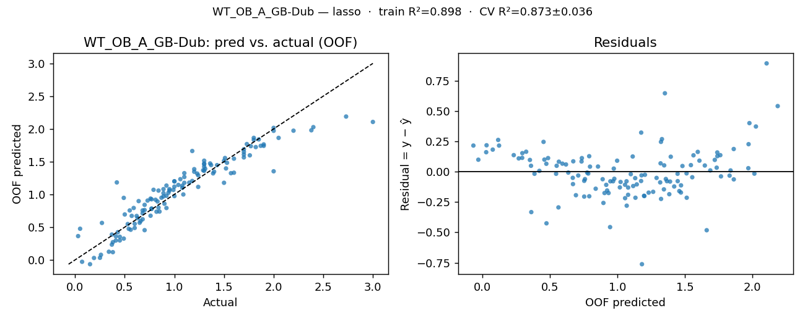

OOF residuals (one row per simulation run)
row | y_true | y_pred_oof | residual
0 | 0.92 | 0.977837 | -0.057837
1 | 0.77 | 0.784635 | -0.014635
2 | 0.45 | 0.296452 | 0.153548
3 | 0.95 | 1.080243 | -0.130243
4 | 0.85 | 0.737385 | 0.112615
5 | 0.83 | 0.891429 | -0.061429
6 | 0.37 | 0.232786 | 0.137214
7 | 0.73 | 0.905349 | -0.175349
8 | 1.18 | 1.662203 | -0.482203
9 | 0.57 | 0.67162 | -0.10162
10 | 0.26 | 0.077246 | 0.182754
11 | 1.08 | 1.132527 | -0.052527
12 | 1.5 | 1.513129 | -0.013129
13 | 0.68 | 0.710595 | -0.030595
14 | 0.38 | 0.269797 | 0.110203
15 | 0.53 | 0.546641 | -0.016641
16 | 2.38 | 1.978711 | 0.401289
17 | 0.92 | 1.134322 | -0.214322
18 | 1.08 | 1.099832 | -0.019832
19 | 0.49 | 0.946449 | -0.456449
20 | 1.9 | 1.763002 | 0.136998
21 | 1.15 | 1.179509 | -0.029509
22 | 0.84 | 1.057773 | -0.217773
23 | 1.76 | 1.596057 | 0.163943
24 | 2.73 | 2.188223 | 0.541777
25 | 1.73 | 1.768088 | -0.038088
26 | 0.41 | 0.360687 | 0.049313
27 | 1.57 | 1.323419 | 0.246581
28 | 1.37 | 1.447326 | -0.077326
29 | 1.36 | 1.472008 | -0.112008
30 | 1.29 | 1.367686 | -0.077686
31 | 0.89 | 0.968547 | -0.078547
32 | 1.24 | 1.290813 | -0.050813
33 | 1.24 | 1.114015 | 0.125985
34 | 0.77 | 0.924603 | -0.154603
35 | 1.87 | 1.741301 | 0.128699
36 | 0.68 | 0.754917 | -0.074917
37 | 1.6 | 1.330642 | 0.269358
38 | 0.79 | 1.069742 | -0.279742
39 | 3 | 2.106012 | 0.893988
40 | 1.51 | 1.555196 | -0.045196
41 | 2 | 1.352543 | 0.647457
42 | 1.53 | 1.482515 | 0.047485
43 | 2 | 1.97051 | 0.02949
44 | 0.59 | 0.792135 | -0.202135
45 | 0.62 | 0.670141 | -0.050141
46 | 0.81 | 0.917948 | -0.107948
47 | 2 | 2.015469 | -0.015469
48 | 0.66 | 0.593153 | 0.066847
49 | 0.89 | 1.018842 | -0.128842
50 | 0.7 | 0.839852 | -0.139852
51 | 1.18 | 1.204727 | -0.024727
52 | 0.27 | 0.563924 | -0.293924
53 | 0.03 | 0.362765 | -0.332765
54 | 0.54 | 0.47421 | 0.06579
55 | 1.82 | 1.722145 | 0.097855
56 | 0.56 | 0.459741 | 0.100259
57 | 0.07 | -0.029504 | 0.099504
58 | 0.49 | 0.324733 | 0.165267
59 | 1.4 | 1.347244 | 0.052756
60 | 0.64 | 0.897149 | -0.257149
61 | 0.7 | 0.453545 | 0.246455
62 | 0.77 | 0.776794 | -0.006794
63 | 1.39 | 1.320512 | 0.069488
64 | 0.99 | 1.068416 | -0.078416
65 | 1.04 | 1.14419 | -0.10419
66 | 1.31 | 1.39079 | -0.08079
67 | 1.85 | 1.839138 | 0.010862
68 | 0.95 | 1.057243 | -0.107243
69 | 1.52 | 1.396032 | 0.123968
70 | 1.23 | 1.317611 | -0.087611
71 | 2.05 | 1.862424 | 0.187576
72 | 1.06 | 1.232137 | -0.172137
73 | 0.05 | 0.475283 | -0.425283
74 | 1.43 | 1.446475 | -0.016475
75 | 2.2 | 1.97243 | 0.22757
76 | 0.94 | 1.024179 | -0.084179
77 | 0.68 | 0.619766 | 0.060234
78 | 1.3 | 1.459322 | -0.159322
79 | 1.8 | 1.831738 | -0.031738
80 | 1.6 | 1.545185 | 0.054815
81 | 0.19 | 0.028703 | 0.161297
82 | 0.89 | 1.080013 | -0.190013
83 | 1.09 | 0.998713 | 0.091287
84 | 1.1 | 1.176266 | -0.076266
85 | 0.43 | 0.422561 | 0.007439
86 | 0.87 | 0.948681 | -0.078681
87 | 1 | 1.117685 | -0.117685
88 | 0.6 | 0.487071 | 0.112929
89 | 0.15 | -0.066196 | 0.216196
90 | 0.41 | 0.295253 | 0.114747
91 | 1.77 | 1.736216 | 0.033784
92 | 0.92 | 0.79168 | 0.12832
93 | 0.5 | 0.693363 | -0.193363
94 | 0.63 | 0.636822 | -0.006822
95 | 0.82 | 0.735051 | 0.084949
96 | 1 | 1.200271 | -0.200271
97 | 0.9 | 0.856965 | 0.043035
98 | 1 | 0.973932 | 0.026068
99 | 1.1 | 1.265484 | -0.165484
100 | 0.37 | 0.386546 | -0.016546
101 | 1.3 | 1.421386 | -0.121386
102 | 0.84 | 0.797703 | 0.042297
103 | 0.42 | 1.182452 | -0.762452
104 | 0.25 | 0.031474 | 0.218526
105 | 0.65 | 0.566972 | 0.083028
106 | 0.76 | 0.673749 | 0.086251
107 | 0.6 | 0.550679 | 0.049321
108 | 0.34 | 0.124021 | 0.215979
109 | 1.2 | 1.385003 | -0.185003
110 | 1.3 | 1.471223 | -0.171223
111 | 1.5 | 1.17694 | 0.32306
112 | 0.38 | 0.117426 | 0.262574
113 | 1.3 | 1.514287 | -0.214287
114 | 1 | 1.197919 | -0.197919
115 | 1.3 | 1.359582 | -0.059582
116 | 0.76 | 0.93531 | -0.17531
117 | 1.7 | 1.564266 | 0.135734
118 | 1.8 | 1.862868 | -0.062868
119 | 1.7 | 1.648346 | 0.051654
120 | 0.45 | 0.352541 | 0.097459
121 | 1.7 | 1.688832 | 0.011168
122 | 2.4 | 2.026751 | 0.373249
123 | 1.9 | 1.740638 | 0.159362
124 | 0.55 | 0.754672 | -0.204672
125 | 1.1 | 1.32408 | -0.22408
126 | 1.7 | 1.608316 | 0.091684
127 | 1.2 | 1.345233 | -0.145233
128 | 0.7 | 0.760499 | -0.060499

wt_ob_a_gb_ross
KPI: WT_OB_A_GB-Ross (wt_ob_a_gb_ross)
Unit: hours · Registered model: catboost · n=129

Train / Test / CV metrics
View | RMSE | MAE | R² | Notes
Training (full data, in-sample) | 0.0038 | 0.0031 | 0.9961 | Apparent error — registered model refit on all rows.
Test (holdout 103/26) | 0.0243 | 0.019 | 0.8625 | Fresh clone fit on 80% (random_state=42), scored on 20%.
CV 5-fold (mean ± std) | 0.0234 ± 0.0049 | 0.0164 ± 0.0018 | 0.8462 ± 0.0344 | KFold(shuffle=True, random_state=42).
CV pooled OOF | 0.0239 | 0.0164 | 0.8462 | Metrics on the stitched-back OOF prediction vector.

Per-fold cross-validation
fold | RMSE | MAE | R²
1 | 0.0228 | 0.0175 | 0.8793
2 | 0.0167 | 0.0134 | 0.8298
3 | 0.0319 | 0.0187 | 0.7884
4 | 0.0237 | 0.0154 | 0.8534
5 | 0.0217 | 0.0171 | 0.8802
mean | 0.0234 | 0.0164 | 0.8462
std | 0.0049 | 0.0018 | 0.0344

Residual statistics (out-of-fold)
mean | std | |resid| mean | min | max | q05 | q50 | q95
0.0003 | 0.024 | 0.0164 | -0.041 | 0.1273 | -0.0277 | -0.0046 | 0.0385

Prediction intervals (90%)
Method | Half-width | n calibration | Median σ̂ | Mean σ̂ | Empirical coverage
Split-conformal (OOF residuals) | 0.0336 | 129

Residual plot (pred-vs-actual · residual-vs-fitted)
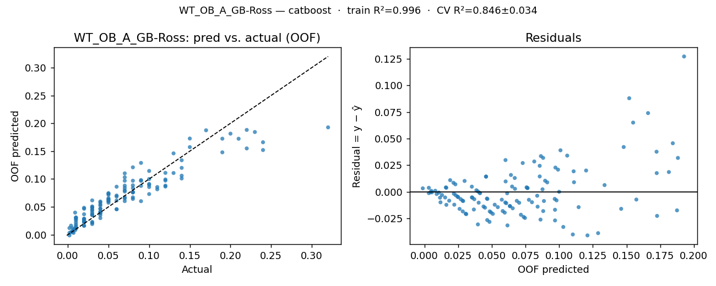

OOF residuals (one row per simulation run)
row | y_true | y_pred_oof | residual
0 | 0.01 | 0.012995 | -0.002995
1 | 0.07 | 0.060249 | 0.009751
2 | 0.03 | 0.019056 | 0.010944
3 | 0.07 | 0.088136 | -0.018136
4 | 0.002 | -0.001262 | 0.003262
5 | 0.03 | 0.035545 | -0.005545
6 | 0.01 | 0.010703 | -0.000703
7 | 0.07 | 0.083987 | -0.013987
8 | 0.01 | 0.026061 | -0.016061
9 | 0.04 | 0.059573 | -0.019573
10 | 0.007 | 0.003224 | 0.003776
11 | 0.12 | 0.099138 | 0.020862
12 | 0.03 | 0.036968 | -0.006968
13 | 0.04 | 0.046341 | -0.006341
14 | 0.01 | 0.015334 | -0.005334
15 | 0.03 | 0.061605 | -0.031605
16 | 0.11 | 0.085534 | 0.024466
17 | 0.07 | 0.079778 | -0.009778
18 | 0.04 | 0.058093 | -0.018093
19 | 0.12 | 0.110989 | 0.009011
20 | 0.1 | 0.089554 | 0.010446
21 | 0.07 | 0.103052 | -0.033052
22 | 0.07 | 0.067181 | 0.002819
23 | 0.23 | 0.184338 | 0.045662
24 | 0.07 | 0.077511 | -0.007511
25 | 0.15 | 0.172662 | -0.022662
26 | 0.01 | 0.018352 | -0.008352
27 | 0.21 | 0.17229 | 0.03771
28 | 0.03 | 0.048447 | -0.018447
29 | 0.09 | 0.096686 | -0.006686
30 | 0.09 | 0.098037 | -0.008037
31 | 0.1 | 0.072928 | 0.027072
32 | 0.07 | 0.096919 | -0.026919
33 | 0.15 | 0.157273 | -0.007273
34 | 0.03 | 0.049348 | -0.019348
35 | 0.12 | 0.088076 | 0.031924
36 | 0.03 | 0.050753 | -0.020753
37 | 0.2 | 0.181416 | 0.018584
38 | 0.02 | 0.01585 | 0.00415
39 | 0.22 | 0.1549 | 0.0651
40 | 0.1 | 0.114426 | -0.014426
41 | 0.19 | 0.172402 | 0.017598
42 | 0.11 | 0.081485 | 0.028515
43 | 0.14 | 0.133682 | 0.006318
44 | 0.08 | 0.088659 | -0.008659
45 | 0.06 | 0.086134 | -0.026134
46 | 0.02 | 0.028717 | -0.008717
47 | 0.09 | 0.128888 | -0.038888
48 | 0.02 | 0.048267 | -0.028267
49 | 0.05 | 0.060703 | -0.010703
50 | 0.02 | 0.025021 | -0.005021
51 | 0.05 | 0.063527 | -0.013527
52 | 0.04 | 0.039635 | 0.000365
53 | 0.06 | 0.045705 | 0.014295
54 | 0.007 | 0.009071 | -0.002071
55 | 0.08 | 0.075791 | 0.004209
56 | 0.004 | 0.016235 | -0.012235
57 | 0.03 | 0.040224 | -0.010224
58 | 0.002 | 0.003219 | -0.001219
59 | 0.05 | 0.071578 | -0.021578
60 | 0.09 | 0.060149 | 0.029851
61 | 0.04 | 0.041292 | -0.001292
62 | 0.03 | 0.021505 | 0.008495
63 | 0.1 | 0.085548 | 0.014452
64 | 0.06 | 0.045669 | 0.014331
65 | 0.13 | 0.14601 | -0.01601
66 | 0.07 | 0.065044 | 0.004956
67 | 0.08 | 0.096901 | -0.016901
68 | 0.04 | 0.035152 | 0.004848
69 | 0.22 | 0.188132 | 0.031868
70 | 0.13 | 0.110725 | 0.019275
71 | 0.19 | 0.147888 | 0.042112
72 | 0.02 | 0.028303 | -0.008303
73 | 0.08 | 0.120991 | -0.040991
74 | 0.05 | 0.057394 | -0.007394
75 | 0.24 | 0.151986 | 0.088014
76 | 0.01 | 0.028423 | -0.018423
77 | 0.08 | 0.083679 | -0.003679
78 | 0.06 | 0.070298 | -0.010298
79 | 0.14 | 0.119973 | 0.020027
80 | 0.12 | 0.097214 | 0.022786
81 | 0.03 | 0.043825 | -0.013825
82 | 0.02 | 0.021812 | -0.001812
83 | 0.08 | 0.076313 | 0.003687
84 | 0.02 | 0.024554 | -0.004554
85 | 0.04 | 0.040863 | -0.000863
86 | 0.04 | 0.029776 | 0.010224
87 | 0.05 | 0.073598 | -0.023598
88 | 0.005 | 0.005509 | -0.000509
89 | 0.02 | 0.046584 | -0.026584
90 | 0.006 | 0.011538 | -0.005538
91 | 0.12 | 0.086423 | 0.033577
92 | 0.004 | 0.004475 | -0.000475
93 | 0.08 | 0.064179 | 0.015821
94 | 0.01 | 0.030564 | -0.020564
95 | 0.03 | 0.035182 | -0.005182
96 | 0.03 | 0.022939 | 0.007061
97 | 0.05 | 0.063354 | -0.013354
98 | 0.009 | 0.008018 | 0.000982
99 | 0.08 | 0.067022 | 0.012978
100 | 0.02 | 0.023194 | -0.003194
101 | 0.04 | 0.052142 | -0.012142
102 | 0.009 | 0.039654 | -0.030654
103 | 0.14 | 0.10095 | 0.03905
104 | 0.006 | 0.005106 | 0.000894
105 | 0.02 | 0.036653 | -0.016653
106 | 0.002 | 0.011887 | -0.009887
107 | 0.03 | 0.044899 | -0.014899
108 | 0.02 | 0.016193 | 0.003807
109 | 0.06 | 0.061379 | -0.001379
110 | 0.02 | 0.026877 | -0.006877
111 | 0.1 | 0.091124 | 0.008876
112 | 0.01 | 0.031012 | -0.021012
113 | 0.07 | 0.110122 | -0.040122
114 | 0.05 | 0.060008 | -0.010008
115 | 0.14 | 0.105956 | 0.034044
116 | 0.06 | 0.06853 | -0.00853
117 | 0.05 | 0.0655 | -0.0155
118 | 0.04 | 0.046709 | -0.006709
119 | 0.24 | 0.165965 | 0.074035
120 | 0.04 | 0.054422 | -0.014422
121 | 0.17 | 0.187462 | -0.017462
122 | 0.1 | 0.099968 | 0.000032
123 | 0.32 | 0.192706 | 0.127294
124 | 0.05 | 0.074589 | -0.024589
125 | 0.04 | 0.038554 | 0.001446
126 | 0.08 | 0.076549 | 0.003451
127 | 0.09 | 0.087628 | 0.002372
128 | 0.01 | 0.022121 | -0.012121

tt_ib_agri
KPI: TT_IB_Agri (tt_ib_agri)
Unit: hours · Registered model: stacking · n=129

Train / Test / CV metrics
View | RMSE | MAE | R² | Notes
Training (full data, in-sample) | 5.2985 | 3.7614 | 0.987 | Apparent error — registered model refit on all rows.
Test (holdout 103/26) | 10.8287 | 7.2449 | 0.953 | Fresh clone fit on 80% (random_state=42), scored on 20%.
CV 5-fold (mean ± std) | 6.8839 ± 1.6403 | 4.6301 ± 0.8735 | 0.9774 ± 0.0071 | KFold(shuffle=True, random_state=42).
CV pooled OOF | 7.0765 | 4.6291 | 0.9768 | Metrics on the stitched-back OOF prediction vector.

Per-fold cross-validation
fold | RMSE | MAE | R²
1 | 9.2881 | 6.0687 | 0.9654
2 | 4.3805 | 3.5537 | 0.9872
3 | 7.6562 | 4.8637 | 0.9759
4 | 6.0076 | 3.9108 | 0.98
5 | 7.0869 | 4.7534 | 0.9786
mean | 6.8839 | 4.6301 | 0.9774
std | 1.6403 | 0.8735 | 0.0071

Residual statistics (out-of-fold)
mean | std | |resid| mean | min | max | q05 | q50 | q95
0.2578 | 7.0994 | 4.6291 | -27.8427 | 23.2853 | -12.2 | 1.5858 | 12.2998

Prediction intervals (90%)
Method | Half-width | n calibration | Median σ̂ | Mean σ̂ | Empirical coverage
Split-conformal (OOF residuals) | 12.7514 | 129

Residual plot (pred-vs-actual · residual-vs-fitted)
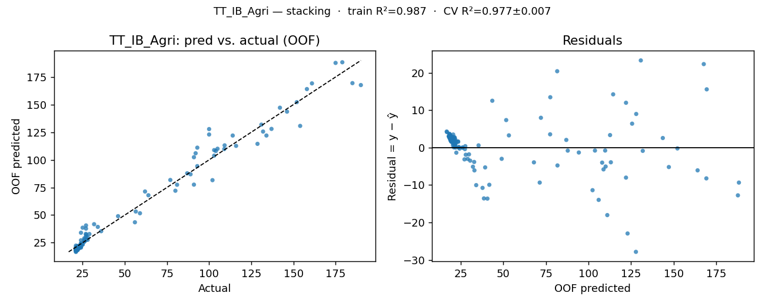

OOF residuals (one row per simulation run)
row | y_true | y_pred_oof | residual
0 | 22.3 | 19.599817 | 2.700183
1 | 26 | 25.98835 | 0.01165
2 | 109.2 | 113.120874 | -3.920874
3 | 56.5 | 53.235093 | 3.264907
4 | 21 | 19.4209 | 1.5791
5 | 21.4 | 20.367872 | 1.032128
6 | 26.9 | 32.983405 | -6.083405
7 | 146.2 | 143.640901 | 2.559099
8 | 21.1 | 18.656857 | 2.443143
9 | 23.8 | 23.752092 | 0.047908
10 | 31.8 | 41.733023 | -9.933023
11 | 128.7 | 114.47445 | 14.22555
12 | 22 | 18.728136 | 3.271864
13 | 27 | 27.398075 | -0.398075
14 | 105 | 110.052527 | -5.052527
15 | 59 | 51.647282 | 7.352718
16 | 22 | 18.534922 | 3.465078
17 | 23 | 21.1918 | 1.8082
18 | 23 | 21.940401 | 1.059599
19 | 161 | 169.218632 | -8.218632
20 | 22 | 19.740086 | 2.259914
21 | 23 | 21.541223 | 1.458777
22 | 34 | 39.289415 | -5.289415
23 | 36 | 35.407701 | 0.592299
24 | 21 | 18.943945 | 2.056055
25 | 21 | 22.355399 | -1.355399
26 | 92 | 105.963758 | -13.963758
27 | 102 | 81.600951 | 20.399049
28 | 21 | 18.385973 | 2.614027
29 | 22 | 19.189228 | 2.810772
30 | 24 | 23.823983 | 0.176017
31 | 62 | 71.339401 | -9.339401
32 | 23 | 20.683505 | 2.316495
33 | 87 | 87.807537 | -0.807537
34 | 22 | 20.043814 | 1.956186
35 | 23 | 20.860848 | 2.139152
36 | 100 | 127.842659 | -27.842659
37 | 109 | 109.782157 | -0.782157
38 | 21 | 18.306587 | 2.693413
39 | 24 | 21.663399 | 2.336601
40 | 23 | 21.322638 | 1.677362
41 | 93 | 94.308855 | -1.308855
42 | 21 | 18.801899 | 2.198101
43 | 22 | 20.658041 | 1.341959
44 | 132 | 125.60702 | 6.39298
45 | 134 | 122.024101 | 11.975899
46 | 21 | 18.009635 | 2.990365
47 | 22 | 19.849267 | 2.150733
48 | 89 | 86.949963 | 2.050037
49 | 28 | 27.619061 | 0.380939
50 | 21 | 18.543124 | 2.456876
51 | 23 | 21.87111 | 1.12889
52 | 154 | 130.714713 | 23.285287
53 | 190 | 167.696497 | 22.303503
54 | 21 | 18.07316 | 2.92684
55 | 22 | 20.336859 | 1.663141
56 | 24 | 27.144767 | -3.144767
57 | 175 | 187.751425 | -12.751425
58 | 21 | 20.442447 | 0.557553
59 | 23 | 20.638334 | 2.361666
60 | 137 | 128.016564 | 8.983436
61 | 77 | 81.766382 | -4.766382
62 | 22 | 18.45209 | 3.54791
63 | 28 | 29.796904 | -1.796904
64 | 24 | 22.294225 | 1.705775
65 | 27 | 32.109463 | -5.109463
66 | 22 | 21.355903 | 0.644097
67 | 22 | 19.931523 | 2.068477
68 | 21 | 17.916375 | 3.083625
69 | 91 | 77.545829 | 13.454171
70 | 103 | 108.814781 | -5.814781
71 | 24 | 21.275821 | 2.724179
72 | 21 | 19.084018 | 1.915982
73 | 185 | 169.437334 | 15.562666
74 | 24 | 34.024901 | -10.024901
75 | 24 | 20.508547 | 3.491453
76 | 21 | 18.111953 | 2.888047
77 | 104 | 108.010147 | -4.010147
78 | 22 | 19.752142 | 2.247858
79 | 23 | 20.070192 | 2.929808
80 | 22 | 21.637827 | 0.362173
81 | 152 | 152.221625 | -0.221625
82 | 27 | 40.621887 | -13.621887
83 | 25 | 23.449593 | 1.550407
84 | 21 | 19.236018 | 1.763982
85 | 64 | 67.938264 | -3.938264
86 | 26 | 29.01835 | -3.01835
87 | 23 | 21.526004 | 1.473996
88 | 22 | 21.63838 | 0.36162
89 | 158 | 164.073322 | -6.073322
90 | 100 | 122.938175 | -22.938175
91 | 22 | 19.555783 | 2.444217
92 | 21 | 18.997512 | 2.002488
93 | 142 | 147.189021 | -5.189021
94 | 93 | 111.026219 | -18.026219
95 | 24 | 24.267143 | -0.267143
96 | 21 | 19.048735 | 1.951265
97 | 25 | 23.356624 | 1.643376
98 | 21 | 18.931099 | 2.068901
99 | 27 | 30.484811 | -3.484811
100 | 26 | 27.907086 | -1.907086
101 | 22 | 20.980303 | 1.019697
102 | 21 | 16.860432 | 4.139568
103 | 179 | 188.342139 | -9.342139
104 | 25 | 38.568524 | -13.568524
105 | 29 | 32.834326 | -3.834326
106 | 21 | 19.185871 | 1.814129
107 | 116 | 112.655168 | 3.344832
108 | 91 | 102.372799 | -11.372799
109 | 21 | 20.941195 | 0.058805
110 | 21 | 19.089933 | 1.910067
111 | 103 | 103.790042 | -0.790042
112 | 80 | 72.035261 | 7.964739
113 | 21 | 16.707881 | 4.292119
114 | 22 | 20.458829 | 1.541171
115 | 81 | 77.452135 | 3.547865
116 | 27 | 37.755571 | -10.755571
117 | 22 | 20.028342 | 1.971658
118 | 22 | 19.057326 | 2.942674
119 | 131 | 131.867418 | -0.867418
120 | 114 | 122.014873 | -8.014873
121 | 24 | 21.283305 | 2.716695
122 | 22 | 19.199264 | 2.800736
123 | 56 | 43.4843 | 12.5157
124 | 26 | 26.00645 | -0.00645
125 | 21 | 19.414222 | 1.585778
126 | 22 | 18.311527 | 3.688473
127 | 46 | 48.995161 | -2.995161
128 | 22 | 21.991047 | 0.008953

wt_ib_a_dub
KPI: WT_IB_A_Dub (wt_ib_a_dub)
Unit: hours · Registered model: stacking · n=129

Train / Test / CV metrics
View | RMSE | MAE | R² | Notes
Training (full data, in-sample) | 0.0535 | 0.0428 | 0.9707 | Apparent error — registered model refit on all rows.
Test (holdout 103/26) | 0.0681 | 0.0518 | 0.9206 | Fresh clone fit on 80% (random_state=42), scored on 20%.
CV 5-fold (mean ± std) | 0.0949 ± 0.0229 | 0.0705 ± 0.014 | 0.9002 ± 0.037 | KFold(shuffle=True, random_state=42).
CV pooled OOF | 0.0974 | 0.0704 | 0.9027 | Metrics on the stitched-back OOF prediction vector.

Per-fold cross-validation
fold | RMSE | MAE | R²
1 | 0.0635 | 0.0479 | 0.9309
2 | 0.073 | 0.0609 | 0.9256
3 | 0.1107 | 0.085 | 0.8331
4 | 0.1033 | 0.0772 | 0.9242
5 | 0.1238 | 0.0813 | 0.887
mean | 0.0949 | 0.0705 | 0.9002
std | 0.0229 | 0.014 | 0.037

Residual statistics (out-of-fold)
mean | std | |resid| mean | min | max | q05 | q50 | q95
0.0022 | 0.0977 | 0.0704 | -0.2664 | 0.3586 | -0.1444 | -0.0025 | 0.1608

Prediction intervals (90%)
Method | Half-width | n calibration | Median σ̂ | Mean σ̂ | Empirical coverage
Split-conformal (OOF residuals) | 0.1646 | 129

Residual plot (pred-vs-actual · residual-vs-fitted)
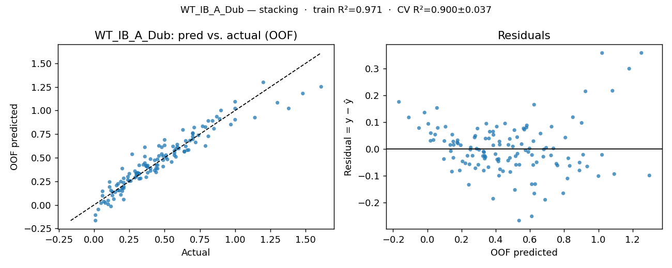

OOF residuals (one row per simulation run)
row | y_true | y_pred_oof | residual
0 | 0.4 | 0.360245 | 0.039755
1 | 0.44 | 0.386678 | 0.053322
2 | 0.1 | 0.045821 | 0.054179
3 | 0.45 | 0.384548 | 0.065452
4 | 0.31 | 0.335172 | -0.025172
5 | 0.43 | 0.365029 | 0.064971
6 | 0.12 | 0.152448 | -0.032448
7 | 0.19 | 0.246629 | -0.056629
8 | 0.46 | 0.625481 | -0.165481
9 | 0.36 | 0.442388 | -0.082388
10 | 0.08 | 0.020396 | 0.059604
11 | 0.38 | 0.340616 | 0.039384
12 | 0.65 | 0.678297 | -0.028297
13 | 0.49 | 0.406043 | 0.083957
14 | 0.07 | 0.036048 | 0.033952
15 | 0.24 | 0.298354 | -0.058354
16 | 0.77 | 0.832417 | -0.062417
17 | 0.48 | 0.610851 | -0.130851
18 | 0.4 | 0.485255 | -0.085255
19 | 0.2 | 0.384885 | -0.184885
20 | 0.71 | 0.819538 | -0.109538
21 | 0.36 | 0.512093 | -0.152093
22 | 0.46 | 0.518584 | -0.058584
23 | 1.38 | 1.021749 | 0.358251
24 | 0.84 | 0.890061 | -0.050061
25 | 0.7 | 0.760934 | -0.060934
26 | 0.1 | 0.005784 | 0.094216
27 | 0.7 | 0.75458 | -0.05458
28 | 0.45 | 0.421716 | 0.028284
29 | 0.63 | 0.794625 | -0.164625
30 | 0.56 | 0.619225 | -0.059225
31 | 0.59 | 0.639129 | -0.049129
32 | 0.65 | 0.620421 | 0.029579
33 | 0.43 | 0.472621 | -0.042621
34 | 0.3 | 0.335432 | -0.035432
35 | 0.74 | 0.737247 | 0.002753
36 | 0.26 | 0.253906 | 0.006094
37 | 0.57 | 0.574433 | -0.004433
38 | 0.29 | 0.357382 | -0.067382
39 | 1.14 | 0.924664 | 0.215336
40 | 1 | 1.021232 | -0.021232
41 | 0.64 | 0.562785 | 0.077215
42 | 0.6 | 0.597504 | 0.002496
43 | 0.89 | 0.910862 | -0.020862
44 | 0.21 | 0.281308 | -0.071308
45 | 0.13 | 0.137498 | -0.007498
46 | 0.24 | 0.264607 | -0.024607
47 | 1 | 1.092812 | -0.092812
48 | 0.21 | 0.195468 | 0.014532
49 | 0.31 | 0.339703 | -0.029703
50 | 0.37 | 0.408769 | -0.038769
51 | 0.72 | 0.661946 | 0.058054
52 | 0.06 | 0.097117 | -0.037117
53 | 0.01 | -0.108126 | 0.118126
54 | 0.21 | 0.177052 | 0.032948
55 | 0.7 | 0.72335 | -0.02335
56 | 0.2 | 0.146024 | 0.053976
57 | 0.01 | -0.166113 | 0.176113
58 | 0.25 | 0.330019 | -0.080019
59 | 0.67 | 0.581598 | 0.088402
60 | 0.17 | 0.154032 | 0.015968
61 | 0.19 | 0.106534 | 0.083466
62 | 0.4 | 0.385779 | 0.014221
63 | 0.79 | 0.624319 | 0.165681
64 | 0.49 | 0.474138 | 0.015862
65 | 0.64 | 0.56729 | 0.07271
66 | 0.58 | 0.590482 | -0.010482
67 | 0.9 | 1.000603 | -0.100603
68 | 0.51 | 0.500168 | 0.009832
69 | 0.5 | 0.630421 | -0.130421
70 | 0.35 | 0.425185 | -0.075185
71 | 1.61 | 1.251437 | 0.358563
72 | 0.36 | 0.610529 | -0.250529
73 | 0.06 | 0.143848 | -0.083848
74 | 0.52 | 0.482061 | 0.037939
75 | 1.48 | 1.180169 | 0.299831
76 | 0.27 | 0.536392 | -0.266392
77 | 0.2 | 0.17895 | 0.02105
78 | 0.5 | 0.688828 | -0.188828
79 | 1.3 | 1.082475 | 0.217525
80 | 0.81 | 0.72638 | 0.08362
81 | 0.05 | 0.01897 | 0.03103
82 | 0.37 | 0.293336 | 0.076664
83 | 0.58 | 0.509187 | 0.070813
84 | 0.3 | 0.325829 | -0.025829
85 | 0.32 | 0.331554 | -0.011554
86 | 0.55 | 0.45455 | 0.09545
87 | 0.48 | 0.538392 | -0.058392
88 | 0.17 | 0.222847 | -0.052847
89 | 0.03 | -0.048594 | 0.078594
90 | 0.11 | 0.18966 | -0.07966
91 | 0.97 | 0.850965 | 0.119035
92 | 0.18 | 0.151782 | 0.028218
93 | 0.21 | 0.234789 | -0.024789
94 | 0.21 | 0.056519 | 0.153481
95 | 0.44 | 0.423414 | 0.016586
96 | 0.33 | 0.28055 | 0.04945
97 | 0.38 | 0.398644 | -0.018644
98 | 0.37 | 0.415754 | -0.045754
99 | 0.66 | 0.579375 | 0.080625
100 | 0.32 | 0.328903 | -0.008903
101 | 0.38 | 0.416846 | -0.036846
102 | 0.29 | 0.288517 | 0.001483
103 | 0.11 | 0.242829 | -0.132829
104 | 0.13 | 0.099767 | 0.030233
105 | 0.2 | 0.17489 | 0.02511
106 | 0.25 | 0.251879 | -0.001879
107 | 0.16 | 0.205881 | -0.045881
108 | 0.14 | 0.060982 | 0.079018
109 | 0.44 | 0.345082 | 0.094918
110 | 0.59 | 0.611891 | -0.021891
111 | 0.51 | 0.527052 | -0.017052
112 | 0.12 | -0.016256 | 0.136256
113 | 0.68 | 0.681161 | -0.001161
114 | 0.79 | 0.824194 | -0.034194
115 | 0.45 | 0.482842 | -0.032842
116 | 0.32 | 0.27655 | 0.04345
117 | 0.7 | 0.695028 | 0.004972
118 | 0.81 | 0.889582 | -0.079582
119 | 0.49 | 0.516369 | -0.026369
120 | 0.15 | 0.134428 | 0.015572
121 | 1 | 0.902272 | 0.097728
122 | 1.2 | 1.298272 | -0.098272
123 | 0.85 | 0.806985 | 0.043015
124 | 0.32 | 0.419164 | -0.099164
125 | 0.57 | 0.525364 | 0.044636
126 | 0.87 | 0.934735 | -0.064735
127 | 0.57 | 0.55135 | 0.01865
128 | 0.3 | 0.3025 | -0.0025

wt_ib_a_ross
KPI: WT_IB_A_Ross (wt_ib_a_ross)
Unit: hours · Registered model: stacking · n=129

Train / Test / CV metrics
View | RMSE | MAE | R² | Notes
Training (full data, in-sample) | 0.0144 | 0.009 | 0.9851 | Apparent error — registered model refit on all rows.
Test (holdout 103/26) | 0.03 | 0.0212 | 0.9267 | Fresh clone fit on 80% (random_state=42), scored on 20%.
CV 5-fold (mean ± std) | 0.0457 ± 0.0229 | 0.0299 ± 0.0093 | 0.842 ± 0.078 | KFold(shuffle=True, random_state=42).
CV pooled OOF | 0.0507 | 0.0298 | 0.8144 | Metrics on the stitched-back OOF prediction vector.

Per-fold cross-validation
fold | RMSE | MAE | R²
1 | 0.0305 | 0.0226 | 0.9246
2 | 0.0279 | 0.0223 | 0.8468
3 | 0.0315 | 0.023 | 0.8898
4 | 0.0498 | 0.0364 | 0.8525
5 | 0.0888 | 0.0453 | 0.6965
mean | 0.0457 | 0.0299 | 0.842
std | 0.0229 | 0.0093 | 0.078

Residual statistics (out-of-fold)
mean | std | |resid| mean | min | max | q05 | q50 | q95
0.0006 | 0.0509 | 0.0298 | -0.0778 | 0.2968 | -0.0536 | -0.008 | 0.0793

Prediction intervals (90%)
Method | Half-width | n calibration | Median σ̂ | Mean σ̂ | Empirical coverage
Split-conformal (OOF residuals) | 0.0677 | 129

Residual plot (pred-vs-actual · residual-vs-fitted)
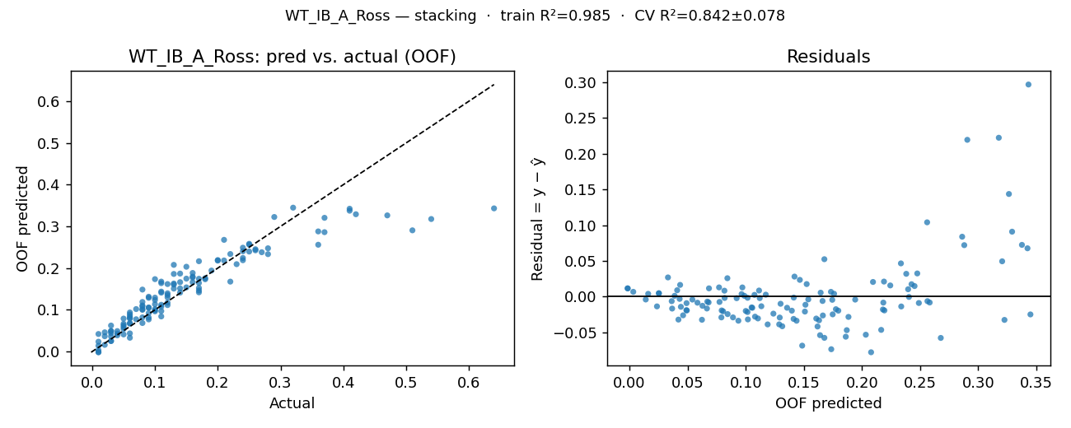

OOF residuals (one row per simulation run)
row | y_true | y_pred_oof | residual
0 | 0.03 | 0.044188 | -0.014188
1 | 0.1 | 0.12376 | -0.02376
2 | 0.07 | 0.077412 | -0.007412
3 | 0.15 | 0.153788 | -0.003788
4 | 0.02 | 0.016064 | 0.003936
5 | 0.08 | 0.068357 | 0.011643
6 | 0.03 | 0.025313 | 0.004687
7 | 0.17 | 0.216482 | -0.046482
8 | 0.06 | 0.079281 | -0.019281
9 | 0.08 | 0.14853 | -0.06853
10 | 0.01 | 0.003235 | 0.006765
11 | 0.26 | 0.24516 | 0.01484
12 | 0.1 | 0.113401 | -0.013401
13 | 0.14 | 0.151325 | -0.011325
14 | 0.03 | 0.0363 | -0.0063
15 | 0.11 | 0.097078 | 0.012922
16 | 0.17 | 0.16442 | 0.00558
17 | 0.13 | 0.160626 | -0.030626
18 | 0.08 | 0.118824 | -0.038824
19 | 0.26 | 0.242582 | 0.017418
20 | 0.18 | 0.175945 | 0.004055
21 | 0.11 | 0.163898 | -0.053898
22 | 0.12 | 0.161739 | -0.041739
23 | 0.64 | 0.343162 | 0.296838
24 | 0.17 | 0.174404 | -0.004404
25 | 0.21 | 0.267731 | -0.057731
26 | 0.05 | 0.041007 | 0.008993
27 | 0.41 | 0.342313 | 0.067687
28 | 0.06 | 0.084398 | -0.024398
29 | 0.16 | 0.188338 | -0.028338
30 | 0.14 | 0.166312 | -0.026312
31 | 0.24 | 0.224292 | 0.015708
32 | 0.14 | 0.186876 | -0.046876
33 | 0.25 | 0.239644 | 0.010356
34 | 0.08 | 0.081814 | -0.001814
35 | 0.22 | 0.167593 | 0.052407
36 | 0.11 | 0.141135 | -0.031135
37 | 0.51 | 0.290548 | 0.219452
38 | 0.04 | 0.043117 | -0.003117
39 | 0.37 | 0.32053 | 0.04947
40 | 0.28 | 0.247507 | 0.032493
41 | 0.37 | 0.286127 | 0.083873
42 | 0.17 | 0.146513 | 0.023487
43 | 0.24 | 0.240372 | -0.000372
44 | 0.13 | 0.186012 | -0.056012
45 | 0.1 | 0.173539 | -0.073539
46 | 0.04 | 0.038799 | 0.001201
47 | 0.27 | 0.238034 | 0.031966
48 | 0.1 | 0.101581 | -0.001581
49 | 0.08 | 0.107971 | -0.027971
50 | 0.06 | 0.068033 | -0.008033
51 | 0.16 | 0.177525 | -0.017525
52 | 0.09 | 0.105025 | -0.015025
53 | 0.09 | 0.131395 | -0.041395
54 | 0.01 | -0.001698 | 0.011698
55 | 0.16 | 0.179589 | -0.019589
56 | 0.03 | 0.025209 | 0.004791
57 | 0.06 | 0.033081 | 0.026919
58 | 0.02 | 0.03667 | -0.01667
59 | 0.11 | 0.143685 | -0.033685
60 | 0.12 | 0.135524 | -0.015524
61 | 0.09 | 0.081641 | 0.008359
62 | 0.05 | 0.066579 | -0.016579
63 | 0.28 | 0.233444 | 0.046556
64 | 0.12 | 0.11722 | 0.00278
65 | 0.25 | 0.258183 | -0.008183
66 | 0.13 | 0.150863 | -0.020863
67 | 0.2 | 0.21795 | -0.01795
68 | 0.11 | 0.112005 | -0.002005
69 | 0.29 | 0.322513 | -0.032513
70 | 0.2 | 0.219254 | -0.019254
71 | 0.54 | 0.317633 | 0.222367
72 | 0.05 | 0.079025 | -0.029025
73 | 0.15 | 0.203253 | -0.053253
74 | 0.12 | 0.129934 | -0.009934
75 | 0.47 | 0.326337 | 0.143663
76 | 0.03 | 0.049303 | -0.019303
77 | 0.13 | 0.163049 | -0.033049
78 | 0.12 | 0.139618 | -0.019618
79 | 0.36 | 0.287924 | 0.072076
80 | 0.19 | 0.194122 | -0.004122
81 | 0.08 | 0.099988 | -0.019988
82 | 0.08 | 0.101501 | -0.021501
83 | 0.17 | 0.141902 | 0.028098
84 | 0.05 | 0.058439 | -0.008439
85 | 0.11 | 0.107488 | 0.002512
86 | 0.08 | 0.110465 | -0.030465
87 | 0.11 | 0.167612 | -0.057612
88 | 0.01 | 0.042077 | -0.032077
89 | 0.06 | 0.08049 | -0.02049
90 | 0.03 | 0.062321 | -0.032321
91 | 0.24 | 0.218877 | 0.021123
92 | 0.01 | 0.013971 | -0.003971
93 | 0.23 | 0.209423 | 0.020577
94 | 0.09 | 0.077029 | 0.012971
95 | 0.12 | 0.111416 | 0.008584
96 | 0.06 | 0.066925 | -0.006925
97 | 0.1 | 0.098798 | 0.001202
98 | 0.03 | 0.048894 | -0.018894
99 | 0.16 | 0.166042 | -0.006042
100 | 0.06 | 0.089002 | -0.029002
101 | 0.09 | 0.09216 | -0.00216
102 | 0.01 | 0.023621 | -0.013621
103 | 0.24 | 0.248874 | -0.008874
104 | 0.01 | -0.001483 | 0.011483
105 | 0.06 | 0.043533 | 0.016467
106 | 0.02 | 0.046093 | -0.026093
107 | 0.07 | 0.101821 | -0.031821
108 | 0.05 | 0.062751 | -0.012751
109 | 0.11 | 0.084181 | 0.025819
110 | 0.06 | 0.093647 | -0.033647
111 | 0.36 | 0.255984 | 0.104016
112 | 0.04 | 0.049069 | -0.009069
113 | 0.13 | 0.20779 | -0.07779
114 | 0.18 | 0.173263 | 0.006737
115 | 0.21 | 0.218312 | -0.008312
116 | 0.1 | 0.096397 | 0.003603
117 | 0.17 | 0.152387 | 0.017613
118 | 0.14 | 0.141284 | -0.001284
119 | 0.41 | 0.337535 | 0.072465
120 | 0.09 | 0.105601 | -0.015601
121 | 0.32 | 0.344847 | -0.024847
122 | 0.25 | 0.256275 | -0.006275
123 | 0.42 | 0.32907 | 0.09093
124 | 0.1 | 0.129214 | -0.029214
125 | 0.09 | 0.128759 | -0.038759
126 | 0.15 | 0.174761 | -0.024761
127 | 0.22 | 0.233718 | -0.013718
128 | 0.05 | 0.054081 | -0.004081

wt_ib_na_dub
KPI: WT_IB_NA_Dub (wt_ib_na_dub)
Unit: hours · Registered model: ridge · n=129

Train / Test / CV metrics
View | RMSE | MAE | R² | Notes
Training (full data, in-sample) | 23.3964 | 18.8807 | 0.8582 | Apparent error — registered model refit on all rows.
Test (holdout 103/26) | 26.3171 | 21.2738 | 0.8338 | Fresh clone fit on 80% (random_state=42), scored on 20%.
CV 5-fold (mean ± std) | 28.3057 ± 2.2963 | 23.063 ± 1.5436 | 0.7827 ± 0.048 | KFold(shuffle=True, random_state=42).
CV pooled OOF | 28.3898 | 23.0458 | 0.7913 | Metrics on the stitched-back OOF prediction vector.

Per-fold cross-validation
fold | RMSE | MAE | R²
1 | 26.3171 | 21.2738 | 0.8338
2 | 27.5764 | 22.769 | 0.7473
3 | 25.9488 | 21.6355 | 0.8086
4 | 32.1556 | 24.3565 | 0.7067
5 | 29.5307 | 25.28 | 0.8172
mean | 28.3057 | 23.063 | 0.7827
std | 2.2963 | 1.5436 | 0.048

Residual statistics (out-of-fold)
mean | std | |resid| mean | min | max | q05 | q50 | q95
1.6646 | 28.4514 | 23.0458 | -65.4806 | 108.9008 | -43.6494 | 1.7543 | 41.9982

Prediction intervals (90%)
Method | Half-width | n calibration | Median σ̂ | Mean σ̂ | Empirical coverage
Split-conformal (OOF residuals) | 43.174 | 129

Residual plot (pred-vs-actual · residual-vs-fitted)
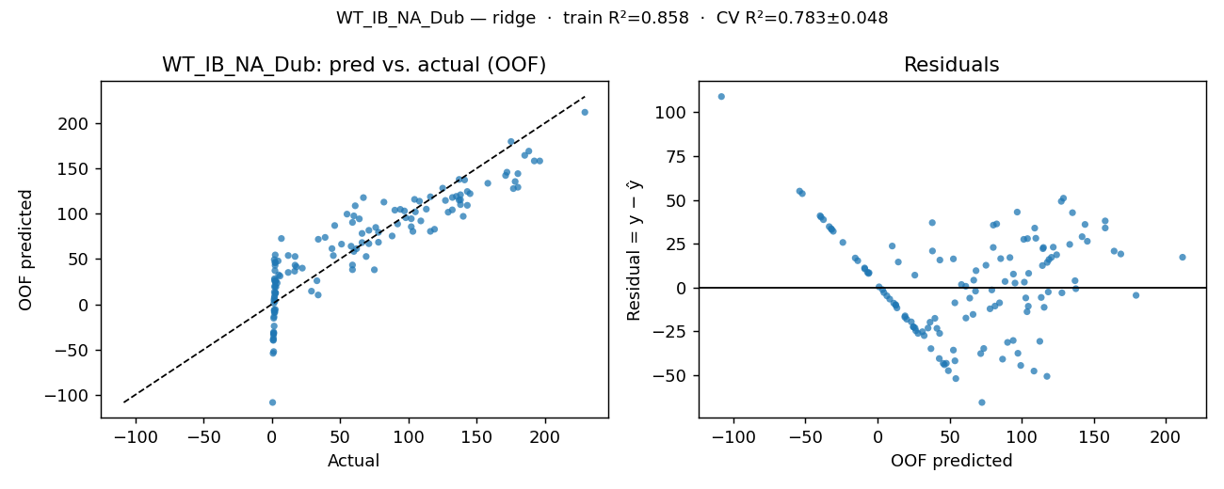

OOF residuals (one row per simulation run)
row | y_true | y_pred_oof | residual
0 | 33.9 | 10.204924 | 23.695076
1 | 1.76 | -6.978147 | 8.738147
2 | 1.83 | -6.241348 | 8.071348
3 | 16.7 | 36.447707 | -19.747707
4 | 103.2 | 80.309961 | 22.890039
5 | 132.1 | 117.745154 | 14.354846
6 | 1.3 | -31.800055 | 33.100055
7 | 104.4 | 115.638401 | -11.238401
8 | 22.3 | 39.813197 | -17.513197
9 | 2.49 | 54.355037 | -51.865037
10 | 1.37 | -30.719962 | 32.089962
11 | 176.7 | 127.52624 | 49.17376
12 | 188 | 168.837772 | 19.162228
13 | 172 | 145.593498 | 26.406502
14 | 2.44 | 46.406312 | -43.966312
15 | 39 | 73.714072 | -34.714072
16 | 17 | 43.110917 | -26.110917
17 | 6 | 31.156076 | -25.156076
18 | 1.85 | -8.822637 | 10.672637
19 | 138 | 115.136874 | 22.863126
20 | 196 | 157.995338 | 38.004662
21 | 105 | 101.895715 | 3.104285
22 | 1.36 | -52.204039 | 53.564039
23 | 119 | 82.688779 | 36.311221
24 | 71 | 66.768787 | 4.231213
25 | 2.26 | 20.280937 | -18.020937
26 | 2.58 | -5.883044 | 8.463044
27 | 140 | 96.948295 | 43.051705
28 | 145 | 121.950878 | 23.049122
29 | 135 | 118.991658 | 16.008342
30 | 3 | 19.112982 | -16.112982
31 | 55 | 99.387396 | -44.387396
32 | 51 | 66.283529 | -15.283529
33 | 66 | 68.011082 | -2.011082
34 | 78 | 68.357461 | 9.642539
35 | 108 | 113.609585 | -5.609585
36 | 137 | 137.625088 | -0.625088
37 | 138 | 120.736952 | 17.263048
38 | 1.23 | -33.51771 | 34.74771
39 | 102 | 85.485152 | 16.514848
40 | 59 | 90.233886 | -31.233886
41 | 69 | 52.640664 | 16.359336
42 | 71 | 81.521553 | -10.521553
43 | 192 | 158.011524 | 33.988476
44 | 97 | 102.885383 | -5.885383
45 | 2 | 28.108262 | -26.108262
46 | 0.92 | -54.083413 | 55.003413
47 | 12 | 53.740441 | -41.740441
48 | 116 | 118.489896 | -2.489896
49 | 143 | 109.085505 | 33.914495
50 | 64 | 94.145122 | -30.145122
51 | 180 | 129.030212 | 50.969788
52 | 82 | 112.63078 | -30.63078
53 | 78 | 79.33006 | -1.33006
54 | 0.6 | -108.300847 | 108.900847
55 | 2.28 | 37.083319 | -34.803319
56 | 132 | 104.070937 | 27.929063
57 | 2.4 | 45.573981 | -43.173981
58 | 46 | 86.782232 | -40.782232
59 | 158 | 133.380229 | 24.619771
60 | 138 | 109.87049 | 28.12951
61 | 66 | 78.079806 | -12.079806
62 | 5 | 32.376326 | -27.376326
63 | 18 | 41.236055 | -23.236055
64 | 58 | 64.002256 | -6.002256
65 | 67 | 117.588091 | -50.588091
66 | 143 | 124.299823 | 18.700177
67 | 141 | 137.07497 | 3.92503
68 | 109 | 91.880149 | 17.119851
69 | 1.79 | 49.163121 | -47.373121
70 | 2.2 | -8.98123 | 11.18123
71 | 178 | 135.29337 | 42.70663
72 | 2.57 | 12.689455 | -10.119455
73 | 92 | 88.514659 | 3.485341
74 | 76 | 84.681162 | -8.681162
75 | 171 | 141.974356 | 29.025644
76 | 1.4 | -15.449732 | 16.849732
77 | 1.1 | -39.835651 | 40.935651
78 | 1.4 | -32.175338 | 33.575338
79 | 113 | 104.876268 | 8.123732
80 | 34 | 71.616119 | -37.616119
81 | 102 | 94.299583 | 7.700417
82 | 61 | 108.58029 | -47.58029
83 | 125 | 127.978654 | -2.978654
84 | 1.9 | 13.489545 | -11.589545
85 | 1 | -39.19063 | 40.19063
86 | 2.4 | 24.845155 | -22.445155
87 | 185 | 164.190154 | 20.809846
88 | 3 | 26.030375 | -23.030375
89 | 44 | 61.35095 | -17.35095
90 | 127 | 114.436926 | 12.563074
91 | 137 | 114.812579 | 22.187421
92 | 2 | 26.561875 | -24.561875
93 | 1.6 | 4.430184 | -2.830184
94 | 2.3 | 3.482574 | -1.182574
95 | 94 | 104.628366 | -10.628366
96 | 33 | 25.901657 | 7.098343
97 | 60 | 58.245704 | 1.754296
98 | 7 | 72.480571 | -65.480571
99 | 45 | 53.672116 | -8.672116
100 | 2.8 | 12.562794 | -9.762794
101 | 1.6 | -13.724612 | 15.324612
102 | 1.8 | 6.499459 | -4.699459
103 | 180 | 143.996994 | 36.003006
104 | 2.4 | 42.842704 | -40.442704
105 | 75 | 38.003801 | 36.996199
106 | 62 | 61.250314 | 0.749686
107 | 59 | 43.286467 | 15.713533
108 | 1.2 | -37.532122 | 38.732122
109 | 3.9 | 23.437592 | -19.537592
110 | 90 | 103.756506 | -13.756506
111 | 175 | 179.418525 | -4.418525
112 | 88 | 75.26168 | 12.73832
113 | 1.95 | 8.487893 | -6.537893
114 | 2.4 | 11.243319 | -8.843319
115 | 4.6 | 47.74478 | -43.14478
116 | 1.7 | -24.048721 | 25.748721
117 | 29 | 14.417246 | 14.582754
118 | 12 | 35.057085 | -23.057085
119 | 229 | 211.697615 | 17.302385
120 | 129 | 101.496178 | 27.503822
121 | 2.6 | 24.954647 | -22.354647
122 | 116 | 80.379529 | 35.620471
123 | 59 | 38.126724 | 20.873276
124 | 1.5 | 1.07072 | 0.42928
125 | 2.1 | 18.94477 | -16.84477
126 | 17 | 52.640498 | -35.640498
127 | 98 | 95.416689 | 2.583311
128 | 60 | 97.43372 | -37.43372

wt_ob_na_gb_dub
KPI: WT_OB_NA_GB-Dub (wt_ob_na_gb_dub)
Unit: hours · Registered model: stacking · n=129

Train / Test / CV metrics
View | RMSE | MAE | R² | Notes
Training (full data, in-sample) | 0.1916 | 0.1404 | 0.9568 | Apparent error — registered model refit on all rows.
Test (holdout 103/26) | 0.332 | 0.2693 | 0.8849 | Fresh clone fit on 80% (random_state=42), scored on 20%.
CV 5-fold (mean ± std) | 0.3871 ± 0.0559 | 0.285 ± 0.0155 | 0.8015 ± 0.0645 | KFold(shuffle=True, random_state=42).
CV pooled OOF | 0.3902 | 0.2848 | 0.8206 | Metrics on the stitched-back OOF prediction vector.

Per-fold cross-validation
fold | RMSE | MAE | R²
1 | 0.3339 | 0.2764 | 0.8836
2 | 0.3679 | 0.2834 | 0.8259
3 | 0.3584 | 0.2649 | 0.8265
4 | 0.3808 | 0.2889 | 0.6901
5 | 0.4947 | 0.3114 | 0.7814
mean | 0.3871 | 0.285 | 0.8015
std | 0.0559 | 0.0155 | 0.0645

Residual statistics (out-of-fold)
mean | std | |resid| mean | min | max | q05 | q50 | q95
-0.0051 | 0.3917 | 0.2848 | -1.0616 | 1.8415 | -0.601 | -0.0125 | 0.5672

Prediction intervals (90%)
Method | Half-width | n calibration | Median σ̂ | Mean σ̂ | Empirical coverage
Split-conformal (OOF residuals) | 0.5901 | 129

Residual plot (pred-vs-actual · residual-vs-fitted)
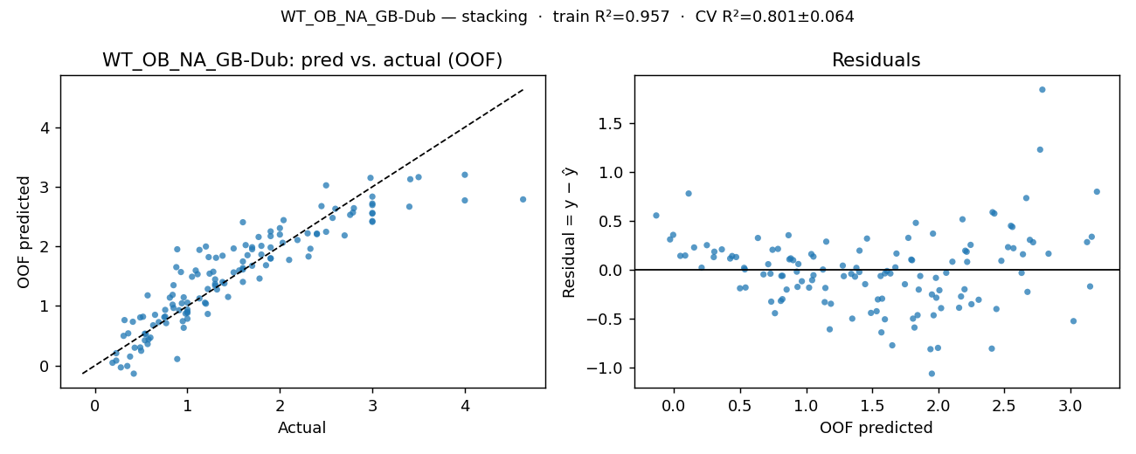

OOF residuals (one row per simulation run)
row | y_true | y_pred_oof | residual
0 | 0.98 | 0.872981 | 0.107019
1 | 2.57 | 2.477928 | 0.092072
2 | 0.84 | 1.02213 | -0.18213
3 | 2.31 | 1.830305 | 0.479695
4 | 0.31 | 0.498882 | -0.188882
5 | 2.04 | 2.440445 | -0.400445
6 | 0.57 | 0.36147 | 0.20853
7 | 2.98 | 3.149926 | -0.169926
8 | 1.6 | 1.747481 | -0.147481
9 | 0.85 | 1.348955 | -0.498955
10 | 1.2 | 1.039093 | 0.160907
11 | 0.88 | 1.651857 | -0.771857
12 | 2.3 | 2.218939 | 0.081061
13 | 1.22 | 1.285001 | -0.065001
14 | 2.03 | 2.060458 | -0.030458
15 | 1.19 | 1.055036 | 0.134964
16 | 0.94 | 1.045269 | -0.105269
17 | 1.38 | 1.843436 | -0.463436
18 | 0.5 | 0.248089 | 0.251911
19 | 2.45 | 2.675718 | -0.225718
20 | 0.43 | 0.300216 | 0.129784
21 | 2.33 | 1.960101 | 0.369899
22 | 0.35 | -0.007026 | 0.357026
23 | 4.63 | 2.788538 | 1.841462
24 | 1.9 | 2.1726 | -0.2726
25 | 0.81 | 1.14033 | -0.33033
26 | 1 | 0.883139 | 0.116861
27 | 3 | 2.56159 | 0.43841
28 | 1.56 | 1.596393 | -0.036393
29 | 0.65 | 0.851963 | -0.201963
30 | 2 | 2.199067 | -0.199067
31 | 1.31 | 1.808922 | -0.498922
32 | 1.23 | 1.820093 | -0.590093
33 | 4 | 2.771551 | 1.228449
34 | 0.54 | 0.424508 | 0.115492
35 | 3 | 2.835172 | 0.164828
36 | 1.44 | 1.151973 | 0.288027
37 | 1 | 0.901506 | 0.098494
38 | 0.28 | -0.030614 | 0.310614
39 | 2 | 2.306133 | -0.306133
40 | 3.41 | 3.12684 | 0.28316
41 | 1.38 | 1.402517 | -0.022517
42 | 3 | 2.55025 | 0.44975
43 | 0.76 | 0.93442 | -0.17442
44 | 1.11 | 1.533395 | -0.423395
45 | 0.96 | 0.634569 | 0.325431
46 | 1.24 | 1.542934 | -0.302934
47 | 0.41 | 0.735488 | -0.325488
48 | 0.77 | 0.712629 | 0.057371
49 | 3 | 2.411313 | 0.588687
50 | 0.95 | 0.745306 | 0.204694
51 | 3 | 2.424842 | 0.575158
52 | 0.84 | 1.187209 | -0.347209
53 | 0.89 | 1.95155 | -1.06155
54 | 0.42 | -0.135346 | 0.555346
55 | 3 | 2.693878 | 0.306122
56 | 1.85 | 1.683697 | 0.166303
57 | 0.58 | 0.439135 | 0.140865
58 | 1.32 | 1.277152 | 0.042848
59 | 1.8 | 1.863637 | -0.063637
60 | 2.8 | 2.641237 | 0.158763
61 | 1.22 | 0.86644 | 0.35356
62 | 1.78 | 1.460556 | 0.319444
63 | 2.5 | 2.245123 | 0.254877
64 | 1.28 | 1.574981 | -0.294981
65 | 1.77 | 2.157945 | -0.387945
66 | 0.63 | 0.676853 | -0.046853
67 | 2.19 | 2.107254 | 0.082746
68 | 1.13 | 1.12714 | 0.00286
69 | 2.76 | 2.528616 | 0.231384
70 | 0.52 | 0.819979 | -0.299979
71 | 2.79 | 2.569421 | 0.220579
72 | 0.23 | 0.084121 | 0.145879
73 | 0.57 | 1.178321 | -0.608321
74 | 1.09 | 1.595992 | -0.505992
75 | 1.7 | 1.98539 | -0.28539
76 | 1.05 | 1.49067 | -0.44067
77 | 1 | 0.786424 | 0.213576
78 | 1.65 | 1.852198 | -0.202198
79 | 0.75 | 0.81219 | -0.06219
80 | 1.9 | 1.795673 | 0.104327
81 | 1.13 | 1.941279 | -0.811279
82 | 1.3 | 1.341343 | -0.041343
83 | 3.4 | 2.666614 | 0.733386
84 | 0.36 | 0.540887 | -0.180887
85 | 3 | 2.718542 | 0.281458
86 | 0.96 | 1.14542 | -0.18542
87 | 4 | 3.201526 | 0.798474
88 | 0.49 | 0.304686 | 0.185314
89 | 0.49 | 0.807948 | -0.317948
90 | 2.1 | 1.773544 | 0.326456
91 | 1.63 | 2.021745 | -0.391745
92 | 0.76 | 0.821457 | -0.061457
93 | 1.4 | 1.380292 | 0.019708
94 | 1.8 | 2.008832 | -0.208832
95 | 0.32 | 0.763517 | -0.443517
96 | 1.3 | 1.446736 | -0.146736
97 | 1.6 | 1.403868 | 0.196132
98 | 0.23 | 0.208369 | 0.021631
99 | 2.6 | 2.631275 | -0.031275
100 | 0.38 | 0.151532 | 0.228468
101 | 1.5 | 1.964952 | -0.464952
102 | 1.7 | 1.951986 | -0.251986
103 | 2.5 | 3.024484 | -0.524484
104 | 0.69 | 0.729682 | -0.039682
105 | 0.19 | 0.047403 | 0.142597
106 | 1.6 | 1.637556 | -0.037556
107 | 0.89 | 0.110203 | 0.779797
108 | 1.2 | 1.998135 | -0.798135
109 | 1.7 | 1.675384 | 0.024616
110 | 1.9 | 2.251495 | -0.351495
111 | 1.3 | 1.36986 | -0.06986
112 | 2.4 | 2.204721 | 0.195279
113 | 1.6 | 2.405486 | -0.805486
114 | 0.85 | 0.967122 | -0.117122
115 | 2.4 | 2.215285 | 0.184715
116 | 0.6 | 0.469805 | 0.130195
117 | 1.9 | 1.801798 | 0.098202
118 | 1 | 0.940877 | 0.059123
119 | 3.5 | 3.162321 | 0.337679
120 | 0.55 | 0.530046 | 0.019954
121 | 0.93 | 1.569779 | -0.639779
122 | 2.7 | 2.183792 | 0.516208
123 | 1.6 | 1.612485 | -0.012485
124 | 1 | 1.055302 | -0.055302
125 | 0.54 | 0.535811 | 0.004189
126 | 1.9 | 1.982429 | -0.082429
127 | 1.5 | 1.563712 | -0.063712
128 | 0.91 | 0.929016 | -0.019016

wt_ib_na_ross
KPI: WT_IB_NA_Ross (wt_ib_na_ross)
Unit: hours · Registered model: svr_rbf · n=129

Train / Test / CV metrics
View | RMSE | MAE | R² | Notes
Training (full data, in-sample) | 7.1928 | 1.0814 | 0.2894 | Apparent error — registered model refit on all rows.
Test (holdout 103/26) | 14.9308 | 3.5536 | 0.0544 | Fresh clone fit on 80% (random_state=42), scored on 20%.
CV 5-fold (mean ± std) | 6.0215 ± 5.5147 | 1.8333 ± 1.2053 | 0.1412 ± 0.1812 | KFold(shuffle=True, random_state=42).
CV pooled OOF | 8.1508 | 1.8242 | 0.0876 | Metrics on the stitched-back OOF prediction vector.

Per-fold cross-validation
fold | RMSE | MAE | R²
1 | 14.9308 | 3.5536 | 0.0544
2 | 1.0156 | 0.7658 | -0.0815
3 | 0.9232 | 0.6764 | 0.3704
4 | 3.3847 | 1.1634 | 0.3416
5 | 9.8532 | 3.0072 | 0.0213
mean | 6.0215 | 1.8333 | 0.1412
std | 5.5147 | 1.2053 | 0.1812

Residual statistics (out-of-fold)
mean | std | |resid| mean | min | max | q05 | q50 | q95
1.0355 | 8.1162 | 1.8242 | -2.5473 | 75.9662 | -1.4259 | -0.1623 | 2.0034

Prediction intervals (90%)
Method | Half-width | n calibration | Median σ̂ | Mean σ̂ | Empirical coverage
Split-conformal (OOF residuals) | 1.815 | 129

Residual plot (pred-vs-actual · residual-vs-fitted)
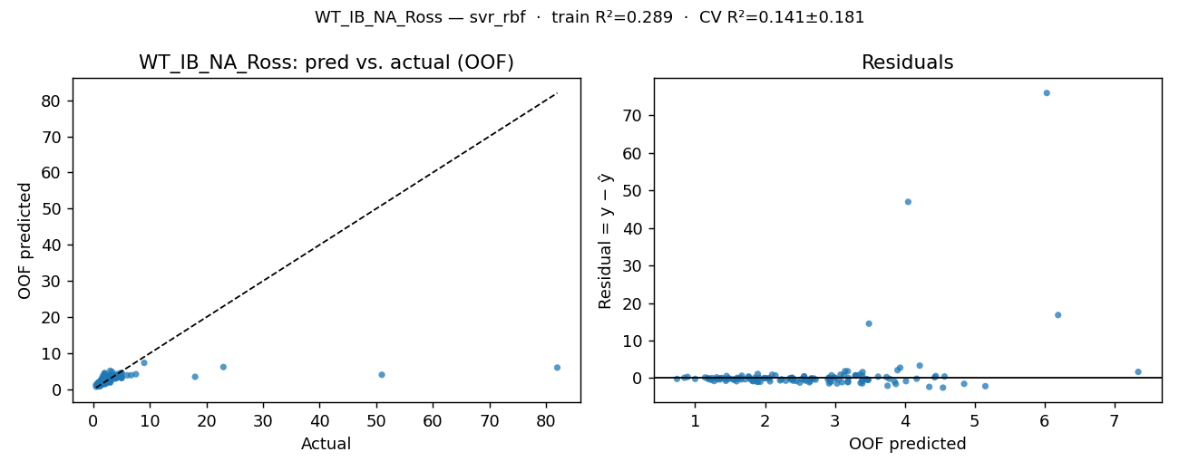

OOF residuals (one row per simulation run)
row | y_true | y_pred_oof | residual
0 | 2.59 | 2.699937 | -0.109937
1 | 1.6 | 2.215977 | -0.615977
2 | 1.12 | 1.560557 | -0.440557
3 | 2.53 | 2.900914 | -0.370914
4 | 3.7 | 2.953112 | 0.746888
5 | 4.62 | 4.428778 | 0.191222
6 | 0.75 | 1.59264 | -0.84264
7 | 3.19 | 3.443982 | -0.253982
8 | 3.16 | 2.985355 | 0.174645
9 | 1.7 | 3.754414 | -2.054414
10 | 1.25 | 1.239623 | 0.010377
11 | 7.54 | 4.214826 | 3.325174
12 | 4 | 3.393372 | 0.606628
13 | 3.32 | 4.85041 | -1.53041
14 | 0.99 | 1.31482 | -0.32482
15 | 1.3 | 2.498673 | -1.198673
16 | 2.64 | 3.392625 | -0.752625
17 | 1.98 | 1.857271 | 0.122729
18 | 1.2 | 1.181915 | 0.018085
19 | 5 | 3.185038 | 1.814962
20 | 5 | 3.396534 | 1.603466
21 | 2.7 | 3.389306 | -0.689306
22 | 0.9 | 1.896008 | -0.996008
23 | 2.11 | 3.185904 | -1.075904
24 | 4.36 | 3.362763 | 0.997237
25 | 1.97 | 1.990309 | -0.020309
26 | 1.33 | 1.492298 | -0.162298
27 | 5 | 3.146509 | 1.853491
28 | 3 | 2.102178 | 0.897822
29 | 2.25 | 2.524389 | -0.274389
30 | 0.97 | 1.882331 | -0.912331
31 | 3 | 1.89554 | 1.10446
32 | 1.53 | 2.633869 | -1.103869
33 | 2 | 4.547257 | -2.547257
34 | 1.65 | 1.601851 | 0.048149
35 | 3 | 3.475842 | -0.475842
36 | 4 | 3.300119 | 0.699881
37 | 4 | 3.309079 | 0.690921
38 | 0.77 | 1.229618 | -0.459618
39 | 3 | 2.912568 | 0.087432
40 | 1.51 | 1.858749 | -0.348749
41 | 2 | 1.451565 | 0.548435
42 | 2 | 3.393424 | -1.393424
43 | 6 | 3.896697 | 2.103303
44 | 3 | 2.923991 | 0.076009
45 | 1.41 | 1.475321 | -0.065321
46 | 0.78 | 1.000189 | -0.220189
47 | 3 | 2.559518 | 0.440482
48 | 2 | 2.942031 | -0.942031
49 | 2 | 4.350941 | -2.350941
50 | 2 | 2.001171 | -0.001171
51 | 4 | 3.739078 | 0.260922
52 | 4 | 3.081484 | 0.918516
53 | 2 | 2.933656 | -0.933656
54 | 0.52 | 0.740218 | -0.220218
55 | 1.95 | 2.371722 | -0.421722
56 | 2.52 | 2.662712 | -0.142712
57 | 1.4 | 1.874895 | -0.474895
58 | 2.32 | 2.365593 | -0.045593
59 | 6.7 | 3.935198 | 2.764802
60 | 4 | 3.131225 | 0.868775
61 | 3.59 | 3.782428 | -0.192428
62 | 1.71 | 2.404718 | -0.694718
63 | 1.97 | 1.767264 | 0.202736
64 | 2.3 | 2.395465 | -0.095465
65 | 2.27 | 2.400023 | -0.130023
66 | 2.86 | 2.149306 | 0.710694
67 | 4 | 3.291839 | 0.708161
68 | 1.69 | 2.446002 | -0.756002
69 | 1.21 | 2.071846 | -0.861846
70 | 1.42 | 1.385082 | 0.034918
71 | 18 | 3.488131 | 14.511869
72 | 1.6 | 3.030904 | -1.430904
73 | 1.96 | 1.919651 | 0.040349
74 | 2.58 | 2.663976 | -0.083976
75 | 3.2 | 4.017461 | -0.817461
76 | 0.72 | 1.440946 | -0.720946
77 | 0.92 | 1.19141 | -0.27141
78 | 1.3 | 1.142501 | 0.157499
79 | 5 | 4.444426 | 0.555574
80 | 2.9 | 3.854421 | -0.954421
81 | 2 | 2.065765 | -0.065765
82 | 2.3 | 2.723559 | -0.423559
83 | 4 | 3.619887 | 0.380113
84 | 1.2 | 1.544862 | -0.344862
85 | 0.96 | 1.932524 | -0.972524
86 | 1.4 | 1.716046 | -0.316046
87 | 51 | 4.048981 | 46.951019
88 | 2.2 | 3.188666 | -0.988666
89 | 1.1 | 1.823225 | -0.723225
90 | 2.3 | 2.358677 | -0.058677
91 | 4 | 4.17145 | -0.17145
92 | 1.1 | 1.438133 | -0.338133
93 | 1.5 | 2.918418 | -1.418418
94 | 2.3 | 1.668 | 0.632
95 | 5 | 4.569603 | 0.430397
96 | 1.9 | 2.578223 | -0.678223
97 | 3.1 | 3.463136 | -0.363136
98 | 2.5 | 2.386908 | 0.113092
99 | 3 | 3.476304 | -0.476304
100 | 1.5 | 1.308015 | 0.191985
101 | 1 | 1.356396 | -0.356396
102 | 1.3 | 1.358156 | -0.058156
103 | 9 | 7.342441 | 1.657559
104 | 1.48 | 1.612414 | -0.132414
105 | 1.8 | 2.647199 | -0.847199
106 | 3 | 2.560861 | 0.439139
107 | 2.2 | 1.765695 | 0.434305
108 | 0.49 | 1.272059 | -0.782059
109 | 1.6 | 2.297103 | -0.697103
110 | 3.1 | 3.002088 | 0.097912
111 | 23 | 6.195794 | 16.804206
112 | 2 | 3.102473 | -1.102473
113 | 2 | 2.04646 | -0.04646
114 | 1.7 | 1.653102 | 0.046898
115 | 2.7 | 3.054549 | -0.354549
116 | 1.5 | 1.787837 | -0.287837
117 | 1 | 1.82761 | -0.82761
118 | 1.9 | 2.236329 | -0.336329
119 | 82 | 6.033822 | 75.966178
120 | 2.1 | 3.368137 | -1.268137
121 | 2.2 | 2.571875 | -0.371875
122 | 3.2 | 3.193934 | 0.006066
123 | 2.3 | 3.872575 | -1.572575
124 | 0.94 | 0.846578 | 0.093422
125 | 1.3 | 1.657211 | -0.357211
126 | 1.2 | 0.892297 | 0.307703
127 | 3 | 5.153778 | -2.153778
128 | 2.2 | 2.395508 | -0.195508

wt_ob_na_gb_ross
KPI: WT_OB_NA_GB-Ross (wt_ob_na_gb_ross)
Unit: hours · Registered model: gpr_matern · n=129

Train / Test / CV metrics
View | RMSE | MAE | R² | Notes
Training (full data, in-sample) | 0 | 0 | 1 | Apparent error — registered model refit on all rows.
Test (holdout 103/26) | 0.2504 | 0.1882 | 0.9283 | Fresh clone fit on 80% (random_state=42), scored on 20%.
CV 5-fold (mean ± std) | 0.2604 ± 0.0509 | 0.1977 ± 0.0269 | 0.8855 ± 0.0388 | KFold(shuffle=True, random_state=42).
CV pooled OOF | 0.2645 | 0.1974 | 0.8967 | Metrics on the stitched-back OOF prediction vector.

Per-fold cross-validation
fold | RMSE | MAE | R²
1 | 0.2504 | 0.1882 | 0.9283
2 | 0.2025 | 0.1549 | 0.8914
3 | 0.2416 | 0.1996 | 0.9217
4 | 0.2517 | 0.2083 | 0.8241
5 | 0.3556 | 0.2374 | 0.8618
mean | 0.2604 | 0.1977 | 0.8855
std | 0.0509 | 0.0269 | 0.0388

Residual statistics (out-of-fold)
mean | std | |resid| mean | min | max | q05 | q50 | q95
0.0004 | 0.2655 | 0.1974 | -0.8618 | 1.091 | -0.4014 | -0.0084 | 0.4387

Prediction intervals (90%)
Method | Half-width | n calibration | Median σ̂ | Mean σ̂ | Empirical coverage
Split-conformal (OOF residuals) | 0.4158 | 129
GPR-native (Gaussian, OOF σ̂) | 0.4077 |  | 0.2479 | 0.2488 | 0.8682

Residual plot (pred-vs-actual · residual-vs-fitted)
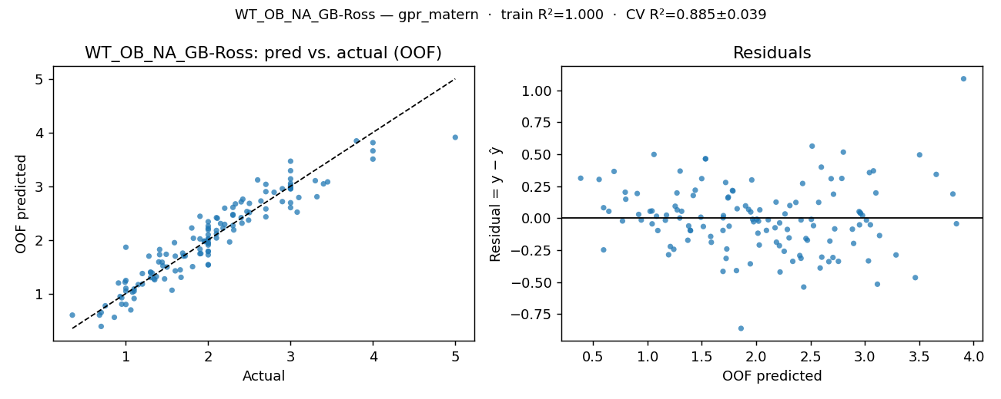

OOF residuals (one row per simulation run)
row | y_true | y_pred_oof | residual
0 | 1.82 | 2.029298 | -0.209298
1 | 3.08 | 2.515611 | 0.564389
2 | 1.41 | 1.724288 | -0.314288
3 | 2.64 | 2.723174 | -0.083174
4 | 1.34 | 1.274717 | 0.065283
5 | 2.33 | 2.669331 | -0.339331
6 | 0.75 | 0.771313 | -0.021313
7 | 3.4 | 3.042752 | 0.357248
8 | 3.32 | 2.80257 | 0.51743
9 | 1.44 | 1.582475 | -0.142475
10 | 1.47 | 1.272142 | 0.197858
11 | 2.47 | 2.527994 | -0.057994
12 | 2 | 2.187225 | -0.187225
13 | 1.15 | 1.165678 | -0.015678
14 | 1.72 | 1.699637 | 0.020363
15 | 1.3 | 1.396929 | -0.096929
16 | 2.41 | 2.310479 | 0.099521
17 | 2 | 2.214449 | -0.214449
18 | 1.06 | 0.693711 | 0.366289
19 | 3.45 | 3.079361 | 0.370639
20 | 0.91 | 1.195479 | -0.285479
21 | 2.15 | 2.303605 | -0.153605
22 | 0.7 | 0.645728 | 0.054272
23 | 3 | 3.0149 | -0.0149
24 | 3 | 3.051172 | -0.051172
25 | 1.45 | 1.514912 | -0.064912
26 | 1.56 | 1.060864 | 0.499136
27 | 3 | 2.947748 | 0.052252
28 | 1.9 | 1.741299 | 0.158701
29 | 0.99 | 1.211215 | -0.221215
30 | 2 | 2.022532 | -0.022532
31 | 2 | 1.535499 | 0.464501
32 | 2 | 2.337238 | -0.337238
33 | 3 | 3.287171 | -0.287171
34 | 1.67 | 1.301123 | 0.368877
35 | 4 | 3.656915 | 0.343085
36 | 2 | 1.950791 | 0.049209
37 | 2 | 1.534397 | 0.465603
38 | 0.7 | 0.386732 | 0.313268
39 | 3 | 2.600094 | 0.399906
40 | 4 | 3.504034 | 0.495966
41 | 2 | 1.786979 | 0.213021
42 | 3 | 3.135483 | -0.135483
43 | 2 | 1.720131 | 0.279869
44 | 2 | 1.903146 | 0.096854
45 | 0.93 | 0.943951 | -0.013951
46 | 1.41 | 1.819446 | -0.409446
47 | 1.28 | 1.695843 | -0.415843
48 | 2 | 2.258428 | -0.258428
49 | 3 | 2.979164 | 0.020836
50 | 1.32 | 1.380179 | -0.060179
51 | 3 | 2.961471 | 0.038529
52 | 2 | 2.007209 | -0.007209
53 | 2 | 1.782826 | 0.217174
54 | 0.86 | 0.556258 | 0.303742
55 | 3.1 | 2.788613 | 0.311387
56 | 2.49 | 2.366169 | 0.123831
57 | 1.35 | 1.255951 | 0.094049
58 | 1.69 | 1.752087 | -0.062087
59 | 2.8 | 2.885754 | -0.085754
60 | 2.7 | 2.897072 | -0.197072
61 | 1.81 | 1.500076 | 0.309924
62 | 1.66 | 1.440284 | 0.219716
63 | 2.3 | 2.604365 | -0.304365
64 | 2.26 | 1.960289 | 0.299711
65 | 2.11 | 2.40185 | -0.29185
66 | 1.49 | 1.730408 | -0.240408
67 | 2.18 | 2.216584 | -0.036584
68 | 1.37 | 1.315357 | 0.054643
69 | 2.42 | 2.757225 | -0.337225
70 | 1.91 | 1.744547 | 0.165453
71 | 3 | 2.95624 | 0.04376
72 | 1 | 0.796381 | 0.203619
73 | 1.08 | 1.025471 | 0.054529
74 | 2.31 | 2.18366 | 0.12634
75 | 2.5 | 2.508433 | -0.008433
76 | 1.2 | 1.372248 | -0.172248
77 | 1.7 | 1.696927 | 0.003073
78 | 2.9 | 2.951506 | -0.051506
79 | 2.1 | 2.111919 | -0.011919
80 | 2.7 | 2.575765 | 0.124235
81 | 1.95 | 1.977307 | -0.027307
82 | 1.59 | 1.946755 | -0.356755
83 | 3 | 3.464584 | -0.464584
84 | 1 | 1.096109 | -0.096109
85 | 3.3 | 3.101999 | 0.198001
86 | 1.96 | 1.968003 | -0.008003
87 | 5 | 3.908957 | 1.091043
88 | 1.6 | 1.421903 | 0.178097
89 | 0.95 | 0.920218 | 0.029782
90 | 2.2 | 2.287556 | -0.087556
91 | 2.4 | 2.707092 | -0.307092
92 | 1.1 | 1.042989 | 0.057011
93 | 2.3 | 2.266145 | 0.033855
94 | 2.7 | 3.033657 | -0.333657
95 | 1.8 | 2.220516 | -0.420516
96 | 1.9 | 2.438247 | -0.538247
97 | 1.9 | 1.825737 | 0.074263
98 | 0.95 | 0.801197 | 0.148803
99 | 2.9 | 2.711997 | 0.188003
100 | 0.68 | 0.597548 | 0.082452
101 | 1.9 | 2.016983 | -0.116983
102 | 2.7 | 2.428056 | 0.271944
103 | 4 | 3.810346 | 0.189654
104 | 1.3 | 1.298081 | 0.001919
105 | 0.35 | 0.597518 | -0.247518
106 | 2.1 | 2.174481 | -0.074481
107 | 1.1 | 0.906661 | 0.193339
108 | 1 | 1.861765 | -0.861765
109 | 2 | 1.931079 | 0.068921
110 | 2.6 | 3.115906 | -0.515906
111 | 2.2 | 2.589223 | -0.389223
112 | 2.1 | 2.413144 | -0.313144
113 | 1.6 | 1.69548 | -0.09548
114 | 1.2 | 1.175779 | 0.024221
115 | 3 | 2.690474 | 0.309526
116 | 1 | 1.043882 | -0.043882
117 | 2.1 | 2.03438 | 0.06562
118 | 2.5 | 2.678705 | -0.178705
119 | 3.8 | 3.842995 | -0.042995
120 | 1.3 | 1.394346 | -0.094346
121 | 1.4 | 1.588259 | -0.188259
122 | 2.4 | 2.413442 | -0.013442
123 | 2 | 2.095271 | -0.095271
124 | 1.1 | 1.084388 | 0.015612
125 | 1 | 1.242906 | -0.242906
126 | 2.3 | 2.471867 | -0.171867
127 | 2.3 | 2.4587 | -0.1587
128 | 1.5 | 1.491981 | 0.008019

tt_ob_lb
KPI: TT_OB_LB (tt_ob_lb)
Unit: hours · Registered model: extra_trees · n=129

Train / Test / CV metrics
View | RMSE | MAE | R² | Notes
Training (full data, in-sample) | 0.0562 | 0.0325 | 0.9848 | Apparent error — registered model refit on all rows.
Test (holdout 103/26) | 0.1888 | 0.1325 | 0.8468 | Fresh clone fit on 80% (random_state=42), scored on 20%.
CV 5-fold (mean ± std) | 0.2475 ± 0.0578 | 0.1697 ± 0.0378 | 0.6511 ± 0.2198 | KFold(shuffle=True, random_state=42).
CV pooled OOF | 0.2547 | 0.17 | 0.6874 | Metrics on the stitched-back OOF prediction vector.

Per-fold cross-validation
fold | RMSE | MAE | R²
1 | 0.1901 | 0.1338 | 0.8448
2 | 0.3237 | 0.2216 | 0.234
3 | 0.2929 | 0.1981 | 0.719
4 | 0.2569 | 0.1733 | 0.6471
5 | 0.1739 | 0.1215 | 0.8106
mean | 0.2475 | 0.1697 | 0.6511
std | 0.0578 | 0.0378 | 0.2198

Residual statistics (out-of-fold)
mean | std | |resid| mean | min | max | q05 | q50 | q95
-0.0002 | 0.2557 | 0.17 | -0.7792 | 0.9773 | -0.4398 | -0.0068 | 0.4575

Prediction intervals (90%)
Method | Half-width | n calibration | Median σ̂ | Mean σ̂ | Empirical coverage
Split-conformal (OOF residuals) | 0.4535 | 129

Residual plot (pred-vs-actual · residual-vs-fitted)
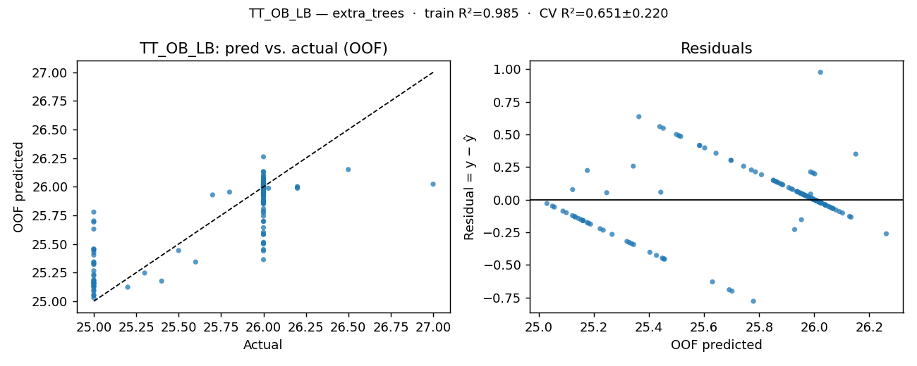

OOF residuals (one row per simulation run)
row | y_true | y_pred_oof | residual
0 | 26.03 | 25.987 | 0.043
1 | 25.8 | 25.953411 | -0.153411
2 | 25.5 | 25.442822 | 0.057178
3 | 26.2 | 26.001856 | 0.198144
4 | 25.7 | 25.928833 | -0.228833
5 | 25.6 | 25.342939 | 0.257061
6 | 25.2 | 25.122778 | 0.077222
7 | 26.2 | 25.99485 | 0.20515
8 | 26.2 | 25.986694 | 0.213306
9 | 25.4 | 25.176111 | 0.223889
10 | 25.3 | 25.246444 | 0.053556
11 | 26.5 | 26.150639 | 0.349361
12 | 26 | 25.998222 | 0.001778
13 | 25 | 25.2338 | -0.2338
14 | 25 | 25.160444 | -0.160444
15 | 26 | 25.862722 | 0.137278
16 | 26 | 25.9727 | 0.0273
17 | 26 | 25.439333 | 0.560667
18 | 25 | 25.344056 | -0.344056
19 | 26 | 26.066606 | -0.066606
20 | 26 | 25.883172 | 0.116828
21 | 25 | 25.187667 | -0.187667
22 | 25 | 25.448333 | -0.448333
23 | 26 | 25.921772 | 0.078228
24 | 26 | 26.068778 | -0.068778
25 | 26 | 25.583722 | 0.416278
26 | 25 | 25.3365 | -0.3365
27 | 26 | 26.021617 | -0.021617
28 | 26 | 25.937833 | 0.062167
29 | 26 | 25.499556 | 0.500444
30 | 26 | 25.583667 | 0.416333
31 | 26 | 25.981083 | 0.018917
32 | 26 | 25.916178 | 0.083822
33 | 26 | 25.963056 | 0.036944
34 | 26 | 25.508667 | 0.491333
35 | 27 | 26.022722 | 0.977278
36 | 26 | 25.995244 | 0.004756
37 | 26 | 25.771722 | 0.228278
38 | 25 | 25.049667 | -0.049667
39 | 26 | 25.996111 | 0.003889
40 | 26 | 26.039717 | -0.039717
41 | 26 | 25.955906 | 0.044094
42 | 26 | 25.697611 | 0.302389
43 | 26 | 26.005694 | -0.005694
44 | 26 | 25.998389 | 0.001611
45 | 25 | 25.087722 | -0.087722
46 | 25 | 25.132611 | -0.132611
47 | 26 | 26.006889 | -0.006889
48 | 26 | 26.128333 | -0.128333
49 | 26 | 25.907744 | 0.092256
50 | 26 | 25.451833 | 0.548167
51 | 26 | 26.007167 | -0.007167
52 | 26 | 26.025039 | -0.025039
53 | 25 | 25.099778 | -0.099778
54 | 25 | 25.143833 | -0.143833
55 | 26 | 26.007583 | -0.007583
56 | 26 | 26.013217 | -0.013217
57 | 25 | 25.7015 | -0.7015
58 | 26 | 25.743628 | 0.256372
59 | 26 | 26.029167 | -0.029167
60 | 26 | 26.078583 | -0.078583
61 | 26 | 25.643422 | 0.356578
62 | 25 | 25.691167 | -0.691167
63 | 26 | 25.951317 | 0.048683
64 | 26 | 25.965139 | 0.034861
65 | 26 | 25.515056 | 0.484944
66 | 26 | 25.9825 | 0.0175
67 | 26 | 26.017556 | -0.017556
68 | 25 | 25.320111 | -0.320111
69 | 26 | 25.952256 | 0.047744
70 | 26 | 25.993222 | 0.006778
71 | 26 | 26.062989 | -0.062989
72 | 25 | 25.160333 | -0.160333
73 | 25 | 25.1305 | -0.1305
74 | 26 | 26.006789 | -0.006789
75 | 26 | 26.016211 | -0.016211
76 | 25 | 25.029389 | -0.029389
77 | 26 | 25.697944 | 0.302056
78 | 26 | 26.056222 | -0.056222
79 | 26 | 26.024217 | -0.024217
80 | 26 | 25.947122 | 0.052878
81 | 25 | 25.403222 | -0.403222
82 | 26 | 26.008728 | -0.008728
83 | 26 | 26.0416 | -0.0416
84 | 25 | 25.153389 | -0.153389
85 | 26 | 25.852089 | 0.147911
86 | 26 | 26.091028 | -0.091028
87 | 26 | 26.022283 | -0.022283
88 | 26 | 25.876506 | 0.123494
89 | 25 | 25.160056 | -0.160056
90 | 26 | 25.993217 | 0.006783
91 | 26 | 26.03945 | -0.03945
92 | 25 | 25.266 | -0.266
93 | 26 | 25.88585 | 0.11415
94 | 26 | 25.987817 | 0.012183
95 | 26 | 26.006167 | -0.006167
96 | 26 | 25.602333 | 0.397667
97 | 26 | 25.786272 | 0.213728
98 | 26 | 25.94105 | 0.05895
99 | 26 | 26.019278 | -0.019278
100 | 25 | 25.056556 | -0.056556
101 | 25 | 25.222556 | -0.222556
102 | 26 | 26.009572 | -0.009572
103 | 26 | 26.133478 | -0.133478
104 | 25 | 25.4535 | -0.4535
105 | 25 | 25.456444 | -0.456444
106 | 26 | 25.868194 | 0.131806
107 | 26 | 25.97325 | 0.02675
108 | 25 | 25.180667 | -0.180667
109 | 26 | 25.851406 | 0.148594
110 | 26 | 26.102489 | -0.102489
111 | 26 | 26.040544 | -0.040544
112 | 26 | 25.363444 | 0.636556
113 | 25 | 25.122333 | -0.122333
114 | 26 | 25.860872 | 0.139128
115 | 26 | 25.979111 | 0.020889
116 | 25 | 25.779167 | -0.779167
117 | 25 | 25.427111 | -0.427111
118 | 26 | 26.261494 | -0.261494
119 | 26 | 26.052083 | -0.052083
120 | 26 | 25.808378 | 0.191622
121 | 25 | 25.630439 | -0.630439
122 | 26 | 26.013833 | -0.013833
123 | 26 | 25.959456 | 0.040544
124 | 25 | 25.175333 | -0.175333
125 | 25 | 25.328056 | -0.328056
126 | 26 | 25.988617 | 0.011383
127 | 26 | 25.968167 | 0.031833
128 | 26 | 25.936661 | 0.063339

wt_ob_lb
KPI: WT_OB_LB (wt_ob_lb)
Unit: hours · Registered model: gpr_matern · n=129

Train / Test / CV metrics
View | RMSE | MAE | R² | Notes
Training (full data, in-sample) | 0 | 0 | 1 | Apparent error — registered model refit on all rows.
Test (holdout 103/26) | 0.1696 | 0.1355 | 0.9555 | Fresh clone fit on 80% (random_state=42), scored on 20%.
CV 5-fold (mean ± std) | 0.2086 ± 0.0383 | 0.1611 ± 0.026 | 0.9122 ± 0.0325 | KFold(shuffle=True, random_state=42).
CV pooled OOF | 0.2115 | 0.1608 | 0.9203 | Metrics on the stitched-back OOF prediction vector.

Per-fold cross-validation
fold | RMSE | MAE | R²
1 | 0.1696 | 0.1355 | 0.9555
2 | 0.1702 | 0.1427 | 0.9103
3 | 0.2157 | 0.1642 | 0.9358
4 | 0.2137 | 0.1539 | 0.8605
5 | 0.2738 | 0.2094 | 0.8992
mean | 0.2086 | 0.1611 | 0.9122
std | 0.0383 | 0.026 | 0.0325

Residual statistics (out-of-fold)
mean | std | |resid| mean | min | max | q05 | q50 | q95
-0.0009 | 0.2123 | 0.1608 | -0.5389 | 0.7891 | -0.2889 | -0.01 | 0.3361

Prediction intervals (90%)
Method | Half-width | n calibration | Median σ̂ | Mean σ̂ | Empirical coverage
Split-conformal (OOF residuals) | 0.3312 | 129
GPR-native (Gaussian, OOF σ̂) | 0.3423 |  | 0.2081 | 0.2083 | 0.8992

Residual plot (pred-vs-actual · residual-vs-fitted)
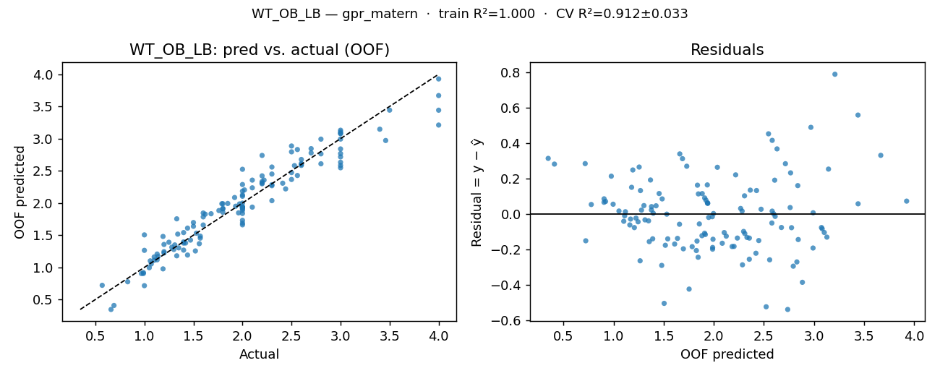

OOF residuals (one row per simulation run)
row | y_true | y_pred_oof | residual
0 | 1.96 | 1.846505 | 0.113495
1 | 2.56 | 2.42746 | 0.13254
2 | 1.6 | 1.784367 | -0.184367
3 | 3 | 2.716056 | 0.283944
4 | 1.44 | 1.19142 | 0.24858
5 | 2.2 | 2.298491 | -0.098491
6 | 0.83 | 0.776282 | 0.053718
7 | 3.46 | 2.970645 | 0.489355
8 | 2.8 | 2.992071 | -0.192071
9 | 1.53 | 1.5308 | -0.0008
10 | 1.06 | 1.100973 | -0.040973
11 | 2.5 | 2.794612 | -0.294612
12 | 2 | 2.124919 | -0.124919
13 | 1.28 | 1.313128 | -0.033128
14 | 1.19 | 1.480215 | -0.290215
15 | 1.42 | 1.378308 | 0.041692
16 | 2.53 | 2.580826 | -0.050826
17 | 1.92 | 2.085071 | -0.165071
18 | 1.19 | 0.976462 | 0.213538
19 | 3 | 3.104392 | -0.104392
20 | 1.13 | 1.206709 | -0.076709
21 | 1.62 | 1.826314 | -0.206314
22 | 0.99 | 0.919091 | 0.070909
23 | 2.22 | 2.35589 | -0.13589
24 | 3.4 | 3.146429 | 0.253571
25 | 1.57 | 1.454425 | 0.115575
26 | 1.56 | 1.367924 | 0.192076
27 | 3 | 2.584182 | 0.415818
28 | 2 | 1.837212 | 0.162788
29 | 1.05 | 0.99475 | 0.05525
30 | 1.93 | 1.949272 | -0.019272
31 | 1.35 | 1.302477 | 0.047523
32 | 1.85 | 1.992563 | -0.142563
33 | 3 | 3.076238 | -0.076238
34 | 1.52 | 1.254859 | 0.265141
35 | 4 | 3.668776 | 0.331224
36 | 2 | 1.997377 | 0.002623
37 | 2 | 1.660673 | 0.339327
38 | 0.66 | 0.345935 | 0.314065
39 | 3 | 2.547207 | 0.452793
40 | 3 | 3.083435 | -0.083435
41 | 2 | 1.936634 | 0.063366
42 | 2.3 | 2.449889 | -0.149889
43 | 2 | 1.939545 | 0.060455
44 | 2 | 1.884834 | 0.115166
45 | 1.13 | 1.117202 | 0.012798
46 | 1.31 | 1.348566 | -0.038566
47 | 1.33 | 1.753958 | -0.423958
48 | 2 | 2.523778 | -0.523778
49 | 3 | 2.632429 | 0.367571
50 | 1.34 | 1.51647 | -0.17647
51 | 3 | 2.767735 | 0.232265
52 | 2 | 1.939188 | 0.060812
53 | 1.25 | 1.390046 | -0.140046
54 | 1 | 0.715496 | 0.284504
55 | 2.56 | 2.830558 | -0.270558
56 | 2.6 | 2.583735 | 0.016265
57 | 1.57 | 1.484705 | 0.085295
58 | 2 | 1.687562 | 0.312438
59 | 2.5 | 2.473058 | 0.026942
60 | 2.8 | 2.763541 | 0.036459
61 | 1.47 | 1.423674 | 0.046326
62 | 1.5 | 1.696508 | -0.196508
63 | 2.3 | 2.036211 | 0.263789
64 | 1.97 | 1.985266 | -0.015266
65 | 2.02 | 2.202917 | -0.182917
66 | 1.44 | 1.609437 | -0.169437
67 | 2.41 | 2.307455 | 0.102545
68 | 1.33 | 1.17929 | 0.15071
69 | 3 | 3.130603 | -0.130603
70 | 2 | 1.730269 | 0.269731
71 | 4 | 3.210935 | 0.789065
72 | 1 | 1.264238 | -0.264238
73 | 1.14 | 1.168688 | -0.028688
74 | 1.79 | 1.988393 | -0.198393
75 | 2.2 | 2.738939 | -0.538939
76 | 1.07 | 1.053183 | 0.016817
77 | 1.8 | 1.908522 | -0.108522
78 | 2.7 | 2.777239 | -0.077239
79 | 2.8 | 2.608981 | 0.191019
80 | 2.7 | 2.844172 | -0.144172
81 | 1.4 | 1.540274 | -0.140274
82 | 2.1 | 1.935733 | 0.164267
83 | 2.5 | 2.885614 | -0.385614
84 | 0.97 | 0.903835 | 0.066165
85 | 2.6 | 2.598737 | 0.001263
86 | 2.44 | 2.218958 | 0.221042
87 | 4 | 3.441373 | 0.558627
88 | 1.68 | 1.832742 | -0.152742
89 | 0.99 | 0.904305 | 0.085695
90 | 2.3 | 2.283553 | 0.016447
91 | 2.2 | 2.42153 | -0.22153
92 | 1.2 | 1.35591 | -0.15591
93 | 2 | 2.10475 | -0.10475
94 | 3 | 2.839715 | 0.160285
95 | 1.76 | 1.882352 | -0.122352
96 | 2 | 2.286838 | -0.286838
97 | 2 | 2.183597 | -0.183597
98 | 1.1 | 1.109959 | -0.009959
99 | 2.6 | 2.613476 | -0.013476
100 | 0.69 | 0.408148 | 0.281852
101 | 2 | 1.909349 | 0.090651
102 | 2.1 | 2.235872 | -0.135872
103 | 4 | 3.927167 | 0.072833
104 | 1.4 | 1.395423 | 0.004577
105 | 0.57 | 0.721192 | -0.151192
106 | 1.8 | 1.856105 | -0.056105
107 | 1.4 | 1.377093 | 0.022907
108 | 1 | 1.504545 | -0.504545
109 | 2 | 1.921886 | 0.078114
110 | 3 | 2.993077 | 0.006923
111 | 2.6 | 2.676139 | -0.076139
112 | 2.2 | 2.310127 | -0.110127
113 | 1.4 | 1.267637 | 0.132363
114 | 1.5 | 1.637736 | -0.137736
115 | 2.1 | 2.355363 | -0.255363
...

tt_ib_lb
...
KPI: TT_IB_LB (tt_ib_lb)
Unit: hours · Registered model: stacking · n=129
Residual statistics (out-of-fold)
mean | std | |resid| mean | min | max | q05 | q50 | q95
0.6928 | 21.3313 | 17.2306 | -51.0319 | 65.2945 | -34.0934 | 0.6361 | 31.9589

Prediction intervals (90%)
Method | Half-width | n calibration | Median σ̂ | Mean σ̂ | Empirical coverage
Split-conformal (OOF residuals) | 34.1057 | 129

Residual plot (pred-vs-actual · residual-vs-fitted)
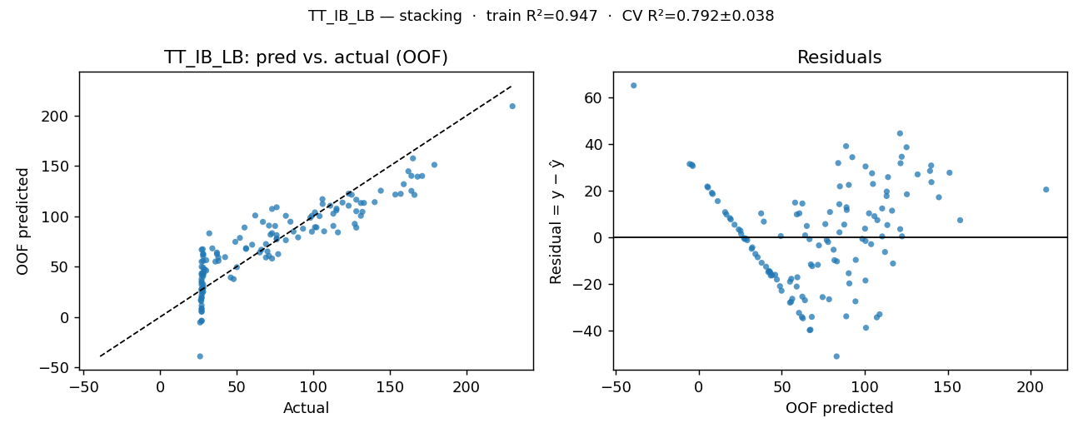

OOF residuals (one row per simulation run)
row | y_true | y_pred_oof | residual
0 | 47.9 | 37.523662 | 10.376338
1 | 27.5 | 24.015936 | 3.484064
2 | 27 | 25.485245 | 1.514755
3 | 37.9 | 58.953256 | -21.053256
4 | 93.2 | 87.635255 | 5.564745
5 | 115.1 | 107.619782 | 7.480218
...

wt_ib_lb
...
KPI: WT_IB_LB (wt_ib_lb)
Unit: hours · Registered model: stacking · n=129
Residual statistics (out-of-fold)
mean | std | |resid| mean | min | max | q05 | q50 | q95
1.1224 | 27.1419 | 21.9328 | -69.6979 | 82.233 | -44.8336 | 3.1828 | 41.2611

Prediction intervals (90%)
Method | Half-width | n calibration | Median σ̂ | Mean σ̂ | Empirical coverage
Split-conformal (OOF residuals) | 44.627 | 129

Residual plot (pred-vs-actual · residual-vs-fitted)
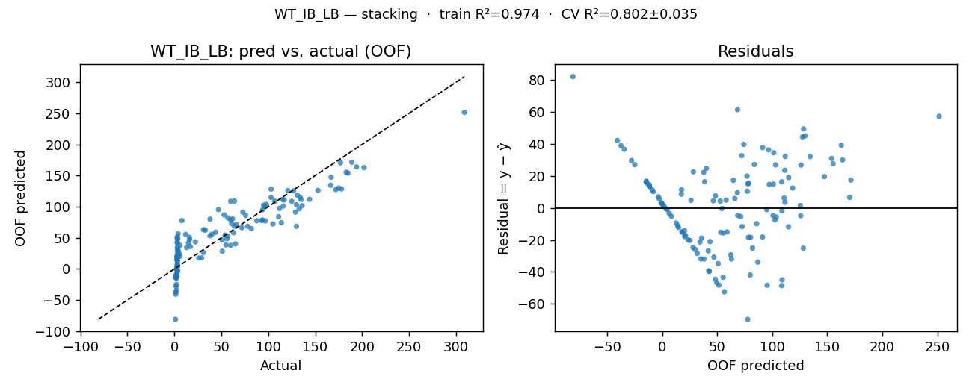

OOF residuals (one row per simulation run)
row | y_true | y_pred_oof | residual
0 | 29 | 17.559112 | 11.440888
1 | 3.08 | -2.689331 | 5.769331
2 | 2.47 | 0.412112 | 2.057888
3 | 16.2 | 46.976313 | -30.776313
4 | 87.9 | 77.363905 | 10.536095
5 | 115.2 | 111.563189 | 3.636811
...

tt_ob_dr
...
KPI: TT_OB_DR (tt_ob_dr)
Unit: hours · Registered model: random_forest · n=129
Residual statistics (out-of-fold)
mean | std | |resid| mean | min | max | q05 | q50 | q95
0.0098 | 0.463 | 0.3706 | -1.1212 | 1.3163 | -0.7512 | 0.0721 | 0.5987

Prediction intervals (90%)
Method | Half-width | n calibration | Median σ̂ | Mean σ̂ | Empirical coverage
Split-conformal (OOF residuals) | 0.708 | 129

Residual plot (pred-vs-actual · residual-vs-fitted)
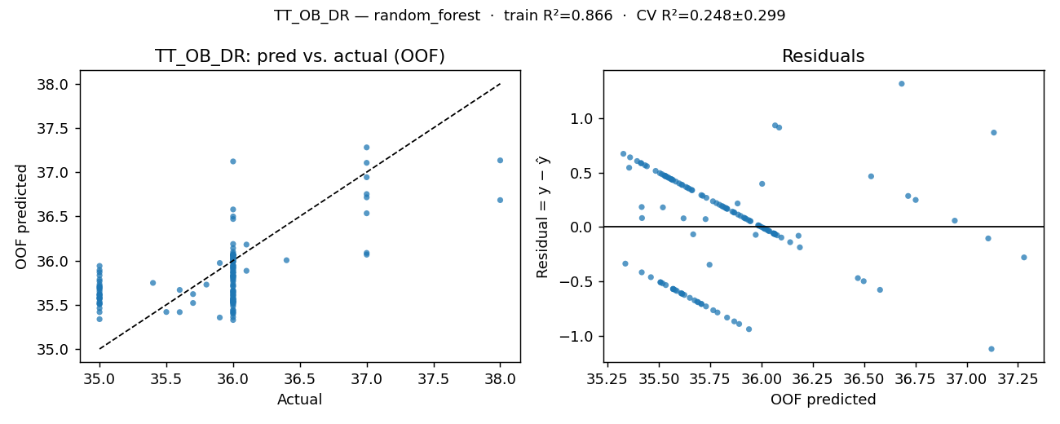

OOF residuals (one row per simulation run)
row | y_true | y_pred_oof | residual
0 | 35.5 | 35.418141 | 0.081859
1 | 35.8 | 35.727856 | 0.072144
2 | 35.6 | 35.667669 | -0.067669
3 | 35.7 | 35.519972 | 0.180028
4 | 35.9 | 35.355578 | 0.544422
5 | 35.9 | 35.972211 | -0.072211
...

tt_ib_dr
...
KPI: TT_IB_DR (tt_ib_dr)
Unit: hours · Registered model: stacking · n=129
Residual statistics (out-of-fold)
mean | std | |resid| mean | min | max | q05 | q50 | q95
0.0018 | 0.2154 | 0.0856 | -1.0188 | 0.9838 | -0.1206 | -0.0198 | 0.2627

Prediction intervals (90%)
Method | Half-width | n calibration | Median σ̂ | Mean σ̂ | Empirical coverage
Split-conformal (OOF residuals) | 0.2399 | 129

Residual plot (pred-vs-actual · residual-vs-fitted)
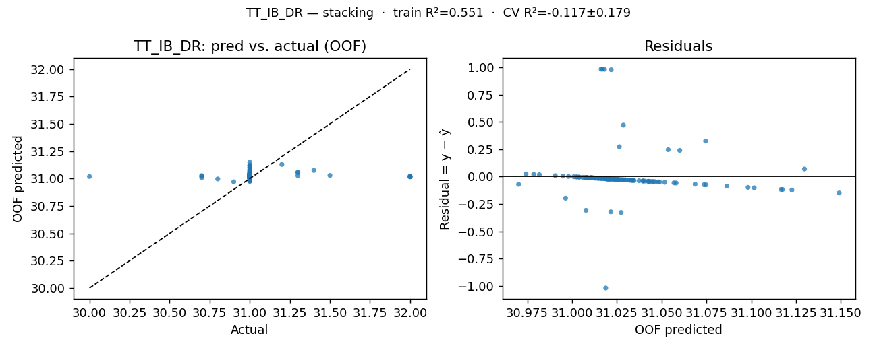

OOF residuals (one row per simulation run)
row | y_true | y_pred_oof | residual
0 | 30.7 | 31.027378 | -0.327378
1 | 30.8 | 30.996388 | -0.196388
2 | 31.3 | 31.060111 | 0.239889
3 | 31.2 | 31.129714 | 0.070286
4 | 30.7 | 31.007786 | -0.307786
5 | 31 | 31.007 | -0.007
...

uti_cus_d
...
KPI: Uti_Cus_D (uti_cus_d)
Unit: fraction · Registered model: stacking · n=129
Residual statistics (out-of-fold)
mean | std | |resid| mean | min | max | q05 | q50 | q95
0.001 | 0.0725 | 0.0519 | -0.2498 | 0.169 | -0.1471 | 0.0132 | 0.0888

Prediction intervals (90%)
Method | Half-width | n calibration | Median σ̂ | Mean σ̂ | Empirical coverage
Split-conformal (OOF residuals) | 0.1109 | 129

Residual plot (pred-vs-actual · residual-vs-fitted)
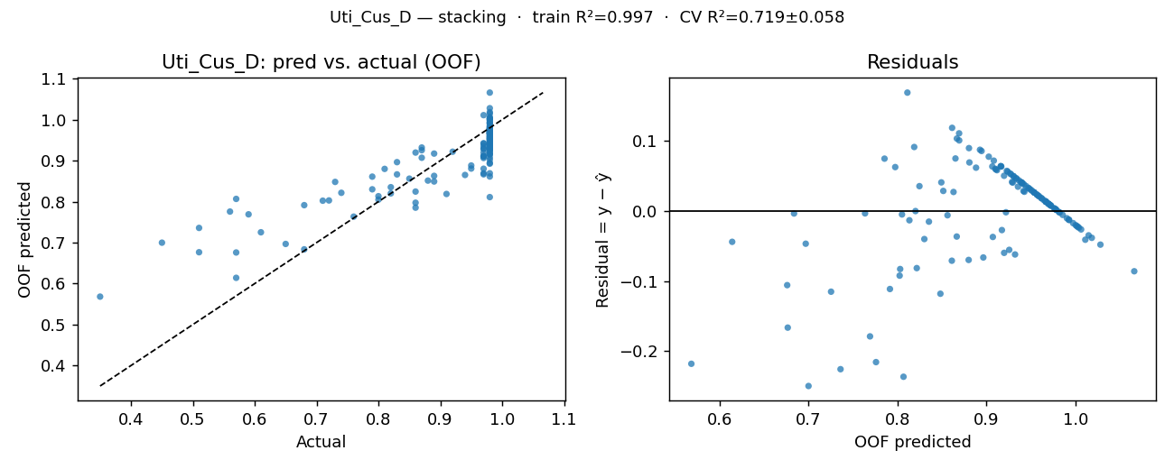

OOF residuals (one row per simulation run)
row | y_true | y_pred_oof | residual
0 | 0.97 | 0.906424 | 0.063576
1 | 0.73 | 0.848085 | -0.118085
2 | 0.8 | 0.813219 | -0.013219
3 | 0.97 | 0.880213 | 0.089787
4 | 0.98 | 0.972456 | 0.007544
5 | 0.98 | 1.027985 | -0.047985
...

uti_dafm_d
...
KPI: Uti_DAFM_D (uti_dafm_d)
Unit: fraction · Registered model: gpr_matern · n=129
Residual statistics (out-of-fold)
mean | std | |resid| mean | min | max | q05 | q50 | q95
-0.0005 | 0.0298 | 0.0227 | -0.082 | 0.1078 | -0.0436 | -0.0026 | 0.0523

Prediction intervals (90%)
Method | Half-width | n calibration | Median σ̂ | Mean σ̂ | Empirical coverage
Split-conformal (OOF residuals) | 0.0507 | 129
GPR-native (Gaussian, OOF σ̂) | 0.0523 |  | 0.0318 | 0.032 | 0.9225

Residual plot (pred-vs-actual · residual-vs-fitted)
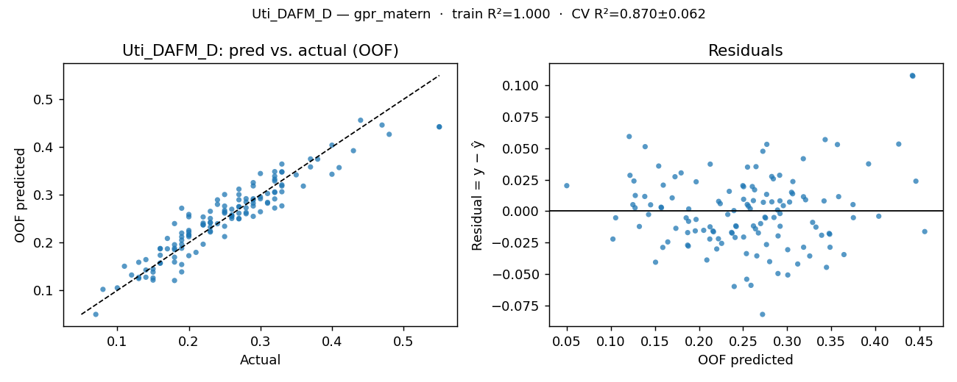

OOF residuals (one row per simulation run)
row | y_true | y_pred_oof | residual
0 | 0.24 | 0.23956 | 0.00044
1 | 0.27 | 0.261636 | 0.008364
2 | 0.16 | 0.15685 | 0.00315
3 | 0.25 | 0.212644 | 0.037356
4 | 0.2 | 0.215771 | -0.015771
5 | 0.25 | 0.234262 | 0.015738
...

uti_cus_r
...
KPI: Uti_Cus_R (uti_cus_r)
Unit: fraction · Registered model: elastic_net · n=129
Residual statistics (out-of-fold)
mean | std | |resid| mean | min | max | q05 | q50 | q95
0.0004 | 0.0441 | 0.0319 | -0.2112 | 0.1249 | -0.0544 | 0.0001 | 0.0692

Prediction intervals (90%)
Method | Half-width | n calibration | Median σ̂ | Mean σ̂ | Empirical coverage
Split-conformal (OOF residuals) | 0.0657 | 129

Residual plot (pred-vs-actual · residual-vs-fitted)
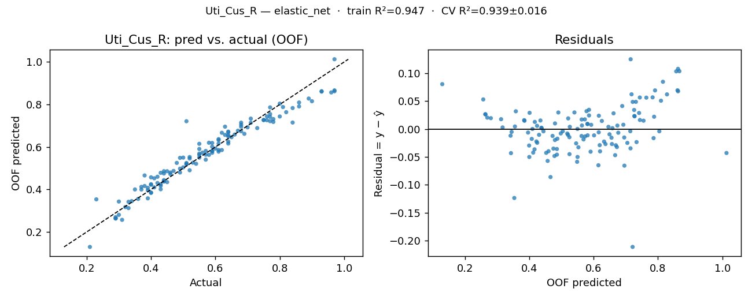

OOF residuals (one row per simulation run)
row | y_true | y_pred_oof | residual
0 | 0.57 | 0.540354 | 0.029646
1 | 0.44 | 0.475151 | -0.035151
2 | 0.39 | 0.407763 | -0.017763
3 | 0.61 | 0.632517 | -0.022517
4 | 0.71 | 0.733444 | -0.023444
5 | 0.84 | 0.715079 | 0.124921
...

uti_dafm_r
...
KPI: Uti_DAFM_R (uti_dafm_r)
Unit: fraction · Registered model: gpr_rbf · n=129
Residual statistics (out-of-fold)
mean | std | |resid| mean | min | max | q05 | q50 | q95
0.0001 | 0.0109 | 0.0087 | -0.0247 | 0.0414 | -0.0162 | 0.0003 | 0.0162

Prediction intervals (90%)
Method | Half-width | n calibration | Median σ̂ | Mean σ̂ | Empirical coverage
Split-conformal (OOF residuals) | 0.0164 | 129
GPR-native (Gaussian, OOF σ̂) | 0.0177 |  | 0.0108 | 0.0112 | 0.9147

Residual plot (pred-vs-actual · residual-vs-fitted)
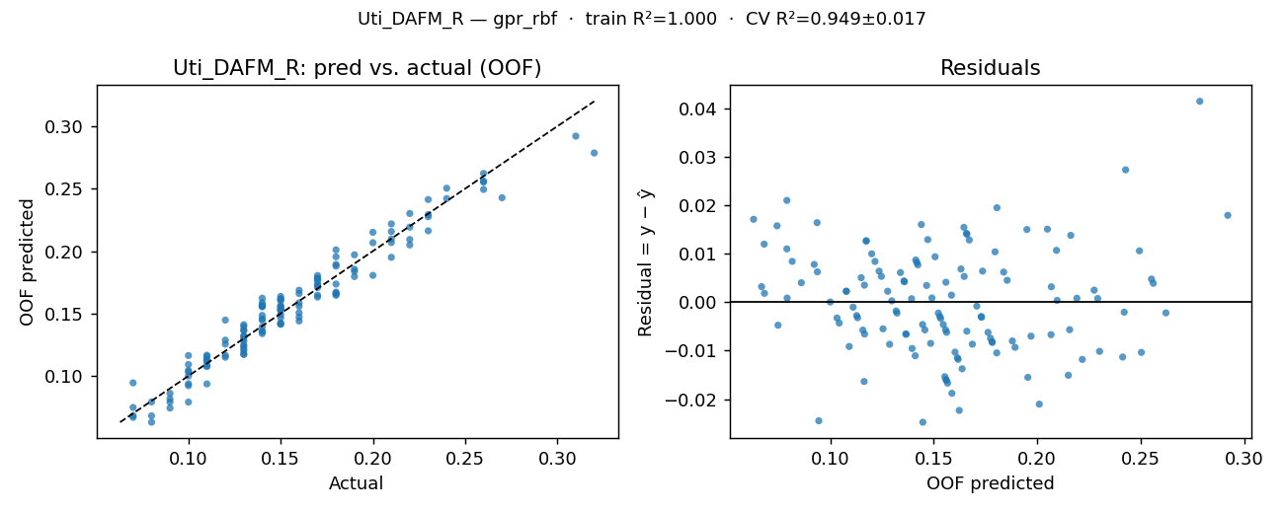

OOF residuals (one row per simulation run)
row | y_true | y_pred_oof | residual
0 | 0.13 | 0.129732 | 0.000268
1 | 0.16 | 0.150641 | 0.009359
2 | 0.13 | 0.123605 | 0.006395
3 | 0.15 | 0.154602 | -0.004602
4 | 0.1 | 0.104301 | -0.004301
5 | 0.14 | 0.135611 | 0.004389
...

