Sheet1
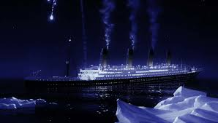
TITANIC SURVIVAL ANALYSIS DASHBOARD
TITANIC SURVIVAL ANALYSIS DASHBOARD

Total
Passengers
891
Total
Not Suevived
38.38%
Total
Survived
61.62%
 | Total
Not Survived | 549
Survived | 342
Servivals By Gender
 | Total
Female | 314
Male | 577

Higest Survival Are
3rd Class
Passengers 55.11%

Servival By Embarked
 | Total
Queenstown | 77
Cherbourg | 168
Southampton | 646
Survivals By Family-Size
 | Total
1 | 537
2 | 161
3 | 102
4 | 29
6 | 22
5 | 15
7 | 12
11 | 7
8 | 6
Survivals By Class
 | Total
1 | 216
2 | 184
3 | 491
Total Servivals By Fare-Category
 | Total
Low | 10
Medium | 40
High | 841

