Dashboard-overview
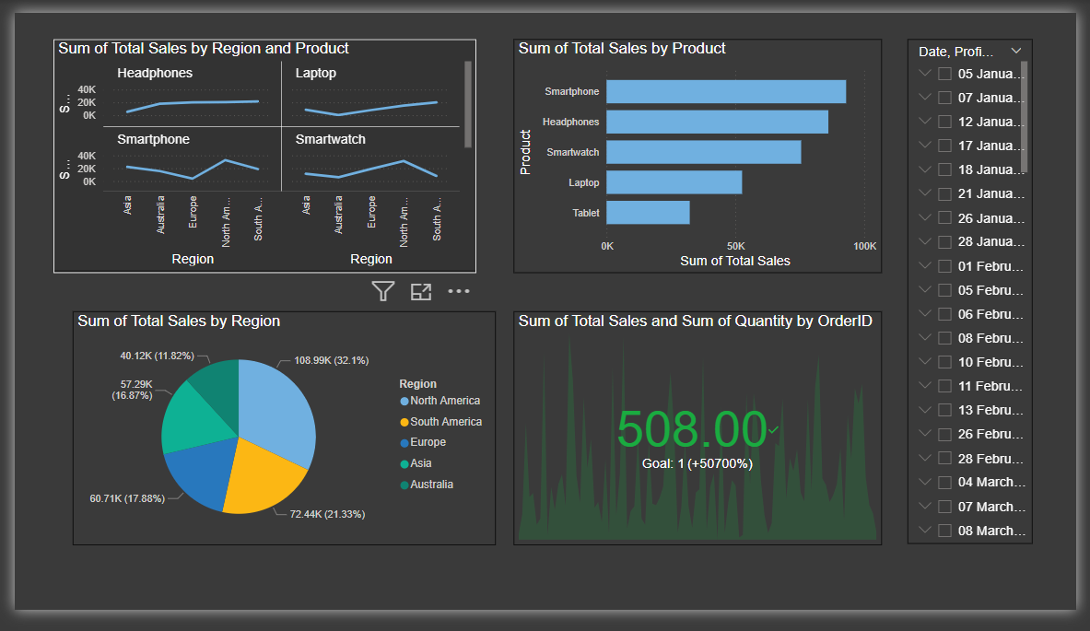

DashBoard-Overview

Graph-1
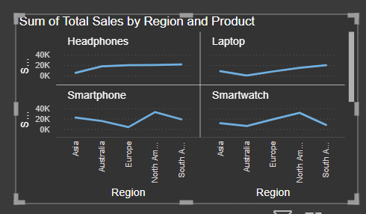
Product
Region
Total Sales

Stacked bar chart
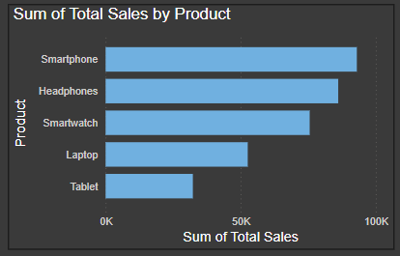
Product
Total Sales

Pie chart
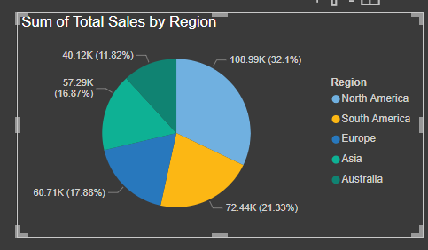
Region
Total Sales

card
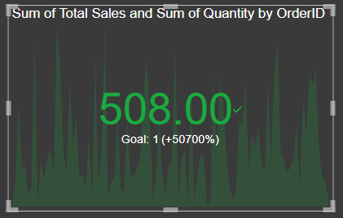
Order Id
Quantity
Total Sales

