How- To Guide Codex Sheets
How- To Guide: Codex Sheets

 | Version: V1.5.1

 | A) Release of Measurement Program

1)
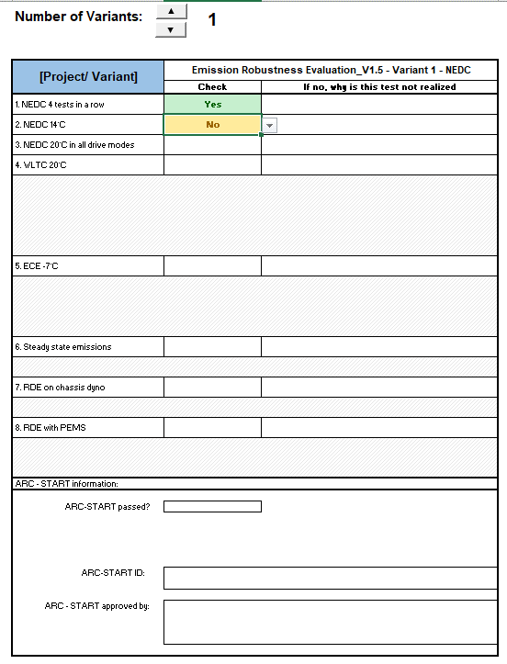
Select Number of Variants (1- 10 Variants are possible)

2)
Enter [Project/ Variant] and
select the specific variant by clicking at the field

3)

Select which tests are mandatory (Drop- Down to "Yes") and which are skipped (Drop- Down to "No"). If no, a comment is mandatory. There will display an additional signature field (see 4) )

Comment

This is the first page if you print the "Release of Measurement Program". If there are more than 2 Variants: Each 2 Variants, one page.

4)

Additional Explanation field, if ARC-START passed. It will display automatically.

This box will not be printed!
With the "Save"- Function you can see your imported and remarked data for a variant. It is neccessary to click the "Save"- Button when you are switching between different variants.
With the "Clear"- Function you can clear your imported and remarked data for a variant. You can use it, when you dont need the data any more.
 | B) Release of Results

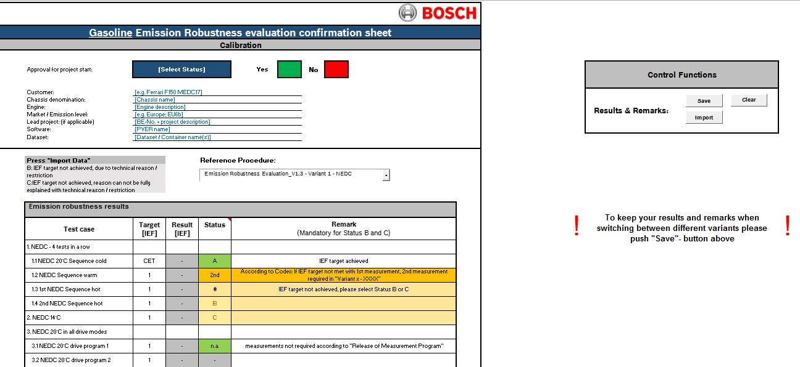
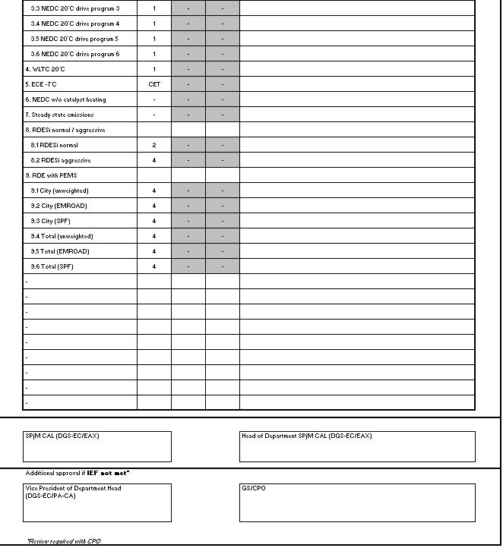

6)

1)
First fill in these Informations about the Project
If you are finished with "C) Variant X - XXXX"- How to:
Click "Import" to Import Data from "Variant X - XXXX"- Sheet: Results
3)

2)
Click on the Name and select the Variant, which you want to evaluate first. The Sheet (Variant X - XXXX) will display right to the "Release of Results"- Sheet. Contuine below!

4)

After Importing the Data from "Variant X- XXXX" you will get automatically the Target [IEF], Result [IEF] and Status for each test.
If there is a "#", it means the test is refused/ IEF is not met. Please select "B" or "C" in the Drop- Down Menu and write down a Comment in the Remark field.

Comment
Comment

This is the printing area of the "Release of Results"- Sheet.

5)

First fill in the Name of the Project. You can overwrite this field!
 | C) Variant X - XXXX
 | How- To Example is Variant 1 - NEDC, but for the other Variants it works the same way.

1)
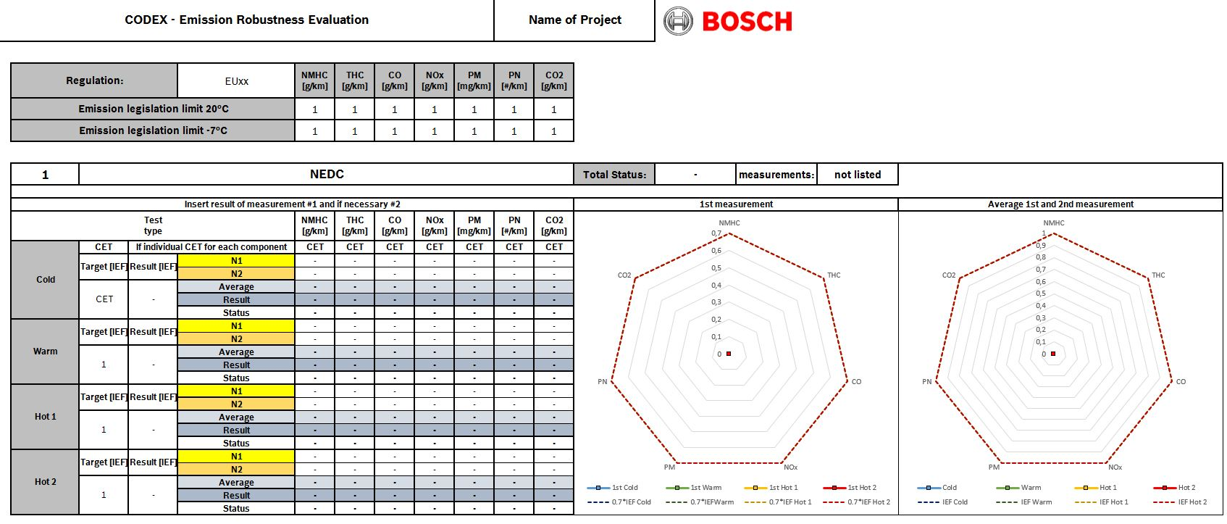

2)
Overwrite the white fields to fill in the "Regulation" and Emission legislation limits for different temperature. If Emission legislation limits does not exist, overwrite the "1" with a "-". The both diagrams fit to number of Emission legislation limits.

3)

The special thing about this phase is, you need either a "global" CET or a CET for each component. Without a CET, you will NOT get a Result and Status.
So please fill in a CET.
Please fill out the name of the measurements N1 and N2
Additional column (3rd Measurement) can not be added.

This is the printing area of the each "Variant X - XXXX"- Sheet.

Variant 2 - FTP
CODEX - Emission Robustness Evaluation |  |  |  |  |  |  |  |  |  | EA839 D5 PHEV LK2 ULEV125 |  |  |  |  |  |  |  |  |  |  |  |  |  |  |  |  | Gesamtstatus

 | Regulation: |  |  | LEVIII ULEV125 | NMHC [g/mi] | THC [g/mi] | CO [g/mi] | NOx [g/mi] | PM [mg/mi] | PN [#/mi] | NMOG+Nox [g/mi] | Additional component 2 | CO2 [g/mi] |  |  |  |  | NMHC [g/mi] | THC [g/mi] | CO [g/mi] | NOx [g/mi] | PM [mg/mi] | PN [#/mi] | NMOG+Nox [g/mi] |  | CO2 [g/mi]
 | Emission legislation limit FTP75 @+20°C |  |  |  | - | - | 2.1 | - | 3 | - | 0.125 | - | - | Emission legislation limit US06 |  |  |  | - | - | 9.6 | - | 10 | - | 0.12 | - | -
 | Emission legislation limit FTP75 @+10°C |  |  |  | - | - | 2.1 | - | 3 | - | 0.25 | - | - | Emission legislation limit SC03 |  |  |  | - | - | 3.2 | - | - | - | 0.07 | - | -
 | Emission legislation limit FTP75 @-7°C |  |  |  | 0.3 | - | 10 | - | - | - | - | - | - | Emission legislation limit HWY |  |  |  | - | - | 2.1 | - | 3 | - | 0.125 | - | -

 | 1 | FTP75 20°C |  |  |  |  |  |  |  |  |  |  |  | Total Status: | passed | measurements: | listed

 | 1st Cold | 1st Warm | 1st Hot 1 | 1st Hot 2 | 0.7*IEF Cold | 0.7*IEFWarm | 0.7*IEF Hot 1 | 0.7*IEF Hot 2
CO [g/mi] | 0.09119047619 | 0.12704761905 | 0.093380952381 | 0.033714285714 | 0.56 | 0.56 | 0.56 | 0.56
PM [mg/mi] | 0.16666666667 | 0.16666666667 | 0.1 | 0.16666666667 | 0.56 | 0.56 | 0.56 | 0.56
NMOG+Nox [g/mi] | 0.30027197814 | 0.3608 | 0.24283736504 | 0.19768763208 | 0.56 | 0.56 | 0.56 | 0.56
 | Cold | Warm | Hot 1 | Hot 2 | IEF Cold | IEF Warm | IEF Hot 1 | IEF Hot 2
CO [g/mi] | 0.09119047619 | 0.12704761905 | 0.093380952381 | 0.033714285714 | 0.8 | 0.8 | 0.8 | 0.8
PM [mg/mi] | 0.16666666667 | 0.16666666667 | 0.1 | 0.16666666667 | 0.8 | 0.8 | 0.8 | 0.8
NMOG+Nox [g/mi] | 0.30027197814 | 0.3608 | 0.24283736504 | 0.19768763208 | 0.8 | 0.8 | 0.8 | 0.8
 | Insert Result [IEF] of measurement #1 and if necessary #2 |  |  |  |  |  |  |  |  |  |  |  |  | 1st measurement |  |  |  | Average 1st and 2nd measurement
 | Test type |  |  |  | NMHC [g/mi] | THC [g/mi] | CO [g/mi] | NOx [g/mi] | PM [mg/mi] | PN [#/mi] | NMOG+Nox [g/mi] | Additional component 2 | CO2 [g/mi] |  |  |  |  |  |  |  |  |  |  |  |  |  |  | Emissionen | CO [g/mi] | PM [mg/mi] | NMOG+Nox [g/mi]
 | Cold | CET | If individual CET for each component |  | CET | CET | CET | CET | CET | CET | CET | CET | CET |  |  |  |  |  |  |  |  |  |  |  |  |  |  | LEVIII ULEV125 | 1 | 1 | 1
 |  | Target [IEF] | Result [max. IEF] | N1 | - | - | 0.1915 | - | 0.5 | - | 3.75E-02 | - | - |  |  |  |  |  |  |  |  |  |  |  |  |  |  | 1st Cold | 0.09119047619 | 0.16666666667 | 0.30027197814
 |  |  |  | N2 | - | - | - | - | - | - | - | - | - |  |  |  |  |  |  |  |  |  |  |  |  |  |  | 1st Warm | 0.12704761905 | 0.16666666667 | 0.3608
 |  | 0.8 | 0.30027197814 | Average | - | - | 0.1915 | - | 0.5 | - | 3.75E-02 | - |  |  |  |  |  |  |  |  |  |  |  |  |  |  |  | 1st Hot 1 | 0.093380952381 | 0.1 | 0.24283736504
 |  |  |  | Result [IEF] | - | - | 0.0912 | - | 0.1667 | - | 3.00E-01 | - |  |  |  |  |  |  |  |  |  |  |  |  |  |  |  | 1st Hot 2 | 0.033714285714 | 0.16666666667 | 0.19768763208
 |  |  |  | Status | - | - | passed | - | passed | - | passed | - |  |  |  |  |  |  |  |  |  |  |  |  |  |  | passed | 0.7*IEF Cold | 0.56 | 0.56 | 0.56
 | Warm | Target [IEF] | Result [max. IEF] | N1 | - | - | 0.2668 | - | 0.5 | - | 4.51E-02 | - | - |  |  |  |  |  |  |  |  |  |  |  |  |  |  | 0.7*IEFWarm | 0.56 | 0.56 | 0.56
 |  |  |  | N2 | - | - | - | - | - | - |  | - | - |  |  |  |  |  |  |  |  |  |  |  |  |  |  | 0.7*IEF Hot 1 | 0.56 | 0.56 | 0.56
 |  | 0.8 | 0.3608 | Average | - | - | 0.2668 | - | 0.5 | - | 4.51E-02 | - |  |  |  |  |  |  |  |  |  |  |  |  |  |  |  | 0.7*IEF Hot 2 | 0.56 | 0.56 | 0.56
 |  |  |  | Result [IEF] | - | - | 0.1270 | - | 0.1667 | - | 3.61E-01 | - |  |  |  |  |  |  |  |  |  |  |  |  |  |  |  | Cold | 0.09119047619 | 0.16666666667 | 0.30027197814
 |  |  |  | Status | - | - | passed | - | passed | - | passed | - |  |  |  |  |  |  |  |  |  |  |  |  |  |  | passed | Warm | 0.12704761905 | 0.16666666667 | 0.3608
 | Hot 1 | Target [IEF] | Result [max. IEF] | N1 | - | - | 0.1961 | - | 0.3 | - | 3.04E-02 | - | - |  |  |  |  |  |  |  |  |  |  |  |  |  |  | Hot 1 | 0.093380952381 | 0.1 | 0.24283736504
 |  |  |  | N2 | - | - | - | - | - | - | - | - | - |  |  |  |  |  |  |  |  |  |  |  |  |  |  | Hot 2 | 0.033714285714 | 0.16666666667 | 0.19768763208
 |  | 0.8 | 0.24283736504 | Average | - | - | 0.1961 | - | 0.3 | - | 3.04E-02 | - |  |  |  |  |  |  |  |  |  |  |  |  |  |  |  | IEF Cold | 0.8 | 0.8 | 0.8
 |  |  |  | Result [IEF] | - | - | 0.0934 | - | 0.1000 | - | 2.43E-01 | - |  |  |  |  |  |  |  |  |  |  |  |  |  |  |  | IEF Warm | 0.8 | 0.8 | 0.8
 |  |  |  | Status | - | - | passed | - | passed | - | passed | - |  |  |  |  |  |  |  |  |  |  |  |  |  |  | passed | IEF Hot 1 | 0.8 | 0.8 | 0.8
 | Hot 2 | Target [IEF] | Result [max. IEF] | N1 | - | - | 0.0708 | - | 0.5 | - | 2.47E-02 | - | - |  |  |  |  |  |  |  |  |  |  |  |  |  |  | IEF Hot 2 | 0.8 | 0.8 | 0.8
 |  |  |  | N2 | - | - | - | - | - | - | - | - | -
 |  | 0.8 | 0.19768763208 | Average | - | - | 0.0708 | - | 0.5 | - | 2.47E-02 | -
 |  |  |  | Result [IEF] | - | - | 0.0337 | - | 0.1667 | - | 1.98E-01 | -
 |  |  |  | Status | - | - | passed | - | passed | - | passed | - |  |  |  |  |  |  |  |  |  |  |  |  |  |  | passed

 | 2 | FTP75 10°C |  |  |  |  |  |  |  |  |  |  |  | Total Status: | passed | measurements: | listed

 | 1st 10°C | 0.7*IEF 10°C
NMHC [g/mi] | 0 | 0.56
CO [g/mi] | 0.070952380952 | 0.56
 | 10°C | IEF 10°C
NMHC [g/mi] | 0 | 0.8
CO [g/mi] | 0.070952380952 | 0.8
 | Insert Result [IEF] of measurement #1 and if necessary #2 |  |  |  |  |  |  |  |  |  |  |  |  | 1st measurement |  |  |  | Average 1st and 2nd measurement |  |  |  |  |  |  |  |  |  | Emissionen |  |  |  | NMHC [g/mi] | CO [g/mi]
 | Test type |  |  |  | NMHC [g/mi] | THC [g/mi] | CO [g/mi] | NOx [g/mi] | PM [mg/mi] | PN [#/mi] | NMOG+Nox [g/mi] | Additional component 2 | CO2 [g/mi] |  |  |  |  |  |  |  |  |  |  |  |  |  |  | LEVIII ULEV125 |  |  |  | 1 | 1
 | 10°C | Target [IEF] | Result [max. IEF] | N1 | - | - | 0.149 | - | 0.9 | - | 0.044359907604 | - | - |  |  |  |  |  |  |  |  |  |  |  |  |  |  | 1st 10°C |  |  |  | - | 0.070952380952
 |  |  |  | N2 | - | - | - | - | - | - | - | - | - |  |  |  |  |  |  |  |  |  |  |  |  |  |  | 1st
 |  | 0.8 | 0.3 | Average | - | - | 0.149 | - | 0.9 | - | 4.44E-02 | - |  |  |  |  |  |  |  |  |  |  |  |  |  |  |  | 1st
 |  |  |  | Result [IEF] | - | - | 0.0710 | - | 0.3000 | - | 0.1774 | - |  |  |  |  |  |  |  |  |  |  |  |  |  |  |  | 1st
 |  |  |  | Status | - | - | passed | - | passed | - | passed | - |  |  |  |  |  |  |  |  |  |  |  |  |  |  | passed | 0.7*IEF 10°C |  |  |  | 0.56 | 0.56
 |  |  |  |  |  |  |  |  |  |  |  |  |  |  |  |  |  |  |  |  |  |  |  |  |  |  |  | 0.7*IEF
 |  |  |  |  |  |  |  |  |  |  |  |  |  |  |  |  |  |  |  |  |  |  |  |  |  |  |  | 0.7*IEF
 |  |  |  |  |  |  |  |  |  |  |  |  |  |  |  |  |  |  |  |  |  |  |  |  |  |  |  | 0.7*IEF
 |  |  |  |  |  |  |  |  |  |  |  |  |  |  |  |  |  |  |  |  |  |  |  |  |  |  |  | 10°C |  |  |  | - | 0.070952380952
 |  |  |  |  |  |  |  |  |  |  |  |  |  |  |  |  |  |  |  |  |  |  |  |  |  |  |  | 0
 |  |  |  |  |  |  |  |  |  |  |  |  |  |  |  |  |  |  |  |  |  |  |  |  |  |  |  | 0
 |  |  |  |  |  |  |  |  |  |  |  |  |  |  |  |  |  |  |  |  |  |  |  |  |  |  |  | 0
 |  |  |  |  |  |  |  |  |  |  |  |  |  |  |  |  |  |  |  |  |  |  |  |  |  |  |  | IEF 10°C |  |  |  | 0.8 | 0.8

 | 3 | FTP75 20°C in all drive modes |  |  |  |  |  |  |  |  |  |  |  | Total Status: | passed | measurements: | listed

 | 1st D SOC100% Transient | 1st SPORT SOC 0% | 1st RDESI normal SOC 0% | 1st RDESI aggr SOC 0% | 1st RDE PEMS SOC 0% | 1st RDE PEMS SOC 100% Transient | 0.7*IEF D SOC100% Transient | 0.7*IEF SPORT SOC 0% | 0.7*IEF RDESI normal SOC 0% | 0.7*IEF RDESI aggr SOC 0% | 0.7*IEF RDE PEMS SOC 0% | 0.7*IEF RDE PEMS SOC 100% Transient
CO [g/mi] | 0.080904761905 | 0.13766666667 | 0.093974761905 | 0.15333047619 | 0.1119047619 | 0.05050952381 | 0.56 | 0.56 | 1.4 | 2.8 | 2.8 | 2.8
PM [mg/mi] | 0.13333333333 | 0.16666666667 | 0.072133333333 | 0.21056666667 | 0 | 0 | 0.56 | 0.56 | 1.4 | 2.8 | 2.8 | 2.8
NMOG+Nox [g/mi] | 0.3874704751 | 0.62207875173 | 0.1823688 | 0.314528 | 0.02164 | 0.1984 | 0.56 | 0.56 | 1.4 | 2.8 | 2.8 | 2.8
 | D SOC100% Transient | SPORT SOC 0% | RDESI normal SOC 0% | RDESI aggr SOC 0% | RDE PEMS SOC 0% | RDE PEMS SOC 100% Transient | IEF D SOC100% Transient | IEF SPORT SOC 0% | IEF RDESI normal SOC 0% | IEF RDESI aggr SOC 0% | IEF RDE PEMS SOC 0% | IEF RDE PEMS SOC 100% Transient
CO [g/mi] | 0.080904761905 | 0.1729047619 | 0.093974761905 | 0.15333047619 | 0.1119047619 | 0.05050952381 | 0.8 | 0.8 | 2 | 4 | 4 | 4
PM [mg/mi] | 0.13333333333 | 0.11666666667 | 0.072133333333 | 0.21056666667 | 0 | 0 | 0.8 | 0.8 | 2 | 4 | 4 | 4
NMOG+Nox [g/mi] | 0.3874704751 | 0.60762944623 | 0.1823688 | 0.314528 | 0.02164 | 0.1984 | 0.8 | 0.8 | 2 | 4 | 4 | 4
 | Insert Result [IEF] of measurement #1 and if necessary #2 |  |  |  |  |  |  |  |  |  |  |  |  | 1st measurement |  |  |  | Average 1st and 2nd measurement |  |  |  |  |  |  |  |  |  | Emissionen | CO [g/mi] | PM [mg/mi] | NMOG+Nox [g/mi]
 | Test type |  |  |  | NMHC [g/mi] | THC [g/mi] | CO [g/mi] | NOx [g/mi] | PM [mg/mi] | PN [#/mi] | NMOG+Nox [g/mi] | Additional component 2 | CO2 [g/mi] |  |  |  |  |  |  |  |  |  |  |  |  |  |  | LEVIII ULEV125 | 1 | 1 | 2
 | D SOC100% Transient | Target [IEF] | Result [max. IEF] | N1 | - | - | 0.1699 | - | 0.4 | - | 4.84E-02 | - | - |  |  |  |  |  |  |  |  |  |  |  |  |  |  | 1st D SOC100% Transient | 0.080904761905 | 0.13333333333 | 0.3874704751
 |  |  |  | N2 | - | - | - | - | - | - | - | - | - |  |  |  |  |  |  |  |  |  |  |  |  |  |  | 1st SPORT SOC 0% | 0.13766666667 | 0.16666666667 | 0.62207875173
 |  | 0.8 | 0.3874704751 | Average | - | - | 0.1699 | - | 0.4 | - | 4.84E-02 | - |  |  |  |  |  |  |  |  |  |  |  |  |  |  |  | 1st RDESI normal SOC 0% | 0.093974761905 | 0.072133333333 | 0.1823688
 |  |  |  | Result [IEF] | - | - | 0.0809 | - | 0.1333 | - | 3.87E-01 | - |  |  |  |  |  |  |  |  |  |  |  |  |  |  |  | 1st RDESI aggr SOC 0% | 0.15333047619 | 0.21056666667 | 0.314528
 |  |  |  | Status | - | - | passed | - | passed | - | passed | - |  |  |  |  |  |  |  |  |  |  |  |  |  |  | passed | 1st RDE PEMS SOC 0% | 0.1119047619 | - | 0.02164
 | SPORT SOC 0% | Target [IEF] | Result [max. IEF] | N1 | - | - | 0.2891 | - | 0.5 | - | 7.78E-02 | - | - |  |  |  |  |  |  |  |  |  |  |  |  |  |  | 1st RDE PEMS SOC 100% Transient | 0.05050952381 | - | 0.1984
 |  |  |  | N2 | - | - | 0.4371 | - | 0.2 | - | 7.41E-02 | - | - |  |  |  |  |  |  |  |  |  |  |  |  |  |  | 0.7*IEF D SOC100% Transient | 0.56 | 0.56 | 0.56
 |  | 0.8 | 0.60762944623 | Average | - | - | 0.3631 | - | 0.35 | - | 7.60E-02 | - |  |  |  |  |  |  |  |  |  |  |  |  |  |  |  | 0.7*IEF SPORT SOC 0% | 0.56 | 0.56 | 0.56
 |  |  |  | Result [IEF] | - | - | 0.1729 | - | 0.1167 | - | 6.08E-01 | - |  |  |  |  |  |  |  |  |  |  |  |  |  |  |  | 0.7*IEF RDESI normal SOC 0% | 1.4 | 1.4 | 1.4
 |  |  |  | Status | - | - | passed | - | passed | - | passed | - |  |  |  |  |  |  |  |  |  |  |  |  |  |  | passed | 0.7*IEF RDESI aggr SOC 0% | 2.8 | 2.8 | 2.8
 | RDESI normal SOC 0% | Target [IEF] | Result [max. IEF] | N1 | - | - | 0.197347 | - | 0.2164 | - | 2.28E-02 | - | - |  |  |  |  |  |  |  |  |  |  |  |  |  |  | 0.7*IEF RDE PEMS SOC 0% | 2.8 | 2.8 | 2.8
 |  |  |  | N2 | - | - | - | - | - | - | - | - | - |  |  |  |  |  |  |  |  |  |  |  |  |  |  | 0.7*IEF RDE PEMS SOC 100% Transient | 2.8 | 2.8 | 2.8
 |  | 2 | 0.1823688 | Average | - | - | 0.197347 | - | 0.2164 | - | 2.28E-02 | - |  |  |  |  |  |  |  |  |  |  |  |  |  |  |  | D SOC100% Transient | 0.080904761905 | 0.13333333333 | 0.3874704751
 |  |  |  | Result [IEF] | - | - | 0.0940 | - | 0.0721 | - | 1.82E-01 | - |  |  |  |  |  |  |  |  |  |  |  |  |  |  |  | SPORT SOC 0% | 0.1729047619 | 0.11666666667 | 0.60762944623
 |  |  |  | Status | - | - | passed | - | passed | - | passed | - |  |  |  |  |  |  |  |  |  |  |  |  |  |  | passed | RDESI normal SOC 0% | 0.093974761905 | 0.072133333333 | 0.1823688
 | RDESI aggr SOC 0% | Target [IEF] | Result [max. IEF] | N1 | - | - | 0.321994 | - | 0.6317 | - | 3.93E-02 | - | - |  |  |  |  |  |  |  |  |  |  |  |  |  |  | RDESI aggr SOC 0% | 0.15333047619 | 0.21056666667 | 0.314528
 |  |  |  | N2 | - | - | - | - | - | - | - | - | - |  |  |  |  |  |  |  |  |  |  |  |  |  |  | RDE PEMS SOC 0% | 0.1119047619 | - | 0.02164
 |  | 4 | 0.314528 | Average | - | - | 0.321994 | - | 0.6317 | - | 3.93E-02 | - |  |  |  |  |  |  |  |  |  |  |  |  |  |  |  | RDE PEMS SOC 100% Transient | 0.05050952381 | - | 0.1984
 |  |  |  | Result [IEF] | - | - | 0.1533 | - | 0.2106 | - | 3.15E-01 | - |  |  |  |  |  |  |  |  |  |  |  |  |  |  |  | IEF D SOC100% Transient | 0.8 | 0.8 | 0.8
 |  |  |  | Status | - | - | passed | - | passed | - | passed | - |  |  |  |  |  |  |  |  |  |  |  |  |  |  | passed | IEF SPORT SOC 0% | 0.8 | 0.8 | 0.8
 | RDE PEMS SOC 0% | Target [IEF] | Result [max. IEF] | N1 | - | - | 0.235 | - | - | - | 2.70E-03 | - | - |  |  |  |  |  |  |  |  |  |  |  |  |  |  | IEF RDESI normal SOC 0% | 2 | 2 | 2
 |  |  |  | N2 | - | - | - | - | - | - | - | - | - |  |  |  |  |  |  |  |  |  |  |  |  |  |  | IEF RDESI aggr SOC 0% | 4 | 4 | 4
 |  | 4 | 0.1119047619 | Average | - | - | 0.235 | - | - | - | 2.70E-03 | - |  |  |  |  |  |  |  |  |  |  |  |  |  |  |  | IEF RDE PEMS SOC 0% | 4 | 4 | 4
 |  |  |  | Result [IEF] | - | - | 0.1119 | - | - | - | 2.16E-02 | - |  |  |  |  |  |  |  |  |  |  |  |  |  |  |  | IEF RDE PEMS SOC 100% Transient | 4 | 4 | 4
 |  |  |  | Status | - | - | passed | - | - | - | passed | - |  |  |  |  |  |  |  |  |  |  |  |  |  |  | passed
 | RDE PEMS SOC 100% Transient | Target [IEF] | Result [max. IEF] | N1 | - | - | 0.10607 | - | - | - | 2.48E-02 | - | -
 |  |  |  | N2 | - | - | - | - | - | - | - | - | -
 |  | 4 | 0.10607 | Average | - | - | 0.10607 | - | - | - | 2.48E-02 | -
 |  |  |  | Result [IEF] | - | - | 0.0505 | - | - | - | 1.98E-01 | -
 |  |  |  | Status | - | - | passed | - | - | - | passed | - |  |  |  |  |  |  |  |  |  |  |  |  |  |  | passed

 | 4 | US06, HWY, SC03 |  |  |  |  |  |  |  |  |  |  |  | Total Status: | passed | measurements: | listed

 | 1st US06 | 0.7*IEF US06 | 1st HWY | 0.7*IEF HWY | 1st SC03 | 0.7*IEF SC03
CO [g/mi] | 0.049302083333 | 0.7
PM [mg/mi] | 0.08 | 0.7
NMOG+Nox [g/mi] | 0.29161541318 | 0.7
 | US06 | IEF US06 | HWY | IEF HWY | SC03 | IEF SC03
CO [g/mi] | 0.049302083333 | 1
PM [mg/mi] | 0.08 | 1
NMOG+Nox [g/mi] | 0.29161541318 | 1
 | Insert Result [IEF] of measurement #1 and if necessary #2 |  |  |  |  |  |  |  |  |  |  |  |  | 1st measurement |  |  |  | Average 1st and 2nd measurement
 | Test type |  |  |  | NMHC [g/mi] | THC [g/mi] | CO [g/mi] | NOx [g/mi] | PM [mg/mi] | PN [#/mi] | NMOG+Nox [g/mi] | Additional component 2 | CO2 [g/mi] | Visualisation of: | US06
 | US06 | CET | If individual CET for each component |  | CET | CET | CET | CET | CET | CET | CET | CET | CET
 |  | Target [IEF] | Result [max. IEF] | N1 | - | - | 0.4733 | - | 0.8 | - | 0.034993849582 | - | -
 |  |  |  | N2 | - | - | - | - | - | - | - | - | -
 |  | 1 | 0.8 | Average | - | - | 0.4733 | - | 0.8 | - | 3.50E-02 | -
 |  |  |  | Result [IEF] | - | - | 0.0493 | - | 0.0800 | - | 0.2916 | - |  |  |  |  |  |  |  |  |  |  |  |  |  |  |  | Emissionen |  |  |  |  |  |  | CO [g/mi] | PM [mg/mi] | NMOG+Nox [g/mi] | CO [g/mi] | PM [mg/mi] | NMOG+Nox [g/mi]
 |  |  |  | Status | - | - | passed | - | passed | - | passed | - |  |  |  |  |  |  |  |  |  |  |  |  |  |  | passed | LEVIII ULEV125 |  |  |  |  |  |  | 1 | 1 | 1
 | SC03 | CET | If individual CET for each component |  | CET | CET | CET | CET | CET | CET | CET | CET | CET |  |  |  |  |  |  |  |  |  |  |  |  |  |  | 1st US06 |  |  |  |  |  |  | 0.049302083333 | 0.08 | 0.29161541318
 |  | Target [IEF] | Result [max. IEF] | N1 | - | - | - | - | - | - | - | - | - |  |  |  |  |  |  |  |  |  |  |  |  |  |  | 1st SC03
 |  |  |  | N2 | - | - | - | - | - | - | - | - | - |  |  |  |  |  |  |  |  |  |  |  |  |  |  | 1st HWY
 |  | 1 | - | Average | - | - | - | - | - | - | - | -
 |  |  |  | Result [IEF] | - | - | - | - | - | - | - | - |  |  |  |  |  |  |  |  |  |  |  |  |  |  |  | 0.7*IEF US06 |  |  |  |  |  |  | 0.7 | 0.7 | 0.7
 |  |  |  | Status | - | - | - | - | - | - | - | - |  |  |  |  |  |  |  |  |  |  |  |  |  |  | - | 0.7*IEF SC03
 | HWY | CET | If individual CET for each component |  | CET | CET | CET | CET | CET | CET | CET | CET | CET |  |  |  |  |  |  |  |  |  |  |  |  |  |  | 0.7*IEF HWY
 |  | Target [IEF] | Result [max. IEF] | N1 | - | - | 0.3366 | - | 0.3 | - | 0.015347286401 | - | -
 |  |  |  | N2 | - | - | - | - | - | - | - | - | - |  |  |  |  |  |  |  |  |  |  |  |  |  |  | US06 |  |  |  |  |  |  | 0.049302083333 | 0.08 | 0.29161541318
 |  | 1 | 0.3366 | Average | - | - | 0.3366 | - | 0.3 | - | 1.53E-02 | - |  |  |  |  |  |  |  |  |  |  |  |  |  |  |  | SC03
 |  |  |  | Result [IEF] | - | - | 0.1603 | - | 0.1000 | - | 0.1228 | - |  |  |  |  |  |  |  |  |  |  |  |  |  |  |  | HWY
 |  |  |  | Status | - | - | passed | - | passed | - | passed | - |  |  |  |  |  |  |  |  |  |  |  |  |  |  | passed | IEF US06 |  |  |  |  |  |  | 1 | 1 | 1
 |  |  |  |  |  |  |  |  |  |  |  |  |  |  |  |  |  |  |  |  |  |  |  |  |  |  |  | IEF SC03
 |  |  |  |  |  |  |  |  |  |  |  |  |  |  |  |  |  |  |  |  |  |  |  |  |  |  |  | IEF HWY

 | 5 | FTP75 -7°C |  |  |  |  |  |  |  |  |  |  |  | Total Status: | passed | measurements: | listed

 | 1st -7°C | 0.7*IEF -7°C
CO | 0.05251 | 0.7
 | -7°C | IEF -7°C
CO | 0.05251 | 1
 | Insert Result [IEF] of measurement #1 and if necessary #2 |  |  |  |  |  |  |  |  |  |  |  |  | 1st measurement |  |  |  | Average 1st and 2nd measurement
 | Test type |  |  |  | NMHC [g/mi] | THC [g/mi] | CO [g/mi] | NOx [g/mi] | PM [mg/mi] | PN [#/mi] | NMOG+Nox [g/mi] | Additional component 2 | CO2 [g/mi]
 | -7°C | CET | If individual CET for each component |  | CET | CET | CET | CET | CET | CET | CET | CET | CET
 |  | Target [IEF] | Result [max. IEF] | N1 | 0.091 | - | 0.5251 | - | - | - | - | - | -
 |  |  |  | N2 | - | - | - | - | - | - | - | - | -
 |  | 1 | 0.5251 | Average | 0.091 | - | 0.5251 | - | - | - | - | -
 |  |  |  | Result [IEF] | 0.3033 | - | 0.0525 | - | - | - | - | - |  |  |  |  |  |  |  |  |  |  |  |  |  |  |  | Emissionen |  |  |  |  |  | CO
 |  |  |  | Status | passed | - | passed | - | - | - | - | - |  |  |  |  |  |  |  |  |  |  |  |  |  |  | passed | LEVIII ULEV125 |  |  |  |  |  | 1
 |  |  |  |  |  |  |  |  |  |  |  |  |  |  |  |  |  |  |  |  |  |  |  |  |  |  |  | 1st -7°C |  |  |  |  |  | 0.05251
 |  |  |  |  |  |  |  |  |  |  |  |  |  |  |  |  |  |  |  |  |  |  |  |  |  |  |  | 1st
 |  |  |  |  |  |  |  |  |  |  |  |  |  |  |  |  |  |  |  |  |  |  |  |  |  |  |  | 1st
 |  |  |  |  |  |  |  |  |  |  |  |  |  |  |  |  |  |  |  |  |  |  |  |  |  |  |  | 1st
 |  |  |  |  |  |  |  |  |  |  |  |  |  |  |  |  |  |  |  |  |  |  |  |  |  |  |  | 0.7*IEF -7°C |  |  |  |  |  | 0.7
 |  |  |  |  |  |  |  |  |  |  |  |  |  |  |  |  |  |  |  |  |  |  |  |  |  |  |  | 0.7*IEF
 |  |  |  |  |  |  |  |  |  |  |  |  |  |  |  |  |  |  |  |  |  |  |  |  |  |  |  | 0.7*IEF
 |  |  |  |  |  |  |  |  |  |  |  |  |  |  |  |  |  |  |  |  |  |  |  |  |  |  |  | 0.7*IEF
 |  |  |  |  |  |  |  |  |  |  |  |  |  |  |  |  |  |  |  |  |  |  |  |  |  |  |  | -7°C |  |  |  |  |  | 0.05251
 |  |  |  |  |  |  |  |  |  |  |  |  |  |  |  |  |  |  |  |  |  |  |  |  |  |  |  | 0
 |  |  |  |  |  |  |  |  |  |  |  |  |  |  |  |  |  |  |  |  |  |  |  |  |  |  |  | 0
 |  |  |  |  |  |  |  |  |  |  |  |  |  |  |  |  |  |  |  |  |  |  |  |  |  |  |  | 0
 |  |  |  |  |  |  |  |  |  |  |  |  |  |  |  |  |  |  |  |  |  |  |  |  |  |  |  | IEF -7°C |  |  |  |  |  | 1

 | 6 | Steady state emissions tailpipe |  |  |  |  |  |  |  |  |  |  |  | Total Status: | - | measurements: | not listed

 | 1st s.s.e.t. | 0.7*IEF s.s.e.t.
CO | 0 | 0
PM | 0 | 0
PN | 0 | 0
 | s.s.e.t. | IEF s.s.e.t.
CO | 0 | 0
PM | 0 | 0
PN | 0 | 0
 | Insert Result [IEF] of measurement #1 and if necessary #2 |  |  |  |  |  |  |  |  |  |  |  |  | 1st measurement |  |  |  | Average 1st and 2nd measurement
 | Test type |  |  |  | NMHC [g/mi] | THC [g/mi] | CO [g/mi] | NOx [g/mi] | PM [mg/mi] | PN [#/mi] | NMOG+Nox [g/mi] | Additional component 2 | CO2 [g/mi]
 | s.s.e.t. | Target [IEF] | Result [max. IEF] | N1 | - | - | - | - | - | - | - | - | -
 |  |  |  | N2 | - | - | - | - | - | - | - | - | -
 |  | - | - | Average | - | - | - | - | - | - | - | -
 |  |  |  | Result [IEF] | - | - | - | - | - | - | - | - |  |  |  |  |  |  |  |  |  |  |  |  |  |  |  | Emissionen | CO | PM | PN
 |  |  |  | Status | - | - | - | - | - | - | - | - |  |  |  |  |  |  |  |  |  |  |  |  |  |  | - | LEVIII ULEV125 | 1 | 1 | 2
 |  |  |  |  |  |  |  |  |  |  |  |  |  |  |  |  |  |  |  |  |  |  |  |  |  |  |  | 1st s.s.e.t. | - | - | -

 |  |  |  |  |  |  |  |  |  |  |  |  |  |  |  |  |  |  |  |  |  |  |  |  |  |  |  | 0.7*IEF s.s.e.t. | - | - | -

 |  |  |  |  |  |  |  |  |  |  |  |  |  |  |  |  |  |  |  |  |  |  |  |  |  |  |  | s.s.e.t. | - | - | -

 |  |  |  |  |  |  |  |  |  |  |  |  |  |  |  |  |  |  |  |  |  |  |  |  |  |  |  | IEF s.s.e.t. | - | - | -

 | 7 | RDESi normal/ aggressive |  |  |  |  |  |  |  |  |  |  |  | Total Status: | passed | measurements: | listed
 |  |  |  |  |  |  |  |  |  |  |  |  |  |  |  |  |  |  |  |  |  |  |  |  |  |  |  | Emissionen | CO | PM | PN
 | Insert Result [IEF] of measurement #1 and if necessary #2 |  |  |  |  |  |  |  |  |  |  |  |  | 1st measurement |  |  |  | Average 1st and 2nd measurement |  |  |  |  |  |  |  |  |  | LEVIII ULEV125 | 1 | 1 | 2
 | 1st normal | 1st aggressive | 0.7*IEF normal | 0.7*IEF aggressive
CO | 0.1127047619 | 0.24714285714 | 1.4 | 2.8
PM | 0.14283333333 | 0.44276666667 | 1.4 | 2.8
PN | 0.24104 | 0.2304 | 1.4 | 2.8
 | normal | aggressive | IEF normal | IEF aggressive
CO | 0.1127047619 | 0.24714285714 | 2 | 4
PM | 0.14283333333 | 0.44276666667 | 2 | 4
PN | 0.24104 | 0.2304 | 2 | 4
 | Test type |  |  |  | NMHC [g/mi] | THC [g/mi] | CO [g/mi] | NOx [g/mi] | PM [mg/mi] | PN [#/mi] | NMOG+Nox [g/mi] | Additional component 2 | CO2 [g/mi] |  |  |  |  |  |  |  |  |  |  |  |  |  |  | 1st normal | 0.1127047619 | 0.14283333333 | 0.24104
 | normal | Target [IEF] | Result [max. IEF] | N1 |  | - | 0.23668 | - | 0.4285 | - | 3.01E-02 | - | - |  |  |  |  |  |  |  |  |  |  |  |  |  |  | 1st aggressive | 0.24714285714 | 0.44276666667 | 0.2304
 |  |  |  | N2 | - | - | - | - | - | - | - | - | -
 |  | 2 | 0.4285 | Average | - | - | 0.23668 | - | 0.4285 | - | 3.01E-02 | -
 |  |  |  | Result [IEF] | - | - | 0.1127 | - | 0.1428 | - | 2.41E-01 | -
 |  |  |  | Status | - | - | passed | - | passed | - | passed | - |  |  |  |  |  |  |  |  |  |  |  |  |  |  | passed
 | aggressive | Target [IEF] | Result [max. IEF] | N1 | - | - | 0.519 | - | 1.3283 | - | 2.88E-02 | - | - |  |  |  |  |  |  |  |  |  |  |  |  |  |  | 0.7*IEF normal | 1.4 | 1.4 | 1.4
 |  |  |  | N2 | - | - | - | - | - | - | - | - | - |  |  |  |  |  |  |  |  |  |  |  |  |  |  | 0.7*IEF aggressive | 2.8 | 2.8 | 2.8
 |  | 4 | 1.3283 | Average | - | - | 0.519 | - | 1.3283 | - | 2.88E-02 | -
 |  |  |  | Result [IEF] | - | - | 0.2471 | - | 0.4428 | - | 2.30E-01 | -
 |  |  |  | Status | - | - | passed | - | passed | - | passed | - |  |  |  |  |  |  |  |  |  |  |  |  |  |  | passed

 |  |  |  |  |  |  |  |  |  |  |  |  |  |  |  |  |  |  |  |  |  |  |  |  |  |  |  | normal | 0.1127047619 | 0.14283333333 | 0.24104
 |  |  |  |  |  |  |  |  |  |  |  |  |  |  |  |  |  |  |  |  |  |  |  |  |  |  |  | aggressive | 0.24714285714 | 0.44276666667 | 0.2304

 |  |  |  |  |  |  |  |  |  |  |  |  |  |  |  |  |  |  |  |  |  |  |  |  |  |  |  | IEF normal | 2 | 2 | 2
 |  |  |  |  |  |  |  |  |  |  |  |  |  |  |  |  |  |  |  |  |  |  |  |  |  |  |  | IEF aggressive | 4 | 4 | 4

 | 8 | RDE with PEMS |  |  |  |  |  |  |  |  |  |  |  | Result [IEF]: | - | measurements: | not listed | 0
 |  |  |  |  |  |  |  |  |  |  |  |  |  |  |  |  |  |  |  |  |  |  |  |  |  |  |  | Emissionen | CO | PM | PN
 | Insert Result [IEF] of measurement #1 and if necessary #2 |  |  |  |  |  |  |  |  |  |  |  |  | 1st measurement |  |  |  | Average 1st and 2nd measurement |  |  |  |  |  |  |  |  |  | LEVIII ULEV125 | 1 | 1 | 2
 | 1st City (unweighted) | 1st City (EMROAD) | 1st City (SPF) | 1st Total (unweighted) | 1st Total (EMROAD) | 1st Total (SPF) | 0.7*IEF City (unweighted) | 0.7*IEF City (EMROAD) | 0.7*IEF City (SPF) | 0.7*IEF Total (unweighted) | 0.7*IEF Total (EMROAD) | 0.7*IEF Total (SPF)
CO | 0 | 0 | 0 | 0 | 0 | 0 | 2.8 | 2.8 | 2.8 | 2.8 | 2.8 | 2.8
PM | 0 | 0 | 0 | 0 | 0 | 0 | 2.8 | 2.8 | 2.8 | 2.8 | 2.8 | 2.8
PN | 0 | 0 | 0 | 0 | 0 | 0 | 2.8 | 2.8 | 2.8 | 2.8 | 2.8 | 2.8
 | City (unweighted) | City (EMROAD) | City (SPF) | Total (unweighted) | Total (EMROAD) | Total (SPF) | IEF City (unweighted) | IEF City (EMROAD) | IEF City (SPF) | IEF Total (unweighted) | IEF Total (EMROAD) | IEF Total (SPF)
CO | 0 | 0 | 0 | 0 | 0 | 0 | 4 | 4 | 4 | 4 | 4 | 4
PM | 0 | 0 | 0 | 0 | 0 | 0 | 4 | 4 | 4 | 4 | 4 | 4
PN | 0 | 0 | 0 | 0 | 0 | 0 | 4 | 4 | 4 | 4 | 4 | 4
 | Test type |  |  |  | NMHC [g/mi] | THC [g/mi] | CO [g/mi] | NOx [g/mi] | PM [mg/mi] | PN [#/mi] | NMOG+Nox [g/mi] | Additional component 2 | CO2 [g/mi] |  |  |  |  |  |  |  |  |  |  |  |  |  |  | 1st City (unweighted) | - | - | -
 | City (unweighted) | Target [IEF] | Result [max. IEF] | N1 | - | - | - | - | - | - | - | - | - |  |  |  |  |  |  |  |  |  |  |  |  |  |  | 1st City (EMROAD) | - | - | -
 |  |  |  | N2 | - | - | - | - | - | - | - | - | - |  |  |  |  |  |  |  |  |  |  |  |  |  |  | 1st City (SPF) | - | - | -
 |  | 4 | - | Average | - | - | - | - | - | - | - | - |  |  |  |  |  |  |  |  |  |  |  |  |  |  |  | 1st Total (unweighted) | - | - | -
 |  |  |  | Result [IEF] | - | - | - | - | - | - | - | - |  |  |  |  |  |  |  |  |  |  |  |  |  |  |  | 1st Total (EMROAD) | - | - | -
 |  |  |  | Status | - | - | - | - | - | - | - | - |  |  |  |  |  |  |  |  |  |  |  |  |  |  | - | 1st Total (SPF) | - | - | -
 | City (EMROAD) | Target [IEF] | Result [max. IEF] | N1 | - | - | - | - | - | - | - | - | - |  |  |  |  |  |  |  |  |  |  |  |  |  |  | 0.7*IEF City (unweighted) | 2.8 | 2.8 | 2.8
 |  |  |  | N2 | - | - | - | - | - | - | - | - | - |  |  |  |  |  |  |  |  |  |  |  |  |  |  | 0.7*IEF City (EMROAD) | 2.8 | 2.8 | 2.8
 |  | 4 | - | Average | - | - | - | - | - | - | - | - |  |  |  |  |  |  |  |  |  |  |  |  |  |  |  | 0.7*IEF City (SPF) | 2.8 | 2.8 | 2.8
 |  |  |  | Result [IEF] | - | - | - | - | - | - | - | - |  |  |  |  |  |  |  |  |  |  |  |  |  |  |  | 0.7*IEF Total (unweighted) | 2.8 | 2.8 | 2.8
 |  |  |  | Status | - | - | - | - | - | - | - | - |  |  |  |  |  |  |  |  |  |  |  |  |  |  | - | 0.7*IEF Total (EMROAD) | 2.8 | 2.8 | 2.8
 | City (SPF) | Target [IEF] | Result [max. IEF] | N1 | - | - | - | - | - | - | - | - | - |  |  |  |  |  |  |  |  |  |  |  |  |  |  | 0.7*IEF Total (SPF) | 2.8 | 2.8 | 2.8
 |  |  |  | N2 | - | - | - | - | - | - | - | - | - |  |  |  |  |  |  |  |  |  |  |  |  |  |  | City (unweighted) | - | - | -
 |  | 4 | - | Average | - | - | - | - | - | - | - | - |  |  |  |  |  |  |  |  |  |  |  |  |  |  |  | City (EMROAD) | - | - | -
 |  |  |  | Result [IEF] | - | - | - | - | - | - | - | - |  |  |  |  |  |  |  |  |  |  |  |  |  |  |  | City (SPF) | - | - | -
 |  |  |  | Status | - | - | - | - | - | - | - | - |  |  |  |  |  |  |  |  |  |  |  |  |  |  | - | Total (unweighted) | - | - | -
 | Total (unweighted) | Target [IEF] | Result [max. IEF] | N1 | - | - | - | - | - | - | - | - | - |  |  |  |  |  |  |  |  |  |  |  |  |  |  | Total (EMROAD) | - | - | -
 |  |  |  | N2 | - | - | - | - | - | - | - | - | - |  |  |  |  |  |  |  |  |  |  |  |  |  |  | Total (SPF) | - | - | -
 |  | 4 | - | Average | - | - | - | - | - | - | - | - |  |  |  |  |  |  |  |  |  |  |  |  |  |  |  | IEF City (unweighted) | 4 | 4 | 4
 |  |  |  | Result [IEF] | - | - | - | - | - | - | - | - |  |  |  |  |  |  |  |  |  |  |  |  |  |  |  | IEF City (EMROAD) | 4 | 4 | 4
 |  |  |  | Status | - | - | - | - | - | - | - | - |  |  |  |  |  |  |  |  |  |  |  |  |  |  | - | IEF City (SPF) | 4 | 4 | 4
 | Total (EMROAD) | Target [IEF] | Result [max. IEF] | N1 | - | - | - | - | - | - | - | - | - |  |  |  |  |  |  |  |  |  |  |  |  |  |  | IEF Total (unweighted) | 4 | 4 | 4
 |  |  |  | N2 | - | - | - | - | - | - | - | - | - |  |  |  |  |  |  |  |  |  |  |  |  |  |  | IEF Total (EMROAD) | 4 | 4 | 4
 |  | 4 | - | Average | - | - | - | - | - | - | - | - |  |  |  |  |  |  |  |  |  |  |  |  |  |  |  | IEF Total (SPF) | 4 | 4 | 4
 |  |  |  | Result [IEF] | - | - | - | - | - | - | - | -
 |  |  |  | Status | - | - | - | - | - | - | - | - |  |  |  |  |  |  |  |  |  |  |  |  |  |  | -
 | Total (SPF) | Target [IEF] | Result [max. IEF] | N1 | - | - | - | - | - | - | - | - | -
 |  |  |  | N2 | - | - | - | - | - | - | - | - | -
 |  | 4 | - | Average | - | - | - | - | - | - | - | -
 |  |  |  | Result [IEF] | - | - | - | - | - | - | - | -
 |  |  |  | Status | - | - | - | - | - | - | - | - |  |  |  |  |  |  |  |  |  |  |  |  |  |  | -

