Sheet1
S No | Missed Features On LMS | ScreenShots
1 | Native mobile apps for viewing courses even when offline.
2 | serve as social tools that allow users to publish articles, discuss colleagues posts, and like and share content
3 | Points, awards, ratings, and badges can increase learners retention, engagement, and motivation to study harder | 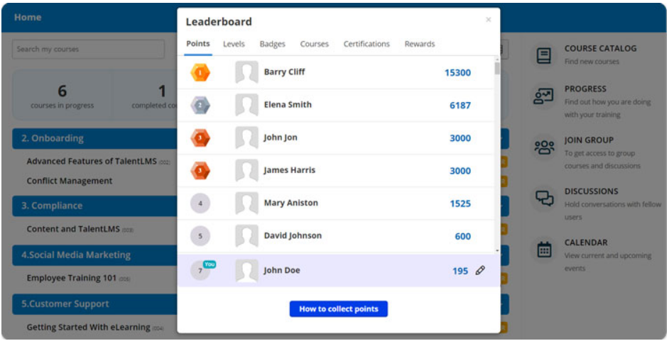
4 | Track the progress of learners see detailed statistics on time spent, attempts made | 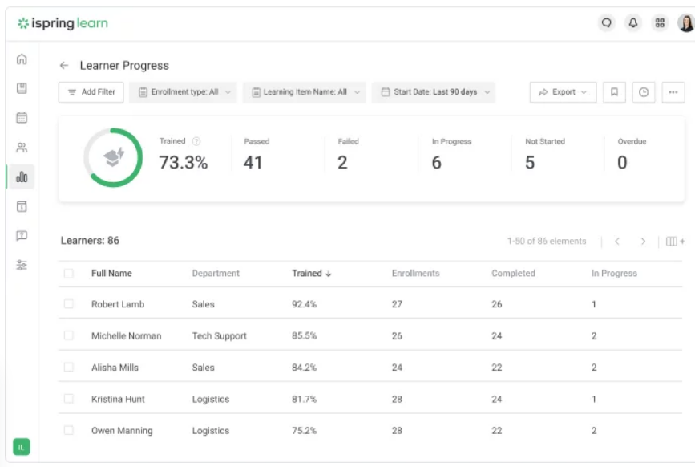 | 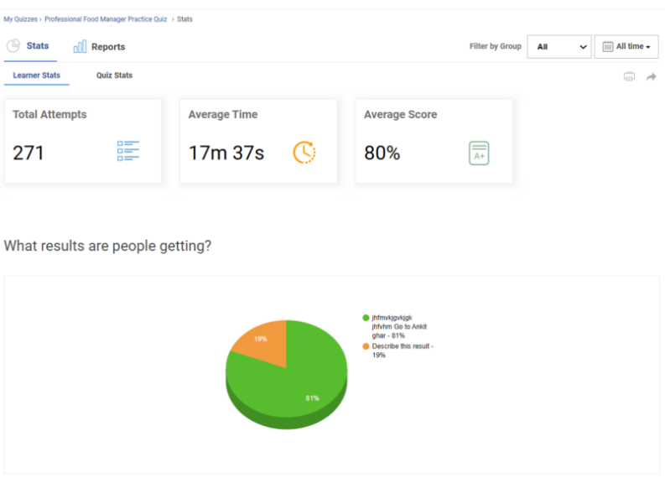
5 | If User Takes Screenshot While Attempting the Quiz,Course Automatically Stop & not Continue the Course
6 | Adding game features to your courses and training programs will engage learners, speed them through the modules and increase compliance | 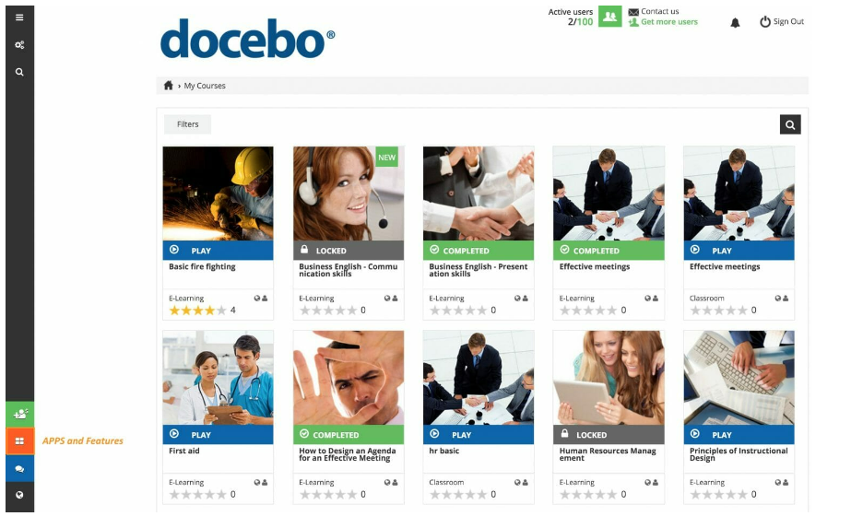
7 | need one-on-one attention or have complicated questions will appreciate an LMS | 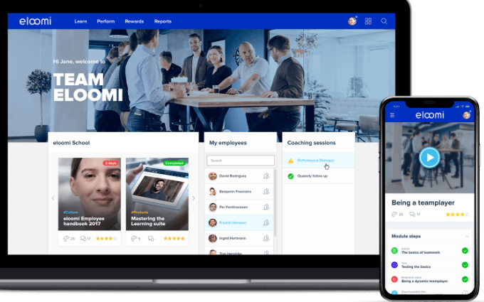
8 | Collaboration Tools for Group Discussions & Knowledge Sharing | 