3.1
Shortest path model to linked Influencer 1 to Influener 12
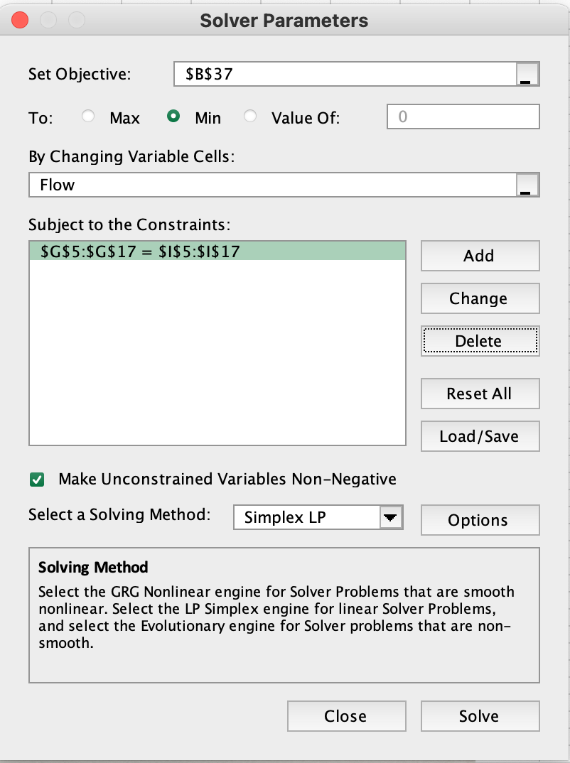
Network structure and flows |  |  |  | Flow balance constraints
Origin | Destination | Cost | Flow | Influencer node | Net outflow |  | Required net outflow
1 | 2 | 2 | 1 | 1 | 1 | = | 1 | Start node
1 | 5 | 27 | 0 | 2 | 0 | = | 0
2 | 13 | 4 | 1 | 3 | 0 | = | 0
3 | 13 | 5 | 0 | 4 | 0 | = | 0
3 | 4 | 8 | 0 | 5 | 0 | = | 0
3 | 8 | 15 | 1 | 6 | 0 | = | 0
4 | 13 | 10 | 0 | 7 | 0 | = | 0
4 | 3 | 8 | 0 | 8 | 0 | = | 0
4 | 5 | 7 | 0 | 9 | 0 | = | 0
4 | 11 | 3 | 0 | 10 | 0 | = | 0
5 | 4 | 7 | 0 | 11 | 0 | = | 0
6 | 7 | 9 | 0 | 12 | -1 | = | -1 | Destination
6 | 8 | 3 | 0 | 13 | 0 | = | 0
6 | 12 | 6 | 1
7 | 6 | 9 | 0
7 | 11 | 3 | 0
8 | 3 | 15 | 0
8 | 6 | 3 | 1
8 | 9 | 12 | 0
8 | 10 | 15 | 0
9 | 8 | 12 | 0
9 | 10 | 6 | 0
10 | 9 | 6 | 0
10 | 8 | 15 | 0
11 | 4 | 3 | 0
11 | 7 | 3 | 0
12 | 6 | 6 | 0
13 | 2 | 4 | 0
13 | 3 | 5 | 1
13 | 4 | 10 | 0

Objective to minimize
Total cost | 35

