Example plots
PLOTS FROM ALL COMBINED DATA SO FAR (4892 data pts MAX)
 | Connectivity
 | 0.954
 | 0.987
 | 0.958
 | 0.845
 | 0.938
 | 0.945
 | 0.930
 | 0.956
 | 0.914
 | 0.949
 | 0.974
 | 0.917
 | 0.960
 | 0.947
 | 0.959
 | 0.947
 | 0.958
 | 0.951
 | 0.929
 | 0.952
 | 0.882
 | 0.926
 | 0.956
 | 0.930
 | 0.942
 | 0.943
 | 0.949
 | 0.937
 | 0.960
 | 0.819
 | 0.899
 | 0.918
 | 0.931
 | 0.930
 | 0.945
 | 0.953
 | 0.893
 | 0.950
 | 0.957
 | 0.946
 | 0.964
 | 0.946
 | 0.963
 | 0.901
 | 0.891
 | 0.923
 | 0.917
 | 0.954
 | 0.936
 | 0.964
...
 | Connectivity
87.24 | 0.954
86.60 | 0.987
85.97 | 0.958
85.12 | 0.845
85.02 | 0.938
84.62 | 0.945
84.54 | 0.930
84.44 | 0.956
83.77 | 0.914
83.77 | 0.949
83.34 | 0.974
83.22 | 0.917
83.10 | 0.960
83.07 | 0.947
83.02 | 0.959
82.96 | 0.947
82.75 | 0.958
82.66 | 0.951
82.65 | 0.929
82.59 | 0.952
82.49 | 0.882
82.46 | 0.926
82.39 | 0.956
82.22 | 0.930
82.16 | 0.942
82.04 | 0.943
81.98 | 0.949
81.87 | 0.937
81.69 | 0.960
81.65 | 0.819
81.43 | 0.899
81.38 | 0.918
81.20 | 0.931
81.19 | 0.930
81.17 | 0.945
80.98 | 0.953
80.97 | 0.893
80.96 | 0.950
80.91 | 0.957
80.87 | 0.946
80.78 | 0.964
80.78 | 0.946
80.59 | 0.963
80.55 | 0.901
80.50 | 0.891
80.40 | 0.923
80.39 | 0.917
80.16 | 0.954
80.13 | 0.936
80.10 | 0.964
...
 | Connectivity
87.24 | 0.954
86.60 | 0.987
85.97 | 0.958
85.12 | 0.845
85.02 | 0.938
84.62 | 0.945
84.54 | 0.930
84.44 | 0.956
83.77 | 0.914
83.77 | 0.949
83.34 | 0.974
83.22 | 0.917
83.10 | 0.960
83.07 | 0.947
83.02 | 0.959
82.96 | 0.947
82.75 | 0.958
82.66 | 0.951
82.65 | 0.929
82.59 | 0.952
82.49 | 0.882
82.46 | 0.926
82.39 | 0.956
82.22 | 0.930
82.16 | 0.942
82.04 | 0.943
81.98 | 0.949
81.87 | 0.937
81.69 | 0.960
81.65 | 0.819
81.43 | 0.899
81.38 | 0.918
81.20 | 0.931
81.19 | 0.930
81.17 | 0.945
80.98 | 0.953
80.97 | 0.893
80.96 | 0.950
80.91 | 0.957
80.87 | 0.946
80.78 | 0.964
80.78 | 0.946
80.59 | 0.963
80.55 | 0.901
80.50 | 0.891
80.40 | 0.923
80.39 | 0.917
80.16 | 0.954
80.13 | 0.936
80.10 | 0.964
...

 | Bulk porosity (%)
 | 87.24
 | 86.60
 | 85.97
 | 85.12
 | 85.02
 | 84.62
 | 84.54
 | 84.44
 | 83.77
 | 83.77
 | 83.34
 | 83.22
 | 83.10
 | 83.07
 | 83.02
 | 82.96
 | 82.75
 | 82.66
 | 82.65
 | 82.59
 | 82.49
 | 82.46
 | 82.39
 | 82.22
 | 82.16
 | 82.04
 | 81.98
 | 81.87
 | 81.69
 | 81.65
 | 81.43
 | 81.38
 | 81.20
 | 81.19
 | 81.17
 | 80.98
 | 80.97
 | 80.96
 | 80.91
 | 80.87
 | 80.78
 | 80.78
 | 80.59
 | 80.55
 | 80.50
 | 80.40
 | 80.39
 | 80.16
 | 80.13
 | 80.10
...
 | Connected porosity (%)
87.24 | 83.24
86.60 | 85.51
85.97 | 82.34
85.12 | 71.95
85.02 | 79.72
84.62 | 79.93
84.54 | 78.63
84.44 | 80.70
83.77 | 76.57
83.77 | 79.49
83.34 | 81.16
83.22 | 76.29
83.10 | 79.77
83.07 | 78.70
83.02 | 79.57
82.96 | 78.60
82.75 | 79.29
82.66 | 78.61
82.65 | 76.78
82.59 | 78.64
82.49 | 72.74
82.46 | 76.34
82.39 | 78.77
82.22 | 76.48
82.16 | 77.36
82.04 | 77.36
81.98 | 77.83
81.87 | 76.72
81.69 | 78.42
81.65 | 66.88
81.43 | 73.17
81.38 | 74.75
81.20 | 75.58
81.19 | 75.49
81.17 | 76.71
80.98 | 77.17
80.97 | 72.31
80.96 | 76.91
80.91 | 77.39
80.87 | 76.50
80.78 | 77.89
80.78 | 76.38
80.59 | 77.60
80.55 | 72.56
80.50 | 71.75
80.40 | 74.20
80.39 | 73.73
80.16 | 76.49
80.13 | 75.00
80.10 | 77.18
...
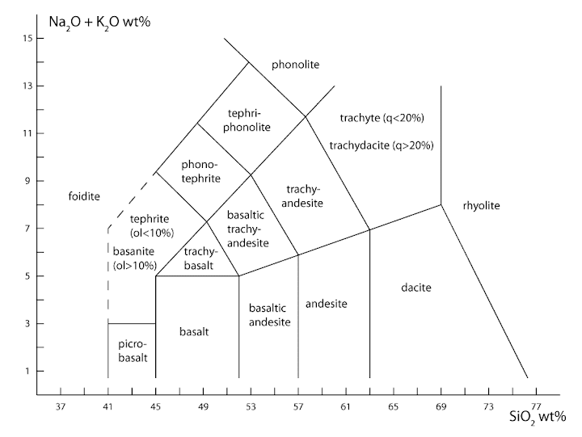
 | Connectivity

 | Bulk porosity (%)
...
 | Connected porosity (%)
87.24
86.60
85.97
85.12
85.02
84.62
84.54
84.44
83.77
83.77
83.34
83.22
83.10
83.07
83.02
82.96
82.75
82.66
82.65
82.59
82.49
82.46
82.39
82.22
82.16
82.04
81.98
81.87
81.69
81.65
81.43
81.38
81.20
81.19
81.17
80.98
80.97
80.96
80.91
80.87
80.78
80.78
80.59
80.55
80.50
80.40
80.39
80.16
80.13
80.10
...

 | Connected porosity (%)
87.24
86.60
85.97
85.12
85.02
84.62
84.54
84.44
83.77
83.77
83.34
83.22
83.10
83.07
83.02
82.96
82.75
82.66
82.65
82.59
82.49
82.46
82.39
82.22
82.16
82.04
81.98
81.87
81.69
81.65
81.43
81.38
81.20
81.19
81.17
80.98
80.97
80.96
80.91
80.87
80.78
80.78
80.59
80.55
80.50
80.40
80.39
80.16
80.13
80.10
...

 | Bulk porosity (%)
 | Connected porosity (%)
87.24
86.60
85.97
85.12
85.02
84.62
84.54
84.44
83.77
83.77
83.34
83.22
83.10
83.07
83.02
82.96
82.75
82.66
82.65
82.59
82.49
82.46
82.39
82.22
82.16
82.04
81.98
81.87
81.69
81.65
81.43
81.38
81.20
81.19
81.17
80.98
80.97
80.96
80.91
80.87
80.78
80.78
80.59
80.55
80.50
80.40
80.39
80.16
80.13
80.10
...

 | Bulk porosity (%)
 | Connected porosity (%)
87.24
86.60
85.97
85.12
85.02
84.62
84.54
84.44
83.77
83.77
83.34
83.22
83.10
83.07
83.02
82.96
82.75
82.66
82.65
82.59
82.49
82.46
82.39
82.22
82.16
82.04
81.98
81.87
81.69
81.65
81.43
81.38
81.20
81.19
81.17
80.98
80.97
80.96
80.91
80.87
80.78
80.78
80.59
80.55
80.50
80.40
80.39
80.16
80.13
80.10
...

