Análisis preliminar
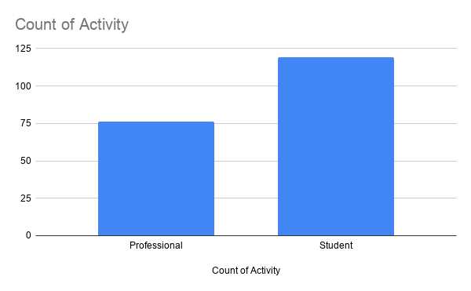
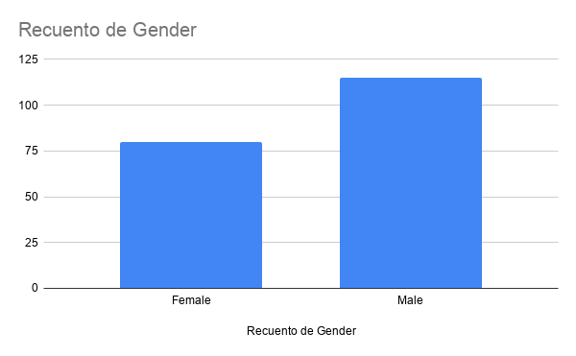
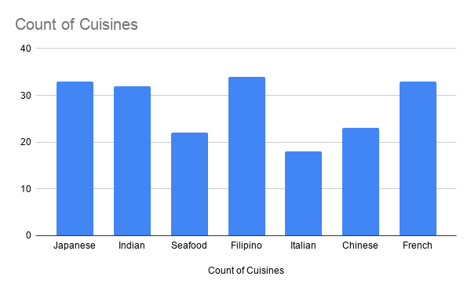
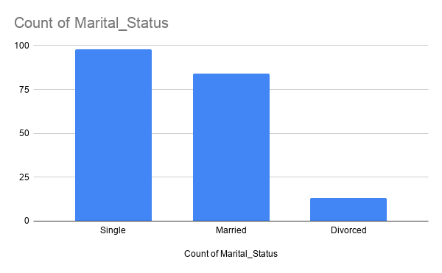
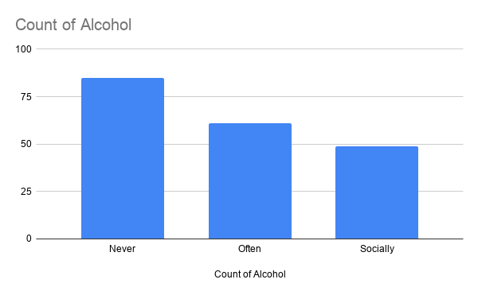
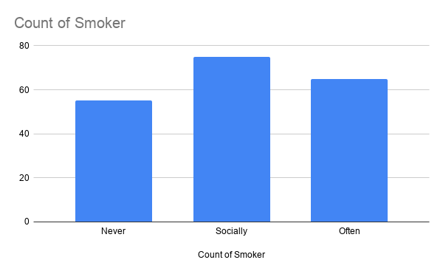
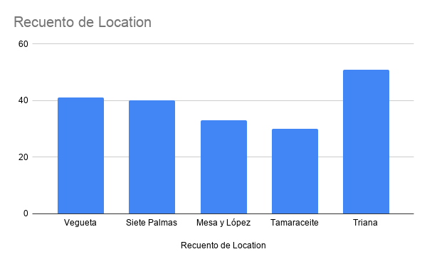
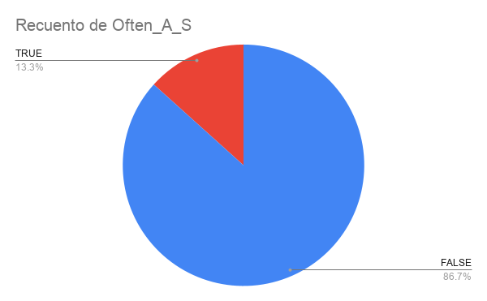
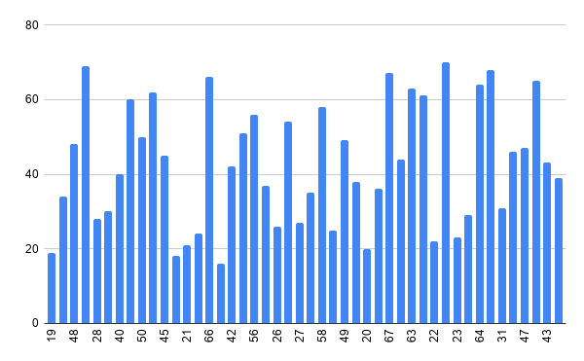
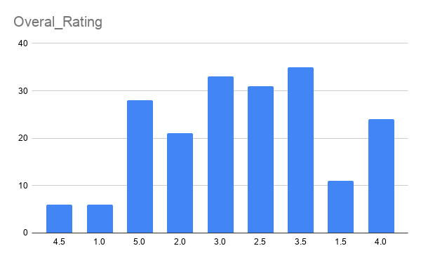
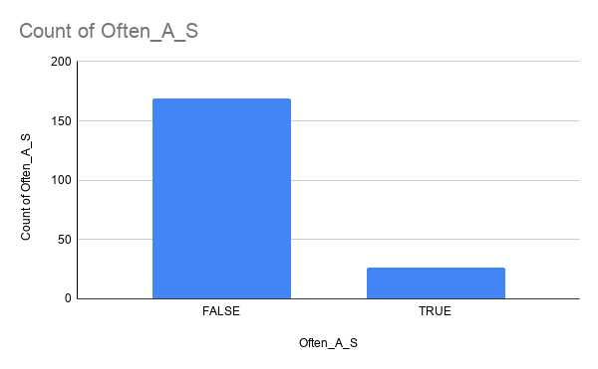
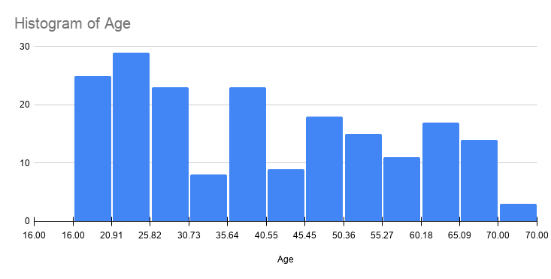
Age

Mean | 40.897777778 | 40
Standard Error | 1.1398503878 |  | Handling Missing Values
Median | 39 | 39 |  | Blanks Values | n | Porcentaje | Nos lo quedamos | Valor Imputado
Mode | 51 |  | Age blanks: | 0 | 195 | 0.00 | Sí | Imputamos Mediana |  | 5
Standard Deviation | 17.097755817 |  | Gender blanks: | 0 | 195 | 0.00 | No |  |  | 4
Sample Variance | 292.33325397 |  | Budget blanks: | 0 | 195 | 0.00 | Sí | Imputamos Mediana |  | 1
Kurtosis | -1.3388007914 |  | Marital blanks: | 0 | 195 | 0.00 | No |  |  | 1
Skewness | 0.19926799641 |  | Activity blanks: | 0 | 195 | 0.00 | Sí | Imputamos Moda |  | 3
Range | 54 |  | Cuisine blanks: | 0 | 195 | 0.00 | Sí | Imputamos Moda |  | 2
Minimum | 16 |  | Alcohol blanks: | 0 | 195 | 0.00 | Sí | Imputamos Moda |  | 2
Maximum | 70 |  | Smoker blanks: | 0 | 195 | 0.00 | Sí |  |  | 8
Sum | 9202 |  | Food blanks: | 0 | 195 | 0.00 | Sí | Imputamos Fórmula | -> 2*Overall_Rating - Service_Rating | 6
Count | 225 |  | Service blanks: | 0 | 195 | 0.00 | Sí | Imputamos Fórmula | -> 2*Overall_Rating - Food_Rating | 4
Largest(1) | 70 |  | Overall blanks: | 0 | 195 | 0.00 | Sí | Imputamos Fórmula | -> (Food_Rating + Service_Rating)/2 | 6
Smallest(1) | 16 |  |  |  |  |  |  |  |  | 3
Confidence Level(95%) | 2.2462016099 |  | TOTAL BLANKS: | 0 |  | 0.00

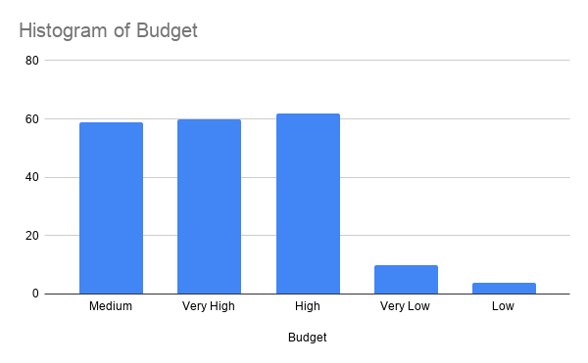
 |  |  |  |  | n Inicial | 230 | 11.5
 |  |  |  |  | n Final | 205 | 10.25
Budget
 |  |  |  |  | % de Borrados | 11.25
Mean | 3.8384279476
Standard Error | 0.06961355858
Median | 4
Mode | 5
Standard Deviation | 1.0534442967
Sample Variance | 1.1097448862
Kurtosis | 0.38677162833
Skewness | -0.78492568438
Range | 4
Minimum | 1
Maximum | 5
Sum | 879
Count | 229
Largest(1) | 5
Smallest(1) | 1
Confidence Level(95%) | 0.13716816687

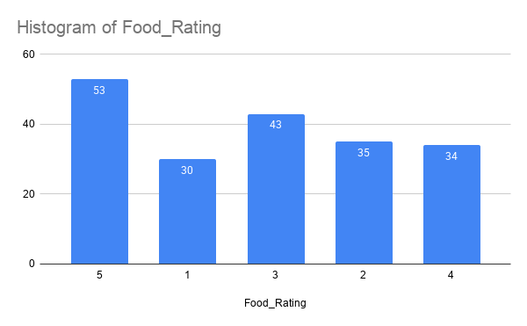
Food_Rating

Mean | 3.1928251121
Standard Error | 0.093921909561
Median | 3
Mode | 5
Standard Deviation | 1.4025532062
Sample Variance | 1.9671554963
Kurtosis | -1.2521577136
Skewness | -0.12062977449
Range | 4
Minimum | 1
Maximum | 5
Sum | 712
Count | 223
Largest(1) | 5
Smallest(1) | 1
Confidence Level(95%) | 0.18509259699

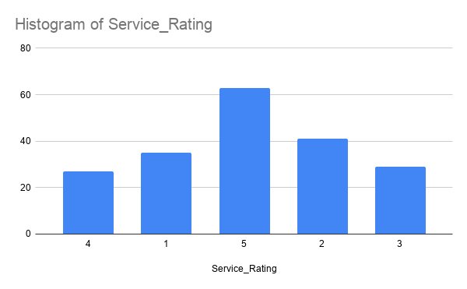
Service_Rating

Mean | 3.1555555556
Standard Error | 0.10133587438
Median | 3
Mode | 5
Standard Deviation | 1.5200381156
Sample Variance | 2.310515873
Kurtosis | -1.4947580157
Skewness | -0.065887005999
Range | 4
Minimum | 1
Maximum | 5
Sum | 710
Count | 225
Largest(1) | 5
Smallest(1) | 1
Confidence Level(95%) | 0.19969357962

Overall_Rating

Mean | 3.1897321429
Standard Error | 0.0727241702
Median | 3
Mode | 3
Standard Deviation | 1.0884357145
Sample Variance | 1.1846923046
Kurtosis | -0.75015195188
Skewness | 0.085868879163
Range | 4
Minimum | 1
Maximum | 5
Sum | 714.5
Count | 224
Largest(1) | 5
Smallest(1) | 1
Confidence Level(95%) | 0.14331453397

