Assembly overview
Bottom Side
There are no parts to assemble.
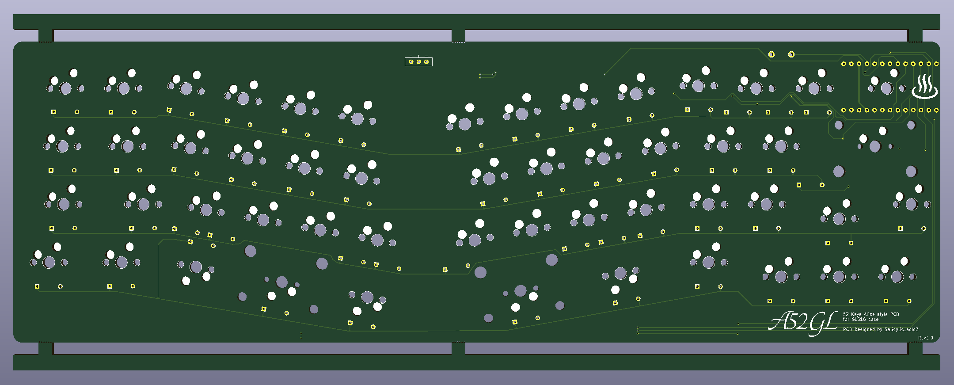

Top Side
Assemble the diode and SwitchSocket and LEDs.

Diode direction

All diodes have the cathode on the Right.

SwitchSocket direction

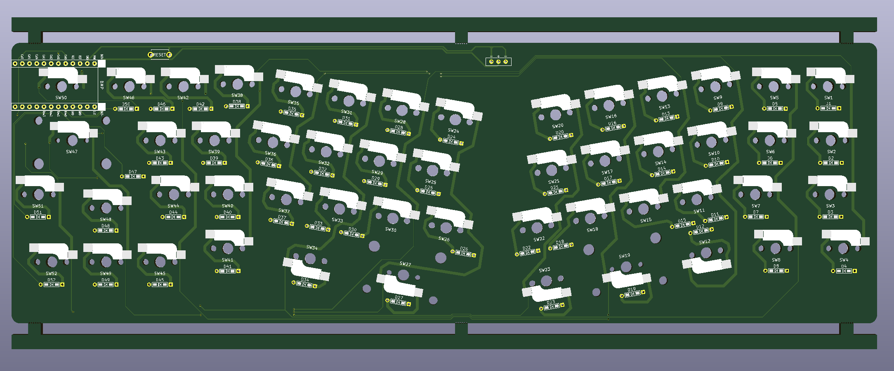
1.Kailh engraved front side
2.Mount in the direction that matches the silk

