Assembly overview
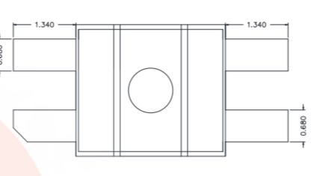
Bottom Side
There are no parts to assemble.
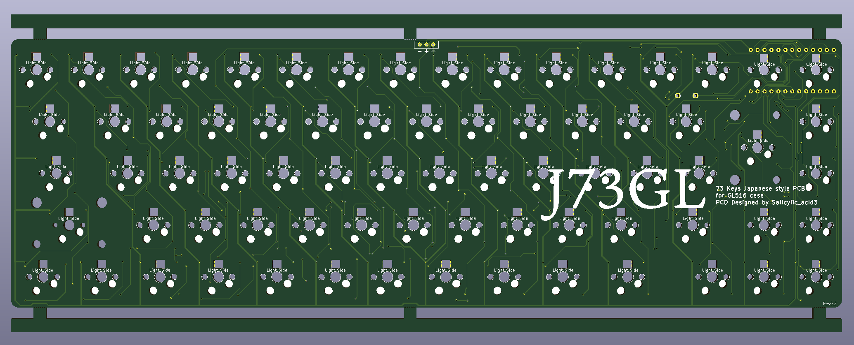

Top Side
Assemble the diode and SwitchSocket and LEDs.

Diode direction

All diodes have the cathode on the down.

SwitchSocket direction

1.Kailh engraved front side
2.Mount in the direction that matches the silk
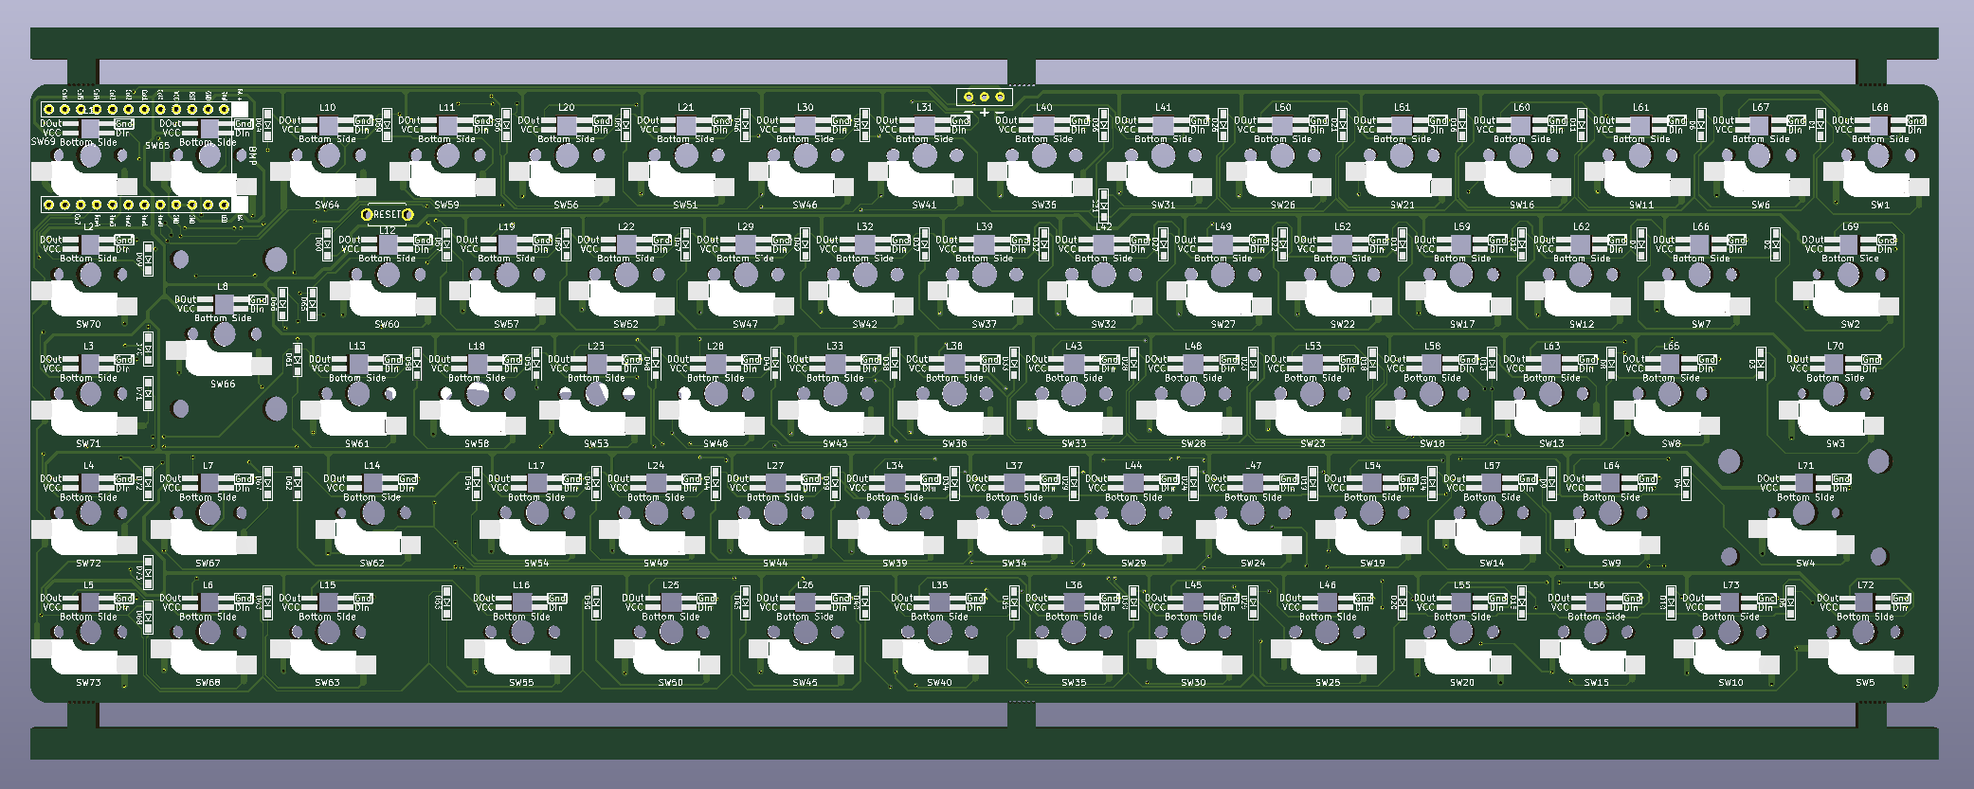

LED direction

Install the LED so that its GND cutout is in the upper right corner.

