Nov_19_ident
...
 | KDE 5215; 15,5 | BGF folder
 | KDE 5215; 15,5 | BGF folder
 | KDE 5215; 15,5 | BGF folder
 | KDE 5215; 15,5 | BGF folder
 | KDE 5215; 15,5 | BGF folder
Attention ! RAS ?? | KDE 5215; 15,5 | BGF folder
Attention ! RAS ?? | KDE 5215; 15,5 | BGF folder
Attention ! RAS ?? | KDE 5215; 15,5 | BGF folder
Attention ! RAS ?? | KDE 5215; 15,5 | BGF folder
Attention ! RAS ?? | KDE 5215; 15,5 | BGF folder
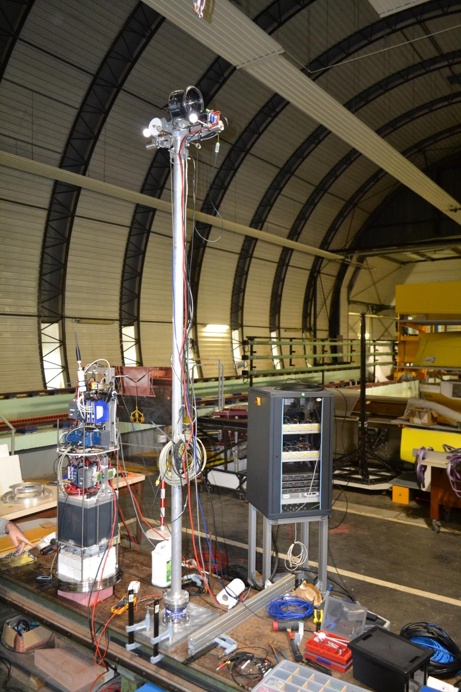
Attention ! | ?
Attention ! | KDE 5215; 15,5 | SW_SPAR January
Attention ! | KDE 5215; 15,5 | SW_SPAR January
Attention ! | KDE 5215; 15,5 | SW_SPAR January
Attention ! | KDE 5215; 15,5 | SW_SPAR January
Attention ! | KDE 5215; 15,5 | SW_SPAR January
 | photo du montage 25/11/19
...
 | Schubeler Jet NEW
 | Schubeler Jet NEW
...

Tau
0.9
 | tab values for log (dB) scale)
saturation pour éviter des peaks autour de 0; | Gain | Gain (dB), 20 * log10 (G)
 | Tau [0.3 – 2.1] Hz |  | Tau [2,6-8]Hz |  | additional test longer |  |  |  | From Steps |  | tau après 17/01 |  | tau 20/01 v2 |  | tau 20/01 v3 |  | tau 20/01 v4
7.5 | 0.19 | 7.5 | 0.2 | 10.0 | 0.2 | 7.5 | 0.180 | 7.5 | 0.18 | 7.5 | 0.144 | 7.5 | 0.120 | 0.0 | 0.110 | 0.0 | 0.110
10.0 | 0.17 | 10.0 | 0.17 | 15.0 | 0.2 | 10.0 | 0.140 | 10.0 | 0.14 | 10.0 | 0.112 | 10.0 | 0.100 | 7.5 | 0.110 | 7.5 | 0.110
12.5 | 0.154 | 12.5 | 0.143 | 20.0 | 0.134 | 12.5 | 0.130 | 12.5 | 0.135 | 12.5 | 0.104 | 12.5 | 0.090 | 10.0 | 0.090 | 10.0 | 0.090
15.0 | 0.147 | 15.0 | 0.127 | 25.0 | 0.086 | 15.0 | 0.120 | 15.0 | 0.13 | 15.0 | 0.096 | 15.0 | 0.080 | 12.5 | 0.080 | 12.5 | 0.080
17.5 | 0.125 | 17.5 | 0.113 | 27.5 | 0.074 | 17.5 | 0.100 | 17.5 | 0.14 | 17.5 | 0.080 | 17.5 | 0.070 | 15.0 | 0.075 | 15.0 | 0.075
20.0 | 0.1 | 20.0 | 0.09 |  |  | 20.0 | 0.085 | 20.0 | 0.09 | 20.0 | 0.068 | 20.0 | 0.060 | 17.5 | 0.065 | 17.5 | 0.070
22.5 | 0.09 | 22.5 | 0.077 |  |  | 22.5 | 0.070 | 22.5 | 0.08 | 22.5 | 0.056 | 22.5 | 0.050 | 20.0 | 0.055 | 20.0 | 0.060
 |  |  |  |  |  | 25.0 | 0.060 | 25.0 | 0.07 | 25.0 | 0.048 | 25.0 | 0.040 | 22.5 | 0.050 | 22.5 | 0.050
 |  |  |  |  |  | 27.5 | 0.060 |  |  | 27.5 | 0.040 | 27.5 | 0.030 | 25.0 | 0.040 | 25.0 | 0.040
 |  |  |  |  |  | 40.0 | 0.040 |  |  | 40.0 | 0.040 | 40.0 | 0.030 | 27.5 | 0.030 | 27.5 | 0.035
 |  |  |  |  |  |  |  |  |  |  |  |  |  | 40.0 | 0.030 | 40.0 | 0.035
Objectif : améliorer les perf, mais ne pas trop sur amplifier quand même --> Il vaut mieux estimer un actionneur trop rapide, et ne pas faire une correction trop importante <-> correction en tau * dF/dt <-> diminuer tau | 0.32 | -10.00 | doit être inférieur à 1 dB !
 | 0.35 | -9.00
 | 0.40 | -8.00
 | 0.45 | -7.00
 | 0.50 | -6.00
 | 0.56 | -5.00
 | 0.63 | -4.00
 | 0.71 | -3.00
 | 0.79 | -2.00
 | 0.89 | -1.00
 | 1.00 | 0.00
 | 1.12 | 1.00
 | 1.26 | 2.00
 | 1.41 | 3.00
 | 1.58 | 4.00
 | 1.78 | 5.00
 | 2.00 | 6.00
 | 2.24 | 7.00
 | 2.51 | 8.00
 | 2.82 | 9.00
 | 3.16 | 10.00
...
 |  |  | Gain | Gain (dB), 20 * log10 (G)
 |  |  | 0.71 | -3.00
 |  |  | 0.79 | -2.00
...

Appendix_02
...
SOFTWIND SPAR frequencies
 | 3P freq [Hz] |  | 3P freq +15% [Hz] |  | 3P freq -15% [Hz] |  | Tower nat freq |  | Blade nat freq |  | Tower nat. freq. -- fixed |  | Tower nat. freq. "Stiff-stiff"
7 | 1.90 | 7 | 2.18 | 7 | 1.61 | 0 | 2.4 | 0 | 2.52 | 0 | 1.8 | 0 | 3.7
7.5 | 1.90 | 7.5 | 2.18 | 7.5 | 1.61 | 7 | 2.4 | 7 | 2.52 | 7 | 1.8 | 7 | 3.7
8 | 1.95 | 8 | 2.25 | 8 | 1.66 | 7.5 | 2.4 | 7.5 | 2.52 | 7.5 | 1.8 | 7.5 | 3.7
8.5 | 2.10 | 8.5 | 2.42 | 8.5 | 1.79 | 8 | 2.4 | 8 | 2.52 | 8 | 1.8 | 8 | 3.7
9 | 2.22 | 9 | 2.56 | 9 | 1.89 | 8.5 | 2.4 | 8.5 | 2.52 | 8.5 | 1.8 | 8.5 | 3.7
9.5 | 2.35 | 9.5 | 2.70 | 9.5 | 2.00 | 9 | 2.4 | 9 | 2.52 | 9 | 1.8 | 9 | 3.7
10 | 2.47 | 10 | 2.84 | 10 | 2.10 | 9.5 | 2.4 | 9.5 | 2.52 | 9.5 | 1.8 | 9.5 | 3.7
10.5 | 2.59 | 10.5 | 2.98 | 10.5 | 2.20 | 10 | 2.4 | 10 | 2.52 | 10 | 1.8 | 10 | 3.7
11 | 2.71 | 11 | 3.12 | 11 | 2.31 | 10.5 | 2.4 | 10.5 | 2.52 | 10.5 | 1.8 | 10.5 | 3.7
11.5 | 3.04 | 11.5 | 3.49 | 11.5 | 2.58 | 11 | 2.4 | 11 | 2.52 | 11 | 1.8 | 11 | 3.7
12 | 3.06 | 12 | 3.52 | 12 | 2.60 | 11.5 | 2.4 | 11.5 | 2.52 | 11.5 | 1.8 | 11.5 | 3.7
12.5 | 3.05 | 12.5 | 3.51 | 12.5 | 2.60 | 12 | 2.4 | 12 | 2.52 | 12 | 1.8 | 12 | 3.7
13 | 3.05 | 13 | 3.51 | 13 | 2.59 | 12.5 | 2.4 | 12.5 | 2.52 | 12.5 | 1.8 | 12.5 | 3.7
13.5 | 3.05 | 13.5 | 3.51 | 13.5 | 2.59 | 13 | 2.4 | 13 | 2.52 | 13 | 1.8 | 13 | 3.7
14 | 3.05 | 14 | 3.50 | 14 | 2.59 | 13.5 | 2.4 | 13.5 | 2.52 | 13.5 | 1.8 | 13.5 | 3.7
14.5 | 3.05 | 14.5 | 3.50 | 14.5 | 2.59 | 14 | 2.4 | 14 | 2.52 | 14 | 1.8 | 14 | 3.7
15 | 3.04 | 15 | 3.50 | 15 | 2.59 | 14.5 | 2.4 | 14.5 | 2.52 | 14.5 | 1.8 | 14.5 | 3.7
15.5 | 3.04 | 15.5 | 3.50 | 15.5 | 2.59 | 15 | 2.4 | 15 | 2.52 | 15 | 1.8 | 15 | 3.7
16 | 3.04 | 16 | 3.50 | 16 | 2.59 | 15.5 | 2.4 | 15.5 | 2.52 | 15.5 | 1.8 | 15.5 | 3.7
16.5 | 3.04 | 16.5 | 3.50 | 16.5 | 2.59 | 16 | 2.4 | 16 | 2.52 | 16 | 1.8 | 16 | 3.7
17 | 3.04 | 17 | 3.50 | 17 | 2.59 | 16.5 | 2.4 | 16.5 | 2.52 | 16.5 | 1.8 | 16.5 | 3.7
17.5 | 3.04 | 17.5 | 3.50 | 17.5 | 2.59 | 17 | 2.4 | 17 | 2.52 | 17 | 1.8 | 17 | 3.7
18 | 3.04 | 18 | 3.50 | 18 | 2.59 | 17.5 | 2.4 | 17.5 | 2.52 | 17.5 | 1.8 | 17.5 | 3.7
18.5 | 3.04 | 18.5 | 3.50 | 18.5 | 2.59 | 18 | 2.4 | 18 | 2.52 | 18 | 1.8 | 18 | 3.7
19 | 3.04 | 19 | 3.50 | 19 | 2.59 | 18.5 | 2.4 | 18.5 | 2.52 | 18.5 | 1.8 | 18.5 | 3.7
19.5 | 3.04 | 19.5 | 3.50 | 19.5 | 2.59 | 19 | 2.4 | 19 | 2.52 | 19 | 1.8 | 19 | 3.7
 |  |  |  |  |  | 19.5 | 2.4 | 19.5 | 2.52 | 19.5 | 1.8 | 19.5 | 3.7
 |  |  |  |  |  | 25 | 2.4 | 25 | 2.52 |  |  |  | 3.7
Tower nat freq | Tower nat freq + 10% | Tower nat freq - 10% | Blade nat freq | Tower nat. freq. -- fixed | Tower nat. freq. "Stiff-stiff"
2.4 |  |  | 2.52 | 1.8 | 3.7
2.4 | 2.64 | 2.16 | 2.52 | 1.8 | 3.7
2.4 | 2.64 | 2.16 | 2.52 | 1.8 | 3.7
2.4 | 2.64 | 2.16 | 2.52 | 1.8 | 3.7
2.4 | 2.64 | 2.16 | 2.52 | 1.8 | 3.7
2.4 | 2.64 | 2.16 | 2.52 | 1.8 | 3.7
2.4 | 2.64 | 2.16 | 2.52 | 1.8 | 3.7
2.4 | 2.64 | 2.16 | 2.52 | 1.8 | 3.7
2.4 | 2.64 | 2.16 | 2.52 | 1.8 | 3.7
2.4 | 2.64 | 2.16 | 2.52 | 1.8 | 3.7
2.4 | 2.64 | 2.16 | 2.52 | 1.8 | 3.7
2.4 | 2.64 | 2.16 | 2.52 | 1.8 | 3.7
2.4 | 2.64 | 2.16 | 2.52 | 1.8 | 3.7
2.4 | 2.64 | 2.16 | 2.52 | 1.8 | 3.7
2.4 | 2.64 | 2.16 | 2.52 | 1.8 | 3.7
2.4 | 2.64 | 2.16 | 2.52 | 1.8 | 3.7
2.4 | 2.64 | 2.16 | 2.52 | 1.8 | 3.7
2.4 | 2.64 | 2.16 | 2.52 | 1.8 | 3.7
2.4 | 2.64 | 2.16 | 2.52 | 1.8 | 3.7
2.4 | 2.64 | 2.16 | 2.52 | 1.8 | 3.7
2.4 | 2.64 | 2.16 | 2.52 | 1.8 | 3.7
2.4 | 2.64 | 2.16 | 2.52 | 1.8 | 3.7
2.4 | 2.64 | 2.16 | 2.52 | 1.8 | 3.7
2.4 | 2.64 | 2.16 | 2.52 | 1.8 | 3.7
2.4 | 2.64 | 2.16 | 2.52 | 1.8 | 3.7
2.4 | 2.64 | 2.16 | 2.52 | 1.8 | 3.7
2.4 | 2.64 | 2.16 | 2.52 | 1.8 | 3.7
2.4 |  |  | 2.52 | 1.8 | 3.7
...
0.037559380097 | 0.014187841333 | 0.020302627514 | 0.024814344534 | 0.019845341212
...
0.039673003591 | 0.016113279819 | 0.02274840394 | 0.028782001963 | 0.022354640176

-5.3% | -11.9% | -10.8% | -13.8% | -11.2%
...
0.042326266607 | 0.017915562376 | 0.024332716911 | 0.031404855225 | 0.023982357178
...

