Predictions
timestamp_utc | body_bbox | face_detected | face_bbox | age | gender | gender_probability | track_id | request_id | frame_image | body_image | face_image | inference_seconds
2026-10-28T12:54:53.708707+00:00 | [0, 92, 1280, 1263] | FALSE |  | 31.36 | male | 0.9972807169 | 1 | 20261028T125448_382627Z_241fed61 |  |  |  | 5.184793
2026-10-28T12:55:24.051938+00:00 | [1009, 588, 1279, 1267] | FALSE |  | 21.92 | male | 0.5825471282 | 2 | 20261028T125519_899045Z_5dde6544 | 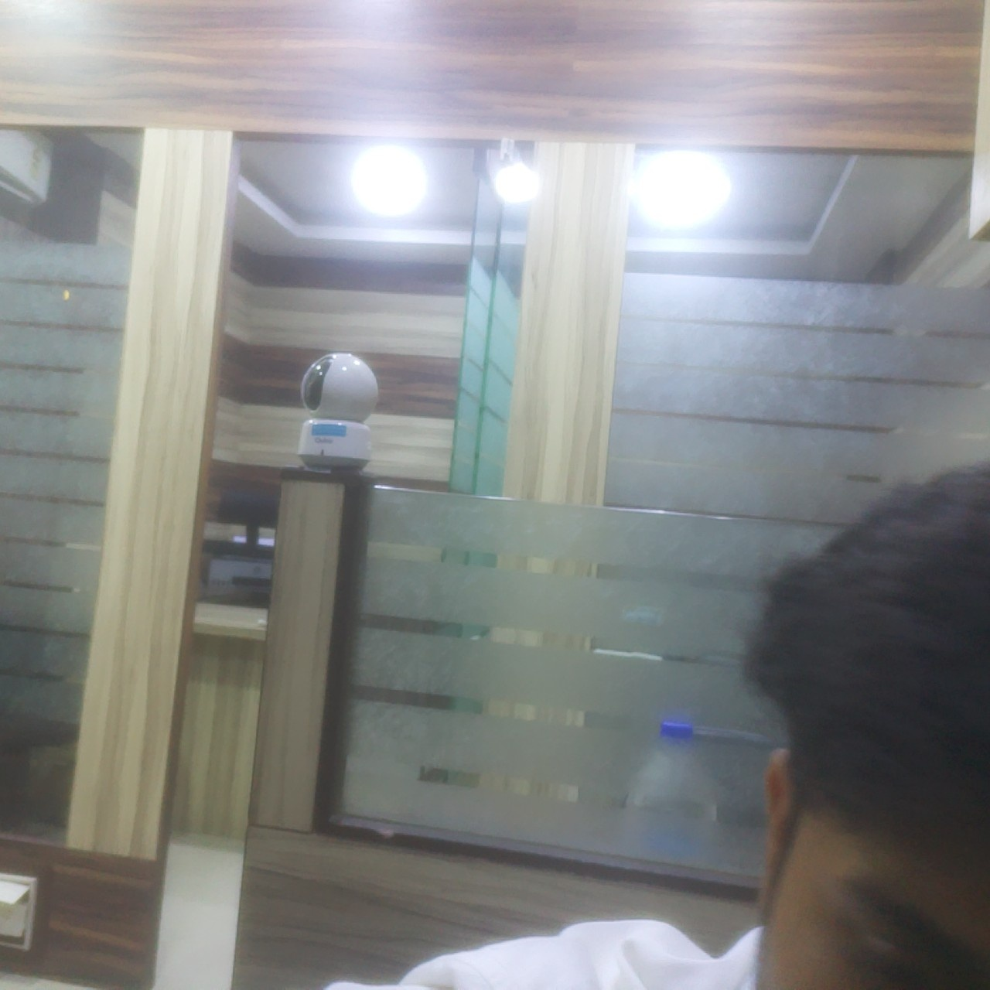 |  |  | 4.065786
2026-10-28T13:14:55.604678+00:00 | [0, 5, 1280, 1269] | TRUE | [795, 164, 1263, 793] | 31.07 | female | 0.93006336689 | 1 | 20261028T131450_589664Z_339b2dfb |  |  |  | 4.96515
2026-10-28T13:15:13.025276+00:00 | [150, 377, 880, 1268] | TRUE | [449, 483, 607, 739] | 18.3 | female | 0.6016201973 | 2 | 20261028T131509_238128Z_6b0f7685 | 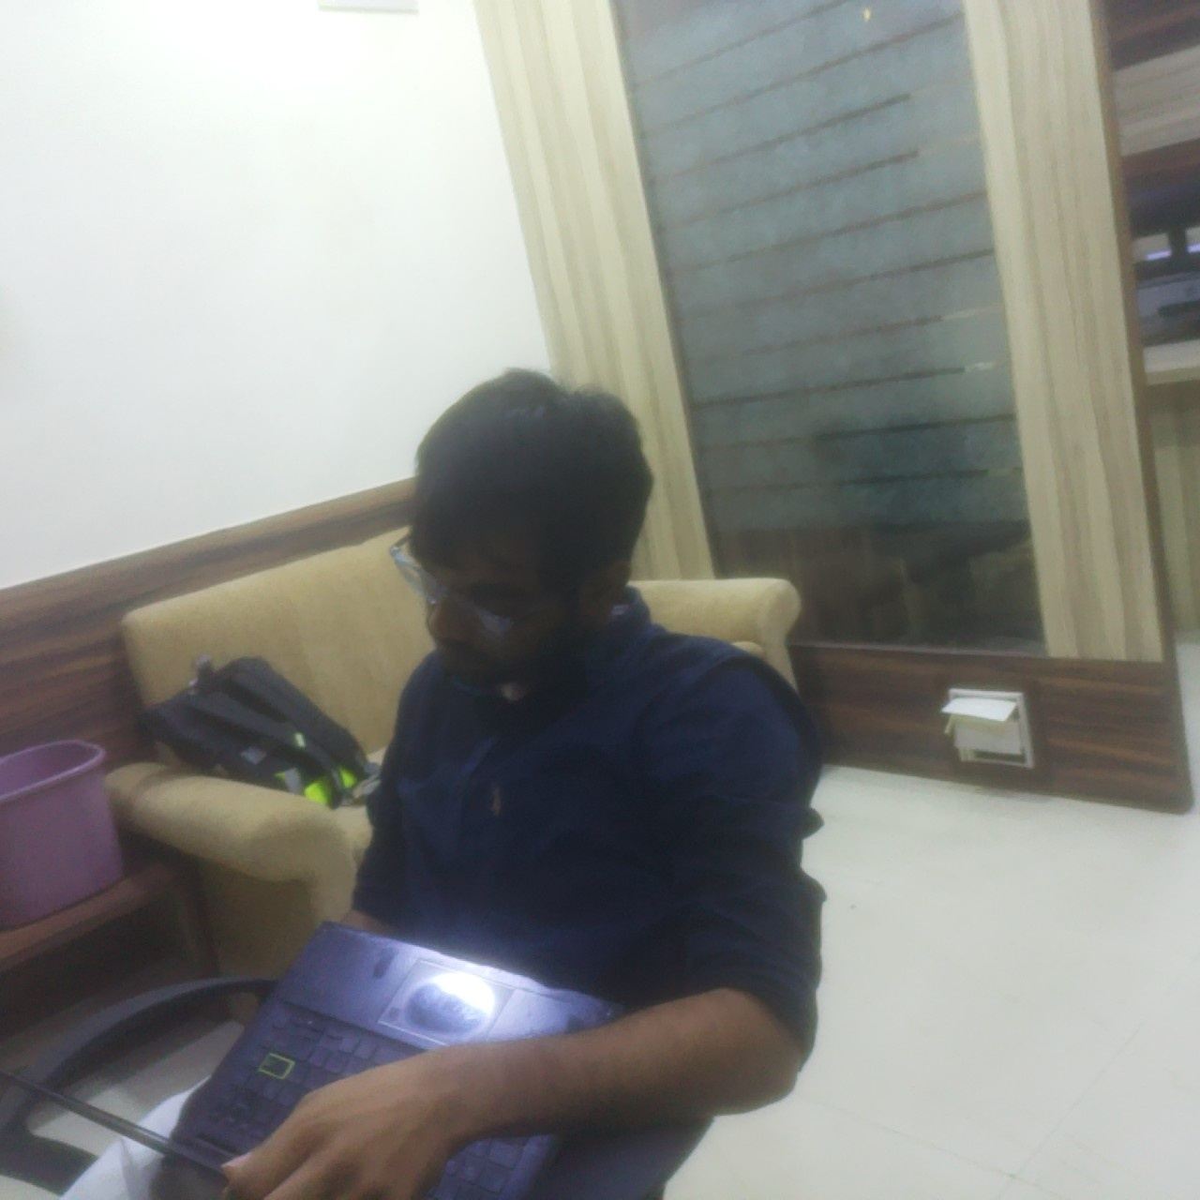 |  |  | 3.760183
2026-10-28T13:15:19.406162+00:00 | [401, 25, 1279, 1264] | TRUE | [845, 296, 1268, 848] | 19.52 | male | 0.99699771404 | 4 | 20261028T131515_606275Z_1928270c |  |  |  | 3.773809
2026-10-28T13:15:35.045391+00:00 | [11, 448, 944, 1264] | FALSE |  | 28 | female | 0.76707863808 | 5 | 20261028T131531_241503Z_39ce7176 | 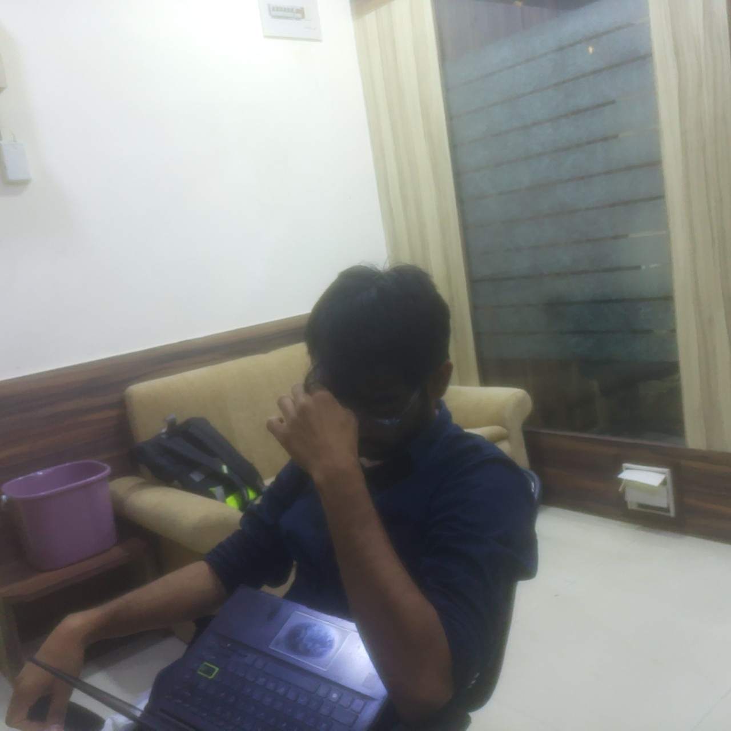 | 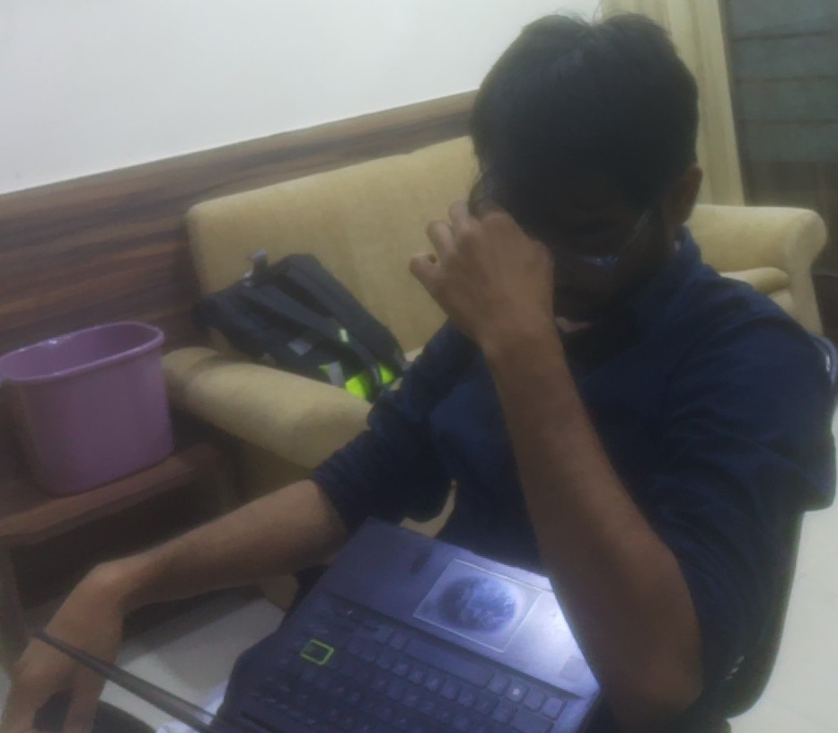 |  | 3.773667
2026-10-28T13:15:43.616422+00:00 | [363, 421, 1279, 1272] | TRUE | [616, 567, 949, 1001] | 24.33 | male | 0.99724340439 | 6 | 20261028T131540_140898Z_b170996a |  |  |  | 3.454199
2026-10-28T13:15:54.622270+00:00 | [214, 1004, 640, 1271] | FALSE |  | 21.18 | female | 0.50790148973 | 7 | 20261028T131551_057919Z_9432122f | 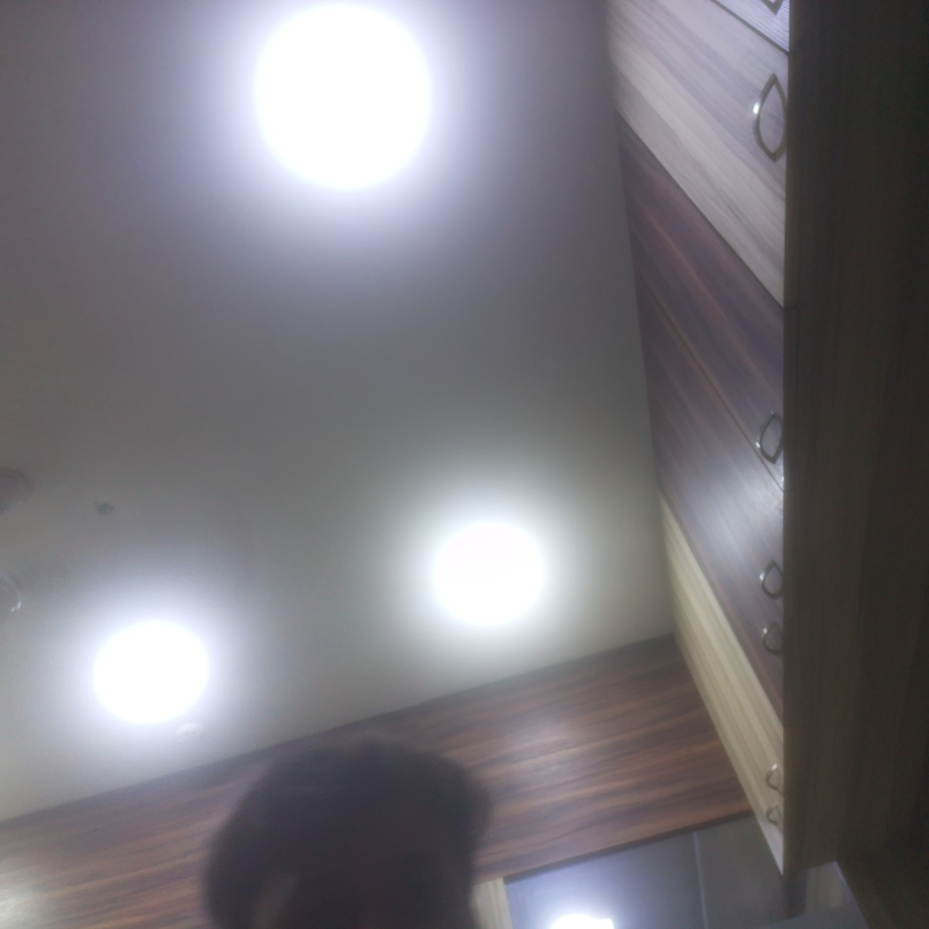 |  |  | 3.538201
2026-10-28T13:15:58.670419+00:00 | [150, 1040, 587, 1271] | FALSE |  | 25.8 | female | 0.65065920353 | 8 | 20261028T131555_391048Z_766dd393 | 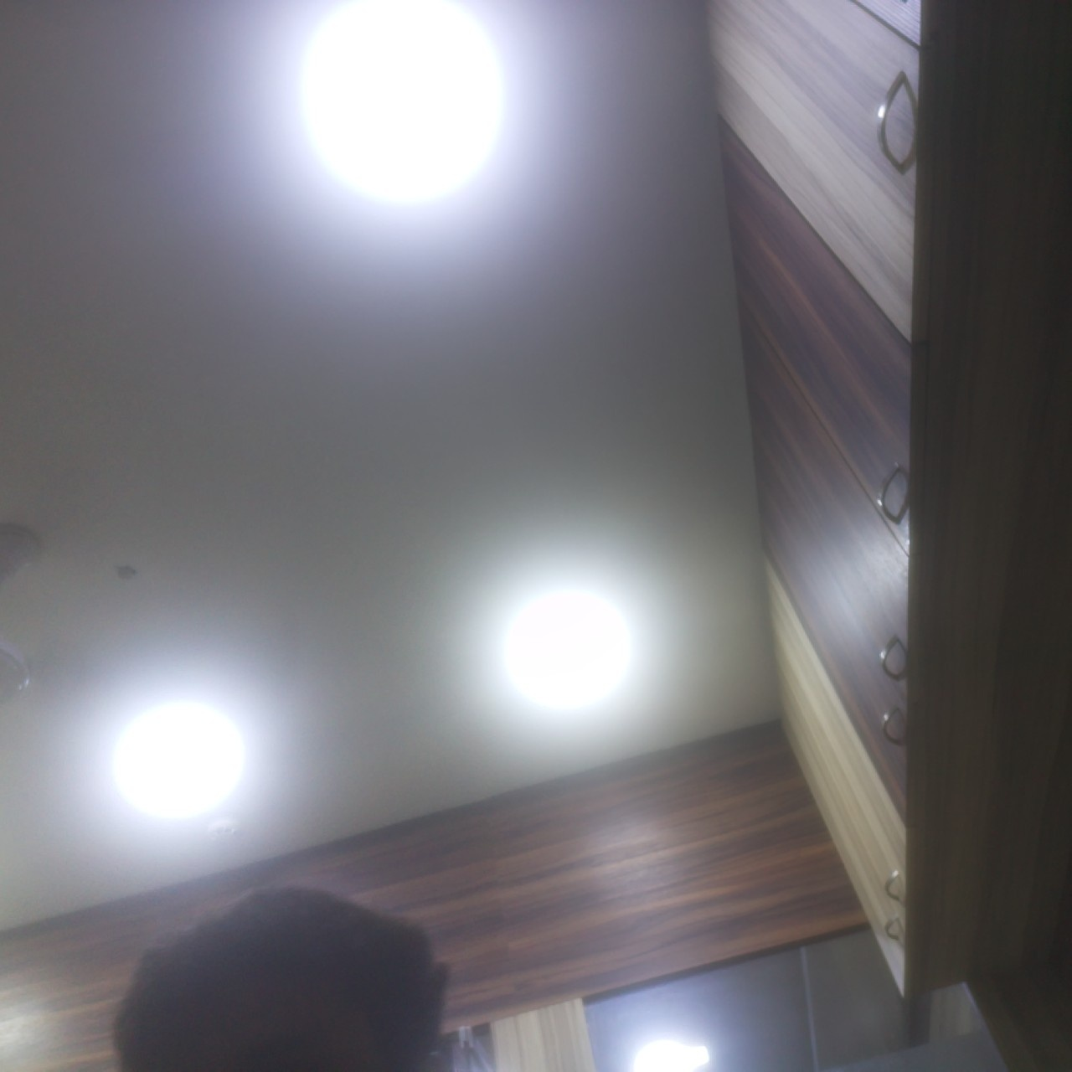 |  |  | 3.256066
2026-10-28T13:16:09.332695+00:00 | [0, 940, 43, 1267] | FALSE |  | 31.75 | male | 0.53253799677 | 9 | 20261028T131606_893604Z_ee1b04d8 | 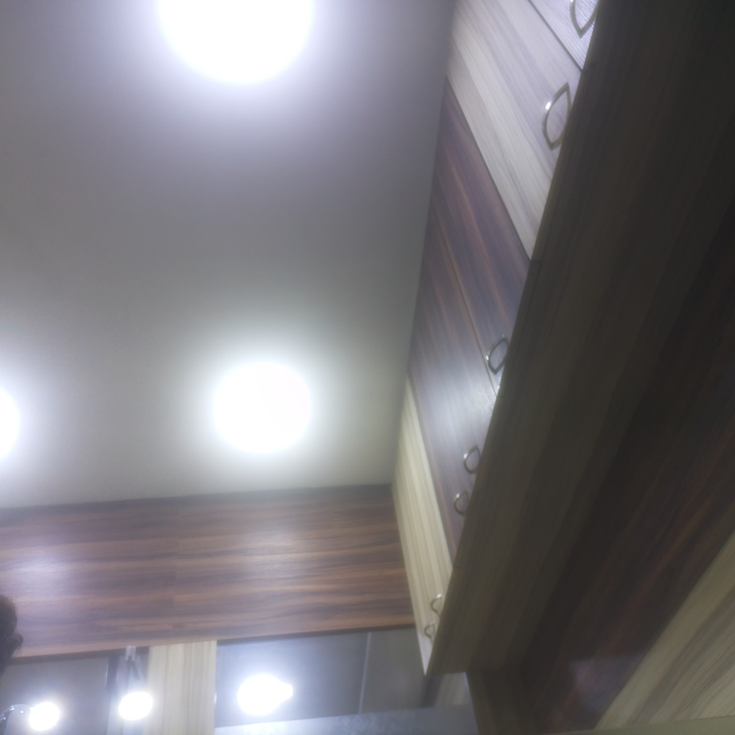 |  |  | 2.420188
2026-10-28T13:19:48.940883+00:00 | [0, 0, 1280, 1272] | TRUE | [483, 156, 967, 640] | 35.88 | male | 0.6121866107 | 4 | 20261028T131943_645790Z_dacced91 |  |  |  | 5.252608
2026-10-28T13:19:53.136083+00:00 | [0, 0, 1280, 1272] | TRUE | [457, 144, 849, 685] | 40.2 | male | 0.98515594006 | 5 | 20261028T131950_347670Z_92a81cff |  |  |  | 2.75513

