covid-19_dashboard
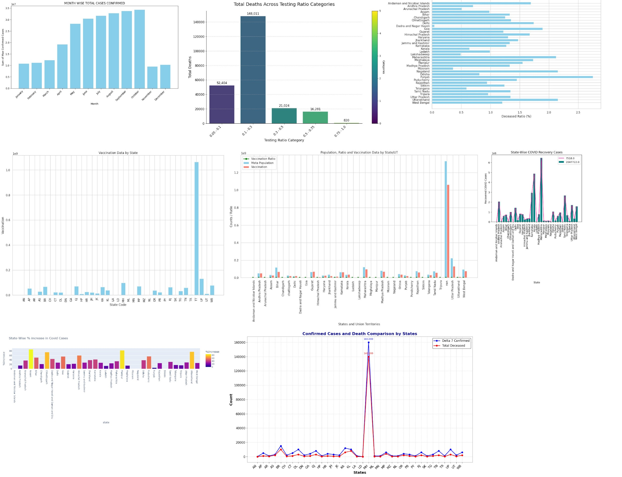
COVID-19 Dashboard

