C++
CMD | What it does:
#include | a preprocessor directive that tells the compiler to include the contents of the specified header file in the source code file
#include "" | tells the preprocessor to first search the directory where the current file is located before searching the usual path for system headers
#include <> | tells the preprocessor to search the usual location for system headers in order to find the required header
int main() | C++ needs its programs to be initialized with this
ros::init() | C++ program creates a ROS node with the specified name and establishes a connection with the ROS master node
RosbotClass rosbot; | create an object called rosbot that will have all the properties of the class RosbotClass
rosbot.move(); | allows us to move the robot forward for two seconds
rosbot.get_position( ); | this method gives us the position of the robot in x, y and z coordinates. Passing number 1 means we are asking for coordinate x, number 2 for y and number 3 for z.
ROS_INFO_STREAM(); | print a message to the console (and log it using ROS's logging system)
return 0; | is used to indicate the successful completion of the program
int a; a = 3; | integer values, for example 3
float b = 0.23; | floats can have up to 7 decimals
double c = 0.225678391734; | doubles up to 15 decimals of precision
char d[6] = "hello"; | sequences of characters that must have a fixed length
string e = "developer"; | sequences of characters but with no fixed length
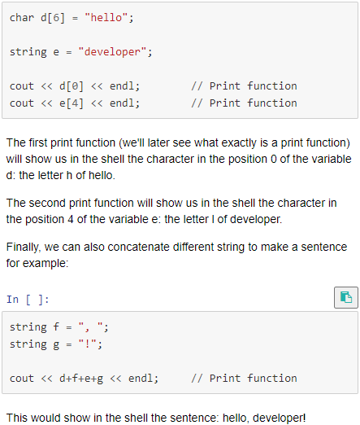 char d[6] = "hello"; string e = "developer"; cout << d[0] << endl; // Print function cout << e[4] << endl; // Print function
list<int> numbers_list({1,10,100,1000}); | list examples
list<string> vocals_list( {"a","e","i","o","u"} );
numbers_list.push_front(0); //insert in the beginning numbers_list.push_back(3000); //insert in the end
list<int> new_list({5,50,500}); numbers_list.insert(numbers_list.end(),new_list.begin(),new_list.end());
map<string,int> girls_dictionary; | Dictionaries
girls_dictionary["Dolores"] = 30; girls_dictionary["Maeve"] = 27; girls_dictionary["Theresa"] = 6; girls_dictionary["Clementine"] = 11; for (auto item : girls_dictionary) cout << item.first << " appears in " << item.second << " episodes\n";
printf (); | if we want to print an integer, we specify it with the symbol %i, if it's a float with %f, and if it's a string with %s. In the particular case of printing a string, it needs to be converted to a character by the function c_str().
cout << | OUTPUT. An object that refers to CharacterOUTput (COUT), which needs: #include <iostream>; using namespace std; and the symbol <<.
endl; | to jump a line at that point
cin >> | INPUT. An object that refers to CharacterINput (CIN), which needs: #include <iostream>; using namespace std; and the symbol <<.
getline(cin, name); | In case you want to capture more than a single word
using namespace std; | This line allows us to use all the names inside the namespace std, which: string cout cin endl
Assignment Operators

