clamps
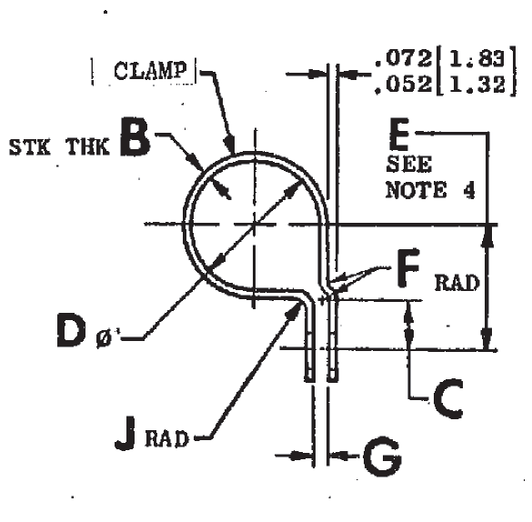
24 | PN | K | H | F | D | Comment
Clamp | 1153M27P08 | 0.625 | .290 - .33 | .44 - .46 | .31 - .39 | Clamp Tube
Clamp | 1153M64G23 | .212 - .206 | .212 - .206 | 0.185 | 1.05 | Clamp Tube
Clamp | 1154M13P05 |  |  |  |  | LR
Clamp | 11893B48 | E | C |  | D
Clamp | 1540M69P206 | 0.38 | 0.32 | .2 - .3 | 0.857
Clamp | 1540M69P304 | 0.25 | 0.325 | .2 - .30 | 0.795
Clamp | 1540M69P305
Clamp | 1540M69P306
Clamp | 1800M58P01
Clamp | 9187M73P40
Clamp | 9649M39P05
 |  | D | B | G | C
Clamp | J1220G16
Clamp | J1221G03 | 0.288 | .027 - .037 | 0.062 | 0.312
Clamp | J1221G04 | 0.35 | .027 - .037 | 0.062 | 0.312
Clamp | J1221G05 | 0.413 | .027 .037 | 0.062 | 0.312
Clamp | J1221G06 | 0.475 | .027 - .037 | 0.062 | 0.312
Clamp | J1221G08 | 0.6 | .027 - .037 | 0.062 | 0.312
Clamp | J1221G10 | 0.625 | .045 - .055 | 0.062 | 0.375
Clamp | J1221G12 | 0.85 | .045 - .055 | 0.062 | 0.375
Clamp | J1221G16 | 1.1 | .045 - .055 | 0.062 | 0.375
Clamp | J1221G18 | 1.225 | .057 - .069 | 0.094 | 0.406
Clamp | J1342P08
Clamp | MS122907
Clamp | MS9025-10

