Products
Name |  | Substrate or Product
P024 | AbsU |  |  |  | needs validation of exact pathway/substrate

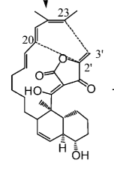
P025 | ChlL

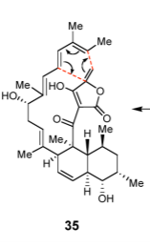
P026 | KijU |  |  | needs validation of exact annotation

P027 | LobD1 |  |  | needs validation of exact pathway/substrate
P028 | LonU2

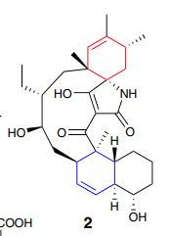
P029 | PyrI4

P030 | QmnH-C |  |  |  |  |  |  | needs validation of exact annotation
P031 | QmnH-N

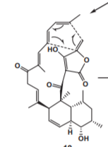
P032 | TcaU4

P033 | Tmn8 | needs validation of exact annotation | needs validation of exact pathway/substrate

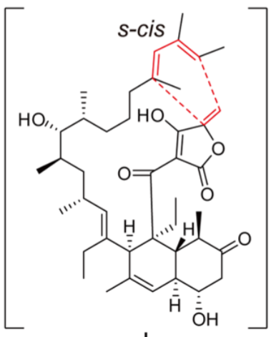
P034 | VstJ

P035 | Tsn15 | 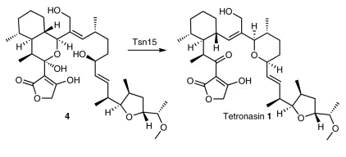 |  |  |  | no Diels-Alder cyclase -> dehydratase with pericyclic rearrangement activity

P036-P047 |  | unknown

P048 | ChlE3 | 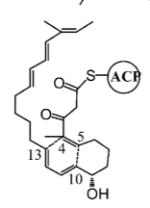 |  | needs validation of exact annotation

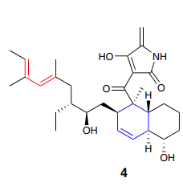
P049 | PyrE3

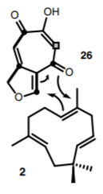
P050 | mAsR5
 |  |  |  | S1 not available
 |  |  |  | S2 available Sigma or abcr

P051 | TbtD

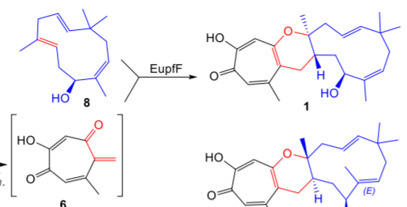
P052 | EupfF

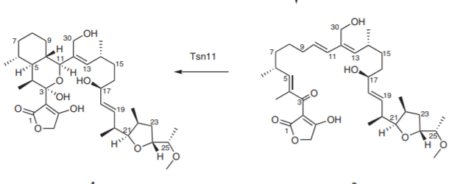
P053 | Tsn11

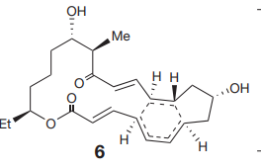
P054 | SpnF

P055 | CcsF

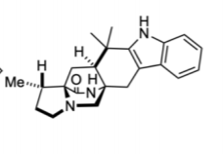
P056 | PhqE

P057 | IdmH

P058 | LobP3 |  |  | needs validation of exact pathway/substrate

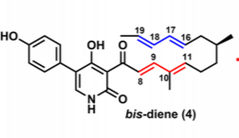
P059 | IccD

P060 | NgnD

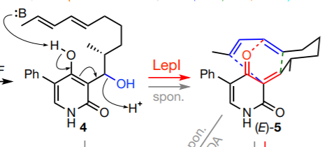
P061 | LepI

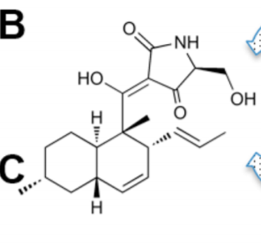
P062 | gNR600

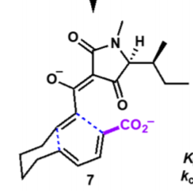
P063 | PvhB

 |  |  |  |  |  | S1 available
P064 | MPS |  |  |  |  | S2 substitute? | https://www.sigmaaldrich.com/catalog/product/aldrich/154288?lang=en&region=SE
 |  |  |  |  |  |  | lacks C2H3=O

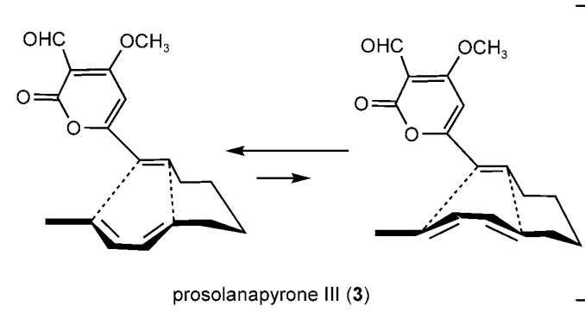
P065 | Sol5

