Manual
Procedure
 | 1 | check python is installed or not by using this command - python --version
 |  | if not installed, go install from internet

 | 2 | create a folder on your desktop
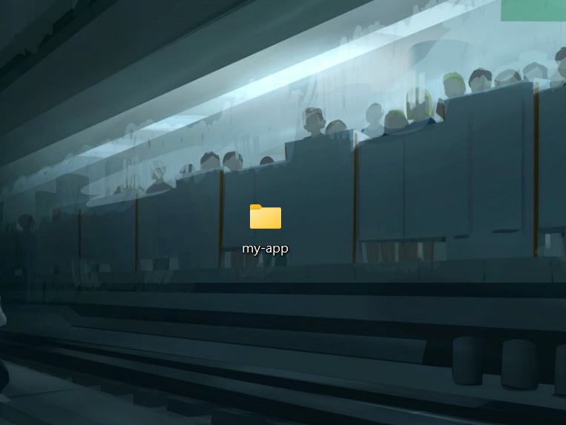

 | 3 | Go to my-app folder and copy & paste the project zip file

 | 4 | Extract the zip inside the current folder

 | 5 | Open the extracted folder with vsCode Editor
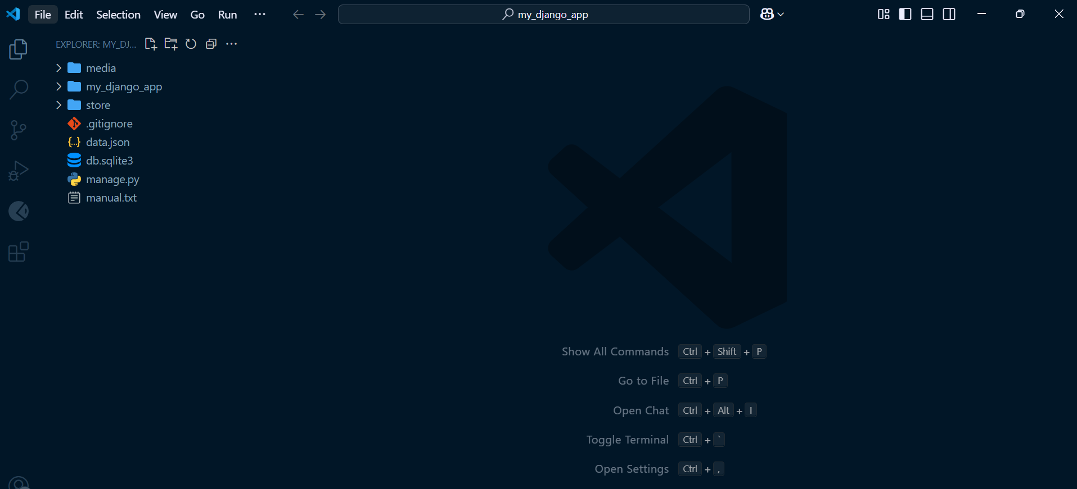

 | 6 | Open terminal by using Ctrl + ~ key and run this command
 |  |  | python -m venv venv

 | 7 | After running the command, venv folder will be added inside project folder
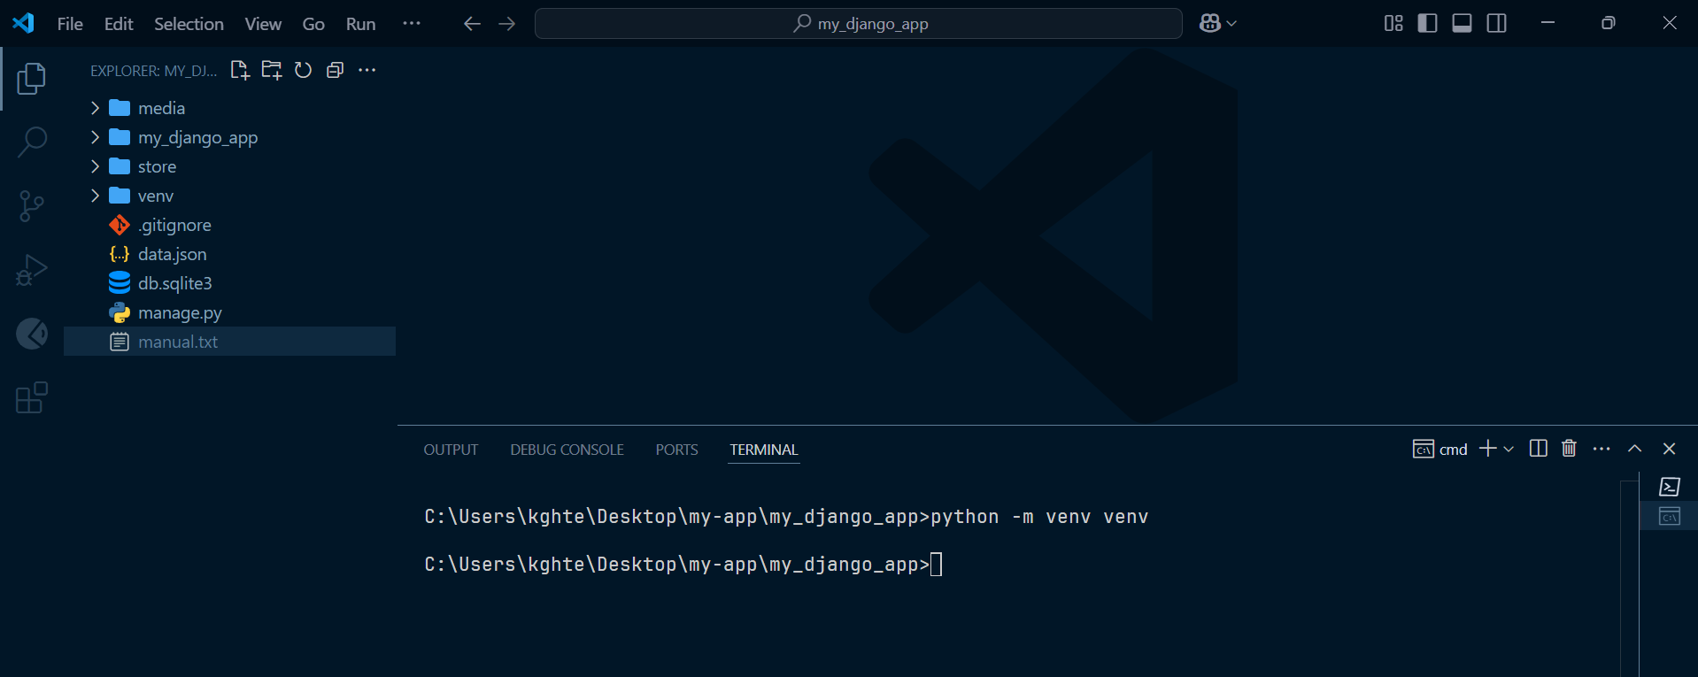

 | 8 | Activate the venv folder by running this command and (venv) will be appeared
 |  |  | venv\Scripts\activate
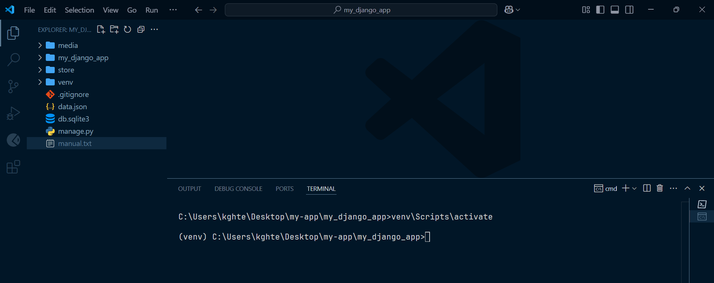

 | 9 | Install Django by using this command
 |  |  | pip install django

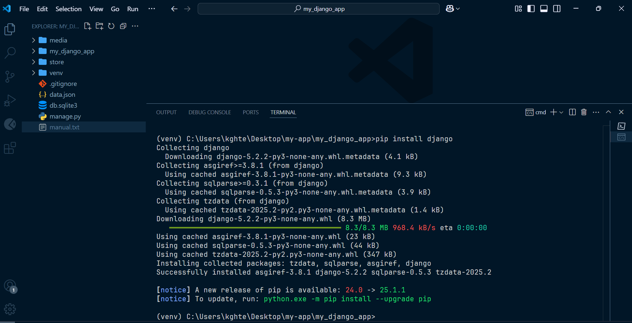

 | 10 | Since, I have prepared the sample data, we can skip the database migration steps and I will provide detail instuction in another sheet

 | 11 | Run this command
 |  |  | pip install Pillow
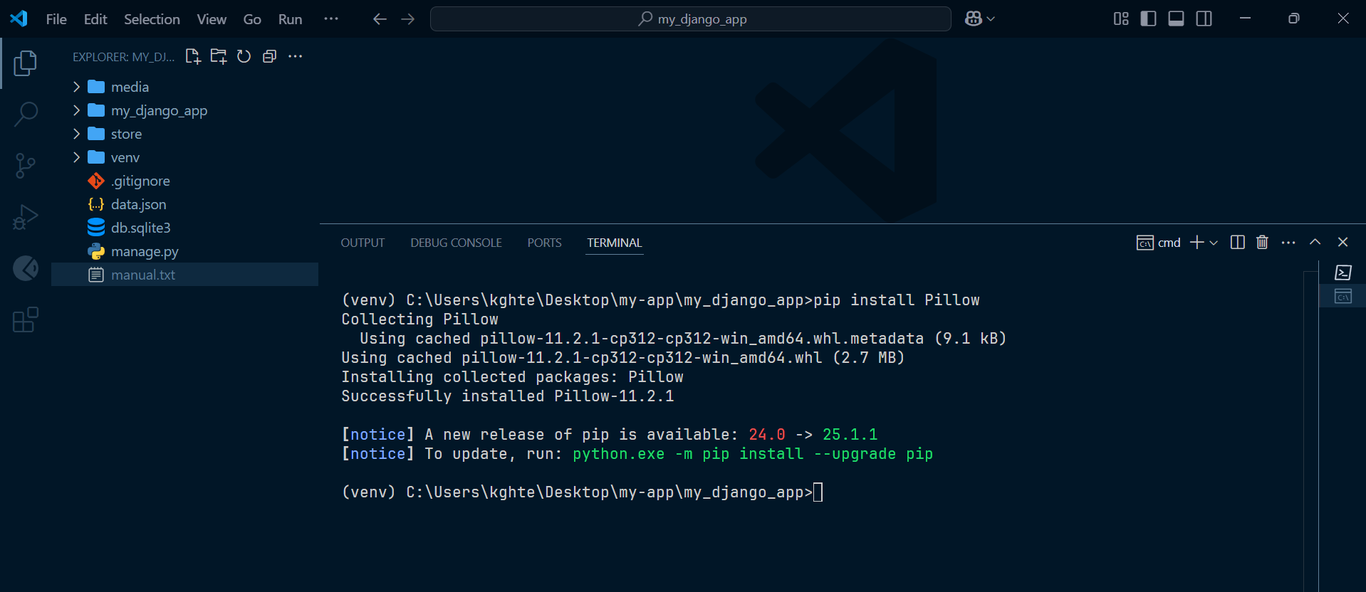

 | 12 | Run this command
 |  |  | pip install django-jazzmin

 | 13 | Run the server by running this command
 |  |  | python manage.py runserver
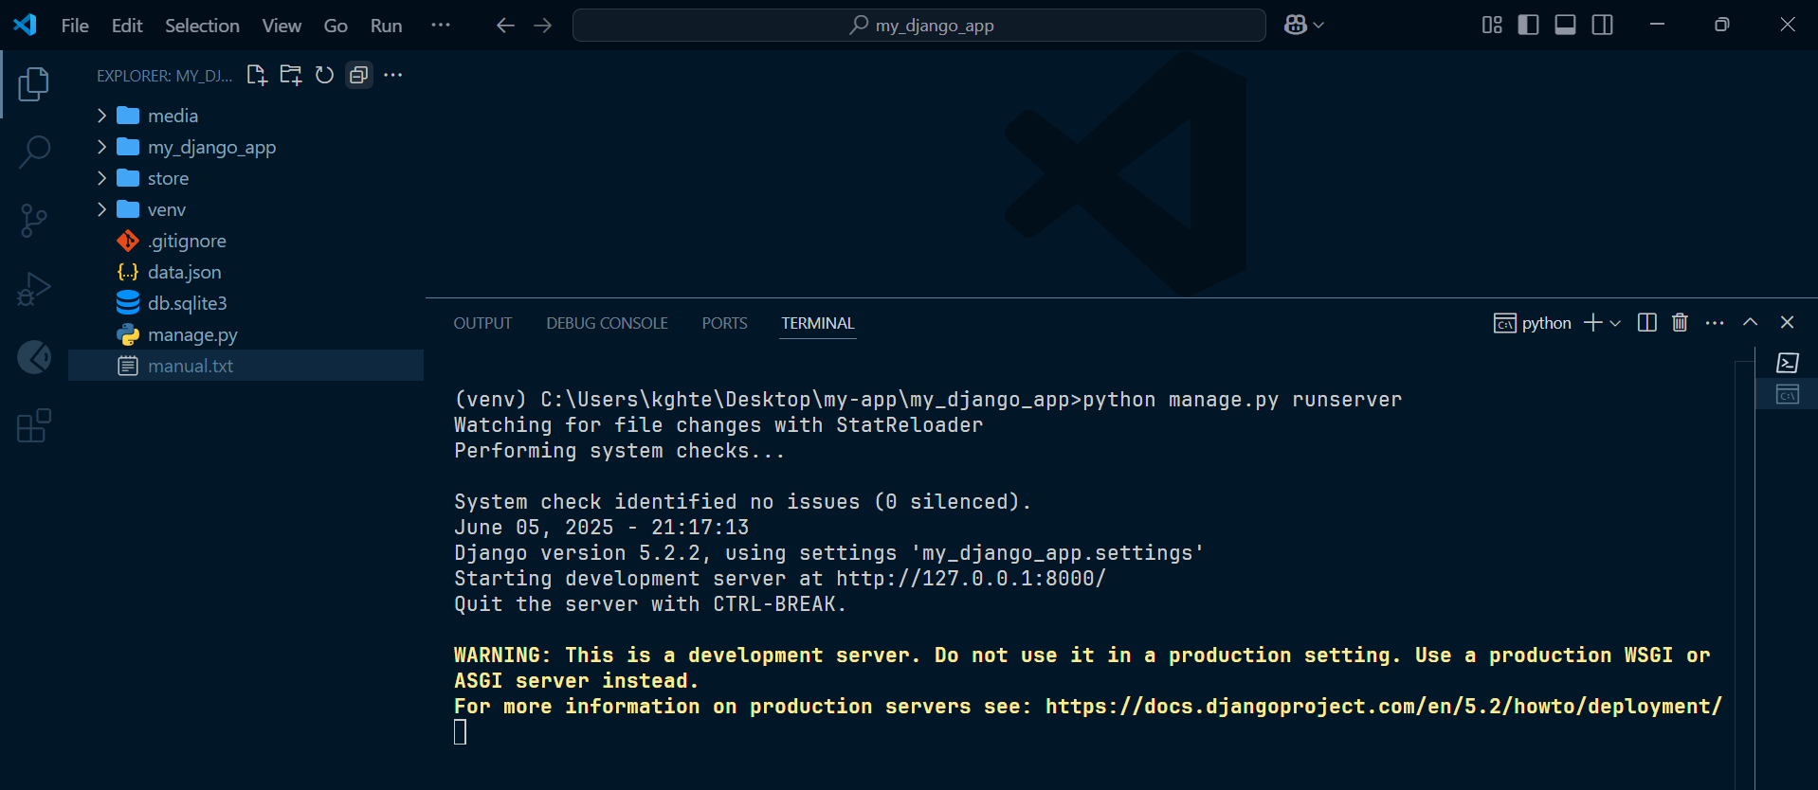

 |  |  |  | Copy and paste in browser and you are good to go!

How to install admin user
python manage.py createsuperuser
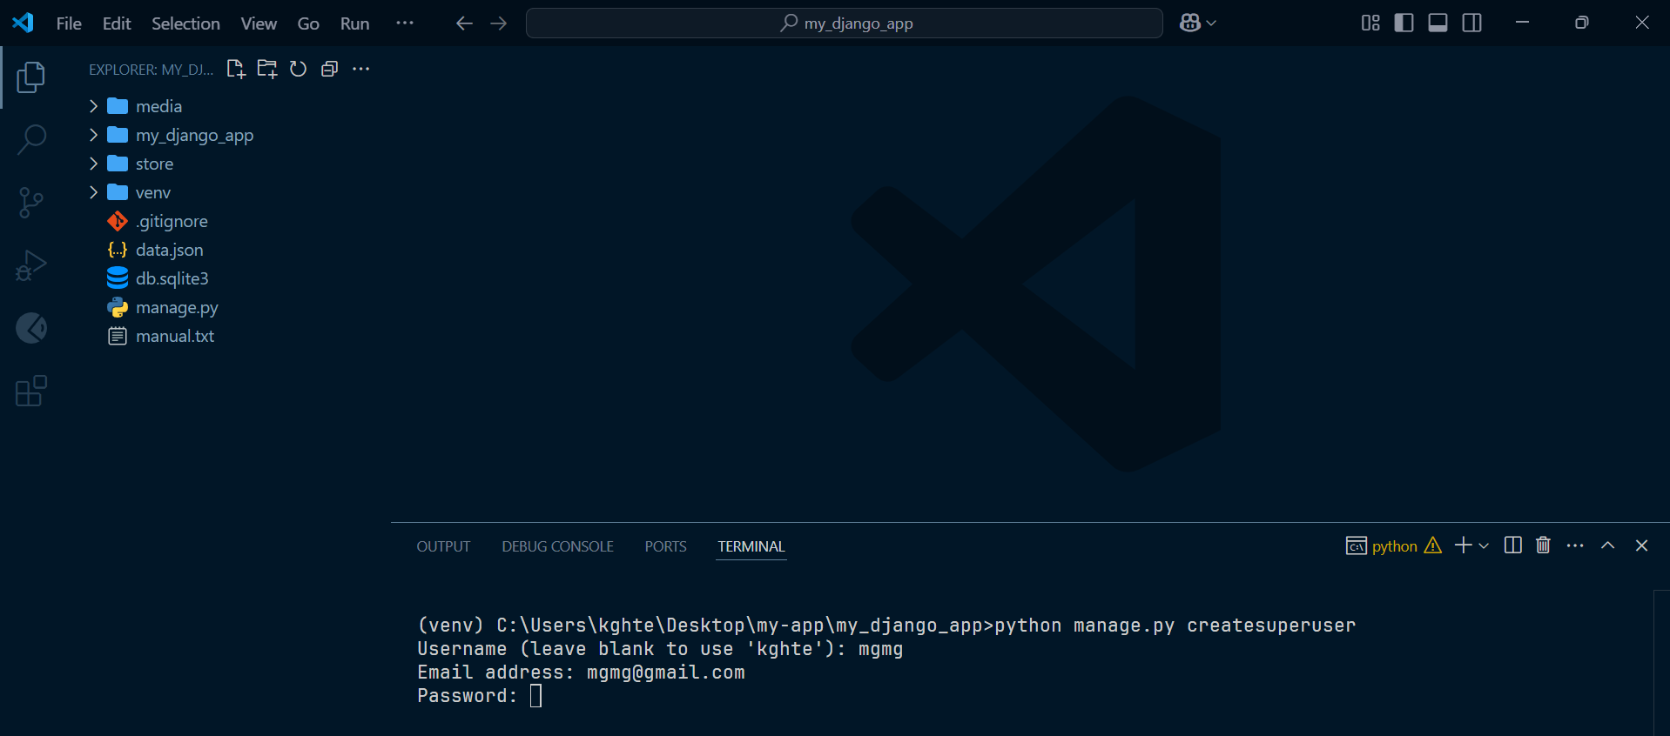

* Note | I have already created one admin acc
 | Username: admin
 | Password: admin

How to add items and categories
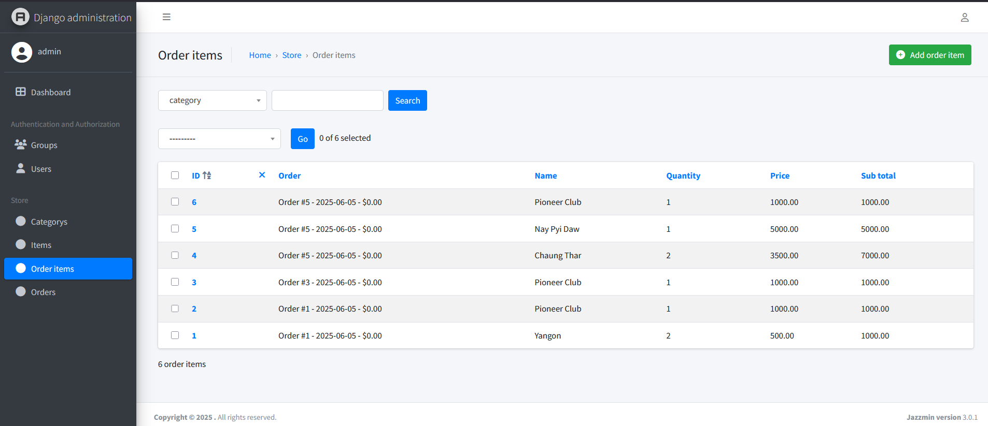
Go to the localhost:8000/admin

Login with admin account from 2nd excel sheet
You will see this admin page and now you can create, delete, update items and categories

How to reset database
If you want to create all of your data, (items, categories, etc)
you can reset the database migration and all the previous data will be clean and gone

 | Follow these steps
 | 1 | Delete db.sqlite3 file
 | 2 | Delete all the files under the folder of store/migrations -> .py files except __init__.py
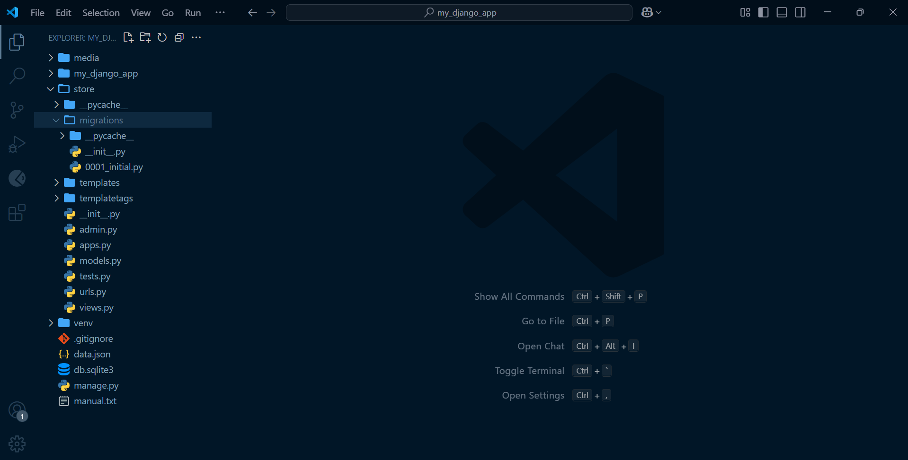

 | 3 | Run these two command
 |  |  | python manage.py makemigrations
 |  |  | python manage.py migrate

* Note | when you reset migrate, you have to go the 2nd sheet and re-create admin acc again firstly.

