Topology
T
Inet

S-4148F A
S-4148F A

10GbE
S-4148T (Mgmt)
10GbE
10GbE
10GbE
Management (VLAN 155)
Management (VLAN 155)
Management (VLAN 155)
Management (VLAN 155)

10GbE
10GbE
25GbE
StorageTraffic 2
Internet (VLAN 230)
StorageTraffic 1
25GbE
Mgmt VM
PCIe 2x25GbE
DC
PowerEdge R650 1
PowerEdge R650 2
MDT
iDRAC
OCP3 2x10GbE
Management (VLAN 155)
Windows 2022 DC

ESXi (vSphere 7)

Management ESXi Host
Subnet Mask:255.255.255.0
Gateway: 10.0.0.1

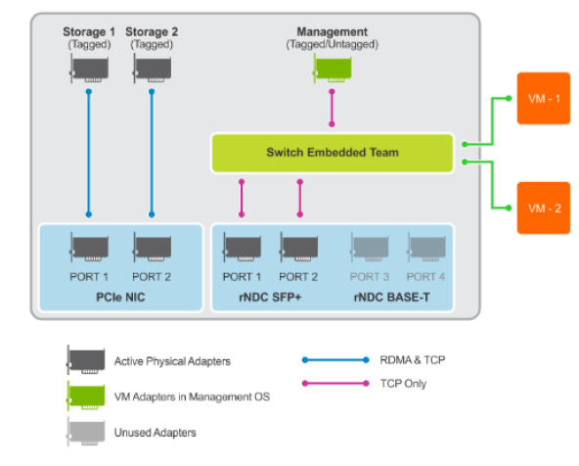

 | OCP3 Port | QLogic 2x10/25GbE QL41232HQCU
 |  | Port1 (10GbE) | Mac Address | 34:80:0D:2E:7B:B0 | TOR1 | ethernet1/1/37 |  | Integrated NIC1 Port 1-1 | 34:80:0D:2E:7B:B0
 |  | Port2 (10GbE) | Mac Address | 34:80:0D:2E:7B:B1 | TOR2 | ethernet1/1/37 |  | Integrated NIC1 Port 2-1 | 34:80:0D:2E:7B:B1

 | PCIE Slot2 | Qlogic 2x10/25GbE QL41262HxCU
 |  | Port1 (10GbE) | Mac Address | 34:80:0D:E7:7A:88 |  | connected to | 34:80:0D:E7:74:6A | SLOT 2 Port 1 | 34:80:0D:E7:7A:88 | 192.168.1.120
 |  | Port2 (10GbE) | Mac Address | 34:80:0D:E7:7A:89 |  | connected to | 34:80:0D:E7:74:6B | SLOT 2 Port 2 | 34:80:0D:E7:7A:89 | 192.168.2.120

Sizer Result
