Copper
COPPER END-USE STATISTICS1
U.S. GEOLOGICAL SURVEY
[Metric tons]
Copper end-use splits USGS
Last modification: September 1, 2005
Year | Building construction | Electrical and electronic products | Industrial machinery and equipment | Transportation equipment | Consumer and general products | Apparent consumption | sum check |  | Year | Building construction | Electrical and electronic products | Industrial machinery and equipment | Transportation equipment | Consumer and general products
1975 | 470,000 | 350,000 | 250,000 | 190,000 | 210,000 | 1,470,000 | 1,470,000 |  | 1,975 | 32% | 24% | 17% | 13% | 14% | 1 |  | Building construction includes electrical wire, plumbing and heating, air conditioning and commercial refrigeration, builders’ hardware, and architectural uses.
1976 | 610,000 | 480,000 | 310,000 | 290,000 | 230,000 | 1,920,000 | 1,920,000 |  | 1,976 | 32% | 25% | 16% | 15% | 12% | 1
1977 | 660,000 | 540,000 | 330,000 | 290,000 | 230,000 | 2,070,000 | 2,050,000 |  | 1,977 | 32% | 26% | 16% | 14% | 11% | 1 |  | Electrical and electronic products include wire and equipment for the power and telecom utilities, business electronics, and lighting and wiring devices.
1978 | 780,000 | 620,000 | 380,000 | 310,000 | 280,000 | 2,370,000 | 2,370,000 |  | 1,978 | 33% | 26% | 16% | 13% | 12% | 1
1979 | 780,000 | 660,000 | 390,000 | 320,000 | 290,000 | 2,430,000 | 2,440,000 |  | 1,979 | 32% | 27% | 16% | 13% | 12% | 1 |  | Industrial machinery and equipment includes in-plant equipment, industrial valves and fittings, nonelectrical instruments, off-highway vehicles, and heat exchangers.
1980 | 700,000 | 610,000 | 370,000 | 240,000 | 260,000 | 2,180,000 | 2,180,000 |  | 1,980 | 32% | 28% | 17% | 11% | 12% | 1
1981 | 730,000 | 640,000 | 390,000 | 250,000 | 270,000 | 2,270,000 | 2,280,000 |  | 1,981 | 32% | 28% | 17% | 11% | 12% | 1 |  | Transportation equipment includes road (cars, trucks, and buses), rail, marine, and air and space vehicles.
1982 | 600,000 | 490,000 | 280,000 | 190,000 | 210,000 | 1,760,000 | 1,770,000 |  | 1,982 | 34% | 28% | 16% | 11% | 12% | 1
1983 | 740,000 | 500,000 | 300,000 | 240,000 | 200,000 | 2,010,000 | 1,980,000 |  | 1,983 | 37% | 25% | 15% | 12% | 10% | 1 |  | Consumer and general products includes appliances, cord sets, military ordnance and commercial ammunition, consumer electronics, fasteners and closures, coinage, utensils and cutlery, and miscellaneous products.
1984 | 780,000 | 530,000 | 300,000 | 280,000 | 230,000 | 2,120,000 | 2,120,000 |  | 1,984 | 37% | 25% | 14% | 13% | 11% | 1
1985 | 860,000 | 490,000 | 300,000 | 280,000 | 210,000 | 2,140,000 | 2,140,000 |  | 1,985 | 40% | 23% | 14% | 13% | 10% | 1
1986 | 880,000 | 490,000 | 300,000 | 260,000 | 190,000 | 2,140,000 | 2,120,000 |  | 1,986 | 42% | 23% | 14% | 12% | 9% | 1
1987 | 950,000 | 510,000 | 290,000 | 240,000 | 200,000 | 2,200,000 | 2,190,000 |  | 1,987 | 43% | 23% | 13% | 11% | 9% | 1
1988 | 910,000 | 510,000 | 310,000 | 270,000 | 220,000 | 2,210,000 | 2,220,000 |  | 1,988 | 41% | 23% | 14% | 12% | 10% | 1
1989 | 890,000 | 500,000 | 310,000 | 260,000 | 220,000 | 2,180,000 | 2,180,000 |  | 1,989 | 41% | 23% | 14% | 12% | 10% | 1
1990 | 870,000 | 540,000 | 300,000 | 260,000 | 220,000 | 2,170,000 | 2,190,000 |  | 1,990 | 40% | 25% | 14% | 12% | 10% | 1
1991 | 880,000 | 500,000 | 270,000 | 230,000 | 210,000 | 2,090,000 | 2,090,000 |  | 1,991 | 42% | 24% | 13% | 11% | 10% | 1
1992 | 950,000 | 580,000 | 300,000 | 280,000 | 230,000 | 2,310,000 | 2,340,000 |  | 1,992 | 41% | 25% | 13% | 12% | 10% | 1
1993 | 1,030,000 | 650,000 | 300,000 | 330,000 | 230,000 | 2,510,000 | 2,540,000 |  | 1,993 | 41% | 26% | 12% | 13% | 9% | 1
1994 | 1,100,000 | 670,000 | 320,000 | 320,000 | 270,000 | 2,680,000 | 2,680,000 |  | 1,994 | 41% | 25% | 12% | 12% | 10% | 1
1995 | 1,040,000 | 660,000 | 300,000 | 280,000 | 250,000 | 2,540,000 | 2,530,000 |  | 1,995 | 41% | 26% | 12% | 11% | 10% | 1
1996 | 1,160,000 | 740,000 | 340,000 | 310,000 | 280,000 | 2,830,000 | 2,830,000 |  | 1,996 | 41% | 26% | 12% | 11% | 10% | 1
1997 | 1,230,000 | 760,000 | 350,000 | 320,000 | 290,000 | 2,940,000 | 2,950,000 |  | 1,997 | 42% | 26% | 12% | 11% | 10% | 1
1998 | 1,270,000 | 820,000 | 330,000 | 300,000 | 300,000 | 3,030,000 | 3,020,000 |  | 1,998 | 42% | 27% | 11% | 10% | 10% | 1
1999 | 1,350,000 | 810,000 | 340,000 | 310,000 | 310,000 | 3,130,000 | 3,120,000 |  | 1,999 | 43% | 26% | 11% | 10% | 10% | 1
2000 | 1,300,000 | 830,000 | 310,000 | 310,000 | 370,000 | 3,090,000 | 3,120,000 |  | 2,000 | 42% | 27% | 10% | 10% | 12% | 1
2001 | 1,150,000 | 650,000 | 230,000 | 230,000 | 250,000 | 2,510,000 | 2,510,000 |  | 2,001 | 46% | 26% | 9% | 9% | 10% | 1
2002 | 1,250,000 | 570,000 | 260,000 | 260,000 | 260,000 | 2,610,000 | 2,600,000 |  | 2,002 | 48% | 22% | 10% | 10% | 10% | 1
2003 | 1,170,000 | 510,000 | 240,000 | 240,000 | 270,000 | 2,430,000 | 2,430,000 |  | 2,003 | 48% | 21% | 10% | 10% | 11% | 1
1Compiled by G.R. Matos and D.L. Edelstein.

Data from Comtrade stage 4 (final products) net trade KILOGRAMS/YEAR
 | 1963 | 1964 | 1965 | 1966 | 1967 | 1968 | 1969 | 1970 | 1971 | 1972 | 1973 | 1974 | 1975 | 1976 | 1977 | 1978 | 1979 | 1980 | 1981 | 1982 | 1983 | 1984 | 1985 | 1986 | 1987 | 1988 | 1989 | 1990 | 1991 | 1992 | 1993 | 1994 | 1995 | 1996 | 1997 | 1998 | 1999 | 2000 | 2001 | 2002 | 2003 | 2004 | 2005 | 2006 | 2007 | 2008 | 2009 | 2010 | 2011 | 2012 | 2013 | 2014 | 2015 | 2016 | 2017 | 2018
Building construction | -4,437,709 | -4,995,599 | -5,622,694 | -6,939,684 | -6,836,092 | -7,160,998 | -6,329,821 | -6,537,507 | -6,197,863 | -5,396,258 | -5,534,316 | -7,515,259 | -7,707,530 | -7,479,044 | -7,503,444 | -9,306,256 | -7,604,900 | -7,070,148 | -7,963,275 | 44,962,664 | 618,582 | 5,178,747 | 10,150,215 | 11,926,017 | 12,562,377 | 9,496,386 | 6,332,049 | 3,166,124 | 2,181,935 | 3,101,866 | 4,304,363 | 5,416,512 | 4,634,045 | 11,810,496 | 4,032,337 | 5,925,851 | 15,631,356 | 21,987,010 | 25,691,795 | 34,168,893 | 35,798,003 | 35,028,046 | 37,616,981 | 43,887,092 | 51,114,900 | 49,230,145 | 35,578,679 | 46,231,887 | 46,391,221 | 46,359,623 | 48,394,107 | 53,177,493 | 72,886,379 | 51,097,673 | 52,356,736 | 66,003,274
Consumer and general products | -1,670,498 | 1,486,469 | 2,658,909 | 882,138 | 931,025 | 1,166,393 | 1,699,443 | 2,457,646 | 1,963,538 | 2,752,151 | 1,085,147 | -631,822 | -699,160 | -1,005,674 | -873,253 | 429,608 | 3,039,326 | 3,115,357 | 11,819,584 | 11,665,041 | 19,143,246 | 24,388,906 | 24,736,805 | 28,495,495 | 31,962,963 | 25,781,863 | 23,266,321 | 17,776,231 | 12,527,827 | 13,515,379 | 12,944,306 | 14,703,979 | 14,409,920 | 13,526,133 | 14,809,264 | 17,501,607 | 20,375,887 | 17,334,335 | 22,986,959 | 32,337,367 | 35,604,410 | 40,175,512 | 46,690,801 | 58,705,651 | 53,445,813 | 49,155,675 | 43,740,230 | 54,294,985 | 55,341,171 | 55,449,669 | 61,292,697 | 62,685,648 | 70,738,096 | 80,003,140 | 12,105,813 | 10,460,731
Electrical and electronic products | -19,500,132 | -23,253,964 | -23,679,505 | -19,725,498 | -19,718,730 | -16,725,358 | -15,115,460 | -15,753,926 | -13,793,965 | -8,286,642 | -9,069,239 | -20,574,502 | -29,290,411 | -25,282,935 | -19,697,365 | -7,317,489 | 3,827,033 | -28,330,175 | -12,705,968 | -14,691,715 | 307,121 | 40,748,394 | 70,284,412 | 104,771,109 | 81,557,322 | 78,713,555 | 55,526,739 | 36,253,778 | 34,010,560 | 45,836,320 | 60,075,759 | 77,197,632 | 85,896,271 | 102,322,921 | 100,869,121 | 114,977,866 | 211,159,966 | 228,246,335 | 220,539,558 | 285,141,686 | 274,433,933 | 278,462,071 | 308,142,781 | 332,630,447 | 173,138,893 | 232,941,253 | 212,443,828 | 236,405,524 | 180,321,460 | 201,103,269 | 182,066,217 | 178,050,812 | 192,072,238 | -68,207,831 | -111,389,034 | 182,819,001
Industrial machinery and equipment | -407,966 | -433,772 | -413,215 | -351,666 | -308,841 | -292,933 | -326,512 | -323,471 | -205,236 | -156,618 | -97,563 | -388,759 | -366,601 | -342,549 | -350,060 | -766,855 | -318,938 | -341,652 | -433,414 | -32,022 | -232,485 | -87,594 | -308,867 | -214,540 | -316,802 | -614,329 | 43,787 | -82,041 | -204,055 | -76,074 | -101,111 | -80,072 | -84,831 | -108,167 | -169,013 | -168,027 | -65,934 | -435,884 | -526,306 | -273,490 | 61,220 | -16,740 | 159,208 | 105,104 | 707,993 | 467,049 | 803,018 | 1,369,453 | 2,542,828 | 2,575,392 | 3,333,186 | 10,148,470 | 5,226,042 | 472,601 | -872,897 | 1,068,043
Transportation equipment | -8,141,786 | -7,751,811 | -8,193,823 | -2,815,527 | -466,285 | 8,730,419 | 11,173,243 | 15,311,979 | 24,978,070 | 25,227,840 | 17,106,541 | 12,772,452 | 3,220,501 | 11,204,339 | 19,284,226 | 37,035,675 | 32,939,742 | 39,536,428 | 34,522,547 | 33,623,786 | 48,091,325 | 61,457,110 | 80,688,621 | 88,379,496 | 85,916,047 | 84,659,481 | 79,204,394 | 59,979,290 | 52,932,941 | 51,243,490 | 68,033,696 | 79,832,034 | 80,788,626 | 88,257,160 | 109,968,313 | 117,060,631 | 168,783,544 | 147,213,155 | 133,030,361 | 166,343,477 | 146,418,769 | 138,857,152 | 131,242,755 | 147,318,257 | 150,038,015 | 113,406,315 | 75,337,324 | 97,897,455 | 93,952,409 | 133,848,460 | 150,029,304 | 142,850,415 | 171,047,912 | 155,791,455 | 140,318,678 | 174,434,424

 | 1963 | 1964 | 1965 | 1966 | 1967 | 1968 | 1969 | 1970 | 1971 | 1972 | 1973 | 1974 | 1975 | 1976 | 1977 | 1978 | 1979 | 1980 | 1981 | 1982 | 1983 | 1984 | 1985 | 1986 | 1987 | 1988 | 1989 | 1990 | 1991 | 1992 | 1993 | 1994 | 1995 | 1996 | 1997 | 1998 | 1999 | 2000 | 2001 | 2002 | 2003 | 2004 | 2005 | 2006 | 2007 | 2008 | 2009 | 2010 | 2011 | 2012 | 2013 | 2014 | 2015 | 2016 | 2017 | 2018
Building construction | -4,437,709 | -4,995,599 | -5,622,694 | -6,939,684 | -6,836,092 | -7,160,998 | -6,329,821 | -6,537,507 | -6,197,863 | -5,396,258 | -5,534,316 | -7,515,259 | -7,707,530 | -7,479,044 | -7,503,444 | -9,306,256 | -7,604,900 | -7,070,148 | -7,963,275 | 44,962,664 | 618,582 | 5,178,747 | 10,150,215 | 11,926,017 | 12,562,377 | 9,496,386 | 6,332,049 | 3,166,124 | 2,181,935 | 3,101,866 | 4,304,363 | 5,416,512 | 4,634,045 | 11,810,496 | 4,032,337 | 5,925,851 | 15,631,356 | 21,987,010 | 25,691,795 | 34,168,893 | 35,798,003 | 35,028,046 | 37,616,981 | 43,887,092 | 51,114,900 | 49,230,145 | 35,578,679 | 46,231,887 | 46,391,221 | 46,359,623 | 48,394,107 | 53,177,493 | 72,886,379 | 51,097,673 | 52,356,736 | 66,003,274
Consumer and general products | -1,670,498 | 1,486,469 | 2,658,909 | 882,138 | 931,025 | 1,166,393 | 1,699,443 | 2,457,646 | 1,963,538 | 2,752,151 | 1,085,147 | -631,822 | -699,160 | -1,005,674 | -873,253 | 429,608 | 3,039,326 | 3,115,357 | 11,819,584 | 11,665,041 | 19,143,246 | 24,388,906 | 24,736,805 | 28,495,495 | 31,962,963 | 25,781,863 | 23,266,321 | 17,776,231 | 12,527,827 | 13,515,379 | 12,944,306 | 14,703,979 | 14,409,920 | 13,526,133 | 14,809,264 | 17,501,607 | 20,375,887 | 17,334,335 | 22,986,959 | 32,337,367 | 35,604,410 | 40,175,512 | 46,690,801 | 58,705,651 | 53,445,813 | 49,155,675 | 43,740,230 | 54,294,985 | 55,341,171 | 55,449,669 | 61,292,697 | 62,685,648 | 70,738,096 | 80,003,140 | 12,105,813 | 10,460,731
Electrical and electronic products | -19,500,132 | -23,253,964 | -23,679,505 | -19,725,498 | -19,718,730 | -16,725,358 | -15,115,460 | -15,753,926 | -13,793,965 | -8,286,642 | -9,069,239 | -20,574,502 | -29,290,411 | -25,282,935 | -19,697,365 | -7,317,489 | 3,827,033 | -28,330,175 | -12,705,968 | -14,691,715 | 307,121 | 40,748,394 | 70,284,412 | 104,771,109 | 81,557,322 | 78,713,555 | 55,526,739 | 36,253,778 | 34,010,560 | 45,836,320 | 60,075,759 | 77,197,632 | 85,896,271 | 102,322,921 | 100,869,121 | 114,977,866 | 211,159,966 | 228,246,335 | 220,539,558 | 285,141,686 | 274,433,933 | 278,462,071 | 308,142,781 | 332,630,447 | 173,138,893 | 232,941,253 | 212,443,828 | 236,405,524 | 180,321,460 | 201,103,269 | 182,066,217 | 178,050,812 | 192,072,238 | -68,207,831 | -111,389,034 | 182,819,001
Industrial machinery and equipment | -407,966 | -433,772 | -413,215 | -351,666 | -308,841 | -292,933 | -326,512 | -323,471 | -205,236 | -156,618 | -97,563 | -388,759 | -366,601 | -342,549 | -350,060 | -766,855 | -318,938 | -341,652 | -433,414 | -32,022 | -232,485 | -87,594 | -308,867 | -214,540 | -316,802 | -614,329 | 43,787 | -82,041 | -204,055 | -76,074 | -101,111 | -80,072 | -84,831 | -108,167 | -169,013 | -168,027 | -65,934 | -435,884 | -526,306 | -273,490 | 61,220 | -16,740 | 159,208 | 105,104 | 707,993 | 467,049 | 803,018 | 1,369,453 | 2,542,828 | 2,575,392 | 3,333,186 | 10,148,470 | 5,226,042 | 472,601 | -872,897 | 1,068,043
Transportation equipment | -8,141,786 | -7,751,811 | -8,193,823 | -2,815,527 | -466,285 | 8,730,419 | 11,173,243 | 15,311,979 | 24,978,070 | 25,227,840 | 17,106,541 | 12,772,452 | 3,220,501 | 11,204,339 | 19,284,226 | 37,035,675 | 32,939,742 | 39,536,428 | 34,522,547 | 33,623,786 | 48,091,325 | 61,457,110 | 80,688,621 | 88,379,496 | 85,916,047 | 84,659,481 | 79,204,394 | 59,979,290 | 52,932,941 | 51,243,490 | 68,033,696 | 79,832,034 | 80,788,626 | 88,257,160 | 109,968,313 | 117,060,631 | 168,783,544 | 147,213,155 | 133,030,361 | 166,343,477 | 146,418,769 | 138,857,152 | 131,242,755 | 147,318,257 | 150,038,015 | 113,406,315 | 75,337,324 | 97,897,455 | 93,952,409 | 133,848,460 | 150,029,304 | 142,850,415 | 171,047,912 | 155,791,455 | 140,318,678 | 174,434,424

transposed

Trade in final products (from manipulated Comtrade USA data) - PRELIMINARY kilograms
 | Building construction | Consumer and general products | Electrical and electronic products | Industrial machinery and equipment | Transportation equipment
1963 | -4,437,709 | -1,670,498 | -19,500,132 | -407,966 | -8,141,786 |  | Apparent consummption USGS primary (wo finals) + trade in finals |  |  |  |  |  |  |  |  |  | SHARES: Apparent consummption USGS primary (wo finals) + trade in finals
1964 | -4,995,599 | 1,486,469 | -23,253,964 | -433,772 | -7,751,811 |  |  | unit: | tons
1965 | -5,622,694 | 2,658,909 | -23,679,505 | -413,215 | -8,193,823 |  |  | Building construction USGS+Trade | Electrical and electronic products USGS+Trade | Industrial machinery and equipment USGS+Trade | Transportation equipment USGS+Trade | Consumer and general products USGS+Trade | sum | comp original |  |  | Building construction USGS+Trade | Electrical and electronic products USGS+Trade | Industrial machinery and equipment USGS+Trade | Transportation equipment USGS+Trade | Consumer and general products USGS+Trade
1966 | -6,939,684 | 882,138 | -19,725,498 | -351,666 | -2,815,527 |  | 1975 | 462,292 | 320,709.59 | 249,633.40 | 193,220.50 | 209,300.84 | 1,435,157 | 98% |  | 1975 | 32% | 22% | 17% | 13% | 15% | 100%
1967 | -6,836,092 | 931,025 | -19,718,730 | -308,841 | -466,285 |  | 1976 | 602,521 | 454,717.07 | 309,657.45 | 301,204.34 | 228,994.33 | 1,897,094 | 99% |  | 1976 | 32% | 24% | 16% | 16% | 12% | 100%
1968 | -7,160,998 | 1,166,393 | -16,725,358 | -292,933 | 8,730,419 |  | 1977 | 652,497 | 520,302.63 | 329,649.94 | 309,284.23 | 229,126.75 | 2,040,860 | 100% |  | 1977 | 32% | 25% | 16% | 15% | 11% | 100%
1969 | -6,329,821 | 1,699,443 | -15,115,460 | -326,512 | 11,173,243 |  | 1978 | 770,694 | 612,682.51 | 379,233.14 | 347,035.68 | 280,429.61 | 2,390,075 | 101% |  | 1978 | 32% | 26% | 16% | 15% | 12% | 100%
1970 | -6,537,507 | 2,457,646 | -15,753,926 | -323,471 | 15,311,979 |  | 1979 | 772,395 | 663,827.03 | 389,681.06 | 352,939.74 | 293,039.33 | 2,471,882 | 101% |  | 1979 | 31% | 27% | 16% | 14% | 12% | 100%
1971 | -6,197,863 | 1,963,538 | -13,793,965 | -205,236 | 24,978,070 |  | 1980 | 692,930 | 581,669.83 | 369,658.35 | 279,536.43 | 263,115.36 | 2,186,910 | 100% |  | 1980 | 32% | 27% | 17% | 13% | 12% | 100%
1972 | -5,396,258 | 2,752,151 | -8,286,642 | -156,618 | 25,227,840 |  | 1981 | 722,037 | 627,294.03 | 389,566.59 | 284,522.55 | 281,819.58 | 2,305,239 | 101% |  | 1981 | 31% | 27% | 17% | 12% | 12% | 100%
1973 | -5,534,316 | 1,085,147 | -9,069,239 | -97,563 | 17,106,541 |  | 1982 | 644,963 | 475,308.29 | 279,967.98 | 223,623.79 | 221,665.04 | 1,845,528 | 104% |  | 1982 | 35% | 26% | 15% | 12% | 12% | 100%
1974 | -7,515,259 | -631,822 | -20,574,502 | -388,759 | 12,772,452 |  | 1983 | 740,619 | 500,307.12 | 299,767.52 | 288,091.32 | 219,143.25 | 2,047,928 | 103% |  | 1983 | 36% | 24% | 15% | 14% | 11% | 100%
1975 | -7,707,530 | -699,160 | -29,290,411 | -366,601 | 3,220,501 |  | 1984 | 785,179 | 570,748.39 | 299,912.41 | 341,457.11 | 254,388.91 | 2,251,686 | 106% |  | 1984 | 35% | 25% | 13% | 15% | 11% | 100%
1976 | -7,479,044 | -1,005,674 | -25,282,935 | -342,549 | 11,204,339 |  | 1985 | 870,150 | 560,284.41 | 299,691.13 | 360,688.62 | 234,736.81 | 2,325,551 | 109% |  | 1985 | 37% | 24% | 13% | 16% | 10% | 100%
1977 | -7,503,444 | -873,253 | -19,697,365 | -350,060 | 19,284,226 |  | 1986 | 891,926 | 594,771.11 | 299,785.46 | 348,379.50 | 218,495.49 | 2,353,358 | 111% |  | 1986 | 38% | 25% | 13% | 15% | 9% | 100%
1978 | -9,306,256 | 429,608 | -7,317,489 | -766,855 | 37,035,675 |  | 1987 | 962,562 | 591,557.32 | 289,683.20 | 325,916.05 | 231,962.96 | 2,401,682 | 110% |  | 1987 | 40% | 25% | 12% | 14% | 10% | 100%
1979 | -7,604,900 | 3,039,326 | 3,827,033 | -318,938 | 32,939,742 |  | 1988 | 919,496 | 588,713.55 | 309,385.67 | 354,659.48 | 245,781.86 | 2,418,037 | 109% |  | 1988 | 38% | 24% | 13% | 15% | 10% | 100%
1980 | -7,070,148 | 3,115,357 | -28,330,175 | -341,652 | 39,536,428 |  | 1989 | 896,332 | 555,526.74 | 310,043.79 | 339,204.39 | 243,266.32 | 2,344,373 | 108% |  | 1989 | 38% | 24% | 13% | 14% | 10% | 100%
1981 | -7,963,275 | 11,819,584 | -12,705,968 | -433,414 | 34,522,547 |  | 1990 | 873,166 | 576,253.78 | 299,917.96 | 319,979.29 | 237,776.23 | 2,307,093 | 105% |  | 1990 | 38% | 25% | 13% | 14% | 10% | 100%
1982 | 44,962,664 | 11,665,041 | -14,691,715 | -32,022 | 33,623,786 |  | 1991 | 882,182 | 534,010.56 | 269,795.94 | 282,932.94 | 222,527.83 | 2,191,449 | 105% |  | 1991 | 40% | 24% | 12% | 13% | 10% | 100%
1983 | 618,582 | 19,143,246 | 307,121 | -232,485 | 48,091,325 |  | 1992 | 953,102 | 625,836.32 | 299,923.93 | 331,243.49 | 243,515.38 | 2,453,621 | 105% |  | 1992 | 39% | 26% | 12% | 14% | 10% | 100%
1984 | 5,178,747 | 24,388,906 | 40,748,394 | -87,594 | 61,457,110 |  | 1993 | 1,034,304 | 710,075.76 | 299,898.89 | 398,033.70 | 242,944.31 | 2,685,257 | 106% |  | 1993 | 39% | 26% | 11% | 15% | 9% | 100%
1985 | 10,150,215 | 24,736,805 | 70,284,412 | -308,867 | 80,688,621 |  | 1994 | 1,105,417 | 747,197.63 | 319,919.93 | 399,832.03 | 284,703.98 | 2,857,070 | 107% |  | 1994 | 39% | 26% | 11% | 14% | 10% | 100%
1986 | 11,926,017 | 28,495,495 | 104,771,109 | -214,540 | 88,379,496 |  | 1995 | 1,044,634 | 745,896.27 | 299,915.17 | 360,788.63 | 264,409.92 | 2,715,644 | 107% |  | 1995 | 38% | 27% | 11% | 13% | 10% | 100%
1987 | 12,562,377 | 31,962,963 | 81,557,322 | -316,802 | 85,916,047 |  | 1996 | 1,171,810 | 842,322.92 | 339,891.83 | 398,257.16 | 293,526.13 | 3,045,809 | 108% |  | 1996 | 38% | 28% | 11% | 13% | 10% | 100%
1988 | 9,496,386 | 25,781,863 | 78,713,555 | -614,329 | 84,659,481 |  | 1997 | 1,234,032 | 860,869.12 | 349,830.99 | 429,968.31 | 304,809.26 | 3,179,510 | 108% |  | 1997 | 39% | 27% | 11% | 14% | 10% | 100%
1989 | 6,332,049 | 23,266,321 | 55,526,739 | 43,787 | 79,204,394 |  | 1998 | 1,275,926 | 934,977.87 | 329,831.97 | 417,060.63 | 317,501.61 | 3,275,298 | 108% |  | 1998 | 39% | 29% | 10% | 13% | 10% | 100%
1990 | 3,166,124 | 17,776,231 | 36,253,778 | -82,041 | 59,979,290 |  | 1999 | 1,365,631 | 1,021,159.97 | 339,934.07 | 478,783.54 | 330,375.89 | 3,535,885 | 113% |  | 1999 | 39% | 29% | 10% | 14% | 9% | 100%
1991 | 2,181,935 | 12,527,827 | 34,010,560 | -204,055 | 52,932,941 |  | 2000 | 1,321,987 | 1,058,246.34 | 309,564.12 | 457,213.16 | 387,334.34 | 3,534,345 | 113% |  | 2000 | 37% | 30% | 9% | 13% | 11% | 100%
1992 | 3,101,866 | 13,515,379 | 45,836,320 | -76,074 | 51,243,490 |  | 2001 | 1,175,692 | 870,539.56 | 229,473.69 | 363,030.36 | 272,986.96 | 2,911,722 | 116% |  | 2001 | 40% | 30% | 8% | 12% | 9% | 100%
1993 | 4,304,363 | 12,944,306 | 60,075,759 | -101,111 | 68,033,696 |  | 2002 | 1,284,169 | 855,141.69 | 259,726.51 | 426,343.48 | 292,337.37 | 3,117,718 | 120% |  | 2002 | 41% | 27% | 8% | 14% | 9% | 100%
1994 | 5,416,512 | 14,703,979 | 77,197,632 | -80,072 | 79,832,034 |  | 2003 | 1,205,798 | 784,433.93 | 240,061.22 | 386,418.77 | 305,604.41 | 2,922,316 | 120% |  | 2003 | 41% | 27% | 8% | 13% | 10% | 100%
1995 | 4,634,045 | 14,409,920 | 85,896,271 | -84,831 | 80,788,626
1996 | 11,810,496 | 13,526,133 | 102,322,921 | -108,167 | 88,257,160
1997 | 4,032,337 | 14,809,264 | 100,869,121 | -169,013 | 109,968,313
1998 | 5,925,851 | 17,501,607 | 114,977,866 | -168,027 | 117,060,631
1999 | 15,631,356 | 20,375,887 | 211,159,966 | -65,934 | 168,783,544
2000 | 21,987,010 | 17,334,335 | 228,246,335 | -435,884 | 147,213,155
2001 | 25,691,795 | 22,986,959 | 220,539,558 | -526,306 | 133,030,361
2002 | 34,168,893 | 32,337,367 | 285,141,686 | -273,490 | 166,343,477
2003 | 35,798,003 | 35,604,410 | 274,433,933 | 61,220 | 146,418,769
2004 | 35,028,046 | 40,175,512 | 278,462,071 | -16,740 | 138,857,152
2005 | 37,616,981 | 46,690,801 | 308,142,781 | 159,208 | 131,242,755
2006 | 43,887,092 | 58,705,651 | 332,630,447 | 105,104 | 147,318,257
2007 | 51,114,900 | 53,445,813 | 173,138,893 | 707,993 | 150,038,015
2008 | 49,230,145 | 49,155,675 | 232,941,253 | 467,049 | 113,406,315
2009 | 35,578,679 | 43,740,230 | 212,443,828 | 803,018 | 75,337,324
2010 | 46,231,887 | 54,294,985 | 236,405,524 | 1,369,453 | 97,897,455
2011 | 46,391,221 | 55,341,171 | 180,321,460 | 2,542,828 | 93,952,409
2012 | 46,359,623 | 55,449,669 | 201,103,269 | 2,575,392 | 133,848,460
2013 | 48,394,107 | 61,292,697 | 182,066,217 | 3,333,186 | 150,029,304
2014 | 53,177,493 | 62,685,648 | 178,050,812 | 10,148,470 | 142,850,415
2015 | 72,886,379 | 70,738,096 | 192,072,238 | 5,226,042 | 171,047,912
2016 | 51,097,673 | 80,003,140 | -68,207,831 | 472,601 | 155,791,455
2017 | 52,356,736 | 12,105,813 | -111,389,034 | -872,897 | 140,318,678
2018 | 66,003,274 | 10,460,731 | 182,819,001 | 1,068,043 | 174,434,424
2019

 |  | Copper development association, metal content, million pounds
 |  |  |  | 1,999 | 2,000 | 2,001 | 2,002 | 2,003 | 2,004 | 2,005 | 2,006 | 2,007 | 2,008 | 2,009 | 2,010 | 2,011 | 2,012 | 2,013 | 2,014 | 2,015 | 2,016 | 2,017 | 2,018 | 2,019
 |  |  | Building Construction | 3,151 | 3,889 | 3,562 | 3,508 | 3,620 | 4,035 | 4,028 | 3,697 | 3,365 | 3,051 | 2,478 | 2,318 | 2,271 | 2,299 | 2,364 | 2,401 | 2,406 | 2,458 | 2,525 | 2,487 | r 2,483
 |  |  | Electrical and Electronic Products………….. | 2,400 | 2,517 | 2,016 | 1,598 | 1,582 | 1,569 | 1,525 | 1,533 | 1,400 | 1,274 | 1,018 | 1,059 | 1,037 | 1,024 | 966 | 976 | 953 | 1,033 | 1,038 | 1,156 | r 1,179
 |  |  | Industrial Machinery and Equipment………. | 1,005 | 965 | 749 | 729 | 697 | 682 | 701 | 682 | 575 | 494 | 432 | 430 | 377 | 358 | 378 | 383 | 359 | 351 | 352 | 395 | r 397
 |  |  | Transportation Equipment……………………… | 1,127 | 1,087 | 873 | 916 | 915 | 991 | 974 | 947 | 854 | 702 | 621 | 768 | 819 | 915 | 980 | 983 | 987 | 992 | 1,068 | 1,134 | r 1,084
 |  |  | Consumer and General Products………….. | 930 | 1,085 | 810 | 776 | 773 | 836 | 794 | 778 | 737 | 634 | 536 | 601 | 592 | 596 | 597 | 584 | 622 | 630 | 580 | 601 | r 574
 | 1 Pound =
 | 0.4536 |  |  | 8,613 | 9,543 | 8,010 | 7,527 | 7,587 | 8,113 | 8,022 | 7,637 | 6,931 | 6,155 | 5,085 | 5,176 | 5,096 | 5,192 | 5,285 | 5,327 | 5,327 | 5,464 | 5,563 | 5,773 | -
 | Kilogram
 |  |  | Building Construction | 37% | 41% | 44% | 47% | 48% | 50% | 50% | 48% | 49% | 50% | 49% | 45% | 45% | 44% | 45% | 45% | 45% | 45% | 45% | 43% | #VALUE!
 |  |  | Electrical and Electronic Products………….. | 28% | 26% | 25% | 21% | 21% | 19% | 19% | 20% | 20% | 21% | 20% | 20% | 20% | 20% | 18% | 18% | 18% | 19% | 19% | 20%
 |  |  | Industrial Machinery and Equipment………. | 12% | 10% | 9% | 10% | 9% | 8% | 9% | 9% | 8% | 8% | 8% | 8% | 7% | 7% | 7% | 7% | 7% | 6% | 6% | 7%
 |  |  | Transportation Equipment……………………… | 13% | 11% | 11% | 12% | 12% | 12% | 12% | 12% | 12% | 11% | 12% | 15% | 16% | 18% | 19% | 18% | 19% | 18% | 19% | 20%
 |  |  | Consumer and General Products………….. | 11% | 11% | 10% | 10% | 10% | 10% | 10% | 10% | 11% | 10% | 11% | 12% | 12% | 11% | 11% | 11% | 12% | 12% | 10% | 10%

 |  |  | KILOTONS | 1,999 | 2,000 | 2,001 | 2,002 | 2,003 | 2,004 | 2,005 | 2,006 | 2,007 | 2,008 | 2,009 | 2,010 | 2,011 | 2,012 | 2,013 | 2,014 | 2,015 | 2,016 | 2,017 | 2,018 | 2,019
 |  |  | Building Construction | 1,429 | 1,764 | 1,616 | 1,591 | 1,642 | 1,830 | 1,827 | 1,677 | 1,526 | 1,384 | 1,124 | 1,051 | 1,030 | 1,043 | 1,072 | 1,089 | 1,091 | 1,115 | 1,145 | 1,128 | #VALUE!
 |  |  | Electrical and Electronic Products………….. | 1,089 | 1,142 | 914 | 725 | 718 | 712 | 692 | 695 | 635 | 578 | 462 | 480 | 470 | 464 | 438 | 443 | 432 | 469 | 471 | 524 | #VALUE!
 |  |  | Industrial Machinery and Equipment………. | 456 | 438 | 340 | 331 | 316 | 309 | 318 | 309 | 261 | 224 | 196 | 195 | 171 | 162 | 171 | 174 | 163 | 159 | 160 | 179 | #VALUE!
 |  |  | Transportation Equipment……………………… | 511 | 493 | 396 | 415 | 415 | 450 | 442 | 430 | 387 | 318 | 282 | 348 | 371 | 415 | 445 | 446 | 448 | 450 | 484 | 514 | #VALUE!
 |  |  | Consumer and General Products………….. | 422 | 492 | 367 | 352 | 351 | 379 | 360 | 353 | 334 | 288 | 243 | 273 | 269 | 270 | 271 | 265 | 282 | 286 | 263 | 273 | #VALUE!

 |  |  | WiTH NET TRADE
 |  |  | Building Construction | 1,425 | 1,759 | 1,610 | 1,584 | 1,635 | 1,823 | 1,821 | 1,670 | 1,520 | 1,379 | 1,118 | 1,044 | 1,022 | 1,035 | 1,065 | 1,080 | 1,084 | 1,108 | 1,137 | 1,173 | #VALUE!
 |  |  | Electrical and Electronic Products………….. | 1,069 | 1,118 | 891 | 705 | 698 | 695 | 677 | 680 | 621 | 570 | 453 | 460 | 441 | 439 | 418 | 435 | 436 | 440 | 458 | 510 | #VALUE!
 |  |  | Industrial Machinery and Equipment………. | 455 | 437 | 339 | 330 | 316 | 309 | 318 | 309 | 261 | 224 | 196 | 195 | 171 | 162 | 171 | 173 | 163 | 159 | 159 | 179 | #VALUE!
 |  |  | Transportation Equipment……………………… | 503 | 485 | 388 | 413 | 415 | 458 | 453 | 445 | 412 | 344 | 299 | 361 | 375 | 426 | 464 | 483 | 481 | 490 | 519 | 548 | #VALUE!
 |  |  | Consumer and General Products………….. | 420 | 494 | 370 | 353 | 352 | 380 | 362 | 355 | 336 | 290 | 244 | 272 | 268 | 269 | 270 | 265 | 285 | 289 | 275 | 284 | #VALUE!

 |  |  | sume | 3,873 | 4,294 | 3,598 | 3,385 | 3,415 | 3,666 | 3,630 | 3,459 | 3,151 | 2,806 | 2,310 | 2,331 | 2,277 | 2,332 | 2,388 | 2,436 | 2,448 | 2,485 | 2,549 | 2,694 | #VALUE!

 |  |  | SHARES | 1,999 | 2,000 | 2,001 | 2,002 | 2,003 | 2,004 | 2,005 | 2,006 | 2,007 | 2,008 | 2,009 | 2,010 | 2,011 | 2,012 | 2,013 | 2,014 | 2,015 | 2,016 | 2,017 | 2,018 | 2,019
 |  |  | Building Construction | 37% | 41% | 45% | 47% | 48% | 50% | 50% | 48% | 48% | 49% | 48% | 45% | 45% | 44% | 45% | 44% | 44% | 45% | 45% | 44% | #VALUE!
 |  |  | Electrical and Electronic Products………….. | 28% | 26% | 25% | 21% | 20% | 19% | 19% | 20% | 20% | 20% | 20% | 20% | 19% | 19% | 18% | 18% | 18% | 18% | 18% | 19% | #VALUE!
 |  |  | Industrial Machinery and Equipment………. | 12% | 10% | 9% | 10% | 9% | 8% | 9% | 9% | 8% | 8% | 8% | 8% | 7% | 7% | 7% | 7% | 7% | 6% | 6% | 7% | #VALUE!
 |  |  | Transportation Equipment……………………… | 13% | 11% | 11% | 12% | 12% | 13% | 12% | 13% | 13% | 12% | 13% | 15% | 16% | 18% | 19% | 20% | 20% | 20% | 20% | 20% | #VALUE!
 |  |  | Consumer and General Products………….. | 11% | 11% | 10% | 10% | 10% | 10% | 10% | 10% | 11% | 10% | 11% | 12% | 12% | 12% | 11% | 11% | 12% | 12% | 11% | 11% | #VALUE!

 |  |  |  | 100.0% | 100.0% | 100.0% | 100.0% | 100.0% | 100.0% | 100.0% | 100.0% | 100.0% | 100.0% | 100.0% | 100.0% | 100.0% | 100.0% | 100.0% | 100.0% | 100.0% | 100.0% | 100.0% | 100.0% | #VALUE!

 |  |  | SHARES | 1,999 | 2000 | 2001 | 2,002 | 2,003 | 2,004 | 2,005 | 2,006 | 2007 | 2008 | 2009 | 2010 | 2011 | 2012 | 2013 | 2014 | 2015 | 2016 | 2017 | 2018 | 2019
 |  |  | Building Construction | 0.36792328425 | 0.40967742644 | 0.44748814332 | 0.46799121164 | 0 | 0 | 1 | 0 | 0.4824934024 | 0.49127345704 | 0.48418346935 | 0.44775100089 | 0.4490785462 | 0.44393873211 | 0.44587362371 | 0.44318921504 | 0.44267304392 | 0.44575814862 | 0.44627212549 | 0.43541060151 | #VALUE!
 |  |  | Electrical and Electronic Products………….. | 28% | 26% | 25% | 21% | 0 | 0 | 0 | 0 | 0.19718043592 | 0.20298992558 | 0.19596808246 | 0.19720714213 | 0.19374179518 | 0.1883225598 | 0.17523286449 | 0.17870447827 | 0.17813336991 | 0.17713109911 | 0.17975657884 | 0.18917558465 | #VALUE!
 |  |  | Industrial Machinery and Equipment………. | 12% | 10% | 9% | 10% | 0 | 0 | 0 | 0 | 0.082717874235 | 0.079799676573 | 0.084785143547 | 0.083491149847 | 0.074950787137 | 0.069482587562 | 0.071650332124 | 0.070990713514 | 0.066384605983 | 0.063922587939 | 0.062478511955 | 0.066491914442 | #VALUE!
 |  |  | Transportation Equipment……………………… | 13% | 11% | 11% | 12% | 0 | 0 | 0 | 0 | 0.13087882819 | 0.12246952917 | 0.12934476104 | 0.15489520653 | 0.16458850814 | 0.18276789191 | 0.19421530445 | 0.19821238635 | 0.19632445608 | 0.19695508475 | 0.20362729626 | 0.20340528407 | #VALUE!
 |  |  | Consumer and General Products………….. | 11% | 11% | 10% | 10% | 0 | 0 | 0 | 0 | 0.10672945926 | 0.10346741164 | 0.1057185436 | 0.1166555006 | 0.11764036334 | 0.11548822861 | 0.11302787523 | 0.10890320682 | 0.11648452411 | 0.11623307958 | 0.10786548745 | 0.10551661533 | #VALUE!

 |  |  |  | 100% | 100% | 100% | 100% | 1 | 1 | 1 | 1 | 1 | 1 | 1 | 1 | 1 | 1 | 1 | 1 | 1 | 1 | 1 | 1 | #VALUE!

 | transp
 | SHARES | Building Construction | Electrical and Electronic Products………….. | Industrial Machinery and Equipment………. | Transportation Equipment……………………… | Consumer and General Products…………..
 | 1,999 | 37% | 28% | 12% | 13% | 11%
 | 2,000 | 41% | 26% | 10% | 11% | 11%
 | 2,001 | 45% | 25% | 9% | 11% | 10%
 | 2,002 | 47% | 21% | 10% | 12% | 10%
 | 2,003 | 48% | 20% | 9% | 12% | 10%
 | 2,004 | 50% | 19% | 8% | 13% | 10%
 | 2,005 | 50% | 19% | 9% | 12% | 10%
 | 2,006 | 48% | 20% | 9% | 13% | 10%
 | 2,007 | 48% | 20% | 8% | 13% | 11%
 | 2,008 | 49% | 20% | 8% | 12% | 10%
 | 2,009 | 48% | 20% | 8% | 13% | 11%
 | 2,010 | 45% | 20% | 8% | 15% | 12%
 | 2,011 | 45% | 19% | 7% | 16% | 12%
 | 2,012 | 44% | 19% | 7% | 18% | 12%
 | 2,013 | 45% | 18% | 7% | 19% | 11%
 | 2,014 | 44% | 18% | 7% | 20% | 11%
 | 2,015 | 44% | 18% | 7% | 20% | 12%
 | 2,016 | 45% | 18% | 6% | 20% | 12%
 | 2,017 | 45% | 18% | 6% | 20% | 11%
 | 2,018 | 44% | 19% | 7% | 20% | 11%

 | Year | Building construction USGS+Trade | Electrical and electronic products USGS+Trade | Industrial machinery and equipment USGS+Trade | Transportation equipment USGS+Trade | Consumer and general products USGS+Trade | Building construction CDA+Trade | Electrical and electronic products CDA+Trade | Industrial machinery and equipment CDA+Trade | Transportation equipment CDA+Trade | Consumer and general products CDA+Trade
 | 1975 | 32% | 22% | 17% | 13% | 15%
 | 1976 | 32% | 24% | 16% | 16% | 12%
 | 1977 | 32% | 25% | 16% | 15% | 11%
 | 1978 | 32% | 26% | 16% | 15% | 12%
 | 1979 | 31% | 27% | 16% | 14% | 12%
 | 1980 | 32% | 27% | 17% | 13% | 12%
 | 1981 | 31% | 27% | 17% | 12% | 12%
 | 1982 | 35% | 26% | 15% | 12% | 12%
 | 1983 | 36% | 24% | 15% | 14% | 11%
 | 1984 | 35% | 25% | 13% | 15% | 11%
 | 1985 | 37% | 24% | 13% | 16% | 10%
 | 1986 | 38% | 25% | 13% | 15% | 9%
 | 1987 | 40% | 25% | 12% | 14% | 10%
 | 1988 | 38% | 24% | 13% | 15% | 10%
 | 1989 | 38% | 24% | 13% | 14% | 10%
 | 1990 | 38% | 25% | 13% | 14% | 10%
 | 1991 | 40% | 24% | 12% | 13% | 10%
 | 1992 | 39% | 26% | 12% | 14% | 10%
 | 1993 | 39% | 26% | 11% | 15% | 9%
 | 1994 | 39% | 26% | 11% | 14% | 10%
 | 1995 | 38% | 27% | 11% | 13% | 10%
 | 1996 | 38% | 28% | 11% | 13% | 10%
 | 1997 | 39% | 27% | 11% | 14% | 10%
 | 1998 | 39% | 29% | 10% | 13% | 10%
 | 1999 | 39% | 29% | 10% | 14% | 9% | 37% | 28% | 12% | 13% | 11%
 | 2000 | 37% | 30% | 9% | 13% | 11% | 41% | 26% | 10% | 11% | 11%
 | 2001 | 40% | 30% | 8% | 12% | 9% | 45% | 25% | 9% | 11% | 10%
 | 2002 | 41% | 27% | 8% | 14% | 9% | 47% | 21% | 10% | 12% | 10%
 | 2003 | 41% | 27% | 8% | 13% | 10% | 48% | 20% | 9% | 12% | 10%
 | 2004 |  |  |  |  |  | 50% | 19% | 8% | 13% | 10%
 | 2005 |  |  |  |  |  | 50% | 19% | 9% | 12% | 10%
 | 2006 |  |  |  |  |  | 48% | 20% | 9% | 13% | 10%
 | 2007 |  |  |  |  |  | 48% | 20% | 8% | 13% | 11%
 | 2008 |  |  |  |  |  | 49% | 20% | 8% | 12% | 10%
 | 2009 |  |  |  |  |  | 48% | 20% | 8% | 13% | 11%
 | 2010 |  |  |  |  |  | 45% | 20% | 8% | 15% | 12%
 | 2011 |  |  |  |  |  | 45% | 19% | 7% | 16% | 12%
 | 2012 |  |  |  |  |  | 44% | 19% | 7% | 18% | 12%
 | 2013 |  |  |  |  |  | 45% | 18% | 7% | 19% | 11%
 | 2014 |  |  |  |  |  | 44% | 18% | 7% | 20% | 11%
 | 2015 |  |  |  |  |  | 44% | 18% | 7% | 20% | 12%
 | 2016 |  |  |  |  |  | 45% | 18% | 6% | 20% | 12%
 | 2017 |  |  |  |  |  | 45% | 18% | 6% | 20% | 11%
 | 2018 |  |  |  |  |  | 44% | 19% | 7% | 20% | 11%

Alu
 |  |  |  | End use is defined as the use of the mineral commodity in a particular industrial sector or product. End-use estimates are derived by applying Aluminum Association percentages of shipments to different end uses to the calculated U.S. apparent consumption. For aluminum, end-use categories are construction, consumer durables, containers and packaging, electrical, machinery and equipment, transportation, and other industrial uses.

ALUMINUM END-USE STATISTICS1
U.S. GEOLOGICAL SURVEY
[Metric tons]
Last modification: March 24, 2006
Year | Construction | Consumer durables | Containers and packaging | Electrical | Machinery and equipment | Transportation | Other | Apparent consumption |  | sum check |  | Year | Construction | Consumer durables | Containers and packaging | Electrical | Machinery and equipment | Transportation | Other | sum
1975 | 875,000 | 294,000 | 783,000 | 472,000 | 251,000 | 663,000 | 206,000 | 3,540,000 |  | 3,544,000 |  | 1975 | 25% | 8% | 22% | 13% | 7% | 19% | 6% | 100%
1976 | 1,120,000 | 406,000 | 1,030,000 | 502,000 | 355,000 | 969,000 | 230,000 | 4,610,000 |  | 4,612,000 |  | 1976 | 24% | 9% | 22% | 11% | 8% | 21% | 5% | 100%
1977 | 1,190,000 | 418,000 | 1,110,000 | 533,000 | 358,000 | 1,140,000 | 234,000 | 4,980,000 |  | 4,983,000 |  | 1977 | 24% | 8% | 22% | 11% | 7% | 23% | 5% | 100%
1978 | 1,280,000 | 461,000 | 1,260,000 | 592,000 | 395,000 | 1,240,000 | 252,000 | 5,480,000 |  | 5,480,000 |  | 1978 | 23% | 8% | 23% | 11% | 7% | 23% | 5% | 100%
1979 | 1,200,000 | 406,000 | 1,270,000 | 620,000 | 374,000 | 1,210,000 | 257,000 | 5,340,000 |  | 5,337,000 |  | 1979 | 22% | 8% | 24% | 12% | 7% | 23% | 5% | 100%
Aluminum end-use splits USGS
 | Construction | Consumer durables | Containers and packaging | Electrical | Machinery and equipment | Transportation | Other
1975 | 25% | 8% | 22% | 13% | 7% | 19% | 6%
1976 | 24% | 9% | 22% | 11% | 8% | 21% | 5%
1977 | 24% | 8% | 22% | 11% | 7% | 23% | 5%
1978 | 23% | 8% | 23% | 11% | 7% | 23% | 5%
1979 | 22% | 8% | 24% | 12% | 7% | 23% | 5%
1980 | 22% | 7% | 28% | 12% | 7% | 19% | 5%
1981 | 21% | 8% | 29% | 11% | 7% | 18% | 5%
1982 | 21% | 7% | 33% | 11% | 6% | 16% | 5%
1983 | 22% | 8% | 30% | 10% | 6% | 18% | 4%
1984 | 21% | 8% | 29% | 11% | 6% | 21% | 4%
1985 | 21% | 7% | 29% | 10% | 6% | 21% | 5%
1986 | 22% | 8% | 29% | 10% | 6% | 21% | 4%
1987 | 21% | 8% | 30% | 9% | 6% | 22% | 3%
1988 | 19% | 9% | 30% | 10% | 6% | 22% | 4%
1989 | 19% | 8% | 31% | 10% | 6% | 21% | 4%
1990 | 18% | 8% | 32% | 9% | 7% | 22% | 4%
1991 | 16% | 7% | 34% | 9% | 7% | 22% | 4%
1992 | 17% | 8% | 33% | 9% | 7% | 23% | 4%
1993 | 17% | 8% | 30% | 8% | 7% | 27% | 4%
1994 | 17% | 8% | 28% | 8% | 7% | 28% | 3%
1995 | 15% | 8% | 28% | 8% | 7% | 32% | 3%
1996 | 16% | 8% | 26% | 8% | 7% | 32% | 3%
1997 | 15% | 8% | 25% | 8% | 7% | 34% | 4%
1998 | 15% | 8% | 25% | 8% | 7% | 35% | 3%
1999 | 15% | 8% | 24% | 8% | 7% | 37% | 3%
2000 | 15% | 8% | 23% | 8% | 7% | 37% | 3%
2001 | 16% | 7% | 24% | 7% | 7% | 34% | 4%
2002 | 16% | 8% | 23% | 7% | 6% | 35% | 4%
2003 | 16% | 7% | 23% | 7% | 7% | 36% | 4%
1Compiled by G.R. Matos and P.A. Plunkert.
1980 | 1,010,000 | 340,000 | 1,290,000 | 533,000 | 322,000 | 868,000 | 234,000 | 4,590,000 |  | 4,597,000 |  | 1980 | 22% | 7% | 28% | 12% | 7% | 19% | 5% | 100%
1981 | 974,000 | 379,000 | 1,360,000 | 512,000 | 323,000 | 826,000 | 244,000 | 4,620,000 |  | 4,618,000 |  | 1981 | 21% | 8% | 29% | 11% | 7% | 18% | 5% | 100%
1982 | 936,000 | 317,000 | 1,460,000 | 465,000 | 269,000 | 715,000 | 219,000 | 4,380,000 |  | 4,381,000 |  | 1982 | 21% | 7% | 33% | 11% | 6% | 16% | 5% | 100%
1983 | 1,120,000 | 414,000 | 1,520,000 | 514,000 | 313,000 | 926,000 | 223,000 | 5,030,000 |  | 5,030,000 |  | 1983 | 22% | 8% | 30% | 10% | 6% | 18% | 4% | 100%
1984 | 1,090,000 | 421,000 | 1,540,000 | 567,000 | 314,000 | 1,120,000 | 200,000 | 5,240,000 |  | 5,252,000 |  | 1984 | 21% | 8% | 29% | 11% | 6% | 21% | 4% | 100%
1985 | 1,120,000 | 388,000 | 1,520,000 | 517,000 | 305,000 | 1,100,000 | 263,000 | 5,210,000 |  | 5,213,000 |  | 1985 | 21% | 7% | 29% | 10% | 6% | 21% | 5% | 100%
1986 | 1,130,000 | 427,000 | 1,510,000 | 494,000 | 303,000 | 1,080,000 | 201,000 | 5,140,000 |  | 5,145,000 |  | 1986 | 22% | 8% | 29% | 10% | 6% | 21% | 4% | 100%
1987 | 1,160,000 | 462,000 | 1,650,000 | 498,000 | 322,000 | 1,200,000 | 179,000 | 5,470,000 |  | 5,471,000 |  | 1987 | 21% | 8% | 30% | 9% | 6% | 22% | 3% | 100%
1988 | 1,030,000 | 463,000 | 1,600,000 | 527,000 | 338,000 | 1,200,000 | 213,000 | 5,370,000 |  | 5,371,000 |  | 1988 | 19% | 9% | 30% | 10% | 6% | 22% | 4% | 100%
1989 | 949,000 | 399,000 | 1,550,000 | 486,000 | 320,000 | 1,060,000 | 193,000 | 4,960,000 |  | 4,957,000 |  | 1989 | 19% | 8% | 31% | 10% | 6% | 21% | 4% | 100%
1990 | 958,000 | 404,000 | 1,710,000 | 472,000 | 358,000 | 1,160,000 | 207,000 | 5,260,000 |  | 5,269,000 |  | 1990 | 18% | 8% | 32% | 9% | 7% | 22% | 4% | 100%
1991 | 830,000 | 372,000 | 1,740,000 | 457,000 | 336,000 | 1,120,000 | 190,000 | 5,040,000 |  | 5,045,000 |  | 1991 | 16% | 7% | 34% | 9% | 7% | 22% | 4% | 100%
1992 | 962,000 | 440,000 | 1,900,000 | 494,000 | 377,000 | 1,340,000 | 205,000 | 5,720,000 |  | 5,718,000 |  | 1992 | 17% | 8% | 33% | 9% | 7% | 23% | 4% | 100%
1993 | 1,120,000 | 509,000 | 1,970,000 | 551,000 | 431,000 | 1,790,000 | 244,000 | 6,610,000 |  | 6,615,000 |  | 1993 | 17% | 8% | 30% | 8% | 7% | 27% | 4% | 100%
1994 | 1,180,000 | 545,000 | 1,920,000 | 575,000 | 482,000 | 1,950,000 | 232,000 | 6,880,000 |  | 6,884,000 |  | 1994 | 17% | 8% | 28% | 8% | 7% | 28% | 3% | 100%
1995 | 926,000 | 473,000 | 1,760,000 | 501,000 | 435,000 | 1,990,000 | 213,000 | 6,300,000 |  | 6,298,000 |  | 1995 | 15% | 8% | 28% | 8% | 7% | 32% | 3% | 100%
1996 | 1,050,000 | 520,000 | 1,730,000 | 533,000 | 452,000 | 2,100,000 | 229,000 | 6,610,000 |  | 6,614,000 |  | 1996 | 16% | 8% | 26% | 8% | 7% | 32% | 3% | 100%
1997 | 1,000,000 | 524,000 | 1,680,000 | 537,000 | 470,000 | 2,260,000 | 242,000 | 6,720,000 |  | 6,713,000 |  | 1997 | 15% | 8% | 25% | 8% | 7% | 34% | 4% | 100%
1998 | 1,070,000 | 556,000 | 1,740,000 | 547,000 | 482,000 | 2,490,000 | 209,000 | 7,090,000 |  | 7,094,000 |  | 1998 | 15% | 8% | 25% | 8% | 7% | 35% | 3% | 100%
1999 | 1,160,000 | 600,000 | 1,830,000 | 589,000 | 522,000 | 2,840,000 | 230,000 | 7,770,000 |  | 7,771,000 |  | 1999 | 15% | 8% | 24% | 8% | 7% | 37% | 3% | 100%
2000 | 1,110,000 | 587,000 | 1,730,000 | 590,000 | 520,000 | 2,760,000 | 225,000 | 7,530,000 |  | 7,522,000 |  | 2000 | 15% | 8% | 23% | 8% | 7% | 37% | 3% | 100%
2001 | 1,000,000 | 455,000 | 1,500,000 | 459,000 | 429,000 | 2,130,000 | 246,000 | 6,230,000 |  | 6,219,000 |  | 2001 | 16% | 7% | 24% | 7% | 7% | 34% | 4% | 100%
2002 | 1,020,000 | 474,000 | 1,480,000 | 442,000 | 404,000 | 2,240,000 | 260,000 | 6,320,000 |  | 6,320,000 |  | 2002 | 16% | 8% | 23% | 7% | 6% | 35% | 4% | 100%
2003 | 981,000 | 433,000 | 1,410,000 | 410,000 | 414,000 | 2,220,000 | 261,000 | 6,130,000 |  | 6,129,000 |  | 2003 | 16% | 7% | 23% | 7% | 7% | 36% | 4% | 100%
1Compiled by G.R. Matos and P.A. Plunkert. |  |  |  |  |  |  |  |  |  |  |  | 1Compiled by G.R. Matos and P.A. Plunkert.

Data from Comtrade stage 4 (final products) net trade KILOGRAMS/YEAR

Year | 1962 | 1963 | 1964 | 1965 | 1966 | 1967 | 1968 | 1969 | 1970 | 1971 | 1972 | 1973 | 1974 | 1975 | 1976 | 1977 | 1978 | 1979 | 1980 | 1981 | 1982 | 1983 | 1984 | 1985 | 1986 | 1987 | 1988 | 1989 | 1990 | 1991 | 1992 | 1993 | 1994 | 1995 | 1996 | 1997 | 1998 | 1999 | 2000 | 2001 | 2002 | 2003 | 2004 | 2005 | 2006 | 2007 | 2008 | 2009 | 2010 | 2011 | 2012 | 2013 | 2014 | 2015 | 2016 | 2017 | 2018
Construction | -10,558,830 | -11,637,812 | -11,868,696 | -14,309,271 | -13,311,843 | -14,863,124 | -11,957,519 | -6,384,198 | -8,184,366 | -12,140,535 | -9,781,710 | -10,588,234 | -6,317,953 | -15,095,868 | -18,554,900 | -29,285,216 | -51,513,655 | -39,372,607 | -41,851,698 | -42,426,965 | -15,083,316 | -31,355,776 | -26,544,261 | -10,117,566 | -5,597,923 | -6,430,532 | -12,127,501 | -6,383,476 | -10,678,130 | -19,534,668 | -22,725,717 | -24,911,400 | -21,455,375 | -21,202,685 | -11,521,452 | -23,338,855 | -8,651,963 | 19,435,862 | 39,412,125 | 46,073,848 | 64,163,049 | 64,671,240 | 77,636,997 | 85,720,109 | 127,292,784 | 144,492,251 | 95,862,613 | 73,009,585 | 62,552,235 | 68,302,938 | 90,465,208 | 108,093,018 | 126,088,292 | 178,994,594 | 177,930,810 | 173,386,224 | 261,208,439
Consumer durables | 4,920,298 | 5,281,250 | 5,566,762 | 5,245,414 | 5,292,025 | 6,489,666 | 9,872,147 | 12,591,198 | 14,543,644 | 18,446,965 | 32,416,007 | 34,864,361 | 28,155,913 | 9,919,172 | 12,485,543 | 14,470,715 | 28,384,761 | 20,694,818 | 21,277,944 | 22,052,016 | 23,664,875 | 55,169,070 | 61,612,481 | 56,201,367 | 68,109,831 | 71,139,333 | 56,428,707 | 63,377,274 | 54,183,729 | 52,668,753 | 65,068,307 | 84,005,497 | 88,764,955 | 102,895,554 | 104,210,871 | 110,972,970 | 190,302,263 | 172,318,418 | 203,644,463 | 195,623,887 | 249,431,099 | 266,694,326 | 270,169,525 | 301,513,686 | 313,198,027 | 290,703,504 | 282,415,232 | 238,982,387 | 300,733,528 | 294,306,735 | 263,002,115 | 299,013,455 | 268,614,562 | 299,145,599 | 306,685,921 | 229,553,505 | 281,467,474
Containers and packaging | - | - | - | -1,728,126 | -2,319,848 | -1,379,306 | -1,791,238 | -1,321,274 | -1,656,473 | -1,937,878 | -2,438,698 | -2,111,725 | -3,720,182 | -3,719,728 | -5,215,847 | -5,841,922 | 34,214,473 | -41,130,839 | -89,703,525 | -27,827,662 | -20,376,008 | -26,328,384 | -4,061,983 | 64,308,100 | -23,854,688 | 4,826,041 | 7,623,795 | -3,015,857 | -5,400,193 | -10,183,007 | -9,272,040 | -19,348,650 | -18,775,445 | -27,073,005 | -10,017,988 | -15,312,632 | -22,502,036 | -15,803,548 | -16,400,869 | -18,794,259 | -24,277,571 | -10,037,345 | -4,127,915 | -5,487,412 | -15,897,007 | -19,946,717 | -13,086,212 | -18,264,025 | -22,961,734 | -25,294,985 | -20,710,310 | -23,743,912 | -30,108,526 | -35,222,024 | -49,241,755 | -18,267,300 | -9,415,843
Electrical | -12,039,754 | -12,952,512 | -18,238,510 | -12,054,804 | -568,906 | -1,821,026 | -8,444,305 | -7,543,191 | -1,510,193 | -8,379,142 | -9,205,996 | -7,701,536 | -18,680,173 | -26,682,562 | -28,092,675 | -30,400,748 | -14,062,440 | -10,413,027 | -15,150,565 | -14,197,930 | -10,009,046 | 665,456 | 34,967,667 | 38,402,600 | 59,678,699 | 39,538,586 | 31,195,233 | 54,177,748 | -73,450,429 | 25,438,919 | 32,178,054 | 41,972,818 | 71,472,734 | 75,315,613 | 84,010,365 | 94,239,163 | 308,843,730 | 220,220,964 | 175,816,892 | 196,925,524 | 88,625,173 | 100,515,251 | 222,959,202 | 240,622,801 | 280,718,147 | 110,475,738 | 129,889,417 | 71,701,276 | 96,968,103 | 95,736,761 | 87,158,537 | 88,174,426 | 116,694,745 | 140,019,519 | -8,945,194 | -107,259,508 | 100,700,326
Machinery and equipment | -52,933,639 | -51,447,843 | -51,079,889 | -63,442,666 | -52,303,072 | -50,937,776 | -42,493,099 | -41,929,726 | -42,317,647 | -28,327,856 | -21,831,293 | -29,616,746 | -58,498,903 | -70,529,401 | -58,480,320 | -40,175,391 | -9,737,788 | -100,930,872 | -85,968,796 | -137,147,912 | -113,741,475 | -17,941,623 | 32,313,851 | 134,758,806 | 118,405,182 | 146,417,723 | 163,591,054 | 130,078,506 | 45,253,389 | 4,943,677 | 5,185,422 | 22,522,119 | 51,770,255 | 57,237,413 | 76,523,494 | 25,567,914 | 47,889,339 | 80,276,405 | 70,703,378 | 84,757,471 | 115,638,697 | 138,205,940 | 177,111,892 | 196,691,559 | 379,733,094 | 335,368,378 | 122,049,939 | 160,565,263 | 219,495,535 | 307,968,769 | 378,534,660 | 426,809,866 | 472,432,159 | 475,471,740 | 253,868,890 | 156,655,708 | 268,709,563
Transportation | -75,257,410 | -76,968,455 | -83,817,580 | -99,840,107 | -81,693,126 | -71,146,223 | -114,344,731 | -51,098,625 | -11,422,007 | 31,186,928 | 45,652,733 | -20,547,120 | -11,310,766 | -67,316,713 | -21,830,336 | 12,766,056 | -38,626,462 | 48,687,478 | 71,120,357 | 16,248,332 | 61,888,687 | 105,790,491 | 170,179,218 | 395,222,870 | 445,370,462 | 398,832,346 | 379,136,199 | 305,817,584 | 192,957,597 | 162,079,485 | 143,965,201 | 186,489,599 | -194,519,265 | 175,133,642 | 306,993,167 | 316,455,527 | 425,530,220 | 616,515,477 | 383,291,089 | 349,834,501 | 544,565,643 | 534,163,465 | 533,766,016 | 551,616,662 | 539,209,861 | 535,522,149 | 365,558,219 | 309,424,761 | 383,792,099 | 368,802,160 | 570,498,636 | 634,732,456 | 637,122,533 | 757,424,438 | 629,516,872 | 352,223,952 | 723,904,229
Other | -384,921 | -180,953 | 1,335,394 | -5,548,161 | -8,623,699 | -10,297,110 | -9,383,605 | -7,917,894 | -4,050,002 | -3,078,939 | -3,544,475 | -8,106,315 | -7,341,792 | -4,913,623 | -5,834,543 | -4,876,485 | 2,372,275 | 7,600,322 | 7,577,021 | 12,029,110 | 12,037,231 | 13,116,981 | 21,629,488 | -5,863,894 | 8,008,449 | 11,959,666 | -9,859,803 | -7,900,900 | 1,451,423 | 922,678 | 5,326,325 | 9,498,936 | 5,959,888 | -22,543,269 | -33,298,861 | -26,437,003 | -26,956,177 | -24,285,742 | 6,534,194 | 8,962,630 | 27,633,480 | 31,397,555 | 56,939,494 | 69,423,123 | 87,975,046 | 70,880,683 | 56,403,784 | 69,447,156 | 86,347,289 | 83,587,108 | 93,394,048 | 109,119,502 | 82,311,116 | 70,916,772 | 15,927,967 | -14,816,786 | 75,614,085

Year | 1962 | 1963 | 1964 | 1965 | 1966 | 1967 | 1968 | 1969 | 1970 | 1971 | 1972 | 1973 | 1974 | 1975 | 1976 | 1977 | 1978 | 1979 | 1980 | 1981 | 1982 | 1983 | 1984 | 1985 | 1986 | 1987 | 1988 | 1989 | 1990 | 1991 | 1992 | 1993 | 1994 | 1995 | 1996 | 1997 | 1998 | 1999 | 2000 | 2001 | 2002 | 2003 | 2004 | 2005 | 2006 | 2007 | 2008 | 2009 | 2010 | 2011 | 2012 | 2013 | 2014 | 2015 | 2016 | 2017 | 2018
Construction | -10558829.692 | -11637811.945 | -11868696.488 | -14309271.468 | -13311843.247 | -14863124.228 | -11957519.016 | -6384198.038 | -8184366.2018 | -12140535.214 | -9781710.3258 | -10588234.326 | -6317952.7985 | -15095867.551 | -18554900.086 | -29285216.205 | -51513655.059 | -39372607.16 | -41851697.542 | -42426965.228 | -15083316.488 | -31355775.651 | -26544261.124 | -10117565.916 | -5597923.3404 | -6430532.3191 | -12127501.288 | -6383476.2312 | -10678130.425 | -19534668.155 | -22725717.223 | -24911400.322 | -21455374.683 | -21202684.558 | -11521451.907 | -23338855.045 | -8651962.8699 | 19435862.111 | 39412124.633 | 46073848.268 | 64163049.455 | 64671240.149 | 77636996.991 | 85720109.274 | 127292783.7 | 144492251.22 | 95862612.637 | 73009584.602 | 62552235.355 | 68302938.076 | 90465208.147 | 108093017.95 | 126088292.11 | 178994593.87 | 177930809.95 | 173386223.52 | 261208438.62
Consumer durables | 4920298.0419 | 5281250.2728 | 5566762.3812 | 5245413.7117 | 5292024.9373 | 6489665.6511 | 9872146.7039 | 12591198.401 | 14543643.613 | 18446964.825 | 32416006.817 | 34864361.118 | 28155912.701 | 9919172.1784 | 12485543.333 | 14470714.733 | 28384760.722 | 20694817.69 | 21277943.922 | 22052015.728 | 23664875.288 | 55169070.092 | 61612480.537 | 56201366.593 | 68109831.471 | 71139332.949 | 56428707.088 | 63377273.664 | 54183728.839 | 52668752.896 | 65068306.836 | 84005497.302 | 88764954.746 | 102895553.96 | 104210871.24 | 110972970.5 | 190302263.47 | 172318418.39 | 203644463.33 | 195623887.2 | 249431098.93 | 266694326.15 | 270169525.27 | 301513685.93 | 313198027.45 | 290703503.59 | 282415231.74 | 238982386.82 | 300733527.79 | 294306735.09 | 263002114.76 | 299013454.62 | 268614561.78 | 299145599.49 | 306685921.03 | 229553505.04 | 281467474.09
Containers and packaging | 0 | 0 | 0 | -1728126.4 | -2319848.0594 | -1379305.8306 | -1791237.9165 | -1321274.493 | -1656473.1697 | -1937878.3672 | -2438698.1201 | -2111724.7969 | -3720181.9736 | -3719727.5853 | -5215846.8384 | -5841922.2188 | 34214472.771 | -41130839.084 | -89703524.594 | -27827661.99 | -20376007.621 | -26328384.032 | -4061983.1252 | 64308099.528 | -23854688.453 | 4826041.0147 | 7623795.1648 | -3015857.3 | -5400193.0904 | -10183007.12 | -9272039.511 | -19348650.043 | -18775444.59 | -27073005.318 | -10017988.209 | -15312631.73 | -22502035.929 | -15803547.569 | -16400869.361 | -18794259.067 | -24277570.933 | -10037344.667 | -4127914.7467 | -5487411.667 | -15897007.448 | -19946716.59 | -13086211.98 | -18264024.861 | -22961733.535 | -25294985.429 | -20710310.395 | -23743911.867 | -30108525.641 | -35222024.101 | -49241755.192 | -18267299.657 | -9415842.9264
Electrical | -12039753.655 | -12952512.152 | -18238510.051 | -12054804.049 | -568906.47439 | -1821026.3543 | -8444305.3061 | -7543190.5357 | -1510192.7611 | -8379141.9427 | -9205995.8958 | -7701535.77 | -18680173.264 | -26682562.072 | -28092674.586 | -30400747.99 | -14062439.813 | -10413027.298 | -15150565.274 | -14197930.075 | -10009046.086 | 665456.2714 | 34967666.782 | 38402599.606 | 59678699.175 | 39538585.6 | 31195232.569 | 54177747.88 | -73450429.027 | 25438919.044 | 32178054.244 | 41972818.16 | 71472733.916 | 75315613.491 | 84010365.478 | 94239162.689 | 308843730.38 | 220220964.3 | 175816891.54 | 196925523.54 | 88625172.977 | 100515251.42 | 222959202 | 240622800.84 | 280718147 | 110475737.55 | 129889416.61 | 71701275.529 | 96968103.046 | 95736760.906 | 87158536.523 | 88174426.407 | 116694744.94 | 140019518.55 | -8945193.9287 | -107259508.45 | 100700325.77
Machinery and equipment | -52933639.478 | -51447842.959 | -51079888.785 | -63442666.13 | -52303072.18 | -50937776.414 | -42493098.617 | -41929726.168 | -42317647.063 | -28327855.61 | -21831292.883 | -29616746.021 | -58498903.257 | -70529401.097 | -58480320.408 | -40175391.312 | -9737787.9118 | -100930871.69 | -85968795.897 | -137147912.07 | -113741475.3 | -17941623.428 | 32313851.473 | 134758806.27 | 118405182.31 | 146417723.43 | 163591053.63 | 130078505.84 | 45253388.987 | 4943676.6024 | 5185422.0566 | 22522119.394 | 51770255.345 | 57237413.292 | 76523494.051 | 25567914.342 | 47889338.521 | 80276404.781 | 70703378.437 | 84757470.748 | 115638697.02 | 138205939.5 | 177111891.64 | 196691558.88 | 379733094.3 | 335368378.18 | 122049939.13 | 160565263.28 | 219495535.03 | 307968769.03 | 378534660.44 | 426809866.37 | 472432158.58 | 475471740.24 | 253868889.76 | 156655708.22 | 268709563.28
Transportation | -75257409.738 | -76968454.596 | -83817579.788 | -99840107.494 | -81693126.015 | -71146222.87 | -114344730.56 | -51098625.445 | -11422006.569 | 31186927.697 | 45652732.865 | -20547120.172 | -11310766.059 | -67316713.22 | -21830335.981 | 12766055.939 | -38626462.139 | 48687477.69 | 71120356.873 | 16248331.817 | 61888686.929 | 105790490.95 | 170179217.86 | 395222869.52 | 445370461.88 | 398832346.43 | 379136199.04 | 305817584.01 | 192957596.8 | 162079485.08 | 143965201.35 | 186489599.15 | -194519265.23 | 175133641.89 | 306993167.17 | 316455526.97 | 425530219.71 | 616515476.82 | 383291088.68 | 349834501.35 | 544565642.76 | 534163465.46 | 533766016.41 | 551616662.33 | 539209860.61 | 535522148.73 | 365558219.29 | 309424761.42 | 383792098.84 | 368802160.03 | 570498636.04 | 634732455.95 | 637122533.18 | 757424438.41 | 629516871.77 | 352223952 | 723904228.55
Other | -384920.53762 | -180952.73599 | 1335393.534 | -5548161.4949 | -8623698.6422 | -10297109.957 | -9383605.0098 | -7917893.6008 | -4050001.6128 | -3078938.5154 | -3544474.7888 | -8106315.3083 | -7341792.4943 | -4913622.9926 | -5834543.0046 | -4876485.3738 | 2372274.5518 | 7600322.3673 | 7577021.1667 | 12029110.467 | 12037231.285 | 13116980.579 | 21629487.896 | -5863894.4373 | 8008449.0526 | 11959666.176 | -9859803.203 | -7900899.5435 | 1451423.4307 | 922677.8958 | 5326324.7629 | 9498936.1385 | 5959887.8068 | -22543268.897 | -33298861.376 | -26437002.802 | -26956177.164 | -24285741.931 | 6534193.9402 | 8962629.5744 | 27633479.821 | 31397555.227 | 56939494.246 | 69423122.965 | 87975046.029 | 70880682.582 | 56403784.239 | 69447156.197 | 86347289.479 | 83587107.785 | 93394047.92 | 109119502.1 | 82311115.625 | 70916771.506 | 15927967.097 | -14816785.616 | 75614084.821

transposed
Year | Construction | Consumer durables | Containers and packaging | Electrical | Machinery and equipment | Transportation | Other
1962 | -10,558,830 | 4,920,298 | - | -12,039,754 | -52,933,639 | -75,257,410 | -384,921
1963 | -11,637,812 | 5,281,250 | - | -12,952,512 | -51,447,843 | -76,968,455 | -180,953
1964 | -11,868,696 | 5,566,762 | - | -18,238,510 | -51,079,889 | -83,817,580 | 1,335,394
1965 | -14,309,271 | 5,245,414 | -1,728,126 | -12,054,804 | -63,442,666 | -99,840,107 | -5,548,161
1966 | -13,311,843 | 5,292,025 | -2,319,848 | -568,906 | -52,303,072 | -81,693,126 | -8,623,699
1967 | -14,863,124 | 6,489,666 | -1,379,306 | -1,821,026 | -50,937,776 | -71,146,223 | -10,297,110
1968 | -11,957,519 | 9,872,147 | -1,791,238 | -8,444,305 | -42,493,099 | -114,344,731 | -9,383,605
1969 | -6,384,198 | 12,591,198 | -1,321,274 | -7,543,191 | -41,929,726 | -51,098,625 | -7,917,894
1970 | -8,184,366 | 14,543,644 | -1,656,473 | -1,510,193 | -42,317,647 | -11,422,007 | -4,050,002
1971 | -12,140,535 | 18,446,965 | -1,937,878 | -8,379,142 | -28,327,856 | 31,186,928 | -3,078,939
1972 | -9,781,710 | 32,416,007 | -2,438,698 | -9,205,996 | -21,831,293 | 45,652,733 | -3,544,475
1973 | -10,588,234 | 34,864,361 | -2,111,725 | -7,701,536 | -29,616,746 | -20,547,120 | -8,106,315
1974 | -6,317,953 | 28,155,913 | -3,720,182 | -18,680,173 | -58,498,903 | -11,310,766 | -7,341,792
1975 | -15,095,868 | 9,919,172 | -3,719,728 | -26,682,562 | -70,529,401 | -67,316,713 | -4,913,623
1976 | -18,554,900 | 12,485,543 | -5,215,847 | -28,092,675 | -58,480,320 | -21,830,336 | -5,834,543
1977 | -29,285,216 | 14,470,715 | -5,841,922 | -30,400,748 | -40,175,391 | 12,766,056 | -4,876,485
1978 | -51,513,655 | 28,384,761 | 34,214,473 | -14,062,440 | -9,737,788 | -38,626,462 | 2,372,275
1979 | -39,372,607 | 20,694,818 | -41,130,839 | -10,413,027 | -100,930,872 | 48,687,478 | 7,600,322
1980 | -41,851,698 | 21,277,944 | -89,703,525 | -15,150,565 | -85,968,796 | 71,120,357 | 7,577,021
1981 | -42,426,965 | 22,052,016 | -27,827,662 | -14,197,930 | -137,147,912 | 16,248,332 | 12,029,110
1982 | -15,083,316 | 23,664,875 | -20,376,008 | -10,009,046 | -113,741,475 | 61,888,687 | 12,037,231
1983 | -31,355,776 | 55,169,070 | -26,328,384 | 665,456 | -17,941,623 | 105,790,491 | 13,116,981
1984 | -26,544,261 | 61,612,481 | -4,061,983 | 34,967,667 | 32,313,851 | 170,179,218 | 21,629,488
1985 | -10,117,566 | 56,201,367 | 64,308,100 | 38,402,600 | 134,758,806 | 395,222,870 | -5,863,894
1986 | -5,597,923 | 68,109,831 | -23,854,688 | 59,678,699 | 118,405,182 | 445,370,462 | 8,008,449
1987 | -6,430,532 | 71,139,333 | 4,826,041 | 39,538,586 | 146,417,723 | 398,832,346 | 11,959,666
1988 | -12,127,501 | 56,428,707 | 7,623,795 | 31,195,233 | 163,591,054 | 379,136,199 | -9,859,803
1989 | -6,383,476 | 63,377,274 | -3,015,857 | 54,177,748 | 130,078,506 | 305,817,584 | -7,900,900
1990 | -10,678,130 | 54,183,729 | -5,400,193 | -73,450,429 | 45,253,389 | 192,957,597 | 1,451,423
1991 | -19,534,668 | 52,668,753 | -10,183,007 | 25,438,919 | 4,943,677 | 162,079,485 | 922,678
1992 | -22,725,717 | 65,068,307 | -9,272,040 | 32,178,054 | 5,185,422 | 143,965,201 | 5,326,325
1993 | -24,911,400 | 84,005,497 | -19,348,650 | 41,972,818 | 22,522,119 | 186,489,599 | 9,498,936
1994 | -21,455,375 | 88,764,955 | -18,775,445 | 71,472,734 | 51,770,255 | -194,519,265 | 5,959,888
1995 | -21,202,685 | 102,895,554 | -27,073,005 | 75,315,613 | 57,237,413 | 175,133,642 | -22,543,269
1996 | -11,521,452 | 104,210,871 | -10,017,988 | 84,010,365 | 76,523,494 | 306,993,167 | -33,298,861
1997 | -23,338,855 | 110,972,970 | -15,312,632 | 94,239,163 | 25,567,914 | 316,455,527 | -26,437,003
1998 | -8,651,963 | 190,302,263 | -22,502,036 | 308,843,730 | 47,889,339 | 425,530,220 | -26,956,177
1999 | 19,435,862 | 172,318,418 | -15,803,548 | 220,220,964 | 80,276,405 | 616,515,477 | -24,285,742
2000 | 39,412,125 | 203,644,463 | -16,400,869 | 175,816,892 | 70,703,378 | 383,291,089 | 6,534,194
2001 | 46,073,848 | 195,623,887 | -18,794,259 | 196,925,524 | 84,757,471 | 349,834,501 | 8,962,630
2002 | 64,163,049 | 249,431,099 | -24,277,571 | 88,625,173 | 115,638,697 | 544,565,643 | 27,633,480
2003 | 64,671,240 | 266,694,326 | -10,037,345 | 100,515,251 | 138,205,940 | 534,163,465 | 31,397,555
2004 | 77,636,997 | 270,169,525 | -4,127,915 | 222,959,202 | 177,111,892 | 533,766,016 | 56,939,494
2005 | 85,720,109 | 301,513,686 | -5,487,412 | 240,622,801 | 196,691,559 | 551,616,662 | 69,423,123
2006 | 127,292,784 | 313,198,027 | -15,897,007 | 280,718,147 | 379,733,094 | 539,209,861 | 87,975,046
2007 | 144,492,251 | 290,703,504 | -19,946,717 | 110,475,738 | 335,368,378 | 535,522,149 | 70,880,683
2008 | 95,862,613 | 282,415,232 | -13,086,212 | 129,889,417 | 122,049,939 | 365,558,219 | 56,403,784
2009 | 73,009,585 | 238,982,387 | -18,264,025 | 71,701,276 | 160,565,263 | 309,424,761 | 69,447,156
2010 | 62,552,235 | 300,733,528 | -22,961,734 | 96,968,103 | 219,495,535 | 383,792,099 | 86,347,289
2011 | 68,302,938 | 294,306,735 | -25,294,985 | 95,736,761 | 307,968,769 | 368,802,160 | 83,587,108
2012 | 90,465,208 | 263,002,115 | -20,710,310 | 87,158,537 | 378,534,660 | 570,498,636 | 93,394,048
2013 | 108,093,018 | 299,013,455 | -23,743,912 | 88,174,426 | 426,809,866 | 634,732,456 | 109,119,502
2014 | 126,088,292 | 268,614,562 | -30,108,526 | 116,694,745 | 472,432,159 | 637,122,533 | 82,311,116
2015 | 178,994,594 | 299,145,599 | -35,222,024 | 140,019,519 | 475,471,740 | 757,424,438 | 70,916,772
2016 | 177,930,810 | 306,685,921 | -49,241,755 | -8,945,194 | 253,868,890 | 629,516,872 | 15,927,967
2017 | 173,386,224 | 229,553,505 | -18,267,300 | -107,259,508 | 156,655,708 | 352,223,952 | -14,816,786
2018 | 261,208,439 | 281,467,474 | -9,415,843 | 100,700,326 | 268,709,563 | 723,904,229 | 75,614,085

USGS data corrected for net trade in final products for construction, transport, containers, other |  |  |  |  |  |  |  |  |  |  | Shares: USGS data corrected for net trade in final products for construction, transport, containers, other
Year | Construction | Consumer durables | Containers and packaging | Electrical | Machinery and equipment | Transportation | Other | Sum | Compared to original |  | Year | USGS Construction | USGS Consumer durables | USGS Containers and packaging | USGS Electrical | USGS Machinery and equipment | USGS Transportation | USGS Other | Sum
1975 | 864,441 | 298,920 | 783,000 | 459,960 | 198,066 | 587,743 | 205,615 | 3,397,746 | 96% |  | 1975 | 25% | 9% | 23% | 14% | 6% | 17% | 6% | 100%
1976 | 1,108,362 | 411,281 | 1,030,000 | 489,047 | 303,552 | 892,032 | 229,819 | 4,464,094 | 97% |  | 1976 | 25% | 9% | 23% | 11% | 7% | 20% | 5% | 100%
1977 | 1,178,131 | 423,567 | 1,110,000 | 514,761 | 306,920 | 1,056,182 | 235,335 | 4,824,897 | 97% |  | 1977 | 24% | 9% | 23% | 11% | 6% | 22% | 5% | 100%
1978 | 1,265,691 | 466,245 | 1,258,272 | 579,945 | 331,557 | 1,140,160 | 246,452 | 5,288,322 | 97% |  | 1978 | 24% | 9% | 24% | 11% | 6% | 22% | 5% | 100%
1979 | 1,186,688 | 411,292 | 1,267,680 | 619,431 | 321,697 | 1,128,307 | 248,376 | 5,183,472 | 97% |  | 1979 | 23% | 8% | 24% | 12% | 6% | 22% | 5% | 100%
1980 | 995,137 | 346,490 | 1,288,621 | 531,179 | 271,062 | 796,854 | 223,703 | 4,453,045 | 97% |  | 1980 | 22% | 8% | 29% | 12% | 6% | 18% | 5% | 100%
1981 | 962,042 | 388,872 | 1,358,209 | 503,556 | 280,507 | 711,655 | 234,616 | 4,439,458 | 96% |  | 1981 | 22% | 9% | 31% | 11% | 6% | 16% | 5% | 100%
1982 | 929,616 | 329,591 | 1,458,679 | 457,457 | 227,070 | 663,901 | 211,082 | 4,277,396 | 98% |  | 1982 | 22% | 8% | 34% | 11% | 5% | 16% | 5% | 100%
1983 | 1,111,816 | 428,544 | 1,518,344 | 512,490 | 270,682 | 914,578 | 218,950 | 4,975,403 | 99% |  | 1983 | 22% | 9% | 31% | 10% | 5% | 18% | 4% | 100%
1984 | 1,077,859 | 439,447 | 1,538,062 | 558,621 | 285,672 | 1,151,187 | 196,921 | 5,247,770 | 100% |  | 1984 | 21% | 8% | 29% | 11% | 5% | 22% | 4% | 100%
1985 | 1,110,218 | 420,416 | 1,517,561 | 507,794 | 283,169 | 1,145,653 | 259,456 | 5,244,267 | 101% |  | 1985 | 21% | 8% | 29% | 10% | 5% | 22% | 5% | 100%
1986 | 1,119,412 | 461,864 | 1,507,888 | 486,298 | 273,383 | 1,059,453 | 192,894 | 5,101,193 | 99% |  | 1986 | 22% | 9% | 30% | 10% | 5% | 21% | 4% | 100%
1987 | 1,153,682 | 490,156 | 1,646,280 | 479,320 | 263,501 | 1,188,689 | 171,658 | 5,393,286 | 99% |  | 1987 | 21% | 9% | 31% | 9% | 5% | 22% | 3% | 100%
1988 | 1,014,904 | 472,919 | 1,596,280 | 500,317 | 267,471 | 1,132,683 | 208,086 | 5,192,661 | 97% |  | 1988 | 20% | 9% | 31% | 10% | 5% | 22% | 4% | 100%
1989 | 930,445 | 411,486 | 1,544,784 | 457,907 | 261,520 | 1,038,170 | 187,165 | 4,831,477 | 97% |  | 1989 | 19% | 9% | 32% | 9% | 5% | 21% | 4% | 100%
1990 | 928,715 | 418,471 | 1,704,158 | 441,599 | 317,825 | 1,172,766 | 202,124 | 5,185,657 | 98% |  | 1990 | 18% | 8% | 33% | 9% | 6% | 23% | 4% | 100%
1991 | 778,486 | 400,385 | 1,774,214 | 442,938 | 326,262 | 1,081,374 | 192,372 | 4,996,031 | 99% |  | 1991 | 16% | 8% | 36% | 9% | 7% | 22% | 4% | 100%
1992 | 922,627 | 460,695 | 1,858,869 | 483,587 | 276,069 | 1,388,687 | 212,600 | 5,603,135 | 98% |  | 1992 | 16% | 8% | 33% | 9% | 5% | 25% | 4% | 100%
1993 | 1,078,148 | 530,278 | 1,880,296 | 535,849 | 345,031 | 1,861,120 | 251,577 | 6,482,301 | 98% |  | 1993 | 17% | 8% | 29% | 8% | 5% | 29% | 4% | 100%
1994 | 1,137,573 | 567,052 | 1,892,172 | 560,802 | 344,852 | 1,966,248 | 244,029 | 6,712,729 | 98% |  | 1994 | 17% | 8% | 28% | 8% | 5% | 29% | 4% | 100%
1995 | 910,917 | 496,665 | 1,739,624 | 490,991 | 321,259 | 2,051,889 | 225,037 | 6,236,381 | 99% |  | 1995 | 15% | 8% | 28% | 8% | 5% | 33% | 4% | 100%
1996 | 1,018,644 | 575,169 | 1,703,672 | 533,665 | 434,058 | 2,205,790 | 242,117 | 6,713,116 | 101% |  | 1996 | 15% | 9% | 25% | 8% | 6% | 33% | 4% | 100%
1997 | 973,456 | 585,612 | 1,675,938 | 571,968 | 502,314 | 2,430,179 | 263,629 | 7,003,096 | 104% |  | 1997 | 14% | 8% | 24% | 8% | 7% | 35% | 4% | 100%
1998 | 1,059,882 | 612,201 | 1,804,308 | 585,403 | 616,759 | 2,885,223 | 203,136 | 7,766,912 | 109% |  | 1998 | 14% | 8% | 23% | 8% | 8% | 37% | 3% | 100%
1999 | 1,154,402 | 668,110 | 1,806,145 | 648,679 | 640,405 | 3,285,370 | 238,008 | 8,441,120 | 109% |  | 1999 | 14% | 8% | 21% | 8% | 8% | 39% | 3% | 100%
2000 | 1,103,569 | 658,139 | 1,734,826 | 629,539 | 666,418 | 3,158,832 | 236,960 | 8,188,283 | 109% |  | 2000 | 13% | 8% | 21% | 8% | 8% | 39% | 3% | 100%
2001 | 987,872 | 511,429 | 1,507,624 | 490,195 | 592,591 | 2,509,136 | 236,140 | 6,834,988 | 110% |  | 2001 | 14% | 7% | 22% | 7% | 9% | 37% | 3% | 100%
2002 | 1,013,617 | 537,377 | 1,476,984 | 496,178 | 534,079 | 2,545,818 | 252,099 | 6,856,151 | 108% |  | 2002 | 15% | 8% | 22% | 7% | 8% | 37% | 4% | 100%
2003 | 970,322 | 487,184 | 1,404,600 | 336,550 | 459,253 | 2,412,958 | 262,451 | 6,333,317 | 103% |  | 2003 | 15% | 8% | 22% | 5% | 7% | 38% | 4% | 100%

 | Liu et al 203
 | graphical reading from SI graphic
 | US data from source GARC is reported for 1960-2009

 | Year | Liu Building & Construction | Liu Transportation | Liu Containers and packaging | Liu Machinery and equipment | Liu Electrical | Liu Consumer durables | Liu Other |  | sum
 | 1962 | 26% | 24% | 8% | 7% | 12% | 12% | 10% |  | 100%
 | 1963 | 27% | 24% | 9% | 8% | 12% | 12% | 9% |  | 100%
 | 1964 | 26% | 24% | 8% | 8% | 12% | 12% | 10% |  | 100%
 | 1965 | 25% | 24% | 9% | 8% | 14% | 12% | 9% |  | 100%
 | 1966 | 24% | 23% | 10% | 7% | 15% | 11% | 10% |  | 100%
 | 1967 | 23% | 21% | 11% | 7% | 16% | 10% | 12% |  | 100%
 | 1968 | 24% | 21% | 11% | 8% | 14% | 11% | 11% |  | 100%
 | 1969 | 25% | 19% | 14% | 7% | 15% | 11% | 10% |  | 100%
 | 1970 | 25% | 18% | 16% | 7% | 15% | 11% | 9% |  | 100%
 | 1971 | 28% | 19% | 16% | 6% | 14% | 10% | 7% |  | 100%
 | 1972 | 28% | 19% | 16% | 6% | 14% | 10% | 7% |  | 100%
 | 1973 | 27% | 20% | 16% | 7% | 14% | 10% | 6% |  | 100%
 | 1974 | 25% | 19% | 19% | 7% | 15% | 9% | 6% |  | 100%
 | 1975 | 24% | 18% | 22% | 7% | 13% | 9% | 6% |  | 100%
 | 1976 | 24% | 20% | 23% | 7% | 12% | 9% | 5% |  | 100%
 | 1977 | 23% | 23% | 22% | 8% | 11% | 9% | 4% |  | 100%
 | 1978 | 23% | 23% | 23% | 7% | 11% | 9% | 4% |  | 100%
 | 1979 | 22% | 23% | 24% | 7% | 11% | 8% | 5% |  | 100%
 | 1980 | 22% | 19% | 28% | 7% | 12% | 8% | 5% |  | 100%
 | 1981 | 21% | 18% | 29% | 7% | 11% | 8% | 5% |  | 100%
 | 1982 | 21% | 17% | 33% | 6% | 11% | 8% | 5% |  | 100%
 | 1983 | 22% | 19% | 31% | 6% | 9% | 8% | 4% |  | 100%
 | 1984 | 20% | 22% | 29% | 6% | 10% | 8% | 4% |  | 100%
 | 1985 | 21% | 22% | 29% | 5% | 11% | 8% | 4% |  | 100%
 | 1986 | 21% | 21% | 30% | 5% | 10% | 8% | 4% |  | 100%
 | 1987 | 20% | 22% | 30% | 5% | 9% | 9% | 4% |  | 100%
 | 1988 | 19% | 22% | 30% | 6% | 10% | 9% | 4% |  | 100%
 | 1989 | 19% | 21% | 32% | 7% | 10% | 8% | 4% |  | 100%
 | 1990 | 18% | 21% | 33% | 7% | 9% | 8% | 4% |  | 100%
 | 1991 | 17% | 21% | 35% | 7% | 9% | 8% | 4% |  | 100%
 | 1992 | 17% | 23% | 33% | 7% | 9% | 8% | 3% |  | 100%
 | 1993 | 17% | 26% | 31% | 7% | 8% | 8% | 3% |  | 100%
 | 1994 | 17% | 28% | 29% | 7% | 8% | 8% | 3% |  | 100%
 | 1995 | 15% | 31% | 28% | 7% | 8% | 8% | 3% |  | 100%
 | 1996 | 16% | 32% | 26% | 7% | 8% | 8% | 3% |  | 100%
 | 1997 | 15% | 33% | 25% | 7% | 8% | 8% | 3% |  | 100%
 | 1998 | 15% | 35% | 25% | 7% | 8% | 8% | 3% |  | 100%
 | 1999 | 15% | 36% | 24% | 6% | 8% | 8% | 3% |  | 100%
 | 2000 | 15% | 36% | 24% | 6% | 8% | 8% | 3% |  | 100%
 | 2001 | 16% | 35% | 24% | 6% | 8% | 8% | 4% |  | 100%
 | 2002 | 16% | 35% | 24% | 6% | 7% | 8% | 4% |  | 100%
 | 2003 | 16% | 36% | 23% | 6% | 7% | 8% | 4% |  | 100%
 | 2004 | 16% | 37% | 23% | 7% | 7% | 7% | 4% |  | 100%
 | 2005 | 16% | 37% | 22% | 7% | 7% | 8% | 4% |  | 100%
 | 2006 | 15% | 37% | 22% | 7% | 7% | 8% | 3% |  | 100%
 | 2007 | 14% | 38% | 23% | 7% | 8% | 7% | 3% |  | 100%
 | 2008 | 13% | 34% | 26% | 7% | 8% | 8% | 3% |  | 100%

IronSteel
 |  |  |  |  |  |  |  |  |  |  |  |  | Pauliuk 2013 Steel all Over
IRON AND STEEL PRODUCT END-USE STATISTICS1 |  |  |  |  |  |  |  |  | End use is defined as the use of the mineral commodity in a particular industrial sector or product. For iron and steel products, the end-use distribution is based on shipments of steel mill products. The end-use categories are service centers and distributors; construction; transportation (predominantly for automotive production); containers; and other industrial uses. The undistributed category accounts for net imports, minus imports of semifinished steel products plus/minus adjustment for stock changes for which iron and steel applications are unknown.
U.S. GEOLOGICAL SURVEY
[Metric tons]
Last modification: September 1, 2005
Year | Service centers and distributors | Construction | Transportation | Containers | Other | Total | Undistributed | Apparent consumption of steel mill products |  | Data from Comtrade stage 4 (final products) net trade KILOGRAMS/YEAR
1975 |  |  |  |  |  |  |  | 80,500,000
1976 |  |  |  |  |  |  |  | 89,000,000 |  | Year | 1962 | 1963 | 1964 | 1965 | 1966 | 1967 | 1968 | 1969 | 1970 | 1971 | 1972 | 1973 | 1974 | 1975 | 1976 | 1977 | 1978 | 1979 | 1980 | 1981 | 1982 | 1983 | 1984 | 1985 | 1986 | 1987 | 1988 | 1989 | 1990 | 1991 | 1992 | 1993 | 1994 | 1995 | 1996 | 1997 | 1998 | 1999 | 2000 | 2001 | 2002 | 2003 | 2004 | 2005 | 2006 | 2007 | 2008 | 2009 | 2010 | 2011 | 2012 | 2013 | 2014 | 2015 | 2016 | 2017 | 2018
1977 |  |  |  |  |  |  |  | 99,800,000 |  | Construction | -400,140,493 | -393,015,041 | -356,007,509 | -367,060,177 | -629,195,006 | -380,534,230 | -367,046,168 | -402,419,684 | -369,742,757 | -307,564,736 | -256,750,671 | -383,781,783 | -560,832,815 | -464,785,816 | -480,270,465 | -418,229,889 | -314,205,058 | -316,762,908 | -387,881,236 | -532,467,962 | 112,663,829 | -113,110,602 | 41,965,226 | 358,621,967 | 527,576,962 | 392,744,444 | 249,789,989 | 136,631,246 | -1,642,861 | -123,086,367 | -106,684,648 | -82,055,498 | -18,233,761 | -4,995,245 | 157,513,559 | -150,415,189 | 248,435,300 | 636,846,491 | 762,748,650 | 996,031,951 | 1,282,340,374 | 1,156,556,816 | 1,224,246,495 | 1,491,920,767 | 2,354,365,848 | 2,517,802,028 | 2,123,895,901 | 1,677,649,898 | 1,641,252,680 | 1,776,228,167 | 2,133,671,103 | 1,985,417,902 | 2,234,192,514 | 3,189,235,267 | 2,835,719,447 | 2,677,546,023 | 3,245,312,304
1978 |  |  |  |  |  |  |  | 103,000,000 |  | Consumer durables | -12,179,571 | -6,622,917 | 580,363 | 7,869,869 | 3,370,645 | 13,602,151 | 36,716,820 | 64,133,983 | 84,239,469 | 90,627,518 | 131,542,914 | 117,411,714 | 62,245,602 | 18,887,195 | 31,995,944 | 44,704,935 | 354,801,088 | 142,298,541 | 150,228,957 | 681,505,457 | 720,110,510 | 1,131,315,787 | 1,260,665,635 | 541,634,179 | 663,152,978 | 633,155,560 | 492,856,464 | 395,479,841 | 324,509,547 | 302,074,215 | 514,851,080 | 496,848,690 | 553,811,713 | 603,309,642 | 646,662,254 | 665,380,387 | 1,133,359,939 | 1,130,086,485 | 1,214,484,281 | 1,291,770,949 | 1,680,733,551 | 1,879,765,109 | 1,853,843,294 | 2,109,262,145 | 2,336,823,508 | 2,278,842,841 | 2,413,510,151 | 1,938,827,742 | 2,274,313,651 | 2,236,935,908 | 1,955,138,211 | 2,163,004,778 | 2,066,641,605 | 2,359,797,704 | 2,367,704,814 | 1,161,909,294 | 1,326,772,911
1979 | 16,500,000 | 12,400,000 | 21,500,000 | 6,140,000 | 34,300,000 | 90,900,000 | 13,900,000 | 105,000,000 |  | Containers and packaging | -15,066,197 | -15,288,423 | -14,411,672 | -42,095,451 | -78,431,946 | -68,231,946 | -56,149,155 | -59,328,269 | -54,363,051 | -54,767,567 | -55,378,009 | -52,560,025 | -73,319,601 | -62,302,287 | -84,203,258 | -56,510,581 | -72,513,893 | -41,181,128 | -19,945,120 | -63,074,410 | -54,524,590 | -53,528,617 | -54,388,816 | -179,201,890 | -170,512,333 | -146,125,825 | -345,157,714 | -4,992,931 | -38,345,403 | -73,754,173 | -115,427,277 | -112,977,920 | -93,177,477 | -64,118,726 | -92,414,409 | -113,806,249 | -67,699,930 | -70,665,001 | -37,757,309 | -15,020,525 | 77,317,786 | 91,750,861 | 76,454,188 | 40,112,212 | 31,163,479 | 18,234,599 | -14,971,641 | 6,161,804 | -8,712,718 | -26,351,643 | -11,057,467 | -43,946,050 | -60,077,551 | -4,743,634 | -89,614,557 | -51,323,686 | -24,134,607
1980 | 14,700,000 | 10,800,000 | 15,000,000 | 5,040,000 | 30,600,000 | 76,100,000 | 11,800,000 | 87,900,000 |  | Electrical | -120,826,206 | -129,479,160 | -154,888,471 | -169,800,266 | -145,794,316 | -145,553,718 | -134,524,866 | -138,719,559 | -144,638,564 | -140,534,464 | -102,473,205 | -101,424,609 | -169,931,760 | -217,433,407 | -246,312,980 | -169,596,134 | -294,226,651 | -44,316,618 | -168,019,999 | -129,876,655 | -124,413,576 | -11,123,138 | 201,564,473 | 322,324,948 | 524,891,534 | 343,902,040 | 346,299,533 | 211,114,758 | 66,608,278 | 86,347,603 | 123,978,634 | 188,910,815 | 275,773,206 | 314,071,298 | 365,872,192 | 375,899,614 | 507,148,986 | 836,712,571 | 620,809,323 | 730,983,059 | 940,760,195 | 1,030,532,757 | 1,050,069,142 | 1,212,533,959 | 1,375,053,336 | 869,661,652 | 772,541,171 | 642,982,804 | 811,416,967 | 712,208,911 | 792,626,345 | 743,277,371 | 803,749,005 | 904,793,843 | -476,713,433 | -1,279,433,664 | 597,519,915
1981 | 16,000,000 | 10,600,000 | 14,900,000 | 4,800,000 | 33,900,000 | 80,200,000 | 15,000,000 | 95,200,000 |  | Machinery and equipment | -1,197,609,337 | -1,267,412,076 | -1,386,453,207 | -1,281,915,641 | -1,100,083,483 | -1,081,015,541 | -1,096,925,116 | -1,165,984,291 | -1,196,188,796 | -1,035,350,007 | -973,147,552 | -1,105,497,803 | -1,542,237,034 | -1,895,499,436 | -1,836,543,652 | -1,385,562,125 | -932,317,463 | -1,441,365,376 | -1,601,801,188 | -1,996,750,851 | -1,521,704,241 | -747,724,298 | -47,888,319 | 944,279,865 | -92,750,185 | 369,710,961 | 820,267,322 | 426,364,975 | -82,000,260 | -597,318,315 | -581,525,722 | -484,119,907 | -125,097,048 | -136,714,903 | -374,769,105 | -752,153,803 | -632,296,081 | 290,288,504 | 195,520,147 | 30,455,146 | 689,435,924 | 1,198,364,743 | 1,962,952,327 | 2,280,043,289 | 2,894,645,949 | 1,033,371,759 | 414,332,865 | 1,103,725,372 | 1,024,569,938 | 2,526,716,980 | 3,102,949,264 | 4,696,248,291 | 5,417,681,380 | 4,930,887,824 | 1,421,907,669 | -185,507,821 | 2,657,666,348
1982 | 11,900,000 | 7,770,000 | 9,740,000 | 4,050,000 | 22,400,000 | 55,800,000 | 12,800,000 | 68,600,000 |  | Automotive | -446,465,303 | -489,805,198 | -532,068,056 | -629,993,018 | -435,961,249 | -266,712,556 | 117,200,010 | 294,812,674 | 624,093,788 | 1,089,616,491 | 1,133,819,050 | 872,842,890 | 668,556,898 | -31,377,653 | 435,412,752 | 727,141,892 | 572,498,224 | 917,288,519 | 1,491,301,965 | 989,957,618 | 1,523,597,978 | 1,901,375,309 | 2,573,872,012 | 4,408,483,885 | 4,901,266,585 | 4,523,564,084 | 4,398,894,068 | 4,044,459,004 | 3,064,590,084 | 2,758,173,807 | 2,534,686,180 | 3,074,323,846 | 568,150,085 | 2,972,641,532 | 4,146,871,006 | 4,528,911,345 | 5,672,517,055 | 7,965,798,330 | 5,519,909,673 | 5,480,739,367 | 7,389,205,410 | 6,620,194,503 | 6,238,872,983 | 6,260,386,556 | 6,858,332,339 | 6,504,956,485 | 4,500,550,810 | 3,315,711,064 | 4,093,083,822 | 3,817,325,609 | 6,082,248,367 | 6,972,373,624 | 6,841,153,443 | 8,206,298,950 | 7,212,366,059 | 5,635,694,353 | 8,158,547,044
1983 | 15,200,000 | 9,050,000 | 12,500,000 | 4,110,000 | 20,500,000 | 61,300,000 | 13,900,000 | 75,200,000 |  | Other transport | -181,944,813 | -171,764,664 | -173,977,418 | -181,530,558 | -131,852,340 | -190,655,561 | -230,019,204 | -336,173,064 | -561,751,120 | -430,559,366 | -342,159,253 | -298,692,564 | -511,183,231 | -246,998,752 | -231,571,464 | -102,829,526 | 37,644,165 | 75,910,369 | -1,976,840 | -2,709,921 | -516,005,405 | -106,072,476 | 75,451,862 | -54,165,944 | -95,072,690 | -106,304,398 | -204,754,750 | -259,107,817 | -518,205,098 | -685,915,440 | -515,976,315 | -242,990,915 | -25,348,632 | 94,060,324 | -374,942,017 | 254,190,157 | 90,582,639 | 138,407,196 | 25,415,523 | -321,119,670 | -292,286,303 | -190,008,931 | -108,144,244 | -212,375,591 | -68,159,429 | -17,182,627 | 85,216,420 | -6,746,174 | -61,894,719 | -11,476,772 | -167,994,074 | -266,238,102 | -144,750,617 | -88,246,442 | -609,004,042 | -799,360,518 | -163,435,725
1984 | 16,700,000 | 9,210,000 | 13,400,000 | 3,950,000 | 23,600,000 | 66,900,000 | 22,100,000 | 89,000,000 |  | Other | 228,378,751 | 189,059,701 | 224,689,269 | 52,197,645 | -14,288,114 | -3,588,060 | 71,467,969 | -31,830,908 | 55,859,047 | 98,422,604 | 198,765,026 | 207,125,616 | 326,914,142 | 94,084,367 | 149,202,317 | 223,680,958 | 720,036,333 | 518,600,720 | 294,915,703 | 506,740,142 | 394,826,704 | 754,867,149 | 1,183,824,030 | 1,220,046,168 | 1,316,724,519 | 1,476,636,123 | 1,402,621,644 | 1,173,175,785 | 1,046,103,515 | 932,722,467 | 1,009,775,140 | 1,125,105,064 | 922,732,446 | 1,036,490,678 | 875,641,176 | 985,433,593 | 1,261,155,855 | 1,596,560,559 | 111,139,660 | 162,882,833 | 278,398,341 | 641,055,821 | 1,047,118,523 | 1,200,771,305 | 2,723,924,477 | 2,506,159,851 | 875,488,606 | 891,603,930 | 1,099,280,785 | 1,501,926,677 | 1,851,788,086 | 1,906,691,845 | 2,077,796,810 | 2,232,971,166 | 1,572,268,274 | 383,627,221 | 2,146,687,856
1985 | 16,700,000 | 10,200,000 | 13,000,000 | 3,710,000 | 22,600,000 | 66,300,000 | 20,200,000 | 86,500,000
1986 | 15,900,000 | 9,630,000 | 11,700,000 | 3,730,000 | 22,800,000 | 63,700,000 | 17,100,000 | 80,800,000 |  | transposed to the right
Iron & steel end-use split USGS
 | Service centers and distributors USGS+Trade | Construction USGS+Trade | Transportation USGS+Trade | Containers USGS+Trade | Other USGS+Trade | Undistributed USGS+Trade
1979 | 16% | 12% | 21% | 6% | 33% | 13%
1980 | 17% | 12% | 17% | 6% | 35% | 13%
1981 | 17% | 11% | 16% | 5% | 36% | 16%
1982 | 17% | 11% | 14% | 6% | 33% | 19%
1983 | 20% | 12% | 17% | 5% | 27% | 18%
1984 | 19% | 10% | 15% | 4% | 27% | 25%
1985 | 19% | 12% | 15% | 4% | 26% | 23%
1986 | 20% | 12% | 14% | 5% | 28% | 21%
1987 | 21% | 12% | 13% | 5% | 31% | 19%
1988 | 21% | 12% | 14% | 4% | 32% | 17%
1989 | 22% | 12% | 14% | 5% | 36% | 11%
1990 | 22% | 13% | 13% | 5% | 36% | 11%
1991 | 23% | 13% | 13% | 5% | 38% | 8%
1992 | 23% | 13% | 13% | 4% | 35% | 11%
1993 | 24% | 14% | 13% | 4% | 35% | 10%
1994 | 21% | 13% | 13% | 4% | 33% | 16%
1995 | 21% | 13% | 13% | 4% | 36% | 14%
1996 | 23% | 13% | 12% | 3% | 33% | 15%
1997 | 22% | 13% | 12% | 3% | 34% | 15%
1998 | 21% | 12% | 12% | 3% | 30% | 21%
1999 | 22% | 14% | 13% | 3% | 31% | 17%
2000 | 23% | 15% | 12% | 3% | 29% | 17%
2001 | 23% | 18% | 12% | 3% | 28% | 16%
2002 | 23% | 17% | 12% | 3% | 30% | 15%
2003 | 24% | 20% | 13% | 3% | 30% | 10%
1987 | 18,000,000 | 9,990,000 | 11,200,000 | 3,970,000 | 26,400,000 | 69,500,000 | 16,200,000 | 85,700,000 |  | Year | 1962 | 1963 | 1964 | 1965 | 1966 | 1967 | 1968 | 1969 | 1970 | 1971 | 1972 | 1973 | 1974 | 1975 | 1976 | 1977 | 1978 | 1979 | 1980 | 1981 | 1982 | 1983 | 1984 | 1985 | 1986 | 1987 | 1988 | 1989 | 1990 | 1991 | 1992 | 1993 | 1994 | 1995 | 1996 | 1997 | 1998 | 1999 | 2000 | 2001 | 2002 | 2003 | 2004 | 2005 | 2006 | 2007 | 2008 | 2009 | 2010 | 2011 | 2012 | 2013 | 2014 | 2015 | 2016 | 2017 | 2018
1988 | 19,100,000 | 11,000,000 | 12,800,000 | 4,010,000 | 29,100,000 | 76,000,000 | 15,600,000 | 91,600,000 |  | Construction | -400,140,493 | -393,015,041 | -356,007,509 | -367,060,177 | -629,195,006 | -380,534,230 | -367,046,168 | -402,419,684 | -369,742,757 | -307,564,736 | -256,750,671 | -383,781,783 | -560,832,815 | -464,785,816 | -480,270,465 | -418,229,889 | -314,205,058 | -316,762,908 | -387,881,236 | -532,467,962 | 112,663,829 | -113,110,602 | 41,965,226 | 358,621,967 | 527,576,962 | 392,744,444 | 249,789,989 | 136,631,246 | -1,642,861 | -123,086,367 | -106,684,648 | -82,055,498 | -18,233,761 | -4,995,245 | 157,513,559 | -150,415,189 | 248,435,300 | 636,846,491 | 762,748,650 | 996,031,951 | 1,282,340,374 | 1,156,556,816 | 1,224,246,495 | 1,491,920,767 | 2,354,365,848 | 2,517,802,028 | 2,123,895,901 | 1,677,649,898 | 1,641,252,680 | 1,776,228,167 | 2,133,671,103 | 1,985,417,902 | 2,234,192,514 | 3,189,235,267 | 2,835,719,447 | 2,677,546,023 | 3,245,312,304
1989 | 18,800,000 | 10,400,000 | 12,200,000 | 4,040,000 | 30,800,000 | 76,300,000 | 9,390,000 | 85,700,000 |  | Consumer durables | -12,179,571 | -6,622,917 | 580,363 | 7,869,869 | 3,370,645 | 13,602,151 | 36,716,820 | 64,133,983 | 84,239,469 | 90,627,518 | 131,542,914 | 117,411,714 | 62,245,602 | 18,887,195 | 31,995,944 | 44,704,935 | 354,801,088 | 142,298,541 | 150,228,957 | 681,505,457 | 720,110,510 | 1,131,315,787 | 1,260,665,635 | 541,634,179 | 663,152,978 | 633,155,560 | 492,856,464 | 395,479,841 | 324,509,547 | 302,074,215 | 514,851,080 | 496,848,690 | 553,811,713 | 603,309,642 | 646,662,254 | 665,380,387 | 1,133,359,939 | 1,130,086,485 | 1,214,484,281 | 1,291,770,949 | 1,680,733,551 | 1,879,765,109 | 1,853,843,294 | 2,109,262,145 | 2,336,823,508 | 2,278,842,841 | 2,413,510,151 | 1,938,827,742 | 2,274,313,651 | 2,236,935,908 | 1,955,138,211 | 2,163,004,778 | 2,066,641,605 | 2,359,797,704 | 2,367,704,814 | 1,161,909,294 | 1,326,772,911
1990 | 19,100,000 | 11,000,000 | 11,400,000 | 4,060,000 | 31,500,000 | 77,100,000 | 9,350,000 | 86,500,000 |  | Containers and packaging | -15,066,197 | -15,288,423 | -14,411,672 | -42,095,451 | -78,431,946 | -68,231,946 | -56,149,155 | -59,328,269 | -54,363,051 | -54,767,567 | -55,378,009 | -52,560,025 | -73,319,601 | -62,302,287 | -84,203,258 | -56,510,581 | -72,513,893 | -41,181,128 | -19,945,120 | -63,074,410 | -54,524,590 | -53,528,617 | -54,388,816 | -179,201,890 | -170,512,333 | -146,125,825 | -345,157,714 | -4,992,931 | -38,345,403 | -73,754,173 | -115,427,277 | -112,977,920 | -93,177,477 | -64,118,726 | -92,414,409 | -113,806,249 | -67,699,930 | -70,665,001 | -37,757,309 | -15,020,525 | 77,317,786 | 91,750,861 | 76,454,188 | 40,112,212 | 31,163,479 | 18,234,599 | -14,971,641 | 6,161,804 | -8,712,718 | -26,351,643 | -11,057,467 | -43,946,050 | -60,077,551 | -4,743,634 | -89,614,557 | -51,323,686 | -24,134,607
1991 | 17,700,000 | 10,400,000 | 10,200,000 | 3,880,000 | 29,400,000 | 71,500,000 | 6,430,000 | 77,900,000 |  | Electrical | -120,826,206 | -129,479,160 | -154,888,471 | -169,800,266 | -145,794,316 | -145,553,718 | -134,524,866 | -138,719,559 | -144,638,564 | -140,534,464 | -102,473,205 | -101,424,609 | -169,931,760 | -217,433,407 | -246,312,980 | -169,596,134 | -294,226,651 | -44,316,618 | -168,019,999 | -129,876,655 | -124,413,576 | -11,123,138 | 201,564,473 | 322,324,948 | 524,891,534 | 343,902,040 | 346,299,533 | 211,114,758 | 66,608,278 | 86,347,603 | 123,978,634 | 188,910,815 | 275,773,206 | 314,071,298 | 365,872,192 | 375,899,614 | 507,148,986 | 836,712,571 | 620,809,323 | 730,983,059 | 940,760,195 | 1,030,532,757 | 1,050,069,142 | 1,212,533,959 | 1,375,053,336 | 869,661,652 | 772,541,171 | 642,982,804 | 811,416,967 | 712,208,911 | 792,626,345 | 743,277,371 | 803,749,005 | 904,793,843 | -476,713,433 | -1,279,433,664 | 597,519,915
1992 | 19,300,000 | 11,100,000 | 11,200,000 | 3,600,000 | 29,300,000 | 74,600,000 | 9,270,000 | 83,900,000 |  | Machinery and equipment | -1,197,609,337 | -1,267,412,076 | -1,386,453,207 | -1,281,915,641 | -1,100,083,483 | -1,081,015,541 | -1,096,925,116 | -1,165,984,291 | -1,196,188,796 | -1,035,350,007 | -973,147,552 | -1,105,497,803 | -1,542,237,034 | -1,895,499,436 | -1,836,543,652 | -1,385,562,125 | -932,317,463 | -1,441,365,376 | -1,601,801,188 | -1,996,750,851 | -1,521,704,241 | -747,724,298 | -47,888,319 | 944,279,865 | -92,750,185 | 369,710,961 | 820,267,322 | 426,364,975 | -82,000,260 | -597,318,315 | -581,525,722 | -484,119,907 | -125,097,048 | -136,714,903 | -374,769,105 | -752,153,803 | -632,296,081 | 290,288,504 | 195,520,147 | 30,455,146 | 689,435,924 | 1,198,364,743 | 1,962,952,327 | 2,280,043,289 | 2,894,645,949 | 1,033,371,759 | 414,332,865 | 1,103,725,372 | 1,024,569,938 | 2,526,716,980 | 3,102,949,264 | 4,696,248,291 | 5,417,681,380 | 4,930,887,824 | 1,421,907,669 | -185,507,821 | 2,657,666,348
1993 | 21,500,000 | 12,200,000 | 11,500,000 | 3,950,000 | 31,600,000 | 80,700,000 | 9,450,000 | 90,200,000 |  | Automotive | -446,465,303 | -489,805,198 | -532,068,056 | -629,993,018 | -435,961,249 | -266,712,556 | 117,200,010 | 294,812,674 | 624,093,788 | 1,089,616,491 | 1,133,819,050 | 872,842,890 | 668,556,898 | -31,377,653 | 435,412,752 | 727,141,892 | 572,498,224 | 917,288,519 | 1,491,301,965 | 989,957,618 | 1,523,597,978 | 1,901,375,309 | 2,573,872,012 | 4,408,483,885 | 4,901,266,585 | 4,523,564,084 | 4,398,894,068 | 4,044,459,004 | 3,064,590,084 | 2,758,173,807 | 2,534,686,180 | 3,074,323,846 | 568,150,085 | 2,972,641,532 | 4,146,871,006 | 4,528,911,345 | 5,672,517,055 | 7,965,798,330 | 5,519,909,673 | 5,480,739,367 | 7,389,205,410 | 6,620,194,503 | 6,238,872,983 | 6,260,386,556 | 6,858,332,339 | 6,504,956,485 | 4,500,550,810 | 3,315,711,064 | 4,093,083,822 | 3,817,325,609 | 6,082,248,367 | 6,972,373,624 | 6,841,153,443 | 8,206,298,950 | 7,212,366,059 | 5,635,694,353 | 8,158,547,044
1994 | 21,900,000 | 13,000,000 | 13,400,000 | 4,080,000 | 33,900,000 | 86,200,000 | 16,600,000 | 103,000,000 |  | Other transport | -181,944,813 | -171,764,664 | -173,977,418 | -181,530,558 | -131,852,340 | -190,655,561 | -230,019,204 | -336,173,064 | -561,751,120 | -430,559,366 | -342,159,253 | -298,692,564 | -511,183,231 | -246,998,752 | -231,571,464 | -102,829,526 | 37,644,165 | 75,910,369 | -1,976,840 | -2,709,921 | -516,005,405 | -106,072,476 | 75,451,862 | -54,165,944 | -95,072,690 | -106,304,398 | -204,754,750 | -259,107,817 | -518,205,098 | -685,915,440 | -515,976,315 | -242,990,915 | -25,348,632 | 94,060,324 | -374,942,017 | 254,190,157 | 90,582,639 | 138,407,196 | 25,415,523 | -321,119,670 | -292,286,303 | -190,008,931 | -108,144,244 | -212,375,591 | -68,159,429 | -17,182,627 | 85,216,420 | -6,746,174 | -61,894,719 | -11,476,772 | -167,994,074 | -266,238,102 | -144,750,617 | -88,246,442 | -609,004,042 | -799,360,518 | -163,435,725
1995 | 21,500,000 | 13,500,000 | 13,300,000 | 3,750,000 | 36,300,000 | 88,400,000 | 13,900,000 | 102,000,000 |  | Other | 228,378,751 | 189,059,701 | 224,689,269 | 52,197,645 | -14,288,114 | -3,588,060 | 71,467,969 | -31,830,908 | 55,859,047 | 98,422,604 | 198,765,026 | 207,125,616 | 326,914,142 | 94,084,367 | 149,202,317 | 223,680,958 | 720,036,333 | 518,600,720 | 294,915,703 | 506,740,142 | 394,826,704 | 754,867,149 | 1,183,824,030 | 1,220,046,168 | 1,316,724,519 | 1,476,636,123 | 1,402,621,644 | 1,173,175,785 | 1,046,103,515 | 932,722,467 | 1,009,775,140 | 1,125,105,064 | 922,732,446 | 1,036,490,678 | 875,641,176 | 985,433,593 | 1,261,155,855 | 1,596,560,559 | 111,139,660 | 162,882,833 | 278,398,341 | 641,055,821 | 1,047,118,523 | 1,200,771,305 | 2,723,924,477 | 2,506,159,851 | 875,488,606 | 891,603,930 | 1,099,280,785 | 1,501,926,677 | 1,851,788,086 | 1,906,691,845 | 2,077,796,810 | 2,232,971,166 | 1,572,268,274 | 383,627,221 | 2,146,687,856
1996 | 24,600,000 | 14,100,000 | 13,300,000 | 3,720,000 | 35,800,000 | 91,500,000 | 16,500,000 | 108,000,000
1997 | 25,200,000 | 14,400,000 | 13,800,000 | 3,780,000 | 38,800,000 | 96,000,000 | 17,500,000 | 114,000,000 |  |  |  |  |  |  |  |  |  |  |  |  |  |  | Year | Construction | Consumer durables | Containers and packaging | Electrical | Machinery and equipment | Automotive | Other transport | Other
1998 | 25,200,000 | 13,900,000 | 14,400,000 | 3,470,000 | 36,100,000 | 92,900,000 | 25,400,000 | 118,000,000 |  |  |  |  |  |  |  |  |  |  |  |  |  |  | 1,962 | -400,140,493 | -12,179,571 | -15,066,197 | -120,826,206 | -1,197,609,337 | -446,465,303 | -181,944,813 | 228,378,751
1999 | 25,500,000 | 16,700,000 | 15,200,000 | 3,490,000 | 35,500,000 | 96,400,000 | 19,700,000 | 116,000,000 |  |  |  |  |  |  |  |  |  |  |  |  |  |  | 1,963 | -393,015,041 | -6,622,917 | -15,288,423 | -129,479,160 | -1,267,412,076 | -489,805,198 | -171,764,664 | 189,059,701
2000 | 27,300,000 | 18,400,000 | 14,600,000 | 3,360,000 | 35,200,000 | 98,900,000 | 20,700,000 | 120,000,000 |  |  |  |  |  |  |  |  |  |  |  |  |  |  | 1,964 | -356,007,509 | 580,363 | -14,411,672 | -154,888,471 | -1,386,453,207 | -532,068,056 | -173,977,418 | 224,689,269
2001 | 24,600,000 | 19,500,000 | 12,800,000 | 2,930,000 | 29,900,000 | 89,700,000 | 16,800,000 | 107,000,000 |  |  |  |  |  |  |  |  |  |  |  |  |  |  | 1,965 | -367,060,177 | 7,869,869 | -42,095,451 | -169,800,266 | -1,281,915,641 | -629,993,018 | -181,530,558 | 52,197,645
2002 | 24,900,000 | 18,600,000 | 12,700,000 | 2,940,000 | 31,600,000 | 90,700,000 | 15,800,000 | 107,000,000 |  |  |  |  |  |  |  |  |  |  |  |  |  |  | 1,966 | -629,195,006 | 3,370,645 | -78,431,946 | -145,794,316 | -1,100,083,483 | -435,961,249 | -131,852,340 | -14,288,114
2003 | 25,900,000 | 21,600,000 | 14,400,000 | 2,750,000 | 31,500,000 | 96,100,000 | 10,600,000 | 107,000,000 |  |  |  |  |  |  |  |  |  |  |  |  |  |  | 1,967 | -380,534,230 | 13,602,151 | -68,231,946 | -145,553,718 | -1,081,015,541 | -266,712,556 | -190,655,561 | -3,588,060
1Compiled by G.R. Matos and M.D. Fenton. |  |  |  |  |  |  |  |  |  |  |  |  |  |  |  |  |  |  |  |  |  |  | 1,968 | -367,046,168 | 36,716,820 | -56,149,155 | -134,524,866 | -1,096,925,116 | 117,200,010 | -230,019,204 | 71,467,969
USGS data corrected for net trade in final products for construction, transport, containers, other |  |  |  |  |  |  |  |  |  |  |  | SHARES: USGS data corrected for net trade in final products for construction, transport, containers, other |  |  |  |  |  |  |  |  |  |  | 1,969 | -402,419,684 | 64,133,983 | -59,328,269 | -138,719,559 | -1,165,984,291 | 294,812,674 | -336,173,064 | -31,830,908
 | Service centers and distributors | Construction | Transportation | Containers | Other | Undistributed |  | Sum |  |  |  |  | Service centers and distributors | Construction | Transportation | Containers | Other | Undistributed |  | Sum
1975 |  |  |  |  |  |  |  |  |  |  |  | 1975 |  |  |  |  |  |  |  |  |  |  | 1,970 | -369,742,757 | 84,239,469 | -54,363,051 | -144,638,564 | -1,196,188,796 | 624,093,788 | -561,751,120 | 55,859,047
1976 |  |  |  |  |  |  |  |  |  |  |  | 1976 |  |  |  |  |  |  |  |  |  |  | 1,971 | -307,564,736 | 90,627,518 | -54,767,567 | -140,534,464 | -1,035,350,007 | 1,089,616,491 | -430,559,366 | 98,422,604
1977 |  |  |  |  |  |  |  |  |  |  |  | 1977 |  |  |  |  |  |  |  |  |  |  | 1,972 | -256,750,671 | 131,542,914 | -55,378,009 | -102,473,205 | -973,147,552 | 1,133,819,050 | -342,159,253 | 198,765,026
1978 |  |  |  |  |  |  |  |  |  |  |  | 1978 |  |  |  |  |  |  |  |  |  |  | 1,973 | -383,781,783 | 117,411,714 | -52,560,025 | -101,424,609 | -1,105,497,803 | 872,842,890 | -298,692,564 | 207,125,616
1979 | 16,500,000 | 12,083,237 | 20,932,186 | 6,061,568 | 33,043,205 | 13,900,000 |  | 102,520,196 | 0.98 |  |  | 1979 | 16% | 12% | 20% | 6% | 32% | 14% |  | 100.0% |  |  | 1,974 | -560,832,815 | 62,245,602 | -73,319,601 | -169,931,760 | -1,542,237,034 | 668,556,898 | -511,183,231 | 326,914,142
1980 | 14,700,000 | 10,412,119 | 14,542,632 | 4,971,768 | 29,383,445 | 11,800,000 |  | 85,809,964 | 0.98 |  |  | 1980 | 17% | 12% | 17% | 6% | 34% | 14% |  | 100.0% |  |  | 1,975 | -464,785,816 | 18,887,195 | -62,302,287 | -217,433,407 | -1,895,499,436 | -31,377,653 | -246,998,752 | 94,084,367
1981 | 16,000,000 | 10,067,532 | 14,787,181 | 4,743,851 | 32,776,735 | 15,000,000 |  | 93,375,298 | 0.98 |  |  | 1981 | 17% | 11% | 16% | 5% | 35% | 16% |  | 100.0% |  |  | 1,976 | -480,270,465 | 31,995,944 | -84,203,258 | -246,312,980 | -1,836,543,652 | 435,412,752 | -231,571,464 | 149,202,317
1982 | 11,900,000 | 7,882,664 | 9,698,640 | 3,990,672 | 21,127,599 | 12,800,000 |  | 67,399,574 | 0.98 |  |  | 1982 | 18% | 12% | 14% | 6% | 31% | 19% |  | 100.0% |  |  | 1,977 | -418,229,889 | 44,704,935 | -56,510,581 | -169,596,134 | -1,385,562,125 | 727,141,892 | -102,829,526 | 223,680,958
1983 | 15,200,000 | 8,936,889 | 12,500,000 | 4,110,000 | 20,500,000 | 13,900,000 |  | 75,146,889 | 1.00 |  |  | 1983 | 20% | 12% | 17% | 5% | 27% | 18% |  | 100.0% |  |  | 1,978 | -314,205,058 | 354,801,088 | -72,513,893 | -294,226,651 | -932,317,463 | 572,498,224 | 37,644,165 | 720,036,333
1984 | 16,700,000 | 9,251,965 | 13,462,343 | 3,895,637 | 22,399,271 | 22,100,000 |  | 87,809,216 | 0.99 |  |  | 1984 | 19% | 11% | 15% | 4% | 26% | 25% |  | 100.0% |  |  | 1,979 | -316,762,908 | 142,298,541 | -41,181,128 | -44,316,618 | -1,441,365,376 | 917,288,519 | 75,910,369 | 518,600,720
1985 | 16,700,000 | 10,558,622 | 13,659,057 | 3,655,232 | 21,613,166 | 20,200,000 |  | 86,386,077 | 1.00 |  |  | 1985 | 19% | 12% | 16% | 4% | 25% | 23% |  | 100.0% |  |  | 1,980 | -387,881,236 | 150,228,957 | -19,945,120 | -168,019,999 | -1,601,801,188 | 1,491,301,965 | -1,976,840 | 294,915,703
1986 | 15,900,000 | 10,157,577 | 12,491,660 | 3,674,622 | 22,054,687 | 17,100,000 |  | 81,378,546 | 1.01 |  |  | 1986 | 20% | 12% | 15% | 5% | 27% | 21% |  | 100.0% |  |  | 1,981 | -532,467,962 | 681,505,457 | -63,074,410 | -129,876,655 | -1,996,750,851 | 989,957,618 | -2,709,921 | 506,740,142
1987 | 18,000,000 | 10,382,744 | 11,774,150 | 3,917,440 | 25,517,615 | 16,200,000 |  | 85,791,950 | 1.00 |  |  | 1987 | 21% | 12% | 14% | 5% | 30% | 19% |  | 100.0% |  |  | 1,982 | 112,663,829 | 720,110,510 | -54,524,590 | -124,413,576 | -1,521,704,241 | 1,523,597,978 | -516,005,405 | 394,826,704
1988 | 19,100,000 | 11,249,790 | 12,957,374 | 3,936,680 | 27,776,991 | 15,600,000 |  | 90,620,835 | 0.99 |  |  | 1988 | 21% | 12% | 14% | 4% | 31% | 17% |  | 100.0% |  |  | 1,983 | -113,110,602 | 1,131,315,787 | -53,528,617 | -11,123,138 | -747,724,298 | 1,901,375,309 | -106,072,476 | 754,867,149
1989 | 18,800,000 | 10,536,631 | 11,921,624 | 3,977,698 | 28,800,039 | 9,390,000 |  | 83,425,991 | 0.97 |  |  | 1989 | 23% | 13% | 14% | 5% | 35% | 11% |  | 100.0% |  |  | 1,984 | 41,965,226 | 1,260,665,635 | -54,388,816 | 201,564,473 | -47,888,319 | 2,573,872,012 | 75,451,862 | 1,183,824,030
1990 | 19,100,000 | 10,998,357 | 11,603,841 | 3,975,797 | 29,598,342 | 9,350,000 |  | 84,626,337 | 0.98 |  |  | 1990 | 23% | 13% | 14% | 5% | 35% | 11% |  | 100.0% |  |  | 1,985 | 358,621,967 | 541,634,179 | -179,201,890 | 322,324,948 | 944,279,865 | 4,408,483,885 | -54,165,944 | 1,220,046,168
1991 | 17,700,000 | 10,276,914 | 10,824,312 | 3,823,489 | 28,113,228 | 6,430,000 |  | 77,167,943 | 0.99 |  |  | 1991 | 23% | 13% | 14% | 5% | 36% | 8% |  | 100.0% |  |  | 1,986 | 527,576,962 | 663,152,978 | -170,512,333 | 524,891,534 | -92,750,185 | 4,901,266,585 | -95,072,690 | 1,316,724,519
1992 | 19,300,000 | 10,993,315 | 11,810,142 | 3,527,486 | 29,148,293 | 9,270,000 |  | 84,049,237 | 1.00 |  |  | 1992 | 23% | 13% | 14% | 4% | 35% | 11% |  | 100.0% |  |  | 1,987 | 392,744,444 | 633,155,560 | -146,125,825 | 343,902,040 | 369,710,961 | 4,523,564,084 | -106,304,398 | 1,476,636,123
1993 | 21,500,000 | 12,117,945 | 12,493,199 | 3,908,819 | 30,775,217 | 9,450,000 |  | 90,245,180 | 1.00 |  |  | 1993 | 24% | 13% | 14% | 4% | 34% | 10% |  | 100.0% |  |  | 1,988 | 249,789,989 | 492,856,464 | -345,157,714 | 346,299,533 | 820,267,322 | 4,398,894,068 | -204,754,750 | 1,402,621,644
1994 | 21,900,000 | 12,981,766 | 14,889,325 | 4,060,055 | 32,575,323 | 16,600,000 |  | 103,006,470 | 1.00 |  |  | 1994 | 21% | 13% | 14% | 4% | 32% | 16% |  | 100.0% |  |  | 1,989 | 136,631,246 | 395,479,841 | -4,992,931 | 211,114,758 | 426,364,975 | 4,044,459,004 | -259,107,817 | 1,173,175,785
1995 | 21,500,000 | 13,495,005 | 14,287,248 | 3,686,926 | 35,361,618 | 13,900,000 |  | 102,230,796 | 1.00 |  |  | 1995 | 21% | 13% | 14% | 4% | 35% | 14% |  | 100.0% |  |  | 1,990 | -1,642,861 | 324,509,547 | -38,345,403 | 66,608,278 | -82,000,260 | 3,064,590,084 | -518,205,098 | 1,046,103,515
1996 | 24,600,000 | 14,257,514 | 14,307,593 | 3,665,475 | 35,268,819 | 16,500,000 |  | 108,599,401 | 1.01 |  |  | 1996 | 23% | 13% | 13% | 3% | 32% | 15% |  | 100.0% |  |  | 1,991 | -123,086,367 | 302,074,215 | -73,754,173 | 86,347,603 | -597,318,315 | 2,758,173,807 | -685,915,440 | 932,722,467
1997 | 25,200,000 | 14,249,585 | 15,595,303 | 3,726,471 | 39,927,335 | 17,500,000 |  | 116,198,695 | 1.02 |  |  | 1997 | 22% | 12% | 13% | 3% | 34% | 15% |  | 100.0% |  |  | 1,992 | -106,684,648 | 514,851,080 | -115,427,277 | 123,978,634 | -581,525,722 | 2,534,686,180 | -515,976,315 | 1,009,775,140
1998 | 25,200,000 | 14,148,435 | 17,049,324 | 3,415,611 | 38,698,166 | 25,400,000 |  | 123,911,536 | 1.05 |  |  | 1998 | 20% | 11% | 14% | 3% | 31% | 20% |  | 100.0% |  |  | 1,993 | -82,055,498 | 496,848,690 | -112,977,920 | 188,910,815 | -484,119,907 | 3,074,323,846 | -242,990,915 | 1,125,105,064
1999 | 25,500,000 | 17,336,846 | 19,554,318 | 3,310,798 | 38,528,285 | 19,700,000 |  | 123,930,248 | 1.07 |  |  | 1999 | 21% | 14% | 16% | 3% | 31% | 16% |  | 100.0% |  |  | 1,994 | -18,233,761 | 553,811,713 | -93,177,477 | 275,773,206 | -125,097,048 | 568,150,085 | -25,348,632 | 922,732,446
...
 |  |  |  |  |  |  |  |  |  |  |  |  | Pauliuk 2013 Steel all Over
 |  |  |  |  |  |  |  |  |  | 69% |  |  |  |  |  |  |  |  |  |  |  |  | 2,010 | 1,641,252,680 | 2,274,313,651 | -8,712,718 | 811,416,967
 |  |  |  |  |  |  |  |  |  | 71% |  |  |  |  |  |  |  |  |  |  |  |  | 2,011 | 1,776,228,167 | 2,236,935,908 | -26,351,643 | 712,208,911
 |  |  |  |  |  |  |  |  |  | 70% |  |  |  |  |  |  |  |  |  |  |  |  | 2,012 | 2,133,671,103 | 1,955,138,211 | -11,057,467 | 792,626,345
 |  |  |  |  |  |  |  |  |  | 69% |  |  |  |  |  |  |  |  |  |  |  |  | 2,013 | 1,985,417,902 | 2,163,004,778 | -43,946,050 | 743,277,371
 |  |  |  |  |  |  |  |  |  | 69% |  |  |  |  |  |  |  |  |  |  |  |  | 2,014 | 2,234,192,514 | 2,066,641,605 | -60,077,551 | 803,749,005
 |  |  |  |  |  |  |  |  |  | 69% |  |  |  |  |  |  |  |  |  |  |  |  | 2,015 | 3,189,235,267 | 2,359,797,704 | -4,743,634 | 904,793,843
 |  |  |  |  |  |  |  |  |  | 69% |  |  |  |  |  |  |  |  |  |  |  |  | 2,016 | 2,835,719,447 | 2,367,704,814 | -89,614,557 | -476,713,433
 |  |  |  |  |  |  |  |  |  | 69% |  |  |  |  |  |  |  |  |  |  |  |  | 2,017 | 2,677,546,023 | 1,161,909,294 | -51,323,686 | -1,279,433,664
 |  |  |  |  |  |  |  |  |  | 70% |  |  |  |  |  |  |  |  |  |  |  |  | 2,018 | 3,245,312,304 | 1,326,772,911 | -24,134,607 | 597,519,915
 |  |  |  |  |  |  |  |  |  | 70%
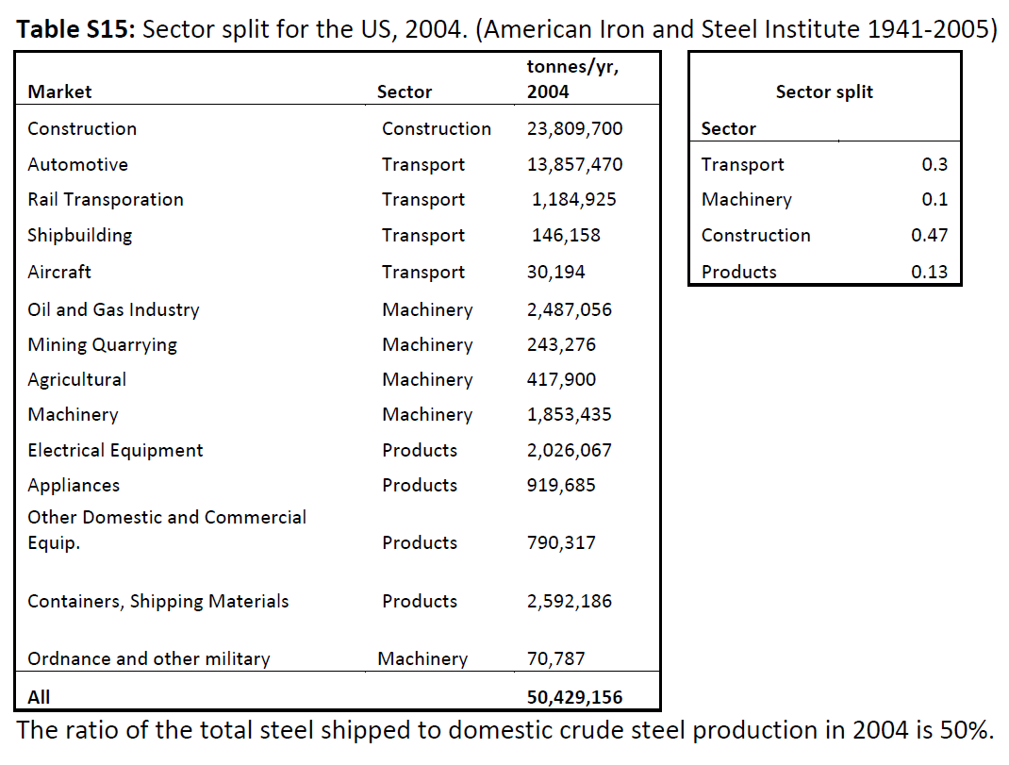
 |  |  |  |  |  |  |  |  |  | 71%
 |  |  |  |  |  |  |  |  |  | 72%
 |  |  |  |  |  |  |  |  |  | 73%
 |  |  |  |  |  |  |  |  |  | 70%
 |  |  |  |  |  |  |  |  |  | 70%
 |  |  |  |  |  |  |  |  |  | 67% |  |  |  |  |  |  |  |  |  |  |  | Construction Pauliuk | Automotive Pauliuk | Rail Transportation Pauliuk | Shipbuilding Pauliuk | Aircraft Pauliuk | Oil and Gas Industry Pauliuk
 |  |  |  |  |  |  |  |  |  | 68% |  |  |  |  |  |  |  |  |  |  |  | 23,809,700 | 13,857,470 | 1,184,925 | 146,158 | 30,194 | 2,487,056
 |  |  |  |  |  |  |  |  |  | 64% |  |  |  |  |  |  |  |  |  |  |  | 47.2% | 27.5% | 2.3% | 0.3% | 0.1% | 4.9%

 |  |  |  |  |  |  |  |  |  | 62%
 |  |  |  |  |  |  |  |  |  | 73%
...
 |  |  |  |  |  |  |  |  |  |  |  |  |  |  |  |  |  |  | Pauliuk et al 2013
 |  |  |  |  |  |  |  |  |  | Products Pauliuk | Construction YSTAFB | Transport YSTAFB | Machinery & Appliances YSTAFB | Other products YSTAFB | Construction Pauliuk | Automotive Pauliuk | Rail Transportation Pauliuk | Shipbuilding Pauliuk | Aircraft Pauliuk | Oil and Gas Industry Pauliuk | Mining Quarrying Pauliuk | Agriculture Pauliuk | Machinery Pauliuk | Electrical Equipment Pauliuk | Appliances Pauliuk | Other domestic and commerical equipment Pauliuk | Containers, shipping materials Pauliuk
 |  |  |  |  |  |  |  |  |  |  | 58% | 20% | 13% | 9%
 |  |  |  |  |  |  |  |  |  |  | 58% | 20% | 13% | 8%
 |  |  |  |  |  |  |  |  |  |  | 58% | 20% | 14% | 8%
 |  |  |  |  |  |  |  |  |  |  | 58% | 20% | 14% | 8%
 |  |  |  |  |  |  |  |  |  |  | 58% | 19% | 13% | 9%
 |  |  |  |  |  |  |  |  |  |  | 58% | 20% | 13% | 9%
 |  |  |  |  |  |  |  |  |  |  | 58% | 20% | 14% | 9%
 |  |  |  |  |  |  |  |  |  |  | 58% | 18% | 14% | 9%
...
USGS data adjusted for trade in final products
2001 | 21% | 18% | 15% | 2% | 29% | 15%
2002 | 22% | 17% | 15% | 2% | 30% | 14%
2003 | 23% | 20% | 16% | 2% | 30% | 9%
2004 |  |  |  |  |  |  | 30% | 10% | 47% | 13% |  |  |  |  | 47% | 27% | 2% | 0%

Müller et al 2006
Exploring the engine of anthropogenic iron cycles
American Iron & Steel Institute reports domestic steel mill shipments for 1941-1999 (however data not available from this paper

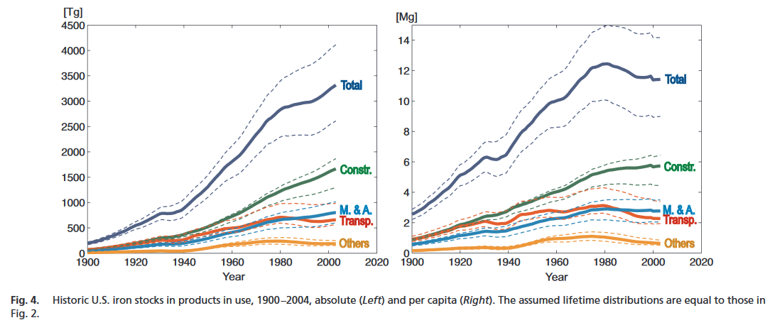

 | Construction | Transport | Machinery & Appliances | Other products
1900 | 58% | 24% | 13% | 5%
1901 | 58% | 24% | 13% | 5%
1902 | 58% | 24% | 13% | 5%
1903 | 58% | 24% | 13% | 5%
1904 | 58% | 24% | 13% | 5%
1905 | 58% | 24% | 13% | 5%
1906 | 58% | 24% | 13% | 5%
1907 | 58% | 24% | 13% | 5%
1908 | 58% | 24% | 13% | 5%
1909 | 58% | 24% | 13% | 5%
1910 | 58% | 24% | 13% | 5%
1911 | 58% | 24% | 13% | 5%
1912 | 58% | 24% | 13% | 5%
1913 | 58% | 24% | 13% | 5%
1914 | 58% | 24% | 13% | 5%
1915 | 58% | 24% | 13% | 5%
1916 | 58% | 24% | 13% | 5%
1917 | 58% | 24% | 13% | 5%
1918 | 58% | 24% | 13% | 5%
1919 | 58% | 24% | 13% | 5%
1920 | 58% | 24% | 13% | 5%
1921 | 58% | 24% | 13% | 5%
1922 | 58% | 24% | 13% | 5%
1923 | 58% | 24% | 13% | 5%
1924 | 58% | 24% | 13% | 5%
1925 | 58% | 24% | 13% | 5%
1926 | 58% | 24% | 13% | 5%
1927 | 58% | 24% | 13% | 5%
1928 | 58% | 24% | 13% | 5%
1929 | 58% | 24% | 13% | 5%
1930 | 58% | 24% | 13% | 5%
1931 | 58% | 24% | 13% | 5%
1932 | 58% | 24% | 13% | 5%
1933 | 58% | 24% | 13% | 5%
1934 | 58% | 24% | 13% | 5%
1935 | 58% | 24% | 13% | 5%
1936 | 58% | 24% | 13% | 5%
1937 | 58% | 24% | 13% | 5%
1938 | 58% | 24% | 13% | 5%
1939 | 58% | 24% | 13% | 5%
1940 | 58% | 24% | 13% | 5%
1941 | 58% | 24% | 13% | 5%
1942 | 57% | 25% | 11% | 6%
1943 | 55% | 27% | 11% | 7%
1944 | 55% | 27% | 11% | 7%
1945 | 56% | 22% | 14% | 7%
1946 | 57% | 19% | 14% | 10%
1947 | 58% | 19% | 14% | 9%
1948 | 58% | 19% | 14% | 9%
1949 | 58% | 21% | 13% | 8%
...
 | Construction | Transport | Machinery & Appliances | Other products
1900 | 58% | 24% | 13% | 5%
1901 | 58% | 24% | 13% | 5%
1902 | 58% | 24% | 13% | 5%
1903 | 58% | 24% | 13% | 5%
1904 | 58% | 24% | 13% | 5%
1905 | 58% | 24% | 13% | 5%
1906 | 58% | 24% | 13% | 5%
1907 | 58% | 24% | 13% | 5%
1908 | 58% | 24% | 13% | 5%
1909 | 58% | 24% | 13% | 5%
1910 | 58% | 24% | 13% | 5%
1911 | 58% | 24% | 13% | 5%
1912 | 58% | 24% | 13% | 5%
1913 | 58% | 24% | 13% | 5%
1914 | 58% | 24% | 13% | 5%
1915 | 58% | 24% | 13% | 5%
1916 | 58% | 24% | 13% | 5%
1917 | 58% | 24% | 13% | 5%
1918 | 58% | 24% | 13% | 5%
1919 | 58% | 24% | 13% | 5%
1920 | 58% | 24% | 13% | 5%
1921 | 58% | 24% | 13% | 5%
1922 | 58% | 24% | 13% | 5%
1923 | 58% | 24% | 13% | 5%
1924 | 58% | 24% | 13% | 5%
1925 | 58% | 24% | 13% | 5%
1926 | 58% | 24% | 13% | 5%
1927 | 58% | 24% | 13% | 5%
1928 | 58% | 24% | 13% | 5%
1929 | 58% | 24% | 13% | 5%
1930 | 58% | 24% | 13% | 5%
1931 | 58% | 24% | 13% | 5%
1932 | 58% | 24% | 13% | 5%
1933 | 58% | 24% | 13% | 5%
1934 | 58% | 24% | 13% | 5%
1935 | 58% | 24% | 13% | 5%
1936 | 58% | 24% | 13% | 5%
1937 | 58% | 24% | 13% | 5%
1938 | 58% | 24% | 13% | 5%
1939 | 58% | 24% | 13% | 5%
1940 | 58% | 24% | 13% | 5%
1941 | 58% | 24% | 13% | 5%
1942 | 57% | 25% | 11% | 6%
1943 | 55% | 27% | 11% | 7%
1944 | 55% | 27% | 11% | 7%
1945 | 56% | 22% | 14% | 7%
1946 | 57% | 19% | 14% | 10%
1947 | 58% | 19% | 14% | 9%
1948 | 58% | 19% | 14% | 9%
1949 | 58% | 21% | 13% | 8%
...

From YSTAFB: domestic shipments (fabrication), estimated (Tg) |  |  |  |  |  |  | From YSTAFB: domestic aggregate use, estimated (Tg) |  |  |  |  |  | From YSTAFB: domestic shipments (fabrication), estimated (Tg) |  |  |  |  |  |  | From YSTAFB: domestic aggregate use, estimated (Tg)
Year | Construction | Transport | Machinery & Appliances | Other products |  |  | Construction | Transport | Machinery & Appliances | Other products |  | Year | Construction | Transport | Machinery & Appliances | Other products |  |  | Construction | Transport | Machinery & Appliances | Other products
1900 | 7.39 | 3.03 | 1.63 | 0.67 |  |  | 7.39 | 3.03 | 1.63 | 0.67 |  | 1900 | 58% | 24% | 13% | 5% |  | 1900 | 58% | 24% | 13% | 5%
1901 | 9.64 | 3.95 | 2.12 | 0.87 |  |  | 9.64 | 3.95 | 2.12 | 0.87 |  | 1901 | 58% | 24% | 13% | 5% |  | 1901 | 58% | 24% | 13% | 5%
1902 | 11.25 | 4.61 | 2.48 | 1.01 |  |  | 11.25 | 4.61 | 2.48 | 1.01 |  | 1902 | 58% | 24% | 13% | 5% |  | 1902 | 58% | 24% | 13% | 5%
1903 | 10.45 | 4.28 | 2.3 | 0.94 |  |  | 10.45 | 4.28 | 2.3 | 0.94 |  | 1903 | 58% | 24% | 13% | 5% |  | 1903 | 58% | 24% | 13% | 5%
1904 | 10.45 | 4.28 | 2.3 | 0.94 |  |  | 10.45 | 4.28 | 2.3 | 0.94 |  | 1904 | 58% | 24% | 13% | 5% |  | 1904 | 58% | 24% | 13% | 5%
1905 | 14.46 | 5.93 | 3.18 | 1.3 |  |  | 14.46 | 5.93 | 3.18 | 1.3 |  | 1905 | 58% | 24% | 13% | 5% |  | 1905 | 58% | 24% | 13% | 5%
1906 | 16.88 | 6.92 | 3.71 | 1.52 |  |  | 16.88 | 6.92 | 3.71 | 1.52 |  | 1906 | 58% | 24% | 13% | 5% |  | 1906 | 58% | 24% | 13% | 5%
1907 | 16.88 | 6.92 | 3.71 | 1.52 |  |  | 16.88 | 6.92 | 3.71 | 1.52 |  | 1907 | 58% | 24% | 13% | 5% |  | 1907
1908 | 10.45 | 4.28 | 2.3 | 0.94 |  |  | 10.45 | 4.28 | 2.3 | 0.94 |  | 1908 | 58% | 24% | 13% | 5% |  | 1908
1909 | 17.68 | 7.25 | 3.89 | 1.59 |  |  | 17.68 | 7.25 | 3.89 | 1.59 |  | 1909 | 58% | 24% | 13% | 5% |  | 1909
...

Cement
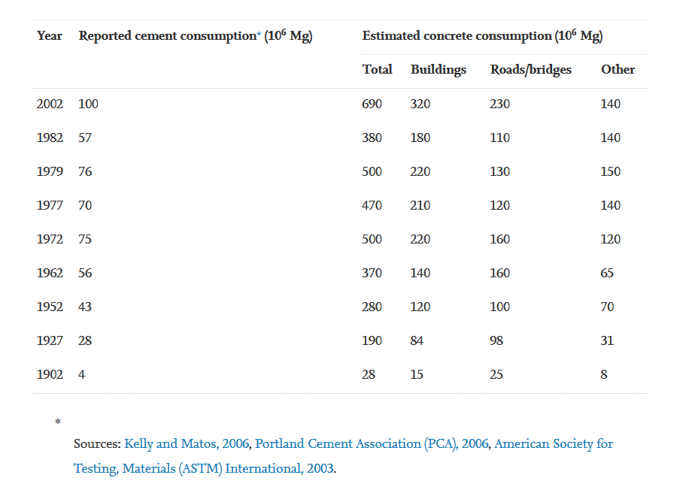
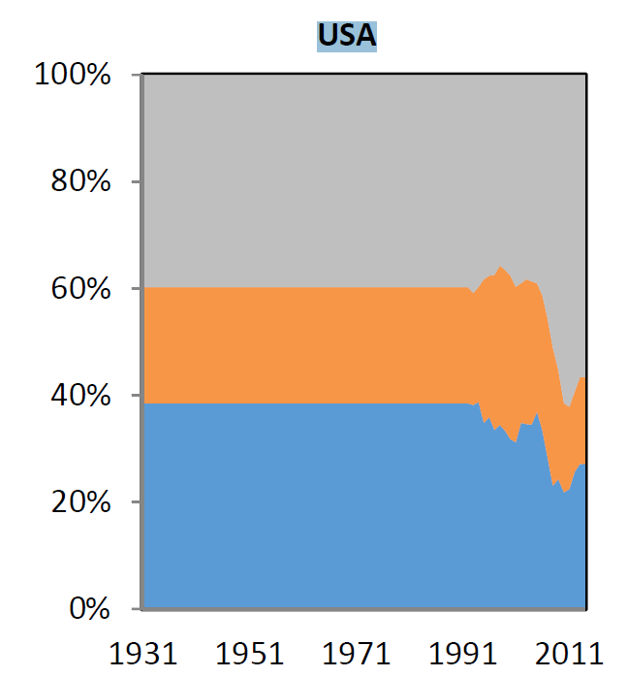
...
 |  |  |  |  |  |  |  |  |  |  |  |  |  |  |  |  | Conservation PCA | Sewage & Waste Dispisal PCA | Water supply systesm PCA |  | sum | sum-sub
 |  |  |  |  |  |  |  |  |  |  |  |  |  |  |  |  | 2527 | 3540 | 2674 |  | 70308 | 70307
 |  |  |  |  |  |  |  |  |  |  |  |  |  |  |  |  | 2375 | 2416 | 2638 |  | 76471 | 75472
 |  |  |  |  |  |  |  |  |  |  |  |  |  |  |  |  | 2285 | 3488 | 2736 |  | 79537 | 79537
 |  |  |  |  |  |  |  |  |  |  |  |  |  |  |  |  | 2728 | 4363 | 3343 |  | 86520 | 86522
 |  |  |  |  |  |  |  |  |  |  |  |  |  |  |  |  | 2617 | 4394 | 3210 |  | 89733 | 89734

 |  |  |  |  |  |  |  |  |  |  |  |  |  |  |  |  | 4% | 5% | 4% |  | 100.0% | 100%
 |  |  |  |  |  |  |  |  |  |  |  |  |  |  |  |  | 3% | 3% | 3% |  | 100.0% | 0.99803330214
 |  |  |  |  |  |  |  |  |  |  |  |  |  |  |  |  | 3% | 4% | 3% |  | 100.0% | 1
 |  |  |  |  |  |  |  |  |  |  |  |  |  |  |  |  | 3% | 5% | 4% |  | 100.0% | 1.0000031857
 |  |  |  |  |  |  |  |  |  |  |  |  |  |  |  |  | 3% | 5% | 4% |  | 100.0% | 1.0000013707

 |  |  |  |  |  |  |  |  |  |  | Data ffrom Cao 2017, send by Zhi |  |  |  |  | Synthesis
from PCA reconstructed |  |  |  |  |  |  |  |  |  |  |  | Residential | Non-Residential | Civil Engineering | Year | Residential Cao | Non-Residential Cao | Civil Engineering Cao | Residential PCA | Non-Residential PCA | Highways & Streets | Civil engineering/Infra | Utilities PCA Kapur & web | Residential buildings PCA Kapur & web | Commercial buildings PCA Kapur & web | Water and waste management PCA Kapur & web | Streets and Highways PCA Kapur & web | Public Buildings PCA Kapur & web | Farm construction PCA Kapur & web | Others PCA Kapur & web | Residential Buildings PCA | Single Family New PCA | Multifamily New PCA | Res. Buildungs improvements PCA | Nonresidential buildings PCA | Manufacturing PCA | Office PCA | Lodging PCA | Health Care PCA | Religious PCA | Educational PCA
 |  |  |  |  |  |  |  |  |  |  | 1992 | 39% | 22% | 40% | 1992 | 39% | 22% | 40%
 |  |  |  |  |  |  |  |  |  |  | 1993 | 38% | 21% | 41% | 1993 | 38% | 21% | 41%
 |  |  |  |  |  |  |  |  |  |  | 1994 | 39% | 21% | 40% | 1994 | 39% | 21% | 40%
 |  |  |  |  |  |  |  |  |  |  | 1995 | 35% | 27% | 38% | 1995 | 35% | 27% | 38%
 |  |  |  |  |  |  |  |  |  |  | 1996 | 36% | 26% | 38% | 1996 | 36% | 26% | 38%
 |  |  |  |  |  |  |  |  |  |  | 1997 | 34% | 29% | 37% | 1997 | 34% | 29% | 37%
 |  |  |  |  |  |  |  |  |  |  | 1998 | 34% | 30% | 36% | 1998 | 34% | 30% | 36%
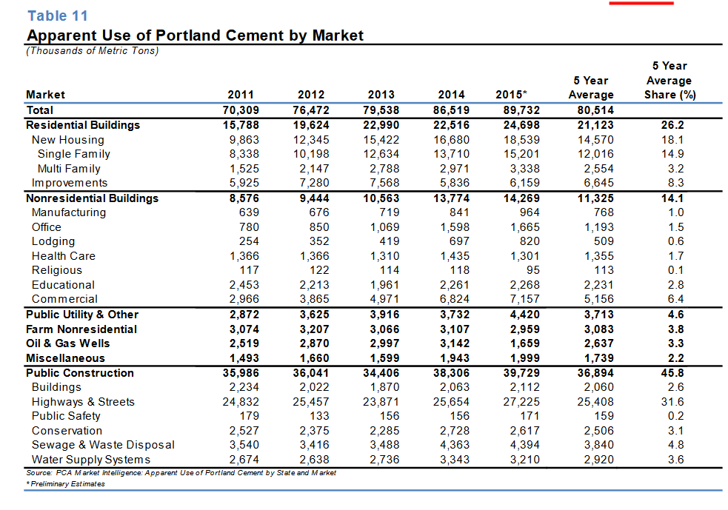
 |  |  |  |  |  |  |  |  |  |  | 1999 | 33% | 30% | 37% | 1999 | 33% | 30% | 37%
 |  |  |  |  |  |  |  |  |  |  | 2000 | 32% | 31% | 38% | 2000 | 32% | 31% | 38%
 |  |  |  |  |  |  |  |  |  |  | 2001 | 31% | 29% | 40% | 2001 | 31%
 |  |  |  |  |  |  |  |  |  |  | 2002 | 35% | 26% | 39% | 2002 | 35%
 |  |  |  |  |  |  |  |  |  |  | 2003 | 35% | 27% | 38% | 2003 | 35%
 |  |  |  |  |  |  |  |  |  |  | 2004 | 34% | 27% | 39% | 2004 | 34%
 |  |  |  |  |  |  |  |  |  |  | 2005 | 37% | 24% | 39% | 2005 | 37%
 |  |  |  |  |  |  |  |  |  |  | 2006 | 34% | 25% | 41% | 2006 | 34%
 | CEMENT END-USE STATISTICS1, 2 |  |  |  |  |  |  |  |  |  | 2007 | 28% | 26% | 46% | 2007 | 28%
 | U.S.GEOLOGICAL SURVEY |  |  |  |  |  |  |  |  |  | 2008 | 23% | 26% | 51% | 2008 | 23%
 | [Metric tons] |  |  |  |  |  |  |  |  |  | 2009 | 24% | 20% | 55% | 2009 | 24%
 | Last modification: September 15, 2005 |  |  |  |  |  |  |  |  |  | 2010 | 22% | 17% | 61% | 2010 | 22%
 | Year | Adjusted portland cement shipments by type of final costumer3 |  |  |  |  |  | Total portland cement | Masonry cement | Apparent consumption4 | 2011 | 22% | 15% | 62% | 2011 | 22%
 |  | Ready-mix concrete | Concrete products | Contractors | Building material dealers | Oil well, mining, and waste stabilization | Government and miscellaneous |  |  |  | 2012 | 26% | 15% | 59% | 2012 | 26%
 | 1975 | 39,471,000 | 8,425,000 | 7,329,000 | 4,503,000 |  | 1,274,000 | 61,002,000 | 2,606,000 | 63,608,000 | 2013 | 27% | 16% | 57% | 2013 | 27%
 | 1976 | 42,244,000 | 9,059,000 | 7,550,000 | 4,530,000 |  | 1,164,000 | 64,546,000 | 2,963,000 | 67,509,000 | 2014 | 27% | 16% | 57% | 2014 | 27%
 | 1977 | 46,710,000 | 9,751,000 | 7,246,000 | 4,951,000 |  | 1,413,000 | 70,071,000 | 3,356,000 | 73,427,000 | 2015 | 27% | 16% | 57% | 2015 | 27%
 | 1978 | 50,932,000 | 10,485,000 | 7,205,000 | 5,524,000 |  | 1,450,000 | 75,597,000 | 3,691,000 | 79,288,000 | 2016 | 27% | 16% | 57% | 2016 | 27%
 | 1979 | 50,103,000 | 10,757,000 | 7,059,000 | 6,313,000 |  | 1,388,000 | 75,620,000 | 3,344,000 | 78,964,000
 | 1980 | 45,818,000 | 8,794,000 | 7,097,000 | 4,509,000 |  | 1,230,000 | 67,448,000 | 2,724,000 | 70,173,000
 | 1981 | 43,840,000 | 7,609,000 | 7,118,000 | 3,530,000 |  | 1,549,000 | 63,645,000 | 2,447,000 | 66,092,000
 | 1982 | 39,335,000 | 6,832,000 | 6,604,000 | 3,312,000 |  | 1,332,000 | 57,415,000 | 2,157,000 | 59,572,000
 | 1983 | 43,325,000 | 7,464,000 | 7,370,000 | 3,824,000 |  | 1,247,000 | 63,229,000 | 2,609,000 | 65,838,000
 | 1984 | 50,732,000 | 9,343,000 | 7,551,000 | 4,181,000 |  | 1,438,000 | 73,244,000 | 2,942,000 | 76,186,000
 | 1985 | 53,210,000 | 9,293,000 | 7,890,000 | 4,149,000 |  | 1,333,000 | 75,875,000 | 2,961,000 | 78,836,000
 | 1986 | 57,233,000 | 9,394,000 | 7,440,000 | 3,945,000 |  | 1,599,000 | 79,611,000 | 3,226,000 | 82,837,000 |  |  |  |  |  |  |  |  |  |  | Cement | Utilities | USA | 2003 | 1% | phy | Kapur et al 2008 |  | from Figure 2 Cement end-use market in the United States, 2003. Data source: Portland Cement Association (2005).
 | 1987 | 59,575,000 | 9,295,000 | 6,787,000 | 3,657,000 |  | 1,510,000 | 80,823,000 | 3,381,000 | 84,204,000 |  |  |  |  |  |  |  |  |  |  | Cement | Residential buildings | USA | 2003 | 31% | phy | Kapur et al 2008
 | 1988 | 59,844,000 | 9,100,000 | 6,371,000 | 3,064,000 |  | 2,106,000 | 80,485,000 | 3,367,000 | 83,851,000 |  |  |  |  |  |  |  |  |  |  | Cement | Commercial buildings | USA | 2003 | 10% | phy | Kapur et al 2008
 | 1989 | 58,302,000 | 9,031,000 | 6,674,000 | 3,326,000 |  | 2,021,000 | 79,353,000 | 3,061,000 | 82,414,000 |  |  |  |  |  |  |  |  |  |  | Cement | Water and waste management | USA | 2003 | 8% | phy | Kapur et al 2008
 | 1990 | 56,490,000 | 9,311,000 | 6,159,000 | 3,356,000 |  | 2,655,000 | 77,971,000 | 2,994,000 | 80,964,000 |  |  |  |  |  |  |  |  |  |  | Cement | Streets and Highways | USA | 2003 | 33% | phy | Kapur et al 2008
 | 1991 | 48,079,000 | 8,955,000 | 5,571,000 | 3,037,000 |  | 3,663,000 | 69,305,000 | 2,495,000 | 71,800,000 |  |  |  |  |  |  |  |  |  |  | Cement | Public Buildings | USA | 2003 | 6% | phy | Kapur et al 2008
 | 1992 | 51,419,000 | 8,563,000 | 6,642,000 | 3,565,000 |  | 3,282,000 | 73,470,000 | 2,699,000 | 76,169,000 |  |  |  |  |  |  |  |  |  |  | Cement | Farm construction | USA | 2003 | 5% | phy | Kapur et al 2008
 | 1993 | 45,481,000 | 8,780,000 | 6,016,000 | 4,657,000 | 1,097,000 | 10,686,000 | 76,717,000 | 2,984,000 | 79,701,000 |  |  |  |  |  |  |  |  |  |  |  | Others | USA | 2004 | 6%
 | 1994 | 45,791,000 | 9,070,000 | 4,965,000 | 3,890,000 | 1,027,000 | 17,490,000 | 82,232,000 | 3,250,000 | 85,482,000
 | 1995 | 50,757,000 | 9,509,000 | 5,163,000 | 3,471,000 | 1,061,000 | 12,964,000 | 82,925,000 | 3,150,000 | 86,075,000 |  |  |  |  |  |  |  |  |  |  | reported ny this internet blog
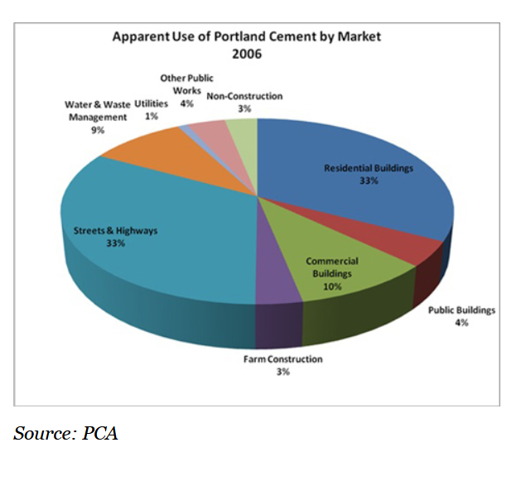
 | 1996 | 52,773,000 | 9,899,000 | 5,560,000 | 2,937,000 | 1,302,000 | 15,037,000 | 87,509,000 | 3,569,000 | 91,078,000 |  |  |  |  |  |  |  |  |  |  | https://www.etf.com/sections/features-and-news/1025-cement-bonding-or-what?nopaging=1
 | 1997 | 67,012,000 | 11,390,000 | 7,758,000 | 3,235,000 | 2,317,000 | 1,103,000 | 92,815,000 | 3,627,000 | 96,442,000
 | 1998 | 74,038,000 | 11,885,000 | 7,912,000 | 3,237,000 | 1,123,000 | 1,080,000 | 99,274,000 | 4,101,000 | 103,380,000
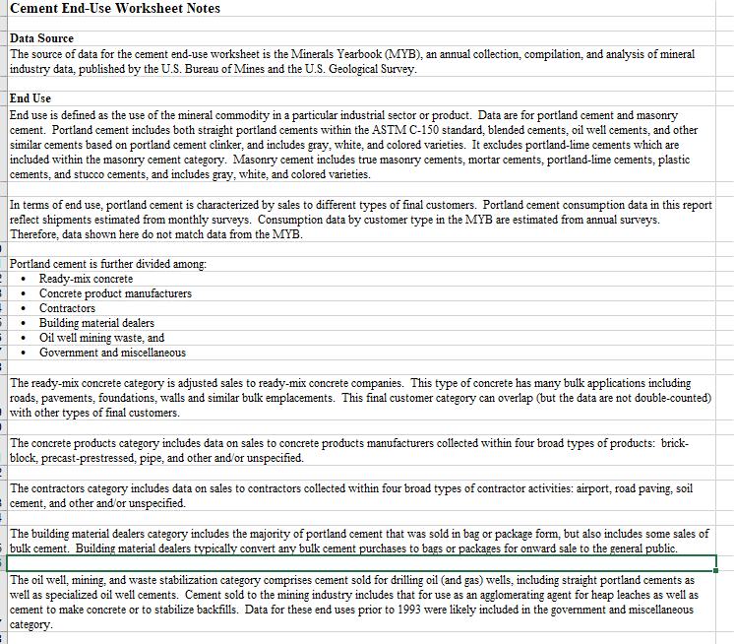
 | 1999 | 76,018,000 | 12,844,000 | 8,610,000 | 4,468,000 | 1,128,000 | 1,128,000 | 104,200,000 | 4,353,000 | 108,550,000
 | 2000 | 77,632,000 | 14,002,000 | 7,411,000 | 3,690,000 | 1,462,000 | 1,125,000 | 105,320,000 | 4,333,000 | 109,660,000
 | 2001 | 80,901,000 | 14,074,000 | 6,777,000 | 3,713,000 | 1,912,000 | 836,000 | 108,210,000 | 4,482,000 | 112,690,000
 | 2002 | 77,784,000 | 13,680,000 | 6,560,000 | 3,085,000 | 1,178,000 | 1,618,000 | 103,910,000 | 4,435,000 | 108,340,000
 | 2003 | 79,883,000 | 14,864,000 | 6,866,000 | 3,650,000 | 1,456,000 | 980,000 | 107,700,000 | 4,745,000 | 112,440,000
 | 1Compiled by G.R. Matos and H.G. van Oss.
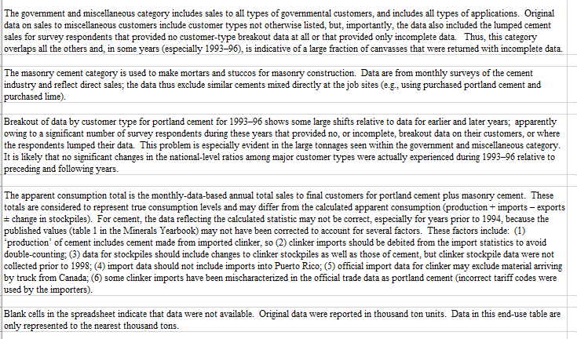
 | 2Data exclude Puerto Rico.
 | 3Data do not match portland cement shipments to customers as shown in Minerals Yearbook. See notes for more detail.
 | 4Apparent consumption is the total sales to final customers of portland cement and masonry cement. See notes for more detail.

Plastics
 |  |  |  | USA data here from American Chemistry Council (ACC), Resin Review: The Annual Statistical Report of the North American Plastics Industry (ACC, 2009); pay basis 2020 report is 300$
Geyer | alculated from data for Europe, the United States, China, and
 | India covering the period 2002–2014
 |  |  |  |  |  |  |  | these are physical shares! Checked in reports for 2019
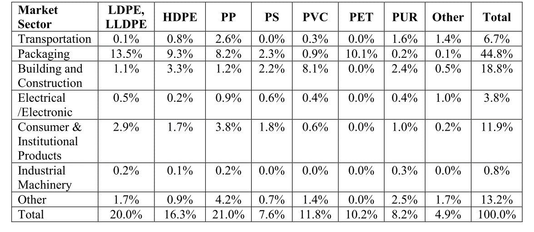
 |  |  |  |  |  |  |  | Plastics | Packaging | EU-28*NO/CH | 2006
 |  |  |  |  |  |  |  | Plastics | Building and construction | EU-28*NO/CH | 2006
 |  |  |  |  |  |  |  | Plastics | Automotive | EU-28*NO/CH | 2006
 |  |  |  |  |  |  |  | Plastics | Electrical&Electronic | EU-28*NO/CH | 2006
 |  |  |  |  |  |  |  | Plastics | Agriculture | EU-28*NO/CH | 2006
 |  |  |  |  |  |  |  | Plastics | Others | EU-28*NO/CH | 2006
 |  |  |  |  |  |  |  | Plastics | Packaging | EU-28*NO/CH | 2015
 |  |  |  |  |  |  |  | Plastics | Building and construction | EU-28*NO/CH | 2015
 |  |  |  |  |  |  |  | Plastics | Automotive | EU-28*NO/CH | 2015
 |  |  |  |  |  |  |  | Plastics | Electrical&Electronic | EU-28*NO/CH | 2015
 |  |  |  |  |  |  |  | Plastics | Agriculture | EU-28*NO/CH | 2015
 |  |  |  |  |  |  |  | Plastics | Others | EU-28*NO/CH | 2015
 |  |  |  |  |  |  |  | Plastics | Packaging | EU-28*NO/CH | 2017
 |  |  |  |  |  |  |  | Plastics | Building and construction | EU-28*NO/CH | 2017
 |  |  |  |  |  |  |  | Plastics | Automotive | EU-28*NO/CH | 2017
 |  |  |  |  |  |  |  | Plastics | Electrical&Electronic | EU-28*NO/CH | 2017
 |  |  |  |  |  |  |  | Plastics | Agriculture | EU-28*NO/CH | 2017
 |  |  |  |  |  |  |  | Plastics | Household, leisure & sports | EU-28*NO/CH | 2017
 |  |  |  |  |  |  |  | Plastics | Others | EU-28*NO/CH | 2017
...
Euromap; could be downloaded once; now members only; not clear if physical or monetary as no appropriate documentation avialable |  |  |  |  |  |  |  | PE= Plastics Europe for EU-28*NO/CH
Plastics Resin Production and Consumption in 63 Countries Worldwide 2009 - 2020 |  |  |  |  |  |  | Year | Packaging PE | Building and construction PE | Automotive PE | Electrical&Electronic PE
Plastics | Packaging | USA | 2009 | 52% | phy | Euromap | 2006 | 37.0% | 21.0% | 8.0% | 6.0%
Plastics | Automotive | USA | 2009 | 5% | phy | Euromap | 2007 | 37.0% | 21.0% | 8.0% | 6.0%
Plastics | Construction industry | USA | 2009 | 19% | phy | Euromap | 2008 | 38.0% | 21.0% | 7.0% | 6.0%
...

Wood
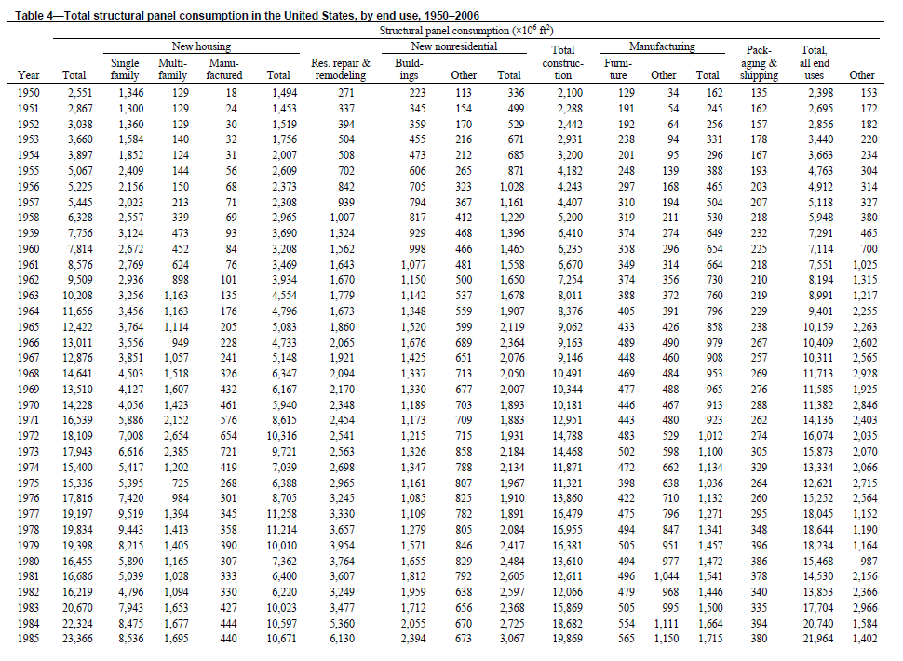
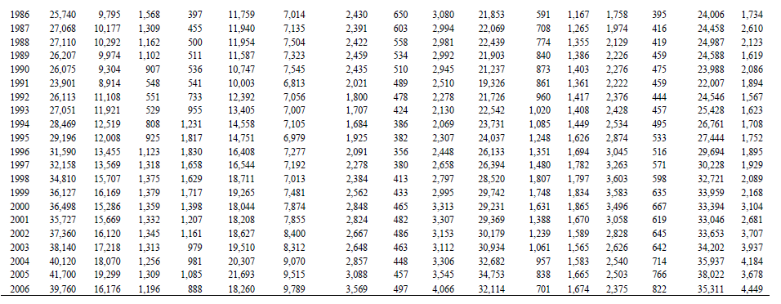
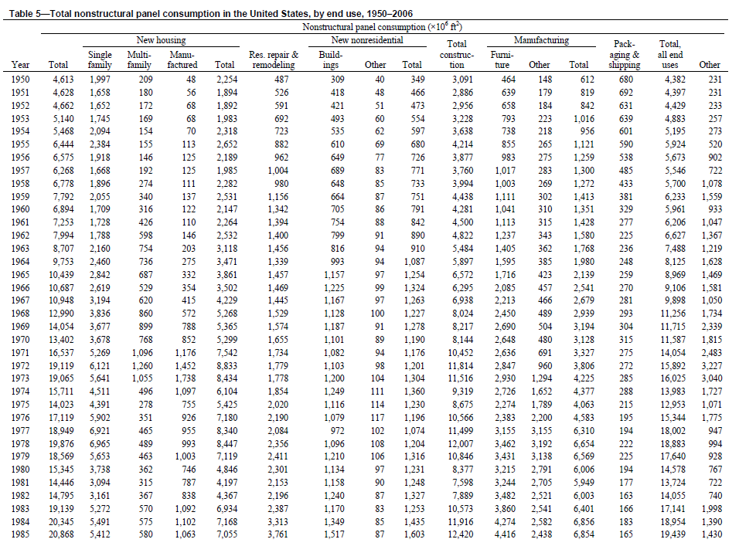
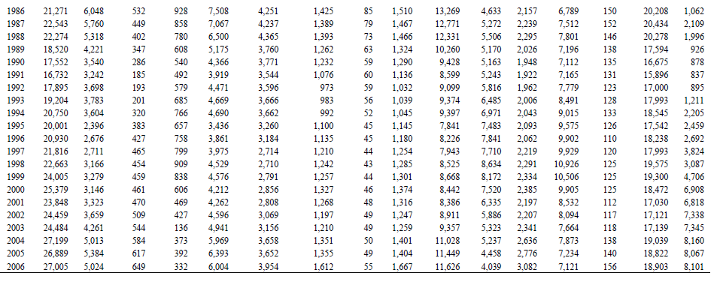
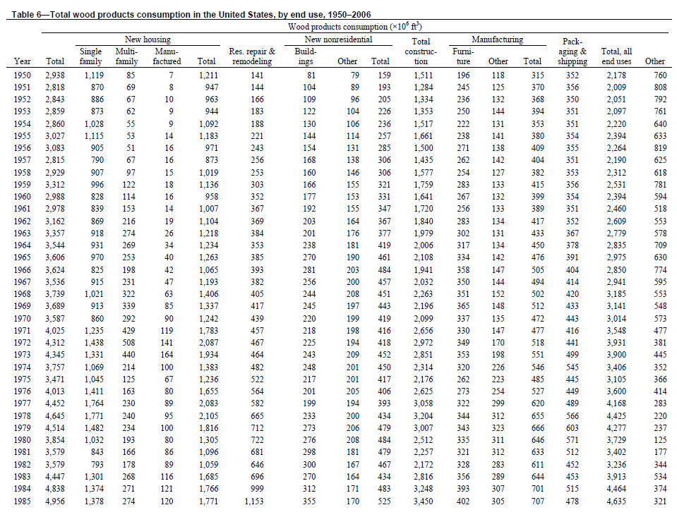
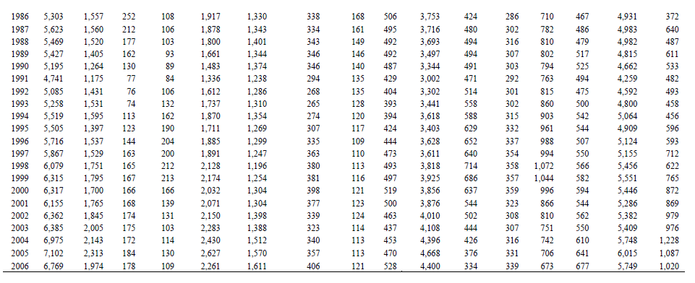
USA Wood product end-use shares (by volume; McKeever 2006)
 | Single family housing | Multy family housing | Manufactured housing |  | Residential repair & remodeling | Non-res. Build | Non-res. Other |  |  | Furniture | Other manufactures
1972 | 33 | 12 | 3 |  | 11 | 5 | 4 |  |  | 8 | 4
1973 | 31 | 10 | 4 |  | 11 | 6 | 5 |  |  | 8 | 5
1974 | 28 | 6 | 3 |  | 13 | 7 | 5 |  |  | 9 | 6
1975 | 30 | 4 | 2 |  | 15 | 6 | 6 |  |  | 8 | 6
1976 | 35 | 4 | 2 |  | 14 | 5 | 5 |  |  | 7 | 6
1977 | 40 | 5 | 2 |  | 13 | 4 | 4 |  |  | 7 | 7
1978 | 38 | 5 | 2 |  | 14 | 5 | 4 |  |  | 7 | 7
1979 | 33 | 5 | 2 |  | 16 | 6 | 5 |  |  | 8 | 7
1980 | 27 | 5 | 2 |  | 19 | 7 | 5 |  |  | 9 | 8
1981 | 24 | 5 | 2 |  | 19 | 8 | 5 |  |  | 9 | 9
1982 | 22 | 5 | 2 |  | 18 | 8 | 5 |  |  | 9 | 8
1983 | 29 | 6 | 3 |  | 16 | 6 | 4 |  |  | 8 | 6
1984 | 28 | 6 | 2 |  | 21 | 6 | 4 |  |  | 8 | 6
1985 | 28 | 6 | 2 |  | 23 | 7 | 3 |  |  | 8 | 6
1986 | 29 | 5 | 2 |  | 25 | 6 | 3 |  |  | 8 | 5
1987 | 28 | 4 | 2 |  | 24 | 6 | 3 |  |  | 9 | 5
1988 | 28 | 3 | 2 |  | 26 | 6 | 3 |  |  | 9 | 6
1989 | 26 | 3 | 2 |  | 25 | 6 | 3 |  |  | 9 | 6
1990 | 24 | 2 | 2 |  | 26 | 7 | 3 |  |  | 9 | 6
1991 | 25 | 2 | 2 |  | 26 | 6 | 3 |  |  | 10 | 6
1992 | 28 | 1 | 2 |  | 25 | 5 | 3 |  |  | 10 | 6
1993 | 29 | 1 | 3 |  | 25 | 5 | 2 |  |  | 11 | 6
1994 | 29 | 2 | 3 |  | 25 | 5 | 2 |  |  | 11 | 6
1995 | 25 | 2 | 3 |  | 23 | 6 | 2 |  |  | 11 | 6
1996 | 27 | 3 | 4 |  | 23 | 6 | 2 |  |  | 11 | 6
1997 | 26 | 3 | 3 |  | 21 | 6 | 2 |  |  | 11 | 6
1998 | 29 | 3 | 3 |  | 20 | 6 | 2 |  |  | 12 | 6
1999 | 28 | 3 | 3 |  | 20 | 6 | 2 |  |  | 11 | 6
2000 | 27 | 3 | 3 |  | 21 | 6 | 2 |  |  | 10 | 6
2001 | 29 | 3 | 2 |  | 21 | 6 | 2 |  |  | 9 | 5
2002 | 29 | 3 | 2 |  | 22 | 5 | 2 |  |  | 8 | 5
2003 | 31 | 3 | 2 |  | 22 | 5 | 2 |  |  | 7 | 5
2004 | 31 | 2 | 2 |  | 22 | 5 | 2 |  |  | 6 | 5
2005 | 33 | 3 | 2 |  | 22 | 5 | 2 |  |  | 5 | 5
2006 | 29 | 3 | 2 |  | 24 | 6 | 2 |  |  | 5 | 5
...
MASS Shares (own conversion)
Year | Single-family | Multi-family | Manufactured Houses | Total New Houses | Total New Repair
1950 | 37% | 3% | 0% | 40% | 5%
1951 | 30% | 2% | 0% | 33% | 5%
1952 | 30% | 2% | 0% | 33% | 6%
1953 | 30% | 2% | 0% | 32% | 6%
1954 | 35% | 2% | 0% | 37% | 6%
1955 | 36% | 2% | 0% | 38% | 7%
1956 | 28% | 2% | 1% | 30% | 8%
1957 | 27% | 2% | 1% | 30% | 9%
1958 | 30% | 3% | 0% | 33% | 8%
1959 | 29% | 4% | 1% | 33% | 9%
1960 | 27% | 4% | 1% | 31% | 11%
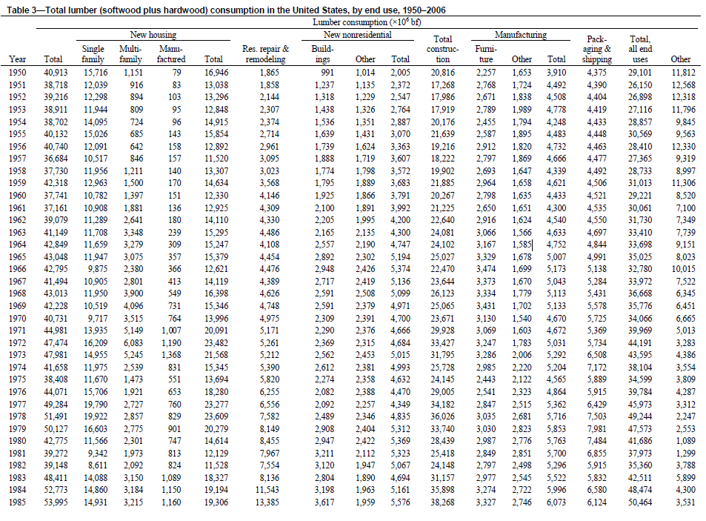
1961 | 27% | 5% | 0% | 32% | 12%
1962 | 26% | 7% | 1% | 33% | 11%
1963 | 26% | 8% | 1% | 35% | 11%
1964 | 25% | 7% | 1% | 33% | 9%
1965 | 26% | 7% | 1% | 34% | 10%
1966 | 22% | 5% | 1% | 28% | 10%
1967 | 25% | 6% | 1% | 32% | 10%
1968 | 26% | 8% | 2% | 36% | 10%
1969 | 24% | 9% | 2% | 35% | 11%
1970 | 23% | 8% | 3% | 33% | 12%
1971 | 30% | 10% | 3% | 43% | 11%
1972 | 32% | 11% | 3% | 46% | 10%
1973 | 29% | 9% | 4% | 43% | 10%
1974 | 27% | 5% | 3% | 35% | 12%
1975 | 29% | 3% | 2% | 34% | 14%
1976 | 34% | 4% | 2% | 40% | 13%
1977 | 38% | 5%
1978 | 36% | 5%
1979 | 31% | 5%
1980 | 25% | 5%
1981 | 22% | 4%
1982 | 21% | 5%
1983 | 28% | 6%
1984 | 27% | 5%
1985 | 26% | 5%
1986 | 28% | 4%
1987 | 26% | 4%
1988 | 26% | 3%
1989 | 24% | 3%
1990 | 23% | 2%
1991 | 23% | 2%
1992 | 26% | 1%
1993 | 27% | 1%
1994 | 27% | 2%
1995 | 23% | 2%
1996 | 25% | 2%
1997 | 24% | 3%
1998 | 27% | 3%
1999 | 26% | 2%
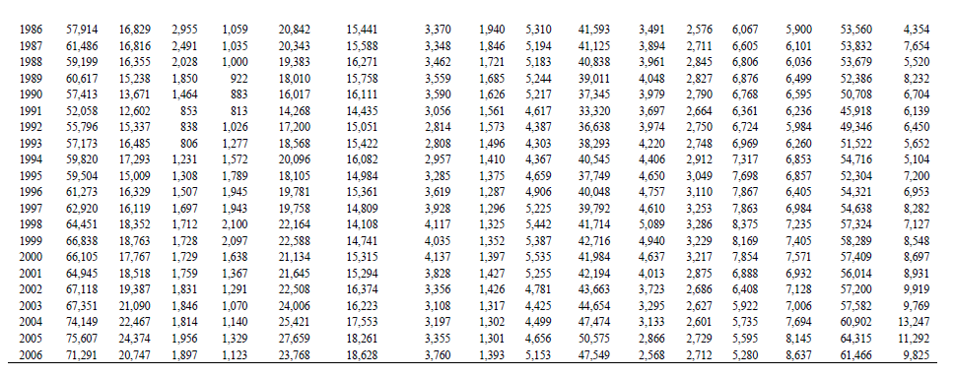
2000 | 25% | 2%
2001 | 27% | 3%
2002 | 27% | 3%
2003 | 29% | 3%
2004 | 29% | 2%
2005 | 31% | 2%
2006 | 27% | 3%

Paper
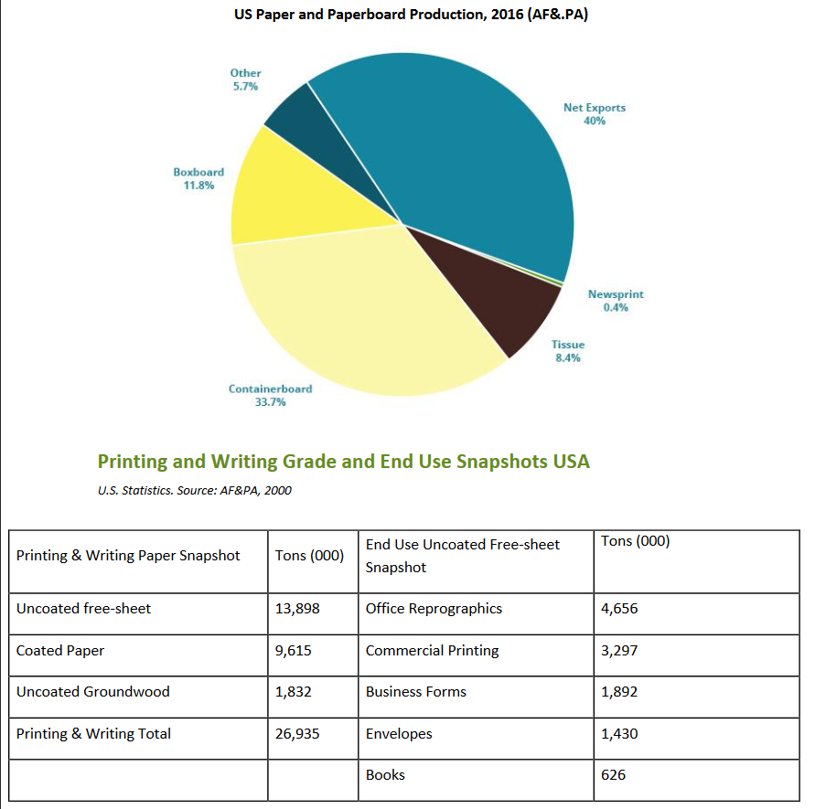
https://www.greenamerica.org/sites/default/files/inline-files/Paper%20Facts%202017.pdf

