rawData
 | India
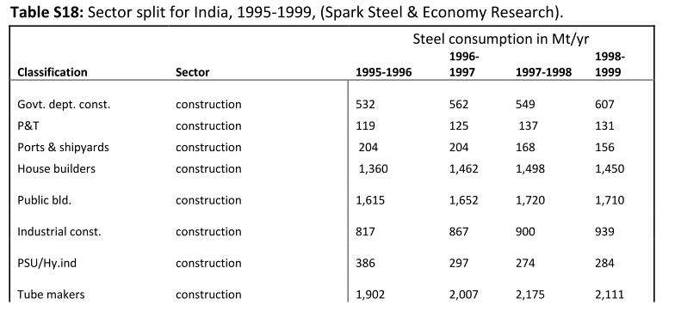

 |  |  |  |  |  |  |  | 4 year average split:

 |  |  |  |  |  |  |  | construction | 47%
 |  |  |  |  |  |  |  | transportation | 11%
 |  |  |  |  |  |  |  | machinery | 32%
 |  |  |  |  |  |  |  | products | 10%
 |  |  |  |  |  |  |  |  | 100%

 |  |  |  |  |  |  |  | Year | construction | transportation | machinery | products
 |  |  |  |  |  |  |  | 1995 | 47% | 11% | 32% | 10%
 |  |  |  |  |  |  |  | 1996 | 47% | 11% | 32% | 10%
 |  |  |  |  |  |  |  | 1997 | 47% | 11% | 32% | 10%
 |  |  |  |  |  |  |  | 1998 | 47% | 11% | 32% | 10%
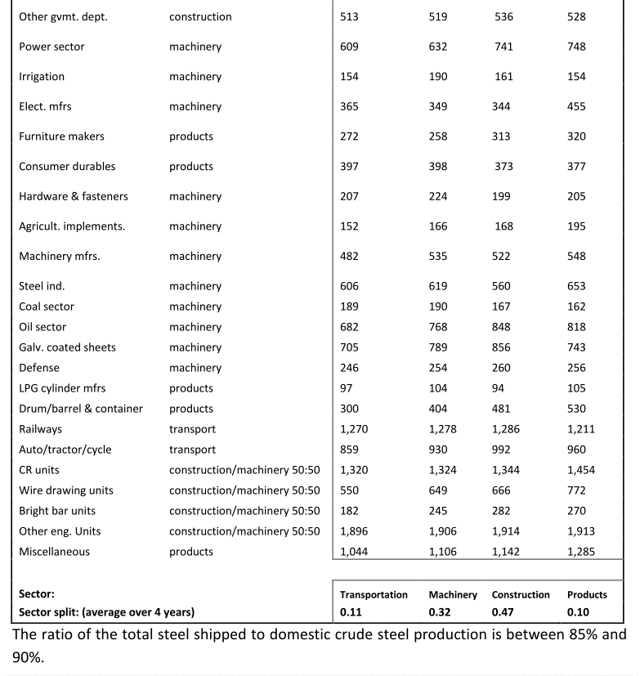

 |  | unclear if shipments to manufacturing or apparent consumption

 | China | (unpublished data by Tao Wang; ask if we can use this actually!!!) |  |  |  |  | heck with Stefan; maybe also additional data

Year | RFSCon | RFSTra | RFSM | RFSA | RFSOth | Total | Laut DeepL noch mehr Kategorien erhältlich:
1998 | 0.54 | 0.12 | 0.22 | 0.08 | 0.04 | 1.00 | Jan: DeepL
1999 | 0.55 | 0.11 | 0.23 | 0.07 | 0.04 | 1.00 | Other | Oil&Gas | Railroad | Ships | Container | Home appliances | Cars | Machinery | Architecture
2000 | 0.59 | 0.10 | 0.22 | 0.06 | 0.03 | 1.00
2001 | 0.61 | 0.09 | 0.22 | 0.05 | 0.02 | 1.00
2002 | 0.56 | 0.12 | 0.23 | 0.06 | 0.03 | 1.00
2003 | 0.55 | 0.12 | 0.24 | 0.07 | 0.03 | 1.00
2004 | 0.53 | 0.12 | 0.25 | 0.07 | 0.03 | 1.00
2005 | 0.53 | 0.12 | 0.25 | 0.06 | 0.03 | 1.00
2006 | 0.54 | 0.13 | 0.25 | 0.06 | 0.03 | 1.00
2007 | 0.54 | 0.12 | 0.24 | 0.06 | 0.03 | 1.00
2008 | 0.54 | 0.12 | 0.24 | 0.06 | 0.03 | 1.00
2009 | 0.55 | 0.12 | 0.24 | 0.06 | 0.03 | 1.00
2010 | 0.55 | 0.12 | 0.24 | 0.06 | 0.03 | 1.00

 | UK

 | Year | Transportation | Machinery | Construction | Products
 | 1960 | 0.25 | 0.29 | 0.32 | 0.14
 | 1961 | 0.24 | 0.28 | 0.33 | 0.15
 | 1962 | 0.25 | 0.28 | 0.31 | 0.15
 | 1963 | 0.26 | 0.29 | 0.31 | 0.15
 | 1964 | 0.25 | 0.31 | 0.30 | 0.15
 | 1965 | 0.24 | 0.31 | 0.31 | 0.14
 | 1966 | - | - | - | -
 | 1967 | - | - | - | -
 | 1968 | - | - | - | -
 | 1969 | - | - | - | -
 | 1970 | 0.31 | 0.22 | 0.24 | 0.23
 | 1971 | - | - | - | -
 | 1972 | - | - | - | -
 | 1973 | - | - | - | -
 | 1974 | 0.27 | 0.20 | 0.33 | 0.20
 | 1975 | 0.23 | 0.24 | 0.32 | 0.21
 | 1976 | 0.23 | 0.24 | 0.30 | 0.23
 | 1977 | 0.23 | 0.25 | 0.29 | 0.23
 | 1978 | 0.22 | 0.25 | 0.30 | 0.23
 | 1979 | 0.20 | 0.24 | 0.32 | 0.24
 | 1980 | 0.20 | 0.24 | 0.32 | 0.24
 | 1981 | 0.19 | 0.22 | 0.33 | 0.26
 | 1982 | 0.19 | 0.22 | 0.33 | 0.26
 | 1983 | 0.18 | 0.22 | 0.33 | 0.27
 | 1984 | 0.17 | 0.22 | 0.32 | 0.29
 | 1985 | 0.19 | 0.24 | 0.31 | 0.26
 | 1986 | 0.17 | 0.23 | 0.34 | 0.26
 | 1987 | 0.17 | 0.22 | 0.36 | 0.25
 | 1988 | 0.17 | 0.21 | 0.39 | 0.23
 | 1989 | 0.15 | 0.22 | 0.41 | 0.22
 | 1990 | 0.17 | 0.23 | 0.43 | 0.17
 | 1991 | 0.17 | 0.21 | 0.45 | 0.18
 | 1992 | 0.19 | 0.22 | 0.41 | 0.18
 | 1993 | 0.23 | 0.20 | 0.41 | 0.16
 | 1994 | 0.22 | 0.20 | 0.42 | 0.16
 | 1995 | 0.22 | 0.21 | 0.43 | 0.14
 | 1996 | 0.23 | 0.20 | 0.43 | 0.14
 | 1997 | 0.22 | 0.20 | 0.43 | 0.15
 | 1998 | 0.22 | 0.21 | 0.40 | 0.16
 | 1999 | 0.23 | 0.19 | 0.42 | 0.16
 | 2000 | 0.24 | 0.21 | 0.41 | 0.15

