Copper
COPPER END-USE STATISTICS1
U.S. GEOLOGICAL SURVEY
[Metric tons]
Last modification: September 1, 2005
Copper end-use splits USGS
Year | Building construction | Electrical and electronic products | Industrial machinery and equipment | Transportation equipment | Consumer and general products | Apparent consumption | sum check |  | Year | Building construction | Electrical and electronic products | Industrial machinery and equipment | Transportation equipment | Consumer and general products
1975 | 470,000 | 350,000 | 250,000 | 190,000 | 210,000 | 1,470,000 | 1,470,000 |  | 1,975 | 32% | 24% | 17% | 13% | 14% | 1 |  | Building construction includes electrical wire, plumbing and heating, air conditioning and commercial refrigeration, builders’ hardware, and architectural uses.
1976 | 610,000 | 480,000 | 310,000 | 290,000 | 230,000 | 1,920,000 | 1,920,000 |  | 1,976 | 32% | 25% | 16% | 15% | 12% | 1
1977 | 660,000 | 540,000 | 330,000 | 290,000 | 230,000 | 2,070,000 | 2,050,000 |  | 1,977 | 32% | 26% | 16% | 14% | 11% | 1 |  | Electrical and electronic products include wire and equipment for the power and telecom utilities, business electronics, and lighting and wiring devices.
1978 | 780,000 | 620,000 | 380,000 | 310,000 | 280,000 | 2,370,000 | 2,370,000 |  | 1,978 | 33% | 26% | 16% | 13% | 12% | 1
1979 | 780,000 | 660,000 | 390,000 | 320,000 | 290,000 | 2,430,000 | 2,440,000 |  | 1,979 | 32% | 27% | 16% | 13% | 12% | 1 |  | Industrial machinery and equipment includes in-plant equipment, industrial valves and fittings, nonelectrical instruments, off-highway vehicles, and heat exchangers.
1980 | 700,000 | 610,000 | 370,000 | 240,000 | 260,000 | 2,180,000 | 2,180,000 |  | 1,980 | 32% | 28% | 17% | 11% | 12% | 1
1981 | 730,000 | 640,000 | 390,000 | 250,000 | 270,000 | 2,270,000 | 2,280,000 |  | 1,981 | 32% | 28% | 17% | 11% | 12% | 1 |  | Transportation equipment includes road (cars, trucks, and buses), rail, marine, and air and space vehicles.
1982 | 600,000 | 490,000 | 280,000 | 190,000 | 210,000 | 1,760,000 | 1,770,000 |  | 1,982 | 34% | 28% | 16% | 11% | 12% | 1
1983 | 740,000 | 500,000 | 300,000 | 240,000 | 200,000 | 2,010,000 | 1,980,000 |  | 1,983 | 37% | 25% | 15% | 12% | 10% | 1 |  | Consumer and general products includes appliances, cord sets, military ordnance and commercial ammunition, consumer electronics, fasteners and closures, coinage, utensils and cutlery, and miscellaneous products.
1984 | 780,000 | 530,000 | 300,000 | 280,000 | 230,000 | 2,120,000 | 2,120,000 |  | 1,984 | 37% | 25% | 14% | 13% | 11% | 1
1985 | 860,000 | 490,000 | 300,000 | 280,000 | 210,000 | 2,140,000 | 2,140,000 |  | 1,985 | 40% | 23% | 14% | 13% | 10% | 1
1986 | 880,000 | 490,000 | 300,000 | 260,000 | 190,000 | 2,140,000 | 2,120,000 |  | 1,986 | 42% | 23% | 14% | 12% | 9% | 1
1987 | 950,000 | 510,000 | 290,000 | 240,000 | 200,000 | 2,200,000 | 2,190,000 |  | 1,987 | 43% | 23% | 13% | 11% | 9% | 1
1988 | 910,000 | 510,000 | 310,000 | 270,000 | 220,000 | 2,210,000 | 2,220,000 |  | 1,988 | 41% | 23% | 14% | 12% | 10% | 1
1989 | 890,000 | 500,000 | 310,000 | 260,000 | 220,000 | 2,180,000 | 2,180,000 |  | 1,989 | 41% | 23% | 14% | 12% | 10% | 1
1990 | 870,000 | 540,000 | 300,000 | 260,000 | 220,000 | 2,170,000 | 2,190,000 |  | 1,990 | 40% | 25% | 14% | 12% | 10% | 1
1991 | 880,000 | 500,000 | 270,000 | 230,000 | 210,000 | 2,090,000 | 2,090,000 |  | 1,991 | 42% | 24% | 13% | 11% | 10% | 1
1992 | 950,000 | 580,000 | 300,000 | 280,000 | 230,000 | 2,310,000 | 2,340,000 |  | 1,992 | 41% | 25% | 13% | 12% | 10% | 1
1993 | 1,030,000 | 650,000 | 300,000 | 330,000 | 230,000 | 2,510,000 | 2,540,000 |  | 1,993 | 41% | 26% | 12% | 13% | 9% | 1
1994 | 1,100,000 | 670,000 | 320,000 | 320,000 | 270,000 | 2,680,000 | 2,680,000 |  | 1,994 | 41% | 25% | 12% | 12% | 10% | 1
1995 | 1,040,000 | 660,000 | 300,000 | 280,000 | 250,000 | 2,540,000 | 2,530,000 |  | 1,995 | 41% | 26% | 12% | 11% | 10% | 1
1996 | 1,160,000 | 740,000 | 340,000 | 310,000 | 280,000 | 2,830,000 | 2,830,000 |  | 1,996 | 41% | 26% | 12% | 11% | 10% | 1
1997 | 1,230,000 | 760,000 | 350,000 | 320,000 | 290,000 | 2,940,000 | 2,950,000 |  | 1,997 | 42% | 26% | 12% | 11% | 10% | 1
1998 | 1,270,000 | 820,000 | 330,000 | 300,000 | 300,000 | 3,030,000 | 3,020,000 |  | 1,998 | 42% | 27% | 11% | 10% | 10% | 1
1999 | 1,350,000 | 810,000 | 340,000 | 310,000 | 310,000 | 3,130,000 | 3,120,000 |  | 1,999 | 43% | 26% | 11% | 10% | 10% | 1
2000 | 1,300,000 | 830,000 | 310,000 | 310,000 | 370,000 | 3,090,000 | 3,120,000 |  | 2,000 | 42% | 27% | 10% | 10% | 12% | 1
2001 | 1,150,000 | 650,000 | 230,000 | 230,000 | 250,000 | 2,510,000 | 2,510,000 |  | 2,001 | 46% | 26% | 9% | 9% | 10% | 1
2002 | 1,250,000 | 570,000 | 260,000 | 260,000 | 260,000 | 2,610,000 | 2,600,000 |  | 2,002 | 48% | 22% | 10% | 10% | 10% | 1
2003 | 1,170,000 | 510,000 | 240,000 | 240,000 | 270,000 | 2,430,000 | 2,430,000 |  | 2,003 | 48% | 21% | 10% | 10% | 11% | 1
1Compiled by G.R. Matos and D.L. Edelstein.

Data from Comtrade stage 4 (final products) net trade KILOGRAMS/YEAR
 | 1963 | 1964 | 1965 | 1966 | 1967 | 1968 | 1969 | 1970 | 1971 | 1972 | 1973 | 1974 | 1975 | 1976 | 1977 | 1978 | 1979 | 1980 | 1981 | 1982 | 1983 | 1984 | 1985 | 1986 | 1987 | 1988 | 1989 | 1990 | 1991 | 1992 | 1993 | 1994 | 1995 | 1996 | 1997 | 1998 | 1999 | 2000 | 2001 | 2002 | 2003 | 2004 | 2005 | 2006 | 2007 | 2008 | 2009 | 2010 | 2011 | 2012 | 2013 | 2014 | 2015 | 2016 | 2017 | 2018
Building construction | -4,437,709 | -4,995,599 | -5,622,694 | -6,939,684 | -6,836,092 | -7,160,998 | -6,329,821 | -6,537,507 | -6,197,863 | -5,396,258 | -5,534,316 | -7,515,259 | -7,707,530 | -7,479,044 | -7,503,444 | -9,306,256 | -7,604,900 | -7,070,148 | -7,963,275 | 44,962,664 | 618,582 | 5,178,747 | 10,150,215 | 11,926,017 | 12,562,377 | 9,496,386 | 6,332,049 | 3,166,124 | 2,181,935 | 3,101,866 | 4,304,363 | 5,416,512 | 4,634,045 | 11,810,496 | 4,032,337 | 5,925,851 | 15,631,356 | 21,987,010 | 25,691,795 | 34,168,893 | 35,798,003 | 35,028,046 | 37,616,981 | 43,887,092 | 51,114,900 | 49,230,145 | 35,578,679 | 46,231,887 | 46,391,221 | 46,359,623 | 48,394,107 | 53,177,493 | 72,886,379 | 51,097,673 | 52,356,736 | 66,003,274
Consumer and general products | -1,670,498 | 1,486,469 | 2,658,909 | 882,138 | 931,025 | 1,166,393 | 1,699,443 | 2,457,646 | 1,963,538 | 2,752,151 | 1,085,147 | -631,822 | -699,160 | -1,005,674 | -873,253 | 429,608 | 3,039,326 | 3,115,357 | 11,819,584 | 11,665,041 | 19,143,246 | 24,388,906 | 24,736,805 | 28,495,495 | 31,962,963 | 25,781,863 | 23,266,321 | 17,776,231 | 12,527,827 | 13,515,379 | 12,944,306 | 14,703,979 | 14,409,920 | 13,526,133 | 14,809,264 | 17,501,607 | 20,375,887 | 17,334,335 | 22,986,959 | 32,337,367 | 35,604,410 | 40,175,512 | 46,690,801 | 58,705,651 | 53,445,813 | 49,155,675 | 43,740,230 | 54,294,985 | 55,341,171 | 55,449,669 | 61,292,697 | 62,685,648 | 70,738,096 | 80,003,140 | 12,105,813 | 10,460,731
Electrical and electronic products | -19,500,132 | -23,253,964 | -23,679,505 | -19,725,498 | -19,718,730 | -16,725,358 | -15,115,460 | -15,753,926 | -13,793,965 | -8,286,642 | -9,069,239 | -20,574,502 | -29,290,411 | -25,282,935 | -19,697,365 | -7,317,489 | 3,827,033 | -28,330,175 | -12,705,968 | -14,691,715 | 307,121 | 40,748,394 | 70,284,412 | 104,771,109 | 81,557,322 | 78,713,555 | 55,526,739 | 36,253,778 | 34,010,560 | 45,836,320 | 60,075,759 | 77,197,632 | 85,896,271 | 102,322,921 | 100,869,121 | 114,977,866 | 211,159,966 | 228,246,335 | 220,539,558 | 285,141,686 | 274,433,933 | 278,462,071 | 308,142,781 | 332,630,447 | 173,138,893 | 232,941,253 | 212,443,828 | 236,405,524 | 180,321,460 | 201,103,269 | 182,066,217 | 178,050,812 | 192,072,238 | -68,207,831 | -111,389,034 | 182,819,001
Industrial machinery and equipment | -407,966 | -433,772 | -413,215 | -351,666 | -308,841 | -292,933 | -326,512 | -323,471 | -205,236 | -156,618 | -97,563 | -388,759 | -366,601 | -342,549 | -350,060 | -766,855 | -318,938 | -341,652 | -433,414 | -32,022 | -232,485 | -87,594 | -308,867 | -214,540 | -316,802 | -614,329 | 43,787 | -82,041 | -204,055 | -76,074 | -101,111 | -80,072 | -84,831 | -108,167 | -169,013 | -168,027 | -65,934 | -435,884 | -526,306 | -273,490 | 61,220 | -16,740 | 159,208 | 105,104 | 707,993 | 467,049 | 803,018 | 1,369,453 | 2,542,828 | 2,575,392 | 3,333,186 | 10,148,470 | 5,226,042 | 472,601 | -872,897 | 1,068,043
Transportation equipment | -8,141,786 | -7,751,811 | -8,193,823 | -2,815,527 | -466,285 | 8,730,419 | 11,173,243 | 15,311,979 | 24,978,070 | 25,227,840 | 17,106,541 | 12,772,452 | 3,220,501 | 11,204,339 | 19,284,226 | 37,035,675 | 32,939,742 | 39,536,428 | 34,522,547 | 33,623,786 | 48,091,325 | 61,457,110 | 80,688,621 | 88,379,496 | 85,916,047 | 84,659,481 | 79,204,394 | 59,979,290 | 52,932,941 | 51,243,490 | 68,033,696 | 79,832,034 | 80,788,626 | 88,257,160 | 109,968,313 | 117,060,631 | 168,783,544 | 147,213,155 | 133,030,361 | 166,343,477 | 146,418,769 | 138,857,152 | 131,242,755 | 147,318,257 | 150,038,015 | 113,406,315 | 75,337,324 | 97,897,455 | 93,952,409 | 133,848,460 | 150,029,304 | 142,850,415 | 171,047,912 | 155,791,455 | 140,318,678 | 174,434,424

 | 1963 | 1964 | 1965 | 1966 | 1967 | 1968 | 1969 | 1970 | 1971 | 1972 | 1973 | 1974 | 1975 | 1976 | 1977 | 1978 | 1979 | 1980 | 1981 | 1982 | 1983 | 1984 | 1985 | 1986 | 1987 | 1988 | 1989 | 1990 | 1991 | 1992 | 1993 | 1994 | 1995 | 1996 | 1997 | 1998 | 1999 | 2000 | 2001 | 2002 | 2003 | 2004 | 2005 | 2006 | 2007 | 2008 | 2009 | 2010 | 2011 | 2012 | 2013 | 2014 | 2015 | 2016 | 2017 | 2018
Building construction | -4,437,709 | -4,995,599 | -5,622,694 | -6,939,684 | -6,836,092 | -7,160,998 | -6,329,821 | -6,537,507 | -6,197,863 | -5,396,258 | -5,534,316 | -7,515,259 | -7,707,530 | -7,479,044 | -7,503,444 | -9,306,256 | -7,604,900 | -7,070,148 | -7,963,275 | 44,962,664 | 618,582 | 5,178,747 | 10,150,215 | 11,926,017 | 12,562,377 | 9,496,386 | 6,332,049 | 3,166,124 | 2,181,935 | 3,101,866 | 4,304,363 | 5,416,512 | 4,634,045 | 11,810,496 | 4,032,337 | 5,925,851 | 15,631,356 | 21,987,010 | 25,691,795 | 34,168,893 | 35,798,003 | 35,028,046 | 37,616,981 | 43,887,092 | 51,114,900 | 49,230,145 | 35,578,679 | 46,231,887 | 46,391,221 | 46,359,623 | 48,394,107 | 53,177,493 | 72,886,379 | 51,097,673 | 52,356,736 | 66,003,274
Consumer and general products | -1,670,498 | 1,486,469 | 2,658,909 | 882,138 | 931,025 | 1,166,393 | 1,699,443 | 2,457,646 | 1,963,538 | 2,752,151 | 1,085,147 | -631,822 | -699,160 | -1,005,674 | -873,253 | 429,608 | 3,039,326 | 3,115,357 | 11,819,584 | 11,665,041 | 19,143,246 | 24,388,906 | 24,736,805 | 28,495,495 | 31,962,963 | 25,781,863 | 23,266,321 | 17,776,231 | 12,527,827 | 13,515,379 | 12,944,306 | 14,703,979 | 14,409,920 | 13,526,133 | 14,809,264 | 17,501,607 | 20,375,887 | 17,334,335 | 22,986,959 | 32,337,367 | 35,604,410 | 40,175,512 | 46,690,801 | 58,705,651 | 53,445,813 | 49,155,675 | 43,740,230 | 54,294,985 | 55,341,171 | 55,449,669 | 61,292,697 | 62,685,648 | 70,738,096 | 80,003,140 | 12,105,813 | 10,460,731
Electrical and electronic products | -19,500,132 | -23,253,964 | -23,679,505 | -19,725,498 | -19,718,730 | -16,725,358 | -15,115,460 | -15,753,926 | -13,793,965 | -8,286,642 | -9,069,239 | -20,574,502 | -29,290,411 | -25,282,935 | -19,697,365 | -7,317,489 | 3,827,033 | -28,330,175 | -12,705,968 | -14,691,715 | 307,121 | 40,748,394 | 70,284,412 | 104,771,109 | 81,557,322 | 78,713,555 | 55,526,739 | 36,253,778 | 34,010,560 | 45,836,320 | 60,075,759 | 77,197,632 | 85,896,271 | 102,322,921 | 100,869,121 | 114,977,866 | 211,159,966 | 228,246,335 | 220,539,558 | 285,141,686 | 274,433,933 | 278,462,071 | 308,142,781 | 332,630,447 | 173,138,893 | 232,941,253 | 212,443,828 | 236,405,524 | 180,321,460 | 201,103,269 | 182,066,217 | 178,050,812 | 192,072,238 | -68,207,831 | -111,389,034 | 182,819,001
Industrial machinery and equipment | -407,966 | -433,772 | -413,215 | -351,666 | -308,841 | -292,933 | -326,512 | -323,471 | -205,236 | -156,618 | -97,563 | -388,759 | -366,601 | -342,549 | -350,060 | -766,855 | -318,938 | -341,652 | -433,414 | -32,022 | -232,485 | -87,594 | -308,867 | -214,540 | -316,802 | -614,329 | 43,787 | -82,041 | -204,055 | -76,074 | -101,111 | -80,072 | -84,831 | -108,167 | -169,013 | -168,027 | -65,934 | -435,884 | -526,306 | -273,490 | 61,220 | -16,740 | 159,208 | 105,104 | 707,993 | 467,049 | 803,018 | 1,369,453 | 2,542,828 | 2,575,392 | 3,333,186 | 10,148,470 | 5,226,042 | 472,601 | -872,897 | 1,068,043
Transportation equipment | -8,141,786 | -7,751,811 | -8,193,823 | -2,815,527 | -466,285 | 8,730,419 | 11,173,243 | 15,311,979 | 24,978,070 | 25,227,840 | 17,106,541 | 12,772,452 | 3,220,501 | 11,204,339 | 19,284,226 | 37,035,675 | 32,939,742 | 39,536,428 | 34,522,547 | 33,623,786 | 48,091,325 | 61,457,110 | 80,688,621 | 88,379,496 | 85,916,047 | 84,659,481 | 79,204,394 | 59,979,290 | 52,932,941 | 51,243,490 | 68,033,696 | 79,832,034 | 80,788,626 | 88,257,160 | 109,968,313 | 117,060,631 | 168,783,544 | 147,213,155 | 133,030,361 | 166,343,477 | 146,418,769 | 138,857,152 | 131,242,755 | 147,318,257 | 150,038,015 | 113,406,315 | 75,337,324 | 97,897,455 | 93,952,409 | 133,848,460 | 150,029,304 | 142,850,415 | 171,047,912 | 155,791,455 | 140,318,678 | 174,434,424

transposed

Trade in final products (from manipulated Comtrade USA data) - kilograms/year
 | Building construction | Consumer and general products | Electrical and electronic products | Industrial machinery and equipment | Transportation equipment
1963 | -4,437,709 | -1,670,498 | -19,500,132 | -407,966 | -8,141,786 |  | Apparent consummption USGS primary (wo finals) + trade in finals |  |  |  |  |  |  |  |  |  | SHARES: Apparent consummption USGS primary (wo finals) + trade in finals
1964 | -4,995,599 | 1,486,469 | -23,253,964 | -433,772 | -7,751,811 |  |  | unit: | tons
1965 | -5,622,694 | 2,658,909 | -23,679,505 | -413,215 | -8,193,823 |  |  | Building construction USGS+Trade | Electrical and electronic products USGS+Trade | Industrial machinery and equipment USGS+Trade | Transportation equipment USGS+Trade | Consumer and general products USGS+Trade | sum | comp original |  |  | Building construction USGS+Trade | Electrical and electronic products USGS+Trade | Industrial machinery and equipment USGS+Trade | Transportation equipment USGS+Trade | Consumer and general products USGS+Trade
1966 | -6,939,684 | 882,138 | -19,725,498 | -351,666 | -2,815,527 |  | 1975 | 462,292 | 320,709.59 | 249,633.40 | 193,220.50 | 209,300.84 | 1,435,157 | 98% |  | 1975 | 32% | 22% | 17% | 13% | 15% | 100%
1967 | -6,836,092 | 931,025 | -19,718,730 | -308,841 | -466,285 |  | 1976 | 602,521 | 454,717.07 | 309,657.45 | 301,204.34 | 228,994.33 | 1,897,094 | 99% |  | 1976 | 32% | 24% | 16% | 16% | 12% | 100%
1968 | -7,160,998 | 1,166,393 | -16,725,358 | -292,933 | 8,730,419 |  | 1977 | 652,497 | 520,302.63 | 329,649.94 | 309,284.23 | 229,126.75 | 2,040,860 | 100% |  | 1977 | 32% | 25% | 16% | 15% | 11% | 100%
1969 | -6,329,821 | 1,699,443 | -15,115,460 | -326,512 | 11,173,243 |  | 1978 | 770,694 | 612,682.51 | 379,233.14 | 347,035.68 | 280,429.61 | 2,390,075 | 101% |  | 1978 | 32% | 26% | 16% | 15% | 12% | 100%
1970 | -6,537,507 | 2,457,646 | -15,753,926 | -323,471 | 15,311,979 |  | 1979 | 772,395 | 663,827.03 | 389,681.06 | 352,939.74 | 293,039.33 | 2,471,882 | 101% |  | 1979 | 31% | 27% | 16% | 14% | 12% | 100%
1971 | -6,197,863 | 1,963,538 | -13,793,965 | -205,236 | 24,978,070 |  | 1980 | 692,930 | 581,669.83 | 369,658.35 | 279,536.43 | 263,115.36 | 2,186,910 | 100% |  | 1980 | 32% | 27% | 17% | 13% | 12% | 100%
1972 | -5,396,258 | 2,752,151 | -8,286,642 | -156,618 | 25,227,840 |  | 1981 | 722,037 | 627,294.03 | 389,566.59 | 284,522.55 | 281,819.58 | 2,305,239 | 101% |  | 1981 | 31% | 27% | 17% | 12% | 12% | 100%
1973 | -5,534,316 | 1,085,147 | -9,069,239 | -97,563 | 17,106,541 |  | 1982 | 644,963 | 475,308.29 | 279,967.98 | 223,623.79 | 221,665.04 | 1,845,528 | 104% |  | 1982 | 35% | 26% | 15% | 12% | 12% | 100%
1974 | -7,515,259 | -631,822 | -20,574,502 | -388,759 | 12,772,452 |  | 1983 | 740,619 | 500,307.12 | 299,767.52 | 288,091.32 | 219,143.25 | 2,047,928 | 103% |  | 1983 | 36% | 24% | 15% | 14% | 11% | 100%
1975 | -7,707,530 | -699,160 | -29,290,411 | -366,601 | 3,220,501 |  | 1984 | 785,179 | 570,748.39 | 299,912.41 | 341,457.11 | 254,388.91 | 2,251,686 | 106% |  | 1984 | 35% | 25% | 13% | 15% | 11% | 100%
1976 | -7,479,044 | -1,005,674 | -25,282,935 | -342,549 | 11,204,339 |  | 1985 | 870,150 | 560,284.41 | 299,691.13 | 360,688.62 | 234,736.81 | 2,325,551 | 109% |  | 1985 | 37% | 24% | 13% | 16% | 10% | 100%
1977 | -7,503,444 | -873,253 | -19,697,365 | -350,060 | 19,284,226 |  | 1986 | 891,926 | 594,771.11 | 299,785.46 | 348,379.50 | 218,495.49 | 2,353,358 | 111% |  | 1986 | 38% | 25% | 13% | 15% | 9% | 100%
1978 | -9,306,256 | 429,608 | -7,317,489 | -766,855 | 37,035,675 |  | 1987 | 962,562 | 591,557.32 | 289,683.20 | 325,916.05 | 231,962.96 | 2,401,682 | 110% |  | 1987 | 40% | 25% | 12% | 14% | 10% | 100%
1979 | -7,604,900 | 3,039,326 | 3,827,033 | -318,938 | 32,939,742 |  | 1988 | 919,496 | 588,713.55 | 309,385.67 | 354,659.48 | 245,781.86 | 2,418,037 | 109% |  | 1988 | 38% | 24% | 13% | 15% | 10% | 100%
1980 | -7,070,148 | 3,115,357 | -28,330,175 | -341,652 | 39,536,428 |  | 1989 | 896,332 | 555,526.74 | 310,043.79 | 339,204.39 | 243,266.32 | 2,344,373 | 108% |  | 1989 | 38% | 24% | 13% | 14% | 10% | 100%
1981 | -7,963,275 | 11,819,584 | -12,705,968 | -433,414 | 34,522,547 |  | 1990 | 873,166 | 576,253.78 | 299,917.96 | 319,979.29 | 237,776.23 | 2,307,093 | 105% |  | 1990 | 38% | 25% | 13% | 14% | 10% | 100%
1982 | 44,962,664 | 11,665,041 | -14,691,715 | -32,022 | 33,623,786 |  | 1991 | 882,182 | 534,010.56 | 269,795.94 | 282,932.94 | 222,527.83 | 2,191,449 | 105% |  | 1991 | 40% | 24% | 12% | 13% | 10% | 100%
1983 | 618,582 | 19,143,246 | 307,121 | -232,485 | 48,091,325 |  | 1992 | 953,102 | 625,836.32 | 299,923.93 | 331,243.49 | 243,515.38 | 2,453,621 | 105% |  | 1992 | 39% | 26% | 12% | 14% | 10% | 100%
1984 | 5,178,747 | 24,388,906 | 40,748,394 | -87,594 | 61,457,110 |  | 1993 | 1,034,304 | 710,075.76 | 299,898.89 | 398,033.70 | 242,944.31 | 2,685,257 | 106% |  | 1993 | 39% | 26% | 11% | 15% | 9% | 100%
1985 | 10,150,215 | 24,736,805 | 70,284,412 | -308,867 | 80,688,621 |  | 1994 | 1,105,417 | 747,197.63 | 319,919.93 | 399,832.03 | 284,703.98 | 2,857,070 | 107% |  | 1994 | 39% | 26% | 11% | 14% | 10% | 100%
1986 | 11,926,017 | 28,495,495 | 104,771,109 | -214,540 | 88,379,496 |  | 1995 | 1,044,634 | 745,896.27 | 299,915.17 | 360,788.63 | 264,409.92 | 2,715,644 | 107% |  | 1995 | 38% | 27% | 11% | 13% | 10% | 100%
1987 | 12,562,377 | 31,962,963 | 81,557,322 | -316,802 | 85,916,047 |  | 1996 | 1,171,810 | 842,322.92 | 339,891.83 | 398,257.16 | 293,526.13 | 3,045,809 | 108% |  | 1996 | 38% | 28% | 11% | 13% | 10% | 100%
1988 | 9,496,386 | 25,781,863 | 78,713,555 | -614,329 | 84,659,481 |  | 1997 | 1,234,032 | 860,869.12 | 349,830.99 | 429,968.31 | 304,809.26 | 3,179,510 | 108% |  | 1997 | 39% | 27% | 11% | 14% | 10% | 100%
1989 | 6,332,049 | 23,266,321 | 55,526,739 | 43,787 | 79,204,394 |  | 1998 | 1,275,926 | 934,977.87 | 329,831.97 | 417,060.63 | 317,501.61 | 3,275,298 | 108% |  | 1998 | 39% | 29% | 10% | 13% | 10% | 100%
1990 | 3,166,124 | 17,776,231 | 36,253,778 | -82,041 | 59,979,290 |  | 1999 | 1,365,631 | 1,021,159.97 | 339,934.07 | 478,783.54 | 330,375.89 | 3,535,885 | 113% |  | 1999 | 39% | 29% | 10% | 14% | 9% | 100%
1991 | 2,181,935 | 12,527,827 | 34,010,560 | -204,055 | 52,932,941 |  | 2000 | 1,321,987 | 1,058,246.34 | 309,564.12 | 457,213.16 | 387,334.34 | 3,534,345 | 113% |  | 2000 | 37% | 30% | 9% | 13% | 11% | 100%
1992 | 3,101,866 | 13,515,379 | 45,836,320 | -76,074 | 51,243,490 |  | 2001 | 1,175,692 | 870,539.56 | 229,473.69 | 363,030.36 | 272,986.96 | 2,911,722 | 116% |  | 2001 | 40% | 30% | 8% | 12% | 9% | 100%
1993 | 4,304,363 | 12,944,306 | 60,075,759 | -101,111 | 68,033,696 |  | 2002 | 1,284,169 | 855,141.69 | 259,726.51 | 426,343.48 | 292,337.37 | 3,117,718 | 120% |  | 2002 | 41% | 27% | 8% | 14% | 9% | 100%
1994 | 5,416,512 | 14,703,979 | 77,197,632 | -80,072 | 79,832,034 |  | 2003 | 1,205,798 | 784,433.93 | 240,061.22 | 386,418.77 | 305,604.41 | 2,922,316 | 120% |  | 2003 | 41% | 27% | 8% | 13% | 10% | 100%
1995 | 4,634,045 | 14,409,920 | 85,896,271 | -84,831 | 80,788,626
1996 | 11,810,496 | 13,526,133 | 102,322,921 | -108,167 | 88,257,160
1997 | 4,032,337 | 14,809,264 | 100,869,121 | -169,013 | 109,968,313
1998 | 5,925,851 | 17,501,607 | 114,977,866 | -168,027 | 117,060,631
1999 | 15,631,356 | 20,375,887 | 211,159,966 | -65,934 | 168,783,544
2000 | 21,987,010 | 17,334,335 | 228,246,335 | -435,884 | 147,213,155
2001 | 25,691,795 | 22,986,959 | 220,539,558 | -526,306 | 133,030,361
2002 | 34,168,893 | 32,337,367 | 285,141,686 | -273,490 | 166,343,477
2003 | 35,798,003 | 35,604,410 | 274,433,933 | 61,220 | 146,418,769
2004 | 35,028,046 | 40,175,512 | 278,462,071 | -16,740 | 138,857,152
2005 | 37,616,981 | 46,690,801 | 308,142,781 | 159,208 | 131,242,755
2006 | 43,887,092 | 58,705,651 | 332,630,447 | 105,104 | 147,318,257
2007 | 51,114,900 | 53,445,813 | 173,138,893 | 707,993 | 150,038,015
2008 | 49,230,145 | 49,155,675 | 232,941,253 | 467,049 | 113,406,315
2009 | 35,578,679 | 43,740,230 | 212,443,828 | 803,018 | 75,337,324
2010 | 46,231,887 | 54,294,985 | 236,405,524 | 1,369,453 | 97,897,455
2011 | 46,391,221 | 55,341,171 | 180,321,460 | 2,542,828 | 93,952,409
2012 | 46,359,623 | 55,449,669 | 201,103,269 | 2,575,392 | 133,848,460
2013 | 48,394,107 | 61,292,697 | 182,066,217 | 3,333,186 | 150,029,304
2014 | 53,177,493 | 62,685,648 | 178,050,812 | 10,148,470 | 142,850,415
2015 | 72,886,379 | 70,738,096 | 192,072,238 | 5,226,042 | 171,047,912
2016 | 51,097,673 | 80,003,140 | -68,207,831 | 472,601 | 155,791,455
2017 | 52,356,736 | 12,105,813 | -111,389,034 | -872,897 | 140,318,678
2018 | 66,003,274 | 10,460,731 | 182,819,001 | 1,068,043 | 174,434,424
2019

 |  | Copper development association, metal content, million pounds/year
 |  |  |  | 1,999 | 2,000 | 2,001 | 2,002 | 2,003 | 2,004 | 2,005 | 2,006 | 2,007 | 2,008 | 2,009 | 2,010 | 2,011 | 2,012 | 2,013 | 2,014 | 2,015 | 2,016 | 2,017 | 2,018 | 2,019
 |  |  | Building Construction | 3,151 | 3,889 | 3,562 | 3,508 | 3,620 | 4,035 | 4,028 | 3,697 | 3,365 | 3,051 | 2,478 | 2,318 | 2,271 | 2,299 | 2,364 | 2,401 | 2,406 | 2,458 | 2,525 | 2,487 | r 2,483
 |  |  | Electrical and Electronic Products………….. | 2,400 | 2,517 | 2,016 | 1,598 | 1,582 | 1,569 | 1,525 | 1,533 | 1,400 | 1,274 | 1,018 | 1,059 | 1,037 | 1,024 | 966 | 976 | 953 | 1,033 | 1,038 | 1,156 | r 1,179
 |  |  | Industrial Machinery and Equipment………. | 1,005 | 965 | 749 | 729 | 697 | 682 | 701 | 682 | 575 | 494 | 432 | 430 | 377 | 358 | 378 | 383 | 359 | 351 | 352 | 395 | r 397
 |  |  | Transportation Equipment……………………… | 1,127 | 1,087 | 873 | 916 | 915 | 991 | 974 | 947 | 854 | 702 | 621 | 768 | 819 | 915 | 980 | 983 | 987 | 992 | 1,068 | 1,134 | r 1,084
 |  |  | Consumer and General Products………….. | 930 | 1,085 | 810 | 776 | 773 | 836 | 794 | 778 | 737 | 634 | 536 | 601 | 592 | 596 | 597 | 584 | 622 | 630 | 580 | 601 | r 574
 | 1 Pound =
 | 0.4536 |  |  | 8,613 | 9,543 | 8,010 | 7,527 | 7,587 | 8,113 | 8,022 | 7,637 | 6,931 | 6,155 | 5,085 | 5,176 | 5,096 | 5,192 | 5,285 | 5,327 | 5,327 | 5,464 | 5,563 | 5,773 | -
 | Kilogram
 |  |  | Building Construction | 37% | 41% | 44% | 47% | 48% | 50% | 50% | 48% | 49% | 50% | 49% | 45% | 45% | 44% | 45% | 45% | 45% | 45% | 45% | 43% | #VALUE!
 |  |  | Electrical and Electronic Products………….. | 28% | 26% | 25% | 21% | 21% | 19% | 19% | 20% | 20% | 21% | 20% | 20% | 20% | 20% | 18% | 18% | 18% | 19% | 19% | 20%
 |  |  | Industrial Machinery and Equipment………. | 12% | 10% | 9% | 10% | 9% | 8% | 9% | 9% | 8% | 8% | 8% | 8% | 7% | 7% | 7% | 7% | 7% | 6% | 6% | 7%
 |  |  | Transportation Equipment……………………… | 13% | 11% | 11% | 12% | 12% | 12% | 12% | 12% | 12% | 11% | 12% | 15% | 16% | 18% | 19% | 18% | 19% | 18% | 19% | 20%
 |  |  | Consumer and General Products………….. | 11% | 11% | 10% | 10% | 10% | 10% | 10% | 10% | 11% | 10% | 11% | 12% | 12% | 11% | 11% | 11% | 12% | 12% | 10% | 10%

 |  |  | KILOTONS | 1,999 | 2,000 | 2,001 | 2,002 | 2,003 | 2,004 | 2,005 | 2,006 | 2,007 | 2,008 | 2,009 | 2,010 | 2,011 | 2,012 | 2,013 | 2,014 | 2,015 | 2,016 | 2,017 | 2,018 | 2,019
 |  |  | Building Construction | 1,429 | 1,764 | 1,616 | 1,591 | 1,642 | 1,830 | 1,827 | 1,677 | 1,526 | 1,384 | 1,124 | 1,051 | 1,030 | 1,043 | 1,072 | 1,089 | 1,091 | 1,115 | 1,145 | 1,128 | #VALUE!
 |  |  | Electrical and Electronic Products………….. | 1,089 | 1,142 | 914 | 725 | 718 | 712 | 692 | 695 | 635 | 578 | 462 | 480 | 470 | 464 | 438 | 443 | 432 | 469 | 471 | 524 | #VALUE!
 |  |  | Industrial Machinery and Equipment………. | 456 | 438 | 340 | 331 | 316 | 309 | 318 | 309 | 261 | 224 | 196 | 195 | 171 | 162 | 171 | 174 | 163 | 159 | 160 | 179 | #VALUE!
 |  |  | Transportation Equipment……………………… | 511 | 493 | 396 | 415 | 415 | 450 | 442 | 430 | 387 | 318 | 282 | 348 | 371 | 415 | 445 | 446 | 448 | 450 | 484 | 514 | #VALUE!
 |  |  | Consumer and General Products………….. | 422 | 492 | 367 | 352 | 351 | 379 | 360 | 353 | 334 | 288 | 243 | 273 | 269 | 270 | 271 | 265 | 282 | 286 | 263 | 273 | #VALUE!

 |  |  | WiTH NET TRADE
 |  |  | Building Construction | 1,425 | 1,759 | 1,610 | 1,584 | 1,635 | 1,823 | 1,821 | 1,670 | 1,520 | 1,379 | 1,118 | 1,044 | 1,022 | 1,035 | 1,065 | 1,080 | 1,084 | 1,108 | 1,137 | 1,173 | #VALUE!
 |  |  | Electrical and Electronic Products………….. | 1,069 | 1,118 | 891 | 705 | 698 | 695 | 677 | 680 | 621 | 570 | 453 | 460 | 441 | 439 | 418 | 435 | 436 | 440 | 458 | 510 | #VALUE!
 |  |  | Industrial Machinery and Equipment………. | 455 | 437 | 339 | 330 | 316 | 309 | 318 | 309 | 261 | 224 | 196 | 195 | 171 | 162 | 171 | 173 | 163 | 159 | 159 | 179 | #VALUE!
 |  |  | Transportation Equipment……………………… | 503 | 485 | 388 | 413 | 415 | 458 | 453 | 445 | 412 | 344 | 299 | 361 | 375 | 426 | 464 | 483 | 481 | 490 | 519 | 548 | #VALUE!
 |  |  | Consumer and General Products………….. | 420 | 494 | 370 | 353 | 352 | 380 | 362 | 355 | 336 | 290 | 244 | 272 | 268 | 269 | 270 | 265 | 285 | 289 | 275 | 284 | #VALUE!

 |  |  | sume | 3,873 | 4,294 | 3,598 | 3,385 | 3,415 | 3,666 | 3,630 | 3,459 | 3,151 | 2,806 | 2,310 | 2,331 | 2,277 | 2,332 | 2,388 | 2,436 | 2,448 | 2,485 | 2,549 | 2,694 | #VALUE!

 |  |  | SHARES | 1,999 | 2,000 | 2,001 | 2,002 | 2,003 | 2,004 | 2,005 | 2,006 | 2,007 | 2,008 | 2,009 | 2,010 | 2,011 | 2,012 | 2,013 | 2,014 | 2,015 | 2,016 | 2,017 | 2,018 | 2,019
 |  |  | Building Construction | 37% | 41% | 45% | 47% | 48% | 50% | 50% | 48% | 48% | 49% | 48% | 45% | 45% | 44% | 45% | 44% | 44% | 45% | 45% | 44% | #VALUE!
 |  |  | Electrical and Electronic Products………….. | 28% | 26% | 25% | 21% | 20% | 19% | 19% | 20% | 20% | 20% | 20% | 20% | 19% | 19% | 18% | 18% | 18% | 18% | 18% | 19% | #VALUE!
 |  |  | Industrial Machinery and Equipment………. | 12% | 10% | 9% | 10% | 9% | 8% | 9% | 9% | 8% | 8% | 8% | 8% | 7% | 7% | 7% | 7% | 7% | 6% | 6% | 7% | #VALUE!
 |  |  | Transportation Equipment……………………… | 13% | 11% | 11% | 12% | 12% | 13% | 12% | 13% | 13% | 12% | 13% | 15% | 16% | 18% | 19% | 20% | 20% | 20% | 20% | 20% | #VALUE!
 |  |  | Consumer and General Products………….. | 11% | 11% | 10% | 10% | 10% | 10% | 10% | 10% | 11% | 10% | 11% | 12% | 12% | 12% | 11% | 11% | 12% | 12% | 11% | 11% | #VALUE!

 |  |  |  | 100.0% | 100.0% | 100.0% | 100.0% | 100.0% | 100.0% | 100.0% | 100.0% | 100.0% | 100.0% | 100.0% | 100.0% | 100.0% | 100.0% | 100.0% | 100.0% | 100.0% | 100.0% | 100.0% | 100.0% | #VALUE!

 |  |  | SHARES | 1,999 | 2000 | 2001 | 2,002 | 2,003 | 2,004 | 2,005 | 2,006 | 2007 | 2008 | 2009 | 2010 | 2011 | 2012 | 2013 | 2014 | 2015 | 2016 | 2017 | 2018 | 2019
 |  |  | Building Construction | 0.36792328425 | 0.40967742644 | 0.44748814332 | 0.46799121164 | 0 | 0 | 1 | 0 | 0.4824934024 | 0.49127345704 | 0.48418346935 | 0.44775100089 | 0.4490785462 | 0.44393873211 | 0.44587362371 | 0.44318921504 | 0.44267304392 | 0.44575814862 | 0.44627212549 | 0.43541060151 | #VALUE!
 |  |  | Electrical and Electronic Products………….. | 28% | 26% | 25% | 21% | 0 | 0 | 0 | 0 | 0.19718043592 | 0.20298992558 | 0.19596808246 | 0.19720714213 | 0.19374179518 | 0.1883225598 | 0.17523286449 | 0.17870447827 | 0.17813336991 | 0.17713109911 | 0.17975657884 | 0.18917558465 | #VALUE!
 |  |  | Industrial Machinery and Equipment………. | 12% | 10% | 9% | 10% | 0 | 0 | 0 | 0 | 0.082717874235 | 0.079799676573 | 0.084785143547 | 0.083491149847 | 0.074950787137 | 0.069482587562 | 0.071650332124 | 0.070990713514 | 0.066384605983 | 0.063922587939 | 0.062478511955 | 0.066491914442 | #VALUE!
 |  |  | Transportation Equipment……………………… | 13% | 11% | 11% | 12% | 0 | 0 | 0 | 0 | 0.13087882819 | 0.12246952917 | 0.12934476104 | 0.15489520653 | 0.16458850814 | 0.18276789191 | 0.19421530445 | 0.19821238635 | 0.19632445608 | 0.19695508475 | 0.20362729626 | 0.20340528407 | #VALUE!
 |  |  | Consumer and General Products………….. | 11% | 11% | 10% | 10% | 0 | 0 | 0 | 0 | 0.10672945926 | 0.10346741164 | 0.1057185436 | 0.1166555006 | 0.11764036334 | 0.11548822861 | 0.11302787523 | 0.10890320682 | 0.11648452411 | 0.11623307958 | 0.10786548745 | 0.10551661533 | #VALUE!

 |  |  |  | 100% | 100% | 100% | 100% | 1 | 1 | 1 | 1 | 1 | 1 | 1 | 1 | 1 | 1 | 1 | 1 | 1 | 1 | 1 | 1 | #VALUE!

 | transp
 | SHARES | Building Construction | Electrical and Electronic Products………….. | Industrial Machinery and Equipment………. | Transportation Equipment……………………… | Consumer and General Products…………..
 | 1,999 | 37% | 28% | 12% | 13% | 11%
 | 2,000 | 41% | 26% | 10% | 11% | 11%
 | 2,001 | 45% | 25% | 9% | 11% | 10%
 | 2,002 | 47% | 21% | 10% | 12% | 10%
 | 2,003 | 48% | 20% | 9% | 12% | 10%
 | 2,004 | 50% | 19% | 8% | 13% | 10%
 | 2,005 | 50% | 19% | 9% | 12% | 10%
 | 2,006 | 48% | 20% | 9% | 13% | 10%
 | 2,007 | 48% | 20% | 8% | 13% | 11%
 | 2,008 | 49% | 20% | 8% | 12% | 10%
 | 2,009 | 48% | 20% | 8% | 13% | 11%
 | 2,010 | 45% | 20% | 8% | 15% | 12%
 | 2,011 | 45% | 19% | 7% | 16% | 12%
 | 2,012 | 44% | 19% | 7% | 18% | 12%
 | 2,013 | 45% | 18% | 7% | 19% | 11%
 | 2,014 | 44% | 18% | 7% | 20% | 11%
 | 2,015 | 44% | 18% | 7% | 20% | 12%
 | 2,016 | 45% | 18% | 6% | 20% | 12%
 | 2,017 | 45% | 18% | 6% | 20% | 11%
 | 2,018 | 44% | 19% | 7% | 20% | 11%

 | Year | Building construction USGS+Trade | Electrical and electronic products USGS+Trade | Industrial machinery and equipment USGS+Trade | Transportation equipment USGS+Trade | Consumer and general products USGS+Trade | Building construction CDA+Trade | Electrical and electronic products CDA+Trade | Industrial machinery and equipment CDA+Trade | Transportation equipment CDA+Trade | Consumer and general products CDA+Trade
 | 1975 | 32% | 22% | 17% | 13% | 15%
 | 1976 | 32% | 24% | 16% | 16% | 12%
 | 1977 | 32% | 25% | 16% | 15% | 11%
 | 1978 | 32% | 26% | 16% | 15% | 12%
 | 1979 | 31% | 27% | 16% | 14% | 12%
 | 1980 | 32% | 27% | 17% | 13% | 12%
 | 1981 | 31% | 27% | 17% | 12% | 12%
 | 1982 | 35% | 26% | 15% | 12% | 12%
 | 1983 | 36% | 24% | 15% | 14% | 11%
 | 1984 | 35% | 25% | 13% | 15% | 11%
 | 1985 | 37% | 24% | 13% | 16% | 10%
 | 1986 | 38% | 25% | 13% | 15% | 9%
 | 1987 | 40% | 25% | 12% | 14% | 10%
 | 1988 | 38% | 24% | 13% | 15% | 10%
 | 1989 | 38% | 24% | 13% | 14% | 10%
 | 1990 | 38% | 25% | 13% | 14% | 10%
 | 1991 | 40% | 24% | 12% | 13% | 10%
 | 1992 | 39% | 26% | 12% | 14% | 10%
 | 1993 | 39% | 26% | 11% | 15% | 9%
 | 1994 | 39% | 26% | 11% | 14% | 10%
 | 1995 | 38% | 27% | 11% | 13% | 10%
 | 1996 | 38% | 28% | 11% | 13% | 10%
 | 1997 | 39% | 27% | 11% | 14% | 10%
 | 1998 | 39% | 29% | 10% | 13% | 10%
 | 1999 | 39% | 29% | 10% | 14% | 9% | 37% | 28% | 12% | 13% | 11%
 | 2000 | 37% | 30% | 9% | 13% | 11% | 41% | 26% | 10% | 11% | 11%
 | 2001 | 40% | 30% | 8% | 12% | 9% | 45% | 25% | 9% | 11% | 10%
 | 2002 | 41% | 27% | 8% | 14% | 9% | 47% | 21% | 10% | 12% | 10%
 | 2003 | 41% | 27% | 8% | 13% | 10% | 48% | 20% | 9% | 12% | 10%
 | 2004 |  |  |  |  |  | 50% | 19% | 8% | 13% | 10%
 | 2005 |  |  |  |  |  | 50% | 19% | 9% | 12% | 10%
 | 2006 |  |  |  |  |  | 48% | 20% | 9% | 13% | 10%
 | 2007 |  |  |  |  |  | 48% | 20% | 8% | 13% | 11%
 | 2008 |  |  |  |  |  | 49% | 20% | 8% | 12% | 10%
 | 2009 |  |  |  |  |  | 48% | 20% | 8% | 13% | 11%
 | 2010 |  |  |  |  |  | 45% | 20% | 8% | 15% | 12%
 | 2011 |  |  |  |  |  | 45% | 19% | 7% | 16% | 12%
 | 2012 |  |  |  |  |  | 44% | 19% | 7% | 18% | 12%
 | 2013 |  |  |  |  |  | 45% | 18% | 7% | 19% | 11%
 | 2014 |  |  |  |  |  | 44% | 18% | 7% | 20% | 11%
 | 2015 |  |  |  |  |  | 44% | 18% | 7% | 20% | 12%
 | 2016 |  |  |  |  |  | 45% | 18% | 6% | 20% | 12%
 | 2017 |  |  |  |  |  | 45% | 18% | 6% | 20% | 11%
 | 2018 |  |  |  |  |  | 44% | 19% | 7% | 20% | 11%

IronSteel
 | IRON AND STEEL PRODUCT END-USE STATISTICS1 |  |  |  |  |  |  |  |  | End use is defined as the use of the mineral commodity in a particular industrial sector or product. For iron and steel products, the end-use distribution is based on shipments of steel mill products. The end-use categories are service centers and distributors; construction; transportation (predominantly for automotive production); containers; and other industrial uses. The undistributed category accounts for net imports, minus imports of semifinished steel products plus/minus adjustment for stock changes for which iron and steel applications are unknown.
 | U.S. GEOLOGICAL SURVEY
 | [Metric tons] |  |  |  |  |  |  |  |  |  |  | Shares not corrected for trade in final product content
 | Last modification: September 1, 2005
 | Year | Service centers and distributors | Construction | Transportation | Containers | Other | Total | Undistributed | Apparent consumption of steel mill products |  |  |  | Service centers and distributors | Construction | Transportation | Containers | Other | Undistributed |  |  |  | service + undistributed + other
 | 1975 |  |  |  |  |  |  |  | 80,500,000
 | 1976 |  |  |  |  |  |  |  | 89,000,000
 | 1977 |  |  |  |  |  |  |  | 99,800,000
 | 1978 |  |  |  |  |  |  |  | 103,000,000
 | 1979 | 16,500,000 | 12,400,000 | 21,500,000 | 6,140,000 | 34,300,000 | 90,900,000 | 13,900,000 | 105,000,000 |  |  | 1979 | 16% | 12% | 21% | 6% | 33% | 13% | 104,740,000 |  |  | 62%
 | 1980 | 14,700,000 | 10,800,000 | 15,000,000 | 5,040,000 | 30,600,000 | 76,100,000 | 11,800,000 | 87,900,000 |  |  | 1980 | 17% | 12% | 17% | 6% | 35% | 13% | 87,940,000 |  |  | 65%
 | 1981 | 16,000,000 | 10,600,000 | 14,900,000 | 4,800,000 | 33,900,000 | 80,200,000 | 15,000,000 | 95,200,000 |  |  | 1981 | 17% | 11% | 16% | 5% | 36% | 16% | 95,200,000 |  |  | 68%
 | 1982 | 11,900,000 | 7,770,000 | 9,740,000 | 4,050,000 | 22,400,000 | 55,800,000 | 12,800,000 | 68,600,000 |  |  | 1982 | 17% | 11% | 14% | 6% | 33% | 19% | 68,660,000 |  |  | 69%
 | 1983 | 15,200,000 | 9,050,000 | 12,500,000 | 4,110,000 | 20,500,000 | 61,300,000 | 13,900,000 | 75,200,000 |  |  | 1983 | 20% | 12% | 17% | 5% | 27% | 18% | 75,260,000 |  |  | 66%
 | 1984 | 16,700,000 | 9,210,000 | 13,400,000 | 3,950,000 | 23,600,000 | 66,900,000 | 22,100,000 | 89,000,000 |  |  | 1984 | 19% | 10% | 15% | 4% | 27% | 25% | 88,960,000 |  |  | 70%
 | 1985 | 16,700,000 | 10,200,000 | 13,000,000 | 3,710,000 | 22,600,000 | 66,300,000 | 20,200,000 | 86,500,000 |  |  | 1985 | 19% | 12% | 15% | 4% | 26% | 23% | 86,410,000 |  |  | 69%
 | 1986 | 15,900,000 | 9,630,000 | 11,700,000 | 3,730,000 | 22,800,000 | 63,700,000 | 17,100,000 | 80,800,000 |  |  | 1986 | 20% | 12% | 14% | 5% | 28% | 21% | 80,860,000 |  |  | 69%
Iron & steel end-use split USGS
 | 1987 | 18,000,000 | 9,990,000 | 11,200,000 | 3,970,000 | 26,400,000 | 69,500,000 | 16,200,000 | 85,700,000 |  |  | 1987 | 21% | 12% | 13% | 5% | 31% | 19% | 85,760,000 |  |  | 71%
 | 1988 | 19,100,000 | 11,000,000 | 12,800,000 | 4,010,000 | 29,100,000 | 76,000,000 | 15,600,000 | 91,600,000 |  |  | 1988 | 21% | 12% | 14% | 4% | 32% | 17% | 91,610,000 |  |  | 70%
 | 1989 | 18,800,000 | 10,400,000 | 12,200,000 | 4,040,000 | 30,800,000 | 76,300,000 | 9,390,000 | 85,700,000 |  |  | 1989 | 22% | 12% | 14% | 5% | 36% | 11% | 85,630,000 |  |  | 69%
 | 1990 | 19,100,000 | 11,000,000 | 11,400,000 | 4,060,000 | 31,500,000 | 77,100,000 | 9,350,000 | 86,500,000 |  |  | 1990 | 22% | 13% | 13% | 5% | 36% | 11% | 86,410,000 |  |  | 69%
 | 1991 | 17,700,000 | 10,400,000 | 10,200,000 | 3,880,000 | 29,400,000 | 71,500,000 | 6,430,000 | 77,900,000 |  |  | 1991 | 23% | 13% | 13% | 5% | 38% | 8% | 78,010,000 |  |  | 69%
 | 1992 | 19,300,000 | 11,100,000 | 11,200,000 | 3,600,000 | 29,300,000 | 74,600,000 | 9,270,000 | 83,900,000 |  |  | 1992 | 23% | 13% | 13% | 4% | 35% | 11% | 83,770,000 |  |  | 69%
 | 1993 | 21,500,000 | 12,200,000 | 11,500,000 | 3,950,000 | 31,600,000 | 80,700,000 | 9,450,000 | 90,200,000 |  |  | 1993 | 24% | 14% | 13% | 4% | 35% | 10% | 90,200,000 |  |  | 69%
 | 1994 | 21,900,000 | 13,000,000 | 13,400,000 | 4,080,000 | 33,900,000 | 86,200,000 | 16,600,000 | 103,000,000 |  |  | 1994 | 21% | 13% | 13% | 4% | 33% | 16% | 102,880,000 |  |  | 70%
 | 1995 | 21,500,000 | 13,500,000 | 13,300,000 | 3,750,000 | 36,300,000 | 88,400,000 | 13,900,000 | 102,000,000 |  |  | 1995 | 21% | 13% | 13% | 4% | 36% | 14% | 102,250,000 |  |  | 70%
 | 1996 | 24,600,000 | 14,100,000 | 13,300,000 | 3,720,000 | 35,800,000 | 91,500,000 | 16,500,000 | 108,000,000 |  |  | 1996 | 23% | 13% | 12% | 3% | 33% | 15% | 108,020,000 |  |  | 71%
 | 1997 | 25,200,000 | 14,400,000 | 13,800,000 | 3,780,000 | 38,800,000 | 96,000,000 | 17,500,000 | 114,000,000 |  |  | 1997 | 22% | 13% | 12% | 3% | 34% | 15% | 113,480,000 |  |  | 72%
 | 1998 | 25,200,000 | 13,900,000 | 14,400,000 | 3,470,000 | 36,100,000 | 92,900,000 | 25,400,000 | 118,000,000 |  |  | 1998 | 21% | 12% | 12% | 3% | 30% | 21% | 118,470,000 |  |  | 73%
 | 1999 | 25,500,000 | 16,700,000 | 15,200,000 | 3,490,000 | 35,500,000 | 96,400,000 | 19,700,000 | 116,000,000 |  |  | 1999 | 22% | 14% | 13% | 3% | 31% | 17% | 116,090,000 |  |  | 70%
 | 2000 | 27,300,000 | 18,400,000 | 14,600,000 | 3,360,000 | 35,200,000 | 98,900,000 | 20,700,000 | 120,000,000 |  |  | 2000 | 23% | 15% | 12% | 3% | 29% | 17% | 119,560,000 |  |  | 70%
 | 2001 | 24,600,000 | 19,500,000 | 12,800,000 | 2,930,000 | 29,900,000 | 89,700,000 | 16,800,000 | 107,000,000 |  |  | 2001 | 23% | 18% | 12% | 3% | 28% | 16% | 106,530,000 |  |  | 67%
 | 2002 | 24,900,000 | 18,600,000 | 12,700,000 | 2,940,000 | 31,600,000 | 90,700,000 | 15,800,000 | 107,000,000 |  |  | 2002 | 23% | 17% | 12% | 3% | 30% | 15% | 106,540,000 |  |  | 68%
 | 2003 | 25,900,000 | 21,600,000 | 14,400,000 | 2,750,000 | 31,500,000 | 96,100,000 | 10,600,000 | 107,000,000 |  |  | 2003 | 24% | 20% | 13% | 3% | 30% | 10% | 106,750,000 |  |  | 64%
 | 1Compiled by G.R. Matos and M.D. Fenton.
 |  |  |  |  |  |  |  |  |  |  |  |  |  |  |  |  |  |  |  |  | min | 62%
 |  |  |  |  |  |  |  |  |  |  |  |  |  |  |  |  |  |  |  |  | max | 73%
Final products net-trade (imports-exports) from UN Comtrade [kilograms/year]

Year | 1962 | 1963 | 1964 | 1965 | 1966 | 1967 | 1968 | 1969 | 1970 | 1971 | 1972 | 1973 | 1974 | 1975 | 1976 | 1977 | 1978 | 1979 | 1980 | 1981 | 1982 | 1983 | 1984 | 1985 | 1986 | 1987 | 1988 | 1989 | 1990 | 1991 | 1992 | 1993 | 1994 | 1995 | 1996 | 1997 | 1998 | 1999 | 2000 | 2001 | 2002 | 2003 | 2004 | 2005 | 2006 | 2007 | 2008 | 2009 | 2010 | 2011 | 2012 | 2013 | 2014 | 2015 | 2016 | 2017 | 2018
Construction | -400,140,493 | -393,015,041 | -356,007,509 | -367,060,177 | -629,195,006 | -380,534,230 | -367,046,168 | -402,419,684 | -369,742,757 | -307,564,736 | -256,750,671 | -383,781,783 | -560,832,815 | -464,785,816 | -480,270,465 | -418,229,889 | -314,205,058 | -316,762,908 | -387,881,236 | -532,467,962 | 112,663,829 | -113,110,602 | 41,965,226 | 358,621,967 | 527,576,962 | 392,744,444 | 249,789,989 | 136,631,246 | -1,642,861 | -123,086,367 | -106,684,648 | -82,055,498 | -18,233,761 | -4,995,245 | 157,513,559 | -150,415,189 | 248,435,300 | 636,846,491 | 762,748,650 | 996,031,951 | 1,282,340,374 | 1,156,556,816 | 1,224,246,495 | 1,491,920,767 | 2,354,365,848 | 2,517,802,028 | 2,123,895,901 | 1,677,649,898 | 1,641,252,680 | 1,776,228,167 | 2,133,671,103 | 1,985,417,902 | 2,234,192,514 | 3,189,235,267 | 2,835,719,447 | 2,677,546,023 | 3,245,312,304
Consumer durables | -12,179,571 | -6,622,917 | 580,363 | 7,869,869 | 3,370,645 | 13,602,151 | 36,716,820 | 64,133,983 | 84,239,469 | 90,627,518 | 131,542,914 | 117,411,714 | 62,245,602 | 18,887,195 | 31,995,944 | 44,704,935 | 354,801,088 | 142,298,541 | 150,228,957 | 681,505,457 | 720,110,510 | 1,131,315,787 | 1,260,665,635 | 541,634,179 | 663,152,978 | 633,155,560 | 492,856,464 | 395,479,841 | 324,509,547 | 302,074,215 | 514,851,080 | 496,848,690 | 553,811,713 | 603,309,642 | 646,662,254 | 665,380,387 | 1,133,359,939 | 1,130,086,485 | 1,214,484,281 | 1,291,770,949 | 1,680,733,551 | 1,879,765,109 | 1,853,843,294 | 2,109,262,145 | 2,336,823,508 | 2,278,842,841 | 2,413,510,151 | 1,938,827,742 | 2,274,313,651 | 2,236,935,908 | 1,955,138,211 | 2,163,004,778 | 2,066,641,605 | 2,359,797,704 | 2,367,704,814 | 1,161,909,294 | 1,326,772,911
Containers and packaging | -15,066,197 | -15,288,423 | -14,411,672 | -42,095,451 | -78,431,946 | -68,231,946 | -56,149,155 | -59,328,269 | -54,363,051 | -54,767,567 | -55,378,009 | -52,560,025 | -73,319,601 | -62,302,287 | -84,203,258 | -56,510,581 | -72,513,893 | -41,181,128 | -19,945,120 | -63,074,410 | -54,524,590 | -53,528,617 | -54,388,816 | -179,201,890 | -170,512,333 | -146,125,825 | -345,157,714 | -4,992,931 | -38,345,403 | -73,754,173 | -115,427,277 | -112,977,920 | -93,177,477 | -64,118,726 | -92,414,409 | -113,806,249 | -67,699,930 | -70,665,001 | -37,757,309 | -15,020,525 | 77,317,786 | 91,750,861 | 76,454,188 | 40,112,212 | 31,163,479 | 18,234,599 | -14,971,641 | 6,161,804 | -8,712,718 | -26,351,643 | -11,057,467 | -43,946,050 | -60,077,551 | -4,743,634 | -89,614,557 | -51,323,686 | -24,134,607
Electrical | -120,826,206 | -129,479,160 | -154,888,471 | -169,800,266 | -145,794,316 | -145,553,718 | -134,524,866 | -138,719,559 | -144,638,564 | -140,534,464 | -102,473,205 | -101,424,609 | -169,931,760 | -217,433,407 | -246,312,980 | -169,596,134 | -294,226,651 | -44,316,618 | -168,019,999 | -129,876,655 | -124,413,576 | -11,123,138 | 201,564,473 | 322,324,948 | 524,891,534 | 343,902,040 | 346,299,533 | 211,114,758 | 66,608,278 | 86,347,603 | 123,978,634 | 188,910,815 | 275,773,206 | 314,071,298 | 365,872,192 | 375,899,614 | 507,148,986 | 836,712,571 | 620,809,323 | 730,983,059 | 940,760,195 | 1,030,532,757 | 1,050,069,142 | 1,212,533,959 | 1,375,053,336 | 869,661,652 | 772,541,171 | 642,982,804 | 811,416,967 | 712,208,911 | 792,626,345 | 743,277,371 | 803,749,005 | 904,793,843 | -476,713,433 | -1,279,433,664 | 597,519,915
Machinery and equipment | -1,197,609,337 | -1,267,412,076 | -1,386,453,207 | -1,281,915,641 | -1,100,083,483 | -1,081,015,541 | -1,096,925,116 | -1,165,984,291 | -1,196,188,796 | -1,035,350,007 | -973,147,552 | -1,105,497,803 | -1,542,237,034 | -1,895,499,436 | -1,836,543,652 | -1,385,562,125 | -932,317,463 | -1,441,365,376 | -1,601,801,188 | -1,996,750,851 | -1,521,704,241 | -747,724,298 | -47,888,319 | 944,279,865 | -92,750,185 | 369,710,961 | 820,267,322 | 426,364,975 | -82,000,260 | -597,318,315 | -581,525,722 | -484,119,907 | -125,097,048 | -136,714,903 | -374,769,105 | -752,153,803 | -632,296,081 | 290,288,504 | 195,520,147 | 30,455,146 | 689,435,924 | 1,198,364,743 | 1,962,952,327 | 2,280,043,289 | 2,894,645,949 | 1,033,371,759 | 414,332,865 | 1,103,725,372 | 1,024,569,938 | 2,526,716,980 | 3,102,949,264 | 4,696,248,291 | 5,417,681,380 | 4,930,887,824 | 1,421,907,669 | -185,507,821 | 2,657,666,348
Automotive | -446,465,303 | -489,805,198 | -532,068,056 | -629,993,018 | -435,961,249 | -266,712,556 | 117,200,010 | 294,812,674 | 624,093,788 | 1,089,616,491 | 1,133,819,050 | 872,842,890 | 668,556,898 | -31,377,653 | 435,412,752 | 727,141,892 | 572,498,224 | 917,288,519 | 1,491,301,965 | 989,957,618 | 1,523,597,978 | 1,901,375,309 | 2,573,872,012 | 4,408,483,885 | 4,901,266,585 | 4,523,564,084 | 4,398,894,068 | 4,044,459,004 | 3,064,590,084 | 2,758,173,807 | 2,534,686,180 | 3,074,323,846 | 568,150,085 | 2,972,641,532 | 4,146,871,006 | 4,528,911,345 | 5,672,517,055 | 7,965,798,330 | 5,519,909,673 | 5,480,739,367 | 7,389,205,410 | 6,620,194,503 | 6,238,872,983 | 6,260,386,556 | 6,858,332,339 | 6,504,956,485 | 4,500,550,810 | 3,315,711,064 | 4,093,083,822 | 3,817,325,609 | 6,082,248,367 | 6,972,373,624 | 6,841,153,443 | 8,206,298,950 | 7,212,366,059 | 5,635,694,353 | 8,158,547,044
Other transport | -181,944,813 | -171,764,664 | -173,977,418 | -181,530,558 | -131,852,340 | -190,655,561 | -230,019,204 | -336,173,064 | -561,751,120 | -430,559,366 | -342,159,253 | -298,692,564 | -511,183,231 | -246,998,752 | -231,571,464 | -102,829,526 | 37,644,165 | 75,910,369 | -1,976,840 | -2,709,921 | -516,005,405 | -106,072,476 | 75,451,862 | -54,165,944 | -95,072,690 | -106,304,398 | -204,754,750 | -259,107,817 | -518,205,098 | -685,915,440 | -515,976,315 | -242,990,915 | -25,348,632 | 94,060,324 | -374,942,017 | 254,190,157 | 90,582,639 | 138,407,196 | 25,415,523 | -321,119,670 | -292,286,303 | -190,008,931 | -108,144,244 | -212,375,591 | -68,159,429 | -17,182,627 | 85,216,420 | -6,746,174 | -61,894,719 | -11,476,772 | -167,994,074 | -266,238,102 | -144,750,617 | -88,246,442 | -609,004,042 | -799,360,518 | -163,435,725
Other | 228,378,751 | 189,059,701 | 224,689,269 | 52,197,645 | -14,288,114 | -3,588,060 | 71,467,969 | -31,830,908 | 55,859,047 | 98,422,604 | 198,765,026 | 207,125,616 | 326,914,142 | 94,084,367 | 149,202,317 | 223,680,958 | 720,036,333 | 518,600,720 | 294,915,703 | 506,740,142 | 394,826,704 | 754,867,149 | 1,183,824,030 | 1,220,046,168 | 1,316,724,519 | 1,476,636,123 | 1,402,621,644 | 1,173,175,785 | 1,046,103,515 | 932,722,467 | 1,009,775,140 | 1,125,105,064 | 922,732,446 | 1,036,490,678 | 875,641,176 | 985,433,593 | 1,261,155,855 | 1,596,560,559 | 111,139,660 | 162,882,833 | 278,398,341 | 641,055,821 | 1,047,118,523 | 1,200,771,305 | 2,723,924,477 | 2,506,159,851 | 875,488,606 | 891,603,930 | 1,099,280,785 | 1,501,926,677 | 1,851,788,086 | 1,906,691,845 | 2,077,796,810 | 2,232,971,166 | 1,572,268,274 | 383,627,221 | 2,146,687,856

transposed
Year | Construction | Consumer durables | Containers and packaging | Electrical | Machinery and equipment | Automotive | Other transport | Other
1,962 | -400,140,493 | -12,179,571 | -15,066,197 | -120,826,206 | -1,197,609,337 | -446,465,303 | -181,944,813 | 228,378,751
1,963 | -393,015,041 | -6,622,917 | -15,288,423 | -129,479,160 | -1,267,412,076 | -489,805,198 | -171,764,664 | 189,059,701
1,964 | -356,007,509 | 580,363 | -14,411,672 | -154,888,471 | -1,386,453,207 | -532,068,056 | -173,977,418 | 224,689,269
1,965 | -367,060,177 | 7,869,869 | -42,095,451 | -169,800,266 | -1,281,915,641 | -629,993,018 | -181,530,558 | 52,197,645
1,966 | -629,195,006 | 3,370,645 | -78,431,946 | -145,794,316 | -1,100,083,483 | -435,961,249 | -131,852,340 | -14,288,114
1,967 | -380,534,230 | 13,602,151 | -68,231,946 | -145,553,718 | -1,081,015,541 | -266,712,556 | -190,655,561 | -3,588,060
1,968 | -367,046,168 | 36,716,820 | -56,149,155 | -134,524,866 | -1,096,925,116 | 117,200,010 | -230,019,204 | 71,467,969
1,969 | -402,419,684 | 64,133,983 | -59,328,269 | -138,719,559 | -1,165,984,291 | 294,812,674 | -336,173,064 | -31,830,908

1,970 | -369,742,757 | 84,239,469 | -54,363,051 | -144,638,564 | -1,196,188,796 | 624,093,788 | -561,751,120 | 55,859,047
1,971 | -307,564,736 | 90,627,518 | -54,767,567 | -140,534,464 | -1,035,350,007 | 1,089,616,491 | -430,559,366 | 98,422,604
1,972 | -256,750,671 | 131,542,914 | -55,378,009 | -102,473,205 | -973,147,552 | 1,133,819,050 | -342,159,253 | 198,765,026
1,973 | -383,781,783 | 117,411,714 | -52,560,025 | -101,424,609 | -1,105,497,803 | 872,842,890 | -298,692,564 | 207,125,616
1,974 | -560,832,815 | 62,245,602 | -73,319,601 | -169,931,760 | -1,542,237,034 | 668,556,898 | -511,183,231 | 326,914,142
1,975 | -464,785,816 | 18,887,195 | -62,302,287 | -217,433,407 | -1,895,499,436 | -31,377,653 | -246,998,752 | 94,084,367
1,976 | -480,270,465 | 31,995,944 | -84,203,258 | -246,312,980 | -1,836,543,652 | 435,412,752 | -231,571,464 | 149,202,317
1,977 | -418,229,889 | 44,704,935 | -56,510,581 | -169,596,134 | -1,385,562,125 | 727,141,892 | -102,829,526 | 223,680,958
1,978 | -314,205,058 | 354,801,088 | -72,513,893 | -294,226,651 | -932,317,463 | 572,498,224 | 37,644,165 | 720,036,333
1,979 | -316,762,908 | 142,298,541 | -41,181,128 | -44,316,618 | -1,441,365,376 | 917,288,519 | 75,910,369 | 518,600,720
1,980 | -387,881,236 | 150,228,957 | -19,945,120 | -168,019,999 | -1,601,801,188 | 1,491,301,965 | -1,976,840 | 294,915,703
1,981 | -532,467,962 | 681,505,457 | -63,074,410 | -129,876,655 | -1,996,750,851 | 989,957,618 | -2,709,921 | 506,740,142
1,982 | 112,663,829 | 720,110,510 | -54,524,590 | -124,413,576 | -1,521,704,241 | 1,523,597,978 | -516,005,405 | 394,826,704
1,983 | -113,110,602 | 1,131,315,787 | -53,528,617 | -11,123,138 | -747,724,298 | 1,901,375,309 | -106,072,476 | 754,867,149
1,984 | 41,965,226 | 1,260,665,635 | -54,388,816 | 201,564,473 | -47,888,319 | 2,573,872,012 | 75,451,862 | 1,183,824,030
1,985 | 358,621,967 | 541,634,179 | -179,201,890 | 322,324,948 | 944,279,865 | 4,408,483,885 | -54,165,944 | 1,220,046,168
1,986 | 527,576,962 | 663,152,978 | -170,512,333 | 524,891,534 | -92,750,185 | 4,901,266,585 | -95,072,690 | 1,316,724,519
1,987 | 392,744,444 | 633,155,560 | -146,125,825 | 343,902,040 | 369,710,961 | 4,523,564,084 | -106,304,398 | 1,476,636,123
1,988 | 249,789,989 | 492,856,464 | -345,157,714 | 346,299,533 | 820,267,322 | 4,398,894,068 | -204,754,750 | 1,402,621,644
1,989 | 136,631,246 | 395,479,841 | -4,992,931 | 211,114,758 | 426,364,975 | 4,044,459,004 | -259,107,817 | 1,173,175,785
1,990 | -1,642,861 | 324,509,547 | -38,345,403 | 66,608,278 | -82,000,260 | 3,064,590,084 | -518,205,098 | 1,046,103,515
1,991 | -123,086,367 | 302,074,215 | -73,754,173 | 86,347,603 | -597,318,315 | 2,758,173,807 | -685,915,440 | 932,722,467
1,992 | -106,684,648 | 514,851,080 | -115,427,277 | 123,978,634 | -581,525,722 | 2,534,686,180 | -515,976,315 | 1,009,775,140
1,993 | -82,055,498 | 496,848,690 | -112,977,920 | 188,910,815 | -484,119,907 | 3,074,323,846 | -242,990,915 | 1,125,105,064
1,994 | -18,233,761 | 553,811,713 | -93,177,477 | 275,773,206 | -125,097,048 | 568,150,085 | -25,348,632 | 922,732,446
1,995 | -4,995,245 | 603,309,642 | -64,118,726 | 314,071,298 | -136,714,903 | 2,972,641,532 | 94,060,324 | 1,036,490,678
1,996 | 157,513,559 | 646,662,254 | -92,414,409 | 365,872,192 | -374,769,105 | 4,146,871,006 | -374,942,017 | 875,641,176
1,997 | -150,415,189 | 665,380,387 | -113,806,249 | 375,899,614 | -752,153,803 | 4,528,911,345 | 254,190,157 | 985,433,593
1,998 | 248,435,300 | 1,133,359,939 | -67,699,930 | 507,148,986 | -632,296,081 | 5,672,517,055 | 90,582,639 | 1,261,155,855
1,999 | 636,846,491 | 1,130,086,485 | -70,665,001 | 836,712,571 | 290,288,504 | 7,965,798,330 | 138,407,196 | 1,596,560,559
2,000 | 762,748,650 | 1,214,484,281 | -37,757,309 | 620,809,323 | 195,520,147 | 5,519,909,673 | 25,415,523 | 111,139,660
2,001 | 996,031,951 | 1,291,770,949 | -15,020,525 | 730,983,059 | 30,455,146 | 5,480,739,367 | -321,119,670 | 162,882,833
2,002 | 1,282,340,374 | 1,680,733,551 | 77,317,786 | 940,760,195 | 689,435,924 | 7,389,205,410 | -292,286,303 | 278,398,341
2,003 | 1,156,556,816 | 1,879,765,109 | 91,750,861 | 1,030,532,757 | 1,198,364,743 | 6,620,194,503 | -190,008,931 | 641,055,821
2,004 | 1,224,246,495 | 1,853,843,294 | 76,454,188 | 1,050,069,142 | 1,962,952,327 | 6,238,872,983 | -108,144,244 | 1,047,118,523
2,005 | 1,491,920,767 | 2,109,262,145 | 40,112,212 | 1,212,533,959 | 2,280,043,289 | 6,260,386,556 | -212,375,591 | 1,200,771,305
2,006 | 2,354,365,848 | 2,336,823,508 | 31,163,479 | 1,375,053,336 | 2,894,645,949 | 6,858,332,339 | -68,159,429 | 2,723,924,477
2,007 | 2,517,802,028 | 2,278,842,841 | 18,234,599 | 869,661,652 | 1,033,371,759 | 6,504,956,485 | -17,182,627 | 2,506,159,851
2,008 | 2,123,895,901 | 2,413,510,151 | -14,971,641 | 772,541,171 | 414,332,865 | 4,500,550,810 | 85,216,420 | 875,488,606
2,009 | 1,677,649,898 | 1,938,827,742 | 6,161,804 | 642,982,804 | 1,103,725,372 | 3,315,711,064 | -6,746,174 | 891,603,930
2,010 | 1,641,252,680 | 2,274,313,651 | -8,712,718 | 811,416,967 | 1,024,569,938 | 4,093,083,822 | -61,894,719 | 1,099,280,785
2,011 | 1,776,228,167 | 2,236,935,908 | -26,351,643 | 712,208,911 | 2,526,716,980 | 3,817,325,609 | -11,476,772 | 1,501,926,677
2,012 | 2,133,671,103 | 1,955,138,211 | -11,057,467 | 792,626,345 | 3,102,949,264 | 6,082,248,367 | -167,994,074 | 1,851,788,086
2,013 | 1,985,417,902 | 2,163,004,778 | -43,946,050 | 743,277,371 | 4,696,248,291 | 6,972,373,624 | -266,238,102 | 1,906,691,845
2,014 | 2,234,192,514 | 2,066,641,605 | -60,077,551 | 803,749,005 | 5,417,681,380 | 6,841,153,443 | -144,750,617 | 2,077,796,810
2,015 | 3,189,235,267 | 2,359,797,704 | -4,743,634 | 904,793,843 | 4,930,887,824 | 8,206,298,950 | -88,246,442 | 2,232,971,166
2,016 | 2,835,719,447 | 2,367,704,814 | -89,614,557 | -476,713,433 | 1,421,907,669 | 7,212,366,059 | -609,004,042 | 1,572,268,274
2,017 | 2,677,546,023 | 1,161,909,294 | -51,323,686 | -1,279,433,664 | -185,507,821 | 5,635,694,353 | -799,360,518 | 383,627,221
2,018 | 3,245,312,304 | 1,326,772,911 | -24,134,607 | 597,519,915 | 2,657,666,348 | 8,158,547,044 | -163,435,725 | 2,146,687,856

USGS data corrected for net trade in final products for construction, transport, containers, other
 | Service centers and distributors | Construction | Transportation | Containers | Other | Undistributed | Sum | Compared to raw data |  |  | SHARES: USGS data corrected for net trade in final products for construction, transport, containers, other
1975 |  |  |  |  |  |  |  |  |  |  |  | Service centers and distributors | Construction | Transportation | Containers | Other | Undistributed | Sum
1976 |  |  |  |  |  |  |  |  |  |  | 1975
1977 |  |  |  |  |  |  |  |  |  |  | 1976
1978 |  |  |  |  |  |  |  |  |  |  | 1977
1979 | 16,500,000 | 12,083,237 | 20,932,186 | 6,061,568 | 33,043,205 | 13,900,000 | 102,520,196 | 0.98 |  |  | 1978
1980 | 14,700,000 | 10,412,118.76 | 14,542,632 | 4,971,768 | 29,383,445 | 11,800,000 | 85,809,964 | 0.98 |  |  | 1979 | 16% | 12% | 20% | 6% | 32% | 14% | 100.0%
1981 | 16,000,000 | 10,067,532 | 14,787,181 | 4,743,851 | 32,776,735 | 15,000,000 | 93,375,298 | 0.98 |  |  | 1980 | 17% | 12% | 17% | 6% | 34% | 14% | 100.0%
1982 | 11,900,000 | 7,882,664 | 9,698,640 | 3,990,672 | 21,127,599 | 12,800,000 | 67,399,574 | 0.98 |  |  | 1981 | 17% | 11% | 16% | 5% | 35% | 16% | 100.0%
1983 | 15,200,000 | 8,936,889 | 12,500,000 | 4,110,000 | 20,500,000 | 13,900,000 | 75,146,889 | 1.00 |  |  | 1982 | 18% | 12% | 14% | 6% | 31% | 19% | 100.0%
1984 | 16,700,000 | 9,251,965 | 13,462,343 | 3,895,637 | 22,399,271 | 22,100,000 | 87,809,216 | 0.99 |  |  | 1983 | 20% | 12% | 17% | 5% | 27% | 18% | 100.0%
1985 | 16,700,000 | 10,558,622 | 13,659,057 | 3,655,232 | 21,613,166 | 20,200,000 | 86,386,077 | 1.00 |  |  | 1984 | 19% | 11% | 15% | 4% | 26% | 25% | 100.0%
1986 | 15,900,000 | 10,157,577 | 12,491,660 | 3,674,622 | 22,054,687 | 17,100,000 | 81,378,546 | 1.01 |  |  | 1985 | 19% | 12% | 16% | 4% | 25% | 23% | 100.0%
1987 | 18,000,000 | 10,382,744 | 11,774,150 | 3,917,440 | 25,517,615 | 16,200,000 | 85,791,950 | 1.00 |  |  | 1986 | 20% | 12% | 15% | 5% | 27% | 21% | 100.0%
1988 | 19,100,000 | 11,249,790 | 12,957,374 | 3,936,680 | 27,776,991 | 15,600,000 | 90,620,835 | 0.99 |  |  | 1987 | 21% | 12% | 14% | 5% | 30% | 19% | 100.0%
1989 | 18,800,000 | 10,536,631 | 11,921,624 | 3,977,698 | 28,800,039 | 9,390,000 | 83,425,991 | 0.97 |  |  | 1988 | 21% | 12% | 14% | 4% | 31% | 17% | 100.0%
1990 | 19,100,000 | 10,998,357 | 11,603,841 | 3,975,797 | 29,598,342 | 9,350,000 | 84,626,337 | 0.98 |  |  | 1989 | 23% | 13% | 14% | 5% | 35% | 11% | 100.0%
1991 | 17,700,000 | 10,276,914 | 10,824,312 | 3,823,489 | 28,113,228 | 6,430,000 | 77,167,943 | 0.99 |  |  | 1990 | 23% | 13% | 14% | 5% | 35% | 11% | 100.0%
1992 | 19,300,000 | 10,993,315 | 11,810,142 | 3,527,486 | 29,148,293 | 9,270,000 | 84,049,237 | 1.00 |  |  | 1991 | 23% | 13% | 14% | 5% | 36% | 8% | 100.0%
1993 | 21,500,000 | 12,117,945 | 12,493,199 | 3,908,819 | 30,775,217 | 9,450,000 | 90,245,180 | 1.00 |  |  | 1992 | 23% | 13% | 14% | 4% | 35% | 11% | 100.0%
1994 | 21,900,000 | 12,981,766 | 14,889,325 | 4,060,055 | 32,575,323 | 16,600,000 | 103,006,470 | 1.00 |  |  | 1993 | 24% | 13% | 14% | 4% | 34% | 10% | 100.0%
1995 | 21,500,000 | 13,495,005 | 14,287,248 | 3,686,926 | 35,361,618 | 13,900,000 | 102,230,796 | 1.00 |  |  | 1994 | 21% | 13% | 14% | 4% | 32% | 16% | 100.0%
1996 | 24,600,000 | 14,257,514 | 14,307,593 | 3,665,475 | 35,268,819 | 16,500,000 | 108,599,401 | 1.01 |  |  | 1995 | 21% | 13% | 14% | 4% | 35% | 14% | 100.0%
1997 | 25,200,000 | 14,249,585 | 15,595,303 | 3,726,471 | 39,927,335 | 17,500,000 | 116,198,695 | 1.02 |  |  | 1996 | 23% | 13% | 13% | 3% | 32% | 15% | 100.0%
1998 | 25,200,000 | 14,148,435 | 17,049,324 | 3,415,611 | 38,698,166 | 25,400,000 | 123,911,536 | 1.05 |  |  | 1997 | 22% | 12% | 13% | 3% | 34% | 15% | 100.0%
1999 | 25,500,000 | 17,336,846 | 19,554,318 | 3,310,798 | 38,528,285 | 19,700,000 | 123,930,248 | 1.07 |  |  | 1998 | 20% | 11% | 14% | 3% | 31% | 20% | 100.0%
2000 | 27,300,000 | 19,162,749 | 19,406,194 | 3,189,488 | 37,612,019 | 20,700,000 | 127,370,449 | 1.06 |  |  | 1999 | 21% | 14% | 16% | 3% | 31% | 16% | 100.0%
2001 | 24,600,000 | 20,496,032 | 17,217,260 | 2,783,874 | 32,723,405 | 16,800,000 | 114,620,570 | 1.07 |  |  | 2000 | 21% | 15% | 15% | 3% | 30% | 16% | 100.0%
2002 | 24,900,000 | 19,882,340 | 16,894,139 | 2,594,842 | 34,662,045 | 15,800,000 | 114,733,367 | 1.07 |  |  | 2001 | 21% | 18% | 15% | 2% | 29% | 15% | 100.0%
2003 | 25,900,000 | 22,756,557 | 18,185,351 | 2,745,007 | 33,706,135 | 10,600,000 | 113,893,050 | 1.06 |  |  | 2002 | 22% | 17% | 15% | 2% | 30% | 14% | 100.0%
 |  |  |  |  |  |  |  |  |  |  | 2003 | 23% | 20% | 16% | 2% | 30% | 9% | 100.0%

Data below from: Pauliuk et al 2013: Steel all over the world (SI)
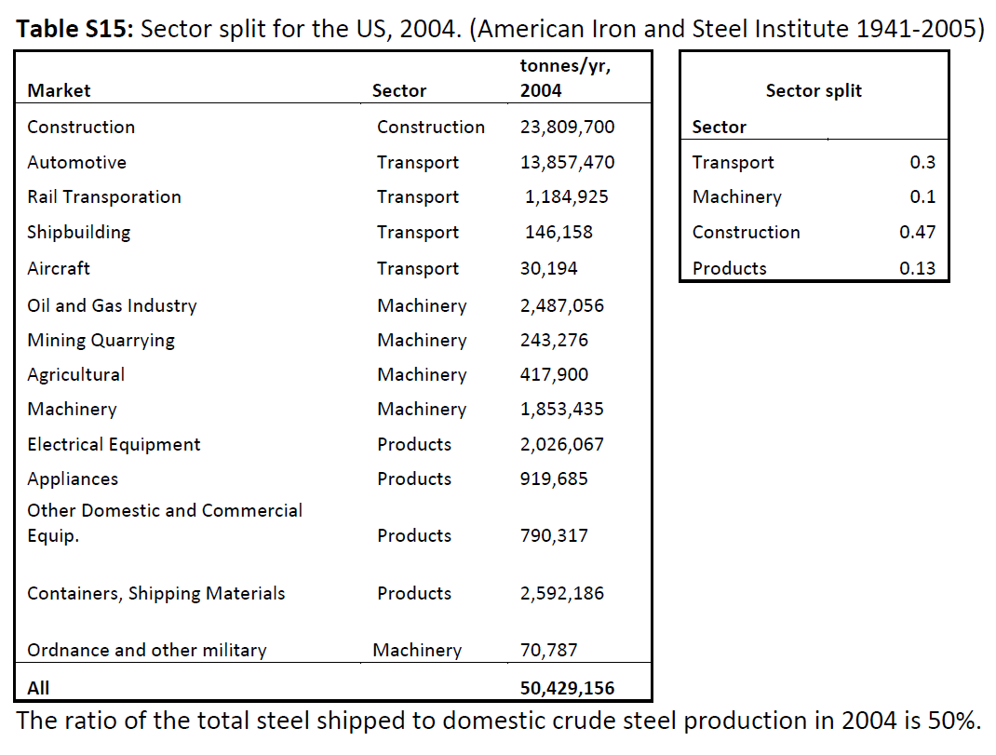

 |  |  |  |  | Construction Pauliuk | Automotive Pauliuk | Rail Transportation Pauliuk | Shipbuilding Pauliuk | Aircraft Pauliuk | Oil and Gas Industry Pauliuk | Mining Quarrying Pauliuk | Agriculture Pauliuk | Machinery Pauliuk | Electrical Equipment Pauliuk | Appliances Pauliuk | Other domestic and commerical equipment Pauliuk | Containers, shipping materials Pauliuk | Ordnance and military Pauliuk |  | sum
 |  |  |  |  | 23,809,700 | 13,857,470 | 1,184,925 | 146,158 | 30,194 | 2,487,056 | 243,276 | 417,900 | 1,853,435 | 2,026,067 | 919,685 | 790,317 | 2,592,186 | 70,787 |  | 50,429,156
 |  |  |  |  | 47.2% | 27.5% | 2.3% | 0.3% | 0.1% | 4.9% | 0.5% | 0.8% | 3.7% | 4.0% | 1.8% | 1.6% | 5.1% | 0.1%

 | Müller et al 2006
 | Exploring the engine of anthropogenic iron cycles
 | American Iron & Steel Institute reports domestic steel mill shipments for 1941-1999 (however data not available from this paper

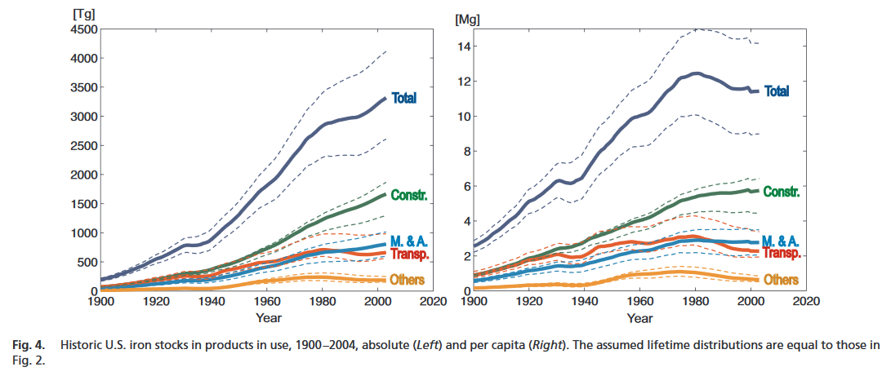

 | From YSTAFB:

 | From YSTAFB: domestic shipments (fabrication), estimated (Tg) |  |  |  |  |  |  | From YSTAFB: domestic aggregate use, estimated (Tg) |  |  |  |  |  | From YSTAFB: domestic shipments (fabrication), estimated (Tg) |  |  |  |  |  |  | From YSTAFB: domestic aggregate use, estimated (Tg)
 | Year | Construction | Transport | Machinery & Appliances | Other products |  |  | Construction | Transport | Machinery & Appliances | Other products |  | Year | Construction | Transport | Machinery & Appliances | Other products |  |  | Construction | Transport | Machinery & Appliances | Other products
 | 1900 | 7.39 | 3.03 | 1.63 | 0.67 |  |  | 7.39 | 3.03 | 1.63 | 0.67 |  | 1900 | 58% | 24% | 13% | 5% |  | 1900 | 58% | 24% | 13% | 5%
 | 1901 | 9.64 | 3.95 | 2.12 | 0.87 |  |  | 9.64 | 3.95 | 2.12 | 0.87 |  | 1901 | 58% | 24% | 13% | 5% |  | 1901 | 58% | 24% | 13% | 5%
 | 1902 | 11.25 | 4.61 | 2.48 | 1.01 |  |  | 11.25 | 4.61 | 2.48 | 1.01 |  | 1902 | 58% | 24% | 13% | 5% |  | 1902 | 58% | 24% | 13% | 5%
 | 1903 | 10.45 | 4.28 | 2.3 | 0.94 |  |  | 10.45 | 4.28 | 2.3 | 0.94 |  | 1903 | 58% | 24% | 13% | 5% |  | 1903 | 58% | 24% | 13% | 5%
 | 1904 | 10.45 | 4.28 | 2.3 | 0.94 |  |  | 10.45 | 4.28 | 2.3 | 0.94 |  | 1904 | 58% | 24% | 13% | 5% |  | 1904 | 58% | 24% | 13% | 5%
 | 1905 | 14.46 | 5.93 | 3.18 | 1.3 |  |  | 14.46 | 5.93 | 3.18 | 1.3 |  | 1905 | 58% | 24% | 13% | 5% |  | 1905 | 58% | 24% | 13% | 5%
 | 1906 | 16.88 | 6.92 | 3.71 | 1.52 |  |  | 16.88 | 6.92 | 3.71 | 1.52 |  | 1906 | 58% | 24% | 13% | 5% |  | 1906 | 58% | 24% | 13% | 5%
 | 1907 | 16.88 | 6.92 | 3.71 | 1.52 |  |  | 16.88 | 6.92 | 3.71 | 1.52 |  | 1907 | 58% | 24% | 13% | 5% |  | 1907 | 58% | 24% | 13% | 5%
 | 1908 | 10.45 | 4.28 | 2.3 | 0.94 |  |  | 10.45 | 4.28 | 2.3 | 0.94 |  | 1908 | 58% | 24% | 13% | 5% |  | 1908 | 58% | 24% | 13% | 5%
 | 1909 | 17.68 | 7.25 | 3.89 | 1.59 |  |  | 17.68 | 7.25 | 3.89 | 1.59 |  | 1909 | 58% | 24% | 13% | 5% |  | 1909 | 58% | 24% | 13% | 5%
 | 1910 | 19.29 | 7.91 | 4.24 | 1.74 |  |  | 19.29 | 7.91 | 4.24 | 1.74 |  | 1910 | 58% | 24% | 13% | 5% |  | 1910 | 58% | 24% | 13% | 5%
 | 1911 | 17.68 | 7.25 | 3.89 | 1.59 |  |  | 17.68 | 7.25 | 3.89 | 1.59 |  | 1911 | 58% | 24% | 13% | 5% |  | 1911 | 58% | 24% | 13% | 5%
 | 1912 | 22.5 | 9.23 | 4.95 | 2.03 |  |  | 22.5 | 9.23 | 4.95 | 2.03 |  | 1912 | 58% | 24% | 13% | 5% |  | 1912 | 58% | 24% | 13% | 5%
 | 1913 | 22.5 | 9.23 | 4.95 | 2.03 |  |  | 22.5 | 9.23 | 4.95 | 2.03 |  | 1913 | 58% | 24% | 13% | 5% |  | 1913 | 58% | 24% | 13% | 5%
 | 1914 | 16.23 | 6.66 | 3.57 | 1.46 |  |  | 16.23 | 6.66 | 3.57 | 1.46 |  | 1914 | 58% | 24% | 13% | 5% |  | 1914 | 58% | 24% | 13% | 5%
 | 1915 | 21.13 | 8.67 | 4.65 | 1.9 |  |  | 21.13 | 8.67 | 4.65 | 1.9 |  | 1915 | 58% | 24% | 13% | 5% |  | 1915 | 58% | 24% | 13% | 5%
 | 1916 | 27.24 | 11.17 | 5.99 | 2.45 |  |  | 27.24 | 11.17 | 5.99 | 2.45 |  | 1916 | 58% | 24% | 13% | 5% |  | 1916 | 58% | 24% | 13% | 5%
 | 1917 | 28.61 | 11.73 | 6.29 | 2.57 |  |  | 28.61 | 11.73 | 6.29 | 2.57 |  | 1917 | 58% | 24% | 13% | 5% |  | 1917 | 58% | 24% | 13% | 5%
 | 1918 | 28.45 | 11.66 | 6.26 | 2.56 |  |  | 28.45 | 11.66 | 6.26 | 2.56 |  | 1918 | 58% | 24% | 13% | 5% |  | 1918 | 58% | 24% | 13% | 5%
 | 1919 | 22.18 | 9.09 | 4.88 | 2 |  |  | 22.18 | 9.09 | 4.88 | 2 |  | 1919 | 58% | 24% | 13% | 5% |  | 1919 | 58% | 24% | 13% | 5%
 | 1920 | 27.16 | 11.14 | 5.98 | 2.44 |  |  | 27.16 | 11.14 | 5.98 | 2.44 |  | 1920 | 58% | 24% | 13% | 5% |  | 1920 | 58% | 24% | 13% | 5%
 | 1921 | 12.78 | 5.24 | 2.81 | 1.15 |  |  | 12.78 | 5.24 | 2.81 | 1.15 |  | 1921 | 58% | 24% | 13% | 5% |  | 1921 | 58% | 24% | 13% | 5%
 | 1922 | 24.51 | 10.05 | 5.39 | 2.21 |  |  | 24.51 | 10.05 | 5.39 | 2.21 |  | 1922 | 58% | 24% | 13% | 5% |  | 1922 | 58% | 24% | 13% | 5%
 | 1923 | 31.34 | 12.85 | 6.89 | 2.82 |  |  | 31.34 | 12.85 | 6.89 | 2.82 |  | 1923 | 58% | 24% | 13% | 5% |  | 1923 | 58% | 24% | 13% | 5%
 | 1924 | 26.2 | 10.74 | 5.76 | 2.36 |  |  | 26.2 | 10.74 | 5.76 | 2.36 |  | 1924 | 58% | 24% | 13% | 5% |  | 1924 | 58% | 24% | 13% | 5%
 | 1925 | 31.58 | 12.95 | 6.95 | 2.84 |  |  | 31.58 | 12.95 | 6.95 | 2.84 |  | 1925 | 58% | 24% | 13% | 5% |  | 1925 | 58% | 24% | 13% | 5%
 | 1926 | 33.35 | 13.67 | 7.34 | 3 |  |  | 33.35 | 13.67 | 7.34 | 3 |  | 1926 | 58% | 24% | 13% | 5% |  | 1926 | 58% | 24% | 13% | 5%
 | 1927 | 31.02 | 12.72 | 6.82 | 2.79 |  |  | 31.02 | 12.72 | 6.82 | 2.79 |  | 1927 | 58% | 24% | 13% | 5% |  | 1927 | 58% | 24% | 13% | 5%
 | 1928 | 35.44 | 14.53 | 7.8 | 3.19 |  |  | 35.44 | 14.53 | 7.8 | 3.19 |  | 1928 | 58% | 24% | 13% | 5% |  | 1928 | 58% | 24% | 13% | 5%
 | 1929 | 38.73 | 15.88 | 8.52 | 3.49 |  |  | 38.73 | 15.88 | 8.52 | 3.49 |  | 1929 | 58% | 24% | 13% | 5% |  | 1929 | 58% | 24% | 13% | 5%
 | 1930 | 28.37 | 11.63 | 6.24 | 2.55 |  |  | 28.37 | 11.63 | 6.24 | 2.55 |  | 1930 | 58% | 24% | 13% | 5% |  | 1930 | 58% | 24% | 13% | 5%
 | 1931 | 18.48 | 7.58 | 4.07 | 1.66 |  |  | 18.48 | 7.58 | 4.07 | 1.66 |  | 1931 | 58% | 24% | 13% | 5% |  | 1931 | 58% | 24% | 13% | 5%
 | 1932 | 9.88 | 4.05 | 2.17 | 0.89 |  |  | 9.88 | 4.05 | 2.17 | 0.89 |  | 1932 | 58% | 24% | 13% | 5% |  | 1932 | 58% | 24% | 13% | 5%
 | 1933 | 16.71 | 6.85 | 3.68 | 1.5 |  |  | 16.71 | 6.85 | 3.68 | 1.5 |  | 1933 | 58% | 24% | 13% | 5% |  | 1933 | 58% | 24% | 13% | 5%
 | 1934 | 18.4 | 7.55 | 4.05 | 1.66 |  |  | 18.4 | 7.55 | 4.05 | 1.66 |  | 1934 | 58% | 24% | 13% | 5% |  | 1934 | 58% | 24% | 13% | 5%
 | 1935 | 21.78 | 8.93 | 4.79 | 1.96 |  |  | 21.78 | 8.93 | 4.79 | 1.96 |  | 1935 | 58% | 24% | 13% | 5% |  | 1935 | 58% | 24% | 13% | 5%
 | 1936 | 34.23 | 14.04 | 7.53 | 3.08 |  |  | 34.23 | 14.04 | 7.53 | 3.08 |  | 1936 | 58% | 24% | 13% | 5% |  | 1936 | 58% | 24% | 13% | 5%
 | 1937 | 36.72 | 15.06 | 8.08 | 3.31 |  |  | 36.72 | 15.06 | 8.08 | 3.31 |  | 1937 | 58% | 24% | 13% | 5% |  | 1937 | 58% | 24% | 13% | 5%
 | 1938 | 20.49 | 8.4 | 4.51 | 1.84 |  |  | 20.49 | 8.4 | 4.51 | 1.84 |  | 1938 | 58% | 24% | 13% | 5% |  | 1938 | 58% | 24% | 13% | 5%
 | 1939 | 47.09 | 19.31 | 10.36 | 4.24 |  |  | 47.09 | 19.31 | 10.36 | 4.24 |  | 1939 | 58% | 24% | 13% | 5% |  | 1939 | 58% | 24% | 13% | 5%
 | 1940 | 56.81 | 23.29 | 12.5 | 5.11 |  |  | 56.81 | 23.29 | 12.5 | 5.11 |  | 1940 | 58% | 24% | 13% | 5% |  | 1940 | 58% | 24% | 13% | 5%
 | 1941 | 55.69 | 23.27 | 12.26 | 4.72 |  |  | 55.69 | 23.27 | 12.26 | 4.72 |  | 1941 | 58% | 24% | 13% | 5% |  | 1941 | 58% | 24% | 13% | 5%
 | 1942 | 57.54 | 25.45 | 10.95 | 6.25 |  |  | 57.54 | 25.45 | 10.95 | 6.25 |  | 1942 | 57% | 25% | 11% | 6% |  | 1942 | 57% | 25% | 11% | 6%
 | 1943 | 59.63 | 29.91 | 12.14 | 7.13 |  |  | 59.63 | 29.91 | 12.14 | 7.13 |  | 1943 | 55% | 27% | 11% | 7% |  | 1943 | 55% | 27% | 11% | 7%
 | 1944 | 61.07 | 29.61 | 12.7 | 7.35 |  |  | 61.07 | 29.61 | 12.7 | 7.35 |  | 1944 | 55% | 27% | 11% | 7% |  | 1944 | 55% | 27% | 11% | 7%
 | 1945 | 56.57 | 22.05 | 14.29 | 7.31 |  |  | 56.57 | 22.05 | 14.29 | 7.31 |  | 1945 | 56% | 22% | 14% | 7% |  | 1945 | 56% | 22% | 14% | 7%
 | 1946 | 47.17 | 15.46 | 11.6 | 7.94 |  |  | 47.17 | 15.46 | 11.6 | 7.94 |  | 1946 | 57% | 19% | 14% | 10% |  | 1946 | 57% | 19% | 14% | 10%
 | 1947 | 59.79 | 20 | 14.72 | 9.33 |  |  | 59.79 | 20 | 14.72 | 9.33 |  | 1947 | 58% | 19% | 14% | 9% |  | 1947 | 58% | 19% | 14% | 9%
 | 1948 | 63.16 | 21.29 | 15.75 | 9.59 |  |  | 63.16 | 21.29 | 15.75 | 9.59 |  | 1948 | 58% | 19% | 14% | 9% |  | 1948 | 58% | 19% | 14% | 9%
 | 1949 | 55.37 | 19.62 | 12.75 | 7.94 |  |  | 55.37 | 19.62 | 12.75 | 7.94 |  | 1949 | 58% | 21% | 13% | 8% |  | 1949 | 58% | 21% | 13% | 8%
 | 1950 | 70.32 | 24.33 | 17.18 | 10.34 |  |  | 70.32 | 24.33 | 17.18 | 10.34 |  | 1950 | 58% | 20% | 14% | 8% |  | 1950 | 58% | 20% | 14% | 8%
 | 1951 | 77.2 | 25.83 | 19.17 | 11.92 |  |  | 77.16 | 25.81 | 19.13 | 11.93 |  | 1951 | 58% | 19% | 14% | 9% |  | 1951 | 58% | 19% | 14% | 9%
 | 1952 | 65.53 | 21.65 | 16.14 | 10.58 |  |  | 65.43 | 21.61 | 16.06 | 10.61 |  | 1952 | 58% | 19% | 14% | 9% |  | 1952 | 58% | 19% | 14% | 9%
 | 1953 | 79.89 | 27.26 | 19.09 | 12.47 |  |  | 79.75 | 27.2 | 18.97 | 12.51 |  | 1953 | 58% | 20% | 14% | 9% |  | 1953 | 58% | 20% | 14% | 9%
 | 1954 | 62.67 | 19.66 | 14.54 | 10.24 |  |  | 62.48 | 19.57 | 14.39 | 10.29 |  | 1954 | 59% | 18% | 14% | 10% |  | 1954 | 59% | 18% | 13% | 10%
 | 1955 | 82.65 | 29.02 | 19.53 | 12.2 |  |  | 82.42 | 28.92 | 19.33 | 12.27 |  | 1955 | 58% | 20% | 14% | 9% |  | 1955 | 58% | 20% | 14% | 9%
 | 1956 | 81.83 | 25.61 | 20.38 | 12.46 |  |  | 81.55 | 25.48 | 20.14 | 12.55 |  | 1956 | 58% | 18% | 15% | 9% |  | 1956 | 58% | 18% | 14% | 9%
 | 1957 | 78.67 | 25.6 | 18.09 | 10.9 |  |  | 78.34 | 25.45 | 17.82 | 11 |  | 1957 | 59% | 19% | 14% | 8% |  | 1957 | 59% | 19% | 13% | 8%
 | 1958 | 60.97 | 17.32 | 14.77 | 10.9 |  |  | 60.59 | 17.15 | 14.45 | 11.01 |  | 1958 | 59% | 17% | 14% | 10% |  | 1958 | 59% | 17% | 14% | 11%
 | 1959 | 69.86 | 22.68 | 17.07 | 10.87 |  |  | 69.44 | 22.49 | 16.71 | 10.99 |  | 1959 | 58% | 19% | 14% | 9% |  | 1959 | 58% | 19% | 14% | 9%
 | 1960 | 72.41 | 23.89 | 16.91 | 11.37 |  |  | 71.94 | 23.68 | 16.51 | 11.51 |  | 1960 | 58% | 19% | 14% | 9% |  | 1960 | 58% | 19% | 13% | 9%
 | 1961 | 71.99 | 21.78 | 16.71 | 12.04 |  |  | 71.47 | 21.54 | 16.28 | 12.19 |  | 1961 | 59% | 18% | 14% | 10% |  | 1961 | 59% | 18% | 13% | 10%
 | 1962 | 72.85 | 23.92 | 16.55 | 11.71 |  |  | 72.28 | 23.66 | 16.08 | 11.88 |  | 1962 | 58% | 19% | 13% | 9% |  | 1962 | 58% | 19% | 13% | 10%
 | 1963 | 81.61 | 27.87 | 18.62 | 12.14 |  |  | 81.25 | 27.8 | 18.17 | 12.3 |  | 1963 | 58% | 20% | 13% | 9% |  | 1963 | 58% | 20% | 13% | 9%
 | 1964 | 94.4 | 32.63 | 22.05 | 13.2 |  |  | 94.23 | 32.74 | 21.63 | 13.36 |  | 1964 | 58% | 20% | 14% | 8% |  | 1964 | 58% | 20% | 13% | 8%
 | 1965 | 100.76 | 34.88 | 24.42 | 14.13 |  |  | 100.79 | 35.17 | 24.02 | 14.28 |  | 1965 | 58% | 20% | 14% | 8% |  | 1965 | 58% | 20% | 14% | 8%
 | 1966 | 103.9 | 35.13 | 25.29 | 14.48 |  |  | 104.13 | 35.59 | 24.91 | 14.62 |  | 1966 | 58% | 20% | 14% | 8% |  | 1966 | 58% | 20% | 14% | 8%
 | 1967 | 99 | 32.16 | 23.35 | 15.72 |  |  | 99.43 | 32.8 | 23 | 15.86 |  | 1967 | 58% | 19% | 14% | 9% |  | 1967 | 58% | 19% | 13% | 9%
 | 1968 | 106.97 | 35.53 | 24.73 | 16.85 |  |  | 107.6 | 36.35 | 24.4 | 16.98 |  | 1968 | 58% | 19% | 13% | 9% |  | 1968 | 58% | 20% | 13% | 9%
 | 1969 | 108.5 | 35.97 | 26.24 | 16.31 |  |  | 109.33 | 36.97 | 25.94 | 16.43 |  | 1969 | 58% | 19% | 14% | 9% |  | 1969 | 58% | 20% | 14% | 9%
 | 1970 | 99.59 | 30.13 | 25.12 | 16.33 |  |  | 100.61 | 31.3 | 24.84 | 16.45 |  | 1970 | 58% | 18% | 15% | 10% |  | 1970 | 58% | 18% | 14% | 9%
 | 1971 | 97.91 | 32.85 | 23.63 | 14.88 |  |  | 99.13 | 34.21 | 23.38 | 15 |  | 1971 | 58% | 19% | 14% | 9% |  | 1971 | 58% | 20% | 14% | 9%
 | 1972 | 106.72 | 35.4 | 27.67 | 15.21 |  |  | 108.09 | 36.82 | 27.4 | 15.43 |  | 1972 | 58% | 19% | 15% | 8% |  | 1972 | 58% | 20% | 15% | 8%
 | 1973 | 116.33 | 39.34 | 28.89 | 15.81 |  |  | 117.86 | 40.83 | 28.6 | 16.13 |  | 1973 | 58% | 20% | 14% | 8% |  | 1973 | 58% | 20% | 14% | 8%
 | 1974 | 111.48 | 34.66 | 28.37 | 15.87 |  |  | 113.15 | 36.23 | 28.07 | 16.28 |  | 1974 | 59% | 18% | 15% | 8% |  | 1974 | 58% | 19% | 14% | 8%
 | 1975 | 74.8 | 24.74 | 18.62 | 10.38 |  |  | 76.63 | 26.38 | 18.3 | 10.89 |  | 1975 | 58% | 19% | 14% | 8% |  | 1975 | 58% | 20% | 14% | 8%
 | 1976 | 82.48 | 30.58 | 20.42 | 11.6 |  |  | 84.46 | 32.28 | 20.09 | 12.2 |  | 1976 | 57% | 21% | 14% | 8% |  | 1976 | 57% | 22% | 13% | 8%
 | 1977 | 93.1 | 34.26 | 22.86 | 12.75 |  |  | 95.23 | 36.03 | 22.52 | 13.45 |  | 1977 | 57% | 21% | 14% | 8% |  | 1977 | 57% | 22% | 13% | 8%
 | 1978 | 97.36 | 34.43 | 25.03 | 12.74 |  |  | 99.65 | 36.27 | 24.67 | 13.54 |  | 1978 | 57% | 20% | 15% | 8% |  | 1978 | 57% | 21% | 14% | 8%
 | 1979 | 100.06 | 33.38 | 26.69 | 13.56 |  |  | 102.49 | 35.28 | 26.31 | 14.46 |  | 1979 | 58% | 19% | 15% | 8% |  | 1979 | 57% | 20% | 15% | 8%
 | 1980 | 84.46 | 24.81 | 22.42 | 11.52 |  |  | 87.04 | 26.79 | 22.03 | 12.52 |  | 1980 | 59% | 17% | 16% | 8% |  | 1980 | 59% | 18% | 15% | 8%
 | 1981 | 90.31 | 25.9 | 25.11 | 11.68 |  |  | 93.05 | 27.95 | 24.7 | 12.77 |  | 1981 | 59% | 17% | 16% | 8% |  | 1981 | 59% | 18% | 16% | 8%
 | 1982 | 66.48 | 18.7 | 18.04 | 10.1 |  |  | 69.55 | 20.9 | 17.79 | 11.23 |  | 1982 | 59% | 17% | 16% | 9% |  | 1982 | 58% | 17% | 15% | 9%
 | 1983 | 69.19 | 21.42 | 18.95 | 9.84 |  |  | 72.6 | 23.77 | 18.85 | 11 |  | 1983 | 58% | 18% | 16% | 8% |  | 1983 | 58% | 19% | 15% | 9%
 | 1984 | 83.38 | 26.06 | 23.43 | 11 |  |  | 87.12 | 28.55 | 23.49 | 12.2 |  | 1984 | 58% | 18% | 16% | 8% |  | 1984 | 58% | 19% | 16% | 8%
 | 1985 | 80.83 | 25.01 | 21.83 | 10.23 |  |  | 84.91 | 27.65 | 22.04 | 11.46 |  | 1985 | 59% | 18% | 16% | 7% |  | 1985 | 58% | 19% | 15% | 8%
 | 1986 | 72.36 | 21.72 | 20.61 | 9.63 |  |  | 76.78 | 24.51 | 20.97 | 10.89 |  | 1986 | 58% | 17% | 17% | 8% |  | 1986 | 58% | 18% | 16% | 8%
 | 1987 | 73.14 | 20.42 | 22.43 | 9.56 |  |  | 77.9 | 23.35 | 22.96 | 10.86 |  | 1987 | 58% | 16% | 18% | 8% |  | 1987 | 58% | 17% | 17% | 8%
 | 1988 | 78.32 | 21.97 | 24.2 | 9.53 |  |  | 83.41 | 25.05 | 24.87 | 10.86 |  | 1988 | 58% | 16% | 18% | 7% |  | 1988 | 58% | 17% | 17% | 8%
 | 1989 | 73.8 | 21 | 23.13 | 9.42 |  |  | 79.23 | 24.22 | 23.97 | 10.78 |  | 1989 | 58% | 16% | 18% | 7% |  | 1989 | 57% | 18% | 17% | 8%
 | 1990 | 75.27 | 20.12 | 24.39 | 9.28 |  |  | 81.04 | 23.5 | 25.38 | 10.68 |  | 1990 | 58% | 16% | 19% | 7% |  | 1990 | 58% | 17% | 18% | 8%
 | 1991 | 68.47 | 18.22 | 21.61 | 8.65 |  |  | 75.08 | 22.11 | 22.85 | 10.14 |  | 1991 | 59% | 16% | 18% | 7% |  | 1991 | 58% | 17% | 18% | 8%
 | 1992 | 73.09 | 19.83 | 23.27 | 8.57 |  |  | 80.54 | 24.22 | 24.76 | 10.14 |  | 1992 | 59% | 16% | 19% | 7% |  | 1992 | 58% | 17% | 18% | 7%
 | 1993 | 77.94 | 21.77 | 24.1 | 9.15 |  |  | 86.24 | 26.67 | 25.84 | 10.81 |  | 1993 | 59% | 16% | 18% | 7% |  | 1993 | 58% | 18% | 17% | 7%
 | 1994 | 88.09 | 25.38 | 27.3 | 9.93 |  |  | 97.23 | 30.79 | 29.29 | 11.68 |  | 1994 | 58% | 17% | 18% | 7% |  | 1994 | 58% | 18% | 17% | 7%
 | 1995 | 86.58 | 24.27 | 26.2 | 10.17 |  |  | 96.57 | 30.19 | 28.43 | 12 |  | 1995 | 59% | 16% | 18% | 7% |  | 1995 | 58% | 18% | 17% | 7%
 | 1996 | 91.72 | 25.69 | 27.75 | 9.69 |  |  | 102.55 | 32.12 | 30.23 | 11.62 |  | 1996 | 59% | 17% | 18% | 6% |  | 1996 | 58% | 18% | 17% | 7%
 | 1997 | 96.85 | 26.76 | 29.78 | 10.09 |  |  | 108.53 | 33.69 | 32.51 | 12.1 |  | 1997 | 59% | 16% | 18% | 6% |  | 1997 | 58% | 18% | 17% | 6%
 | 1998 | 100.3 | 29.53 | 29.81 | 10.5 |  |  | 112.82 | 36.97 | 32.78 | 12.6 |  | 1998 | 59% | 17% | 18% | 6% |  | 1998 | 58% | 19% | 17% | 6%
 | 1999 | 98.7 | 28 | 29.2 | 9.81 |  |  | 112.06 | 35.95 | 32.42 | 12 |  | 1999 | 60% | 17% | 18% | 6% |  | 1999 | 58% | 19% | 17% | 6%
 | 2000 | 102.16 | 29.27 | 30.48 | 9.72 |  |  | 116.37 | 37.72 | 33.95 | 12 |  | 2000 | 60% | 17% | 18% | 6% |  | 2000 | 58% | 19% | 17% | 6%

 | SYNTHESIS

 | Year | Service centers and distributors USGS+Trade | Construction USGS+Trade | Transportation USGS+Trade | Containers USGS+Trade | Other USGS+Trade | Undistributed USGS+Trade | Transport Pauliuk | Machinery Pauliuk | Construction Pauliuk | Products Pauliuk | Construction YSTAFB | Transport YSTAFB | Machinery & Appliances YSTAFB | Other products YSTAFB | Construction Pauliuk | Automotive Pauliuk | Rail Transportation Pauliuk | Shipbuilding Pauliuk | Aircraft Pauliuk | Oil and Gas Industry Pauliuk | Mining Quarrying Pauliuk | Agriculture Pauliuk | Machinery Pauliuk | Electrical Equipment Pauliuk | Appliances Pauliuk | Other domestic and commerical equipment Pauliuk | Containers, shipping materials Pauliuk | Ordnance and military Pauliuk
 | 1963 |  |  |  |  |  |  |  |  |  |  | 58% | 20% | 13% | 9%
 | 1964 |  |  |  |  |  |  |  |  |  |  | 58% | 20% | 13% | 8%
 | 1965 |  |  |  |  |  |  |  |  |  |  | 58% | 20% | 14% | 8%
 | 1966 |  |  |  |  |  |  |  |  |  |  | 58% | 20% | 14% | 8%
 | 1967 |  |  |  |  |  |  |  |  |  |  | 58% | 19% | 13% | 9%
 | 1968 |  |  |  |  |  |  |  |  |  |  | 58% | 20% | 13% | 9%
 | 1969 |  |  |  |  |  |  |  |  |  |  | 58% | 20% | 14% | 9%
 | 1970 |  |  |  |  |  |  |  |  |  |  | 58% | 18% | 14% | 9%
 | 1971 |  |  |  |  |  |  |  |  |  |  | 58% | 20% | 14% | 9%
 | 1972 |  |  |  |  |  |  |  |  |  |  | 58% | 20% | 15% | 8%
 | 1973 |  |  |  |  |  |  |  |  |  |  | 58% | 20% | 14% | 8%
 | 1974 |  |  |  |  |  |  |  |  |  |  | 58% | 19% | 14% | 8%
 | 1975 |  |  |  |  |  |  |  |  |  |  | 58% | 20% | 14% | 8%
 | 1976 |  |  |  |  |  |  |  |  |  |  | 57% | 22% | 13% | 8%
 | 1977 |  |  |  |  |  |  |  |  |  |  | 57% | 22% | 13% | 8%
 | 1978 |  |  |  |  |  |  |  |  |  |  | 57% | 21% | 14% | 8%
 | 1979 | 16% | 12% | 20% | 6% | 32% | 14% |  |  |  |  | 57% | 20% | 15% | 8%
 | 1980 | 17% | 12% | 17% | 6% | 34% | 14% |  |  |  |  | 59% | 18% | 15% | 8%
 | 1981 | 17% | 11% | 16% | 5% | 35% | 16% |  |  |  |  | 59% | 18% | 16% | 8%
 | 1982 | 18% | 12% | 14% | 6% | 31% | 19% |  |  |  |  | 58% | 17% | 15% | 9%
 | 1983 | 20% | 12% | 17% | 5% | 27% | 18% |  |  |  |  | 58% | 19% | 15% | 9%
 | 1984 | 19% | 11% | 15% | 4% | 26% | 25% |  |  |  |  | 58% | 19% | 16% | 8%
 | 1985 | 19% | 12% | 16% | 4% | 25% | 23% |  |  |  |  | 58% | 19% | 15% | 8%
 | 1986 | 20% | 12% | 15% | 5% | 27% | 21% |  |  |  |  | 58% | 18% | 16% | 8%
 | 1987 | 21% | 12% | 14% | 5% | 30% | 19% |  |  |  |  | 58% | 17% | 17% | 8%
 | 1988 | 21% | 12% | 14% | 4% | 31% | 17% |  |  |  |  | 58% | 17% | 17% | 8%
 | 1989 | 23% | 13% | 14% | 5% | 35% | 11% |  |  |  |  | 57% | 18% | 17% | 8%
 | 1990 | 23% | 13% | 14% | 5% | 35% | 11% |  |  |  |  | 58% | 17% | 18% | 8%
 | 1991 | 23% | 13% | 14% | 5% | 36% | 8% |  |  |  |  | 58% | 17% | 18% | 8%
 | 1992 | 23% | 13% | 14% | 4% | 35% | 11% |  |  |  |  | 58% | 17% | 18% | 7%
 | 1993 | 24% | 13% | 14% | 4% | 34% | 10% |  |  |  |  | 58% | 18% | 17% | 7%
 | 1994 | 21% | 13% | 14% | 4% | 32% | 16% |  |  |  |  | 58% | 18% | 17% | 7%
 | 1995 | 21% | 13% | 14% | 4% | 35% | 14% |  |  |  |  | 58% | 18% | 17% | 7%
 | 1996 | 23% | 13% | 13% | 3% | 32% | 15% |  |  |  |  | 58% | 18% | 17% | 7%
 | 1997 | 22% | 12% | 13% | 3% | 34% | 15% |  |  |  |  | 58% | 18% | 17% | 6%
 | 1998 | 20% | 11% | 14% | 3% | 31% | 20% |  |  |  |  | 58% | 19% | 17% | 6%
 | 1999 | 21% | 14% | 16% | 3% | 31% | 16% |  |  |  |  | 58% | 19% | 17% | 6%
 | 2000 | 21% | 15% | 15% | 3% | 30% | 16% |  |  |  |  | 58% | 19% | 17% | 6%
 | 2001 | 21% | 18% | 15% | 2% | 29% | 15%
 | 2002 | 22% | 17% | 15% | 2% | 30% | 14%
 | 2003 | 23% | 20% | 16% | 2% | 30% | 9%
 | 2004 |  |  |  |  |  |  | 30% | 10% | 47% | 13% |  |  |  |  | 47% | 27% | 2% | 0% | 0% | 5% | 0% | 1% | 4% | 4% | 2% | 2% | 5% | 0%

Cement
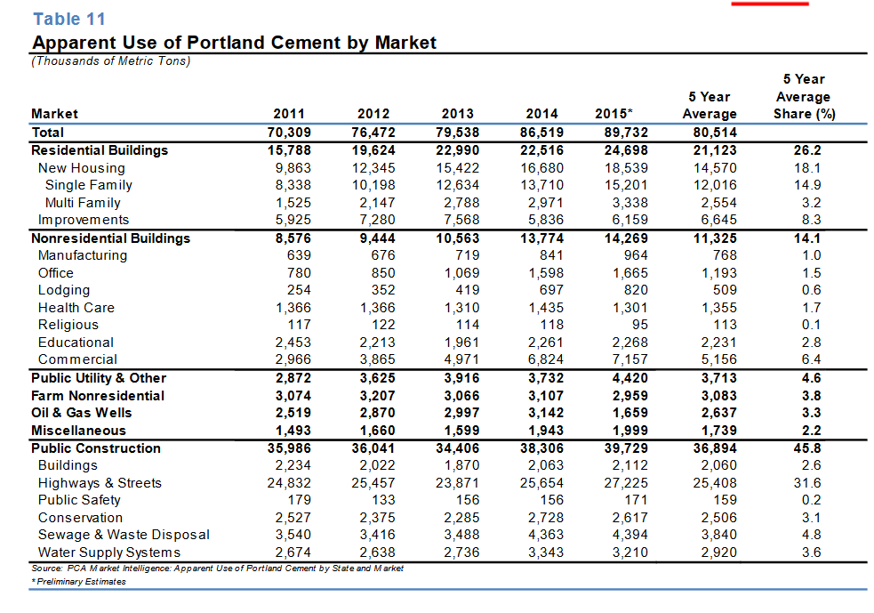
 | from PCA reconstructed
 | http://www2.cement.org/econ/pdf/Yearbook2016_2sided.pdf

Year | Residential Buildings PCA | Single Family New PCA | Multifamily New PCA | Res. Buildungs improvements PCA | Nonresidential buildings PCA | Manufacturing PCA | Office PCA | Lodging PCA | Health Care PCA | Religious PCA | Educational PCA | Commeric PCA | Public Utility & Other PCA | Farm nonres PCA | Oil & Gas Wells PCA | Misc PCA | Public constr PCA | Buildings PCA | Highways & Streets PCA | Public Safety PCA | Conservation PCA | Sewage & Waste Dispisal PCA | Water supply systesm PCA | sum | sum-sub
2011 | 15788 | 8338 | 1525 | 5925 | 8576 | 639 | 780 | 254 | 1366 | 117 | 2453 | 2966 | 2872 | 3074 | 2519 | 1493 | 35986 | 2234 | 24832 | 179 | 2527 | 3540 | 2674 | 70308 | 70307
2012 | 19624 | 10198 | 2147 | 7280 | 9444 | 676 | 850 | 352 | 1366 | 122 | 2213 | 3865 | 3625 | 3207 | 2870 | 1660 | 36041 | 2022 | 25457 | 133 | 2375 | 2416 | 2638 | 76471 | 75472
2013 | 22990 | 12634 | 2788 | 7568 | 10563 | 719 | 1069 | 419 | 1310 | 114 | 1961 | 4971 | 3916 | 3066 | 2997 | 1599 | 34406 | 1870 | 23871 | 156 | 2285 | 3488 | 2736 | 79537 | 79537
2014 | 22516 | 13710 | 2971 | 5836 | 13774 | 841 | 1598 | 697 | 1435 | 118 | 2261 | 6824 | 3732 | 3107 | 3142 | 1943 | 38306 | 2063 | 25654 | 156 | 2728 | 4363 | 3343 | 86520 | 86522
2015 | 24698 | 15201 | 3338 | 6159 | 14269 | 964 | 1665 | 820 | 1301 | 95 | 2268 | 7157 | 4420 | 2959 | 1659 | 1999 | 39729 | 2112 | 27225 | 171 | 2617 | 4394 | 3210 | 89733 | 89734

2011 | 22% | 12% | 2% | 8% | 12% | 1% | 1% | 0% | 2% | 0% | 3% | 4% | 4% | 4% | 4% | 2% | 51% | 3% | 35% | 0% | 4% | 5% | 4% | 100.0% | 100%
2012 | 26% | 14% | 3% | 10% | 12% | 1% | 1% | 0% | 2% | 0% | 3% | 5% | 5% | 4% | 4% | 2% | 47% | 3% | 34% | 0% | 3% | 3% | 3% | 100.0% | 0.99803330214
2013 | 29% | 16% | 4% | 10% | 13% | 1% | 1% | 1% | 2% | 0% | 2% | 6% | 5% | 4% | 4% | 2% | 43% | 2% | 30% | 0% | 3% | 4% | 3% | 100.0% | 1
2014 | 26% | 16% | 3% | 7% | 16% | 1% | 2% | 1% | 2% | 0% | 3% | 8% | 4% | 4% | 4% | 2% | 44% | 2% | 30% | 0% | 3% | 5% | 4% | 100.0% | 1.0000031857
2015 | 28% | 17% | 4% | 7% | 16% | 1% | 2% | 1% | 1% | 0% | 3% | 8% | 5% | 3% | 2% | 2% | 44% | 2% | 30% | 0% | 3% | 5% | 4% | 100.0% | 1.0000013707

 | from Figure 2 Cement end-use market in the United States, 2003. Data source: Portland Cement Association (2005).
 | Cement | Utilities | USA | 2003 | 1% | phy | Kapur et al 2008
 | Cement | Residential buildings | USA | 2003 | 31% | phy | Kapur et al 2008
 | Cement | Commercial buildings | USA | 2003 | 10% | phy | Kapur et al 2008
 | Cement | Water and waste management | USA | 2003 | 8% | phy | Kapur et al 2008
 | Cement | Streets and Highways | USA | 2003 | 33% | phy | Kapur et al 2008
 | Cement | Public Buildings | USA | 2003 | 6% | phy | Kapur et al 2008
 | Cement | Farm construction | USA | 2003 | 5% | phy | Kapur et al 2008
 |  | Others | USA | 2004 | 6%

 | CEMENT END-USE STATISTICS1, 2
 | U.S.GEOLOGICAL SURVEY
 | [Metric tons]
 | Last modification: September 15, 2005
 | Year | Adjusted portland cement shipments by type of final costumer3 |  |  |  |  |  | Total portland cement | Masonry cement | Apparent consumption4
 |  | Ready-mix concrete | Concrete products | Contractors | Building material dealers | Oil well, mining, and waste stabilization | Government and miscellaneous
 | 1975 | 39,471,000 | 8,425,000 | 7,329,000 | 4,503,000 |  | 1,274,000 | 61,002,000 | 2,606,000 | 63,608,000
 | 1976 | 42,244,000 | 9,059,000 | 7,550,000 | 4,530,000 |  | 1,164,000 | 64,546,000 | 2,963,000 | 67,509,000
 | 1977 | 46,710,000 | 9,751,000 | 7,246,000 | 4,951,000 |  | 1,413,000 | 70,071,000 | 3,356,000 | 73,427,000
 | 1978 | 50,932,000 | 10,485,000 | 7,205,000 | 5,524,000 |  | 1,450,000 | 75,597,000 | 3,691,000 | 79,288,000
 | 1979 | 50,103,000 | 10,757,000 | 7,059,000 | 6,313,000 |  | 1,388,000 | 75,620,000 | 3,344,000 | 78,964,000
 | 1980 | 45,818,000 | 8,794,000 | 7,097,000 | 4,509,000 |  | 1,230,000 | 67,448,000 | 2,724,000 | 70,173,000
 | 1981 | 43,840,000 | 7,609,000 | 7,118,000 | 3,530,000 |  | 1,549,000 | 63,645,000 | 2,447,000 | 66,092,000
 | 1982 | 39,335,000 | 6,832,000 | 6,604,000 | 3,312,000 |  | 1,332,000 | 57,415,000 | 2,157,000 | 59,572,000
 | 1983 | 43,325,000 | 7,464,000 | 7,370,000 | 3,824,000 |  | 1,247,000 | 63,229,000 | 2,609,000 | 65,838,000
 | 1984 | 50,732,000 | 9,343,000 | 7,551,000 | 4,181,000 |  | 1,438,000 | 73,244,000 | 2,942,000 | 76,186,000
 | 1985 | 53,210,000 | 9,293,000 | 7,890,000 | 4,149,000 |  | 1,333,000 | 75,875,000 | 2,961,000 | 78,836,000
 | 1986 | 57,233,000 | 9,394,000 | 7,440,000 | 3,945,000 |  | 1,599,000 | 79,611,000 | 3,226,000 | 82,837,000
 | 1987 | 59,575,000 | 9,295,000 | 6,787,000 | 3,657,000 |  | 1,510,000 | 80,823,000 | 3,381,000 | 84,204,000
 | 1988 | 59,844,000 | 9,100,000 | 6,371,000 | 3,064,000 |  | 2,106,000 | 80,485,000 | 3,367,000 | 83,851,000
 | 1989 | 58,302,000 | 9,031,000 | 6,674,000 | 3,326,000 |  | 2,021,000 | 79,353,000 | 3,061,000 | 82,414,000
 | 1990 | 56,490,000 | 9,311,000 | 6,159,000 | 3,356,000 |  | 2,655,000 | 77,971,000 | 2,994,000 | 80,964,000
 | 1991 | 48,079,000 | 8,955,000 | 5,571,000 | 3,037,000 |  | 3,663,000 | 69,305,000 | 2,495,000 | 71,800,000
...
 | CEMENT END-USE STATISTICS1, 2
 | 1999 | 76,018,000 | 12,844,000 | 8,610,000 | 4,468,000 | 1,128,000 | 1,128,000 | 104,200,000 | 4,353,000 | 108,550,000
 | 2000 | 77,632,000 | 14,002,000 | 7,411,000 | 3,690,000 | 1,462,000 | 1,125,000 | 105,320,000 | 4,333,000 | 109,660,000
 | 2001 | 80,901,000 | 14,074,000 | 6,777,000 | 3,713,000 | 1,912,000 | 836,000 | 108,210,000 | 4,482,000 | 112,690,000
 | 2002 | 77,784,000 | 13,680,000 | 6,560,000 | 3,085,000 | 1,178,000 | 1,618,000 | 103,910,000 | 4,435,000 | 108,340,000
 | 2003 | 79,883,000 | 14,864,000 | 6,866,000 | 3,650,000 | 1,456,000 | 980,000 | 107,700,000 | 4,745,000 | 112,440,000
 | 1Compiled by G.R. Matos and H.G. van Oss.
 | 2Data exclude Puerto Rico.
 | 3Data do not match portland cement shipments to customers as shown in Minerals Yearbook. See notes for more detail.
 | 4Apparent consumption is the total sales to final customers of portland cement and masonry cement. See notes for more detail.

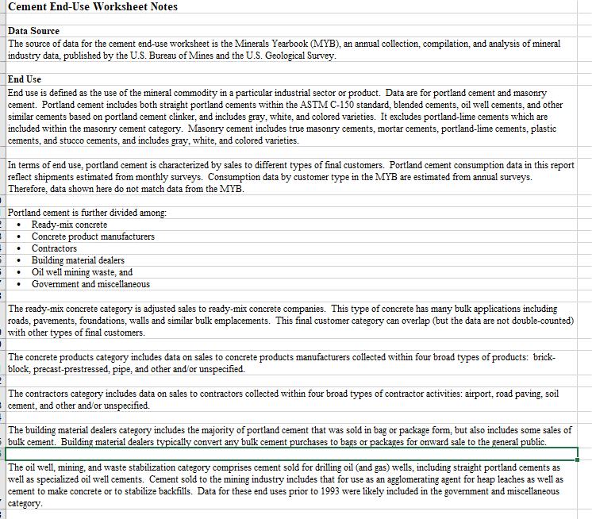

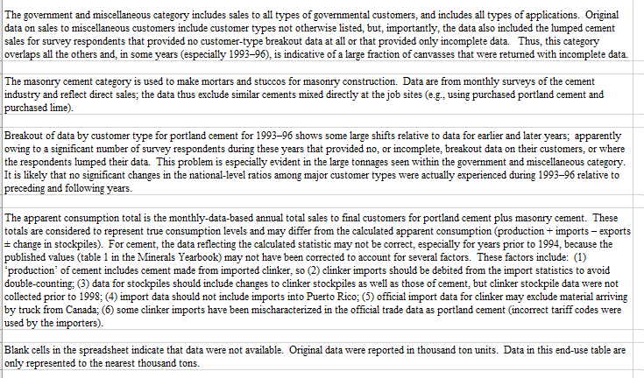

 | reported ny this internet blog
 | https://www.etf.com/sections/features-and-news/1025-cement-bonding-or-what?nopaging=1
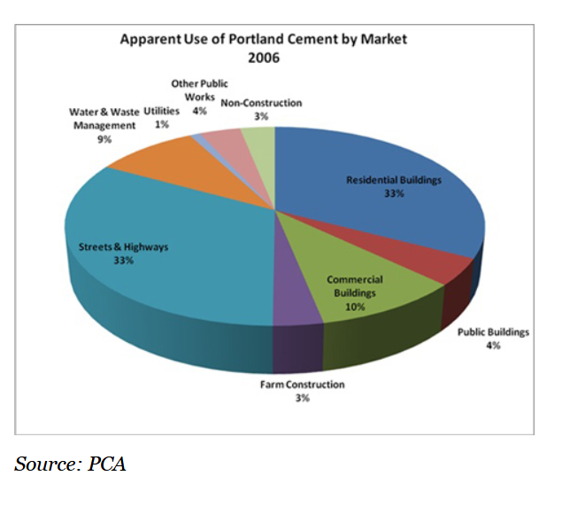

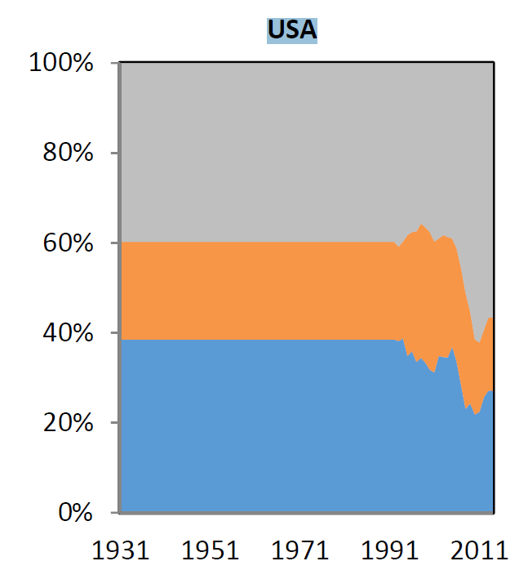
 |  | Data ffrom Cao 2017, send by Zhi |  |  |  |  | Synthesis
 |  |  | Residential | Non-Residential | Civil Engineering | Year | Residential Cao
 |  | 1992 | 39% | 22% | 40% | 1992 | 39%
 |  | 1993 | 38% | 21% | 41% | 1993 | 38%
 |  | 1994 | 39% | 21% | 40% | 1994 | 39%
 |  | 1995 | 35% | 27% | 38% | 1995 | 35%
 |  | 1996 | 36% | 26% | 38% | 1996 | 36%
 |  | 1997 | 34% | 29% | 37% | 1997 | 34%
 |  | 1998 | 34% | 30% | 36% | 1998 | 34%
 |  | 1999 | 33% | 30% | 37% | 1999 | 33%
 |  | 2000 | 32% | 31% | 38% | 2000 | 32%
 |  | 2001 | 31% | 29% | 40% | 2001 | 31%
 |  | 2002 | 35% | 26% | 39% | 2002 | 35%
 |  | 2003 | 35% | 27% | 38% | 2003 | 35%
 |  | 2004 | 34% | 27% | 39% | 2004 | 34%
 |  | 2005 | 37% | 24% | 39% | 2005 | 37%
 |  | 2006 | 34% | 25% | 41% | 2006 | 34%
 |  | 2007 | 28% | 26% | 46% | 2007 | 28%
 |  | 2008 | 23% | 26% | 51% | 2008 | 23%
 |  | 2009 | 24% | 20% | 55% | 2009 | 24%
 |  | 2010 | 22% | 17% | 61% | 2010 | 22%
 |  | 2011 | 22% | 15% | 62% | 2011 | 22%
 |  | 2012 | 26% | 15% | 59% | 2012 | 26%
...

Plastics
USA data here from American Chemistry Council (ACC), Resin Review: The Annual Statistical Report of the North American Plastics Industry (ACC, 2009); pay basis 2020 report is 300$

Geyer | alculated from data for Europe, the United States, China, and
 | India covering the period 2002–2014 | Euromap; could be downloaded once; now members only
 |  | Plastics Resin Production and Consumption in 63 Countries Worldwide 2009 - 2020
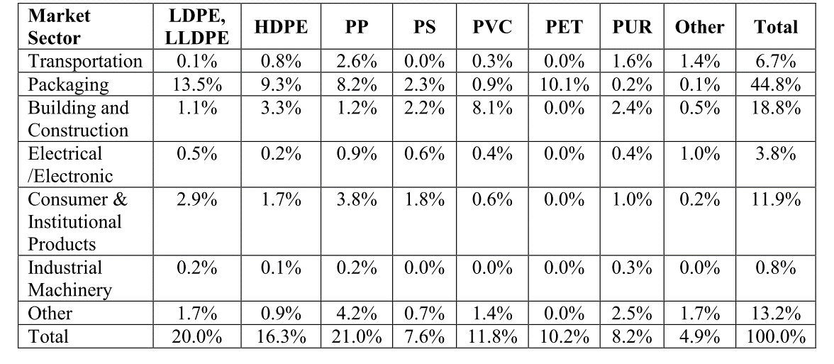
 |  | Plastics | Packaging | USA | 2009
 |  | Plastics | Automotive | USA | 2009
 |  | Plastics | Construction industry | USA | 2009
 |  | Plastics | Electrical, electronics & telecom | USA | 2009
 |  | Plastics | Others | USA | 2009
 |  | Plastics | Packaging | USA | 2010
 |  | Plastics | Automotive | USA | 2010
 |  | Plastics | Construction industry | USA | 2010
 |  | Plastics | Electrical, electronics & telecom | USA | 2010
 |  | Plastics | Others | USA | 2010
 |  | Plastics | Packaging | USA | 2011
 |  | Plastics | Automotive | USA | 2011
 |  | Plastics | Construction industry | USA | 2011
 |  | Plastics | Electrical, electronics & telecom | USA | 2011
 |  | Plastics | Others | USA | 2011
 |  | Plastics | Packaging | USA | 2012
 |  | Plastics | Automotive | USA | 2012
 |  | Plastics | Construction industry | USA | 2012
 |  | Plastics | Electrical, electronics & telecom | USA | 2012
 |  | Plastics | Others | USA | 2012
 |  | Plastics | Packaging | USA | 2013
 |  | Plastics | Automotive | USA | 2013
 |  | Plastics | Construction industry | USA | 2013
 |  | Plastics | Electrical, electronics & telecom | USA | 2013
 |  | Plastics | Others | USA | 2013
 |  | Plastics | Packaging | USA | 2014
 |  | Plastics | Automotive | USA | 2014
...

Wood
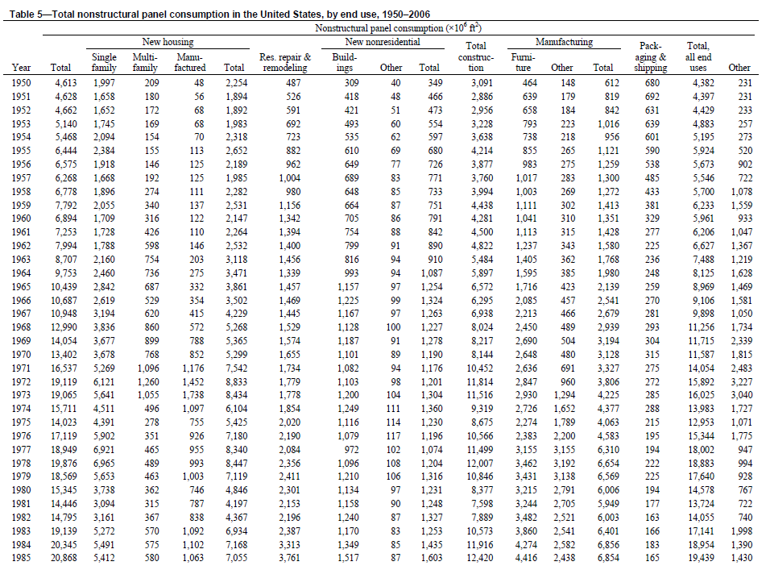
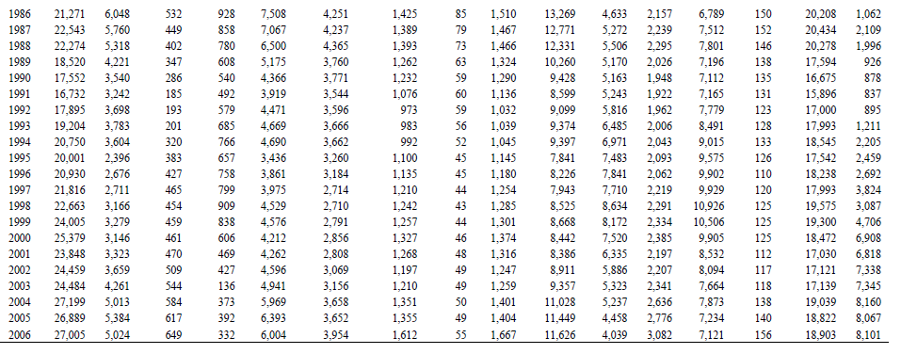
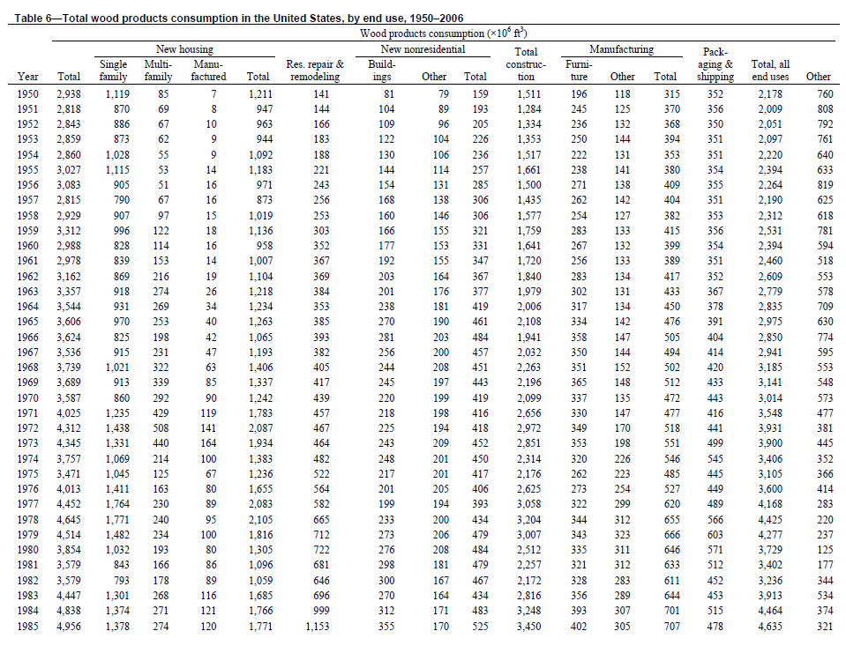
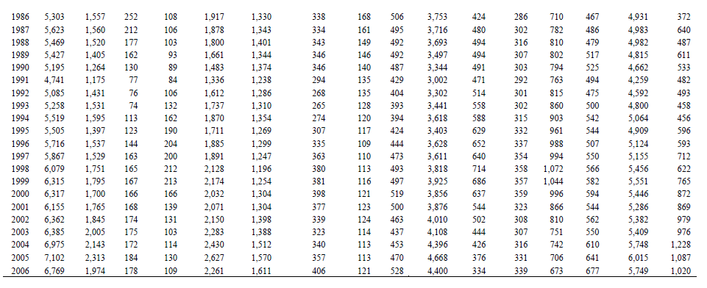
USA Wood product end-use shares (by volume; McKeever 2006)
 | Single family housing | Multy family housing | Manufactured housing | #BEZUG! | Residential repair & remodeling | Non-res. Build | Non-res. Other | #BEZUG! | #BEZUG! | Furniture | Other manufactures | #BEZUG!
1972 | 33 | 12 | 3 |  | 11 | 5 | 4 |  |  | 8 | 4
1973 | 31 | 10 | 4 |  | 11 | 6 | 5 |  |  | 8 | 5
1974 | 28 | 6 | 3 |  | 13 | 7 | 5 |  |  | 9 | 6
1975 | 30 | 4 | 2 |  | 15 | 6 | 6 |  |  | 8 | 6
1976 | 35 | 4 | 2 |  | 14 | 5 | 5 |  |  | 7 | 6
1977 | 40 | 5 | 2 |  | 13 | 4 | 4 |  |  | 7 | 7
1978 | 38 | 5 | 2 |  | 14 | 5 | 4 |  |  | 7 | 7
1979 | 33 | 5 | 2 |  | 16 | 6 | 5 |  |  | 8 | 7
1980 | 27 | 5 | 2 |  | 19 | 7 | 5 |  |  | 9 | 8
1981 | 24 | 5 | 2 |  | 19 | 8 | 5 |  |  | 9 | 9
1982 | 22 | 5 | 2 |  | 18 | 8 | 5 |  |  | 9 | 8
1983 | 29 | 6 | 3 |  | 16 | 6 | 4 |  |  | 8 | 6
1984 | 28 | 6 | 2 |  | 21 | 6 | 4 |  |  | 8 | 6
1985 | 28 | 6 | 2 |  | 23 | 7 | 3 |  |  | 8 | 6
1986 | 29 | 5 | 2 |  | 25 | 6 | 3 |  |  | 8 | 5
1987 | 28 | 4 | 2 |  | 24 | 6 | 3 |  |  | 9 | 5
1988 | 28 | 3 | 2 |  | 26 | 6 | 3 |  |  | 9 | 6
1989 | 26 | 3 | 2 |  | 25 | 6 | 3 |  |  | 9 | 6
1990 | 24 | 2 | 2 |  | 26 | 7 | 3 |  |  | 9 | 6
1991 | 25 | 2 | 2 |  | 26 | 6 | 3 |  |  | 10 | 6
1992 | 28 | 1 | 2 |  | 25 | 5 | 3 |  |  | 10 | 6
1993 | 29 | 1 | 3 |  | 25 | 5 | 2 |  |  | 11 | 6
1994 | 29 | 2 | 3 |  | 25 | 5 | 2 |  |  | 11 | 6
1995 | 25 | 2 | 3 |  | 23 | 6 | 2 |  |  | 11 | 6
1996 | 27 | 3 | 4 |  | 23 | 6 | 2 |  |  | 11 | 6
1997 | 26 | 3 | 3 |  | 21 | 6 | 2 |  |  | 11 | 6
1998 | 29 | 3 | 3 |  | 20 | 6 | 2 |  |  | 12 | 6
1999 | 28 | 3 | 3 |  | 20 | 6 | 2 |  |  | 11 | 6
2000 | 27 | 3 | 3 |  | 21 | 6 | 2 |  |  | 10 | 6
2001 | 29 | 3 | 2 |  | 21 | 6 | 2 |  |  | 9 | 5
2002 | 29 | 3 | 2 |  | 22 | 5 | 2 |  |  | 8 | 5
2003 | 31 | 3 | 2 |  | 22 | 5 | 2 |  |  | 7 | 5
2004 | 31 | 2 | 2 |  | 22 | 5 | 2 |  |  | 6 | 5
2005 | 33 | 3 | 2 |  | 22 | 5 | 2 |  |  | 5 | 5
2006 | 29 | 3 | 2 |  | 24 | 6 | 2 |  |  | 5 | 5
...
MASS Shares (own conversion)
Year | Single-family | Multi-family | Manufactured Houses | Total New Houses | Total New Repair
1950 | 37% | 3% | 0% | 40% | 5%
1951 | 30% | 2% | 0% | 33% | 5%
1952 | 30% | 2% | 0% | 33% | 6%
1953 | 30% | 2% | 0% | 32% | 6%
1954 | 35% | 2% | 0% | 37% | 6%
1955 | 36% | 2% | 0% | 38% | 7%
1956 | 28% | 2% | 1% | 30% | 8%
1957 | 27% | 2% | 1% | 30% | 9%
1958 | 30% | 3% | 0% | 33% | 8%
1959 | 29% | 4% | 1% | 33% | 9%
1960 | 27% | 4% | 1% | 31% | 11%
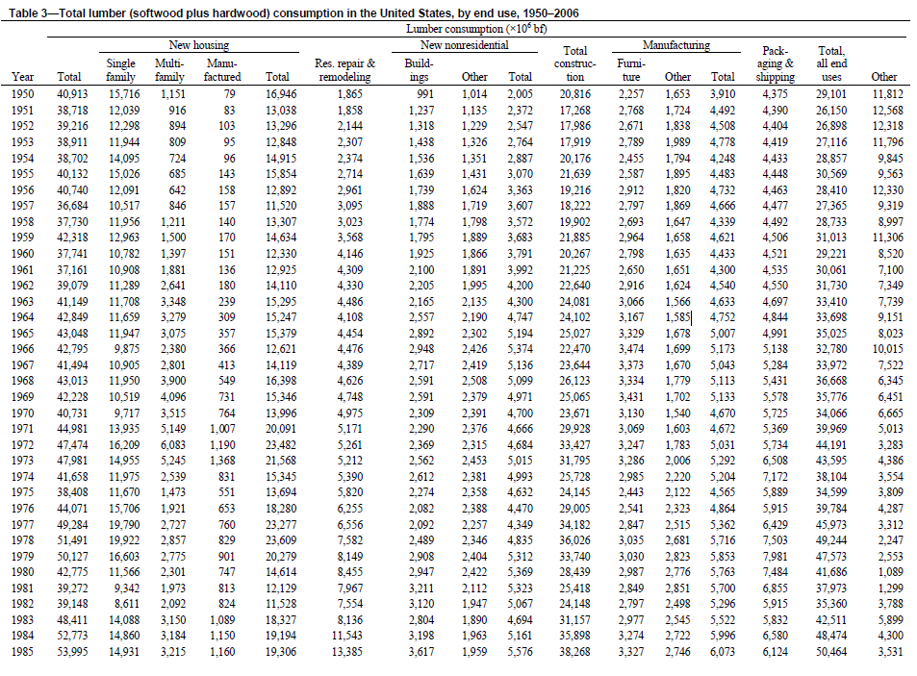
1961 | 27% | 5% | 0% | 32% | 12%
1962 | 26% | 7% | 1% | 33% | 11%
1963 | 26% | 8% | 1% | 35% | 11%
1964 | 25% | 7% | 1% | 33% | 9%
1965 | 26% | 7% | 1% | 34% | 10%
1966 | 22% | 5% | 1% | 28% | 10%
1967 | 25% | 6% | 1% | 32% | 10%
1968 | 26% | 8% | 2% | 36% | 10%
1969 | 24% | 9% | 2% | 35% | 11%
1970 | 23% | 8% | 3% | 33% | 12%
1971 | 30% | 10% | 3% | 43% | 11%
1972 | 32% | 11% | 3% | 46% | 10%
1973 | 29% | 9% | 4% | 43% | 10%
1974 | 27% | 5% | 3% | 35% | 12%
1975 | 29% | 3% | 2% | 34% | 14%
1976 | 34% | 4% | 2% | 40% | 13%
1977 | 38% | 5%
1978 | 36% | 5%
1979 | 31% | 5%
1980 | 25% | 5%
1981 | 22% | 4%
1982 | 21% | 5%
1983 | 28% | 6%
1984 | 27% | 5%
1985 | 26% | 5%
1986 | 28% | 4%
1987 | 26% | 4%
1988 | 26% | 3%
1989 | 24% | 3%
1990 | 23% | 2%
1991 | 23% | 2%
1992 | 26% | 1%
1993 | 27% | 1%
1994 | 27% | 2%
1995 | 23% | 2%
1996 | 25% | 2%
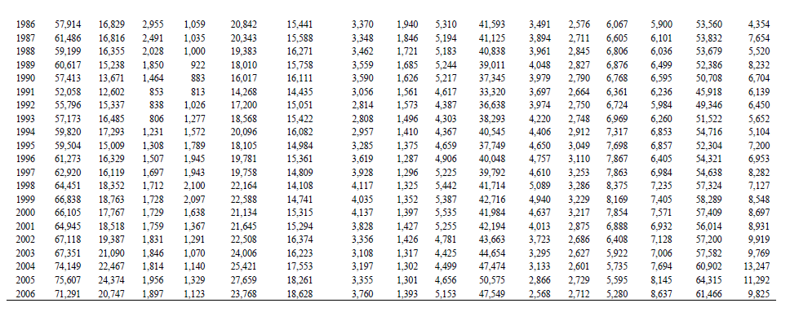
1997 | 24% | 3%
1998 | 27% | 3%
1999 | 26% | 2%
2000 | 25% | 2%
2001 | 27% | 3%
2002 | 27% | 3%
2003 | 29% | 3%
2004 | 29% | 2%
2005 | 31% | 2%
2006 | 27% | 3%

RAW MASS Shares (own conversion) WEIGHTED BY YIELD FOR FURNITURE at 70%

Year | Single-family | Multi-family
1950 | 38% | 3%
1951 | 31% | 2%
1952 | 31% | 2%
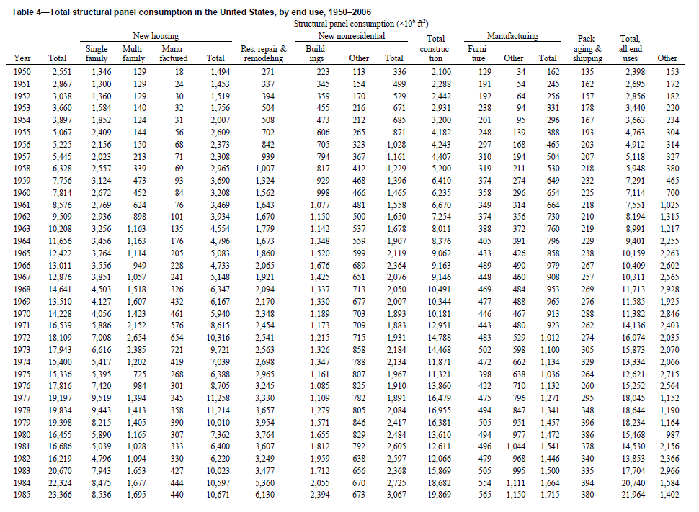
1953 | 30% | 2%
1954 | 36% | 2%
1955 | 37% | 2%
1956 | 29% | 2%
1957 | 28% | 2%
1958 | 31% | 3%
1959 | 30% | 4%
1960 | 27% | 4%
1961 | 28% | 5%
1962 | 27% | 7%
1963 | 27% | 8%
1964 | 26% | 7%
1965 | 27% | 7%
1966 | 23% | 5%
1967 | 26% | 6%
1968 | 27% | 8%
1969 | 25% | 9%
1970 | 24% | 8%
1971 | 30% | 10%
1972 | 33% | 11%
1973 | 30% | 10%
1974 | 28% | 5%
1975 | 30% | 3%
1976 | 35% | 4%
1977 | 39% | 5%
1978 | 37% | 5%
1979 | 32% | 5%
1980 | 26% | 5%
1981 | 23% | 4%
1982 | 22% | 5%
1983 | 29% | 6%
1984 | 28% | 5%
1985 | 27% | 5%
1986 | 29% | 5%
1987 | 27% | 4%
1988 | 27% | 3%
1989 | 25% | 3%
1990 | 24% | 2%
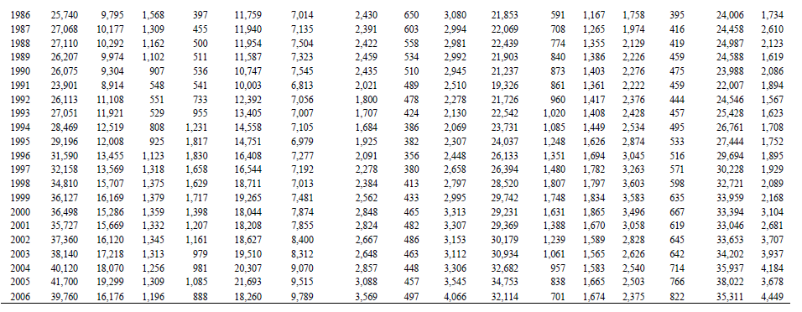
1991 | 24% | 2%
1992 | 27% | 1%
1993 | 28% | 1%
1994 | 28% | 2%
1995 | 24% | 2%
1996 | 26% | 2%
1997 | 25% | 3%
1998 | 28% | 3%
1999 | 27% | 3%
2000 | 26% | 3%
2001 | 27%
2002 | 28%
2003 | 30%
2004 | 29%
2005 | 31%
2006 | 28%

Paper
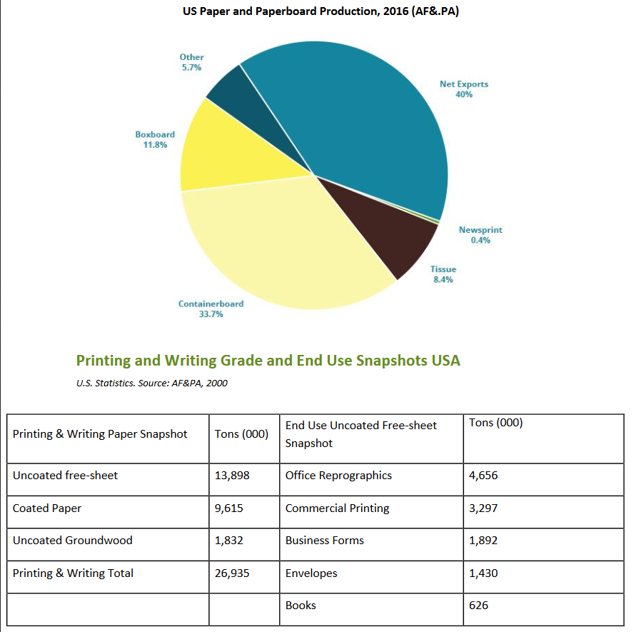
https://www.greenamerica.org/sites/default/files/inline-files/Paper%20Facts%202017.pdf

