summary
Effect | INITIAL EXPOSURE | SECONDARY EXPOSURE |  | RECOVERY PERIOD | TERTIARY EXPOSURE
 |  |  | Day 7 |  |  | Day 21
Respiration rate | n.s. | E > A; EHM > AHM | n.s. | day 8 < day 14 | EHS > EHA | n.s.
Shell legnth (raw) | E > A | E > A | n.s. | day 8 < day 14 | E > A | n.s.
Shell growth (av. corrected) | - | n.s. | n.s. | day 8 < day 14 |  | ES max; EM min
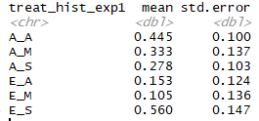
Total protein | - | - | n.s. | - | - | n.s.
AFDW | - | - | E > A | - | - | 1' E > A; 3' M > A
Ttotal Antioxidant Capacity | - | - | n.s. | - | - | A > E

