Sheet1
Percent meat weigt (targetted)
3

Dry meat weight (literature)
height | dry tissue weight (mg) | reference
20-25 mm | 100-125 | https://www.researchgate.net/profile/Bruce-Hatcher/publication/227036835_Growth_and_content_of_energy_reserves_in_juvenile_sea_scallops_Placopecten_magellanicus_as_a_function_of_swimming_frequency_and_water_temperature_in_the_laboratory/links/00b49533d77ff8cfc5000000/Growth-and-content-of-energy-reserves-in-juvenile-sea-scallops-Placopecten-magellanicus-as-a-function-of-swimming-frequency-and-water-temperature-in-the-laboratory.pdf
57.4 +- 6.1 mm | 160-180 | https://link.springer.com/content/pdf/10.1007/s002270050542.pdf

Dry weight per scallop (estimated in g)
1.6

Calculation
Ration g per day per adult = 4 x mean dry meat weight (g)/100
0.048
A 3% ration for an juvenile sea scallops of 1.6 g dry meat weight amounts to 0.048 g dry weight of algae per day.

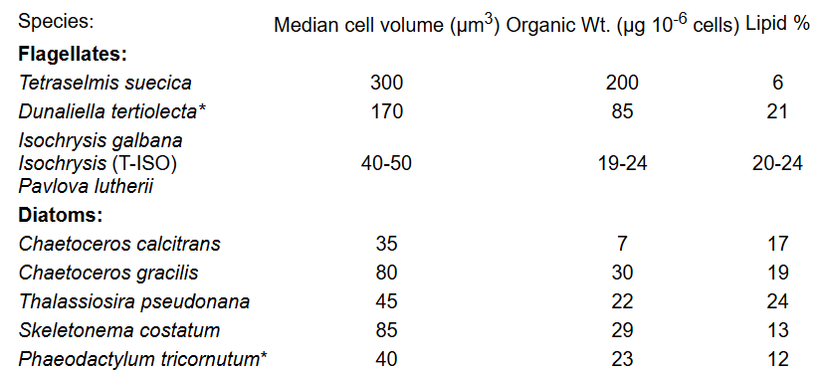

 |  | 1 million Tetraselmis cells have a dry (organic) weight of about 0.2 mg (0.0002 g)

 |  | 1 million T pseudonanacells have a dry (organic) weight of about 0.22 mg

Number of animals per tank
8
 |  | 750 |  |  | 5120 | 5.12
Total dry weight per tank (g) |  | 750 |  |  | 11377.777778 | 11.377777778
12.8 |  |  |  |  | 7585.1851852 | 7.5851851852
Volume of tank (L)
11
 |  |  | Mock data
Three algae, 1 % meat weight (~3% total for mixed diet) | 0.01 |  | Cell denisty | mL to feed
Species | mg dry weight per 1 mill cells | millions cells to feed per day per tank | (mill cells per mL) | 1 a day | 2 a day | 3 a day | 4 a day | 12 a day | 24 a day
Tetraselmis | 0.2 | 640 | 2 | 320 | 160 | 106.66666667 | 80 | 26.666666667 | 6.6666666667
Isocrysis / Pavlova | 0.02 | 6400 | 9 | 711.11111111 | 355.55555556 | 237.03703704 | 177.77777778 | 59.259259259 | 14.814814815
C. gracilis | 0.03 | 4267 | 9 | 474.07407407 | 237.03703704 | 158.02469136 | 118.51851852 | 39.50617284 | 9.8765432099

 |  |  |  |  | total cells added per algae
T pseudonana | 0.022 | 7564 |  | cells per mL | cells per mL | cells per mL | cells per mL | cells per mL | cells per mL
 |  |  |  | 29090.909091 | 29090.909091 | 19393.939394 | 14545.454545 | 4848.4848485 | 1212.1212121
 |  |  |  | 290909.09091 | 290909.09091 | 193939.39394 | 145454.54545 | 48484.848485 | 12121.212121
 |  |  |  | 193939.39394 | 193939.39394 | 129292.92929 | 96969.69697 | 32323.232323 | 8080.8080808
 |  | 166.4 |  |  | cells per mL in the tank at time of batch addition (assuming 0 retained from previous dose)
 | 0.512
 | 0.17066666667 |  |  | 513939.39394 | 513939.39394 | 342626.26263 | 256969.69697 | 85656.565657 | 21414.141414

