Dry_weight
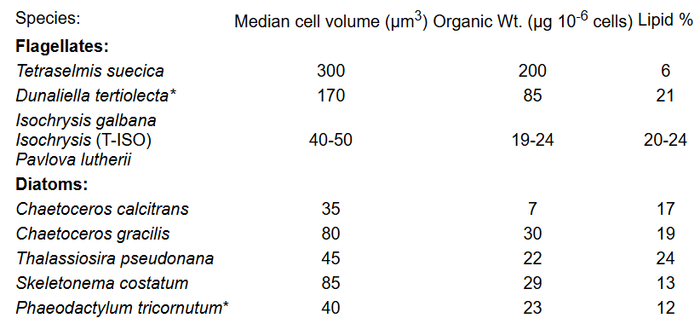
FEED BY DRY TISSUES WEIGHT OF ANIMALS AND ALGAE W/TETRASELMIS USE THIS METHOD
Schedule | Tank Type | Number of animals per tank | Tank Volume (mL) | Desired % dry weight to feed daily ration | Average dry tissue weight per animal (g) | mgDW Tet per 10^6 cells | mgDW Chgra per 10^6 cells | mgDW Mono per 10^6 cells | Tet Concentration | Chgra Concentration | Mono Concentration | 1:1:1 diet | Volume of Tet to feed (L) | Volume Chgra to feed (L) | Volume of Mono to feed (L) | Total volume(L)
 | OA TANKS 11 LSTATIC | 1 | 11,000 | 3 | 1.60 | 2.00E-01 | 3.00E-02 | 2.00E-02 | 2.00E+06 | 8.73E+06 | 1.54E+07 |  | 0.040 | 0.061 | 0.052 | 0.2 | per tank dose
Note: assumes that the average dry tissue weight is 1.6g for each animal |  |  |  |  |  |  |  |  |  |  |  | x16 | 0.640 | 0.977 | 0.831 | 2.4 | total
 |  |  |  |  | Total dry tissue weight per tank (g) |  |  |  | take new counts and insert above |  |  |  | total to measure out for the OA room daily
 |  |  |  |  | 1.60 |  |  |  |  |  |  | if fed twice per day | Volume of Tet to feed (L) | Volume Chgra to feed (L) | Volume of Mono to feed (L) | Total volume(L)
 |  |  |  |  |  |  |  |  |  |  |  | morning | 0.020 | 0.031 | 0.026 | 0.077 | per tank dose
 |  |  |  |  |  |  |  |  |  |  |  | evening | 0.020 | 0.031 | 0.026 | 0.077 | per tank dose

FEED BY DRY TISSUES WEIGHT OF ANIMALS AND ALGAE W/ISO
Schedule | Tank Type | Number of animals per tank | Tank Volume (mL) | Desired % dry weight to feed daily ration | Average dry tissue weight per animal (g) | mgDW Tiso per 10^6 cells | mgDW Chgra per 10^6 cells | mgDW Mono per 10^6 cells | Tiso Concentration | Chgra Concentration | Mono Concentration | 1:1:1 diet | Volume of Tiso to feed (L) | Volume Chgra to feed (L) | Volume of Mono to feed (L) | Total volume(L)
 | OA TANKS 11 LSTATIC | 8 | 11,000 | 3 | 1.60 | 2.00E-02 | 3.00E-02 | 2.00E-02 | 1.27E+07 | 8.73E+06 | 1.54E+07 |  | 0.504 | 0.489 | 0.416 | 1.4 | per tank dose
 |  |  |  |  |  |  |  |  |  |  |  | x16 | 8.063 | 7.820 | 6.649 | 22.5 | total
 |  |  |  |  | Total dry tissue weight per tank (g) |  |  |  | take new counts and insert above |  |  |  | total to measure out for the OA room daily
 |  |  |  |  | 12.80

