Board Bring Up
Project: | Index
PCB: | Scanner Board
Description: | Test Coverage of PCB - board bring up

UUT | 06791P-0001
Test Number | Module | Sub-module | TP | Parameter Name | Value | Units | Test Description | Test Conditions | Firmware Test Coverage | UUT

1 | PCB |  | C41 | VBus/gnd plane resistance | > 30K | Ohms | Check power/ground plain is not shorted | No power applied | NA
2 | PCB |  | J4.1 | VBAT/gnd plane resistance | > 100K | Ohms | Check power/ground plain is not shorted | No power applied | NA
3 | PCB |  | C46 | 3V3/gnd plane resistance | > 20K | Ohms | Check power/ground plain is not shorted | No power applied | NA
4 | USB and battery | LTC4160 | J3 | USB supply current | < 200 | mA | Using bench supply apply 5V and measure current, Iusb < 200mA | Battery not connected, 3.3V regulator enabled using S1 | NA
5 | USB and battery | LTC4160 | J3 | USB supply current | < 500 | mA | Using bench supply apply 5V and measure current, Iusb < 500mA | Battery connected, 3.3V regulator enabled using S1 | NA
6 | USB and battery | LTC4160 | J4 | Vbat charge | <= 4.2 | V | Using bench supply apply 5V to USB0 and measure, pass condition 3.0V <= Vbat <= 4.2V | Battery connected | NA
7 | USB and battery | LTC4160 |  | 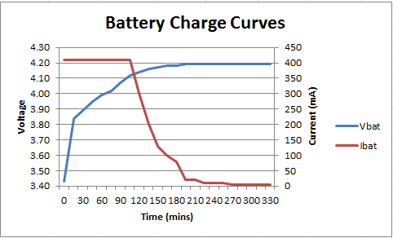 Charge Curves |  |  |  |  | NA
8 | USB and battery | LTC4160 |  | Discharge Curve | 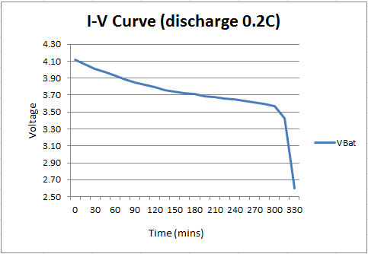 |  |  | discharge current = 0.2C | NA
9 | 3V3 Supply | LTC3542 | C46 | 3V3 | 3.26 | V | Measure output voltage of U8 = 3.3V +/-5% | Battery connected, 3.3V regulator enabled using S1 | NA
10 | Processor | Reset | U3.2 | Brown out detect | TRUE | TRUE/FALSE | Check rising edge on power up, approx 200ms after power | Battery connected, 3.3V regulator enabled using S1 | NA
11 | Processor | JTAG | J9 | Comms with processor | TRUE | TRUE/FALSE | Connect JTAG debugger |  | NA
12 | Processor | Serial Debug |  | CLI | TRUE | TRUE/FALSE | Connect FTDI cable to TPVIA3, 4 and GND. | Debug enabled | Yes
13 | Processor | ADC | U9.11 | BAT_MON0 |  | V | 2.7V <= Vbat <= 4.2V |  | App
14 | Processor | ADC | U9.12 | BAT_MON1 |  | V | 2.7V <= Vo <= 4.2V |  | App
15 | Processor | USB0 | NA | OTG port | TRUE | TRUE/FALSE | Connect cable to PC - is LPC port recognised? | Set USB boot mode | NA |  | see snag list
16 | Processor | USB0 | NA | ISP over USB |  | TRUE/FALSE | Using NXP's lpcscrypt flash programming utility - program processor | Set USB boot mode | NA
17 | Bi Colour LEDs |  | NA | LEDs | TRUE | TRUE/FALSE | All LEDs working |  | App
18 | Switches | S1 | NA | PWR UP/DN | TRUE | TRUE/FALSE | Unit powers up immediately but can force power down by holding S1 for 8 seconds |  | NA
19 | Switches | S2 | NA | Scan button | TRUE | TRUE/FALSE | Is a button press recognised by the App? |  | App
20 | BTLE module | U1 | NA | Pairing | TRUE | TRUE/FALSE | Does module pair ? | Using smart phone or tablet | App
21 | UN20IF | Power switch | U6.1 | UN20_3V3 | 3.3 | V | Enable power to UN20 with CLI command and measure voltage at U6 pin 1 = 3.3V +/- 5% | UN20 connected | App
22 | UN20IF | Reset | C36 | UN20_nRESET | TRUE | TRUE/FALSE | Hold the UN20 in reset and release using CLI - check Un20 boots correctly by monitoring serial debug output | UN20 connected | App
23 | UN20IF | USB_PWR | USB1 | USB_PPWR | 5.3 | V | Enable USB_VBUS to UN20 with CLI command and measure voltage at U1 pin 3 on interface board = 4.7V +/- 0.3V | UN20 connected via interface board | App
24 | Processor | USB1 | NA | Sensor port |  | TRUE/FALSE | Connect UUT to UN20 sensor via interface PCB |  | App
25
26
27

