LDA
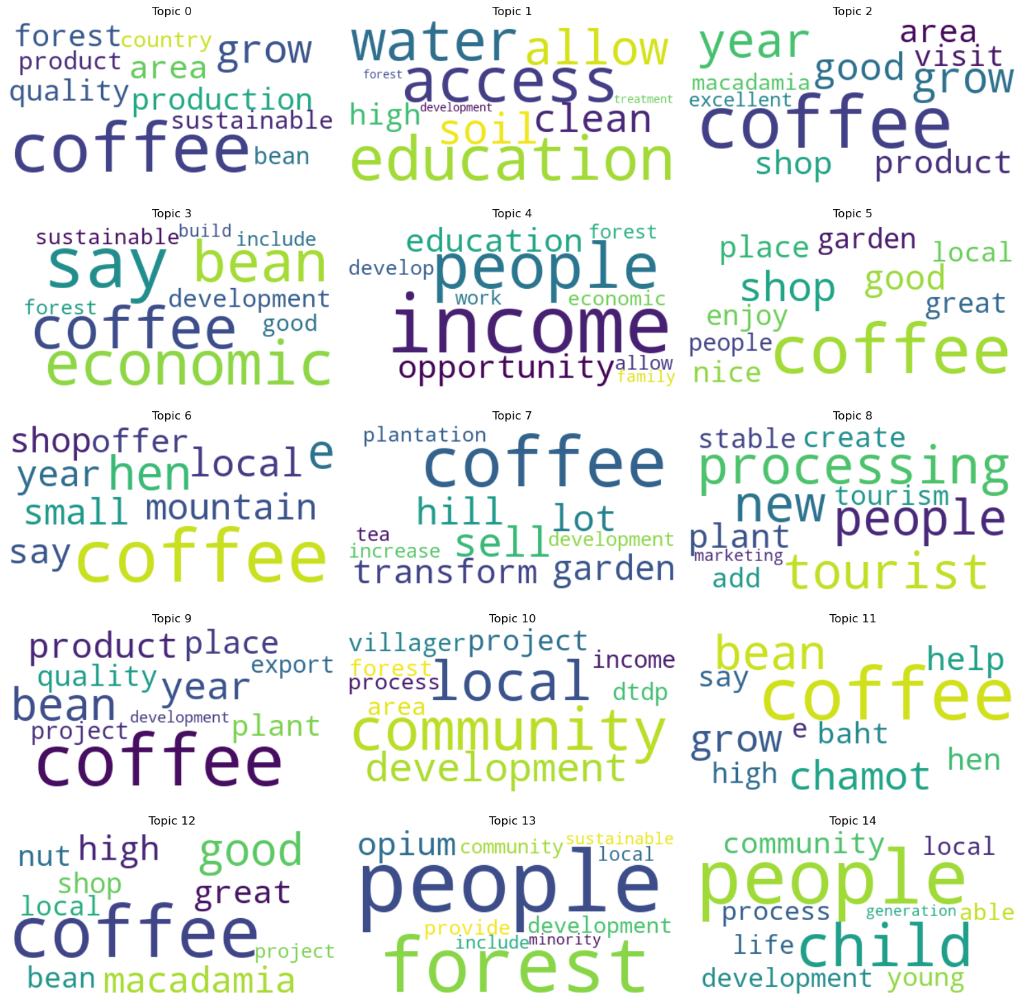
Topic ID | Dominant_Topic_name | Topic Words (Keywords) - | Probability | Coherence Score

1 | Coffee Production and Sustainability | ['coffee', 'grow', 'area', 'forest', 'production', 'quality', 'sustainable', 'product', 'bean', 'country', 'process', 'tree', 'provide', 'community', 'high'] | 0.2363 | 0.42065166103
2 | Water Access and Environmental Conservation | ['education', 'access', 'water', 'allow', 'soil', 'clean', 'high', 'development', 'forest', 'treatment', 'promote', 'woman', 'renewable', 'restore', 'participant'] | 0.0067 | 0.8507466955
3 | Coffee Quality and Experience | ['coffee', 'year', 'grow', 'good', 'product', 'shop', 'area', 'visit', 'macadamia', 'excellent', 'villager', 'local', 'market', 'offer', 'great'] | 0.0993 | 0.52642629829
4 | Economic Development | ['say', 'economic', 'coffee', 'bean', 'development', 'good', 'sustainable', 'forest', 'include', 'build', 'opportunity', 'project', 'place'] | 0.0349 | 0.23886391554
5 | Social Opportunities and Community Development | ['income', 'people', 'opportunity', 'education', 'develop', 'economic', 'work', 'forest', 'allow', 'family', 'ethnic', 'community', 'village', 'plant', 'activity'] | 0.0298 | 0.67662037466
6 | Coffee Shops and Enjoyment | ['coffee', 'shop', 'good', 'place', 'nice', 'garden', 'great', 'enjoy', 'local', 'people', 'processing', 'macadamia', 'available', 'entrance', 'production'] | 0.1018 | 0.67755132615
7 | Rural Living and Mountain Culture | ['coffee', 'local', 'mountain', 'year', 'small', 'say', 'shop', 'offer', 'place', 'raise', 'day', 'month', 'lot'] | 0.0482 | 0.31951097134
8 | Coffee Cultivation and Plantation Management | ['coffee', 'sell', 'hill', 'lot', 'garden', 'transform', 'plantation', 'tea', 'increase', 'development', 'vendor', 'view', 'mountain', 'shop', 'bean'] | 0.0424 | 0.43278156903
9 | Tourism and Marketing | ['processing', 'new', 'tourist', 'people', 'plant', 'create', 'tourism', 'stable', 'add', 'marketing', 'transform', 'income', 'develop', 'integrate', 'private'] | 0.0141 | 0.64813222802
10 | Coffee Products and Export | ['coffee', 'bean', 'year', 'product', 'place', 'plant', 'quality', 'project', 'export', 'development', 'fire', 'late', 'way', 'order', 'people'] | 0.0493 | 0.30753369097
11 | Community Development and Social Engagement | ['community', 'local', 'development', 'project', 'villager', 'area', 'dtdp', 'income', 'forest', 'process', 'people', 'opportunity', 'social', 'year', 'household'] | 0.0995 | 0.6180547289
12 | Coffee Prices and Trade | ['coffee', 'bean', 'chamot', 'grow', 'help', 'baht', 'say', 'high', 'refer', 'animal', 'local', 'produce'] | 0.0374 | 0.71435279735
13 | Nut and Bean Quality | ['coffee', 'good', 'macadamia', 'high', 'great', 'nut', 'bean', 'shop', 'local', 'project', 'chain', 'hill', 'price', 'cafe', 'quality'] | 0.1237 | 0.53466000286
14 | Forest Conservation and Sustainable Development | ['people', 'forest', 'opium', 'development', 'provide', 'community', 'local', 'include', 'sustainable', 'minority', 'production', 'area', 'tourism', 'natural', 'ethnic'] | 0.0273 | 0.552710884
15 | Community Empowerment and Education Initiatives | ['people', 'child', 'community', 'development', 'young', 'process', 'life', 'local', 'able', 'generation', 'family', 'minority', 'include', 'education', 'opium'] | 0.0429 | 0.62512657092

 |  | **Each topic probability is placed in a text file.
 |  | **Term frequency is in .html file for all derived topics
 |  | **I have given dominant topic names with use of AI tool, I just given derived topic words it has given some name.
 |  | **We can change the dominant topic name after doing analysis.
 |  | Below Images shows the topics words which have high frequency

