Information
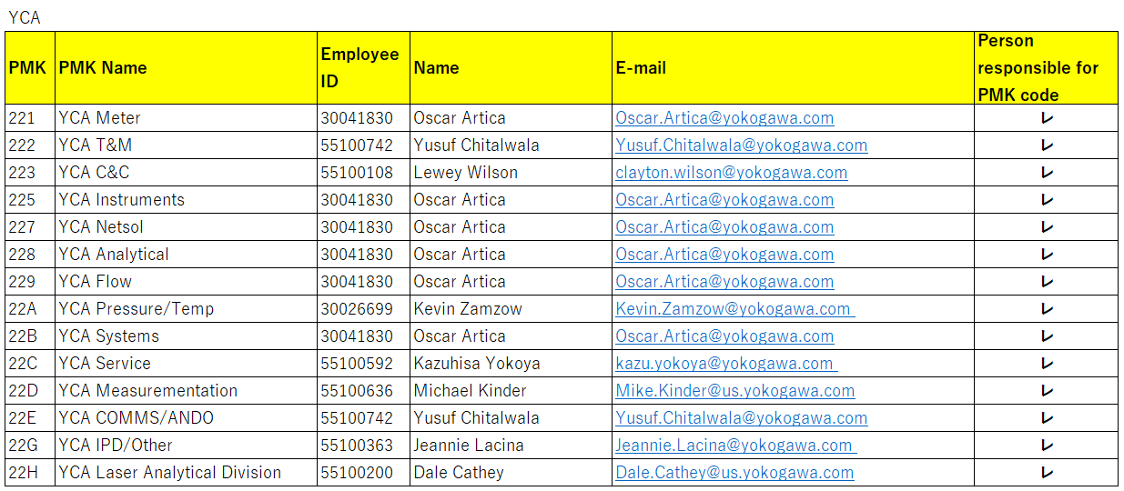
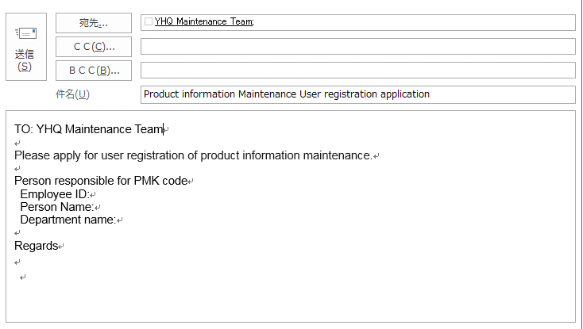
PMK code Please specify the manager of the person in charge

To apply for user registration, please apply from PMK code representative.
PMK Code Person in charge, please refer to the table below.

