Information
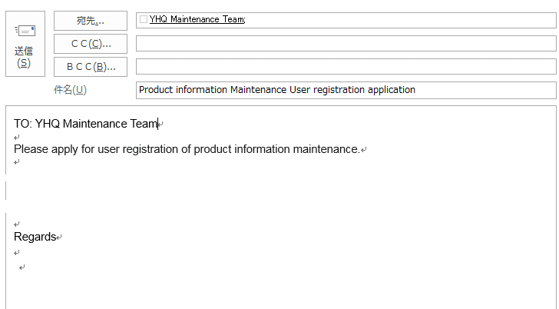
 | Information on User Authority |  | Rev.2 | Mar.29, 2019

 | User Authority for Local Maintenance
# | As the local maintenance authority, you can set/change RSP(*) and the transfer factors between RHQ and subsidiaries for the models concerned.
 |  | *: Euro is applicable as RSP for YEF and RYG.

 | User Authority for Local Approval
# | As the local approval authority, you can approve RSP and the transfer factors between RHQ and subsidiaries set/changed by local maintenance authority.

 | Application form
# | In order to obtain local maintenance/approval authority, please fill in the Application form in this file and send it to YHQ maintenance team.
# | Please include the e-mail address of your boss or supervisor as cc. This is to keep compliance to verify the delegation of authority.
 | (To YEF and RYG: When main authority for both maintenance and approval is required for YPA or RYG products data setting, please send the application form to relevant YHQ PMK.)
# | Since the same person cannot maintain and approve the same single item, at least one each separate person must be registered for both authorities.

 | Example
 | In the case of YEA and YMA
# | Please apply local maintenance authority and local approval authority.

 | In the case of YEF (and RYG)
# | When the Euro setting as RSP and transfer factor setting between YEF-HQ and YEF-Subs for YHQ responsible products are required,
 | please apply local maintenance authority and local approval authority.
# | When the Euro setting as RSP and transfer factor setting between YEF-HQ and other Yokogawa company for PMK code 271 (YPA products) are required,
 | please apply main maintenance authority and main approval authority for PMK code 271.
 | RYG PMK code is 261.

