Paste_Options
Paste Options

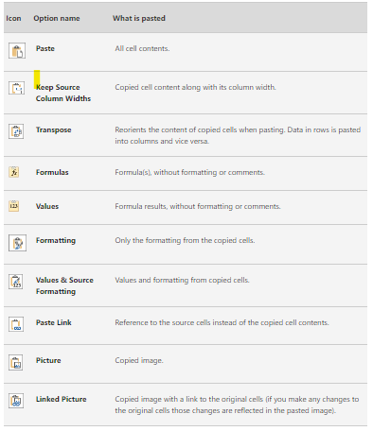
 | prod | qty | price | amount
 | p1 | 6 | ₹ 100.00 | ₹ 600
 | p2 | 45 | ₹ 40.00 | ₹ 1,800
 | p3 | 12 | ₹ 45.00 | ₹ 540
 | p4 | 34 | ₹ 32.00 | ₹ 1,088
 | p5 | 3 | ₹ 400.00 | ₹ 1,200

 |  | ₹ 0
 |  | ₹ 0
 |  | ₹ 0
 |  | ₹ 0
 |  | ₹ 0

